Bug-Reports
Tester: | Журик В.В.

Environment: | Windows 10 LTSC ver.1809 build 17763.3046
 | Firefox browser 102.0 (64 bit)

Object: | Online marketplace AliExpress |  | https://aliexpress.ru

 | Bug Reports

ID | Title | Priority | Preconditions | Steps | Result | Comment
br-01 | Unexpected Element ("Header_Logo__categoriesButton__b5449") appears during Page scroll down. (https://home.aliexpress.ru/account_settings.htm) | Low | Authorized user | 1.Go to the Main Page 2.Click on the Button "Мой профиль" 3.Click on the Link "Профиль" 4.Scroll down the Page, till Logo in the Header will dissapear | Actual: Page Header becomes floating. In the right side of Logo appears Button with Drop-down List (Product categories). Expected: No any floating Elements of Header appears | https://drive.google.com/file/d/1UGyH_hiHpWFBogztYTPcBfNf0qDjld9i/view?usp=sharing The presence of a drop-down list of products is not appropriate on pages related to the user profile section. On the pages where the appearance of this button is provided, the list of products was initially in an explicit form, or was located under the button in the drop-down list.
br-02 | Language randomly switches from Russian to English during page surfing | Medium | 1.Authorized user 2.Language is set to Russian | 1.Go to the Main Page. 2.Make some trasitions to pages related to the User Profile space (Мой AliExpress, Мои заказы, Сообщения, Мои желания, Любимые магазины, Профиль) | Actual: During one of a transitions the setted language switches to English Expected: Setted language keeps Russian | https://drive.google.com/file/d/1G5aUuDez_sItWFT3aP--UG4J3ZgIVLhQ/view?usp=sharing
br-03 | Untranslated Item in the List (Left Sidebar, unnamed UL, Class="Menu_Menu__menu-body__u7a2b") on Page "Мои заказы" (https://trade.aliexpress.ru/orderList.htm) | Low | 1.Authorized user 2.Language is set to Russian | 1.Go to Page "Мои заказы" | Actual: An Item in List is not translated to Russian Expected: Entire List is translated to Russian | 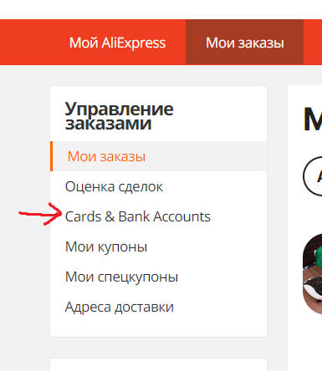
br-04 | Does not work Switcher of delivery options on Product-purchase Pages, when country is set to Belarus | High | 1.Authorized user 2.Country is set to Belarus 3.Go to any Product-purchase page. 4.Make sure that the delivery option is "Товар не может быть доставлен в Belarus". 5.Click on Button "Купить сейчас" . 6.Proceed to Order-Confirmation Page 7.Make sure that delivery options are able to choose on Order-Confirmation Page | 1.Go to the Product-purchase page. 2.Click on Switcher to choose delivery options | Actual: The delivery option is locked to "Товар не может быть доставлен в Belarus" Expected: The delivery options are enabled, same as on the Order-Confirmation Page | https://drive.google.com/file/d/154NamU8tZsukJ3HJEKjKDKS8KiwQAj0n/view?usp=sharing

