BugReports
 | Tester | Журик В.В.

 | Environment | Windows 10 LTSC ver.1809 build 17763.3046
 |  | Firefox browser 102.0 (64 bit)

 | Object | Online-bank webpage "Платежи" |  | https://www.sber-bank.by/sbol/catalog

 |  | Bug Reports

 |  | * Click is equal to Mouse left button click
 |  | ** Payment forms updates after each step of entering values (from Payment_form_lvl1 to Payment_form_lvl4)
 |  | *** Used names for credit cards: Credit_card_1 - for credit card that has enough amount of currency, and Credit_card_0 - for credit card that hasn't

ID | Title | Severity | Preconditions | Steps | Result | Comment | Unnessesuary comments
br-001 | No alert and no confirmation request in the Payment_form_lvl4 when user makes payment with a credit card, that doesn't have enough amount of currency on the account. (payment form generated for "Платежи ТС/ЖСПК АИС Расчет-ЖКУ") | Minor | 1.Authorized user. 2.Go to payment form: open webpage https://www.sber-bank.by/sbol/catalog . scroll down to section "Оплата услуг" . click on "Система "Расчёт" (ЕРИП)" . click on "Жилищно-коммунальные услуги". click on "Центр ИТ Мингорисполкома". click on "Платежи ТС/ЖСПК АИС Расчет-ЖКУ". 3.submit valid data with Payment_form_lvl1. 4.submit valid data with Payment_form_lvl2. | 1. select Credit_card_0 with Payment_form_lvl3 2. enter amount of payment (more than Credit_card_0 has) 3. click on button "Продолжить" 4. wait till payment form updates to level4, click on button "Запросить SMS-пароль" 5. enter valid SMS-code 6. click on button "Оплатить" | Actual: The payment is sent to the bank server for processing without warnings and a confirmation request Expected: An alert window will be displayed "Недостаточно средств на счёте. Продолжить?" with request for a payment confirmation | https://drive.google.com/file/d/1IPtzcJFynXb-ppkSzlEpOQrlu9T_lmaY/view?usp=sharing | Платёжная форма должна пропускать платёж на процессинговый сервер, даже если остаток на кредитной карте меньше суммы платежа. - Потому, что возможен овердрафт. Хотя, в идеале, ещё лучше было бы проверять и возможность овердрафта для данной кредитной карты, а не отправлять на процесинговый сервер запрос по платежу, который точно будет отклонён.
br-002 | JS-script generates wrong warning message on Payment_form_lvl1 when user enters more than 10 digits into "Лицевой счёт" field. (payment form generated for "Платежи ТС/ЖСПК АИС Расчет-ЖКУ") | Trivial | 1.Authorized user. 2.Go to payment form: open webpage https://www.sber-bank.by/sbol/catalog . scroll down to section "Оплата услуг" . click on "Система "Расчёт" (ЕРИП)" . click on "Жилищно-коммунальные услуги". click on "Центр ИТ Мингорисполкома". click on "Платежи ТС/ЖСПК АИС Расчет-ЖКУ". | 1. type into field "Лицевой счёт" more than 10 digits | Actual: warning appears "Поле должно содержать менее 10 символов" Expected: warning appears "Поле должно содержать 10 символов" | 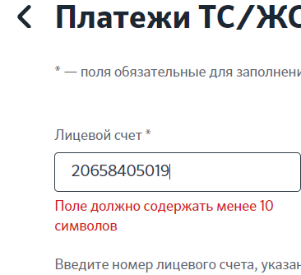
br-003 | JS-script generates wrong warning message on Payment_form_lvl1 when user enters less than 10 digits into "Лицевой счёт" field. (payment form generated for "Платежи ТС/ЖСПК АИС Расчет-ЖКУ") | Trivial | 1.Authorized user. 2.Go to payment form: open webpage https://www.sber-bank.by/sbol/catalog . scroll down to section "Оплата услуг" . click on "Система "Расчёт" (ЕРИП)" . click on "Жилищно-коммунальные услуги". click on "Центр ИТ Мингорисполкома". click on "Платежи ТС/ЖСПК АИС Расчет-ЖКУ". | 1. type into field "Лицевой счёт" less than 10 digits | Actual: warning appears "Поле должно содержать более 10 символов" Expected: warning appears "Поле должно содержать 10 символов" | 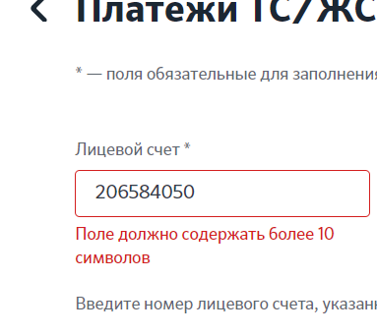 | Похоже, что не опечатка, а отсутствие шаблона сообщения либо всего сценария вывода сообщения для переменной, имеющей фиксированную длину. В случае, если для переменных фиксированной длины выбирается сценарий больше / меньше, то допущена ошибка в формуле. И в сообщении должно сообщаться, что поле дожно содержать более (<допустимое количество символов>-1) символов. Или же просто заменить "более" на "не менее". В таком случае дефект сводится к логической опечатке.
br-004 | The compliance of the entered data in the Payment_form_lvl2 is not checked when the new value is less than the previous one. (payment form generated for "Электроэнергия (физ.лица)") | Major | 1.Authorized user. 2.Go to payment form: open webpage https://www.sber-bank.by/sbol/catalog . scroll down to section "Оплата услуг" . click on "Система "Расчёт" (ЕРИП)" . click on "Электро-, теплоснабжение". click on "Минское отделение". click on "Электроэнергия (физ.лица)". 3.submit valid data with Payment_form_lvl1 | 1. enter into field "Счётчик 1-текущее знач." actual meter readings (must be lower than previous meter reading) 2. click on button "Продолжить" | Actual: Payment form updates to level3. Difference between previous and actual meter readings has a huge value (99950=current+100000-previous) Expected: Warning appears "ЕРИП: Ошибка расчёта потребления". Payment form does not update lo next level. | 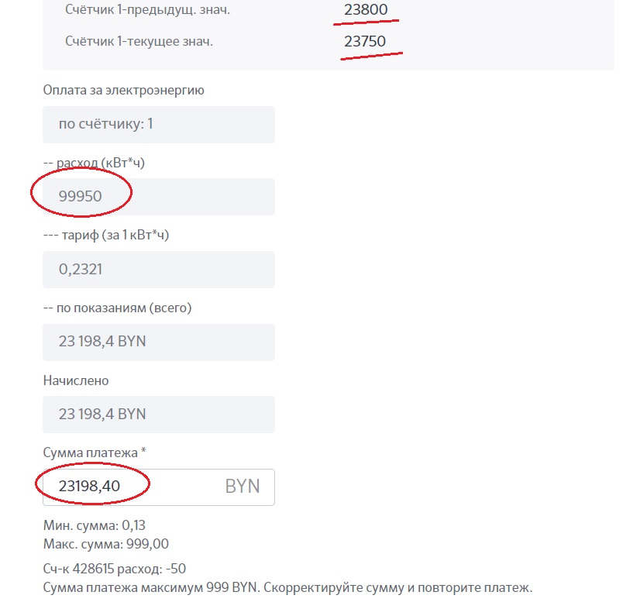 | Показания счётчика цикличны. Так что вариант, когда новое показание меньше предыдущего - может быть валидным (например новое - 00050, старое - 99950). Соответственно и формула для такого случая выбрана верно. Но должна быть проверка валидности введённого значения, и если разница показаний счётчика, например, больше 90000 - должно выдаваться сообщение об ошибке.

