Sheet1
Train | Test score | LB | Type of testing | Model description | Remarks
0.0849 | 0.1175 | 0.12403 | CV | stacked elastic, svr, catboost, lgb. with linearregression as final estimator. after 1minute of hyperparameter tuning. | Probably the linear regression is overfitting?
0.096 | 0.122 |  | Lasso tuned |  | used in the model interpretation
0.046 | 0.119 |  | Catboost vanilla |  | used in the model interpretation

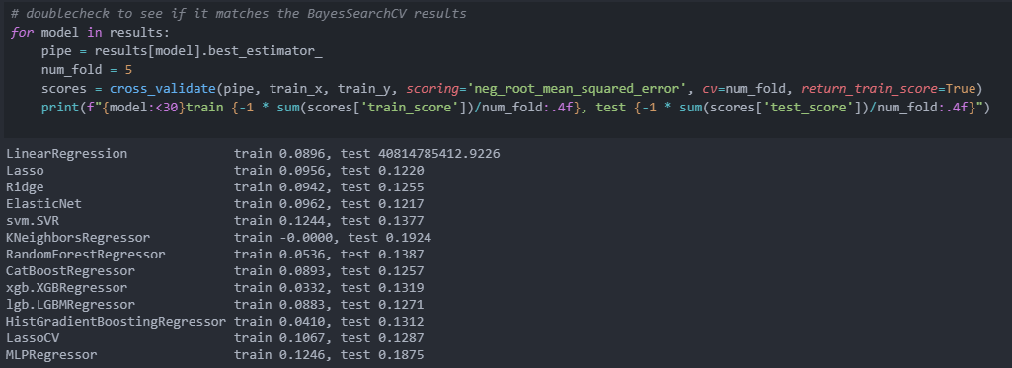
train 0.0928, test 0.1095 |  |  | Lasso tuned | with outlier removal | and all features
train 0.092, test 0.112 |  |  |  | with outlier removal | without ordinal categories and others
train 0.095, test 0.111 |  |  |  | with outlier removal | without simplifcation
train 0.095, test 0.111 |  |  |  | with outlier removal | without totalizes & poly
train 0.0928, test 0.1093 |  |  |  | with outlier removal | with poly
train 0.0928, test 0.1093 |  |  |  |  | with poly and with skewed values
train 0.0935, test 0.1098

train 0.0926, test 0.1126 |  |  |  | with only outlier removal

train 0.0974, test 0.1385 |  |  |  | without anything
train 0.0997, test 0.1374 |  |  |  | including ordinal categories
train 0.0973, test 0.1385 |  |  |  | including simplification
train 0.0987, test 0.1373 |  |  |  | with everything except poly
train 0.0956, test 0.1220 |  |  |  | with everything inc poly

train 0.09285, test 0.10947 |  |  |  |  | median imputation
train 0.09287, test 0.10935 |  |  |  |  | mean imputation

LinearRegression train 0.0896, test 40814785412.9226 Lasso train 0.0956, test 0.1220 Ridge train 0.0942, test 0.1255 ElasticNet train 0.0962, test 0.1217 svm.SVR train 0.1244, test 0.1377 KNeighborsRegressor train -0.0000, test 0.1924 RandomForestRegressor train 0.0536, test 0.1387 CatBoostRegressor train 0.0893, test 0.1257 xgb.XGBRegressor train 0.0332, test 0.1319 lgb.LGBMRegressor train 0.0883, test 0.1271 HistGradientBoostingRegressor train 0.0410, test 0.1312 LassoCV train 0.1067, test 0.1287 MLPRegressor train 0.1246, test 0.1875

stacking model train 0.0880, test 0.1066

train 0.09118, test 0.10955 |  |  |  | categorifying certain columns doesnt help
train 0.09432, test 0.11155 |  |  |  | box cox of skewed features
train 0.09603, test 0.11480 |  |  |  | log of skewed features
train 0.09287, test 0.10935 |  |  |  | nothing done with skewness
train 0.09148, test 0.11241 |  |  |  | RobustScaler

NEW lasso baseline
train 0.09576, test 0.10799
train 0.09564, test 0.10790 |  |  |  | added some HASx features
train 0.09567, test 0.10789 |  |  |  | remove id
train 0.09482, test 0.10760 |  |  |  | adding log and squared features
train 0.09483, test 0.10757 |  |  |  | only log features

train 0.09459, test 0.10789 |  |  |  | ex squeard
train 0.11129, test 0.12011 |  |  |  | ex third
train 0.09463, test 0.10778 |  |  |  | ex second
stacking model train 0.0831, test 0.1062

