toluene
use:
This compound is used a lot as a solvent in industrial restock, because it is way less toxic than benzene and hasn't a lot of functional groups.
properties
 |  |  | use | as solvent in industrial restock
 |  |  |  | basic structure
Property | Experimental average | Predicted average
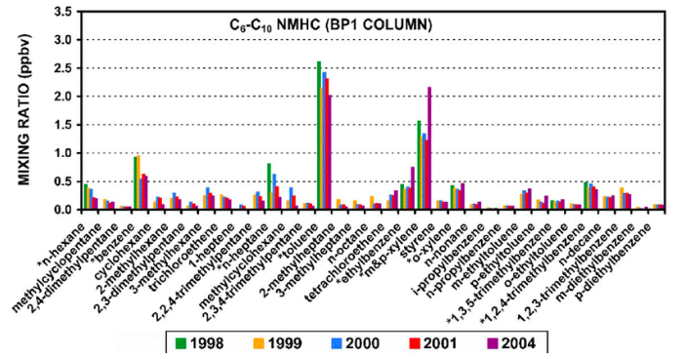
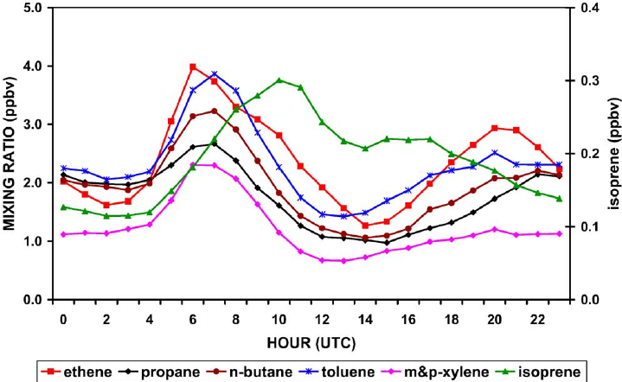
Density | - | 0.886
Boiling Point | 111 | 117
Viscosity | - | 0.676
Melting Point | -94.1 | -57.5
Water Solubility | 5.71E-03 | 0.00661
Vapor Pressure | 28.4 | 23.5
Find:
in Spain it is even found in drinking water in till 22ug/L [WHO]
has a high concentration for years in the estuary, which doesn't go drop over the years. It is rather stable.
When you plot the time vs the compound, you can see that the compound is released at certain times.
LogP: Octanol-Water | 2.73 | 2.57
Molar Volume | - | 106
LogKoa: Octanol-Air | 3.31 | 3.85

 | BTEX

