Sheet1
班级 | 1702
学号 | 8002117067 |  | 老师邮箱16516338@qq.com
姓名 | 徐梓涵
序号 | 元件编号 | 元件说明 | 元件型号 | 元件封装 | 元件数量 | 参考价格 | 参考成本 | 元件图样 | 淘宝链接
1 | Q2 | 三极管PNP | S8550 | TO92 | 1 | 2.54（50个） | 2.54（50个） |  | https://detail.tmall.com/item.htm?id=41234351737&ali_refid=a3_430673_1006:1109983619:N:P0Mfn+dpBt8Tu2L2UWIowSofnE7vHCcH:bfb2c59ca6e0a05c7cab1dcef7fd6e9f&ali_trackid=1_bfb2c59ca6e0a05c7cab1dcef7fd6e9f&spm=a2e15.8261149.07626516002.3&skuId=4206813899471
2 | U1 | 单片机 | STC12C5A60S2-35I-PDIP40 12C5A60S2 | PDIP-40 | 1 | 3.35 | 3.35 |  | https://item.taobao.com/item.htm?id=7260680315&ali_refid=a3_430673_1006:1102592138:N:0rueKlkSOv770npzIHNi0A%3D%3D:3e54fde5370f8a8933df745136d60140&ali_trackid=1_3e54fde5370f8a8933df745136d60140&spm=a2e15.8261149.07626516002.7
3 | BUZ1 | 蜂鸣器 | 5V有源蜂鸣器 | CONN-SIL2 | 1 | 1.39 | 1.39 | 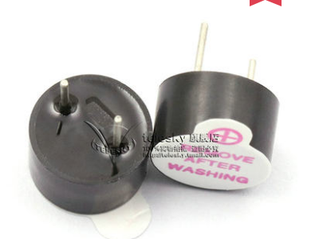 | https://detail.tmall.com/item.htm?id=41310688827&ali_refid=a3_430583_1006:1109983619:N:BWgFXOyRy01gWgD8xglixg==:dd04f26bf1e0809e8a385ddfeb802b88&ali_trackid=1_dd04f26bf1e0809e8a385ddfeb802b88&spm=a230r.1.14.1&skuId=3884190131467
4 | K1、K2、K3、K4、K5、 | 按钮 | 贴片6*6* 8mm | 贴片 | 5 | 1 | 1 |  | https://item.taobao.com/item.htm?id=583425594459&ali_refid=a3_420434_1006:1123386530:N:kstNATwOy0FmoYUCc04lcWr4XBkNcGza:3338c16ac094e701ae9b869f5880a782&ali_trackid=1_3338c16ac094e701ae9b869f5880a782&spm=a230r.1.1957635.19
5 | X1 | 晶振 | HC49s | 直插 | 1 | 0.14 | 0.14 | 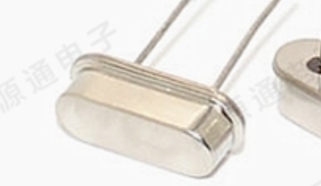 | https://item.taobao.com/item.htm?id=557617857360&ali_refid=a3_430673_1006:1124602374:N:nTQ8MqBUyH9neoKiLdL9nQ%3D%3D:8ea753b2c5ad24d6409a8bd0b1f35c07&ali_trackid=1_8ea753b2c5ad24d6409a8bd0b1f35c07&spm=a2e15.8261149.07626516002.3
6 | C1 | 电容 | 22PF电容 | 直插 | 2 | 1.5 | 1.5 | 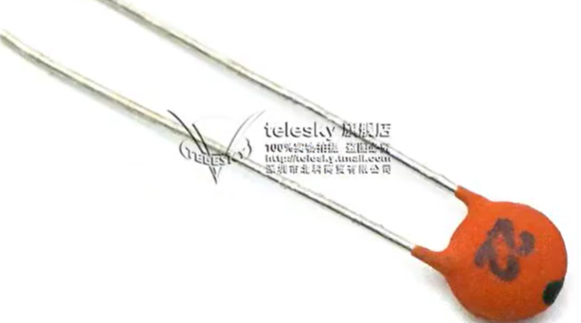 | https://detail.tmall.com/item.htm?id=41227806263&ali_refid=a3_430673_1006:1109983619:N:3R7OOacWi0DAAte02rzvVw==:464f654705cb190fe6663ca62e03bc01&ali_trackid=1_464f654705cb190fe6663ca62e03bc01&spm=a2e15.8261149.07626516002.2
7 | C2 | 电容 | 10uf | 直插 | 1 | 2.19 | 2.19 |  | https://detail.tmall.com/item.htm?id=14588696248&ali_refid=a3_430673_1006:1104520036:N:iUSZnfqzopG36Q+3gA1Spg==:3046683f89a9a0e19099e9a69cd2c9a0&ali_trackid=1_3046683f89a9a0e19099e9a69cd2c9a0&spm=a2e15.8261149.07626516002.4&skuId=3932387671466
8 | R1 | 电阻 | 1k | 直插 | 1 | 1.68（100个） | 1.68（100个） |  | https://detail.tmall.com/item.htm?id=13302997879&ali_refid=a3_430673_1006:1104520036:N:cP91tGblN1tI9W0gHplqZw==:7a53b3625cb3e07f56d6af74451635f3&ali_trackid=1_7a53b3625cb3e07f56d6af74451635f3&spm=a2e15.8261149.07626516002.1&skuId=3756188445748
9 | RP1 | 排阻 | 4.7k | 直插 | 1 | 3.06（10个） | 3.06（10个） | 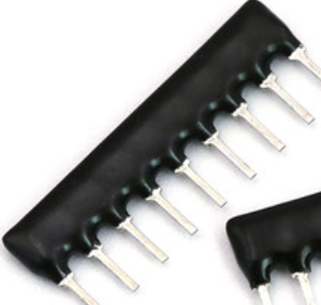 | https://detail.tmall.com/item.htm?id=41254849474&ali_refid=a3_430673_1006:1109983619:N:Xgk/pNtm/xjv/7S2G9UmFg==:5c64ce9b565d4bb7365951bcbbff9a58&ali_trackid=1_5c64ce9b565d4bb7365951bcbbff9a58&spm=a2e15.8261149.07626516002.2
10 | LCD1 | LCD屏幕 | LCD1602 带背光 | CONN-DIL14 | 1 | 9.82 | 9.82 | 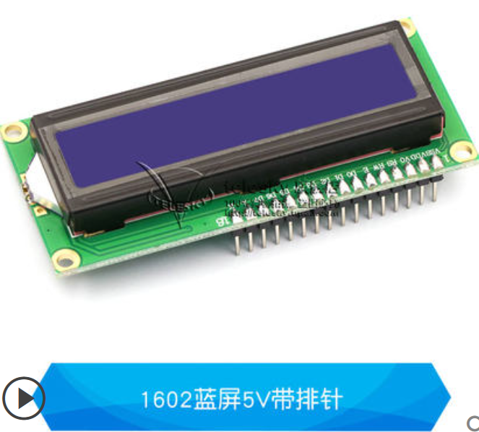 | https://detail.tmall.com/item.htm?id=41299426043&ali_refid=a3_430673_1006:1109983619:N:8W4oOD/cVOIVmtaRfTYgvA==:1d773747a1b02098637d17769efb9907&ali_trackid=1_1d773747a1b02098637d17769efb9907&spm=a2e15.8261149.07626516002.1&skuId=4288760363410
11 | X3 | 下载口 | SIP4-2.54 | DSIC04LHGET | 1 | 1.2 | 1.2 | 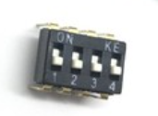 | https://item.taobao.com/item.htm?spm=a230r.1.14.45.2c015c72TwOPor&id=601495382606&ns=1&abbucket=19#detail
12 | LS1 | 蜂鸣器 | 5V有源蜂鸣器 | CONN-SIL2 | 1 | 1.39 | 1.39 |  | https://detail.tmall.com/item.htm?id=41310688827&ali_refid=a3_430583_1006:1109983619:N:BWgFXOyRy01gWgD8xglixg==:dd04f26bf1e0809e8a385ddfeb802b88&ali_trackid=1_dd04f26bf1e0809e8a385ddfeb802b88&spm=a230r.1.14.1&skuId=3884190131467
13 | R2 | 电阻 | 10k | 直插 | 1 | 1.68（100个） | 1.68（100个） |  | https://detail.tmall.com/item.htm?id=13302997879&ali_refid=a3_430673_1006:1104520036:N:cP91tGblN1tI9W0gHplqZw==:7a53b3625cb3e07f56d6af74451635f3&ali_trackid=1_7a53b3625cb3e07f56d6af74451635f3&spm=a2e15.8261149.07626516002.1&skuId=3756188445748
14 | R3 | 电阻 | 4.7k | 直插 | 1 | 1.68（100个） | 1.68（100个） |  | https://detail.tmall.com/item.htm?id=13302997879&ali_refid=a3_430673_1006:1104520036:N:cP91tGblN1tI9W0gHplqZw==:7a53b3625cb3e07f56d6af74451635f3&ali_trackid=1_7a53b3625cb3e07f56d6af74451635f3&spm=a2e15.8261149.07626516002.1&skuId=3756188445748
15 | C3 | 电容 | 50v | 直插 | 1 | 2.19 | 2.19 |  | https://detail.tmall.com/item.htm?id=14588696248&ali_refid=a3_430673_1006:1104520036:N:iUSZnfqzopG36Q+3gA1Spg==:3046683f89a9a0e19099e9a69cd2c9a0&ali_trackid=1_3046683f89a9a0e19099e9a69cd2c9a0&spm=a2e15.8261149.07626516002.4&skuId=3932387671466
16 | 洞洞板 | 洞洞板 | 双面洞洞板（15*20） |  | 1 | 10 | 10 | 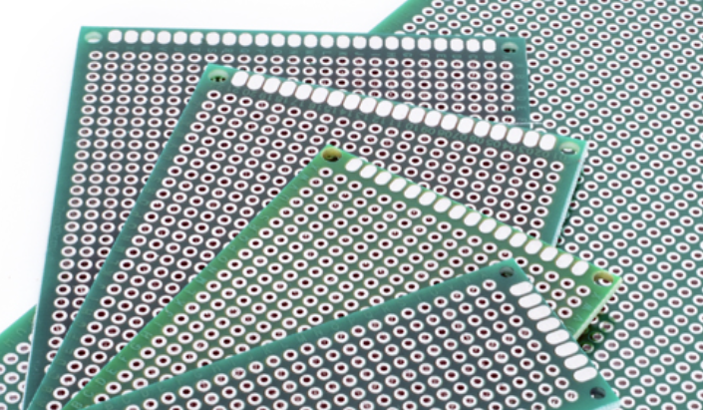 | https://item.taobao.com/item.htm?id=587225728650&ali_refid=a3_430673_1006:1201270148:N:iw0%2BreunADTviws4pYz9%2BA%3D%3D:eb835e76d7bcb6380defabf0580fde3e&ali_trackid=1_eb835e76d7bcb6380defabf0580fde3e&spm=a2e15.8261149.07626516002.22

