Swimtype
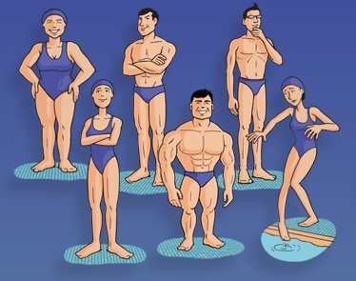
 | http://www.swimtypes.com/yourtype.html
 | Can you swim 400m (or yards) without stopping for even a short rest? |  |  |  |  |  |  |  | Yes | No
 | Do you feel out of breath when you swim? |  |  |  |  |  |  |  | Yes | No
 | Are you male or female? |  |  |  |  |  |  |  | Male | Female
 | How would you describe your build? |  |  |  |  |  |  |  | Strong | Medium | Light
 | How tall are you? |  |  |  |  |  |  |  |  | cm
 | What's your arm span minus your height in inches? ** |  |  |  |  |  |  |  |  | cm
 | Did you swim competitively when you were a child? |  |  |  |  |  |  |  | Yes | No
 | Are you a very driven person who doesn't like to lose? |  |  |  |  |  |  |  | Yes | No
 | Do you ever feel anxious in the water? |  |  |  |  |  |  |  | Yes | No
 | Do you get a buzz from the social side of squad swimming? |  |  |  |  |  |  |  | Yes | No
 | Are you good at kick sets? |  |  |  |  |  |  |  | Yes | No | Don't Know
 | Do you go well in the open water relative to your pool speed? |  |  |  |  |  |  |  | Yes | No | Don't Know
 | Are you slower with a pull buoy than normal swimming? |  |  |  |  |  |  |  | Yes | No | Don't Know
 | What length pool do you swim in? |  |  |  |  |  |  |  | 25 | 50
 | In that pool, what time do you swim for a fast effort 400m at your current fitness? |  |  |  |  |  |  |  | min sec
 | How many strokes per length do you take, counting both arms, in the latter half of that 400m?
 | (do not enter your strokes per length during the first few laps as it's normally much lower, we are interested in the number you can sustain in the second half)
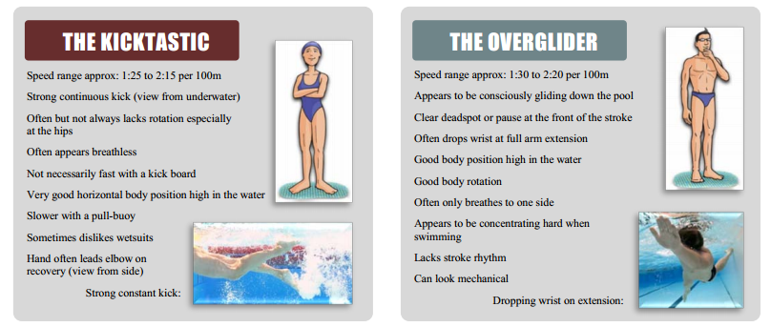
 | Likelihood Of Type: | Arnie: | Bambino: | Kicktastic: | Overglider: | Swinger: | Smooth: | Random
 | Please note: The Swim Type Questionnaire has been carefully developed to help you determine your Swim Type.
 | Most of the time it produces accurate results, however it is not foolproof and can occasionally produce misleading results.
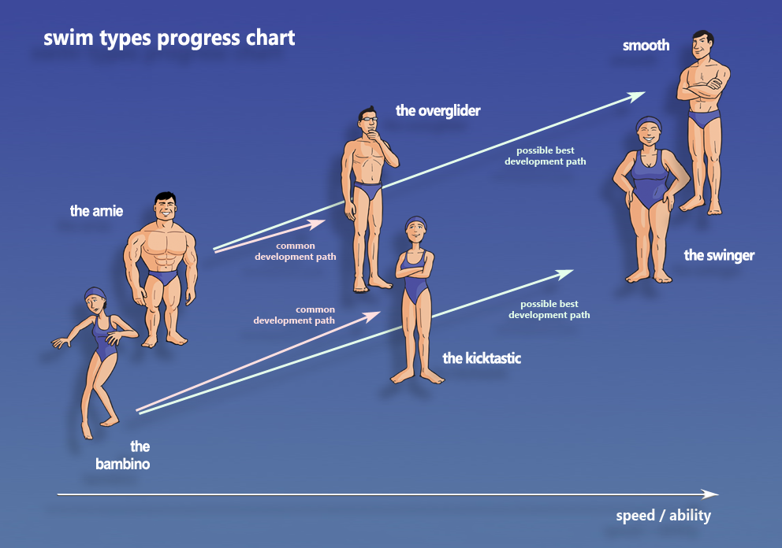
kies je swimtype/ aandachtspunt:
 | Arnie: | set 1
 | Bambino: | set 2
 | Kicktastic: | set 3
 | Overglider: | set 4
 | Swinger: | set 5
 | Smooth: | set 6
 | Random | 1t/m6

Kies je training:
 | Techniek | 1
 | Treshold/CSS | 2
 | Sprint | 3
 | Openwater Skills | 4
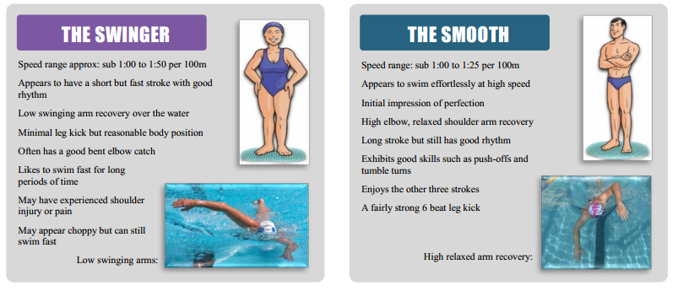
 | Endurance | 0
 | Random | 0t/m4

