1_KitchenQual
homes <- readr::read_csv('./data/train.csv')

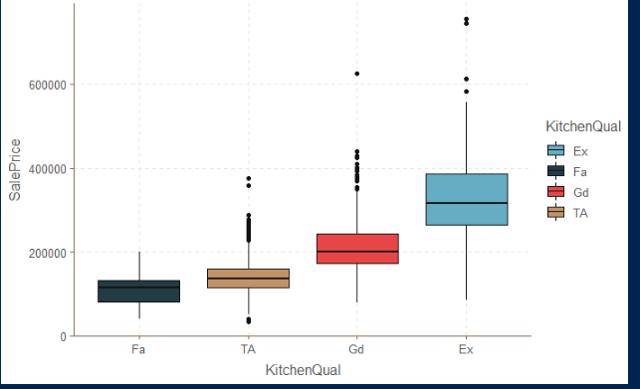
summary(aov(homes$SalePrice ~ homes$KitchenQual))
homes %>% count(KitchenQual)

homes %>% ggplot(., mapping = aes(x=KitchenQual, y=SalePrice)) +
geom_boxplot(aes(x = reorder(KitchenQual, SalePrice, median), fill=KitchenQual))

2_Sqft_per_Rm
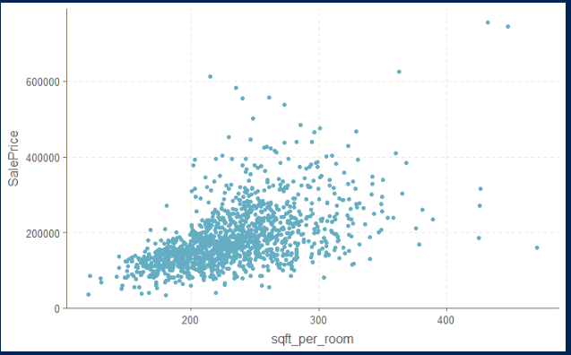
homes <- readr::read_csv('./data/train.csv')
homes %>% mutate(., sqft_per_room = (GrLivArea/TotRmsAbvGrd)) %>%
ggplot(., mapping = aes(x = sqft_per_room, y = SalePrice)) +
geom_point()

# appears to be roughly linear -> curious about log transfomation

homes_2 <- mutate(homes, sqft_per_room = (GrLivArea/TotRmsAbvGrd))
stats::cor(homes_2$sqft_per_room, homes_2$SalePrice)

3_MiscFeature
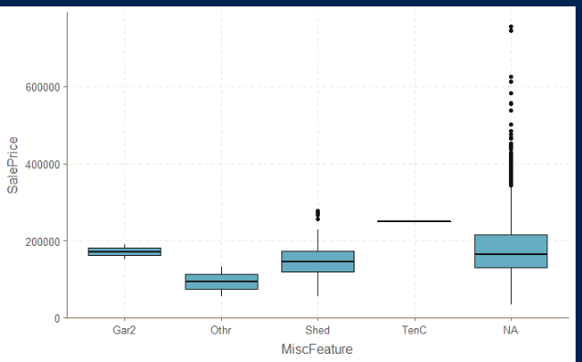
summary(homes[, c("MiscFeature", "MiscVal", "SalePrice")])

unique(homes$MiscFeature)

homes %>% ggplot() +
geom_boxplot(mapping = aes(x = MiscFeature, y = SalePrice))

summary(aov(homes$SalePrice ~ homes$MiscFeature))

homes %>% filter(., !is.na(MiscFeature)) %>% count(MiscFeature)

5_SaleCondition
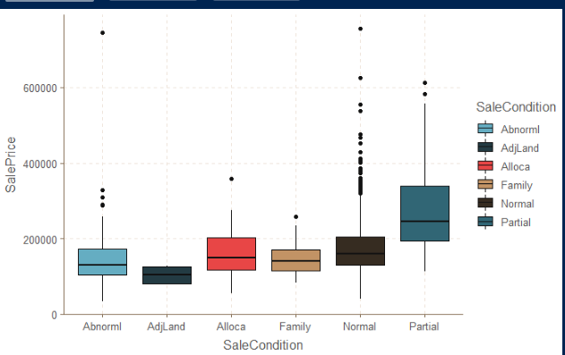
homes %>% ggplot() +
geom_boxplot(mapping = aes(x=SaleCondition, y=SalePrice, fill=SaleCondition))

summary(aov(homes$SalePrice ~ homes$SaleCondition))

homes %>% count(SaleCondition)

7_Pool Area
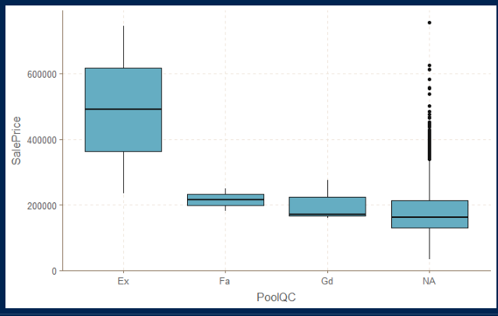
homes %>% ggplot() +
geom_boxplot(mapping = aes(x=PoolQC, y=SalePrice))

summary(aov(homes$SalePrice ~ homes$PoolQC))

homes %>% count(PoolQC)

PoolQC | n
<chr> | <int>
Ex | 2
Fa | 2
Gd | 3
NA | 1453

