Project duration
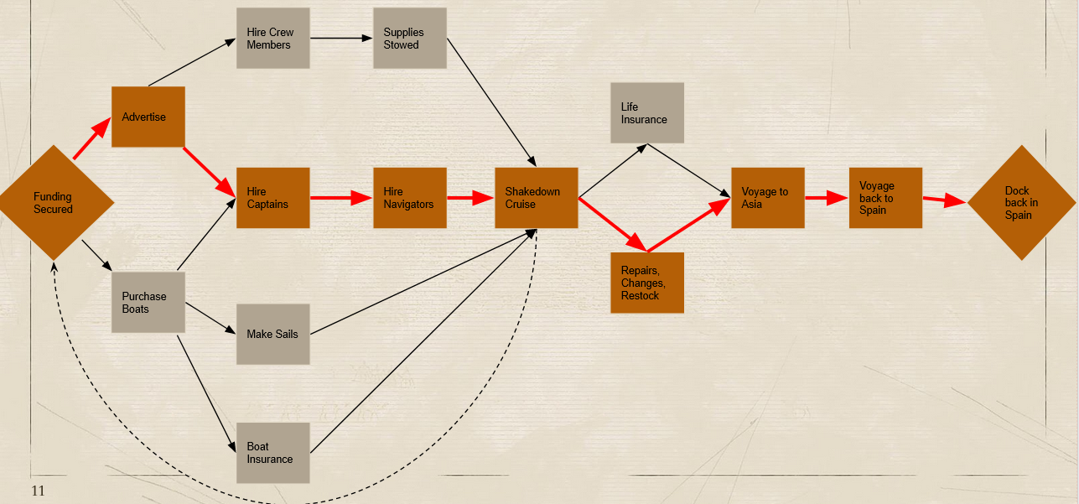
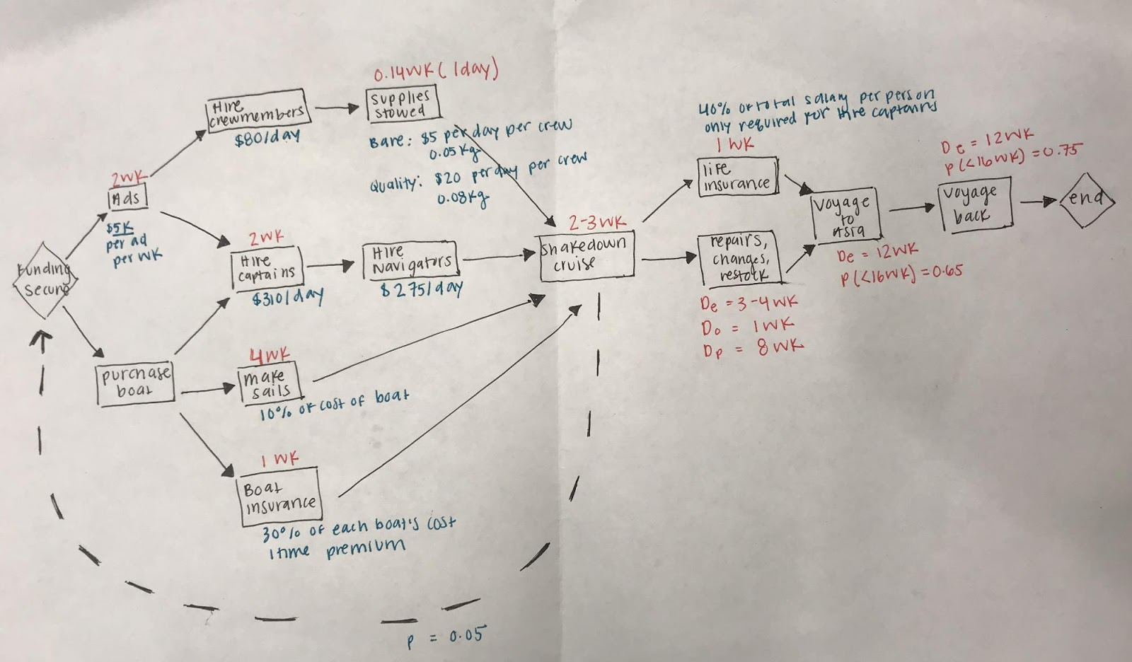
 |  |  |  |  |  |  |  |  |  |  | Possible Scenarios Shakedown cruise --> Following assumption that can only two shakedown cruises can be failed

 |  |  |  |  |  |  |  |  |  |  |  | Scenarios | Probability | Expected Duration
 |  |  |  |  |  |  |  |  |  |  | 1 | Success on first try | 0.95 | 59.50
 |  | Task Duration | Predecessors | Early | Early | Latest | Total |  |  |  | 2 | Fail ---> success | 0.0475 | 5.65
No. | Task | (days) |  | Start | Finish | Finish | Slack |  |  |  | 3 | Fail ---> Fail | 0.0025 | 0.45
1 | Secure funding (start) | 0.00 | - | 0 | 0.00 | 0.00 | 0.00
2 | Advertise | 14.00 | 1 | 0.00 | 14.00 | 14.00 | 0.00 |  |  | Weighted average Expected duration of project = |  |  |  | 65.60 |  | 6.10
3 | Purchase boats | 0.00 | 1 | 0.00 | 0.00 | 14.00 | 14.00 |  |  | up until end of shakedown cruise |  |  |  |  |  |  |  | 112
4 | Make sails | 28.00 | 3 | 0.00 | 28.00 | 42.00 | 14.00
5 | Boat insurance | 7.00 | 3 | 0.00 | 7.00 | 42.00 | 35.00 |  |  |  |  | 3 months = |  | 91.26 | days
6 | Hire captains | 14.00 | 2,3 | 14.00 | 28.00 | 28.00 | 0.00 |  |  |  |  | 4 months = |  | 121.68 | days
7 | Hire Crewmembers | 14.00 | 2 | 14.00 | 28.00 | 41.00 | 13.00
8 | Hire Navigators | 14.00 | 6 | 28.00 | 42.00 | 42.00 | 0.00
9 | Stow supplies | 1.00 | 7 | 28.00 | 29.00 | 42.00 | 13.00 |  |  | Voyage to Asia |  |  |  |  |  | Voyage back from Asia
10 | Shakedown Cruise | 17.50 | 4,5,8,9 | 42.00 | 59.50 | 59.50 | 0.00 |  |  | N~(91.26,78.95) |  |  |  |  |  | N~(91.26, 45.10)
11 | Expected duration from failures | 6.10 | 10 | 59.50 | 65.60 | 65.60 | 0.00
12 | Shakedown end (milestone) | 0.00 | 11 | 65.60 | 65.60 | 65.60 | 0.00 |  | sigma = | 78.95 |  |  |  |  | sigma = | 45.100759487
13 | Buy Life insurance | 7.00 | 12 | 65.60 | 72.60 | 92.67 | 20.07
14 | Repairs, changes, restocks | 27.07 | 12 | 65.60 | 92.67 | 92.67 | 0.00 |  |  | 95% Confidence interval |  |  |  |  |  | 95% confidence interval
15 | Voyage to Asia | 91.26 | 13,14 | 92.67 | 183.93 | 183.93 | 0.00 |  |  | LB | UB |  |  |  |  | LB | UB
16 | Voyage back to Spain | 91.26 | 15 | 183.93 | 275.19 | 275.19 | 0.00 |  |  | -63.48 | 246.00 |  |  |  |  | 2.86 | 179.66
17 | End | 0.00 | 16 | 275.19 | 275.19 | 275.19 | 0.00
 |  |  |  |  |  |  |  |  |  | Duration = | [0, 246] |  |  |  |  | Duration = | [3, 180]
 |  | Expected Project Duration = |  | 275.19 | Days
 |  |  |  |  |  |  |  |  |  |  | Project Duration Upper bound |  |  | 518.33
 |  |  |  |  |  |  |  |  |  |  | Project Duration Lower bound |  |  | 95.67
 |  |  | 182.52

 | Costs |  |  |  |  |  |  |  |  |  | 249.16
 | Your salary is for a salary of $270/day; Arturo Bayliner is paid $280/day while Juan de Puca is paid at $200/day;
 | Classified ads currently cost $5000 per ad per week |  |  | 714.28571429 | per ad per day
 | Captains are paid $310/day; navigators are paid $275/day and crewmembers are paid $80/day.
 | Boat insurance premium (30% of each boat's cost) |  |  |  |  |  |  | One time fee

Expected Cost of project up to Shakedown result (milestone) -- Based on ES - EF schedule
 |  |  |  |  |  | three
 |  |  |  |  | three | Captain's | three | 125 | Boat |  | Boat
 |  | My salary | Arturo Bayliner | Juan de Puca | Ads | Fees | Navigators | Crewmembers | Purchase | Sails | Insurance | Barebones | Hole foods
 | daily Rate:: | 270 | 280 | 200 | 2142.8571429 | 930 | 825 | 10000 | 137000 | 13700 | 41100 | 312.5 | 1250
 |  |  |  |  | /3ads/day |  |  |  |  |  |  | per SHAKEDOWN CRUISE day (for combined crew)

 | Total Number of Days | 59.5 | 59.5 | 59.5 | 14 | 31.50 | 17.50 | 31.50 | - | - | - | 17.50 | 17.50

Total Cost |  | $16,065 | $16,660 | $11,900 | $30,000 | $29,295 | $14,438 | $315,000 | $137,000 | $13,700 | $41,100 | $5,469 | $21,875

 |  |  |  |  |  |  |  |  |  |  |  | Scenarios |  |  |  |  | Probabilities
 |  |  |  |  |  |  |  |  |  |  | 1 | Success on first try |  | $652,501 | Subtotal scenario 1 |  | 0.95
 |  |  |  |  |  |  |  |  |  |  | 2 | Fail ---> success |  | $1,158,906.67 | Subtotal scenario 2 |  | 0.0475
 |  |  |  |  |  |  |  |  |  |  | 3 | Fail ---> Fail |  | $1,665,312.08 | Subtotal scenario 3 |  | 0.0025 | $59,211.35

 |  |  |  |  |  |  |  |  |  |  |  |  |  | $679,087.53 | Weighted avg E[Cost] of project up to Shakedown result
E[Cost] of final preparations for final voyage (restock of food, life insurance)

 |  |  |  |  |  |  |  | Captain |  |  |  |  |  |  |  |  |  | Total food cost
 |  |  |  |  |  |  |  | Life insurance | Barebones | Hole foods |  |  |  |  |  |  |  | $312,531.25
 | daily Rate:: |  |  |  |  |  |  | 102371.83802 | 312.5 | 1250
 |  |  |  |  |  |  |  |  | Per VOYAGE DAY (for combined crew)

 | Total Number of Days |  |  |  |  |  |  | - | 182.52 | 182.52

 |  |  |  |  |  |  |  | $102,344.64 | $57,037.50 | $228,150.00 |  |  |  | $387,532.14 | E[Cost] of final preparations for final voyage (restock of food, life insurance, salaries before voyage begins)

E[Cost] of salaries payable after the shakedown cruise and during final voyage
 |  |  |  |  | three
 |  |  |  |  | Captain's | three | 125
 |  | My salary | Arturo Bayliner | Juan de Puca | Fees | Navigators | Crewmembers
 | daily Rate:: | 270 | 280 | 200 | 930 | 825 | 10000

 | Total Number of days | 209.59 | 209.52 | 209.52 | 209.52 | 209.52 | 209.52

 |  | $56,590.14 | $58,665.60 | $41,904.00 | $194,853.60 | $172,854.00 | $2,095,200.00 |  |  |  |  |  |  | $2,620,067.34 | E[Cost] of project of final voyage

 |  |  |  |  |  |  |  |  |  |  |  |  |  | $3,686,687.01 | E[Cost] of Entire project
 |  | Key costs
 |  | Administrative |  |  | Captains | Navigators | Crew | Boat (inclusive of purchase cost, sails, insurance) | Captain's life | Barebones | Hole foods
 |  | $201,784.74 |  |  | $224,148.60 | $187,292 | $2,410,200.00 |  | insurance | food expenditure | expenditure

 |  |  |  |  |  |  |  | $191,800 | $102,344.64 | $62,506.25 | $250,025.00

