Sheet1
koefisien 1 |  |  |  |  | x1 | x2 | x3
x0 | x3 | x2 | divider | init | 0 | 0 | 0
2+i | -2+i | -3 | 2+3i |  | 1.4+0.8i | -0.793103448275862+0.482758620689655i | -0.25+0.25i
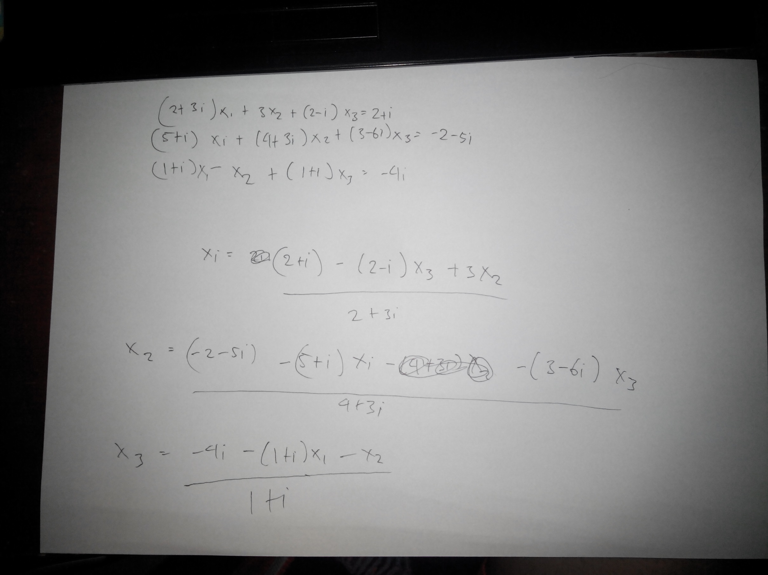
koefisien 2 |  |  |  |  | 0.247690857681432+0.712158341187558i | -0.307131702238418+0.0989068193649141i | -0.310149615851192+0.145167812373635i
x0 | x1 | x3 | divider |  | 0.615004858686111+0.864642446550124i | -0.333700119345198+0.286073282846515i | -0.245458232510346+0.184027226611705i
-2-5i | -5-i | -3+6i | 4+3i |  | 0.465797526988628+0.973319822808736i | -0.33034954645914+0.207940602942092i | -0.259603961889239+0.15488367544839i
koefisien 3 |  |  |  |  | 0.54278039966425+0.92534020619164i | -0.309757599866484+0.235857419121068i | -0.248209739024033+0.153705595496346i
x0 | x1 | x2 | divider |  | 0.534042166960614+0.959831614611856i | -0.321139990280534+0.224945353746111i | -0.254802690794553+0.15261635203564i
-4i | -1+i | -1 | 1+i |  | 0.535744886239862+0.94139944240592i | -0.314390656463227+0.226132929751855i | -0.253143231631268+0.151186943193989i
 |  |  |  |  | 0.539159180944227+0.947804909016027i | -0.317616726257199+0.226444279820989i | -0.254085790812786+0.152114235772931i
 |  |  |  |  | 0.536545984018371+0.945178604969068i | -0.316474753341573+0.225649686328798i | -0.254007591711155+0.151664129731019i
 |  |  |  |  | 0.537983653062455+0.945630345430552i | -0.316860722940966+0.226184589705245i | -0.253982469566879+0.151921467532168i
 |  |  |  |  | 0.537243197492238+0.945674969943968i | -0.316813961531345+0.225903498017683i | -0.254036058370517+0.151840357138133i
 |  |  |  |  | 0.53751822852799+0.945526164286163i | -0.316785783250365+0.226034240280803i | -0.253994588668421+0.151869858523505i
 |  |  |  |  | 0.537424780832623+0.945642439287981i | -0.316820897973135+0.225987473215328i | -0.254014725654458+0.151865933134655i
 |  |  |  |  | 0.537441532451391+0.94558006010934i | -0.316797484407319+0.226001164625738i | -0.254004842422102+0.151863753701351i
 |  |  |  |  | 0.53744601029253+0.945609856962612i | -0.316809402797146+0.225999830533481i | -0.254008326724464+0.151866238921125i
 |  |  |  |  | 0.537439001114035+0.945598573589632i | -0.316804134080166+0.225998225140554i | -0.254007303319312+0.151864485067568i
-3X₂
 |  |  |  |  | 0.537444045369525+0.945602017886105i | -0.316806000864022+0.225999820637325i | -0.254007419568894+0.151865362352205i
 |  |  |  |  | 0.537441373534725+0.945601492291486i | -0.316805511212824+0.225998813252446i | -0.254007538008921+0.151864969739317i
 |  |  |  |  | 0.537442584407237+0.94560121909263i | -0.31680553293466+0.225999314958027i | -0.254007422146856+0.151865109994869i
 |  |  |  |  | 0.53744213344965+0.945601546084512i | -0.316805615199254+0.225999102274662i | -0.254007496750859+0.151865073207708i
 |  |  |  |  | 0.537442260836133+0.945601327858746i | -0.316805543211338+0.225999175368291i | -0.254007459548252+0.151865075349836i
 |  |  |  |  | 0.537442247031766+0.945601440816948i | -0.316805586349035+0.22599915810515i | -0.254007475373064+0.151865081331279i
 |  |  |  |  | 0.537442232204437+0.945601391509025i | -0.316805565412371+0.225999157512779i | -0.254007469879081+0.151865076055161i
 |  |  |  |  | 0.537442247172312+0.945601409274821i | -0.31680557398114+0.225999161549488i | -0.25400747118808+0.151865079242906i
 |  |  |  |  | 0.537442237756836+0.945601404632464i | -0.316805571158935+0.225999158339204i | -0.254007471214022+0.151865077687875i
 |  |  |  |  | 0.537442242491402+0.945601404865057i | -0.316805571747455+0.225999160178899i | -0.254007470920825+0.151865078326293i
 |  |  |  |  | 0.537442240489728+0.945601405624648i | -0.316805571834668+0.225999159311154i | -0.25400747115685+0.151865078114138i
 |  |  |  |  | 0.537442241182413+0.945601404949813i | -0.316805571641884+0.225999159654707i | -0.254007471020835+0.151865078159177i
 |  |  |  |  | 0.537442241017516+0.945601405354181i | -0.316805571783592+0.225999159547127i | -0.254007471085318+0.151865078164959i
 |  |  |  |  | 0.537442241013005+0.945601405156961i | -0.316805571705509+0.225999159566104i | -0.254007471059684+0.151865078150922i
 |  |  |  |  | 0.537442241050447+0.945601405237792i | -0.316805571741267+0.225999159572311i | -0.25400747106778+0.151865078161356i
 |  |  |  |  | 0.537442241020371+0.945601405211055i | -0.31680557172758+0.225999159563291i | -0.254007471066311+0.151865078155577i
 |  |  |  |  | 0.537442241037646+0.945601405216704i | -0.316805571731626+0.225999159569494i | -0.254007471065879+0.151865078158236i
 |  |  |  |  | 0.537442241029471+0.945601405217475i | -0.316805571731069+0.225999159566197i | -0.254007471066537+0.151865078157214i
 |  |  |  |  | 0.537442241032715+0.945601405215681i | -0.316805571730705+0.225999159567663i | -0.25400747106608+0.151865078157519i
 |  |  |  |  | 0.537442241031695+0.945601405217009i | -0.316805571731118+0.225999159567121i | -0.254007471066324+0.151865078157474i
 |  |  |  |  | 0.53744224103188+0.945601405216277i | -0.31680557173085+0.225999159567271i | -0.254007471066215+0.151865078157449i
 |  |  |  |  | 0.537442241031935+0.945601405216614i | -0.316805571730988+0.225999159567257i | -0.254007471066255+0.151865078157479i
 |  |  |  |  | 0.537442241031852+0.945601405216483i | -0.316805571730928+0.225999159567238i | -0.254007471066244+0.151865078157459i
 |  |  |  |  | 0.537442241031911+0.945601405216524i | -0.31680557173095+0.225999159567257i | -0.254007471066245+0.15186507815747i
 |  |  |  |  | 0.537442241031878+0.945601405216518i | -0.316805571730945+0.225999159567245i | -0.254007471066247+0.151865078157465i
 |  |  |  |  | 0.537442241031893+0.945601405216514i | -0.316805571730946+0.225999159567251i | -0.254007471066245+0.151865078157467i
 |  |  |  |  | 0.537442241031887+0.945601405216517i | -0.316805571730947+0.225999159567248i | -0.254007471066246+0.151865078157466i
 |  |  |  |  | 0.537442241031889+0.945601405216513i | -0.316805571730946+0.22599915956725i | -0.254007471066245+0.151865078157467i
 |  |  |  |  | 0.537442241031888+0.945601405216517i | -0.316805571730946+0.225999159567249i | -0.254007471066246+0.151865078157467i
 |  |  |  |  | 0.537442241031888+0.945601405216516i | -0.316805571730946+0.22599915956725i | -0.254007471066245+0.151865078157467i
 |  |  |  |  | 0.537442241031888+0.945601405216517i | -0.316805571730946+0.225999159567249i | -0.254007471066245+0.151865078157467i
 |  |  |  |  | 0.537442241031889+0.945601405216516i | -0.316805571730946+0.225999159567249i | -0.254007471066245+0.151865078157467i | KONVERGEN
 |  |  |  |  | 0.537442241031889+0.945601405216516i | -0.316805571730946+0.225999159567249i | -0.254007471066245+0.151865078157467i
 |  |  |  |  | 0.537442241031889+0.945601405216516i | -0.316805571730946+0.225999159567249i | -0.254007471066245+0.151865078157467i
 |  |  |  |  | 0.537442241031889+0.945601405216516i | -0.316805571730946+0.225999159567249i | -0.254007471066245+0.151865078157467i
 |  |  |  |  | 0.537442241031889+0.945601405216516i | -0.316805571730946+0.225999159567249i | -0.254007471066245+0.151865078157467i
 |  |  |  |  | 0.537442241031889+0.945601405216516i | -0.316805571730946+0.225999159567249i | -0.254007471066245+0.151865078157467i
 |  |  |  |  | 0.537442241031889+0.945601405216516i | -0.316805571730946+0.225999159567249i | -0.254007471066245+0.151865078157467i
 |  |  |  |  | 0.537442241031889+0.945601405216516i | -0.316805571730946+0.225999159567249i | -0.254007471066245+0.151865078157467i
 |  |  |  |  | 0.537442241031889+0.945601405216516i | -0.316805571730946+0.225999159567249i | -0.254007471066245+0.151865078157467i
 |  |  |  |  | 0.537442241031889+0.945601405216516i | -0.316805571730946+0.225999159567249i | -0.254007471066245+0.151865078157467i
 |  |  |  |  | 0.537442241031889+0.945601405216516i | -0.316805571730946+0.225999159567249i | -0.254007471066245+0.151865078157467i
 |  |  |  |  | 0.537442241031889+0.945601405216516i | -0.316805571730946+0.225999159567249i | -0.254007471066245+0.151865078157467i
 |  |  |  |  | 0.537442241031889+0.945601405216516i | -0.316805571730946+0.225999159567249i | -0.254007471066245+0.151865078157467i
 |  |  |  |  | 0.537442241031889+0.945601405216516i | -0.316805571730946+0.225999159567249i | -0.254007471066245+0.151865078157467i
 |  |  |  |  | 0.537442241031889+0.945601405216516i | -0.316805571730946+0.225999159567249i | -0.254007471066245+0.151865078157467i
 |  |  |  |  | 0.537442241031889+0.945601405216516i | -0.316805571730946+0.225999159567249i | -0.254007471066245+0.151865078157467i
 |  |  |  |  | 0.537442241031889+0.945601405216516i | -0.316805571730946+0.225999159567249i | -0.254007471066245+0.151865078157467i
 |  |  |  |  | 0.537442241031889+0.945601405216516i | -0.316805571730946+0.225999159567249i | -0.254007471066245+0.151865078157467i
 |  |  |  |  | 0.537442241031889+0.945601405216516i | -0.316805571730946+0.225999159567249i | -0.254007471066245+0.151865078157467i
 |  |  |  |  | 0.537442241031889+0.945601405216516i | -0.316805571730946+0.225999159567249i | -0.254007471066245+0.151865078157467i
 |  |  |  |  | 0.537442241031889+0.945601405216516i | -0.316805571730946+0.225999159567249i | -0.254007471066245+0.151865078157467i
 |  |  |  |  | 0.537442241031889+0.945601405216516i | -0.316805571730946+0.225999159567249i | -0.254007471066245+0.151865078157467i
 |  |  |  |  | 0.537442241031889+0.945601405216516i | -0.316805571730946+0.225999159567249i | -0.254007471066245+0.151865078157467i
 |  |  |  |  | 0.537442241031889+0.945601405216516i | -0.316805571730946+0.225999159567249i | -0.254007471066245+0.151865078157467i
 |  |  |  |  | 0.537442241031889+0.945601405216516i | -0.316805571730946+0.225999159567249i | -0.254007471066245+0.151865078157467i
 |  |  |  |  | 0.537442241031889+0.945601405216516i | -0.316805571730946+0.225999159567249i | -0.254007471066245+0.151865078157467i
 |  |  |  |  | 0.537442241031889+0.945601405216516i | -0.316805571730946+0.225999159567249i | -0.254007471066245+0.151865078157467i
 |  |  |  |  | 0.537442241031889+0.945601405216516i | -0.316805571730946+0.225999159567249i | -0.254007471066245+0.151865078157467i
 |  |  |  |  | 0.537442241031889+0.945601405216516i | -0.316805571730946+0.225999159567249i | -0.254007471066245+0.151865078157467i
 |  |  |  |  | 0.537442241031889+0.945601405216516i | -0.316805571730946+0.225999159567249i | -0.254007471066245+0.151865078157467i
 |  |  |  |  | 0.537442241031889+0.945601405216516i | -0.316805571730946+0.225999159567249i | -0.254007471066245+0.151865078157467i
 |  |  |  |  | 0.537442241031889+0.945601405216516i | -0.316805571730946+0.225999159567249i | -0.254007471066245+0.151865078157467i
 |  |  |  |  | 0.537442241031889+0.945601405216516i | -0.316805571730946+0.225999159567249i | -0.254007471066245+0.151865078157467i
 |  |  |  |  | 0.537442241031889+0.945601405216516i | -0.316805571730946+0.225999159567249i | -0.254007471066245+0.151865078157467i
 |  |  |  |  | 0.537442241031889+0.945601405216516i | -0.316805571730946+0.225999159567249i | -0.254007471066245+0.151865078157467i
 |  |  |  |  | 0.537442241031889+0.945601405216516i | -0.316805571730946+0.225999159567249i | -0.254007471066245+0.151865078157467i
 |  |  |  |  | 0.537442241031889+0.945601405216516i | -0.316805571730946+0.225999159567249i | -0.254007471066245+0.151865078157467i
 |  |  |  |  | 0.537442241031889+0.945601405216516i | -0.316805571730946+0.225999159567249i | -0.254007471066245+0.151865078157467i
 |  |  |  |  | 0.537442241031889+0.945601405216516i | -0.316805571730946+0.225999159567249i | -0.254007471066245+0.151865078157467i
 |  |  |  |  | 0.537442241031889+0.945601405216516i | -0.316805571730946+0.225999159567249i | -0.254007471066245+0.151865078157467i
 |  |  |  |  | 0.537442241031889+0.945601405216516i | -0.316805571730946+0.225999159567249i | -0.254007471066245+0.151865078157467i
 |  |  |  |  | 0.537442241031889+0.945601405216516i | -0.316805571730946+0.225999159567249i | -0.254007471066245+0.151865078157467i
 |  |  |  |  | 0.537442241031889+0.945601405216516i | -0.316805571730946+0.225999159567249i | -0.254007471066245+0.151865078157467i
 |  |  |  |  | 0.537442241031889+0.945601405216516i | -0.316805571730946+0.225999159567249i | -0.254007471066245+0.151865078157467i
 |  |  |  |  | 0.537442241031889+0.945601405216516i | -0.316805571730946+0.225999159567249i | -0.254007471066245+0.151865078157467i
 |  |  |  |  | 0.537442241031889+0.945601405216516i | -0.316805571730946+0.225999159567249i | -0.254007471066245+0.151865078157467i
 |  |  |  |  | 0.537442241031889+0.945601405216516i | -0.316805571730946+0.225999159567249i | -0.254007471066245+0.151865078157467i
 |  |  |  |  | 0.537442241031889+0.945601405216516i | -0.316805571730946+0.225999159567249i | -0.254007471066245+0.151865078157467i
 |  |  |  |  | 0.537442241031889+0.945601405216516i | -0.316805571730946+0.225999159567249i | -0.254007471066245+0.151865078157467i
 |  |  |  |  | 0.537442241031889+0.945601405216516i | -0.316805571730946+0.225999159567249i | -0.254007471066245+0.151865078157467i
 |  |  |  |  | 0.537442241031889+0.945601405216516i | -0.316805571730946+0.225999159567249i | -0.254007471066245+0.151865078157467i
 |  |  |  |  | 0.537442241031889+0.945601405216516i | -0.316805571730946+0.225999159567249i | -0.254007471066245+0.151865078157467i
 |  |  |  |  | 0.537442241031889+0.945601405216516i | -0.316805571730946+0.225999159567249i | -0.254007471066245+0.151865078157467i
 |  |  |  |  | 0.537442241031889+0.945601405216516i | -0.316805571730946+0.225999159567249i | -0.254007471066245+0.151865078157467i
 |  |  |  |  | 0.537442241031889+0.945601405216516i | -0.316805571730946+0.225999159567249i | -0.254007471066245+0.151865078157467i
 |  |  |  |  | 0.537442241031889+0.945601405216516i | -0.316805571730946+0.225999159567249i | -0.254007471066245+0.151865078157467i
 |  |  |  |  | 0.537442241031889+0.945601405216516i | -0.316805571730946+0.225999159567249i | -0.254007471066245+0.151865078157467i
 |  |  |  |  | 0.537442241031889+0.945601405216516i | -0.316805571730946+0.225999159567249i | -0.254007471066245+0.151865078157467i
 |  |  |  |  | 0.537442241031889+0.945601405216516i | -0.316805571730946+0.225999159567249i | -0.254007471066245+0.151865078157467i
 |  |  |  |  | 0.537442241031889+0.945601405216516i | -0.316805571730946+0.225999159567249i | -0.254007471066245+0.151865078157467i
 |  |  |  |  | 0.537442241031889+0.945601405216516i | -0.316805571730946+0.225999159567249i | -0.254007471066245+0.151865078157467i
 |  |  |  |  | 0.537442241031889+0.945601405216516i | -0.316805571730946+0.225999159567249i | -0.254007471066245+0.151865078157467i
 |  |  |  |  | 0.537442241031889+0.945601405216516i | -0.316805571730946+0.225999159567249i | -0.254007471066245+0.151865078157467i
 |  |  |  |  | 0.537442241031889+0.945601405216516i | -0.316805571730946+0.225999159567249i | -0.254007471066245+0.151865078157467i
 |  |  |  |  | 0.537442241031889+0.945601405216516i | -0.316805571730946+0.225999159567249i | -0.254007471066245+0.151865078157467i
 |  |  |  |  | 0.537442241031889+0.945601405216516i | -0.316805571730946+0.225999159567249i | -0.254007471066245+0.151865078157467i
 |  |  |  |  | 0.537442241031889+0.945601405216516i | -0.316805571730946+0.225999159567249i | -0.254007471066245+0.151865078157467i
 |  |  |  |  | 0.537442241031889+0.945601405216516i | -0.316805571730946+0.225999159567249i | -0.254007471066245+0.151865078157467i
 |  |  |  |  | 0.537442241031889+0.945601405216516i | -0.316805571730946+0.225999159567249i | -0.254007471066245+0.151865078157467i
 |  |  |  |  | 0.537442241031889+0.945601405216516i | -0.316805571730946+0.225999159567249i | -0.254007471066245+0.151865078157467i
 |  |  |  |  | 0.537442241031889+0.945601405216516i | -0.316805571730946+0.225999159567249i | -0.254007471066245+0.151865078157467i
 |  |  |  |  | 0.537442241031889+0.945601405216516i | -0.316805571730946+0.225999159567249i | -0.254007471066245+0.151865078157467i
 |  |  |  |  | 0.537442241031889+0.945601405216516i | -0.316805571730946+0.225999159567249i | -0.254007471066245+0.151865078157467i
 |  |  |  |  | 0.537442241031889+0.945601405216516i | -0.316805571730946+0.225999159567249i | -0.254007471066245+0.151865078157467i
 |  |  |  |  | 0.537442241031889+0.945601405216516i | -0.316805571730946+0.225999159567249i | -0.254007471066245+0.151865078157467i
 |  |  |  |  | 0.537442241031889+0.945601405216516i | -0.316805571730946+0.225999159567249i | -0.254007471066245+0.151865078157467i
 |  |  |  |  | 0.537442241031889+0.945601405216516i | -0.316805571730946+0.225999159567249i | -0.254007471066245+0.151865078157467i
 |  |  |  |  | 0.537442241031889+0.945601405216516i | -0.316805571730946+0.225999159567249i | -0.254007471066245+0.151865078157467i
 |  |  |  |  | 0.537442241031889+0.945601405216516i | -0.316805571730946+0.225999159567249i | -0.254007471066245+0.151865078157467i
 |  |  |  |  | 0.537442241031889+0.945601405216516i | -0.316805571730946+0.225999159567249i | -0.254007471066245+0.151865078157467i
...

