1_Grid_convergence
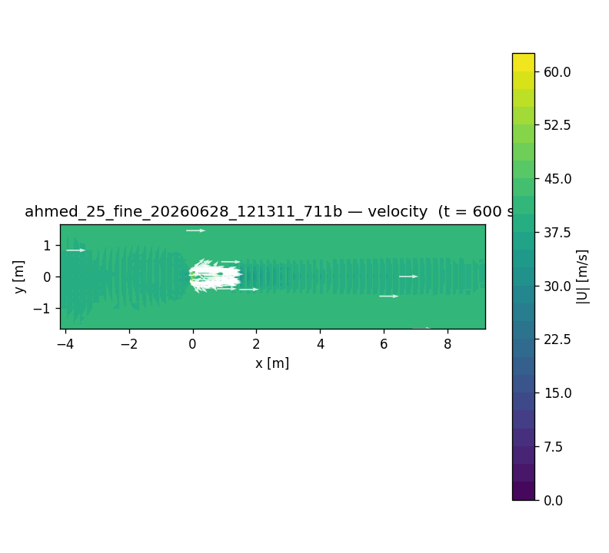
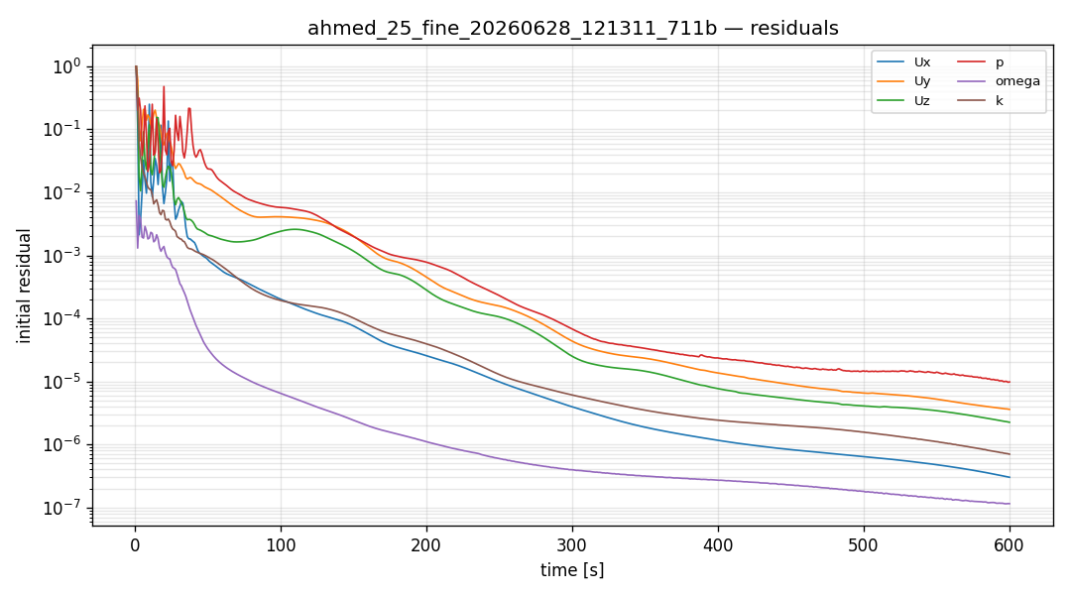
Grid convergence (25deg slant, U=40 m/s, Re/L=2.67e6, kOmegaSST)
Case | Mesh cells | prism layers | Cd | Cl | Cm | converged
coarse | 64779 | 3 | 0.555 | 0.428 | -0.005 | yes
medium | 291881 | 5 | 0.499 | 0.420 | -0.005 | yes
fine | 678296 | 6 | 0.474 | 0.434 | -0.014 | yes

Notes
Item | Value
Trend | cells up -> Cd 0.555->0.499->0.474 (monotonic, toward benchmark 0.31)
Gap to exp | RANS+wall function limit; LES/DES or million+ cells needed
Benchmark | Ahmed 25deg Cd ~0.285-0.31 (exp/LES)

2_Reynolds_sweep
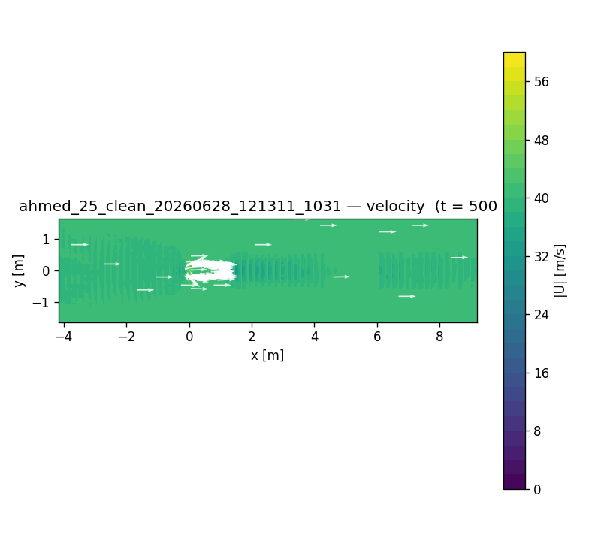
Reynolds sweep (25deg, 292k cells same mesh, kOmegaSST)
U (m/s) | Re/L | Cd | Cl | Cm
20 | 1.33e6 | 0.502 | 0.418 | -0.003
40 | 2.67e6 | 0.499 | 0.420 | -0.005
60 | 4.00e6 | 0.498 | 0.422 | -0.006

Notes
Item | Value
Trend | Re up -> Cd slightly down (0.502->0.498)
Reason | Re>1e6 high-Re plateau, Cd nearly Re-independent (matches exp)

3_Slant_comparison
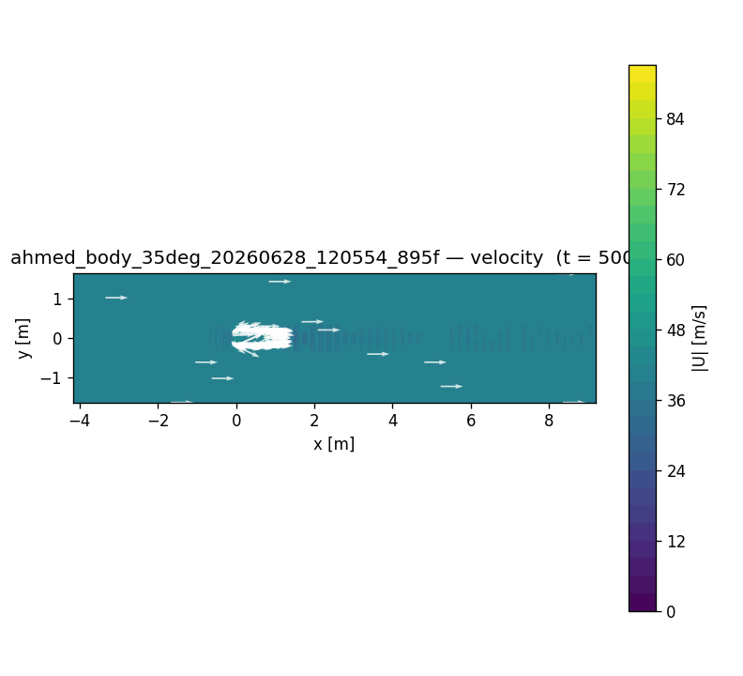
Slant angle comparison (U=40 m/s, ~300k cells)
Slant | Mesh cells | Cd | Cl | Cm
25deg | 291881 | 0.499 | 0.420 | -0.005
35deg | 303981 | 0.542 | 0.545 | -0.035

Notes
Item | Value
35 vs 25 | Cd, Cl, |Cm| all up - steeper slant -> stronger separation/wake vortices

