Summary
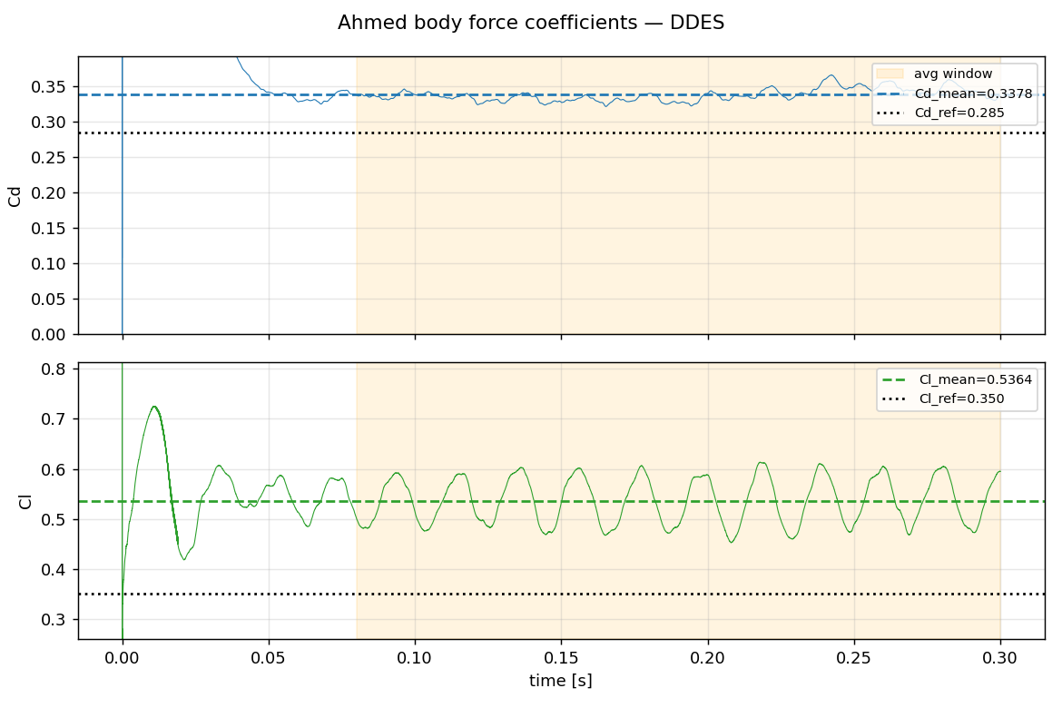
Case setup — Ahmed body 25deg DDES
item | value
Geometry | Ahmed body, 25deg slant (nathanrooy STL)
Re_L | 2.78e6 (U=40 m/s, L=1.044 m, nu=1.5e-5)
Solver | foamRun / incompressibleFluid (PIMPLE transient)
Turbulence | SpalartAllmarasDDES (wake LES / wall RANS)
Mesh | snappy hex-dominant 1.51M cells, wake box L3, body L5, prism BL x6
Mesh quality | non-ortho max 64.8 / avg 6.5, skew 2.98, Mesh OK
Schemes | ddt backward, div(phi,U) LUST, laplacian limited 0.5
Time control | adjustTimeStep, maxCo=3 (set from wake-region Co measurement)
Physical time | 0.3 s = 11.5 flow-through
Statistics window | t=0.08-0.3 s = 8.5 FT (5588 samples)
Cores / wall-clock | 14-rank MPI / ~5.5 h total

Force coefficients (time-averaged) vs reference
coeff | mean | std | min | max | reference | error %
Cd | 0.338 | 0.009 | 0.321 | 0.366 | 0.285 | +18.5%
Cl | 0.536 | 0.046 | 0.452 | 0.613 | 0.35 | +53%
Cm | -0.055 | 0.009 | -0.070 | -0.036 | - | -

Assessment
aspect | note
Workflow | OK - DDES setup, CFL~1 (wake-based), statistics converged (Cd std 0.009)
Accuracy | Cd/Cl over-predicted - 1.5M is coarse for DDES; 25deg slant separation very mesh-sensitive
Likely cause | Insufficient slant-surface + BL resolution -> over-predicted slant separation -> Cd/Cl high
To improve | Refine slant & wake to ~5-10M, lower maxCo to ~1, y+ check; expect Cd toward 0.29-0.30

