cavity report
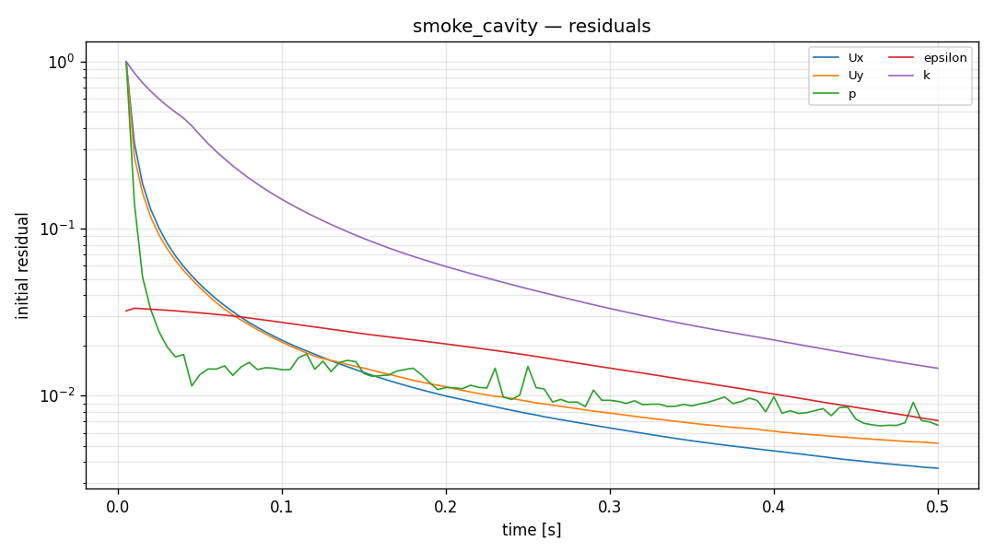
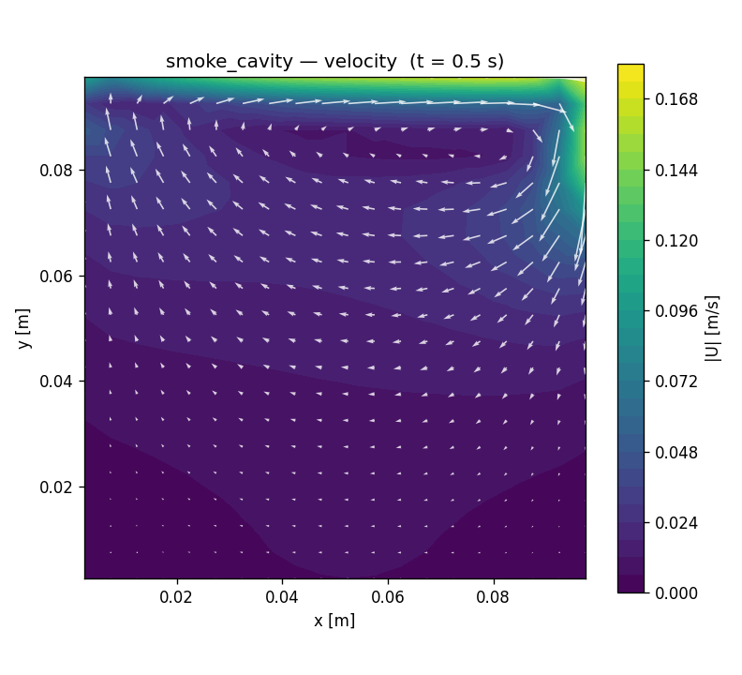
run 설정 (settings)
항목 | 값
solver | incompressibleFluid
turbulence | kEpsilon
nu | 1e-05 [m^2/s]
endTime | 0.5

격자 / 실행 (mesh / run)
지표 | 값
cells | 400
Mesh OK | TRUE
reached time | 0.5
max Courant | 0.165832
diverged | FALSE

