Income Statement
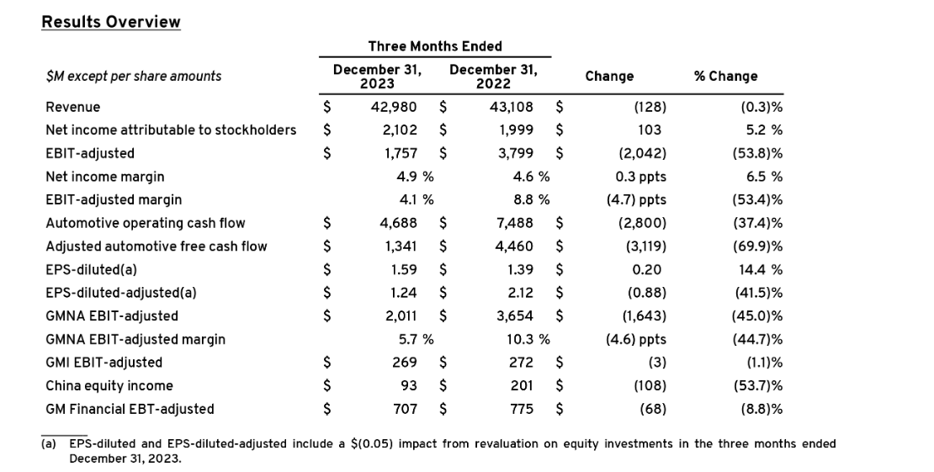
Income Statement Line Items | Tax Effect Of Unusual Items | Tax Rate For Calcs | Normalized EBITDA | Total Unusual Items | Total Unusual Items Excluding Goodwill | Net Income From Continuing Operation Net Minority Interest | Reconciled Depreciation | Reconciled Cost Of Revenue | EBITDA | EBIT | Net Interest Income | Interest Expense | Interest Income | Normalized Income | Net Income From Continuing And Discontinued Operation | Total Expenses | Total Operating Income As Reported | Diluted Average Shares | Basic Average Shares | Diluted EPS | Basic EPS | Diluted NI Availto Com Stockholders | Net Income Common Stockholders | Preferred Stock Dividends | Net Income | Minority Interests | Net Income Including Noncontrolling Interests | Net Income Discontinuous Operations | Net Income Continuous Operations | Tax Provision | Pretax Income | Other Income Expense | Other Non Operating Income Expenses | Earnings From Equity Interest | Gain On Sale Of Security | Net Non Operating Interest Income Expense | Interest Expense Non Operating | Interest Income Non Operating | Operating Income | Operating Expense | Selling General And Administration | Gross Profit | Cost Of Revenue | Total Revenue | Operating Revenue

2023-12-31 | -4158000 | 0.054 | 23279000000 | -77000000 | -77000000 | 10127000000 | 11888000000 | 152704000000 | 23202000000 | 11314000000 | 198000000 | 911000000 | 1109000000 | 10199842000 | 10127000000 | 162544000000 | 9298000000 | 1369000000 | 1364000000 | 7.32 | 7.35 | 10022000000 | 10022000000 | 106000000 | 10127000000 | 287000000 | 9840000000 |  | 9840000000 | 563000000 | 10403000000 | 908000000 | 505000000 | 480000000 | -77000000 | 198000000 | 911000000 | 1109000000 | 9298000000 | 9840000000 | 9840000000 | 19138000000 | $152,704,000,000 | $171,842,000,000 | $171,842,000,000
2022-12-31 | -38468000 | 0.163 | 24110000000 | -236000000 | -236000000 | 9934000000 | 11290000000 | 135754000000 | 23874000000 | 12584000000 | -527000000 | 987000000 | 460000000 | 10131532000 | 9934000000 | 146421000000 | 10315000000 | 1454000000 | 1445000000 | 6.13 | 6.17 | 8915000000 | 8915000000 | 1019000000 | 9934000000 | 226000000 | 9708000000 |  | 9708000000 | 1888000000 | 11597000000 | 1809000000 | 1208000000 | 837000000 | -236000000 | -527000000 | 987000000 | 460000000 | 10314000000 | 10667000000 | 10667000000 | 20981000000 | $135,754,000,000 | $156,735,000,000 | $156,735,000,000
2021-12-31 | 124478000 | 0.218 | 25146000000 | 571000000 | 571000000 | 10019000000 | 12051000000 | 109126000000 | 25717000000 | 13666000000 | -804000000 | 950000000 | 146000000 | 9572478000 | 10019000000 | 117680000000 | 9324000000 | 1468000000 | 1451000000 | 6.7 | 6.78 | 9837000000 | 9837000000 | 182000000 | 10019000000 | 74000000 | 9945000000 |  | 9945000000 | 2771000000 | 12716000000 | 4196000000 | 2324000000 | 1301000000 | 571000000 | -804000000 | 950000000 | 146000000 | 9324000000 | 8554000000 | 8554000000 | 17878000000 | $109,126,000,000 | $127,004,000,000 | $127,004,000,000
2020-12-31 | 58035000 | 0.219 | 21743000000 | 265000000 | 265000000 | 6427000000 | 12815000000 | 108813000000 | 22008000000 | 9193000000 | -857000000 | 1098000000 | 241000000 | 6220035000 | 6427000000 | 115851000000 | 6634000000 | 1442000000 | 1433000000 | 4.33 | 4.36 | 6247000000 | 6247000000 | 180000000 | 6427000000 | 106000000 | 6321000000 | 0 | 6321000000 | 1774000000 | 8095000000 | 2318000000 | 1379000000 | 674000000 | 265000000 | -857000000 | 1098000000 | 241000000 | 6634000000 | 7038000000 | 7038000000 | 13672000000 | $108,813,000,000 | $122,485,000,000 | $122,485,000,000

