Updated Wiring Diagram
Sensor | Pins Type /Wire Color | Nucleo CN | Nucleo Pin Type | PIN | Notes
Input Power | Vin | CN6 | Vin
 | GND | CN6 | GND
Motor 1 (Left) | PWM 2/1 | CN8 | Timer 2, Channel 1 | PA0
 | EFF (SLP?) | CN9 | PA_2 | PA2
 | DIR | CN9 | PA_10 | PA10
Motor 2 (Right) | PWM 2/2 | CN8 | Timer 2, Channel 2 | PA1
 | EFF (SLP?) | CN9 | PB_5 | PB5
 | DIR | CN9 | PB_4 | PB4
Encoder 1 (Left) | PWM 1/1 | CN9 | Timer 1, Channel 1 | PA8
 | PWM 1/2 | CN5 | Timer 1, Channel 2 | PA9
Encoder 2 (Right) | PWM 3/2 | CN5 | Timer 3, Channel 2 | PA7
 | PWM 3/1 | CN5 | Timer 3, Channel 1 | PA6
IMU | Vin | CN6 | 5V
 | GND | CN6 | GND
 | SDA | CN5 | PB_9 | PB9
 | SCL | CN5 | PB_8 | PB8
 | RST | CN6 | RESET
Line Sensor | GND | CN7 (Right Column) | GND
 | VCC | CN7 | VDD
 | Control | CN9 | AnalogIn | PB3
 | 1 | CN8 | AnalogIn | PA4
 | 3 | CN8 | AnalogIn | PB0
 | 5 | CN7 | AnalogIn | PC2
 | 7 | CN7 | AnalogIn | PC3
 | 9 | CN10 | AnalogIn | PC5
 | 11 | CN10 | AnalogIn | PB1
 | 13 | CN10 | AnalogIn | PC4
 | 15 | CN8 | AnalogIn | PC1
Left Bump Sensor | GND | CN5 | GND
 | BMP0 | CN5 | PC_9 | PC9 | Outer Sensor
 | BMP1 | CN10 | PC_8 | PC8
 | BMP2 | CN10 | PC_6 | PC6 | Inner Sensor
Right Bump Sensor | GND | CN7 (Left Column) | GND
 | BMP3 | CN7 | PC_10 | PC10 | Inner Sensor
 | BMP4 | CN7 | PC_12 | PC12
 | BMP5 | CN7 | PA_15 | PA15 | Outer Sensor

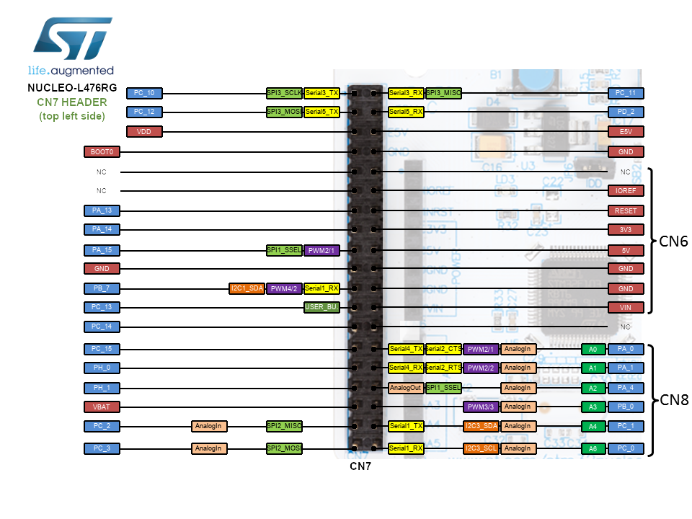
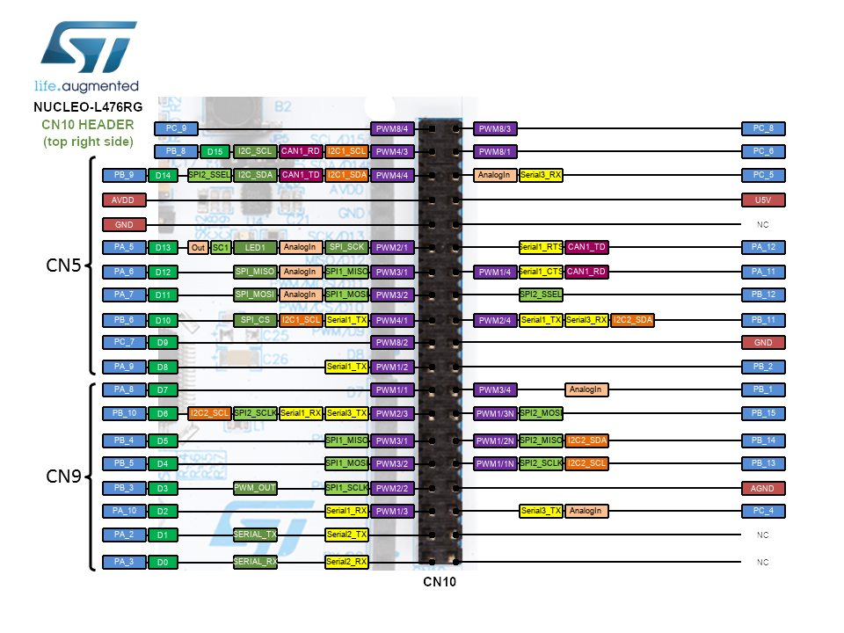

 |  |  |  |  | OFF LIMITS !!! | CN8 | CN9 | CN7 | CN10 | CN5
 |  |  |  |  | PA2 | PA0 | PA6 | PC2 | PC5 | PA5 (i/o only)
 |  |  |  |  | PA3 | PA1 | PA7 | PC3 | PB1 | PA6
 |  |  |  |  | PA5 (only for i/o) | PA4 |  |  | PC4 | PA7 | Taken
 |  |  |  |  | PA11 | PB0 |  |  |  |  | Availible
 |  |  |  |  | PA12 | PC1
 |  |  |  |  | PA13 | PC0
 |  |  |  |  | PA14
 |  |  |  |  | PC13
 |  |  |  |  | PC14
 |  |  |  |  | PC15

