StudentGrades
Module 6 Assignment - Test Plan
Total Tests: | 7
Unit | # | Outcome | Test Data | Expected | Comments
StudentGrades(int) | 1 | Initialize grades array without data. | numberOfStudents = 5 | [0,0,0,0,0] | Use the getGrades() method to verify.

StudentGrades(int[]) | 2 | Initialize grades array with data. | grades = [68,90,99,85,76] | [68,90,99,85,76] | Use the getGrades() method to verify.

getGrades() : int[] |  |  |  |  | This method is tested above.

setGrades(int[]) : void | 3 | Updates the state of the grades. | Initial grades = [68,90,99,85,76] grades = [88,70,69,85,96] | [88,70,69,85,96] | Use the getGrades() method to verify.

getSortedGrades() : int[] | 4 | Returns a copy of the grades array sorted in ascending order. | grades = [88,70,69,85,96] | [69,70,85,88,96]

getHighestGrade() : int | 5 | Returns the correct highest grade value. | grades = [88,70,69,85,96] | 99

getAverageGrade() : double | 6 | Returns the correct average of all the grades. | grades = [88,70,69,85,96] | 81.6

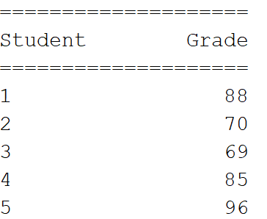
toString() : String | 7 | Returns the correct String representation. | grades = [88,70,69,85,96]

