Sheet1
 |  |  |  |  |  |  | WACC (annual) | 40
 |  |  |  |  |  |  | WACC (quarterly) | 10%

 |  | Qtr | Cash-flow |  | power
 | started here | 5 | $3,835,522.00 | 3486838.18 | 1
4035522 |  | 6 | $2,000,000.00 | 1652892.56 | 2
4235522 |  | 7 | $173,634.00 | 130453.79 | 3
4435522 |  | 8 | $2,682,192.00 | 1831973.23 | 4 |  |  | Different WACCS | Valuation
4635522 |  | 9 | $2,787,559.00 | 1730854.82 | 5 |  |  | 20 | 203902608.52
4835522 |  | 10 | $3,066,314.90 | 1730854.82 | 6 |  |  | 25 | 150263292.64
5035522 |  | 11 | $3,372,946.39 | 1730854.82 | 7 |  |  | 30
5235522 |  | 12 | $3,710,241.03 | 1730854.82 | 8

 |  | computed growth rate per quarter | -0.41%

 |  | Terminal Value | 35501429.962

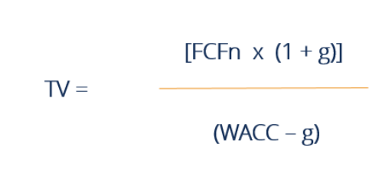
 |  | Total DCF | 57,129,839 |  |  |  |  | Investor money | 4000000
 |  | delta | 53129839.28

 |  | computed growth rate per quarter | -8%

 |  | Terminal Value | $14,160,529.77 |  |  | 1. Go by equity

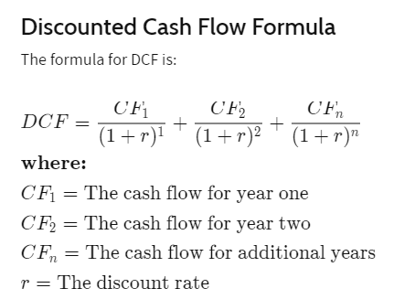
 |  | Total DCF | $21,262,687.54
 |  | delta | $17,262,687.54

Sheet2
WACC Calculation

 | Value of Equity | Cost of Equity (in %) (Annual return expected by investors) | Value of Debt | Cost of Debt (in %) (Loan rate) | Tax (%) | V = E + D | WACC
 | 4000000 | 40.00% | 0 | 10.00% | 10.00% | 4000000.00 | 40%
 | 1000000 | 30.00% | 1000000 | 15.00% | 10.00% | 2000000.00 | 22%
 |  |  |  |  |  | 0.00 | #DIV/0!
 |  |  |  |  |  | 0.00 | #DIV/0!
 |  |  |  |  |  | 0.00 | #DIV/0!
 |  |  |  |  |  | 0.00 | #DIV/0!
 |  |  |  |  |  | 0.00 | #DIV/0!
 |  |  |  |  |  | 0.00 | #DIV/0!
 |  |  |  |  |  | 0.00 | #DIV/0!
 |  |  |  |  |  | 0.00 | #DIV/0!
 |  |  |  |  |  | 0.00 | #DIV/0!
 |  |  |  |  |  | 0.00 | #DIV/0!
 |  |  |  |  |  | 0.00 | #DIV/0!
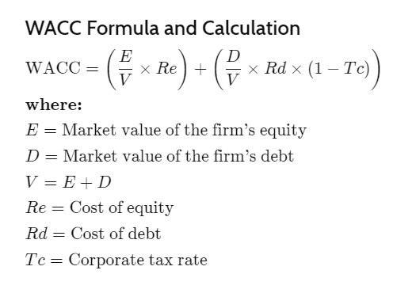
 |  |  |  |  |  | 0.00 | #DIV/0!
 |  |  |  |  |  | 0.00 | #DIV/0!
 |  |  |  |  |  | 0.00 | #DIV/0!
 |  |  |  |  |  | 0.00 | #DIV/0!
 |  |  |  |  |  | 0.00 | #DIV/0!
 |  |  |  |  |  | 0.00 | #DIV/0!

