Sheet1
 |  |  |  |  |  |  | WACC (annual) | 40
 |  |  |  |  |  |  | WACC (quarterly) | 10%

 |  | Quarter | Quarter wise cash-flow |  | power
 | started here | 5 | $2,079,419.00 | 1890380.91 | 1
4035522 |  | 6 | $984,036.00 | 813252.89 | 2
4235522 |  | 7 | $1,146,690.00 | 861525.17 | 3
4435522 |  | 8 | $3,034,542.00 | 2072633.02 | 4 |  |  | Different WACCS | Valuation
4635522 |  | 9 | $3,095,232.84 | 1921896.07 | 5 |  |  | 20 | 203902608.52
4835522 |  | 10 | $3,157,137.50 | 1782121.81 | 6 |  |  | 25 | 150263292.64
5035522 |  | 11 | $3,220,280.25 | 1652512.95 | 7 |  |  | 30
5235522 |  | 12 | $3,284,685.85 | 1532330.19 | 8

 |  | computed growth rate per quarter | 7.25%

 |  | Terminal Value | 127874483.46
 |  |  |  |  |  |  |  |  |  | $2,079,419.00 | $984,036.00 | $1,146,690.00 | $3,034,542.00

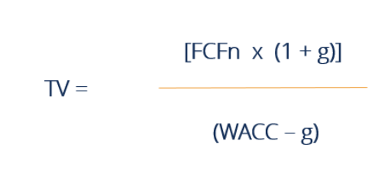
 |  | Total DCF | 147,876,507 |  |  |  |  | Investor money | 4000000
 |  | delta | 143876506.89

 |  | computed growth rate per quarter | 11% | <<<<<<<< Can't use 4 quarter projection

 |  | Terminal Value | $-228,110,792.26 |  |  | 1. Go by equity

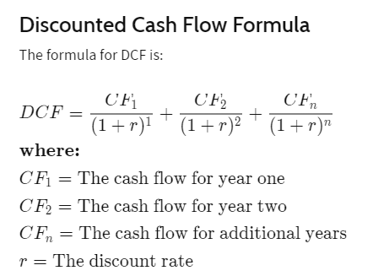
 |  | Total DCF | $-222,473,000.27
 |  | delta | $-226,473,000.27

Sheet2
WACC Calculation

 | Value of Equity | Cost of Equity (in %) (Annual return expected by investors) | Value of Debt | Cost of Debt (in %) (Loan rate) | Tax (%) | V = E + D | WACC
 | 4000000 | 40.00% | 0 | 10.00% | 10.00% | 4000000.00 | 40%
 | 1000000 | 30.00% | 1000000 | 15.00% | 10.00% | 2000000.00 | 22%
 |  |  |  |  |  | 0.00 | #DIV/0!
 |  |  |  |  |  | 0.00 | #DIV/0!
 |  |  |  |  |  | 0.00 | #DIV/0!
 |  |  |  |  |  | 0.00 | #DIV/0!
 |  |  |  |  |  | 0.00 | #DIV/0!
 |  |  |  |  |  | 0.00 | #DIV/0!
 |  |  |  |  |  | 0.00 | #DIV/0!
 |  |  |  |  |  | 0.00 | #DIV/0!
 |  |  |  |  |  | 0.00 | #DIV/0!
 |  |  |  |  |  | 0.00 | #DIV/0!
 |  |  |  |  |  | 0.00 | #DIV/0!
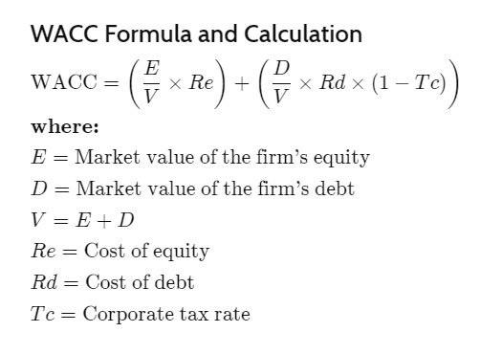
 |  |  |  |  |  | 0.00 | #DIV/0!
 |  |  |  |  |  | 0.00 | #DIV/0!
 |  |  |  |  |  | 0.00 | #DIV/0!
 |  |  |  |  |  | 0.00 | #DIV/0!
 |  |  |  |  |  | 0.00 | #DIV/0!
 |  |  |  |  |  | 0.00 | #DIV/0!

