Dashboard
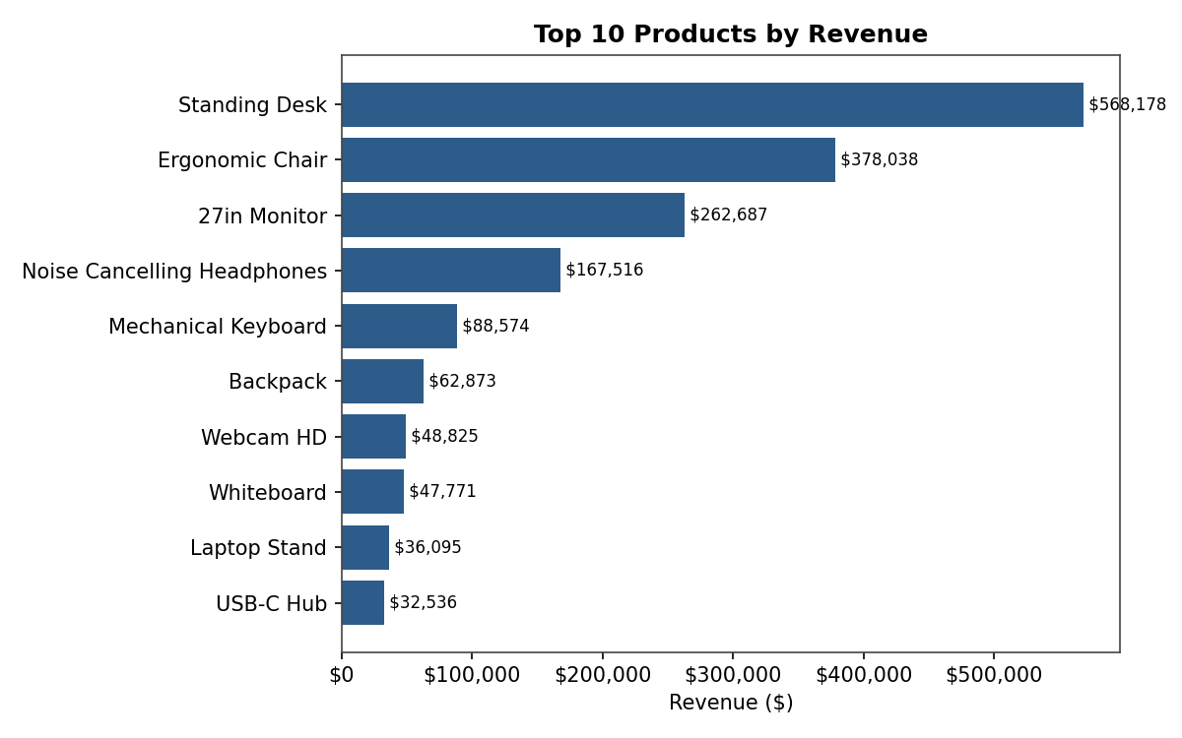
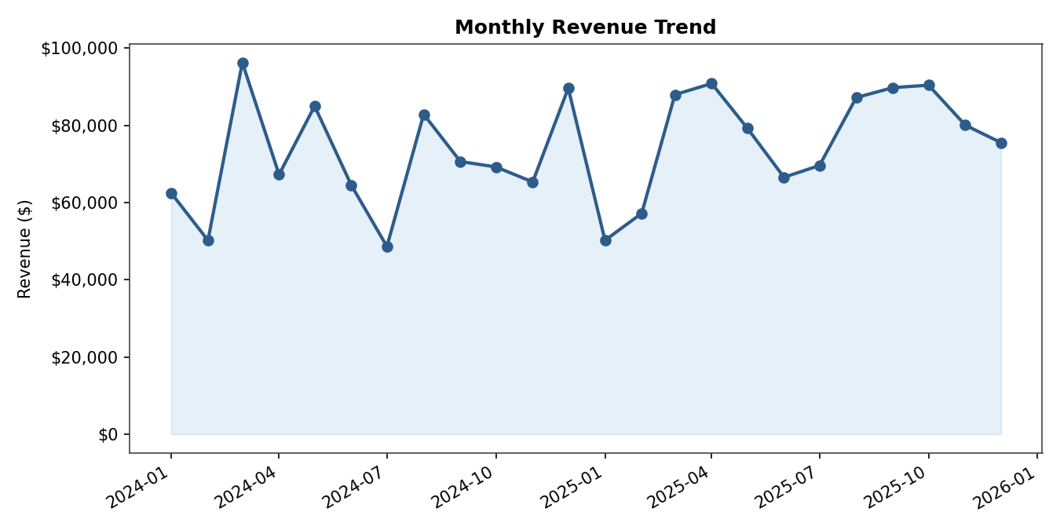
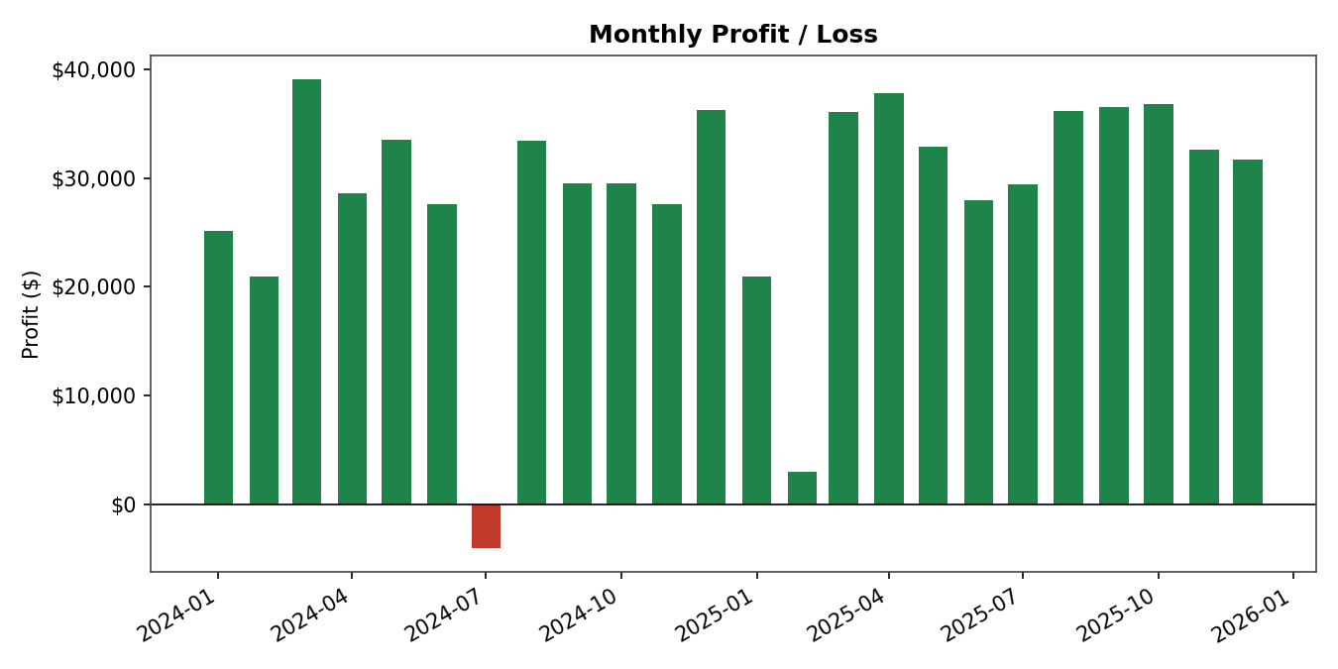
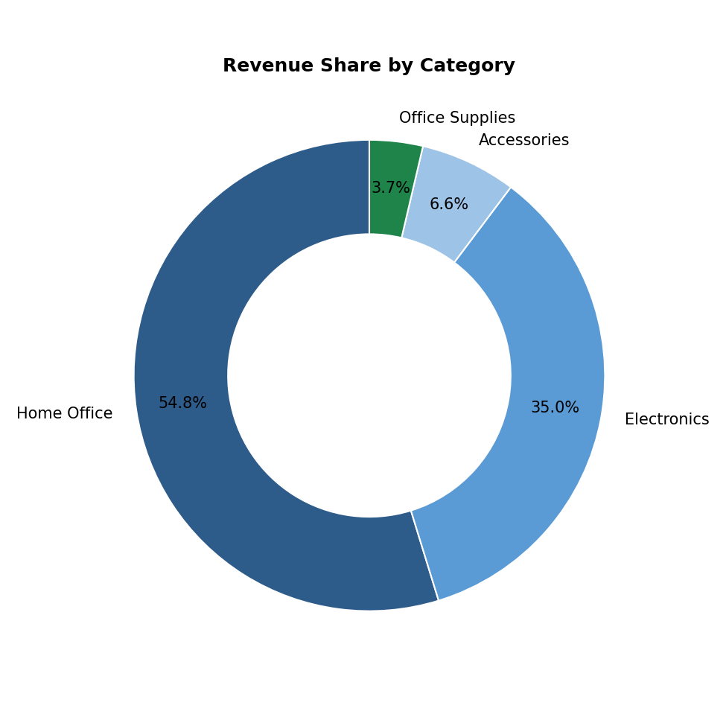
Sales Performance Dashboard
Auto-generated from cleaned sales data

Total Revenue | Total Profit | Total Orders | Avg Order Value | Best Month | Months in Loss
$1,776,855 | $689,130 | 4,554 | $390.17 | Mar 2024 | 1

Monthly Summary
Monthly Revenue (live)
Month | Revenue | Cost | Profit | Margin%
Jan 2024
Feb 2024
Mar 2024
Apr 2024
May 2024
Jun 2024
Jul 2024
Aug 2024
Sep 2024
Oct 2024
Nov 2024
Dec 2024
Jan 2025
Feb 2025
Mar 2025
Apr 2025
May 2025
Jun 2025
Jul 2025
Aug 2025
Sep 2025
Oct 2025
Nov 2025
Dec 2025
TOTAL

Top Products
Revenue by Product (live)
Product | Units Sold | Revenue | Profit | Margin%
Standing Desk
Ergonomic Chair
27in Monitor
Noise Cancelling Headphones
Mechanical Keyboard
Backpack
Webcam HD
Whiteboard
Laptop Stand
USB-C Hub
Desk Lamp
Wireless Mouse
Water Bottle
Notebook Set
Gel Pens (12pk)

