INSTRUCTIONS
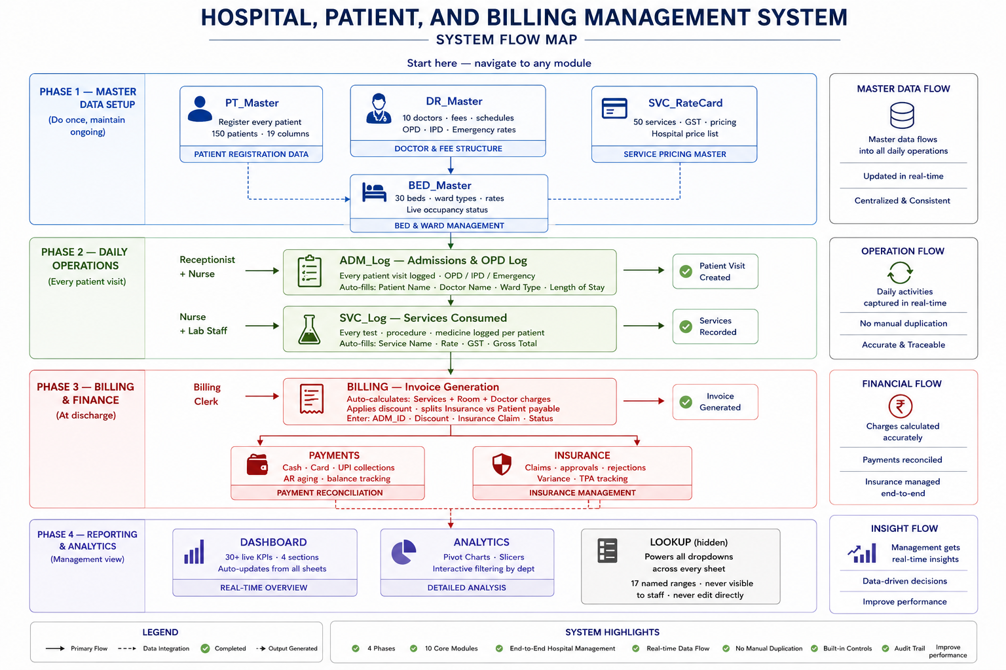
CityMed Multi-Specialty Hospital
Patient & Billing Management System | Est. 2024 | Version 1.0

CLICK!
NAVIGATE TO MODULE
PT_Master — Patient Register | Register new patients, search existing records, update contact and insurance details | Receptionist
DR_Master — Doctor Directory | Manage doctor profiles, consultation fees, department assignments | Admin
SVC_RateCard — Services & Pricing | Add or update services, procedures, lab tests and their rates | Admin
CLICK!
BED_Master — Bed Management | Track bed availability, ward types, occupancy status | Admin / Nurse
CLICK!
ADM_Log — Admissions & OPD | ADM_Log — Admissions & OPD | Receptionist
CLICK!
SVC_Log — Services Consumed | Log all services, tests, procedures given to admitted patients | Nurse / Lab
CLICK!
BILLING — Invoice Generation | Generate patient bills, apply insurance split, issue final invoices | Billing Clerk
CLICK!
DASHBOARD — KPI & Reports | View live hospital performance metrics, revenue, occupancy, collections | Manager

IMPORTANT INFORMATION
Last Updated: | 2026-05-29
Version | 1.0 — CityMed HMS (Excel 2021)
Support Contact:
Data Backup:

DASHBOARD
Monthly Patient Volume
 | Emergency | IPD | OPD
Group1 | 4 | 14 | 20
CityMed Multi-Specialty Hospital — Operations Dashboard
Dashboard refreshed: 29 May 2026 | Data is live and auto-updating
PATIENT VOLUME
Metric | Value | Metric | Value | Metric | Value
Total Patients | 200 | OPD Visits | 84 | IPD Admissions | 55
Active IPD Patients | 6 | Discharged This Month | 5 | Emergency Cases | 11
Avg Length of Stay | 5.7878787879 | New Patients This Month | 5 | LAMA Cases | 7

REVENUE SUMMARY
Metric | Amount (₹) | Metric | Amount (₹) | Metric | Amount (₹)
Gross Revenue (₹) | 13492580 | Net Revenue (₹) | 13101277.24 | Total Discounts (₹) | 391302.76
Rev Per Bed Per Day (₹) | 37,067.53 | Avg Bill Value (₹) | 87341.848267 | Highest Single Bill (₹) | 472828.5
Services Revenue (₹) | 12222750 | Room Revenue (₹) | 1075500 | Doctor Fee Revenue (₹) | 194330
Payment Status Distribution
 | Total
Insurance Pending | 22
Paid | 73
Partial | 37
Unpaid | 18
Doctor Workload
 | Total
Dr. Subhash Patra | 20
Dr. Tanmoy Das | 18
COLLECTIONS & ACCOUNTS RECEIVABLE
Metric | Amount (₹) | Metric | Amount (₹) | Metric | Amount (₹)
Total Collected (₹) | 5434705.81 | Total Outstanding (₹) | 2356305.22 | Collection Rate | 69.8%
AR 0-30 Days (₹) | 162472.68 | AR 31-60 Days (₹) | 40818.72 | AR 61-90 Days (₹) | 403019.19
Critical AR 90+ (₹) | 1749784.63 | Unpaid Bills Count | 18 | Partial Payment Bills | 37

BED OCCUPANCY
Metric | Value | Metric | Value | Metric | Value
Total Beds | 30 | Occupied Beds | 12 | Occupancy Rate | 0.4
Services Revenue
 | Total
 | 78
Consultation | 133
Emergency | 17
Laboratory | 176
Procedure | 219
Radiology | 179
Room Charge | 83
Surgery | 115
Available Beds | 15 | Under Maintenance | 0 | Reserved Beds | 2
ICU Beds Occupied | 3 | ICU Beds Available | 1 | ICU Occupancy Rate | 0.75

INSURANCE PERFORMANCE
Metric | Amount (₹) | Metric | Amount (₹) | Metric | Amount (₹)
Total Claims Submitted | 1000 | Total Claimed (₹) | 4217770.02 | Total Approved (₹) | 1826643.05
Claims Approval Rate | 43.3% | Rejected Claims | 15 | Total Variance (₹) | 2391029.97
Pending Claims | 0 | Paid Claims | 19 | Avg Approval Rate (₹) | 96139.107895
CityMed HMS v1.0 | Confidential — For Management Use Only | Do not distribute
INSTRUCTION
PRINT

