读
QPS | TDH_SOCKET with BIG throttle | TDH_SOCKET with throttle | TDH_SOCKET with optimize | HandlerSocket | SQL
100%命中缓存 |  |  | 202632 | 169293 | 53595
99%命中缓存 |  |  | 105025 | 54712 | 40543
95%命中缓存 | 129621 | 59559 | 32521 | 16785 | 32247
95%命中缓存 | 53148 | 14356 | 8476 | 5046 | 8399

 | TDH_SOCKET with BIG throttle | TDH_SOCKET with throttle | TDH_SOCKET with optimize | HandlerSocket | SQL
100%命中缓存 |  |  | 202632 | 169293 | 53595
99%命中缓存 |  |  | 105025 | 54712 | 40543
95%命中缓存 | 129621 | 59559 | 32521 | 16785 | 32247
95%命中缓存 | 53148 | 14356 | 8476 | 5046 | 8399

写
TPS | TDH_SOCKET | HandlerSocket | SQL
多表Update场景的压测 (innodb_flush_log_at_trx_commit = 1) | 110703 | 55509 | 38802
单表纯插入场景(类似插入log)的压测 (innodb_flush_log_at_trx_commit = 1) | 73695 | 66527 | 29262
多表纯插入场景的压测 (innodb_flush_log_at_trx_commit = 1) | 72159 | 32778 | 21761

原始数据
全缓存命中的压测
 | TDH_SOCKET | HandlerSocket | SQL
Statements | 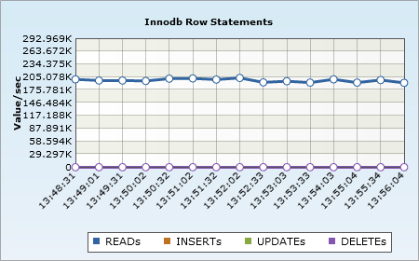 | 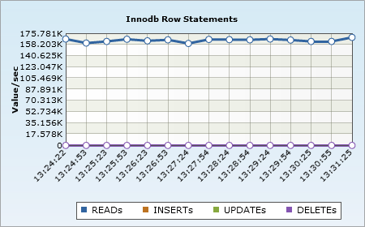 | 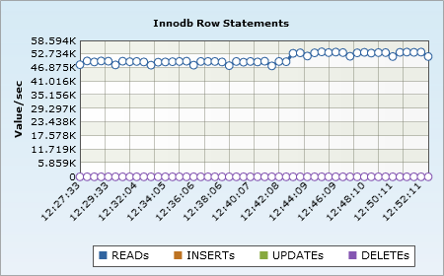

QPS | 202632 | 169293 | 53595
CPU | 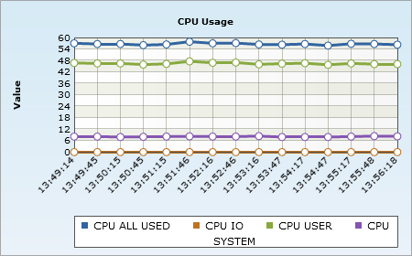 | 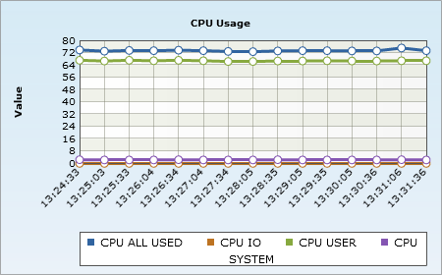 | 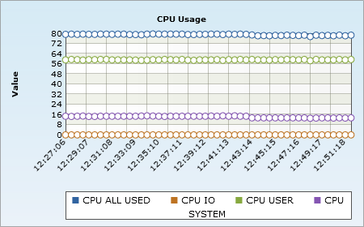

99%缓存命中的压测
 | TDH_SOCKET | HandlerSocket | SQL
Statements | 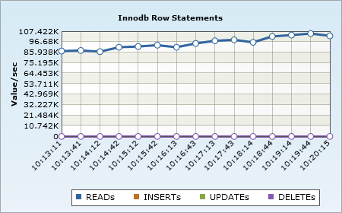 | 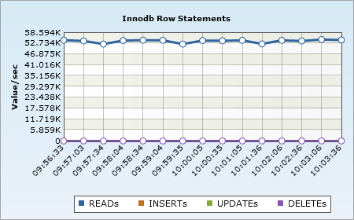 | 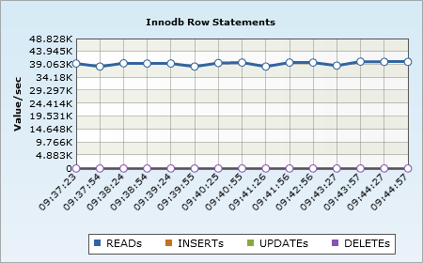

QPS | 105025 | 54712 | 40543
CPU | 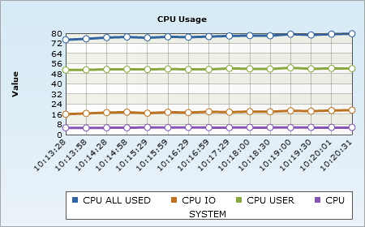 | 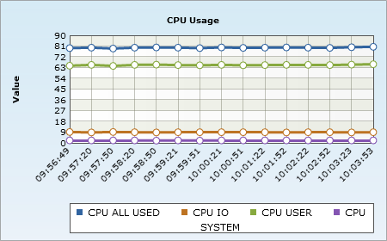 | 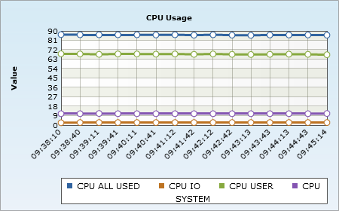

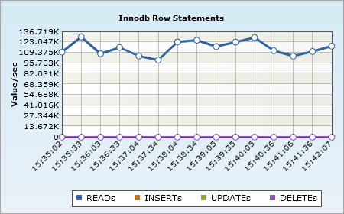
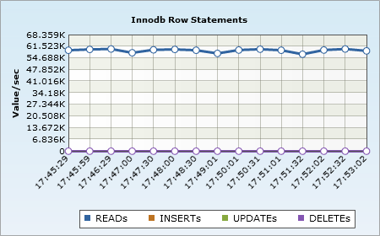
95%缓存命中率的压测
 | TDH_SOCKET with BIG throttle | TDH_SOCKET with throttle | TDH_SOCKET with optimize | HandlerSocket | SQL
Statements |  |  | 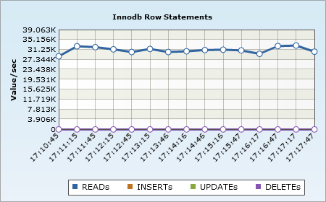 | 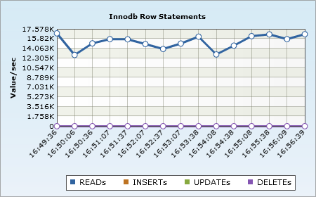 | 

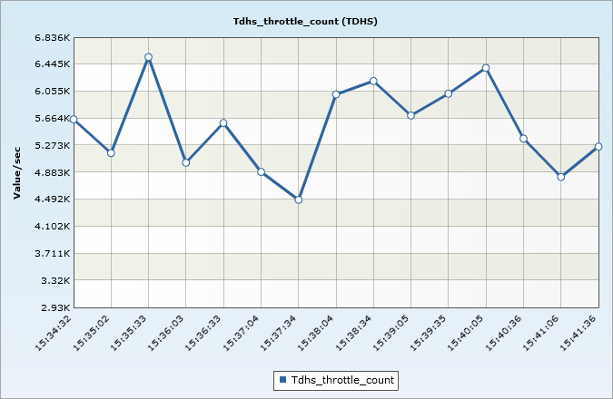
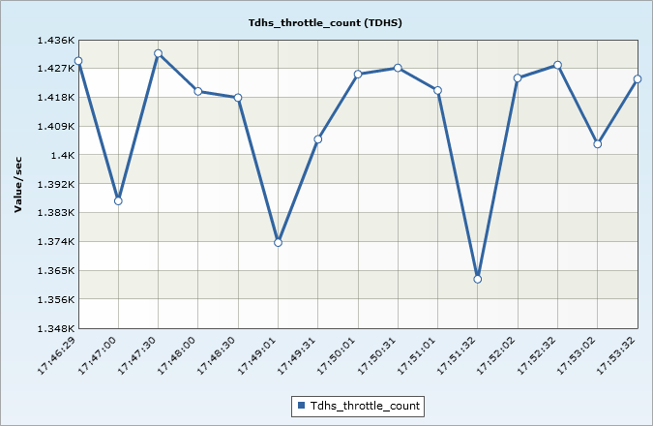

 | 此为被流控掉 直接返回失败的请求的QPS | 此为被流控掉 直接返回失败的请求的QPS
QPS | 129621-6055 | 59559-1403 | 32521 | 16785 | 32247
CPU | 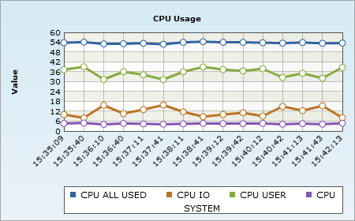 | 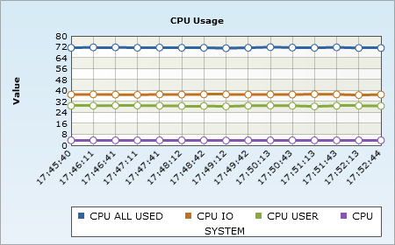 | 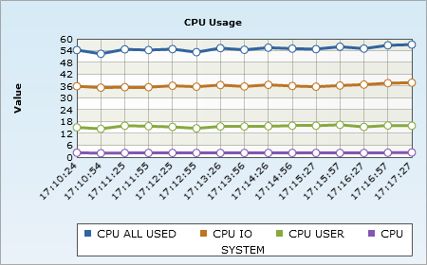 | 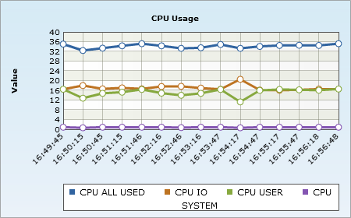 | 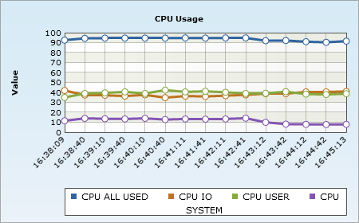

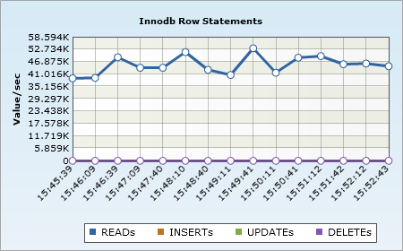
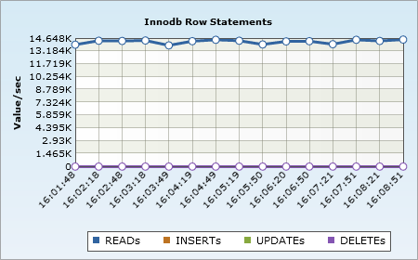
80%缓存命中率的压测
 | TDH_SOCKET with BIG throttle | TDH_SOCKET with throttle | TDH_SOCKET with optimize | HandlerSocket | SQL
Statements |  |  | 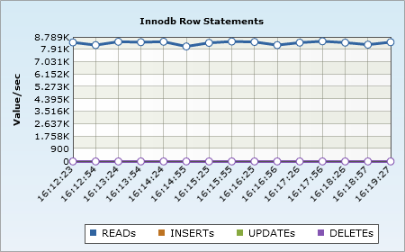 | 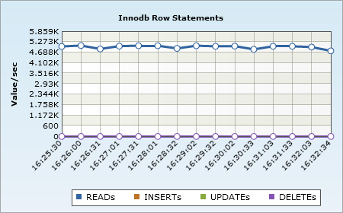 | 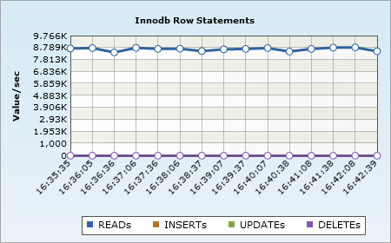

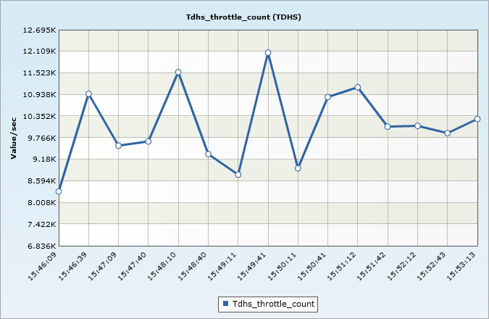
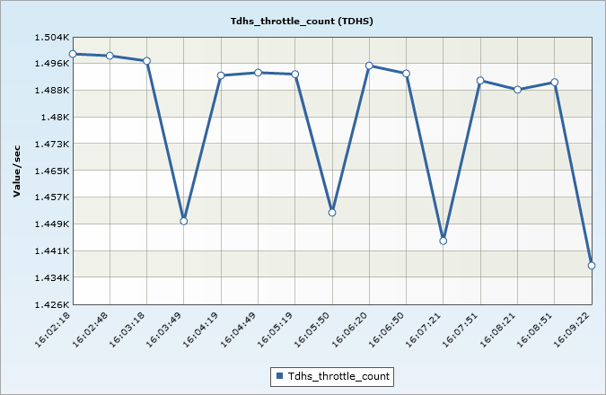

 | 此为被流控掉 直接返回失败的请求的QPS | 此为被流控掉 直接返回失败的请求的QPS

QPS | 53148-9766 | 14356-1503 | 8476 | 5046 | 8399
CPU | 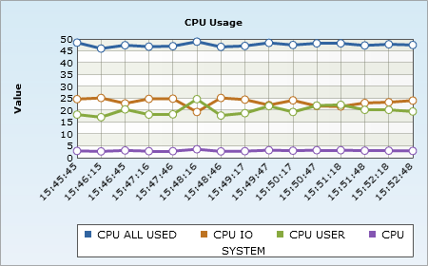 | 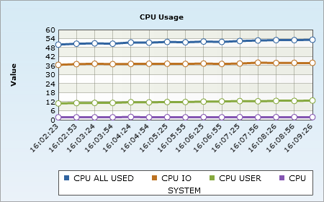 | 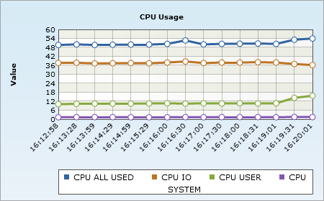 | 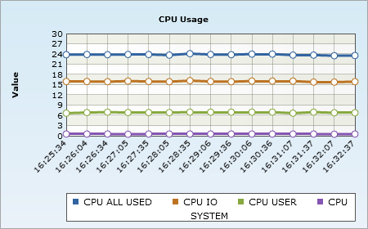 | 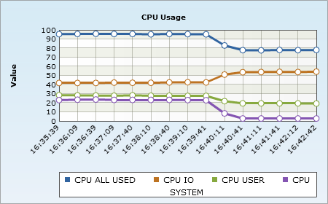

多表Update场景的压测 (innodb_flush_log_at_trx_commit = 1)
 | TDH_SOCKET | HandlerSocket | SQL
Statements | 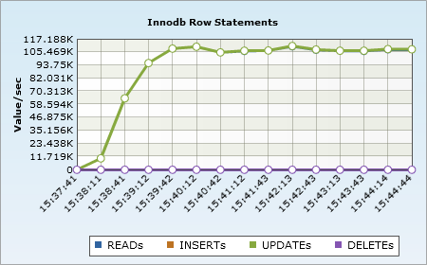 | 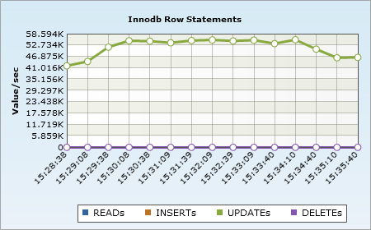 | 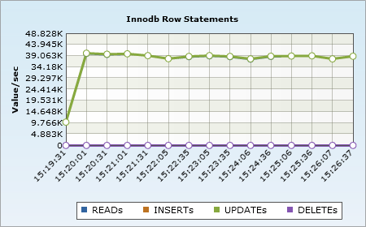

TPS | 110703 | 55509 | 38802
CPU | 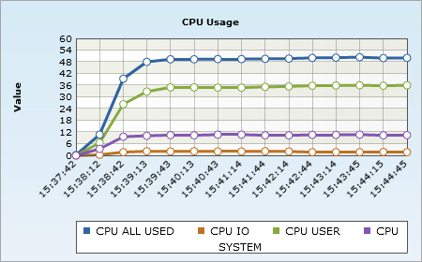 | 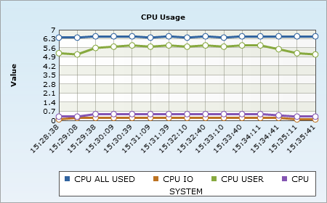 | 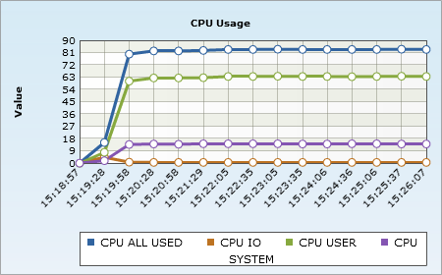

单表纯插入场景(类似插入log)的压测 (innodb_flush_log_at_trx_commit = 1)
 | TDH_SOCKET | HandlerSocket | SQL
Statements | 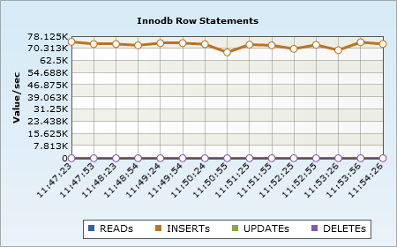 | 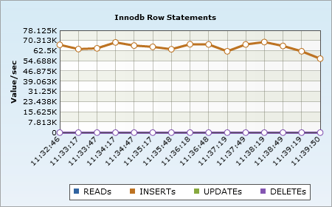 | 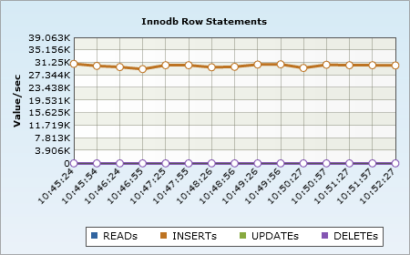

TPS | 73695 | 66527 | 29262
CPU | 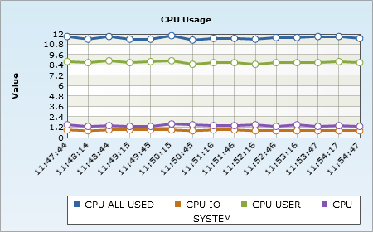 | 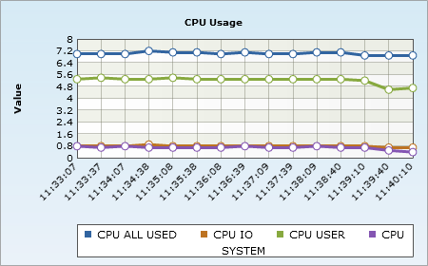 | 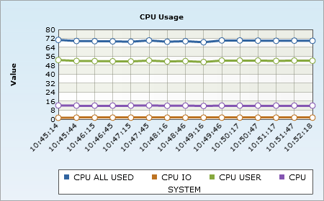

多表纯插入场景的压测 (innodb_flush_log_at_trx_commit = 1)
 | TDH_SOCKET | HandlerSocket | SQL
Statements | 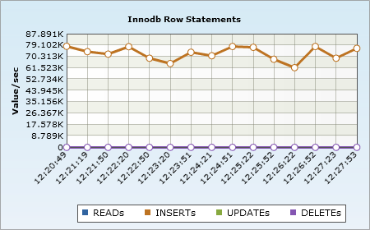 | 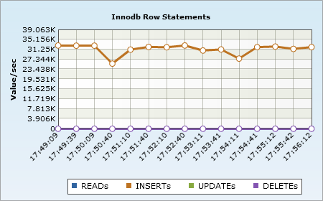 | 

TPS | 72159 | 32778 | 21761
CPU | 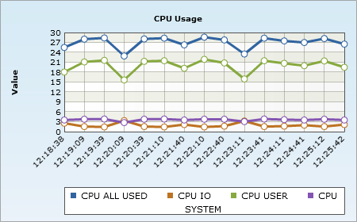 |  | 

