Figure 1
Share of Taxable Income (Labour + Capital) for Age >= 55
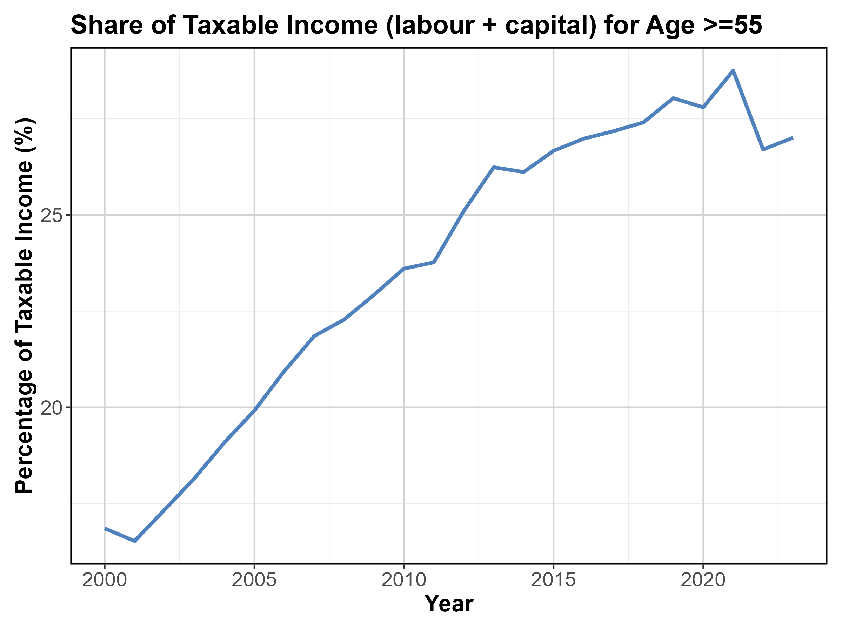
Row Labels | Share
2000 | 18.839665159
2001 | 18.532863027
2002 | 19.527269104
2003 | 20.33844307
2004 | 21.176526721
2005 | 21.994466508
2006 | 22.992689799
2007 | 23.891880886
2008 | 24.309366894
2009 | 25.011425203
2010 | 25.729283565
2011 | 25.924489622
2012 | 27.344927903
2013 | 28.548255495
2014 | 28.463579312
2015 | 29.037705117
2016 | 29.430577182
2017 | 29.587307242
2018 | 29.775593703
2019 | 30.298782804
2020 | 29.97167394
2021 | 30.969617603
2022 | 28.856106832
2023 | 29.209111785
Grand Total | 619.76160847

Figure 2
Capital / (Capital + Labour) by Age Group (2023)
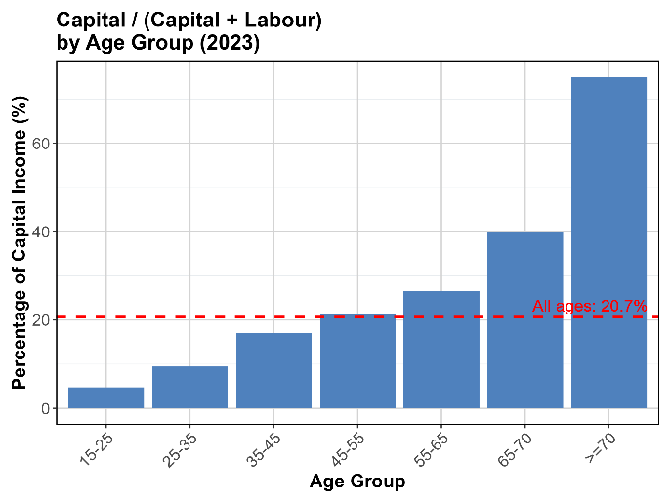
Row Labels | Original
>=70 | 74.923737213
15-25 | 4.8325898894
25-35 | 8.589259973
35-45 | 16.491871211
45-55 | 20.892053574
55-65 | 25.726265567
65-70 | 37.277378011
Grand Total | 188.73315544

Sensitivity Study: Capital / (Capital + Labour) By Age Group (2023)
Row Labels | Sensitivity test
>=70 | 65.781555527
15-25 | 3.7489149342
25-35 | 4.5621477082
35-45 | 8.976043063
45-55 | 11.907119961
55-65 | 16.064646564
Some capital income is moved to the labour, therefore, for each age group, the share of capital will be smaller in sensitivity than the main results
65-70 | 26.592882067
Grand Total | 137.63330982

Figure 3
Labour / (Labour + Capital)
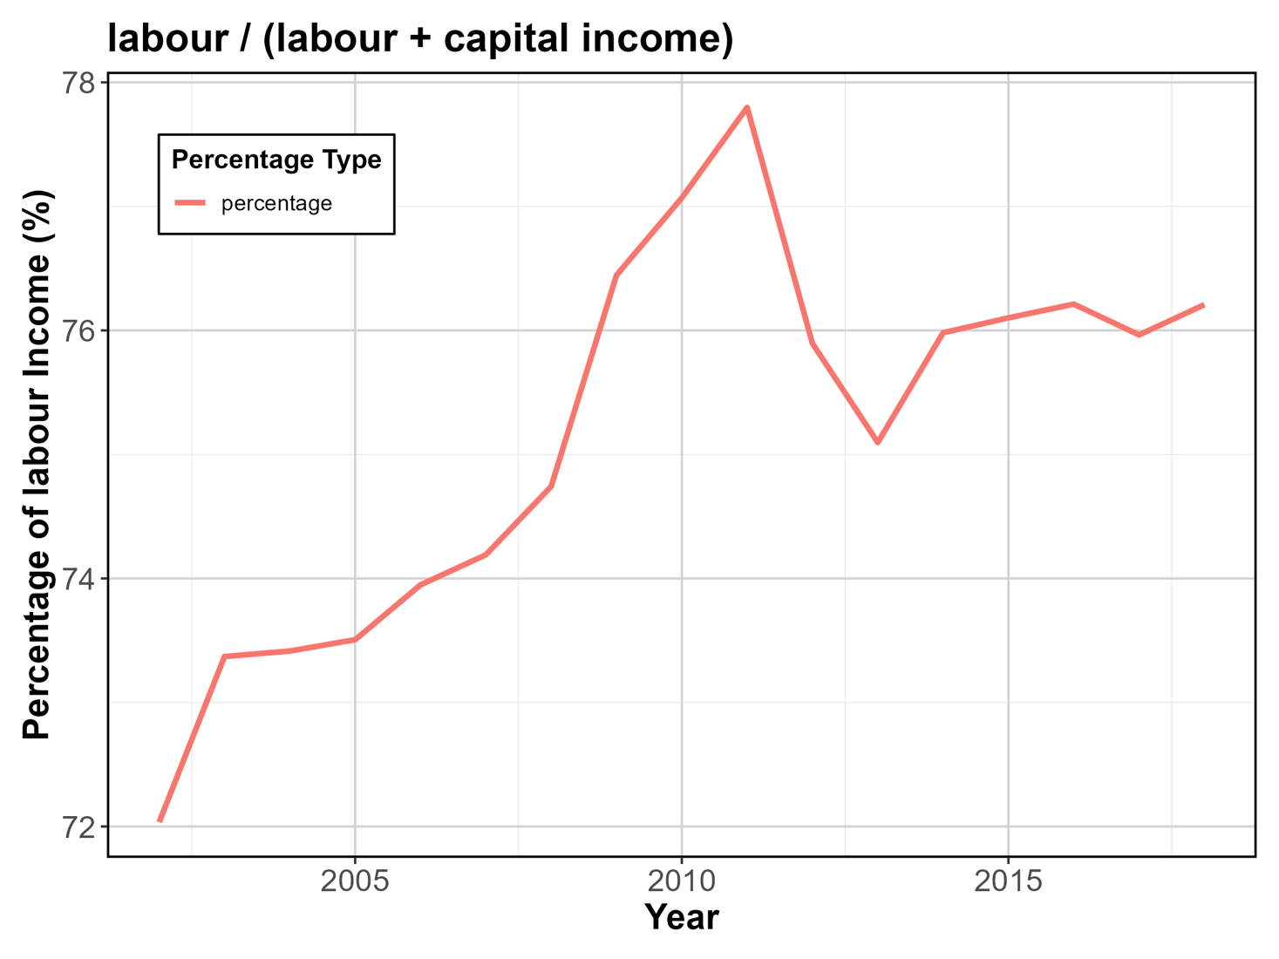
Row Labels | Original
2002 | 72.555355525
2003 | 73.920833405
2004 | 73.978978604
2005 | 74.129982754
2006 | 74.622594617
2007 | 74.808587513
2008 | 75.386162031
2009 | 77.172626198
2010 | 77.783851241
2011 | 78.482709704
2012 | 76.494494718
2013 | 75.618067476
2014 | 76.462895813
2015 | 76.509729462
2016 | 76.602023492
2017 | 76.336905596
2018 | 76.545889609
Grand Total | 1287.4116878

Sensitivity Study: Labour / (Labour + Capital)

Some capital income is moved to the labour, therefore, percentage of labour income do increase in the sensitivty study, but not as significant as the main result ~ does this mean that the capital share does not increase as much as the labour share increase ?
Row Labels | Sensitivity
2002 | 83.243569514
2003 | 83.690447101
2004 | 83.457691628
2005 | 83.277051821
2006 | 83.182157513
2007 | 83.079747909
2008 | 83.450987592
2009 | 84.212318226
2010 | 84.843961084
2011 | 86.003432539
2012 | 84.182753214
2013 | 83.133042417
2014 | 84.511559354
2015 | 84.373726368
2016 | 84.496462028
2017 | 84.540931397
2018 | 84.663896887
Grand Total | 1428.3437366

Figure 4
Growth in Capital and Labour Average Income (from 2002 to 2018)
 | Growth of Capital | Growth of Labour
>=70 | 96.773508809 | 603.35365854
15-25 | 67.317708333 | 70.009411273
25-35 | 23.684210526 | 60.416283771
35-45 | 27.473941578 | 84.320557491
45-55 | 29.201493864 | 93.326818941
55-65 | 47.879001676 | 128.85048835
65-70 | 104.12473423 | 355.3120165
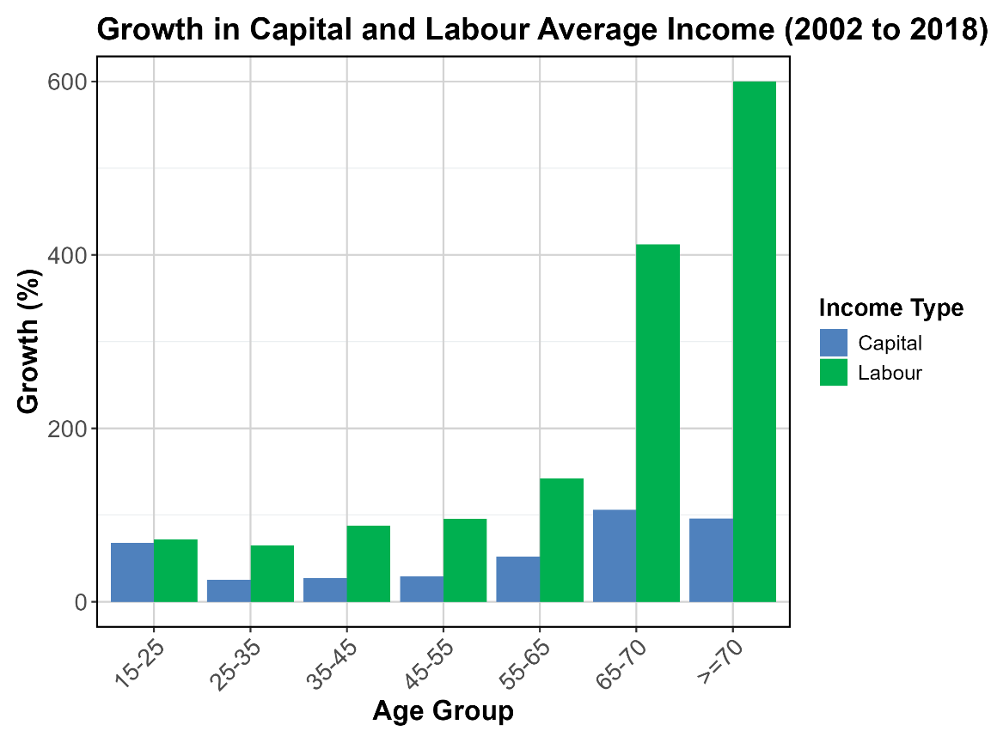

Row Labels | Growth of Capital | Growth of Labour
>=70 | 96.773508809 | 603.35365854
15-25 | 67.317708333 | 70.009411273
25-35 | 23.684210526 | 60.416283771
35-45 | 27.473941578 | 84.320557491
45-55 | 29.201493864 | 93.326818941
55-65 | 47.879001676 | 128.85048835
65-70 | 104.12473423 | 355.3120165
Grand Total | 396.45459902 | 1395.5892349

Growth in Capital and Labour (sensitivity study) Average Income (from 2002 to 2018)
 | Growth of Capital_sensitivity | Growth of Labour_sensitivity
>=70 | 94.769085768 | 317.69911504
15-25 | 56.026058632 | 70.690542348
25-35 | 24.763108023 | 58.110440035
35-45 | 31.993259509 | 76.35939653
45-55 | 36.174603175 | 81.101508219
55-65 | 52.044245309 | 111.62844783
65-70 | 102.13603148 | 279.50366006
Row Labels | Growth of Capital_sensitivity | Growth of Labour_sensitivity
>=70 | 94.769085768 | 317.69911504
15-25 | 56.026058632 | 70.690542348
25-35 | 24.763108023 | 58.110440035
35-45 | 31.993259509 | 76.35939653
45-55 | 36.174603175 | 81.101508219
55-65 | 52.044245309 | 111.62844783
65-70 | 102.13603148 | 279.50366006
Grand Total | 397.90639189 | 995.09311007

Since some capital income is considered as labour in the sensitivity study:
- the average labour income will be higher in the sensitivity study (e.g., in 2002:
* for > 70: the labour income is: 328 (ori) vs 791, and in 2018, it is 2307 vs 3304)
* for 45-55: the labour income is: 24561 (ori) vs 29505, and in 2018, it is 47483 vs 53434)
- the average capital income will be lower in the sensitivity study (e.g., in 2002:
* for > 70: the capital income is: 4711 (ori) vs 4244, and in 2018, it is 9270 vs 8266)
* for 45-55: the capital income is: 11246 (ori) vs 6300, and in 2018, it is 14530 vs 8579)
- the growth rate for > 70 is:
* capital: (9270 - 4711) / 4711 ~ 96%
* capital_sensitivity: (8266 - 4244) / 4244 ~ 94%
* labour: (2307 - 328) / 328 ~ 600%
* labour_sensitivity: (3304 - 791) / 791 ~ 300 %
- the growth rate for 45-50 is:
* capital: (14530 - 11246) / 11246 ~ 29 %
* capital_sensitivity: (8579 - 6300) / 6300 ~ 36 %
* labour: (47483 - 24561) / 24561 ~ 93%
* labour_sensitivity: (53434 - 29505) / 29505 ~ 81 %
Observations: Capital income growth rates are similar between the original and sensitivity studies for both age groups. Labor income growth is significantly lower in the sensitivity study, particularly for the >70 age group.
- for > 70:
* the capital being moved to labour (partnership + self-employment) is actually not much in terms of its share
* however, since the base labour income is low, so it affects labour a lot
-for 45-55
* the capital moved to labour is reasonably big (partnership + self-employment)
* however, since the base labour income is also big, although it affects labour, its effect is less significant. On the other hand, it has bigger impact on capital.
Potential reasons: people 45-55 have more capital income from "partnership + self-emplpoyment" than those > 70

