GPIO_List
GPIO List
PAD Num | PAD Name | PowerDomain | Default | Func0 | Func1 | Func2 | Func3 | Func4 | Func5 | Func6 | Func7 | (QFN)Demo Board 38 IPC |  |  |  | 功能模块 | GPIO设计说明
 |  |  |  |  |  |  |  |  |  |  |  | Function | Net Name | IO Domain | 备注说明 |  | input/output | Default level | PD/PU | Work
55 | SD1_CMD | SD1 | fsel=6 | PWR_SD1_CMD(IO)(PHY) | SPI2_SDO(IO) | IIC3_SCL(IO1) | PWR_GPIO[22] (IO)(PHY) |  | EPHY_LNK_LED (O) | PWR_SPINOR1_MOSI(IO)(PHY) | PWM[8] (IO) | EPHY_LNK | EPHY_LNK | 3.3V |  | ETH
56 | SD1_CLK | SD1 | fsel=6 | PWR_SD1_CLK(IO) (CLK)(PHY) | SPI2_SCK(O)(CLK) | IIC3_SDA(IO1) | PWR_GPIO[23] (IO)(PHY) |  | EPHY_SPD_LED (O) | PWR_SPINOR1_SCK(O)(PHY)(CLK) | PWM[9] (IO) | EPHY_SPD | EPHY_SPD | 3.3V
63 | EPHY_RXP | ETH_PHY |  | (PAD_ETH_TXM) (New) | UART3_RTS(O) | IIC1_SDA(IO1) | XGPIOB[24] (IO) (New) | PWM[12] (IO) | CAM_MCLK1 (O) (CLK) | SPI1_SDI(I) | IIS2_BCLK(CLK) | EPHY | EPHY_RXP | 1.8V
62 | EPHY_RXN | ETH_PHY |  | (PAD_ETH_TXP) (New) | UART3_RX(I1) | IIC1_SCL(IO1) | XGPIOB[25] (IO) (New) | PWM[13] (IO) | CAM_MCLK0(O)(CLK) | SPI1_SDO(IO) | IIS2_LRCK | EPHY | EPHY_RXN | 1.8V
65 | EPHY_TXP | ETH_PHY |  | (PAD_ETH_RXM) (New) | UART3_CTS(I1) | CAM_MCLK0(O)(CLK) | XGPIOB[26] (IO) (New) | PWM[14] (IO) | CAM_VS0 (O) (New) | SPI1_CS_X(O) | IIS2_DI (New) | EPHY | EPHY_TXP | 1.8V
64 | EPHY_TXN | ETH_PHY |  | (PAD_ETH_RXP) (New) | UART3_TX(O) | CAM_MCLK1 (O) (CLK) | XGPIOB[27] (IO) (New) | PWM[15] (IO) | CAM_HS0 (O) (New) | SPI1_SCK(O)(CLK) | IIS2_DO (New) | EPHY | EPHY_TXN | 1.8V
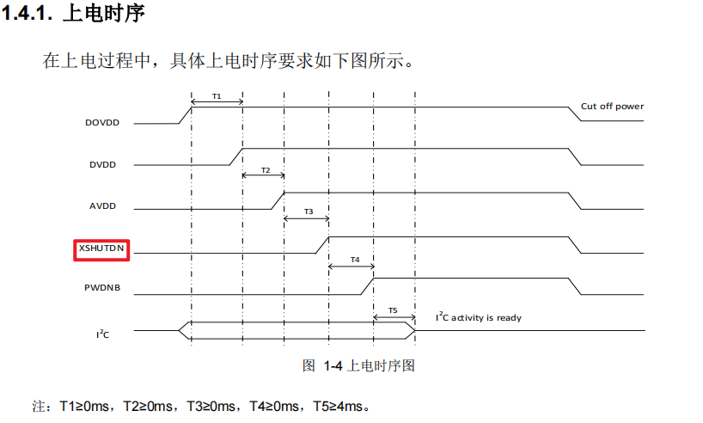
72 | PAD_MIPIRX4N | VDD18A_MIPI |  | (PAD_MIPIRX4N) | VI0_CLK (I) (PHY) (CLK) | VI1_D[13] (I) (PHY) | XGPIOC[2] (IO) (ANA_TESTOUT_VIVO) | IIC1_SDA (IO1) | CAM_MCLK0(O)(CLK) | KEY_ROW0 (IO) | DBG[2] (O) | MIPI | MIPIRX0_PAD4N | 1.8V |  | CAM
73 | PAD_MIPIRX4P | VDD18A_MIPI |  | (PAD_MIPIRX4P) | VI0_D[0] (I) (PHY) | VI1_D[14] (I) (PHY) | XGPIOC[3] (IO) | IIC1_SCL (IO1) | CAM_MCLK1 (O) (CLK) | KEY_ROW1 (IO) | DBG[3] (O) | MIPI | MIPIRX0_PAD4P | 1.8V
74 | PAD_MIPIRX3N | VDD18A_MIPI |  | (PAD_MIPIRX3N) | VI0_D[1] (I) (PHY) | VI1_D[15] (I) (PHY) | XGPIOC[4] (IO) | CAM_MCLK0(O)(CLK) |  |  | DBG[4] (O) | MIPI | MIPIRX0_PAD3N | 1.8V
75 | PAD_MIPIRX3P | VDD18A_MIPI |  | (PAD_MIPIRX3P) | VI0_D[2] (I) (PHY) | VI1_D[16] (I) (PHY) | XGPIOC[5] (IO) |  |  |  | DBG[5] (O) | MIPI | MIPIRX0_PAD3P | 1.8V
76 | PAD_MIPIRX2N | VDD18A_MIPI |  | (PAD_MIPIRX2N) | VI0_D[3] (I) (PHY) | VO_D[10] (O) (PHY) | XGPIOC[6] (IO) | VI1_D[17] (I) (PHY) | IIC4_SCL (IO1) |  | DBG[6] (O) | MIPI | MIPIRX0_PAD2N | 1.8V
77 | PAD_MIPIRX2P | VDD18A_MIPI |  | (PAD_MIPIRX2P) | VI0_D[4] (I) (PHY) | VO_D[9] (O) (PHY) | XGPIOC[7] (IO) | VI1_D[18] (I) (PHY) | IIC4_SDA (IO1) |  | DBG[7] (O) | MIPI | MIPIRX0_PAD2P | 1.8V
78 | PAD_MIPIRX1N | VDD18A_MIPI |  | (PAD_MIPIRX1N) | VI0_D[5] (I) (PHY) | VO_D[8] (O) (PHY) | XGPIOC[8] (IO) |  |  | KEY_ROW3 (IO) | DBG[8] (O) | MIPI | MIPIRX0_PAD1N | 1.8V
79 | PAD_MIPIRX1P | VDD18A_MIPI |  | (PAD_MIPIRX1P) | VI0_D[6] (I) (PHY) | VO_D[7] (O) (PHY) | XGPIOC[9] (IO) | IIC1_SDA (IO1) |  | KEY_ROW2 (IO) | DBG[9] (O) | MIPI | MIPIRX0_PAD1P | 1.8V
80 | PAD_MIPIRX0N | VDD18A_MIPI |  | (PAD_MIPIRX0N) | VI0_D[7] (I) (PHY) | VO_D[6] (O) (PHY) | XGPIOC[10] (IO) | IIC1_SCL (IO1) | CAM_MCLK1 (O) (CLK) |  | DBG[10] (O) | MIPI | MIPIRX0_PAD0N | 1.8V
81 | PAD_MIPIRX0P | VDD18A_MIPI |  | (PAD_MIPIRX0P) | VI0_D[8] (I) (PHY) | VO_D[5] (O) (PHY) | XGPIOC[11] (IO) | CAM_MCLK0(O)(CLK) |  |  | DBG[11] (O) | MIPI | MIPIRX0_PAD0P | 1.8V
88 | PAD_MIPI_TXP0 | VDD18A_MIPI |  | (PAD_MIPI_TXP0) | VI0_D[10] (I) (PHY) | VO_D[3] (O) (PHY) | XGPIOC[13] (IO) | CAM_MCLK0 (O) (CLK) | PWM[15](IO) |  | DBG[13] (O) | CAM_MCLK0 | CAM_MCLK0 | 1.8V
84 | PAD_MIPI_TXP2 | VDD18A_MIPI |  | (PAD_MIPI_TXP2) | VI0_D[14] (I) (PHY) | VO_CLK0 (O) (PHY) (CLK) | XGPIOC[17] (IO) | IIC1_SCL(IO1) | PWM[9](IO) | SPI0_CS_X(O) | DBG[17] (O) | GPIO | CAM_RST0 | 1.8V |  |  | Output | L | PD | H：Normal L: CAM Reset H：Normal
85 | PAD_MIPI_TXM1 | VDD18A_MIPI |  | (PAD_MIPI_TXM1) | VI0_D[11] (I) (PHY) | VO_D[2] (O) (PHY) | XGPIOC[14] (IO) | IIC2_SDA (IO1) | PWM[10](IO) | SPI0_SDO(IO) | DBG[14] (O) | I2C2 | CAM_I2C2_SDA | 1.8V
86 | PAD_MIPI_TXP1 | VDD18A_MIPI |  | (PAD_MIPI_TXP1) | VI0_D[12] (I) (PHY) | VO_D[1] (O) (PHY) | XGPIOC[15] (IO) | IIC2_SCL(IO1) | PWM[11](IO) | SPI0_SDI(I) | DBG[15] (O) | I2C2 | CAM_I2C2_SCL | 1.8V
18 | UART0_TX | EMMC | fsel=0, PU=1, PD=0 | UART0_TX(O) | CAM_MCLK1 (O)(CLK) | PWM[4] (IO) | XGPIOA[16] (IO) | UART1_TX(O) | AUX1(O) |  | DBG[6] (O) | UART | UART0_TX | 3.3V |  | Debug
19 | UART0_RX | EMMC | fsel=0, PU=1, PD=0 | UART0_RX(I1) | CAM_MCLK0 (O)(CLK) | PWM[5] (IO) | XGPIOA[17] (IO) | UART1_RX(I1) | AUX0(O) |  | DBG[7] (O) | UART | UART0_RX | 3.3V
20 | EMMC_DAT2 | EMMC | fsel=1 | EMMC_DAT[2](IO1)(PHY) | SPINOR_HOLD_X(IO)(PHY) | SPINAND_HOLD(IO)(PHY) | XGPIOA[26] (IO) |  |  |  |  | SPINAND_HOLD | SPINAND_HOLD(IO)(PHY) | 3.3V |  | Flash
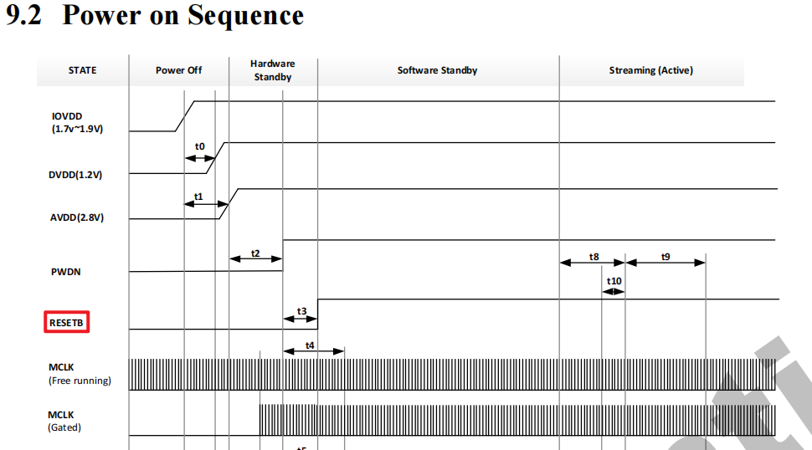
21 | EMMC_CLK | EMMC | fsel=1 | EMMC_CLK(O)(PHY)(CLK) | SPINOR_SCK(O)(PHY)(CLK) | SPINAND_CLK(IO)(PHY)(CLK) | XGPIOA[22] (IO) |  |  |  |  | SPINAND_CLK | SPINAND_CLK(IO)(PHY)(CLK) | 3.3V
22 | EMMC_DAT0 | EMMC | fsel=1, PU=1, PD=0 | EMMC_DAT[0](IO1)(PHY) | SPINOR_MOSI(IO)(PHY) | SPINAND_MOSI(IO)(PHY) | XGPIOA[25] (IO) |  |  |  |  | SPINAND_MOSI | SPINAND_MOSI(IO)(PHY) | 3.3V
23 | EMMC_DAT3 | EMMC | fsel=1, PU=1, PD=0 | EMMC_DAT[3](IO1)(PHY) | SPINOR_WP_X(IO)(PHY) | SPINAND_WP(IO)(PHY) | XGPIOA[27] (IO) |  |  |  |  | SPINAND_WP | SPINAND_WP(IO)(PHY) | 3.3V
24 | EMMC_CMD | EMMC | fsel=1, PU=1, PD=0 | EMMC_CMD(IO1)(PHY) | SPINOR_MISO(IO)(PHY) | SPINAND_MISO(IO)(PHY) | XGPIOA[23] (IO) |  |  |  |  | SPINAND_MISO | SPINAND_MISO(IO)(PHY) | 3.3V
25 | EMMC_DAT1 | EMMC | fsel=1 | EMMC_DAT[1](IO1)(PHY) | SPINOR_CS_X(IO)(PHY) | SPINAND_CS(IO)(PHY) | XGPIOA[24] (IO) |  |  |  |  | SPINAND_CS | SPINAND_CS(IO)(PHY) | 3.3V
26 | JTAG_CPU_TMS | EMMC | fsel=0 | JTAG_CPU_TMS(IO) | CAM_MCLK0 (O)(CLK) | PWM[7] (IO) | XGPIOA[19] (IO) | UART1_RTS (O) | AUX0(O) | UART1_TX(O) | DBG[9] (O) | UART | UART1_TX(O) | 3.3V |  | UART1
27 | JTAG_CPU_TCK | EMMC | fsel=0 | JTAG_CPU_TCK(CLK)(I) | CAM_MCLK1 (O)(CLK) | PWM[6] (IO) | XGPIOA[18] (IO) | UART1_CTS (I1) | AUX1(O) | UART1_RX(I1) | DBG[8] (O) | UART | UART1_RX(I1) | 3.3V
2 | PAD_AUD_AINL_MIC | AUD |  | (PAD_AUD_AINL_MIC) |  |  | XGPIOC[23] (IO) | IIS1_BCLK (CLK) |  |  |  | MIC | PAD_AUD_AINL_MIC | 1.8V |  | MIC
20 | AUX0 | EMMC |  | AUX0 (O) |  |  | XGPIOA[30] (IO) | IIS1_MCLK (CLK) |  | WG1_D1(IO1) | DBG[12] (O) | GPIO | RESET | 3.3V |  | RESET | Input | HiZ | HiZ | H：Normal L：UPDATA/Reset
48 | PWR_GPIO1 | RTC | fsel=0 | PWR_GPIO[1](IO)/(SAR1.VIN2) | UART2_RX(I1) |  | EPHY_LNK_LED (O) | PWM[9] (IO) | PWR_IIC_SCL(IO1) (PHY) | IIC2_SCL(IO1) | PWR_MCU_JTAG_TMS (IO) (PHY) |  | NC | 1.8V |  | NC
49 | PWR_GPIO2 | RTC | fsel=0 | PWR_GPIO[2] (IO) (PHY) |  | PWR_SECTICK (O) (PHY) (DBG) | EPHY_SPD_LED (O) | PWM[10] (IO) | PWR_IIC_SDA(IO1) (PHY) | IIC2_SDA(IO1) | PWR_MCU_JTAG_TCK (I) (PHY) (CLK) |  | NC | 1.8V
47 | PWR_GPIO0 | RTC | fsel=0 | PWR_GPIO[0] (IO) (PHY) | UART2_TX(O) | PWR_UART0_TX(O) (PHY) |  | PWM[8] (IO) |  |  |  |  | NC | 1.8V
67 | EPHY_RTX |  |  |  |  |  |  |  |  |  |  |  | NC | 1.8V
83 | PAD_MIPI_TXM2 | VDD18A_MIPI |  | (PAD_MIPI_TXM2) | VI0_D[13] (I) (PHY) | VO_D[0] (O) (PHY) | XGPIOC[16] (IO) | IIC1_SDA(IO1) | PWM[8](IO) | SPI0_SCK(O)(CLK) | DBG[16] (O) |  | NC | 1.8V
87 | PAD_MIPI_TXM0 | VDD18A_MIPI |  | (PAD_MIPI_TXM0) | VI0_D[9] (I) (PHY) | VO_D[4] (O) (PHY) | XGPIOC[12] (IO) | CAM_MCLK1 (O) (CLK) | PWM[14](IO) |  | DBG[12] (O) |  | NC | 1.8V
40 | PWR_SEQ1 | RTC | fsel=0 | PWR_SEQ1(O)(PHY) |  |  | PWR_GPIO[3] (IO)(PHY) |  |  |  |  | PWR | NC | 1.8V |  | PWR
41 | PWR_SEQ2 | RTC | fsel=0 | PWR_SEQ2(O)(PHY) |  |  | PWR_GPIO[4] (IO)(PHY) |  |  |  |  | PWR | PWR_SEQ2 | 1.8V
43 | PWR_WAKEUP0 | RTC | fsel=0, PU=0, PD=1 | PWR_WAKEUP0 (I)(PHY) |  | PWR_UART0_RX(I1) (PHY) | PWR_GPIO[6] (IO)(PHY) | UART1_TX(O) | IIC4_SCL (IO1) | EPHY_LNK_LED (O) | WG2_D0(IO1) | PWR_WAKEUP0 | NC | 1.8V
44 | PWR_BUTTON1 | RTC | fsel=0, PU=1, PD=0 | PWR_BUTTON1 (I1)(PHY) |  |  | PWR_GPIO[8] (IO)(PHY) | UART1_RX(I1) | IIC4_SDA (IO1) | EPHY_SPD_LED (O) | WG2_D1(IO1) | PWR_BUTTON1 | NC | 1.8V
58 | PWM0_BUCK | VDDIO18_2 | fsel=3, PU=0, PD=0 | PWM[0](IO) |  |  | XGPIOB[0] (IO) |  |  |  |  | PWR | PWM0_BUCK | 1.8V
6 | SD0_CLK | SD0 | fsel=0 | SDIO0_CLK(O)(PHY)(CLK) | IIC1_SDA (IO1) | SPI0_SCK(O)(CLK) | XGPIOA[7] (IO) |  | PWM[15](IO) | EPHY_LNK_LED (O) | DBG[0] (O) | SD0_CLK | SD0_CLK | 3.3V |  | SD CARD
7 | SD0_CMD | SD0 | fsel=0 | SDIO0_CMD(IO1)(PHY) | IIC1_SCL (IO1) | SPI0_SDO(IO) | XGPIOA[8] (IO) |  | PWM[14](IO) | EPHY_SPD_LED (O) | DBG[1] (O) | SD0_CMD | SD0_CMD | 3.3V
8 | SD0_D0 | SD0 | fsel=0 | SDIO0_D[0](IO)(PHY) | CAM_MCLK1 (O)(CLK) | SPI0_SDI(I) | XGPIOA[9] (IO) | UART3_TX(O) | PWM[13](IO) | WG0_D0(IO1) | DBG[2] (O) | SD0_D0 | SD0_D0 | 3.3V
10 | SD0_D1 | SD0 | fsel=0 | SDIO0_D[1](IO)(PHY) | IIC1_SDA (IO1) | AUX0(O) | XGPIOA[10] (IO) | UART1_TX(O) | PWM[12](IO) | WG0_D1(IO1) | DBG[3] (O) | SD0_D1 | SD0_D1 | 3.3V
11 | SD0_D2 | SD0 | fsel=0 | SDIO0_D[2](IO)(PHY) | IIC1_SCL (IO1) | AUX1(O) | XGPIOA[11] (IO) | UART1_RX(I1) | PWM[11](IO) | WG1_D0(IO1) | DBG[4] (O) | SD0_D2 | SD0_D2 | 3.3V
12 | SD0_D3 | SD0 | fsel=0 | SDIO0_D[3](IO)(PHY) | CAM_MCLK0 (O)(CLK) | SPI0_CS_X(O) | XGPIOA[12] (IO) | UART3_RX(I1) | PWM[10](IO) | WG1_D1(IO1) | DBG[5] (O) | SD0_D3 | SD0_D3 | 3.3V
14 | SD0_CD | EMMC | fsel=0, PU=1, PD=0 | SDIO0_CD(I) |  |  | XGPIOA[13] (IO) |  |  |  |  | SD0_CD | SD0_CD | 3.3V
15 | SD0_PWR_EN | EMMC | fsel=0 | SDIO0_PWR_EN(O) |  |  | XGPIOA[14] (IO) |  |  |  |  | SD0_PWR_EN | SD0_PWR_EN | 3.3V
17 | SPK_EN | EMMC |  | (CAM_RST0(O)--GPIO) |  |  | XGPIOA[15] (IO) |  |  |  |  | GPIO | SPK_EN | 3.3V |  | SPEAKER | Output | L | PD | H：Speaker Enable L：Speaker Disable
4 | PAD_AUD_AOUTR | AUD |  | (PAD_AUD_AOUTR) |  |  | XGPIOC[24] (IO) | IIS1_DI |  |  |  | AOUTR | PAD_AUD_AOUTR | 1.8V
28 | IIC0_SCL | EMMC | fsel=0, PU=1, PD=0 | CV_SCL0__CR_4WTDI (IO1)(New) | UART1_TX(O) | UART2_TX(O) | XGPIOA[28] (IO) |  | WG0_D0(IO1) |  | DBG[10] (O) | GPIO | IOIN | 3.3V |  | IO
29 | IIC0_SDA | EMMC | fsel=0, PU=1, PD=0 | CV_SDA0__CR_4WTDO (IO1)(New) | UART1_RX(I1) | UART2_RX(I1) | XGPIOA[29] (IO) |  | WG0_D1(IO1) | WG1_D0(IO1) | DBG[11] (O) | GPIO | IOOUT | 3.3V
60 | USB_VBUS_DET | VDDIO18_8 | fsel=0, PU=0, PD=0 | USB_VBUS_DET (I) |  |  | XGPIOB[6] (IO) (TEMPSEN_BJT_ANA_TOUT) | CAM_MCLK0(O)(CLK) | CAM_MCLK1 (O) (CLK) |  |  | USB | USB_VBUS_DET | 1.8V |  | USB
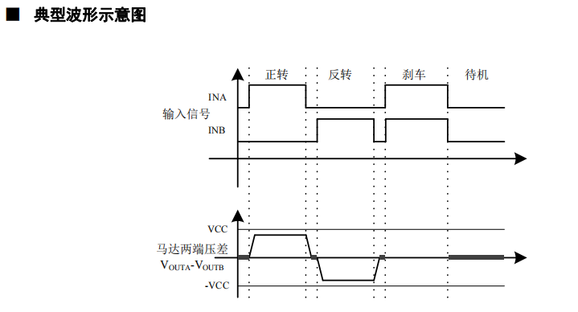
51 | SD1_D3 | SD1 | fsel=6 | PWR_SD1_D3(IO)(PHY) | SPI2_CS_X(O) | IIC1_SCL(IO1) | PWR_GPIO[18] (IO)(PHY) | CAM_MCLK0(O)(CLK) | UART3_CTS(I1) | PWR_SPINOR1_CS_X(IO)(PHY) | PWM[4] (IO) | GPIO | IRCUT_ENB | 3.3V |  | IRCUT | Output | L | PD | A,B H,L:正转 L,H：反转 H,H：刹车 L,L：待机
52 | SD1_D2 | SD1 | fsel=6 | PWR_SD1_D2(IO)(PHY) | IIC1_SCL(IO1) | UART2_TX(O) | PWR_GPIO[19] (IO)(PHY) | CAM_MCLK0(O)(CLK) | UART3_TX(O) | PWR_SPINOR1_HOLD_X(IO)(PHY) | PWM[5] (IO)(IRLED_PWM) | GPIO | IRCUT_ENA | 3.3V |  |  | Output | L | PD
59 | ADC1 | VDDIO18_5 |  | (ADC1) |  |  | XGPIOB[3] (IO) | KEY_COL2(I1) |  |  |  | ADC | CDS+ | 1.8V |  | LED
53 | SD1_D1 | SD1 | fsel=6 | PWR_SD1_D1(IO)(PHY) | IIC1_SDA(IO1) | UART2_RX(I1) | PWR_GPIO[20] (IO)(PHY) | CAM_MCLK1 (O) (CLK) | UART3_RX(I1) | PWR_SPINOR1_WP_X(IO)(PHY) | PWM[6] (IO)(IRCUT_ENB) | PWM | IRLED_PWM | 3.3V
54 | SD1_D0 | SD1 | fsel=6 | PWR_SD1_D0(IO)(PHY) | SPI2_SDI(I) | IIC1_SDA(IO1) | PWR_GPIO[21] (IO)(PHY) | CAM_MCLK1 (O) (CLK) | UART3_RTS(O) | PWR_SPINOR1_MISO(IO)(PHY) | PWM[7] (IO)(IRCUT_ENA) | PWM | WLED_PWM | 3.3V

