AIS-Postpaid-Main Package
url | plan | Operator | Price | System | Unlimited_Call | Call (Mins) | Second | Unlimited_Internet | Internet (GBs) | Fair usage policy (FUP) | Wifi | 3G-4G-5G | SMS | MMS | Entertainment | Entertainment package | Entertainment contract (Month) | Privilege | Exclusive privilege | Contract | Extra
https://www.ais.th/consumers/package/exclusive-plan/5g-max-professionals | 5G Max Professionals​
https://www.ais.th/consumers/package/exclusive-plan/5g-max-experience | 5G MAX Experience
https://www.ais.th/consumers/package/exclusive-plan/5g-netflix | 5G NETFLIX
https://www.ais.th/consumers/package/exclusive-plan/5g-smart-share | 5G Smart Share
https://www.ais.th/consumers/package/postpaid/postpaid-plans | Mahamongkol
https://www.ais.th/consumers/package/postpaid/postpaid-plans | 5G Serenade
https://www.ais.th/consumers/package/postpaid/postpaid-plans | 5G Seller
https://www.ais.th/consumers/package/postpaid/postpaid-plans | Online MAX
https://www.ais.th/consumers/package/exclusive-plan/zeed-5g/5g-postpaid | AIS ZEED 5G
https://www.ais.th/consumers/package/postpaid/postpaid-plans | Other

*data in tab click
url : https://www.ais.th/consumers/package/postpaid/postpaid-plans

 | https://www.ais.th/consumers/package/postpaid/postpaid-plans

Dtac-Postpaid-Main Package
url | plan | Operator | Price | System | Unlimited_Call | Call (Mins) | Second | Unlimited_Internet | Internet (GBs) | Fair usage policy (FUP) | Wifi | 3G-4G-5G | SMS | MMS | Entertainment | Entertainment package | Entertainment contract (Month) | Privilege | Exclusive privilege | Contract | Extra
https://www.dtac.co.th/postpaid/products/package.html | dtac 5G Better+
https://www.dtac.co.th/dtac-go-plus | dtac GO+
https://www.dtac.co.th/postpaid/products/net.html | Tablet net non-stop
https://www.dtac.co.th/postpaid/products/net.html | SMP Entry 240

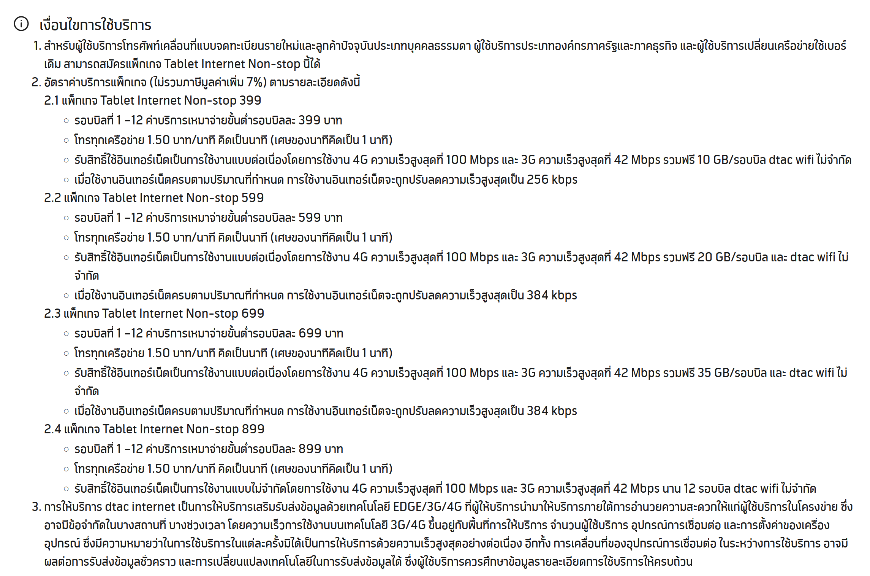

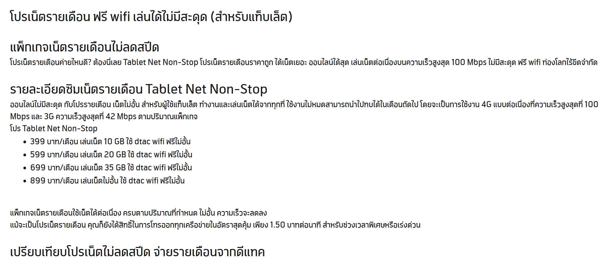
*some data in "เงื่อนไข"

for Tablet net non-stop
url : https://www.dtac.co.th/postpaid/products/net.html

NT-Postpaid-Main Package
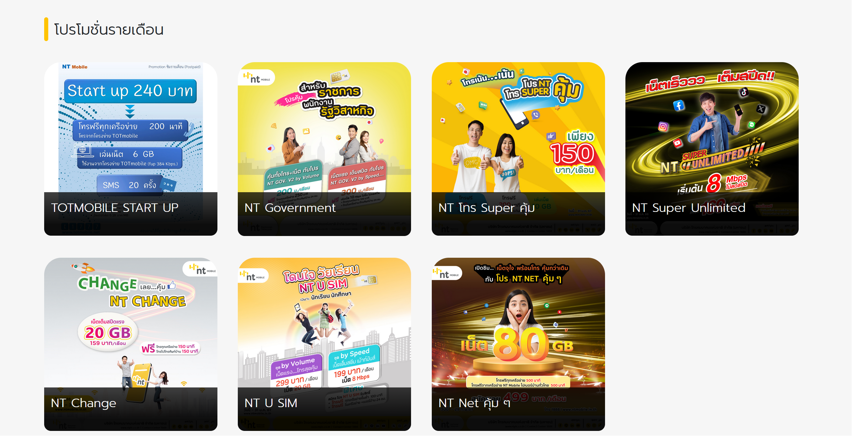
url | plan | Operator | Price | System | Unlimited_Call | Call (Mins) | Second | Unlimited_Internet | Internet (GBs) | Fair usage policy (FUP) | Wifi | 3G-4G-5G | SMS | MMS | Entertainment | Entertainment package | Entertainment contract (Month) | Privilege | Exclusive privilege | Contract | Extra
https://www.ntmobile.in.th/th/Postpaid.aspx | NT Super Unlimited
https://www.ntmobile.in.th/th/Postpaid.aspx | TOT Mobile Start Up
https://www.ntmobile.in.th/th/Postpaid.aspx | GOV By Volume
https://www.ntmobile.in.th/th/Postpaid.aspx | NT U Sim by Volume
https://www.ntmobile.in.th/th/Postpaid.aspx | NT Change
https://www.ntmobile.in.th/th/Postpaid.aspx | NT SME Talk
https://www.ntmobile.in.th/th/Postpaid.aspx | NT SME Net
https://www.ntmobile.in.th/th/Postpaid.aspx | My 4G Ultra Max
https://www.ntmobile.in.th/th/Postpaid.aspx | My 4G TollD Net Plern
https://www.ntmobile.in.th/th/Postpaid.aspx | My 4G Smart Second
https://www.ntmobile.in.th/th/Postpaid.aspx | My 4G Ultra Net
https://www.ntmobile.in.th/th/Postpaid.aspx | My Simple plan
https://www.ntmobile.in.th/th/Postpaid.aspx | My TongFa
https://www.ntmobile.in.th/th/Postpaid.aspx | My Second
https://www.ntmobile.in.th/th/Postpaid.aspx | My Talk Plern
https://www.ntmobile.in.th/th/Postpaid.aspx | My Special New 100

*data in image click **

