15
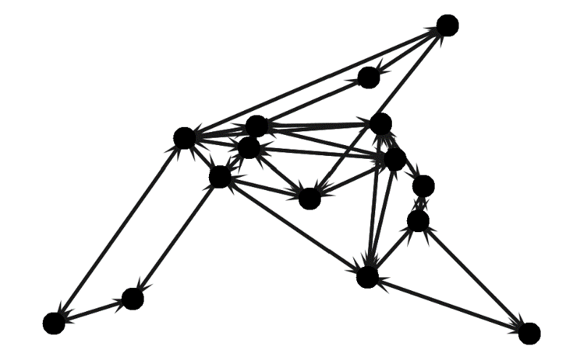
15 nodes
 | 10 | 20 | 30 | 40 | 50 | 60 | 70 | 80
All switches and links | 82% | 85% | 89% | 92% | 94% | 95% | 97% | 100% |  | 42 | 55
Rectilinear | 72% | 74% | 75% | 77% | 80% | 82% | 86% | 88% | medium
DevoFlow | 68% | 72% | 73% | 72% | 75% | 79% | 84% | 87% | medium
EXR | 66% | 68% | 70% | 71% | 74% | 76% | 80% | 85% | medium
RMAD, RMAD+ | 67% | 70% | 71% | 71% | 73% | 74% | 79% | 83% | mdium
Giroire et al.'s heuristic algorithm | 42% | 46% | 49% | 56% | 60% | 62% | 68% | 77% | high
MHAES | 46% | 47% | 48% | 55% | 57% | 60% | 66% | 75% | high

 |  |  |  |  |  |  |  | 100%
 |  |  |  |  |  |  |  | 86%
 |  |  |  |  |  |  |  | 85%
 |  |  |  |  |  |  |  | 84%
 |  |  |  |  |  |  |  | 82%
 |  |  |  |  |  |  |  | 76%
 |  |  |  |  |  |  |  | 73%

60
Using 15 nodes
 | All switches and links | Rectilinear | DevoFlow | EXR | RMAD, RMAD+ | Giroire et al.'s heuristic algorithm | MHAES
10 | 82% | 72% | 68% | 66% | 67% | 42% | 46%
20 | 85% | 74% | 72% | 68% | 70% | 46% | 47%
30 | 89% | 75% | 73% | 70% | 71% | 49% | 48%
40 | 92% | 77% | 72% | 71% | 71% | 56% | 55%
50 | 94% | 80% | 75% | 74% | 73% | 60% | 57%
60 | 95% | 82% | 79% | 76% | 74% | 62% | 60%
70 | 97% | 86% | 84% | 80% | 79% | 68% | 66%
80 | 100% | 88% | 87% | 85% | 83% | 77% | 75%
Using 30 nodes
 | All switches and links | Rectilinear | DevoFlow | EXR | RMAD, RMAD+ | Giroire et al.'s heuristic algorithm | MHAES
10 | 83% | 71% | 67% | 65% | 68% | 47% | 48%
20 | 85% | 72% | 69% | 68% | 71% | 49% | 52%
30 | 88% | 74% | 71% | 70% | 71% | 53% | 54%
40 | 90% | 76% | 73% | 72% | 72% | 58% | 56%
50 | 94% | 79% | 76% | 74% | 73% | 62% | 60%
60 | 96% | 80% | 78% | 76% | 75% | 66% | 64%
70 | 97% | 84% | 83% | 81% | 77% | 72% | 70%
80 | 100% | 87% | 86% | 84% | 82% | 76% | 74%
15 nodes
 | 10 | 20 | 30 | 40 | 50 | 60 | 70 | 80
All switches and links | 82% | 85% | 89% | 92% | 94% | 95% | 97% | 100% |  | 43 | 66
Rectilinear | 72% | 74% | 75% | 77% | 80% | 82% | 86% | 88% | medium
DevoFlow | 68% | 72% | 73% | 72% | 75% | 79% | 84% | 87% | medium
EXR | 66% | 68% | 70% | 71% | 74% | 76% | 80% | 85% | medium
RMAD, RMAD+ | 67% | 70% | 71% | 71% | 73% | 74% | 79% | 83% | mdium
Giroire et al.'s heuristic algorithm | 42% | 46% | 49% | 56% | 60% | 62% | 68% | 77% | high
MHAES | 46% | 47% | 48% | 55% | 57% | 60% | 66% | 75% | high

30 nodes
 | 10 | 20 | 30 | 40 | 50 | 60 | 70 | 80 |  | 72 | 108
All switches and links | 83% | 85% | 88% | 90% | 94% | 96% | 97% | 100%
Rectilinear | 71% | 72% | 74% | 76% | 79% | 80% | 84% | 87% | medium
DevoFlow | 67% | 69% | 71% | 73% | 76% | 78% | 83% | 86% | medium
EXR | 65% | 68% | 70% | 72% | 74% | 76% | 81% | 84% | medium
RMAD, RMAD+ | 68% | 71% | 71% | 72% | 73% | 75% | 77% | 82% | mdium
Giroire et al.'s heuristic algorithm | 47% | 49% | 53% | 58% | 62% | 66% | 72% | 76% | high
Using 45 nodes
 | All switches and links | Rectilinear | DevoFlow | EXR | RMAD, RMAD+ | Giroire et al.'s heuristic algorithm | MHAES
10 | 85% | 70% | 68% | 67% | 62% | 48% | 51%
20 | 86% | 71% | 69% | 68% | 64% | 49% | 50%
30 | 91% | 73% | 71% | 71% | 67% | 51% | 50%
40 | 92% | 74% | 72% | 73% | 69% | 56% | 53%
50 | 93% | 76% | 75% | 74% | 70% | 58% | 55%
60 | 96% | 78% | 77% | 76% | 71% | 60% | 57%
70 | 98% | 80% | 80% | 77% | 73% | 66% | 64%
80 | 100% | 85% | 83% | 80% | 79% | 72% | 70%
Using 60 nodes
MHAES | 48% | 52% | 54% | 56% | 60% | 64% | 70% | 74% | high

45 nodes
 | 10 | 20 | 30 | 40 | 50 | 60 | 70 | 80 |  | 124 | 152.00
All switches and links | 85% | 86% | 91% | 92% | 93% | 96% | 98% | 100%
Rectilinear | 70% | 71% | 73% | 74% | 76% | 78% | 80% | 85% | medium
DevoFlow | 68% | 69% | 71% | 72% | 75% | 77% | 80% | 83% | medium
EXR | 67% | 68% | 71% | 73% | 74% | 76% | 77% | 80% | medium
RMAD, RMAD+ | 62% | 64% | 67% | 69% | 70% | 71% | 73% | 79% | mdium
Giroire et al.'s heuristic algorithm | 48% | 49% | 51% | 56% | 58% | 60% | 66% | 72% | high
MHAES | 51% | 50% | 50% | 53% | 55% | 57% | 64% | 70% | high

60 nodes |  |  |  |  |  |  |  |  |  | 154 | 214
 | 10 | 20 | 30 | 40 | 50 | 60 | 70 | 80
All switches and links | 84% | 86% | 87% | 89% | 94% | 96% | 98% | 100%
Rectilinear | 67% | 69% | 70% | 71% | 72% | 77% | 84% | 88% | medium
DevoFlow | 66% | 67% | 68% | 70% | 71% | 76% | 82% | 86% | medium
EXR | 62% | 63% | 64% | 68% | 69% | 74% | 81% | 84% | medium
RMAD, RMAD+ | 60% | 62% | 64% | 67% | 68% | 73% | 77% | 80% | mdium
Giroire et al.'s heuristic algorithm | 49% | 51% | 54% | 58% | 62% | 66% | 69% | 73% | high
MHAES | 52% | 53% | 55% | 58% | 60% | 65% | 68% | 71% | high

