RandomSearch_Tuner
The best models by Random Search
Model | 1 |  | 2 |  | 3 |  | 4
Configuration | layers: | 1 | layers: | 3 | layers: | 2 | layers: | 1
 | units_0: | 600 | units_0: | 200 | units_0: | 400 | units_0: | 600
 | activations_0: | relu | activations_0: | relu | activations_0: | relu | activations_0: | sigmoid
 | learning_rate: | 0.0005 | units_1: | 1000 | units_1: | 600 | learning_rate: | 0.0014
 | Score: | 0.1707 | activations_1: | sigmoid | activations_1: | sigmoid | Score: | 0.1729
 |  |  | units_2: | 200 | learning_rate: | 0.0005
 |  |  | activations_2: | relu | Score: | 0.1806
 |  |  | learning_rate: | 0.0001
 |  |  | Score: | 0.1560

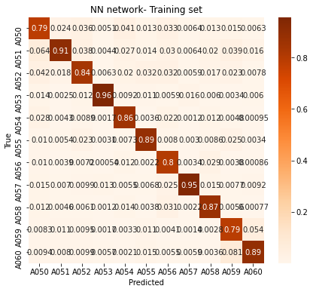
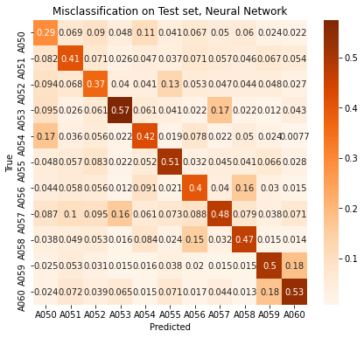
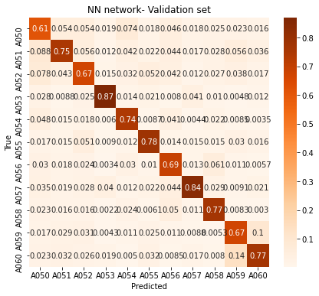
Model 1 | cs,skips=2
layers: | 1
units_0: | 600
activations_0: | relu
learning_rate: | 0.0005
epochs: | 200

Train acc: | 0.8592
Val acc: | 0.7480
Test acc: | 0.4504

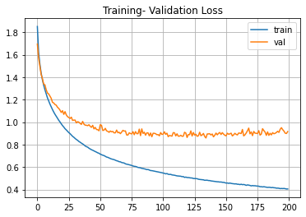
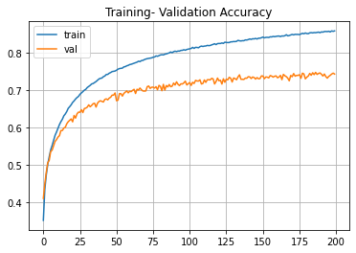

Model 4
layers: | 1
units_0: | 600
activations_0: | sigmoid
learning_rate: | 0.0014
epochs:

Models-based-on-my_smallsearch
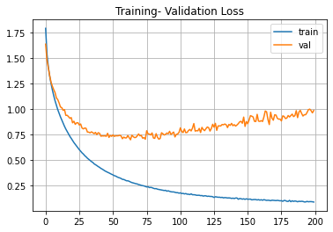
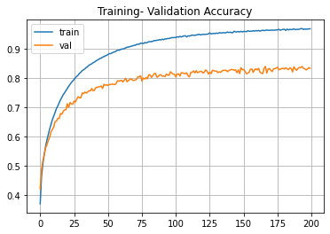
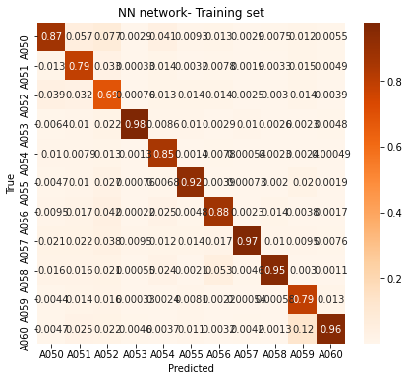
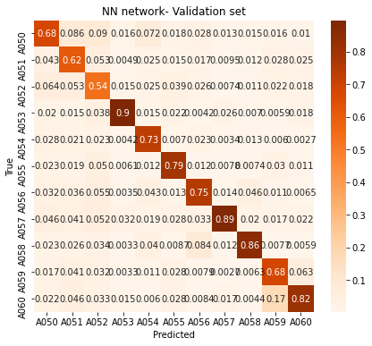

Model 1 | cs,skips=2
layers: | 1
units_0: | 700
activations_0: | relu
learning_rate: | 0.0010
epochs: | 200

Train acc: | 0.8843
Val acc: | 0.7663
Test acc: | 0.4518

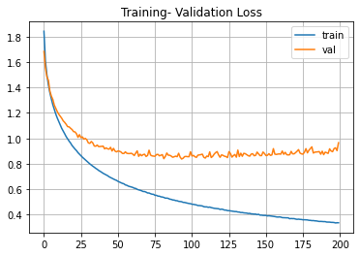
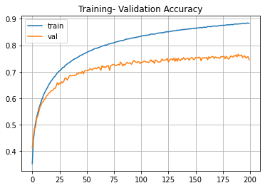

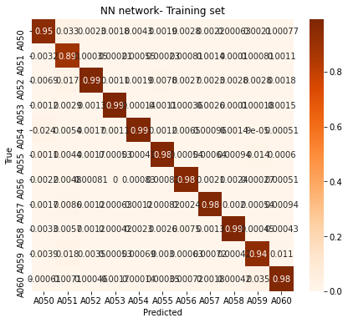
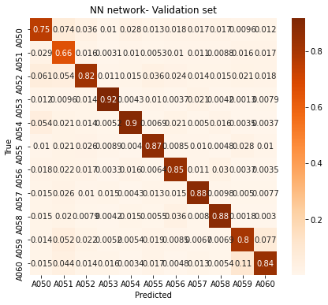
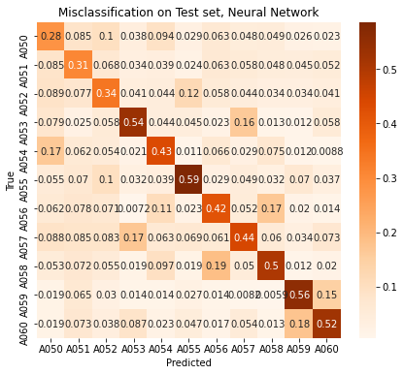

Model 2 | cs,skips=2
layers: | 1
units_0: | 2000
activations_0: | relu
learning_rate: | 0.0010
epochs: | 200

Train acc: | 0.9698
Val acc: | 0.8400
Test acc: | 0.4432

Comparison
 | Training | Validation | Test
SVM | 0.75 | 0.69 | 0.44
NN-GridSearch | 0.88 | 0.77 | 0.45
NN-RandomSearch | 0.86 | 0.75 | 0.45

