RandomSearch_Tuner
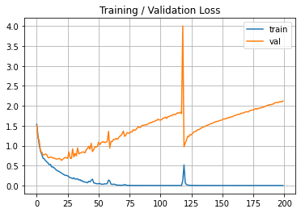
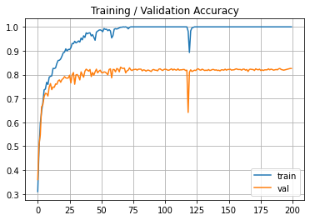
 |  | The best models by Random Search
 |  | Model | 1 |  | 2 |  | 3
 |  | Configuration | layers: | 1 | layers: | 2 | layers: | 2
 |  |  | units_0: | 500 | units_0: | 900 | units_0: | 200
 |  |  | activations_0: | relu | activations_0: | relu | activations_0: | sigmoid
 |  |  | learning_rate: | 1.62E-05 | units_1: | 700 | units_1: | 300
 |  |  | Score: | 0.2456 | activations_1: | sigmoid | activations_1: | relu
 |  |  |  |  | learning_rate: | 5.89E-05 | units_2: | 200
 |  |  |  |  | Score: | 0.0456 | activations_2: | sigmoid
 |  |  |  |  |  |  | learning_rate: | 0.0032
 |  |  |  |  |  |  | Score: | 0.0503

 |  | Attempt 1 |  |  |  |  |  |  | Attempt 2 |  |  |  | Attempt 3 |  |  | Attempt 4

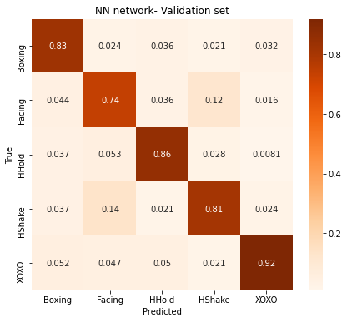
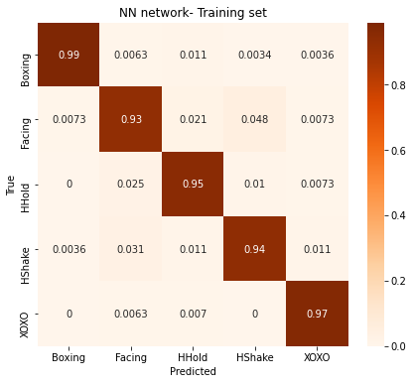

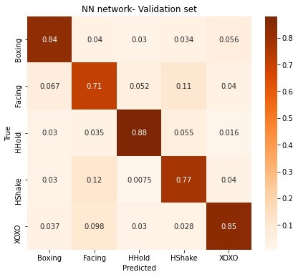

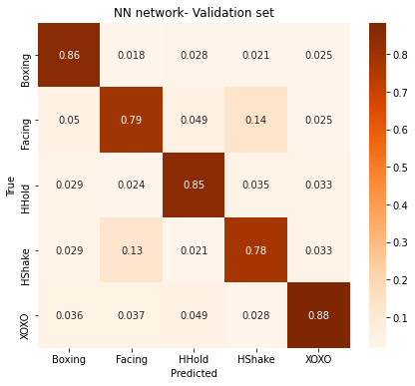
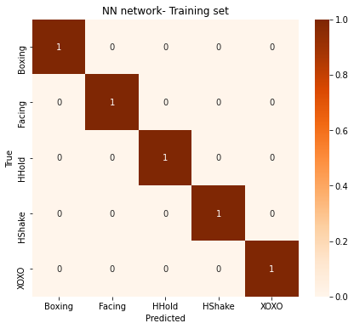
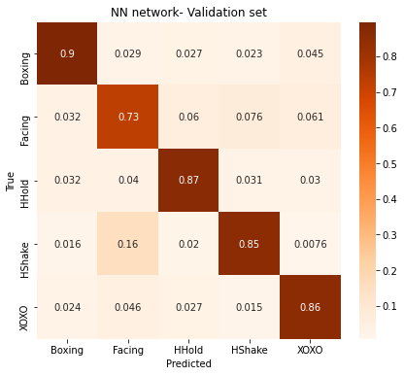
 |  |  |  |  | Train acc: | 0.9487 |  |  |  | Train acc: | 0.9535 |  |  | Train acc: | 0.9507 |  | Train acc: | 0.9189
 |  |  |  |  | Val acc: | 0.8255 |  |  |  | Val acc: | 0.803 |  |  | Val acc: | 0.8298 |  | Val acc: | 0.8241
Model 1
layers: | 1
units_0: | 500
activations_0: | relu
learning_rate: | 1.62E-05
epochs: | 700

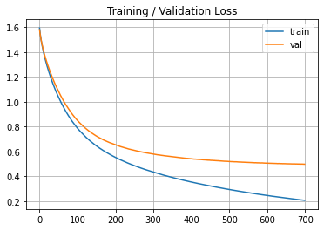
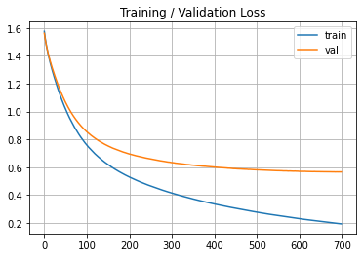
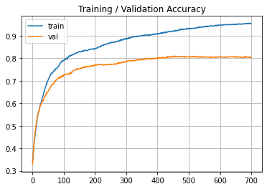
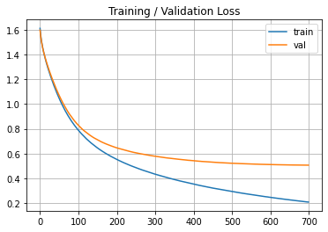
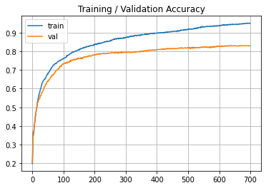
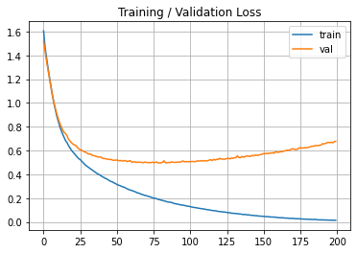
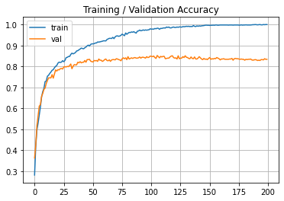
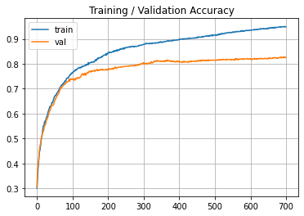

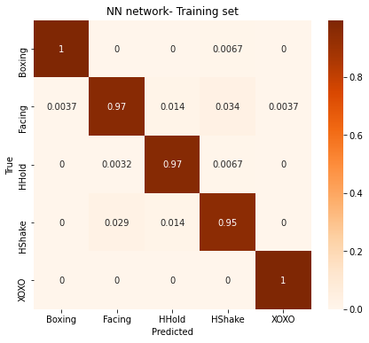

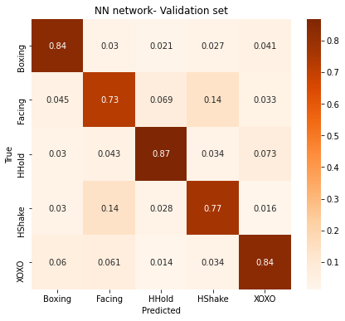

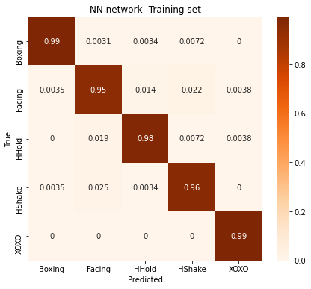
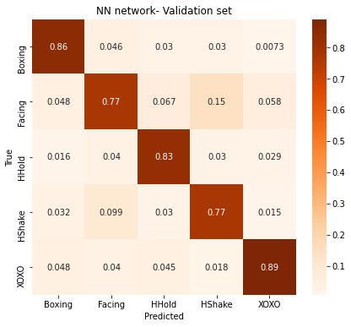
 |  |  |  |  | Train acc: | 0.9681 |  |  |  |  | Train acc: | 0.9695 |  | Train acc: | 0.9757 |  | Train acc: | 1.0000
 |  |  |  |  | Val acc: | 0.8452 |  |  |  |  | Val acc: | 0.803 |  | Val acc: | 0.8213 |  | Val acc: | 0.8340
Model 2
layers: | 2
units_0: | 900
activations_0: | relu
units_1: | 700
activations_1: | sigmoid
learning_rate: | 5.89E-05
epochs: | 100

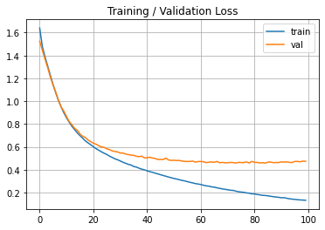
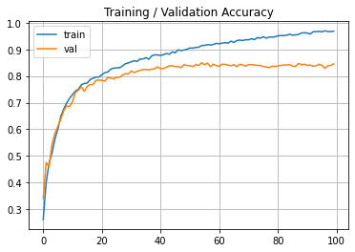
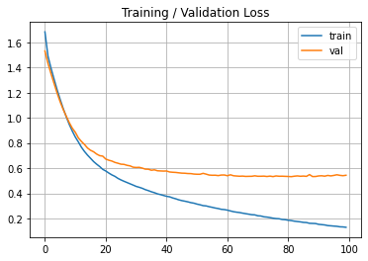
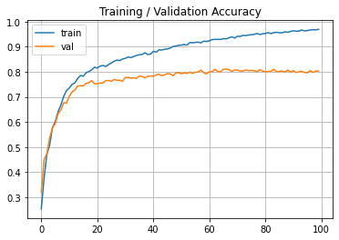
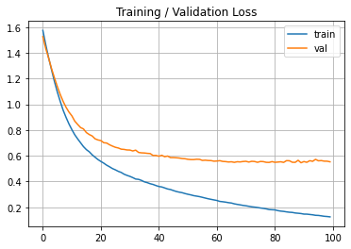
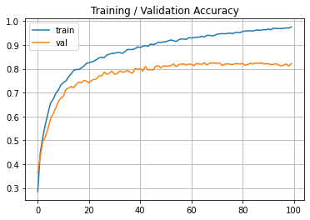

 |  |  |  |  | Train acc: | 1.0000
 |  |  |  |  | Val acc: | 0.8255
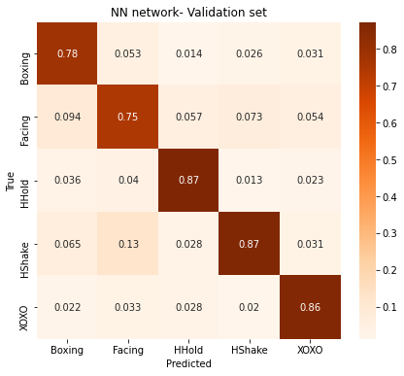
Model 3
layers: | 2
units_0: | 200
activations_0: | sigmoid
units_1: | 300
activations_1: | relu
learning_rate: | 0.0031638197905
epochs: | 200

