Cross-subject-setting
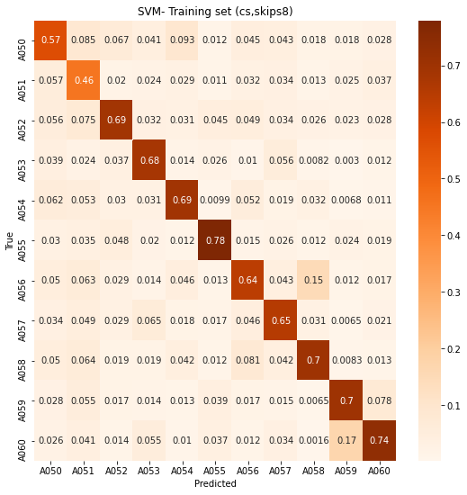
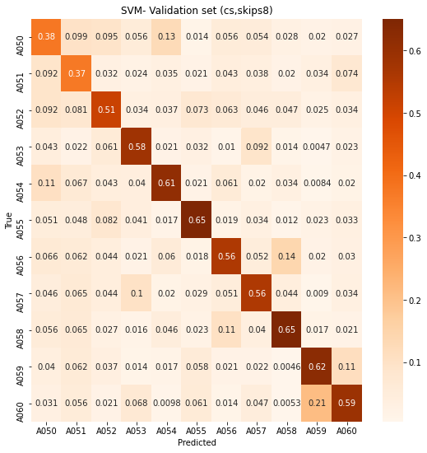
 | _

 |  | Skips =8
 | Train acc: | 0.6596
 | Val acc: | 0.5525

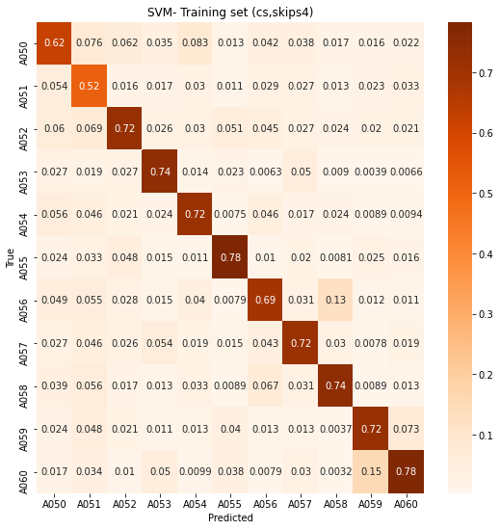


 |  | Skips=4
0.704 | Train acc: | 0.7043
0.621 | Val acc: | 0.6321

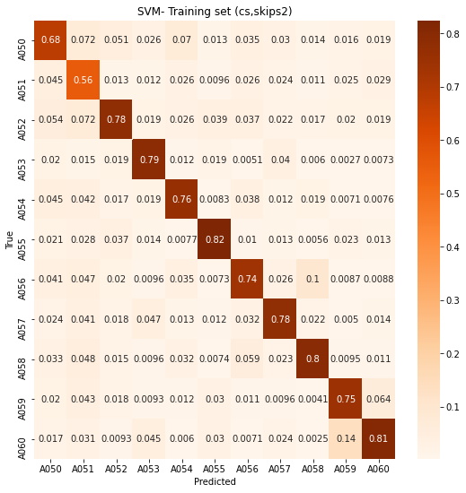


 |  | Skips=2
0.747 | Train acc: | 0.7508
0.688 | Val acc: | 0.6917

 |  | Skips=1
 | Train acc: |  | Take too long time to train
 | Val acc:

Cross-view-setting
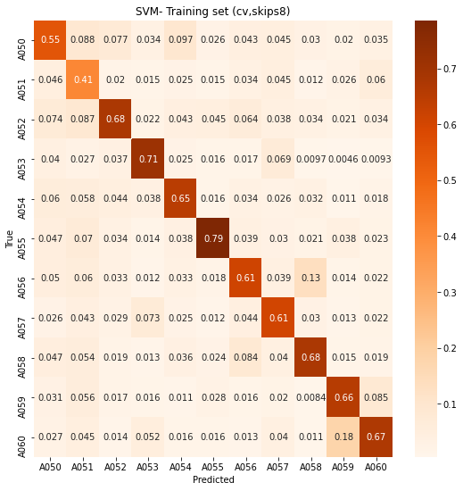
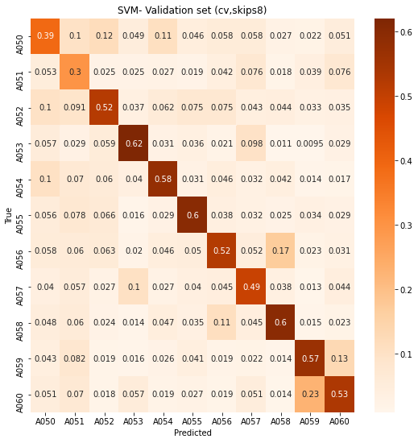
_

 | Skips =8
Train acc: | 0.6269
Val acc: | 0.5142

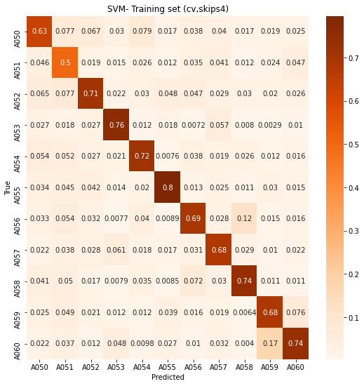
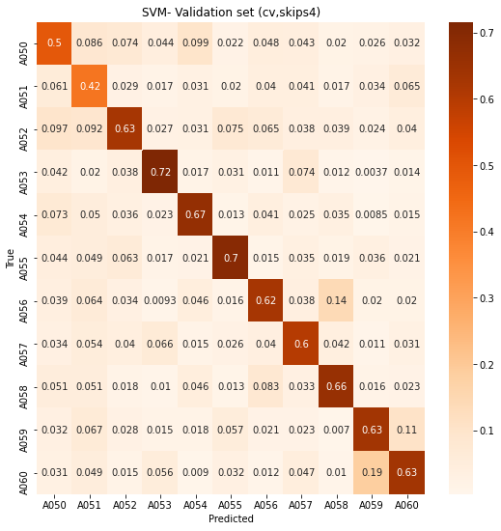

 | Skips=4
Train acc: | 0.6918
Val acc: | 0.6140


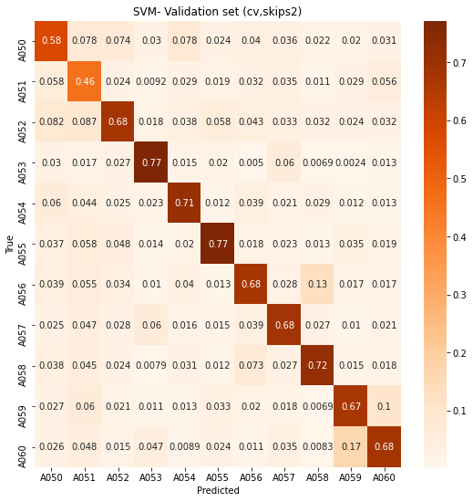

 | Skips=2
Train acc: | 0.7310
Val acc: | 0.6703

 | Skips=1
Train acc: |  | Take too long time to train
Val acc:

