Only KP Features
 | Model built based only on keypoint features

1 | Feature dimesions: | 100 | Train & validation accs,errors
 | Feature type: | Key-point | Train acc: | 0.87546
 | Dataset size: | ~3000 | Val acc: | 0.75466
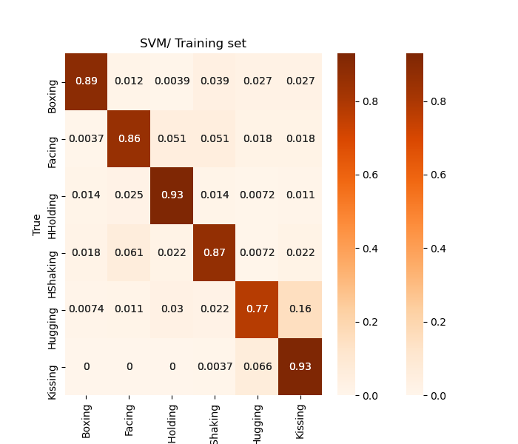
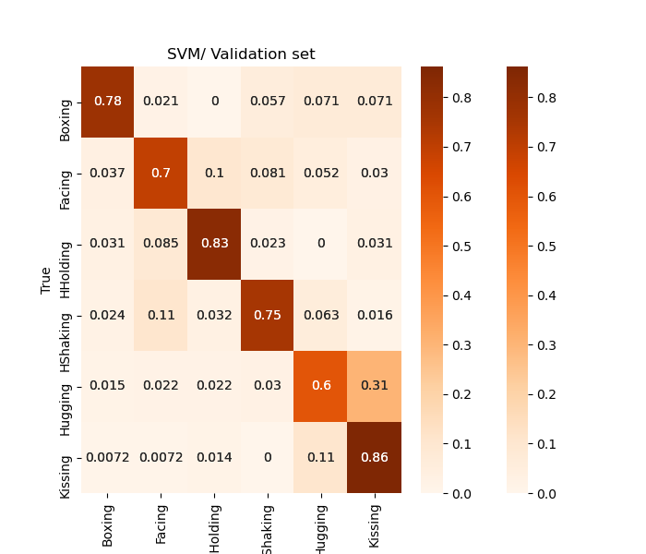
 | Train&Val: | ~2400
 | Test: | ~600

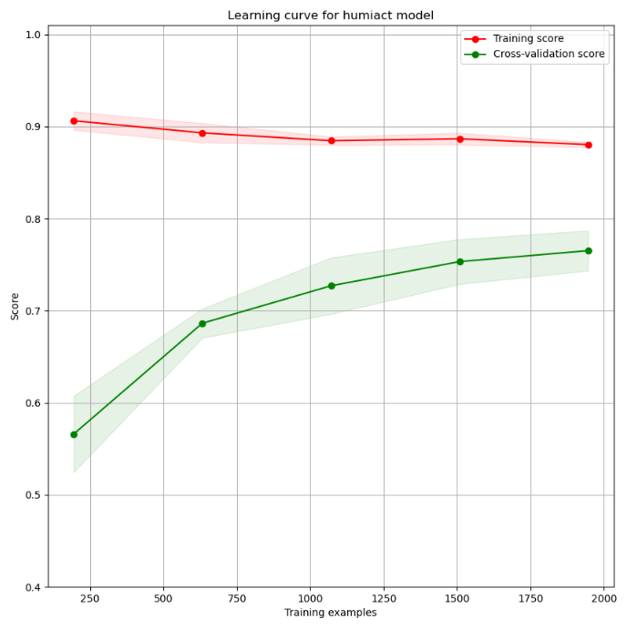

 |  |  | Learning curve

KP-HOG(64x64) Features
 | Model built based on keypoint+HOG features

1 | Feature dimesions: | 620 (95% var explained) | Train & validation accs,errors
 | Feature type: | Key-point+HOG (winSize:64x64) | Train acc: | 0.96619
 | Dataset size: | ~3000 | Val acc: | 0.70081
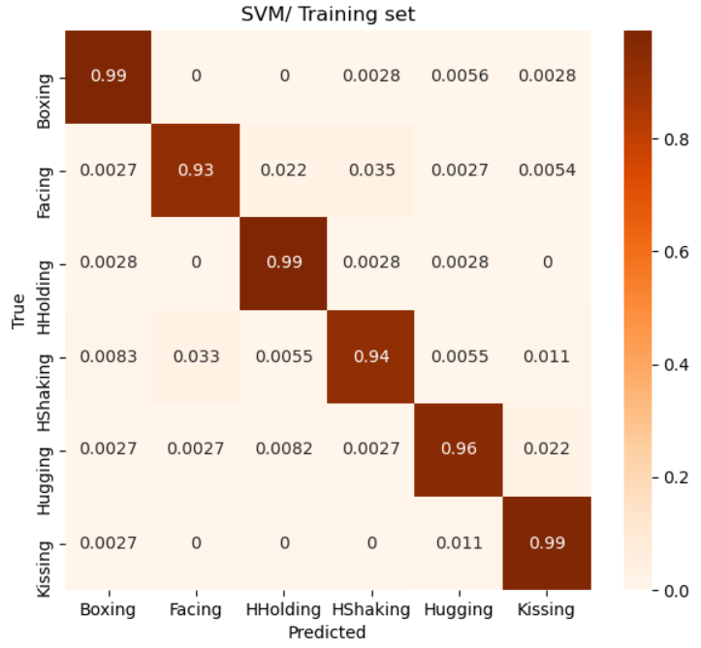
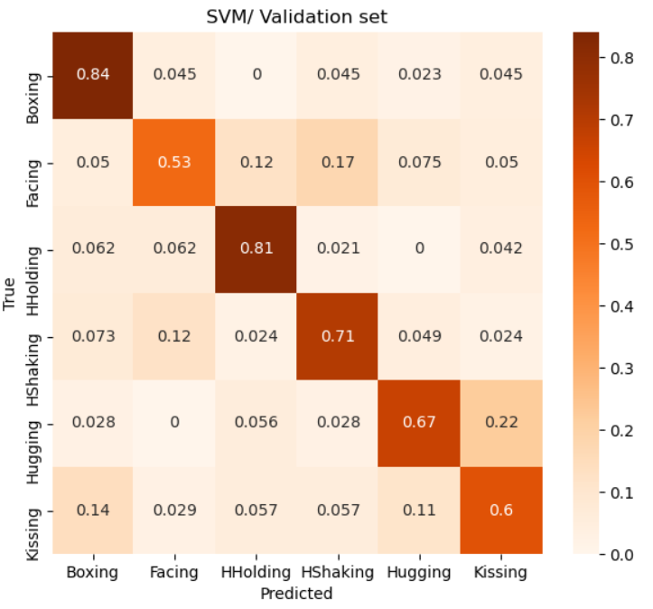
 | Train&Val: | ~2400
 | Test: | ~600

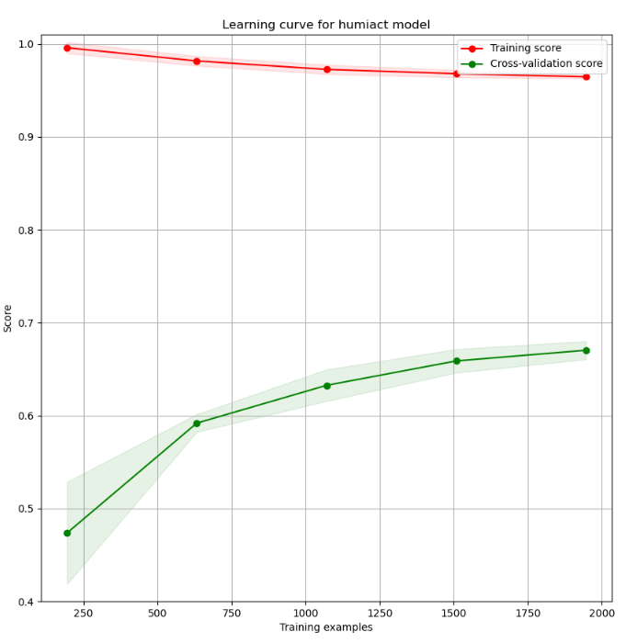
 |  |  | Learning curve

KP-HOG(32x32) Features
 | Model built based on keypoint+HOG features

1 | Feature dimesions: | 208 (PCA 95% var explained) | Train & validation accs,errors
 | Feature type: | Key-point+HOG (winSize:32x32) | Train acc: | 0.94243
 | Dataset size: | ~3000 | Val acc: | 0.68442
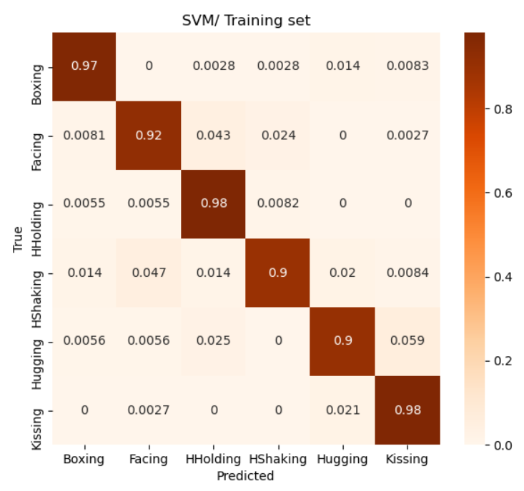
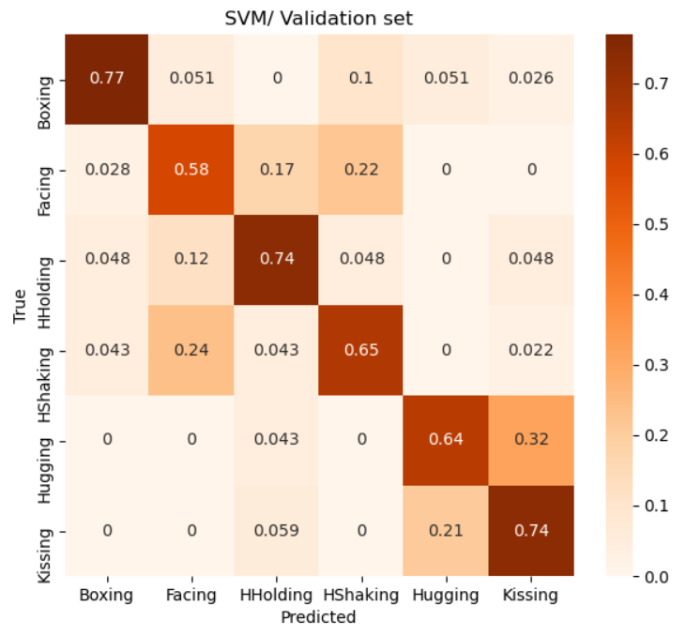
 | Train&Val: | ~2400
 | Test: | ~600

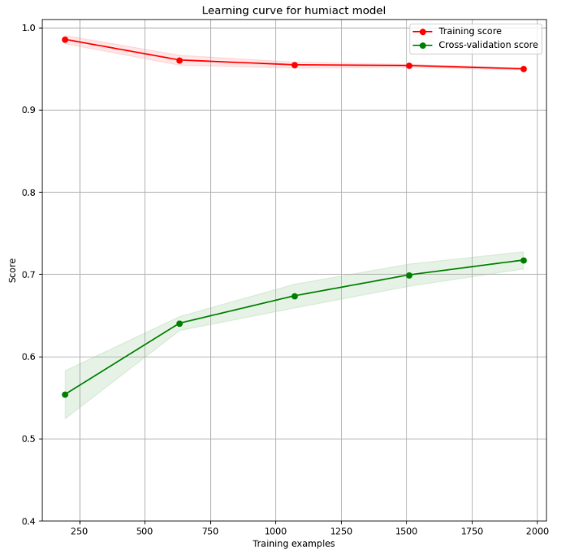
 |  |  | Learning curve

KP-Dists-Orients Features
 | Model built based on keypoints+dists+orients features

1 | Feature dimesions: | 1350 | Train & validation accs,errors
 | Feature type: | Key-point+dists +orients | Train acc: | 0.86993
 | Dataset size: | ~3000 | Val acc: | 0.69738
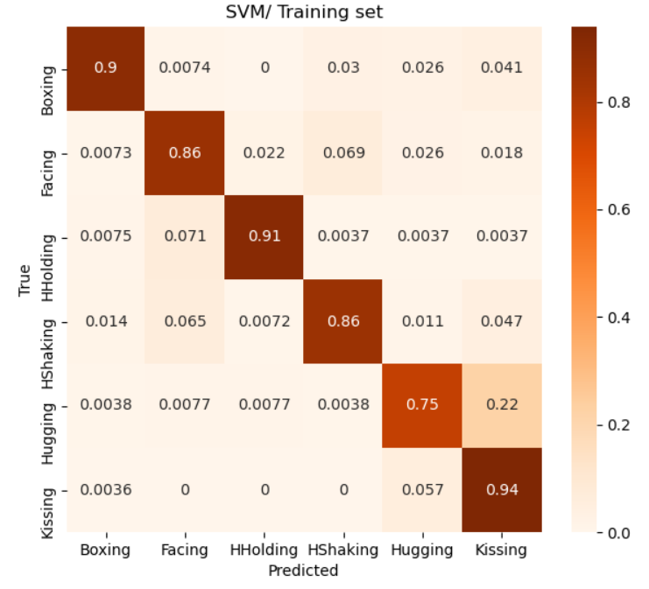
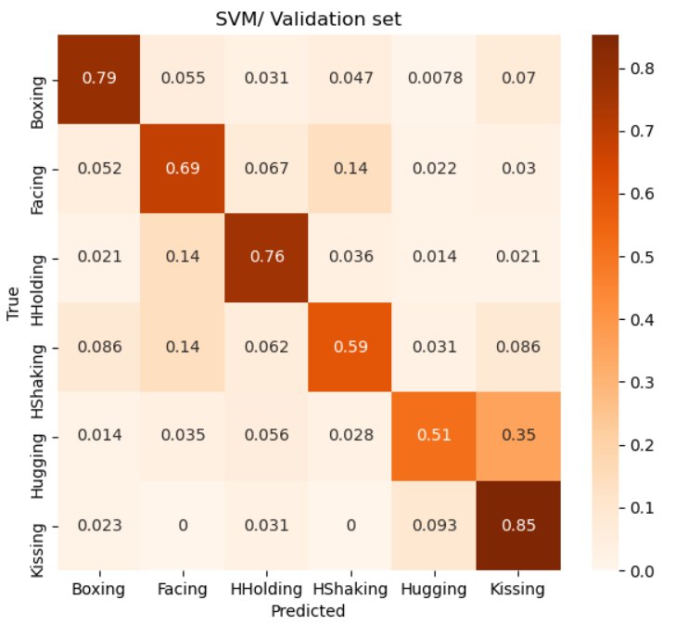
 | Train&Val: | ~2400
 | Test: | ~600

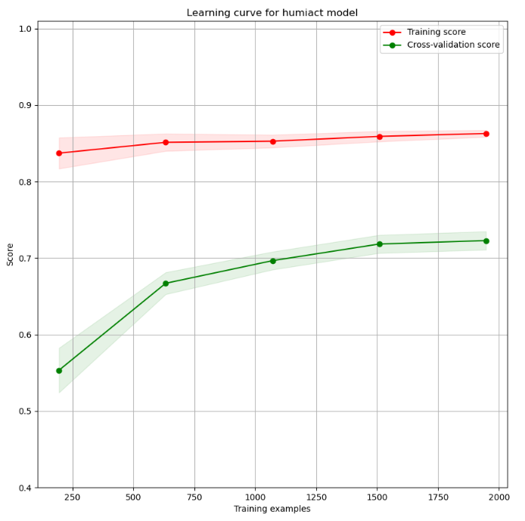
 |  |  | Learning curve

ResNet_dropout
Epochs
1 | - | 443s | 8s/step | - | loss: | 2.4769 | - | accuracy: | 0.1869 | - | val_loss: | 1.9155 | - | val_accuracy: | 0.2771
2 | - | 429s | 8s/step | - | loss: | 1.9073 | - | accuracy: | 0.2296 | - | val_loss: | 1.6019 | - | val_accuracy: | 0.3114
3 | - | 438s | 8s/step | - | loss: | 1.8056 | - | accuracy: | 0.2674 | - | val_loss: | 1.6184 | - | val_accuracy: | 0.4211
4 | - | 431s | 8s/step | - | loss: | 1.6956 | - | accuracy: | 0.3282 | - | val_loss: | 1.5219 | - | val_accuracy: | 0.3745
5 | - | 430s | 8s/step | - | loss: | 1.6693 | - | accuracy: | 0.3039 | - | val_loss: | 1.632 | - | val_accuracy: | 0.3841
6 | - | 436s | 8s/step | - | loss: | 1.6537 | - | accuracy: | 0.3155 | - | val_loss: | 1.4705 | - | val_accuracy: | 0.406
7 | - | 431s | 8s/step | - | loss: | 1.6236 | - | accuracy: | 0.3576 | - | val_loss: | 1.556 | - | val_accuracy: | 0.3882
8 | - | 431s | 8s/step | - | loss: | 1.6177 | - | accuracy: | 0.3486 | - | val_loss: | 1.621 | - | val_accuracy: | 0.3841
9 | - | 429s | 8s/step | - | loss: | 1.6053 | - | accuracy: | 0.3473 | - | val_loss: | 1.4554 | - | val_accuracy: | 0.4294
10 | - | 430s | 8s/step | - | loss: | 1.5605 | - | accuracy: | 0.3749 | - | val_loss: | 1.4515 | - | val_accuracy: | 0.4472

Epochs
1 | - | 437s | 8s/step | - | loss: | 1.9153 | - | accuracy: | 0.2296 | - | val_loss: | 1.8536 | - | val_accuracy: | 0.2894
2 | - | 428s | 8s/step | - | loss: | 1.7881 | - | accuracy: | 0.2681 | - | val_loss: | 1.6756 | - | val_accuracy: | 0.2538
3 | - | 429s | 8s/step | - | loss: | 1.7022 | - | accuracy: | 0.2823 | - | val_loss: | 1.5551 | - | val_accuracy: | 0.3937
4 | - | 429s | 8s/step | - | loss: | 1.6725 | - | accuracy: | 0.3114 | - | val_loss: | 1.4922 | - | val_accuracy: | 0.4102
5 | - | 436s | 8s/step | - | loss: | 1.642 | - | accuracy: | 0.3259 | - | val_loss: | 1.5553 | - | val_accuracy: | 0.3827
6 | - | 429s | 8s/step | - | loss: | 1.6034 | - | accuracy: | 0.3368 | - | val_loss: | 1.5377 | - | val_accuracy: | 0.3951
7 | - | 429s | 8s/step | - | loss: | 1.6029 | - | accuracy: | 0.3722 | - | val_loss: | 1.5511 | - | val_accuracy: | 0.3786
8 | - | 430s | 8s/step | - | loss: | 1.5637 | - | accuracy: | 0.3735 | - | val_loss: | 1.4282 | - | val_accuracy: | 0.4348
9 | - | 429s | 8s/step | - | loss: | 1.5408 | - | accuracy: | 0.3612 | - | val_loss: | 1.6092 | - | val_accuracy: | 0.3333
10 | - | 427s | 8s/step | - | loss: | 1.5409 | - | accuracy: | 0.3644 | - | val_loss: | 1.4831 | - | val_accuracy: | 0.4211
11 | - | 428s | 8s/step | - | loss: | 1.5111 | - | accuracy: | 0.404 | - | val_loss: | 1.4141 | - | val_accuracy: | 0.4417
12 | - | 429s | 8s/step | - | loss: | 1.4804 | - | accuracy: | 0.4123 | - | val_loss: | 1.4227 | - | val_accuracy: | 0.4211

Epochs
1 | - | 434s | 8s/step | - | loss: | 2.4177 | - | accuracy: | 0.1868 | - | val_loss: | 1.7382 | - | val_accuracy: | 0.2647
2 | - | 437s | 8s/step | - | loss: | 1.9153 | - | accuracy: | 0.2296 | - | val_loss: | 1.8536 | - | val_accuracy: | 0.2894
3 | - | 428s | 8s/step | - | loss: | 1.7881 | - | accuracy: | 0.2681 | - | val_loss: | 1.6756 | - | val_accuracy: | 0.2538
4 | - | 429s | 8s/step | - | loss: | 1.7022 | - | accuracy: | 0.2823 | - | val_loss: | 1.5551 | - | val_accuracy: | 0.3937
5 | - | 429s | 8s/step | - | loss: | 1.6725 | - | accuracy: | 0.3114 | - | val_loss: | 1.4922 | - | val_accuracy: | 0.4102
6 | - | 436s | 8s/step | - | loss: | 1.642 | - | accuracy: | 0.3259 | - | val_loss: | 1.5553 | - | val_accuracy: | 0.3827
7 | - | 429s | 8s/step | - | loss: | 1.6034 | - | accuracy: | 0.3368 | - | val_loss: | 1.5377 | - | val_accuracy: | 0.3951
8 | - | 429s | 8s/step | - | loss: | 1.6029 | - | accuracy: | 0.3722 | - | val_loss: | 1.5511 | - | val_accuracy: | 0.3786
9 | - | 430s | 8s/step | - | loss: | 1.5637 | - | accuracy: | 0.3735 | - | val_loss: | 1.4282 | - | val_accuracy: | 0.4348
10 | - | 429s | 8s/step | - | loss: | 1.5408 | - | accuracy: | 0.3612 | - | val_loss: | 1.6092 | - | val_accuracy: | 0.3333
11 | - | 427s | 8s/step | - | loss: | 1.5409 | - | accuracy: | 0.3644 | - | val_loss: | 1.4831 | - | val_accuracy: | 0.4211
12 | - | 428s | 8s/step | - | loss: | 1.5111 | - | accuracy: | 0.404 | - | val_loss: | 1.4141 | - | val_accuracy: | 0.4417
13 | - | 429s | 8s/step | - | loss: | 1.4804 | - | accuracy: | 0.4123 | - | val_loss: | 1.4227 | - | val_accuracy: | 0.4211
14 | - | 428s | 8s/step | - | loss: | 1.4584 | - | accuracy: | 0.401 | - | val_loss: | 1.4217 | - | val_accuracy: | 0.4403
15 | - | 428s | 8s/step | - | loss: | 1.4292 | - | accuracy: | 0.4202 | - | val_loss: | 1.371 | - | val_accuracy: | 0.4733
16 | - | 427s | 8s/step | - | loss: | 1.4382 | - | accuracy: | 0.4318 | - | val_loss: | 1.4479 | - | val_accuracy: | 0.428
17 | - | 433s | 8s/step | - | loss: | 1.3843 | - | accuracy: | 0.4478 | - | val_loss: | 1.4599 | - | val_accuracy: | 0.3855
18 | - | 428s | 8s/step | - | loss: | 1.3721 | - | accuracy: | 0.4824 | - | val_loss: | 1.4018 | - | val_accuracy: | 0.4266
19 | - | 429s | 8s/step | - | loss: | 1.3903 | - | accuracy: | 0.4555 | - | val_loss: | 1.4151 | - | val_accuracy: | 0.454
20 | - | 428s | 8s/step | - | loss: | 1.4517 | - | accuracy: | 0.4479 | - | val_loss: | 1.4391 | - | val_accuracy: | 0.4266
21 | - | 428s | 8s/step | - | loss: | 1.3818 | - | accuracy: | 0.4771 | - | val_loss: | 1.3464 | - | val_accuracy: | 0.4733
22 | - | 427s | 8s/step | - | loss: | 1.297 | - | accuracy: | 0.5037 | - | val_loss: | 1.6363 | - | val_accuracy: | 0.3635
23 | - | 429s | 8s/step | - | loss: | 1.3162 | - | accuracy: | 0.477 | - | val_loss: | 1.4325 | - | val_accuracy: | 0.417
24 | - | 428s | 8s/step | - | loss: | 1.3017 | - | accuracy: | 0.5087 | - | val_loss: | 1.4238 | - | val_accuracy: | 0.4636
25 | - | 428s | 8s/step | - | loss: | 1.2549 | - | accuracy: | 0.5084 | - | val_loss: | 1.3698 | - | val_accuracy: | 0.4636
26 | - | 428s | 8s/step | - | loss: | 1.2302 | - | accuracy: | 0.5325 | - | val_loss: | 1.7094 | - | val_accuracy: | 0.3745
27 | - | 428s | 8s/step | - | loss: | 1.2688 | - | accuracy: | 0.4994 | - | val_loss: | 1.3142 | - | val_accuracy: | 0.5007

Epochs
1 | [==============================] | - | 434s | 8s/step | - | loss: | 2.4177 | - | accuracy: | 0.1868 | - | val_loss: | 1.7382 | - | val_accuracy: | 0.2647
2 | [==============================] | - | 437s | 8s/step | - | loss: | 1.9153 | - | accuracy: | 0.2296 | - | val_loss: | 1.8536 | - | val_accuracy: | 0.2894
3 | [==============================] | - | 428s | 8s/step | - | loss: | 1.7881 | - | accuracy: | 0.2681 | - | val_loss: | 1.6756 | - | val_accuracy: | 0.2538
4 | [==============================] | - | 429s | 8s/step | - | loss: | 1.7022 | - | accuracy: | 0.2823 | - | val_loss: | 1.5551 | - | val_accuracy: | 0.3937
5 | [==============================] | - | 429s | 8s/step | - | loss: | 1.6725 | - | accuracy: | 0.3114 | - | val_loss: | 1.4922 | - | val_accuracy: | 0.4102
6 | [==============================] | - | 436s | 8s/step | - | loss: | 1.642 | - | accuracy: | 0.3259 | - | val_loss: | 1.5553 | - | val_accuracy: | 0.3827
7 | [==============================] | - | 429s | 8s/step | - | loss: | 1.6034 | - | accuracy: | 0.3368 | - | val_loss: | 1.5377 | - | val_accuracy: | 0.3951
8 | [==============================] | - | 429s | 8s/step | - | loss: | 1.6029 | - | accuracy: | 0.3722 | - | val_loss: | 1.5511 | - | val_accuracy: | 0.3786
9 | [==============================] | - | 430s | 8s/step | - | loss: | 1.5637 | - | accuracy: | 0.3735 | - | val_loss: | 1.4282 | - | val_accuracy: | 0.4348
10 | [==============================] | - | 429s | 8s/step | - | loss: | 1.5408 | - | accuracy: | 0.3612 | - | val_loss: | 1.6092 | - | val_accuracy: | 0.3333
11 | [==============================] | - | 427s | 8s/step | - | loss: | 1.5409 | - | accuracy: | 0.3644 | - | val_loss: | 1.4831 | - | val_accuracy: | 0.4211
12 | [==============================] | - | 428s | 8s/step | - | loss: | 1.5111 | - | accuracy: | 0.404 | - | val_loss: | 1.4141 | - | val_accuracy: | 0.4417
13 | [==============================] | - | 429s | 8s/step | - | loss: | 1.4804 | - | accuracy: | 0.4123 | - | val_loss: | 1.4227 | - | val_accuracy: | 0.4211
14 | [==============================] | - | 428s | 8s/step | - | loss: | 1.4584 | - | accuracy: | 0.401 | - | val_loss: | 1.4217 | - | val_accuracy: | 0.4403
15 | [==============================] | - | 428s | 8s/step | - | loss: | 1.4292 | - | accuracy: | 0.4202 | - | val_loss: | 1.371 | - | val_accuracy: | 0.4733
16 | [==============================] | - | 427s | 8s/step | - | loss: | 1.4382 | - | accuracy: | 0.4318 | - | val_loss: | 1.4479 | - | val_accuracy: | 0.428
17 | [==============================] | - | 433s | 8s/step | - | loss: | 1.3843 | - | accuracy: | 0.4478 | - | val_loss: | 1.4599 | - | val_accuracy: | 0.3855
18 | [==============================] | - | 428s | 8s/step | - | loss: | 1.3721 | - | accuracy: | 0.4824 | - | val_loss: | 1.4018 | - | val_accuracy: | 0.4266
19 | [==============================] | - | 429s | 8s/step | - | loss: | 1.3903 | - | accuracy: | 0.4555 | - | val_loss: | 1.4151 | - | val_accuracy: | 0.454
20 | [==============================] | - | 428s | 8s/step | - | loss: | 1.4517 | - | accuracy: | 0.4479 | - | val_loss: | 1.4391 | - | val_accuracy: | 0.4266
21 | [==============================] | - | 428s | 8s/step | - | loss: | 1.3818 | - | accuracy: | 0.4771 | - | val_loss: | 1.3464 | - | val_accuracy: | 0.4733
22 | [==============================] | - | 427s | 8s/step | - | loss: | 1.297 | - | accuracy: | 0.5037 | - | val_loss: | 1.6363 | - | val_accuracy: | 0.3635
23 | [==============================] | - | 429s | 8s/step | - | loss: | 1.3162 | - | accuracy: | 0.477 | - | val_loss: | 1.4325 | - | val_accuracy: | 0.417
24 | [==============================] | - | 428s | 8s/step | - | loss: | 1.3017 | - | accuracy: | 0.5087 | - | val_loss: | 1.4238 | - | val_accuracy: | 0.4636
25 | [==============================] | - | 428s | 8s/step | - | loss: | 1.2549 | - | accuracy: | 0.5084 | - | val_loss: | 1.3698 | - | val_accuracy: | 0.4636
26 | [==============================] | - | 428s | 8s/step | - | loss: | 1.2302 | - | accuracy: | 0.5325 | - | val_loss: | 1.7094 | - | val_accuracy: | 0.3745
27 | [==============================] | - | 428s | 8s/step | - | loss: | 1.2688 | - | accuracy: | 0.4994 | - | val_loss: | 1.3142 | - | val_accuracy: | 0.5007
28 | [==============================] | - | 429s | 8s/step | - | loss: | 1.2547 | - | accuracy: | 0.4986 | - | val_loss: | 1.4916 | - | val_accuracy: | 0.3882
29 | [==============================] | - | 429s | 8s/step | - | loss: | 1.2464 | - | accuracy: | 0.5092 | - | val_loss: | 1.3403 | - | val_accuracy: | 0.5021
30 | [==============================] | - | 429s | 8s/step | - | loss: | 1.2834 | - | accuracy: | 0.4989 | - | val_loss: | 1.4691 | - | val_accuracy: | 0.4486
31 | [==============================] | - | 429s | 8s/step | - | loss: | 1.2047 | - | accuracy: | 0.547 | - | val_loss: | 1.3056 | - | val_accuracy: | 0.4897
32 | [==============================] | - | 429s | 8s/step | - | loss: | 1.2268 | - | accuracy: | 0.5171 | - | val_loss: | 1.3367 | - | val_accuracy: | 0.4705
33 | [==============================] | - | 429s | 8s/step | - | loss: | 1.2288 | - | accuracy: | 0.5377 | - | val_loss: | 1.4155 | - | val_accuracy: | 0.4527
34 | [==============================] | - | 436s | 8s/step | - | loss: | 1.1627 | - | accuracy: | 0.5673 | - | val_loss: | 1.3348 | - | val_accuracy: | 0.4678
35 | [==============================] | - | 432s | 8s/step | - | loss: | 1.1817 | - | accuracy: | 0.5377 | - | val_loss: | 1.3325 | - | val_accuracy: | 0.4938
36 | [==============================] | - | 432s | 8s/step | - | loss: | 1.1247 | - | accuracy: | 0.5686 | - | val_loss: | 1.5101 | - | val_accuracy: | 0.4376
37 | [==============================] | - | 429s | 8s/step | - | loss: | 1.1275 | - | accuracy: | 0.5687 | - | val_loss: | 1.3228 | - | val_accuracy: | 0.4911
38 | [==============================] | - | 430s | 8s/step | - | loss: | 1.1346 | - | accuracy: | 0.5758 | - | val_loss: | 1.39 | - | val_accuracy: | 0.476
39 | [==============================] | - | 429s | 8s/step | - | loss: | 1.171 | - | accuracy: | 0.5434 | - | val_loss: | 1.3279 | - | val_accuracy: | 0.4746
40 | [==============================] | - | 429s | 8s/step | - | loss: | 1.1604 | - | accuracy: | 0.5551 | - | val_loss: | 1.3606 | - | val_accuracy: | 0.5103
41 | [==============================] | - | 428s | 8s/step | - | loss: | 1.1519 | - | accuracy: | 0.5622 | - | val_loss: | 1.3567 | - | val_accuracy: | 0.4815
42 | [==============================] | - | 429s | 8s/step | - | loss: | 1.1313 | - | accuracy: | 0.5642 | - | val_loss: | 1.384 | - | val_accuracy: | 0.487

Accuracy
Loss

1 | [==============================] | - | 434s | 8s/step | - | loss: | 2.4177 | - | accuracy: | 0.1868 | - | val_loss: | 1.7382 | - | val_accuracy: | 0.2647
2 | [==============================] | - | 437s | 8s/step | - | loss: | 1.9153 | - | accuracy: | 0.2296 | - | val_loss: | 1.8536 | - | val_accuracy: | 0.2894
3 | [==============================] | - | 428s | 8s/step | - | loss: | 1.7881 | - | accuracy: | 0.2681 | - | val_loss: | 1.6756 | - | val_accuracy: | 0.2538
4 | [==============================] | - | 429s | 8s/step | - | loss: | 1.7022 | - | accuracy: | 0.2823 | - | val_loss: | 1.5551 | - | val_accuracy: | 0.3937
5 | [==============================] | - | 429s | 8s/step | - | loss: | 1.6725 | - | accuracy: | 0.3114 | - | val_loss: | 1.4922 | - | val_accuracy: | 0.4102
6 | [==============================] | - | 436s | 8s/step | - | loss: | 1.642 | - | accuracy: | 0.3259 | - | val_loss: | 1.5553 | - | val_accuracy: | 0.3827
7 | [==============================] | - | 429s | 8s/step | - | loss: | 1.6034 | - | accuracy: | 0.3368 | - | val_loss: | 1.5377 | - | val_accuracy: | 0.3951
8 | [==============================] | - | 429s | 8s/step | - | loss: | 1.6029 | - | accuracy: | 0.3722 | - | val_loss: | 1.5511 | - | val_accuracy: | 0.3786
9 | [==============================] | - | 430s | 8s/step | - | loss: | 1.5637 | - | accuracy: | 0.3735 | - | val_loss: | 1.4282 | - | val_accuracy: | 0.4348
10 | [==============================] | - | 429s | 8s/step | - | loss: | 1.5408 | - | accuracy: | 0.3612 | - | val_loss: | 1.6092 | - | val_accuracy: | 0.3333
11 | [==============================] | - | 427s | 8s/step | - | loss: | 1.5409 | - | accuracy: | 0.3644 | - | val_loss: | 1.4831 | - | val_accuracy: | 0.4211
12 | [==============================] | - | 428s | 8s/step | - | loss: | 1.5111 | - | accuracy: | 0.404 | - | val_loss: | 1.4141 | - | val_accuracy: | 0.4417
13 | [==============================] | - | 429s | 8s/step | - | loss: | 1.4804 | - | accuracy: | 0.4123 | - | val_loss: | 1.4227 | - | val_accuracy: | 0.4211
14 | [==============================] | - | 428s | 8s/step | - | loss: | 1.4584 | - | accuracy: | 0.401 | - | val_loss: | 1.4217 | - | val_accuracy: | 0.4403
15 | [==============================] | - | 428s | 8s/step | - | loss: | 1.4292 | - | accuracy: | 0.4202 | - | val_loss: | 1.371 | - | val_accuracy: | 0.4733
16 | [==============================] | - | 427s | 8s/step | - | loss: | 1.4382 | - | accuracy: | 0.4318 | - | val_loss: | 1.4479 | - | val_accuracy: | 0.428
17 | [==============================] | - | 433s | 8s/step | - | loss: | 1.3843 | - | accuracy: | 0.4478 | - | val_loss: | 1.4599 | - | val_accuracy: | 0.3855
18 | [==============================] | - | 428s | 8s/step | - | loss: | 1.3721 | - | accuracy: | 0.4824 | - | val_loss: | 1.4018 | - | val_accuracy: | 0.4266
19 | [==============================] | - | 429s | 8s/step | - | loss: | 1.3903 | - | accuracy: | 0.4555 | - | val_loss: | 1.4151 | - | val_accuracy: | 0.454
20 | [==============================] | - | 428s | 8s/step | - | loss: | 1.4517 | - | accuracy: | 0.4479 | - | val_loss: | 1.4391 | - | val_accuracy: | 0.4266
21 | [==============================] | - | 428s | 8s/step | - | loss: | 1.3818 | - | accuracy: | 0.4771 | - | val_loss: | 1.3464 | - | val_accuracy: | 0.4733
22 | [==============================] | - | 427s | 8s/step | - | loss: | 1.297 | - | accuracy: | 0.5037 | - | val_loss: | 1.6363 | - | val_accuracy: | 0.3635
23 | [==============================] | - | 429s | 8s/step | - | loss: | 1.3162 | - | accuracy: | 0.477 | - | val_loss: | 1.4325 | - | val_accuracy: | 0.417
24 | [==============================] | - | 428s | 8s/step | - | loss: | 1.3017 | - | accuracy: | 0.5087 | - | val_loss: | 1.4238 | - | val_accuracy: | 0.4636
25 | [==============================] | - | 428s | 8s/step | - | loss: | 1.2549 | - | accuracy: | 0.5084 | - | val_loss: | 1.3698 | - | val_accuracy: | 0.4636
26 | [==============================] | - | 428s | 8s/step | - | loss: | 1.2302 | - | accuracy: | 0.5325 | - | val_loss: | 1.7094 | - | val_accuracy: | 0.3745
27 | [==============================] | - | 428s | 8s/step | - | loss: | 1.2688 | - | accuracy: | 0.4994 | - | val_loss: | 1.3142 | - | val_accuracy: | 0.5007
28 | [==============================] | - | 429s | 8s/step | - | loss: | 1.2547 | - | accuracy: | 0.4986 | - | val_loss: | 1.4916 | - | val_accuracy: | 0.3882
29 | [==============================] | - | 429s | 8s/step | - | loss: | 1.2464 | - | accuracy: | 0.5092 | - | val_loss: | 1.3403 | - | val_accuracy: | 0.5021
30 | [==============================] | - | 429s | 8s/step | - | loss: | 1.2834 | - | accuracy: | 0.4989 | - | val_loss: | 1.4691 | - | val_accuracy: | 0.4486
31 | [==============================] | - | 429s | 8s/step | - | loss: | 1.2047 | - | accuracy: | 0.547 | - | val_loss: | 1.3056 | - | val_accuracy: | 0.4897
32 | [==============================] | - | 429s | 8s/step | - | loss: | 1.2268 | - | accuracy: | 0.5171 | - | val_loss: | 1.3367 | - | val_accuracy: | 0.4705
33 | [==============================] | - | 429s | 8s/step | - | loss: | 1.2288 | - | accuracy: | 0.5377 | - | val_loss: | 1.4155 | - | val_accuracy: | 0.4527
34 | [==============================] | - | 436s | 8s/step | - | loss: | 1.1627 | - | accuracy: | 0.5673 | - | val_loss: | 1.3348 | - | val_accuracy: | 0.4678
35 | [==============================] | - | 432s | 8s/step | - | loss: | 1.1817 | - | accuracy: | 0.5377 | - | val_loss: | 1.3325 | - | val_accuracy: | 0.4938
36 | [==============================] | - | 432s | 8s/step | - | loss: | 1.1247 | - | accuracy: | 0.5686 | - | val_loss: | 1.5101 | - | val_accuracy: | 0.4376
37 | [==============================] | - | 429s | 8s/step | - | loss: | 1.1275 | - | accuracy: | 0.5687 | - | val_loss: | 1.3228 | - | val_accuracy: | 0.4911
38 | [==============================] | - | 430s | 8s/step | - | loss: | 1.1346 | - | accuracy: | 0.5758 | - | val_loss: | 1.39 | - | val_accuracy: | 0.476
39 | [==============================] | - | 429s | 8s/step | - | loss: | 1.171 | - | accuracy: | 0.5434 | - | val_loss: | 1.3279 | - | val_accuracy: | 0.4746
40 | [==============================] | - | 429s | 8s/step | - | loss: | 1.1604 | - | accuracy: | 0.5551 | - | val_loss: | 1.3606 | - | val_accuracy: | 0.5103
41 | [==============================] | - | 428s | 8s/step | - | loss: | 1.1519 | - | accuracy: | 0.5622 | - | val_loss: | 1.3567 | - | val_accuracy: | 0.4815
42 | [==============================] | - | 429s | 8s/step | - | loss: | 1.1313 | - | accuracy: | 0.5642 | - | val_loss: | 1.384 | - | val_accuracy: | 0.487
43 | [==============================] | - | 431s | 8s/step | - | loss: | 1.0783 | - | accuracy: | 0.5819 | - | val_loss: | 1.3059 | - | val_accuracy: | 0.4829
44 | [==============================] | - | 428s | 8s/step | - | loss: | 1.1275 | - | accuracy: | 0.5558 | - | val_loss: | 1.3577 | - | val_accuracy: | 0.4801
45 | [==============================] | - | 434s | 8s/step | - | loss: | 1.0917 | - | accuracy: | 0.5904 | - | val_loss: | 1.4488 | - | val_accuracy: | 0.4691
46 | [==============================] | - | 428s | 8s/step | - | loss: | 1.0973 | - | accuracy: | 0.5755 | - | val_loss: | 1.4498 | - | val_accuracy: | 0.4705
47 | [==============================] | - | 429s | 8s/step | - | loss: | 1.0734 | - | accuracy: | 0.5967 | - | val_loss: | 1.3477 | - | val_accuracy: | 0.4815
48 | [==============================] | - | 428s | 8s/step | - | loss: | 1.1001 | - | accuracy: | 0.573 | - | val_loss: | 1.3611 | - | val_accuracy: | 0.4499
49 | [==============================] | - | 428s | 8s/step | - | loss: | 1.0967 | - | accuracy: | 0.5704 | - | val_loss: | 1.399 | - | val_accuracy: | 0.4801
50 | [==============================] | - | 428s | 8s/step | - | loss: | 1.0867 | - | accuracy: | 0.5694 | - | val_loss: | 1.3942 | - | val_accuracy: | 0.4815
Accuracy
Loss

ResNet_noDropout
[==============================] | - | 457s | 9s/step | - | loss: | 1.8423 | - | accuracy: | 0.2562 | - | val_loss: | 1.7615 | - | val_accuracy: | 0.1893
[==============================] | - | 430s | 8s/step | - | loss: | 1.7129 | - | accuracy: | 0.32 | - | val_loss: | 1.7236 | - | val_accuracy: | 0.3594
[==============================] | - | 448s | 8s/step | - | loss: | 1.6963 | - | accuracy: | 0.3206 | - | val_loss: | 1.4468 | - | val_accuracy: | 0.4527
[==============================] | - | 430s | 8s/step | - | loss: | 1.6261 | - | accuracy: | 0.3572 | - | val_loss: | 1.5829 | - | val_accuracy: | 0.4198
[==============================] | - | 430s | 8s/step | - | loss: | 1.591 | - | accuracy: | 0.3476 | - | val_loss: | 1.6452 | - | val_accuracy: | 0.3306
[==============================] | - | 427s | 8s/step | - | loss: | 1.5769 | - | accuracy: | 0.3838 | - | val_loss: | 1.4707 | - | val_accuracy: | 0.4047
[==============================] | - | 427s | 8s/step | - | loss: | 1.5528 | - | accuracy: | 0.3762 | - | val_loss: | 1.6142 | - | val_accuracy: | 0.3635
[==============================] | - | 429s | 8s/step | - | loss: | 1.483 | - | accuracy: | 0.4064 | - | val_loss: | 1.4489 | - | val_accuracy: | 0.4047
[==============================] | - | 428s | 8s/step | - | loss: | 1.4759 | - | accuracy: | 0.4202 | - | val_loss: | 1.4772 | - | val_accuracy: | 0.4184
[==============================] | - | 437s | 8s/step | - | loss: | 1.4325 | - | accuracy: | 0.4526 | - | val_loss: | 1.3817 | - | val_accuracy: | 0.4623
[==============================] | - | 427s | 8s/step | - | loss: | 1.4193 | - | accuracy: | 0.4368 | - | val_loss: | 1.4939 | - | val_accuracy: | 0.3786
[==============================] | - | 432s | 8s/step | - | loss: | 1.3971 | - | accuracy: | 0.4633 | - | val_loss: | 1.3592 | - | val_accuracy: | 0.4623
[==============================] | - | 432s | 8s/step | - | loss: | 1.3633 | - | accuracy: | 0.4801 | - | val_loss: | 1.3711 | - | val_accuracy: | 0.4664
[==============================] | - | 430s | 8s/step | - | loss: | 1.3765 | - | accuracy: | 0.4512 | - | val_loss: | 1.4858 | - | val_accuracy: | 0.4225
[==============================] | - | 437s | 8s/step | - | loss: | 1.2762 | - | accuracy: | 0.5068 | - | val_loss: | 1.5111 | - | val_accuracy: | 0.4184
[==============================] | - | 438s | 8s/step | - | loss: | 1.3046 | - | accuracy: | 0.5035 | - | val_loss: | 1.8251 | - | val_accuracy: | 0.3457
[==============================] | - | 438s | 8s/step | - | loss: | 1.2979 | - | accuracy: | 0.4918 | - | val_loss: | 1.4707 | - | val_accuracy: | 0.4664
[==============================] | - | 440s | 8s/step | - | loss: | 1.2511 | - | accuracy: | 0.5252 | - | val_loss: | 1.4777 | - | val_accuracy: | 0.4527
[==============================] | - | 441s | 8s/step | - | loss: | 1.1965 | - | accuracy: | 0.5482 | - | val_loss: | 1.7086 | - | val_accuracy: | 0.3402
[==============================] | - | 445s | 8s/step | - | loss: | 1.2306 | - | accuracy: | 0.5237 | - | val_loss: | 1.3599 | - | val_accuracy: | 0.4883
[==============================] | - | 441s | 8s/step | - | loss: | 1.1728 | - | accuracy: | 0.5485 | - | val_loss: | 1.3756 | - | val_accuracy: | 0.4746
[==============================] | - | 443s | 8s/step | - | loss: | 1.1563 | - | accuracy: | 0.5734 | - | val_loss: | 1.3495 | - | val_accuracy: | 0.4472
[==============================] | - | 442s | 8s/step | - | loss: | 1.128 | - | accuracy: | 0.5735 | - | val_loss: | 1.5356 | - | val_accuracy: | 0.4143
[==============================] | - | 450s | 8s/step | - | loss: | 1.1193 | - | accuracy: | 0.5711 | - | val_loss: | 1.4905 | - | val_accuracy: | 0.417
[==============================] | - | 453s | 8s/step | - | loss: | 1.1381 | - | accuracy: | 0.56 | - | val_loss: | 1.4657 | - | val_accuracy: | 0.4966
[==============================] | - | 447s | 8s/step | - | loss: | 1.1587 | - | accuracy: | 0.55 | - | val_loss: | 1.4541 | - | val_accuracy: | 0.417
[==============================] | - | 460s | 9s/step | - | loss: | 1.1012 | - | accuracy: | 0.5786 | - | val_loss: | 1.4791 | - | val_accuracy: | 0.428
[==============================] | - | 463s | 9s/step | - | loss: | 1.059 | - | accuracy: | 0.5935 | - | val_loss: | 1.3946 | - | val_accuracy: | 0.4829
[==============================] | - | 457s | 8s/step | - | loss: | 1.0628 | - | accuracy: | 0.5872 | - | val_loss: | 1.4564 | - | val_accuracy: | 0.4102
[==============================] | - | 452s | 8s/step | - | loss: | 1.1024 | - | accuracy: | 0.5779 | - | val_loss: | 1.3599 | - | val_accuracy: | 0.4746
[==============================] | - | 443s | 8s/step | - | loss: | 1.0437 | - | accuracy: | 0.6102 | - | val_loss: | 1.4306 | - | val_accuracy: | 0.4458
[==============================] | - | 431s | 8s/step | - | loss: | 0.9994 | - | accuracy: | 0.6258 | - | val_loss: | 1.4648 | - | val_accuracy: | 0.4609
[==============================] | - | 434s | 8s/step | - | loss: | 1.0618 | - | accuracy: | 0.5876 | - | val_loss: | 1.4964 | - | val_accuracy: | 0.4088
[==============================] | - | 443s | 8s/step | - | loss: | 0.9742 | - | accuracy: | 0.627 | - | val_loss: | 1.3203 | - | val_accuracy: | 0.513
[==============================] | - | 440s | 8s/step | - | loss: | 1.0133 | - | accuracy: | 0.6299 | - | val_loss: | 1.6831 | - | val_accuracy: | 0.3731
[==============================] | - | 434s | 8s/step | - | loss: | 1.0252 | - | accuracy: | 0.6102 | - | val_loss: | 1.4287 | - | val_accuracy: | 0.4554
[==============================] | - | 432s | 8s/step | - | loss: | 1.0056 | - | accuracy: | 0.6259 | - | val_loss: | 1.4903 | - | val_accuracy: | 0.4787
[==============================] | - | 432s | 8s/step | - | loss: | 0.9785 | - | accuracy: | 0.6323 | - | val_loss: | 1.2861 | - | val_accuracy: | 0.4938
[==============================] | - | 438s | 8s/step | - | loss: | 0.9337 | - | accuracy: | 0.6446 | - | val_loss: | 1.867 | - | val_accuracy: | 0.4266
[==============================] | - | 442s | 8s/step | - | loss: | 0.9838 | - | accuracy: | 0.6365 | - | val_loss: | 1.5809 | - | val_accuracy: | 0.4691
[==============================] | - | 442s | 8s/step | - | loss: | 0.8887 | - | accuracy: | 0.6889 | - | val_loss: | 1.3315 | - | val_accuracy: | 0.4856
[==============================] | - | 445s | 8s/step | - | loss: | 0.9242 | - | accuracy: | 0.669 | - | val_loss: | 1.4978 | - | val_accuracy: | 0.4513
[==============================] | - | 448s | 8s/step | - | loss: | 0.9193 | - | accuracy: | 0.6541 | - | val_loss: | 1.3893 | - | val_accuracy: | 0.4787
[==============================] | - | 447s | 8s/step | - | loss: | 0.8972 | - | accuracy: | 0.6748 | - | val_loss: | 1.5756 | - | val_accuracy: | 0.4513
[==============================] | - | 450s | 8s/step | - | loss: | 0.8737 | - | accuracy: | 0.676 | - | val_loss: | 1.5882 | - | val_accuracy: | 0.4307
[==============================] | - | 437s | 8s/step | - | loss: | 0.8941 | - | accuracy: | 0.6637 | - | val_loss: | 1.3005 | - | val_accuracy: | 0.5062
Accuracy
Loss

