Summary
Office Markdown Fixture - Excel
Formulas, chart, image, drawing textbox, hidden sheet, and embedded object relationship.
日本語テキスト: Windows 検証用。

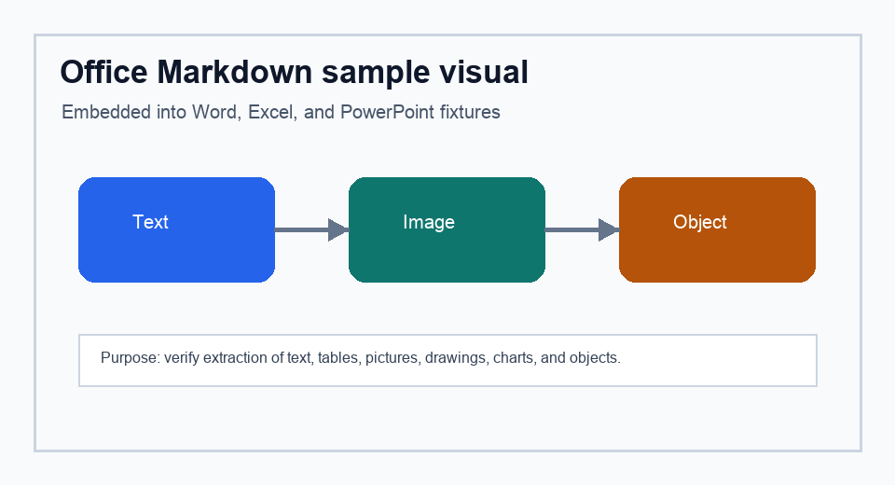
Fixture coverage

Important textbox: drawing text should be captured.

Category | Count | Coverage | Expected signal
Text blocks | 8 | 92% | Markdown table cells
Images | 1 | 100% | sheet image asset
Objects | 1 | 100% | sheet object asset

Total | 10 | 97% | Formula cells should appear in manifest

