けあ太郎
 |  |  |  |  |  |  | OK | OK | OK | OK | OK |  | OK | OK | OK | OK | OK | OK | OK
 | 靴 |  |  |  |  |  | 小森 | 佐藤 | 佐藤 | 佐藤 | 佐藤 | 放置 | 近藤 | 佐藤 | 小森 | 小森 | 小森 | 小森 | 近藤 | 土井対応のところに崩れNあり（height）
佐藤 | 土井 |  |  |  |  |  | tableはみだし | タイトルかぶり | 右側に隙間 | コメントアウトが出てきてる | 値段のフォントと幅がおかしい | 靴縦並び | タイトルはみ出し | 動画・画像はみだし | 俺じゃなきゃ見逃しちゃうね | 画像位置 | 画像横に文字 | 画像が大きい | 画像が切れてる
小森 | 近藤 |  |  |  |  |  | 崩れB | 崩れC | 崩れD | 崩れE | 崩れF | 崩れG | 崩れH | 崩れI | 崩れJ | 崩れK | 崩れL | 崩れM | 崩れN
 |  | レイアウト崩れすぎて対応不可 |  |  |  |  |  |  |  |  |  |  |  |  |  |  |  |  |  |  |  |  |  |  |  | 崩れN
 |  | https://caretaro.com/html/page93.html

 |  | PCでは崩れているがレスポンシブは対応
 |  | https://caretaro.com/html/page104.html
 |  | https://caretaro.com/html/page106.html
 |  | https://caretaro.com/shopbrand/ct5425/
 |  | https://caretaro.com/shopbrand/455/Y/
 |  | たぶん使われていない
 |  | https://caretaro.com/html/page85.html
 |  | https://caretaro.com/html/page96.html
 |  | https://caretaro.com/html/page98.html

 |  | 見出しがないところありPC問題
 |  | https://caretaro.com/shopdetail/119002000356

 |  | 見出しが不自然PC崩れ
 |  | https://caretaro.com/shopdetail/119002000356

 |  | h3消える

 |  |  |  |  | 崩れB |  |  |  | 崩れD |  |  | 崩れE |  |  | 崩れF |  | 崩れG |  |  | 崩れH | 崩れI | 崩れJ | 崩れK | 崩れL | 崩れM | 崩れN
 |  |  |  |  | tableはみだし |  |  |  | 右側に隙間 |  |  | コメントアウト |  |  | 値段のフォントと幅 |  | 靴縦並び |  |  | タイトルはみ出し | 動画・画像はみだし | height:35px問題、俺じゃなきゃ見逃しちゃうね | 画像位置 | 画像横に文字 | 画像が大きい | 画像が切れてる
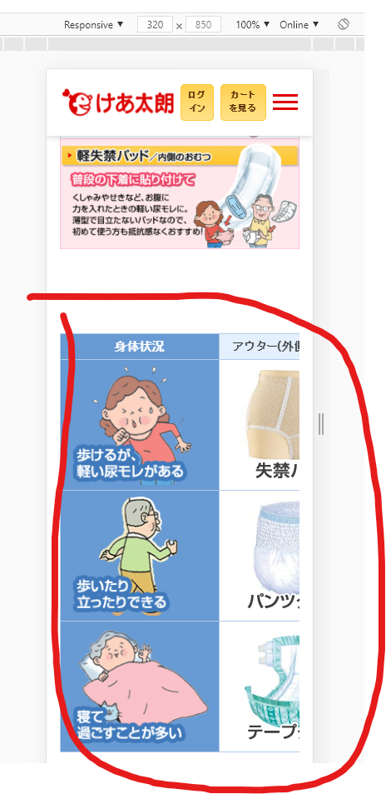
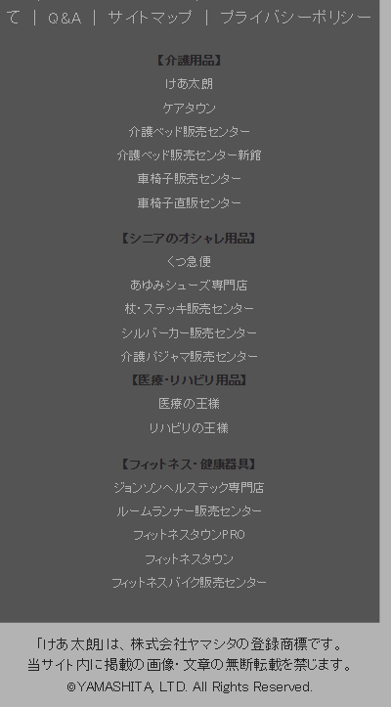
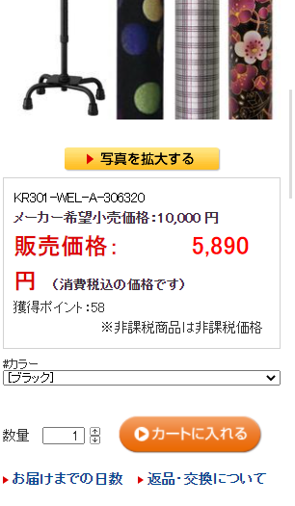

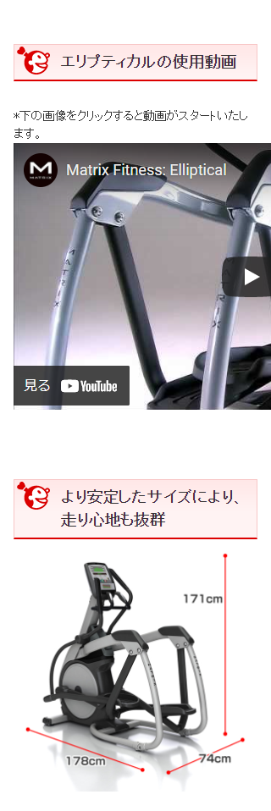
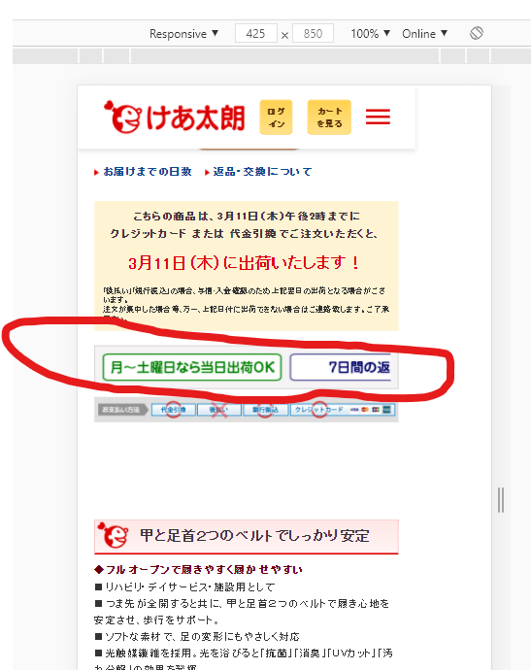
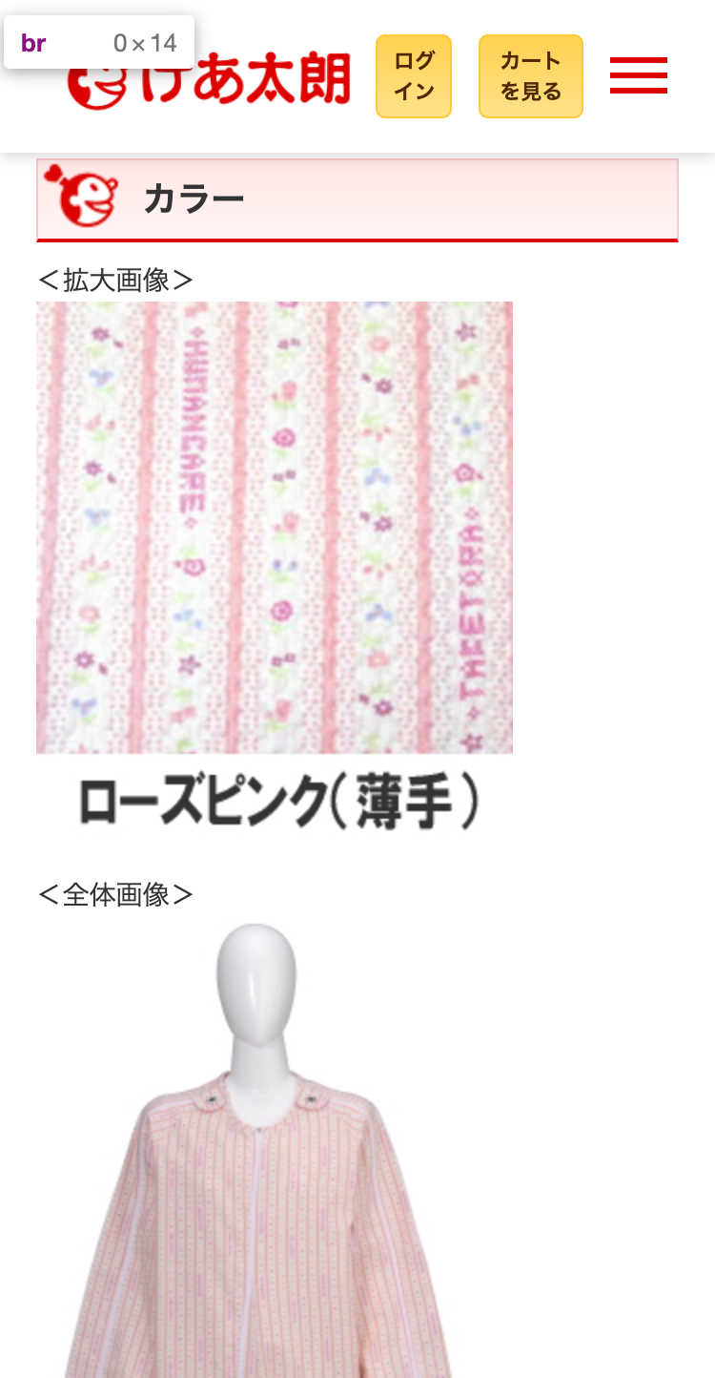
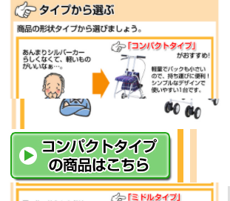

佐藤
小森 |  | けあ太郎 | 進捗率 | 進捗率 | 99.51% |  |  |  |  |  |  |  | line-height: 1.1; height: 40;
土井 |  |  |  |  |  |  | tableはみだし | タイトルかぶり | 右側に隙間 | コメントアウトが出てきてる | 値段のフォントと幅がおかしい | 靴縦並び | タイトルはみ出し | 動画・画像はみだし | 俺じゃなきゃ見逃しちゃうね | 画像位置 | 画像横に文字 | 画像が大きい | 画像が切れてる
近藤 | Address | Address | 着手完 | デプロイ済 | 備考 |  | 崩れB | 崩れC | 崩れD | 崩れE | 崩れF | 崩れG | 崩れH | 崩れI | 崩れJ | 崩れK | 崩れL | 崩れM | 崩れN
 | https://caretaro.com/ | https://caretaro.com/ | ○ | ○ |  | 200
 | https://caretaro.com/html/page100.html | https://caretaro.com/html/page100.html | ○ | ○ |  | 200
 | https://caretaro.com/html/page101.html | https://caretaro.com/html/page101.html | ○ | ○ |  | 200
 | https://caretaro.com/html/page102.html | https://caretaro.com/html/page102.html | ○ | ○ |  | 200
 | https://caretaro.com/html/page103.html | https://caretaro.com/html/page103.html | ○ | ○ |  | 200
 | https://caretaro.com/html/page104.html | https://caretaro.com/html/page104.html | ○ | ○ | PCでは崩れているがレスポンシブは対応 | 200
 | https://caretaro.com/html/page105.html | https://caretaro.com/html/page105.html | ○ | ○ |  | 200
 | https://caretaro.com/html/page106.html | https://caretaro.com/html/page106.html | ○ | ○ | PCでは崩れているがレスポンシブは対応 | 200
 | https://caretaro.com/html/page50.html | https://caretaro.com/html/page50.html | ○ | ○ |  | 200
 | https://caretaro.com/html/page51.html | https://caretaro.com/html/page51.html | ○ | ○ |  | 200
 | https://caretaro.com/html/page52.html | https://caretaro.com/html/page52.html | ○ | ○ |  | 200
 | https://caretaro.com/html/page53.html | https://caretaro.com/html/page53.html | ○ | ○ |  | 200
 | https://caretaro.com/html/page54.html | https://caretaro.com/html/page54.html | ○ | ○ |  | 200
 | https://caretaro.com/html/page56.html | https://caretaro.com/html/page56.html | ○ | ○ |  | 200
 | https://caretaro.com/html/page57.html | https://caretaro.com/html/page57.html | ○ | ○ |  | 200
 | https://caretaro.com/html/page58.html | https://caretaro.com/html/page58.html | ○ | ○ |  | 200
 | https://caretaro.com/html/page61.html | https://caretaro.com/html/page61.html | ○ | ○ |  | 200
 | https://caretaro.com/html/page62.html | https://caretaro.com/html/page62.html | ○ | ○ |  | 200
 | https://caretaro.com/html/page63.html | https://caretaro.com/html/page63.html | ○ | ○ |  | 200
 | https://caretaro.com/html/page65.html | https://caretaro.com/html/page65.html | ○ | ○ |  | 200
 | https://caretaro.com/html/page71.html | https://caretaro.com/html/page71.html | ○ | ○ |  | 200
 | https://caretaro.com/html/page73.html | https://caretaro.com/html/page73.html | ○ | ○ |  | 200
 | https://caretaro.com/html/page81.html | https://caretaro.com/html/page81.html | ○ | ○ |  | 200
 | https://caretaro.com/html/page84.html | https://caretaro.com/html/page84.html | ○ | ○ |  | 200
 | https://caretaro.com/html/page85.html | https://caretaro.com/html/page85.html | ○ | ○ | たぶん使われていない | 200
 | https://caretaro.com/html/page87.html | https://caretaro.com/html/page87.html | ○ | ○ |  | 200
 | https://caretaro.com/html/page90.html | https://caretaro.com/html/page90.html | ○ | ○ |  | 200
 | https://caretaro.com/html/page92.html | https://caretaro.com/html/page92.html | ○ | ○ |  | 200
 | https://caretaro.com/html/page93.html | https://caretaro.com/html/page93.html | × | × | レイアウト崩れすぎて対応不可 | 200
 | https://caretaro.com/html/page94.html | https://caretaro.com/html/page94.html | × | × |  | 200
 | https://caretaro.com/html/page95.html | https://caretaro.com/html/page95.html | × | × |  | 200
 | https://caretaro.com/html/page96.html | https://caretaro.com/html/page96.html | × | × | たぶん使われていない | 200
 | https://caretaro.com/html/page97.html | https://caretaro.com/html/page97.html | ○ | ○ |  | 200
 | https://caretaro.com/html/page98.html | https://caretaro.com/html/page98.html | ○ | ○ | たぶん使われていない | 200
 | https://caretaro.com/html/page99.html | https://caretaro.com/html/page99.html | ○ | ○ |  | 200
 | https://caretaro.com/shop/basket.html | https://caretaro.com/shop/basket.html | ○ | ○ |  | 200
 | https://caretaro.com/shopbrand/001/X/ | https://caretaro.com/shopbrand/001/X/ | ○ | ○ |  | 200
 | https://caretaro.com/shopbrand/051/Y/ | https://caretaro.com/shopbrand/051/Y/ | ○ | ○ |  | 200
 | https://caretaro.com/shopbrand/052/Y/ | https://caretaro.com/shopbrand/052/Y/ | ○ | ○ |  | 200
 | https://caretaro.com/shopbrand/053/Y/ | https://caretaro.com/shopbrand/053/Y/ | ○ | ○ |  | 200
 | https://caretaro.com/shopbrand/054/Y/ | https://caretaro.com/shopbrand/054/Y/ | ○ | ○ |  | 200
 | https://caretaro.com/shopbrand/055/Y/ | https://caretaro.com/shopbrand/055/Y/ | ○ | ○ |  | 200
 | https://caretaro.com/shopbrand/056/Y/ | https://caretaro.com/shopbrand/056/Y/ | ○ | ○ |  | 200
 | https://caretaro.com/shopbrand/057/Y/ | https://caretaro.com/shopbrand/057/Y/ | ○ | ○ |  | 200
 | https://caretaro.com/shopbrand/058/Y/ | https://caretaro.com/shopbrand/058/Y/ | ○ | ○ |  | 200
 | https://caretaro.com/shopbrand/061/Y/ | https://caretaro.com/shopbrand/061/Y/ | ○ | ○ |  | 200
 | https://caretaro.com/shopbrand/062/Y/ | https://caretaro.com/shopbrand/062/Y/ | ○ | ○ |  | 200
 | https://caretaro.com/shopbrand/063/Y/ | https://caretaro.com/shopbrand/063/Y/ | ○ | ○ |  | 200
 | https://caretaro.com/shopbrand/065/Y/ | https://caretaro.com/shopbrand/065/Y/ | ○ | ○ |  | 200
 | https://caretaro.com/shopbrand/071/Y/ | https://caretaro.com/shopbrand/071/Y/ | ○ | ○ | c17 | 200 |  | ○
 | https://caretaro.com/shopbrand/072/Y/ | https://caretaro.com/shopbrand/072/Y/ | ○ | ○ |  | 200
 | https://caretaro.com/shopbrand/073/Y/ | https://caretaro.com/shopbrand/073/Y/ | ○ | ○ |  | 200
 | https://caretaro.com/shopbrand/081/Y/ | https://caretaro.com/shopbrand/081/Y/ | ○ | ○ |  | 200
 | https://caretaro.com/shopbrand/082/Y/ | https://caretaro.com/shopbrand/082/Y/ | ○ | ○ |  | 200
 | https://caretaro.com/shopbrand/083/Y/ | https://caretaro.com/shopbrand/083/Y/ | ○ | ○ |  | 200
 | https://caretaro.com/shopbrand/084/Y/ | https://caretaro.com/shopbrand/084/Y/ | ○ | ○ |  | 200
 | https://caretaro.com/shopbrand/085/Y/ | https://caretaro.com/shopbrand/085/Y/ | ○ | ○ |  | 200
 | https://caretaro.com/shopbrand/088/Y/ | https://caretaro.com/shopbrand/088/Y/ | ○ | ○ |  | 200
 | https://caretaro.com/shopbrand/100/Y/ | https://caretaro.com/shopbrand/100/Y/ | ○ | ○ |  | 200
 | https://caretaro.com/shopbrand/101/X/ | https://caretaro.com/shopbrand/101/X/ | ○ | ○ |  | 200
 | https://caretaro.com/shopbrand/102/004/Y/ | https://caretaro.com/shopbrand/102/004/Y/ | ○ | ○ | c51? | 200 |  |  |  | ○
 | https://caretaro.com/shopbrand/102/005/Y/ | https://caretaro.com/shopbrand/102/005/Y/ | ○ | ○ | c51? | 200 |  |  |  | ○
 | https://caretaro.com/shopbrand/102/006/Y/ | https://caretaro.com/shopbrand/102/006/Y/ | ○ | ○ | c51? | 200 |  |  |  | ○
 | https://caretaro.com/shopbrand/102/007/Y/ | https://caretaro.com/shopbrand/102/007/Y/ | ○ | ○ | c51 | 200 |  |  | ○ | ○
 | https://caretaro.com/shopbrand/102/008/Y/ | https://caretaro.com/shopbrand/102/008/Y/ | ○ | ○ | c51? | 200 |  |  |  | ○
 | https://caretaro.com/shopbrand/102/009/Y/ | https://caretaro.com/shopbrand/102/009/Y/ | ○ | ○ | c51? | 200 |  |  |  | ○
 | https://caretaro.com/shopbrand/102/010/Y/ | https://caretaro.com/shopbrand/102/010/Y/ | ○ | ○ | c51? | 200 |  |  |  | ○
 | https://caretaro.com/shopbrand/102/011/Y/ | https://caretaro.com/shopbrand/102/011/Y/ | ○ | ○ | c51? | 200 |  |  |  | ○
 | https://caretaro.com/shopbrand/102/012/Y/ | https://caretaro.com/shopbrand/102/012/Y/ | ○ | ○ | c51? | 200 |  |  |  | ○
 | https://caretaro.com/shopbrand/102/013/Y/ | https://caretaro.com/shopbrand/102/013/Y/ | ○ | ○ | c51? | 200 |  |  |  | ○
 | https://caretaro.com/shopbrand/102/014/Y/ | https://caretaro.com/shopbrand/102/014/Y/ | ○ | ○ | c51? | 200 |  |  |  | ○
 | https://caretaro.com/shopbrand/102/015/Y/ | https://caretaro.com/shopbrand/102/015/Y/ | ○ | ○ | c51? | 200 |  |  |  | ○
 | https://caretaro.com/shopbrand/102/016/Y/ | https://caretaro.com/shopbrand/102/016/Y/ | ○ | ○ | c51? | 200 |  |  |  | ○
 | https://caretaro.com/shopbrand/102/017/Y/ | https://caretaro.com/shopbrand/102/017/Y/ | ○ | ○ | c51? | 200 |  |  |  | ○
 | https://caretaro.com/shopbrand/102/018/Y/ | https://caretaro.com/shopbrand/102/018/Y/ | ○ | ○ | c51 | 200 |  |  | ○ | ○
 | https://caretaro.com/shopbrand/102/019/Y/ | https://caretaro.com/shopbrand/102/019/Y/ | ○ | ○ | c51 | 200 |  |  | ○ | ○
 | https://caretaro.com/shopbrand/102/020/Y/ | https://caretaro.com/shopbrand/102/020/Y/ | ○ | ○ | c51 | 200 |  |  | ○ | ○
 | https://caretaro.com/shopbrand/102/021/Y/ | https://caretaro.com/shopbrand/102/021/Y/ | ○ | ○ | c51 | 200 |  |  | ○ | ○
 | https://caretaro.com/shopbrand/102/023/Y/ | https://caretaro.com/shopbrand/102/023/Y/ | ○ | ○ | c51 | 200 |  |  |  | ○
 | https://caretaro.com/shopbrand/102/024/Y/ | https://caretaro.com/shopbrand/102/024/Y/ | ○ | ○ | c51 | 200 |  |  |  | ○
 | https://caretaro.com/shopbrand/102/025/Y/ | https://caretaro.com/shopbrand/102/025/Y/ | ○ | ○ | c51 | 200 |  |  |  | ○
 | https://caretaro.com/shopbrand/102/026/Y/ | https://caretaro.com/shopbrand/102/026/Y/ | ○ | ○ | c51 | 200 |  |  |  | ○
 | https://caretaro.com/shopbrand/102/027/Y/ | https://caretaro.com/shopbrand/102/027/Y/ | ○ | ○ | c51 | 200 |  |  |  | ○
 | https://caretaro.com/shopbrand/102/028/Y/ | https://caretaro.com/shopbrand/102/028/Y/ | ○ | ○ | c51 | 200 |  |  |  | ○
 | https://caretaro.com/shopbrand/102/030/Y/ | https://caretaro.com/shopbrand/102/030/Y/ | ○ | ○ | c51 | 200 |  |  |  | ○
 | https://caretaro.com/shopbrand/102/031/Y/ | https://caretaro.com/shopbrand/102/031/Y/ | ○ | ○ | c51 | 200 |  |  |  | ○
 | https://caretaro.com/shopbrand/102/Y/ | https://caretaro.com/shopbrand/102/Y/ | ○ | ○ | c51 | 200 |  |  | ○
 | https://caretaro.com/shopbrand/103/X/ | https://caretaro.com/shopbrand/103/X/ | ○ | ○ | カテゴリーの方を修正（１２８） | 200
 | https://caretaro.com/shopbrand/104/005/Y/price | https://caretaro.com/shopbrand/104/005/Y/price | ○ | ○ |  | 200
 | https://caretaro.com/shopbrand/104/006/Y/price | https://caretaro.com/shopbrand/104/006/Y/price | ○ | ○ |  | 200 |  |  |  |  |  |  | ○
 | https://caretaro.com/shopbrand/104/007/Y/price | https://caretaro.com/shopbrand/104/007/Y/price | ○ | ○ |  | 200
 | https://caretaro.com/shopbrand/104/008/Y/price | https://caretaro.com/shopbrand/104/008/Y/price | ○ | ○ |  | 200
 | https://caretaro.com/shopbrand/104/009/Y/price | https://caretaro.com/shopbrand/104/009/Y/price | ○ | ○ |  | 200 |  |  |  |  |  |  | ○
 | https://caretaro.com/shopbrand/104/010/Y/price | https://caretaro.com/shopbrand/104/010/Y/price | ○ | ○ |  | 200 |  |  |  |  |  |  | ○
 | https://caretaro.com/shopbrand/104/011/Y/price | https://caretaro.com/shopbrand/104/011/Y/price | ○ | ○ |  | 200 |  |  |  |  |  |  | ○
 | https://caretaro.com/shopbrand/104/012/Y/price | https://caretaro.com/shopbrand/104/012/Y/price | ○ | ○ |  | 200 |  |  |  |  |  |  | ○
 | https://caretaro.com/shopbrand/104/013/Y/price | https://caretaro.com/shopbrand/104/013/Y/price | ○ | ○ |  | 200 |  |  |  |  |  |  | ○
 | https://caretaro.com/shopbrand/104/014/Y/price | https://caretaro.com/shopbrand/104/014/Y/price | ○ | ○ |  | 200 |  |  |  |  |  |  | ○
 | https://caretaro.com/shopbrand/104/015/Y/price | https://caretaro.com/shopbrand/104/015/Y/price | ○ | ○ |  | 200 |  |  |  |  |  |  | ○
 | https://caretaro.com/shopbrand/104/016/Y/price | https://caretaro.com/shopbrand/104/016/Y/price | ○ | ○ |  | 200 |  |  |  |  |  |  | ○
 | https://caretaro.com/shopbrand/104/017/Y/price | https://caretaro.com/shopbrand/104/017/Y/price | ○ | ○ |  | 200 |  |  |  |  |  |  | ○
 | https://caretaro.com/shopbrand/104/018/Y/price | https://caretaro.com/shopbrand/104/018/Y/price | ○ | ○ |  | 200
 | https://caretaro.com/shopbrand/104/019/Y/price | https://caretaro.com/shopbrand/104/019/Y/price | ○ | ○ |  | 200
 | https://caretaro.com/shopbrand/104/020/Y/price | https://caretaro.com/shopbrand/104/020/Y/price | ○ | ○ |  | 200
 | https://caretaro.com/shopbrand/104/021/Y/price | https://caretaro.com/shopbrand/104/021/Y/price | ○ | ○ |  | 200 |  |  |  |  |  |  | ○
 | https://caretaro.com/shopbrand/104/022/Y/price | https://caretaro.com/shopbrand/104/022/Y/price | ○ | ○ |  | 200
 | https://caretaro.com/shopbrand/104/023/Y/price | https://caretaro.com/shopbrand/104/023/Y/price | ○ | ○ |  | 200
 | https://caretaro.com/shopbrand/104/024/Y/price | https://caretaro.com/shopbrand/104/024/Y/price | ○ | ○ |  | 200
 | https://caretaro.com/shopbrand/104/026/Y/price | https://caretaro.com/shopbrand/104/026/Y/price | ○ | ○ |  | 200 |  |  |  |  |  |  | ○
 | https://caretaro.com/shopbrand/104/027/Y/price | https://caretaro.com/shopbrand/104/027/Y/price | ○ | ○ |  | 200 |  |  |  |  |  |  | ○
 | https://caretaro.com/shopbrand/104/028/Y/price | https://caretaro.com/shopbrand/104/028/Y/price | ○ | ○ |  | 200 |  |  |  |  |  |  | ○
 | https://caretaro.com/shopbrand/104/029/Y/price | https://caretaro.com/shopbrand/104/029/Y/price | ○ | ○ |  | 200 |  |  |  |  |  |  | ○
 | https://caretaro.com/shopbrand/104/030/Y/price | https://caretaro.com/shopbrand/104/030/Y/price | ○ | ○ |  | 200
 | https://caretaro.com/shopbrand/104/031/Y/price | https://caretaro.com/shopbrand/104/031/Y/price | ○ | ○ |  | 200 |  |  |  |  |  |  | ○
 | https://caretaro.com/shopbrand/104/032/Y/price | https://caretaro.com/shopbrand/104/032/Y/price | ○ | ○ |  | 200
 | https://caretaro.com/shopbrand/104/033/Y/price | https://caretaro.com/shopbrand/104/033/Y/price | ○ | ○ |  | 200
 | https://caretaro.com/shopbrand/104/034/Y/price | https://caretaro.com/shopbrand/104/034/Y/price | ○ | ○ |  | 200
 | https://caretaro.com/shopbrand/104/035/Y/price | https://caretaro.com/shopbrand/104/035/Y/price | ○ | ○ |  | 200
 | https://caretaro.com/shopbrand/104/036/Y/price | https://caretaro.com/shopbrand/104/036/Y/price | ○ | ○ |  | 200
 | https://caretaro.com/shopbrand/104/037/Y/price | https://caretaro.com/shopbrand/104/037/Y/price | ○ | ○ |  | 200
 | https://caretaro.com/shopbrand/104/038/Y/price | https://caretaro.com/shopbrand/104/038/Y/price | ○ | ○ |  | 200
 | https://caretaro.com/shopbrand/104/039/Y/price | https://caretaro.com/shopbrand/104/039/Y/price | ○ | ○ |  | 200
 | https://caretaro.com/shopbrand/104/040/Y/price | https://caretaro.com/shopbrand/104/040/Y/price | ○ | ○ |  | 200
 | https://caretaro.com/shopbrand/104/Y/ | https://caretaro.com/shopbrand/104/Y/ | ○ | ○ | カテゴリーの方を修正（９２） | 200
 | https://caretaro.com/shopbrand/105/X/ | https://caretaro.com/shopbrand/105/X/ | ○ | ○ |  | 200
 | https://caretaro.com/shopbrand/106/004/Y/ | https://caretaro.com/shopbrand/106/004/Y/ | ○ | ○ |  | 200 |  |  |  |  |  |  | ○
 | https://caretaro.com/shopbrand/106/004/Y/page1/price/ | https://caretaro.com/shopbrand/106/004/Y/page1/price/ | ○ | ○ |  | 200 |  |  |  |  |  |  | ○
 | https://caretaro.com/shopbrand/106/005/Y/ | https://caretaro.com/shopbrand/106/005/Y/ | ○ | ○ |  | 200 |  |  |  |  |  |  | ○
 | https://caretaro.com/shopbrand/106/005/Y/page1/price/ | https://caretaro.com/shopbrand/106/005/Y/page1/price/ | ○ | ○ |  | 200 |  |  |  |  |  |  | ○
 | https://caretaro.com/shopbrand/106/006/Y/ | https://caretaro.com/shopbrand/106/006/Y/ | ○ | ○ |  | 200 |  |  |  |  |  |  | ○
 | https://caretaro.com/shopbrand/106/006/Y/page1/price/ | https://caretaro.com/shopbrand/106/006/Y/page1/price/ | ○ | ○ |  | 200 |  |  |  |  |  |  | ○
 | https://caretaro.com/shopbrand/106/007/Y/ | https://caretaro.com/shopbrand/106/007/Y/ | ○ | ○ |  | 200 |  |  |  |  |  |  | ○
 | https://caretaro.com/shopbrand/106/007/Y/page1/price/ | https://caretaro.com/shopbrand/106/007/Y/page1/price/ | ○ | ○ |  | 200 |  |  |  |  |  |  | ○
 | https://caretaro.com/shopbrand/106/012/Y/price | https://caretaro.com/shopbrand/106/012/Y/price | ○ | ○ |  | 200 |  |  |  |  |  |  | ○
 | https://caretaro.com/shopbrand/106/026/Y/ | https://caretaro.com/shopbrand/106/026/Y/ | ○ | ○ |  | 200 |  |  |  |  |  |  | ○
 | https://caretaro.com/shopbrand/106/035/Y/ | https://caretaro.com/shopbrand/106/035/Y/ | ○ | ○ |  | 200 |  |  |  |  |  |  | ○
 | https://caretaro.com/shopbrand/106/036/Y/ | https://caretaro.com/shopbrand/106/036/Y/ | ○ | ○ |  | 200 |  |  |  |  |  |  | ○
 | https://caretaro.com/shopbrand/106/036/Y/page1/price/ | https://caretaro.com/shopbrand/106/036/Y/page1/price/ | ○ | ○ |  | 200 |  |  |  |  |  |  | ○
 | https://caretaro.com/shopbrand/106/037/Y/ | https://caretaro.com/shopbrand/106/037/Y/ | ○ | ○ |  | 200 |  |  |  |  |  |  | ○
 | https://caretaro.com/shopbrand/106/037/Y/page1/price/ | https://caretaro.com/shopbrand/106/037/Y/page1/price/ | ○ | ○ |  | 200 |  |  |  |  |  |  | ○
 | https://caretaro.com/shopbrand/106/038/Y/ | https://caretaro.com/shopbrand/106/038/Y/ | ○ | ○ |  | 200 |  |  |  |  |  |  | ○
 | https://caretaro.com/shopbrand/106/038/Y/page1/price/ | https://caretaro.com/shopbrand/106/038/Y/page1/price/ | ○ | ○ |  | 200 |  |  |  |  |  |  | ○
 | https://caretaro.com/shopbrand/106/Y/ | https://caretaro.com/shopbrand/106/Y/ | ○ | ○ |  | 200
 | https://caretaro.com/shopbrand/107/X/ | https://caretaro.com/shopbrand/107/X/ | ○ | ○ |  | 200
 | https://caretaro.com/shopbrand/108/004/Y/price | https://caretaro.com/shopbrand/108/004/Y/price | ○ | ○ |  | 200
 | https://caretaro.com/shopbrand/108/005/Y/price | https://caretaro.com/shopbrand/108/005/Y/price | ○ | ○ |  | 200
 | https://caretaro.com/shopbrand/108/006/Y/price | https://caretaro.com/shopbrand/108/006/Y/price | ○ | ○ |  | 200
 | https://caretaro.com/shopbrand/108/007/Y/price | https://caretaro.com/shopbrand/108/007/Y/price | ○ | ○ |  | 200
 | https://caretaro.com/shopbrand/108/008/Y/price | https://caretaro.com/shopbrand/108/008/Y/price | ○ | ○ |  | 200
 | https://caretaro.com/shopbrand/108/009/Y/price | https://caretaro.com/shopbrand/108/009/Y/price | ○ | ○ |  | 200
 | https://caretaro.com/shopbrand/108/010/Y/price | https://caretaro.com/shopbrand/108/010/Y/price | ○ | ○ |  | 200
 | https://caretaro.com/shopbrand/108/011/Y/price | https://caretaro.com/shopbrand/108/011/Y/price | ○ | ○ |  | 200
 | https://caretaro.com/shopbrand/108/Y/ | https://caretaro.com/shopbrand/108/Y/ | ○ | ○ |  | 200
 | https://caretaro.com/shopbrand/109/X/ | https://caretaro.com/shopbrand/109/X/ | ○ | ○ |  | 200
 | https://caretaro.com/shopbrand/110/004/Y/price | https://caretaro.com/shopbrand/110/004/Y/price | ○ | ○ |  | 200
 | https://caretaro.com/shopbrand/110/005/Y/price | https://caretaro.com/shopbrand/110/005/Y/price | ○ | ○ |  | 200
 | https://caretaro.com/shopbrand/110/006/Y/price | https://caretaro.com/shopbrand/110/006/Y/price | ○ | ○ |  | 200
 | https://caretaro.com/shopbrand/110/007/Y/price | https://caretaro.com/shopbrand/110/007/Y/price | ○ | ○ |  | 200
 | https://caretaro.com/shopbrand/110/008/Y/price | https://caretaro.com/shopbrand/110/008/Y/price | ○ | ○ |  | 200
 | https://caretaro.com/shopbrand/110/009/Y/price | https://caretaro.com/shopbrand/110/009/Y/price | ○ | ○ |  | 200
 | https://caretaro.com/shopbrand/110/010/Y/price | https://caretaro.com/shopbrand/110/010/Y/price | ○ | ○ |  | 200
 | https://caretaro.com/shopbrand/110/011/Y/price | https://caretaro.com/shopbrand/110/011/Y/price | ○ | ○ |  | 200
 | https://caretaro.com/shopbrand/110/012/Y/price | https://caretaro.com/shopbrand/110/012/Y/price | ○ | ○ |  | 200
 | https://caretaro.com/shopbrand/110/013/Y/price | https://caretaro.com/shopbrand/110/013/Y/price | ○ | ○ |  | 200
 | https://caretaro.com/shopbrand/110/Y/ | https://caretaro.com/shopbrand/110/Y/ | ○ | ○ |  | 200
 | https://caretaro.com/shopbrand/111/X/ | https://caretaro.com/shopbrand/111/X/ | ○ | ○ |  | 200
 | https://caretaro.com/shopbrand/112/018/Y/price | https://caretaro.com/shopbrand/112/018/Y/price | ○ | ○ |  | 200
 | https://caretaro.com/shopbrand/112/019/Y/price | https://caretaro.com/shopbrand/112/019/Y/price | ○ | ○ |  | 200
 | https://caretaro.com/shopbrand/112/020/Y/price | https://caretaro.com/shopbrand/112/020/Y/price | ○ | ○ |  | 200
 | https://caretaro.com/shopbrand/112/021/Y/price | https://caretaro.com/shopbrand/112/021/Y/price | ○ | ○ |  | 200
 | https://caretaro.com/shopbrand/112/022/Y/price | https://caretaro.com/shopbrand/112/022/Y/price | ○ | ○ |  | 200
 | https://caretaro.com/shopbrand/112/023/Y/price | https://caretaro.com/shopbrand/112/023/Y/price | ○ | ○ |  | 200
 | https://caretaro.com/shopbrand/112/027/Y/price | https://caretaro.com/shopbrand/112/027/Y/price | ○ | ○ |  | 200
 | https://caretaro.com/shopbrand/112/Y/ | https://caretaro.com/shopbrand/112/Y/ | ○ | ○ |  | 200
 | https://caretaro.com/shopbrand/113/X/ | https://caretaro.com/shopbrand/113/X/ | ○ | ○ |  | 200
 | https://caretaro.com/shopbrand/114/006/Y/price | https://caretaro.com/shopbrand/114/006/Y/price | ○ | ○ |  | 200
 | https://caretaro.com/shopbrand/114/007/Y/price | https://caretaro.com/shopbrand/114/007/Y/price | ○ | ○ |  | 200
 | https://caretaro.com/shopbrand/114/008/Y/price | https://caretaro.com/shopbrand/114/008/Y/price | ○ | ○ |  | 200
 | https://caretaro.com/shopbrand/114/009/Y/price | https://caretaro.com/shopbrand/114/009/Y/price | ○ | ○ |  | 200
 | https://caretaro.com/shopbrand/114/Y/ | https://caretaro.com/shopbrand/114/Y/ | ○ | ○ |  | 200
 | https://caretaro.com/shopbrand/115/X/ | https://caretaro.com/shopbrand/115/X/ | ○ | ○ |  | 200
 | https://caretaro.com/shopbrand/116/Y/ | https://caretaro.com/shopbrand/116/Y/ | ○ | ○ |  | 200
 | https://caretaro.com/shopbrand/117/X/ | https://caretaro.com/shopbrand/117/X/ | ○ | ○ |  | 200
 | https://caretaro.com/shopbrand/118/Y/ | https://caretaro.com/shopbrand/118/Y/ | ○ | ○ |  | 200
 | https://caretaro.com/shopbrand/119/X/ | https://caretaro.com/shopbrand/119/X/ | ○ | ○ |  | 200
 | https://caretaro.com/shopbrand/121/X/ | https://caretaro.com/shopbrand/121/X/ | ○ | ○ |  | 200
 | https://caretaro.com/shopbrand/123/X/ | https://caretaro.com/shopbrand/123/X/ | ○ | ○ |  | 200
 | https://caretaro.com/shopbrand/124/012/Y/ | https://caretaro.com/shopbrand/124/012/Y/ | ○ | ○ |  | 200
 | https://caretaro.com/shopbrand/125/X/ | https://caretaro.com/shopbrand/125/X/ | ○ | ○ | カテゴリーぺ時修正すればOK | 200
 | https://caretaro.com/shopbrand/126/Y/ | https://caretaro.com/shopbrand/126/Y/ | ○ | ○ |  | 200 |  |  |  |  |  |  | ○
 | https://caretaro.com/shopbrand/129/X/ | https://caretaro.com/shopbrand/129/X/ | ○ | ○ |  | 200
 | https://caretaro.com/shopbrand/130/Y/ | https://caretaro.com/shopbrand/130/Y/ | ○ | ○ |  | 200 |  |  |  |  |  |  | ○
 | https://caretaro.com/shopbrand/151/Y/ | https://caretaro.com/shopbrand/151/Y/ | ○ | ○ |  | 200
 | https://caretaro.com/shopbrand/152/Y/ | https://caretaro.com/shopbrand/152/Y/ | ○ | ○ |  | 200
 | https://caretaro.com/shopbrand/153/Y/ | https://caretaro.com/shopbrand/153/Y/ | ○ | ○ |  | 200
 | https://caretaro.com/shopbrand/154/Y/ | https://caretaro.com/shopbrand/154/Y/ | ○ | ○ |  | 200
 | https://caretaro.com/shopbrand/155/Y/ | https://caretaro.com/shopbrand/155/Y/ | ○ | ○ |  | 200
 | https://caretaro.com/shopbrand/156/Y/ | https://caretaro.com/shopbrand/156/Y/ | ○ | ○ |  | 200
 | https://caretaro.com/shopbrand/157/Y/ | https://caretaro.com/shopbrand/157/Y/ | ○ | ○ |  | 200
 | https://caretaro.com/shopbrand/158/Y/ | https://caretaro.com/shopbrand/158/Y/ | ○ | ○ |  | 200
 | https://caretaro.com/shopbrand/159/Y/ | https://caretaro.com/shopbrand/159/Y/ | ○ | ○ |  | 200 |  |  |  |  |  |  | ○
 | https://caretaro.com/shopbrand/160/Y/ | https://caretaro.com/shopbrand/160/Y/ | ○ | ○ |  | 200
 | https://caretaro.com/shopbrand/161/Y/ | https://caretaro.com/shopbrand/161/Y/ | ○ | ○ |  | 200
 | https://caretaro.com/shopbrand/162/Y/ | https://caretaro.com/shopbrand/162/Y/ | ○ | ○ |  | 200
 | https://caretaro.com/shopbrand/163/Y/ | https://caretaro.com/shopbrand/163/Y/ | ○ | ○ |  | 200
 | https://caretaro.com/shopbrand/164/Y/ | https://caretaro.com/shopbrand/164/Y/ | ○ | ○ |  | 200
 | https://caretaro.com/shopbrand/165/Y/ | https://caretaro.com/shopbrand/165/Y/ | ○ | ○ |  | 200
 | https://caretaro.com/shopbrand/166/Y/ | https://caretaro.com/shopbrand/166/Y/ | ○ | ○ |  | 200
 | https://caretaro.com/shopbrand/167/001/Y/page1/price/ | https://caretaro.com/shopbrand/167/001/Y/page1/price/ | ○ | ○ |  | 200 |  |  |  |  |  |  | ○
 | https://caretaro.com/shopbrand/167/002/Y/page1/price/ | https://caretaro.com/shopbrand/167/002/Y/page1/price/ | ○ | ○ |  | 200 |  |  |  |  |  |  | ○
 | https://caretaro.com/shopbrand/167/003/Y/page1/price/ | https://caretaro.com/shopbrand/167/003/Y/page1/price/ | ○ | ○ |  | 200
 | https://caretaro.com/shopbrand/167/007/Y/page1/price/ | https://caretaro.com/shopbrand/167/007/Y/page1/price/ | ○ | ○ |  | 200 |  |  |  |  |  |  | ○
 | https://caretaro.com/shopbrand/167/Y/ | https://caretaro.com/shopbrand/167/Y/ | ○ | ○ |  | 200
 | https://caretaro.com/shopbrand/168/Y/ | https://caretaro.com/shopbrand/168/Y/ | ○ | ○ |  | 200
 | https://caretaro.com/shopbrand/169/Y/ | https://caretaro.com/shopbrand/169/Y/ | ○ | ○ |  | 200
 | https://caretaro.com/shopbrand/170/Y/ | https://caretaro.com/shopbrand/170/Y/ | ○ | ○ |  | 200
 | https://caretaro.com/shopbrand/171/002/Y/price | https://caretaro.com/shopbrand/171/002/Y/price | ○ | ○ |  | 200
 | https://caretaro.com/shopbrand/171/003/Y/price | https://caretaro.com/shopbrand/171/003/Y/price | ○ | ○ |  | 200
 | https://caretaro.com/shopbrand/171/004/Y/price | https://caretaro.com/shopbrand/171/004/Y/price | ○ | ○ |  | 200
 | https://caretaro.com/shopbrand/171/005/Y/price | https://caretaro.com/shopbrand/171/005/Y/price | ○ | ○ |  | 200
 | https://caretaro.com/shopbrand/171/006/Y/price | https://caretaro.com/shopbrand/171/006/Y/price | ○ | ○ |  | 200
 | https://caretaro.com/shopbrand/171/007/Y/price | https://caretaro.com/shopbrand/171/007/Y/price | ○ | ○ |  | 200
 | https://caretaro.com/shopbrand/171/008/Y/price | https://caretaro.com/shopbrand/171/008/Y/price | ○ | ○ |  | 200
 | https://caretaro.com/shopbrand/171/009/Y/price | https://caretaro.com/shopbrand/171/009/Y/price | ○ | ○ |  | 200
 | https://caretaro.com/shopbrand/171/Y/ | https://caretaro.com/shopbrand/171/Y/ | ○ | ○ |  | 200
 | https://caretaro.com/shopbrand/172/001/Y/ | https://caretaro.com/shopbrand/172/001/Y/ | ○ | ○ |  | 200
 | https://caretaro.com/shopbrand/172/002/Y/ | https://caretaro.com/shopbrand/172/002/Y/ | ○ | ○ | c73? | 200 |  |  | ○
 | https://caretaro.com/shopbrand/172/003/Y/ | https://caretaro.com/shopbrand/172/003/Y/ | ○ | ○ | c73? | 200 |  |  | ○
 | https://caretaro.com/shopbrand/172/004/Y/ | https://caretaro.com/shopbrand/172/004/Y/ | ○ | ○ |  | 200
 | https://caretaro.com/shopbrand/172/005/Y/ | https://caretaro.com/shopbrand/172/005/Y/ | ○ | ○ | c73? | 200 |  |  | ○
 | https://caretaro.com/shopbrand/172/006/Y/ | https://caretaro.com/shopbrand/172/006/Y/ | ○ | ○ | c73? | 200 |  |  | ○
 | https://caretaro.com/shopbrand/172/007/Y/ | https://caretaro.com/shopbrand/172/007/Y/ | ○ | ○ | c73? | 200 |  |  | ○
 | https://caretaro.com/shopbrand/172/008/Y/ | https://caretaro.com/shopbrand/172/008/Y/ | ○ | ○ | c73? | 200 |  |  | ○
 | https://caretaro.com/shopbrand/172/013/Y/ | https://caretaro.com/shopbrand/172/013/Y/ | ○ | ○ | c73? | 200 |  |  | ○
 | https://caretaro.com/shopbrand/172/014/Y/ | https://caretaro.com/shopbrand/172/014/Y/ | ○ | ○ | c73? | 200 |  |  | ○
 | https://caretaro.com/shopbrand/172/015/Y/ | https://caretaro.com/shopbrand/172/015/Y/ | ○ | ○ | c73? | 200 |  |  | ○
 | https://caretaro.com/shopbrand/172/016/Y/ | https://caretaro.com/shopbrand/172/016/Y/ | ○ | ○ | c73? | 200 |  |  | ○
 | https://caretaro.com/shopbrand/172/017/Y/ | https://caretaro.com/shopbrand/172/017/Y/ | ○ | ○ | c73? | 200 |  |  | ○
 | https://caretaro.com/shopbrand/172/019/Y/ | https://caretaro.com/shopbrand/172/019/Y/ | ○ | ○ | c73? | 200 |  |  | ○
 | https://caretaro.com/shopbrand/172/Y/ | https://caretaro.com/shopbrand/172/Y/ | ○ | ○ |  | 200
 | https://caretaro.com/shopbrand/173/Y/ | https://caretaro.com/shopbrand/173/Y/ | ○ | ○ |  | 200
 | https://caretaro.com/shopbrand/174/010/Y/price | https://caretaro.com/shopbrand/174/010/Y/price | ○ | ○ |  | 200
 | https://caretaro.com/shopbrand/174/011/Y/price | https://caretaro.com/shopbrand/174/011/Y/price | ○ | ○ |  | 200
 | https://caretaro.com/shopbrand/174/012/Y/price | https://caretaro.com/shopbrand/174/012/Y/price | ○ | ○ |  | 200
 | https://caretaro.com/shopbrand/174/013/Y/price | https://caretaro.com/shopbrand/174/013/Y/price | ○ | ○ |  | 200
 | https://caretaro.com/shopbrand/174/Y/ | https://caretaro.com/shopbrand/174/Y/ | ○ | ○ |  | 200
 | https://caretaro.com/shopbrand/175/009/Y/price | https://caretaro.com/shopbrand/175/009/Y/price | ○ | ○ |  | 200
 | https://caretaro.com/shopbrand/175/010/Y/price | https://caretaro.com/shopbrand/175/010/Y/price | ○ | ○ |  | 200
 | https://caretaro.com/shopbrand/175/011/Y/price | https://caretaro.com/shopbrand/175/011/Y/price | ○ | ○ |  | 200
 | https://caretaro.com/shopbrand/175/012/Y/price | https://caretaro.com/shopbrand/175/012/Y/price | ○ | ○ |  | 200
 | https://caretaro.com/shopbrand/175/Y/ | https://caretaro.com/shopbrand/175/Y/ | ○ | ○ |  | 200
 | https://caretaro.com/shopbrand/176/Y/ | https://caretaro.com/shopbrand/176/Y/ | ○ | ○ |  | 200 |  |  |  |  |  |  | ○
 | https://caretaro.com/shopbrand/177/Y/ | https://caretaro.com/shopbrand/177/Y/ | ○ | ○ |  | 200 |  |  |  |  |  |  | ○
 | https://caretaro.com/shopbrand/178/007/Y/ | https://caretaro.com/shopbrand/178/007/Y/ | ○ | ○ |  | 200 |  |  |  |  |  |  | ○
 | https://caretaro.com/shopbrand/178/Y/ | https://caretaro.com/shopbrand/178/Y/ | ○ | ○ |  | 200
 | https://caretaro.com/shopbrand/179/015/Y/ | https://caretaro.com/shopbrand/179/015/Y/ | ○ | ○ |  | 200 |  |  |  |  |  |  | ○
 | https://caretaro.com/shopbrand/179/Y/ | https://caretaro.com/shopbrand/179/Y/ | ○ | ○ |  | 200 |  |  |  |  |  |  | ○
 | https://caretaro.com/shopbrand/180/007/Y/ | https://caretaro.com/shopbrand/180/007/Y/ | ○ | ○ |  | 200
 | https://caretaro.com/shopbrand/180/Y/ | https://caretaro.com/shopbrand/180/Y/ | ○ | ○ |  | 200
 | https://caretaro.com/shopbrand/181/Y/ | https://caretaro.com/shopbrand/181/Y/ | ○ | ○ |  | 200 |  |  |  |  |  |  | ○
 | https://caretaro.com/shopbrand/182/Y/ | https://caretaro.com/shopbrand/182/Y/ | ○ | ○ |  | 200 |  |  |  |  |  |  | ○
 | https://caretaro.com/shopbrand/183/Y/ | https://caretaro.com/shopbrand/183/Y/ | ○ | ○ |  | 200
 | https://caretaro.com/shopbrand/184/Y/ | https://caretaro.com/shopbrand/184/Y/ | ○ | ○ |  | 200
 | https://caretaro.com/shopbrand/185/Y/ | https://caretaro.com/shopbrand/185/Y/ | ○ | ○ |  | 200
 | https://caretaro.com/shopbrand/186/Y/ | https://caretaro.com/shopbrand/186/Y/ | ○ | ○ |  | 200
 | https://caretaro.com/shopbrand/187/Y/ | https://caretaro.com/shopbrand/187/Y/ | ○ | ○ |  | 200
 | https://caretaro.com/shopbrand/188/Y/ | https://caretaro.com/shopbrand/188/Y/ | ○ | ○ |  | 200
 | https://caretaro.com/shopbrand/189/Y/ | https://caretaro.com/shopbrand/189/Y/ | ○ | ○ |  | 200
 | https://caretaro.com/shopbrand/190/Y/ | https://caretaro.com/shopbrand/190/Y/ | ○ | ○ |  | 200
 | https://caretaro.com/shopbrand/191/Y/ | https://caretaro.com/shopbrand/191/Y/ | ○ | ○ |  | 200
 | https://caretaro.com/shopbrand/196/Y/ | https://caretaro.com/shopbrand/196/Y/ | ○ | ○ |  | 200
 | https://caretaro.com/shopbrand/197/Y/ | https://caretaro.com/shopbrand/197/Y/ | ○ | ○ |  | 200
 | https://caretaro.com/shopbrand/198/001/Y/ | https://caretaro.com/shopbrand/198/001/Y/ | ○ | ○ |  | 200
 | https://caretaro.com/shopbrand/198/002/Y/ | https://caretaro.com/shopbrand/198/002/Y/ | ○ | ○ |  | 200
 | https://caretaro.com/shopbrand/198/003/Y/ | https://caretaro.com/shopbrand/198/003/Y/ | ○ | ○ |  | 200
 | https://caretaro.com/shopbrand/198/004/Y/ | https://caretaro.com/shopbrand/198/004/Y/ | ○ | ○ |  | 200 |  |  |  |  |  |  | ○
 | https://caretaro.com/shopbrand/198/005/Y/ | https://caretaro.com/shopbrand/198/005/Y/ | ○ | ○ |  | 200 |  |  |  |  |  |  | ○
 | https://caretaro.com/shopbrand/198/Y/ | https://caretaro.com/shopbrand/198/Y/ | ○ | ○ |  | 200
 | https://caretaro.com/shopbrand/201/017/Y/ | https://caretaro.com/shopbrand/201/017/Y/ | ○ | ○ |  | 200
 | https://caretaro.com/shopbrand/201/018/Y/ | https://caretaro.com/shopbrand/201/018/Y/ | ○ | ○ |  | 200
 | https://caretaro.com/shopbrand/201/Y/ | https://caretaro.com/shopbrand/201/Y/ | ○ | ○ |  | 200
 | https://caretaro.com/shopbrand/202/Y/ | https://caretaro.com/shopbrand/202/Y/ | ○ | ○ |  | 200
 | https://caretaro.com/shopbrand/260/Y/ | https://caretaro.com/shopbrand/260/Y/ | ○ | ○ |  | 200
 | https://caretaro.com/shopbrand/261/Y/ | https://caretaro.com/shopbrand/261/Y/ | ○ | ○ |  | 200
 | https://caretaro.com/shopbrand/262/Y/ | https://caretaro.com/shopbrand/262/Y/ | ○ | ○ |  | 200
 | https://caretaro.com/shopbrand/280/Y/ | https://caretaro.com/shopbrand/280/Y/ | ○ | ○ |  | 200
 | https://caretaro.com/shopbrand/281/Y/ | https://caretaro.com/shopbrand/281/Y/ | ○ | ○ |  | 200
 | https://caretaro.com/shopbrand/300/Y/ | https://caretaro.com/shopbrand/300/Y/ | ○ | ○ |  | 200
 | https://caretaro.com/shopbrand/301/X/ | https://caretaro.com/shopbrand/301/X/ | ○ | ○ |  | 200
 | https://caretaro.com/shopbrand/302/004/Y/ | https://caretaro.com/shopbrand/302/004/Y/ | ○ | ○ |  | 200
 | https://caretaro.com/shopbrand/302/004/Y/order/ | https://caretaro.com/shopbrand/302/004/Y/order/ | ○ | ○ |  | 200
 | https://caretaro.com/shopbrand/302/005/Y/ | https://caretaro.com/shopbrand/302/005/Y/ | ○ | ○ |  | 200
 | https://caretaro.com/shopbrand/302/005/Y/order/ | https://caretaro.com/shopbrand/302/005/Y/order/ | ○ | ○ |  | 200
 | https://caretaro.com/shopbrand/302/006/Y/ | https://caretaro.com/shopbrand/302/006/Y/ | ○ | ○ |  | 200
 | https://caretaro.com/shopbrand/302/006/Y/order/ | https://caretaro.com/shopbrand/302/006/Y/order/ | ○ | ○ |  | 200
 | https://caretaro.com/shopbrand/302/007/Y/ | https://caretaro.com/shopbrand/302/007/Y/ | ○ | ○ |  | 200
 | https://caretaro.com/shopbrand/302/007/Y/price | https://caretaro.com/shopbrand/302/007/Y/price | ○ | ○ |  | 200
 | https://caretaro.com/shopbrand/302/008/Y/ | https://caretaro.com/shopbrand/302/008/Y/ | ○ | ○ |  | 200
 | https://caretaro.com/shopbrand/302/008/Y/price | https://caretaro.com/shopbrand/302/008/Y/price | ○ | ○ |  | 200
 | https://caretaro.com/shopbrand/302/009/Y/price | https://caretaro.com/shopbrand/302/009/Y/price | ○ | ○ |  | 200
 | https://caretaro.com/shopbrand/302/011/Y/price | https://caretaro.com/shopbrand/302/011/Y/price | ○ | ○ |  | 200
 | https://caretaro.com/shopbrand/302/012/Y/page1/order/ | https://caretaro.com/shopbrand/302/012/Y/page1/order/ | ○ | ○ |  | 200
 | https://caretaro.com/shopbrand/302/013/Y/price | https://caretaro.com/shopbrand/302/013/Y/price | ○ | ○ |  | 200
 | https://caretaro.com/shopbrand/302/014/Y/price | https://caretaro.com/shopbrand/302/014/Y/price | ○ | ○ |  | 200
 | https://caretaro.com/shopbrand/302/015/Y/price | https://caretaro.com/shopbrand/302/015/Y/price | ○ | ○ |  | 200
 | https://caretaro.com/shopbrand/302/016/Y/price | https://caretaro.com/shopbrand/302/016/Y/price | ○ | ○ |  | 200
 | https://caretaro.com/shopbrand/302/017/Y/order | https://caretaro.com/shopbrand/302/017/Y/order | ○ | ○ |  | 200
 | https://caretaro.com/shopbrand/302/018/Y/order | https://caretaro.com/shopbrand/302/018/Y/order | ○ | ○ |  | 200
 | https://caretaro.com/shopbrand/302/019/Y/order | https://caretaro.com/shopbrand/302/019/Y/order | ○ | ○ |  | 200
 | https://caretaro.com/shopbrand/302/020/Y/order | https://caretaro.com/shopbrand/302/020/Y/order | ○ | ○ |  | 200
 | https://caretaro.com/shopbrand/302/021/Y/order | https://caretaro.com/shopbrand/302/021/Y/order | ○ | ○ |  | 200
 | https://caretaro.com/shopbrand/302/022/Y/order/ | https://caretaro.com/shopbrand/302/022/Y/order/ | ○ | ○ |  | 200
 | https://caretaro.com/shopbrand/302/023/Y/price | https://caretaro.com/shopbrand/302/023/Y/price | ○ | ○ |  | 200
 | https://caretaro.com/shopbrand/302/024/Y/price | https://caretaro.com/shopbrand/302/024/Y/price | ○ | ○ |  | 200
 | https://caretaro.com/shopbrand/302/025/Y/order/ | https://caretaro.com/shopbrand/302/025/Y/order/ | ○ | ○ |  | 200 |  |  |  |  |  |  | ○
 | https://caretaro.com/shopbrand/302/027/Y/order/ | https://caretaro.com/shopbrand/302/027/Y/order/ | ○ | ○ |  | 200
 | https://caretaro.com/shopbrand/302/028/Y/order | https://caretaro.com/shopbrand/302/028/Y/order | ○ | ○ |  | 200
 | https://caretaro.com/shopbrand/302/029/Y/order/ | https://caretaro.com/shopbrand/302/029/Y/order/ | ○ | ○ |  | 200
 | https://caretaro.com/shopbrand/302/030/Y/order/ | https://caretaro.com/shopbrand/302/030/Y/order/ | ○ | ○ |  | 200
 | https://caretaro.com/shopbrand/302/031/Y/price | https://caretaro.com/shopbrand/302/031/Y/price | ○ | ○ |  | 200
 | https://caretaro.com/shopbrand/302/032/Y/price | https://caretaro.com/shopbrand/302/032/Y/price | ○ | ○ |  | 200
 | https://caretaro.com/shopbrand/302/033/Y/price | https://caretaro.com/shopbrand/302/033/Y/price | ○ | ○ |  | 200
 | https://caretaro.com/shopbrand/302/034/Y/price | https://caretaro.com/shopbrand/302/034/Y/price | ○ | ○ |  | 200
 | https://caretaro.com/shopbrand/302/035/Y/price | https://caretaro.com/shopbrand/302/035/Y/price | ○ | ○ |  | 200
 | https://caretaro.com/shopbrand/302/036/Y/price | https://caretaro.com/shopbrand/302/036/Y/price | ○ | ○ |  | 200
 | https://caretaro.com/shopbrand/302/037/Y/price | https://caretaro.com/shopbrand/302/037/Y/price | ○ | ○ |  | 200
 | https://caretaro.com/shopbrand/302/070/Y/order/ | https://caretaro.com/shopbrand/302/070/Y/order/ | ○ | ○ |  | 200
 | https://caretaro.com/shopbrand/302/071/Y/order/ | https://caretaro.com/shopbrand/302/071/Y/order/ | ○ | ○ |  | 200
 | https://caretaro.com/shopbrand/302/072/Y/price | https://caretaro.com/shopbrand/302/072/Y/price | ○ | ○ |  | 200
 | https://caretaro.com/shopbrand/302/073/Y/order/ | https://caretaro.com/shopbrand/302/073/Y/order/ | ○ | ○ |  | 200
 | https://caretaro.com/shopbrand/302/074/Y/order/ | https://caretaro.com/shopbrand/302/074/Y/order/ | ○ | ○ |  | 200
 | https://caretaro.com/shopbrand/302/075/Y/order/ | https://caretaro.com/shopbrand/302/075/Y/order/ | ○ | ○ |  | 200
 | https://caretaro.com/shopbrand/302/076/Y/order/ | https://caretaro.com/shopbrand/302/076/Y/order/ | ○ | ○ |  | 200 |  |  |  |  |  |  | ○
 | https://caretaro.com/shopbrand/302/077/Y/order/ | https://caretaro.com/shopbrand/302/077/Y/order/ | ○ | ○ |  | 200
 | https://caretaro.com/shopbrand/302/078/Y/price | https://caretaro.com/shopbrand/302/078/Y/price | ○ | ○ |  | 200
 | https://caretaro.com/shopbrand/302/079/Y/order/ | https://caretaro.com/shopbrand/302/079/Y/order/ | ○ | ○ |  | 200
 | https://caretaro.com/shopbrand/302/080/Y/order/ | https://caretaro.com/shopbrand/302/080/Y/order/ | ○ | ○ |  | 200
 | https://caretaro.com/shopbrand/302/081/Y/order/ | https://caretaro.com/shopbrand/302/081/Y/order/ | ○ | ○ |  | 200
 | https://caretaro.com/shopbrand/302/082/Y/order/ | https://caretaro.com/shopbrand/302/082/Y/order/ | ○ | ○ |  | 200
 | https://caretaro.com/shopbrand/302/083/Y/order/ | https://caretaro.com/shopbrand/302/083/Y/order/ | ○ | ○ |  | 200
 | https://caretaro.com/shopbrand/302/084/Y/price | https://caretaro.com/shopbrand/302/084/Y/price | ○ | ○ |  | 200
 | https://caretaro.com/shopbrand/302/085/Y/ | https://caretaro.com/shopbrand/302/085/Y/ | ○ | ○ |  | 200
 | https://caretaro.com/shopbrand/302/085/Y/order/ | https://caretaro.com/shopbrand/302/085/Y/order/ | ○ | ○ |  | 200
 | https://caretaro.com/shopbrand/302/086/Y/price | https://caretaro.com/shopbrand/302/086/Y/price | ○ | ○ |  | 200
 | https://caretaro.com/shopbrand/302/087/Y/price | https://caretaro.com/shopbrand/302/087/Y/price | ○ | ○ |  | 200
 | https://caretaro.com/shopbrand/303/X/ | https://caretaro.com/shopbrand/303/X/ | ○ | ○ |  | 200
 | https://caretaro.com/shopbrand/304/004/Y/ | https://caretaro.com/shopbrand/304/004/Y/ | ○ | ○ |  | 200
 | https://caretaro.com/shopbrand/304/005/Y/ | https://caretaro.com/shopbrand/304/005/Y/ | ○ | ○ |  | 200
 | https://caretaro.com/shopbrand/304/005/Y/price | https://caretaro.com/shopbrand/304/005/Y/price | ○ | ○ |  | 200
 | https://caretaro.com/shopbrand/304/006/Y/ | https://caretaro.com/shopbrand/304/006/Y/ | ○ | ○ |  | 200
 | https://caretaro.com/shopbrand/304/008/Y/ | https://caretaro.com/shopbrand/304/008/Y/ | ○ | ○ |  | 200
 | https://caretaro.com/shopbrand/304/009/Y/ | https://caretaro.com/shopbrand/304/009/Y/ | ○ | ○ |  | 200
 | https://caretaro.com/shopbrand/304/010/Y/order/ | https://caretaro.com/shopbrand/304/010/Y/order/ | ○ | ○ |  | 200
 | https://caretaro.com/shopbrand/304/011/Y/order/ | https://caretaro.com/shopbrand/304/011/Y/order/ | ○ | ○ |  | 200
 | https://caretaro.com/shopbrand/304/012/Y/ | https://caretaro.com/shopbrand/304/012/Y/ | ○ | ○ |  | 200
 | https://caretaro.com/shopbrand/304/013/Y/ | https://caretaro.com/shopbrand/304/013/Y/ | ○ | ○ |  | 200 |  |  |  |  |  |  | ○
 | https://caretaro.com/shopbrand/304/014/Y/order/ | https://caretaro.com/shopbrand/304/014/Y/order/ | ○ | ○ |  | 200 |  |  |  |  |  |  | ○
 | https://caretaro.com/shopbrand/304/015/Y/order/ | https://caretaro.com/shopbrand/304/015/Y/order/ | ○ | ○ |  | 200
 | https://caretaro.com/shopbrand/304/016/Y/ | https://caretaro.com/shopbrand/304/016/Y/ | ○ | ○ |  | 200
 | https://caretaro.com/shopbrand/304/017/Y/ | https://caretaro.com/shopbrand/304/017/Y/ | ○ | ○ |  | 200 |  |  |  |  |  |  | ○
 | https://caretaro.com/shopbrand/304/018/Y/ | https://caretaro.com/shopbrand/304/018/Y/ | ○ | ○ |  | 200 |  |  |  |  |  |  | ○
 | https://caretaro.com/shopbrand/304/019/Y/ | https://caretaro.com/shopbrand/304/019/Y/ | ○ | ○ |  | 200 |  |  |  |  |  |  | ○
 | https://caretaro.com/shopbrand/304/020/Y/order/ | https://caretaro.com/shopbrand/304/020/Y/order/ | ○ | ○ |  | 200
 | https://caretaro.com/shopbrand/304/021/Y/order/ | https://caretaro.com/shopbrand/304/021/Y/order/ | ○ | ○ |  | 200 |  |  |  |  |  |  | ○
 | https://caretaro.com/shopbrand/304/022/Y/order/ | https://caretaro.com/shopbrand/304/022/Y/order/ | ○ | ○ |  | 200
 | https://caretaro.com/shopbrand/304/023/Y/ | https://caretaro.com/shopbrand/304/023/Y/ | ○ | ○ |  | 200
 | https://caretaro.com/shopbrand/304/024/Y/ | https://caretaro.com/shopbrand/304/024/Y/ | ○ | ○ |  | 200
 | https://caretaro.com/shopbrand/304/025/Y/ | https://caretaro.com/shopbrand/304/025/Y/ | ○ | ○ |  | 200
 | https://caretaro.com/shopbrand/304/026/Y/ | https://caretaro.com/shopbrand/304/026/Y/ | ○ | ○ |  | 200 |  |  |  |  |  |  | ○
 | https://caretaro.com/shopbrand/304/027/Y/ | https://caretaro.com/shopbrand/304/027/Y/ | ○ | ○ |  | 200
 | https://caretaro.com/shopbrand/304/027/Y/order/ | https://caretaro.com/shopbrand/304/027/Y/order/ | ○ | ○ |  | 200
 | https://caretaro.com/shopbrand/304/028/Y/ | https://caretaro.com/shopbrand/304/028/Y/ | ○ | ○ |  | 200
 | https://caretaro.com/shopbrand/304/029/Y/ | https://caretaro.com/shopbrand/304/029/Y/ | ○ | ○ |  | 200
 | https://caretaro.com/shopbrand/304/030/Y/order/ | https://caretaro.com/shopbrand/304/030/Y/order/ | ○ | ○ |  | 200
 | https://caretaro.com/shopbrand/304/031/Y/ | https://caretaro.com/shopbrand/304/031/Y/ | ○ | ○ |  | 200
 | https://caretaro.com/shopbrand/304/032/Y/ | https://caretaro.com/shopbrand/304/032/Y/ | ○ | ○ |  | 200
 | https://caretaro.com/shopbrand/304/033/Y/order/ | https://caretaro.com/shopbrand/304/033/Y/order/ | ○ | ○ |  | 200 |  |  |  |  |  |  | ○
 | https://caretaro.com/shopbrand/304/034/Y/ | https://caretaro.com/shopbrand/304/034/Y/ | ○ | ○ |  | 200
 | https://caretaro.com/shopbrand/304/035/Y/ | https://caretaro.com/shopbrand/304/035/Y/ | ○ | ○ |  | 200 |  |  |  |  |  |  | ○
 | https://caretaro.com/shopbrand/304/036/Y/ | https://caretaro.com/shopbrand/304/036/Y/ | ○ | ○ |  | 200
 | https://caretaro.com/shopbrand/304/036/Y/price | https://caretaro.com/shopbrand/304/036/Y/price | ○ | ○ |  | 200
 | https://caretaro.com/shopbrand/304/037/Y/ | https://caretaro.com/shopbrand/304/037/Y/ | ○ | ○ |  | 200
 | https://caretaro.com/shopbrand/304/037/Y/price | https://caretaro.com/shopbrand/304/037/Y/price | ○ | ○ |  | 200
 | https://caretaro.com/shopbrand/304/038/Y/ | https://caretaro.com/shopbrand/304/038/Y/ | ○ | ○ |  | 200
 | https://caretaro.com/shopbrand/304/038/Y/price | https://caretaro.com/shopbrand/304/038/Y/price | ○ | ○ |  | 200
 | https://caretaro.com/shopbrand/304/039/Y/ | https://caretaro.com/shopbrand/304/039/Y/ | ○ | ○ |  | 200
 | https://caretaro.com/shopbrand/304/039/Y/price | https://caretaro.com/shopbrand/304/039/Y/price | ○ | ○ |  | 200
 | https://caretaro.com/shopbrand/304/040/Y/ | https://caretaro.com/shopbrand/304/040/Y/ | ○ | ○ |  | 200
 | https://caretaro.com/shopbrand/304/040/Y/price | https://caretaro.com/shopbrand/304/040/Y/price | ○ | ○ |  | 200
 | https://caretaro.com/shopbrand/304/042/Y/ | https://caretaro.com/shopbrand/304/042/Y/ | ○ | ○ |  | 200
 | https://caretaro.com/shopbrand/304/043/Y/order/ | https://caretaro.com/shopbrand/304/043/Y/order/ | ○ | ○ |  | 200
 | https://caretaro.com/shopbrand/304/043/Y/price | https://caretaro.com/shopbrand/304/043/Y/price | ○ | ○ |  | 200
 | https://caretaro.com/shopbrand/304/044/Y/ | https://caretaro.com/shopbrand/304/044/Y/ | ○ | ○ |  | 200
 | https://caretaro.com/shopbrand/304/044/Y/price | https://caretaro.com/shopbrand/304/044/Y/price | ○ | ○ |  | 200
 | https://caretaro.com/shopbrand/304/045/Y/ | https://caretaro.com/shopbrand/304/045/Y/ | ○ | ○ |  | 200
 | https://caretaro.com/shopbrand/304/045/Y/price | https://caretaro.com/shopbrand/304/045/Y/price | ○ | ○ |  | 200
 | https://caretaro.com/shopbrand/304/046/Y/price | https://caretaro.com/shopbrand/304/046/Y/price | ○ | ○ |  | 200
 | https://caretaro.com/shopbrand/304/047/Y/ | https://caretaro.com/shopbrand/304/047/Y/ | ○ | ○ |  | 200
 | https://caretaro.com/shopbrand/304/047/Y/price | https://caretaro.com/shopbrand/304/047/Y/price | ○ | ○ |  | 200
 | https://caretaro.com/shopbrand/304/048/Y/ | https://caretaro.com/shopbrand/304/048/Y/ | ○ | ○ |  | 200
 | https://caretaro.com/shopbrand/304/048/Y/price | https://caretaro.com/shopbrand/304/048/Y/price | ○ | ○ |  | 200
 | https://caretaro.com/shopbrand/304/049/Y/ | https://caretaro.com/shopbrand/304/049/Y/ | ○ | ○ |  | 200
 | https://caretaro.com/shopbrand/304/049/Y/price | https://caretaro.com/shopbrand/304/049/Y/price | ○ | ○ |  | 200
 | https://caretaro.com/shopbrand/305/X/ | https://caretaro.com/shopbrand/305/X/ | ○ | ○ |  | 200
 | https://caretaro.com/shopbrand/306/005/Y/ | https://caretaro.com/shopbrand/306/005/Y/ | ○ | ○ |  | 200
 | https://caretaro.com/shopbrand/306/006/Y/ | https://caretaro.com/shopbrand/306/006/Y/ | ○ | ○ |  | 200
 | https://caretaro.com/shopbrand/306/018/Y/ | https://caretaro.com/shopbrand/306/018/Y/ | ○ | ○ |  | 200
 | https://caretaro.com/shopbrand/306/021/Y/ | https://caretaro.com/shopbrand/306/021/Y/ | ○ | ○ |  | 200
 | https://caretaro.com/shopbrand/306/040/Y/ | https://caretaro.com/shopbrand/306/040/Y/ | ○ | ○ |  | 200
 | https://caretaro.com/shopbrand/306/Y/ | https://caretaro.com/shopbrand/306/Y/ | ○ | ○ |  | 200
 | https://caretaro.com/shopbrand/307/X/ | https://caretaro.com/shopbrand/307/X/ | ○ | ○ |  | 200
 | https://caretaro.com/shopbrand/308/009/Y/ | https://caretaro.com/shopbrand/308/009/Y/ | ○ | ○ |  | 200 |  |  |  |  |  |  | ○
 | https://caretaro.com/shopbrand/308/022/Y/ | https://caretaro.com/shopbrand/308/022/Y/ | ○ | ○ |  | 200
 | https://caretaro.com/shopbrand/308/023/Y/ | https://caretaro.com/shopbrand/308/023/Y/ | ○ | ○ |  | 200 |  |  |  |  |  |  | ○
 | https://caretaro.com/shopbrand/308/Y/ | https://caretaro.com/shopbrand/308/Y/ | ○ | ○ |  | 200
 | https://caretaro.com/shopbrand/309/X/ | https://caretaro.com/shopbrand/309/X/ | ○ | ○ |  | 200
 | https://caretaro.com/shopbrand/310/004/Y/ | https://caretaro.com/shopbrand/310/004/Y/ | ○ | ○ |  | 200
 | https://caretaro.com/shopbrand/310/005/Y/ | https://caretaro.com/shopbrand/310/005/Y/ | ○ | ○ |  | 200
 | https://caretaro.com/shopbrand/310/006/Y/ | https://caretaro.com/shopbrand/310/006/Y/ | ○ | ○ |  | 200
 | https://caretaro.com/shopbrand/310/007/Y/ | https://caretaro.com/shopbrand/310/007/Y/ | ○ | ○ |  | 200
 | https://caretaro.com/shopbrand/310/008/Y/ | https://caretaro.com/shopbrand/310/008/Y/ | ○ | ○ |  | 200
 | https://caretaro.com/shopbrand/310/009/Y/ | https://caretaro.com/shopbrand/310/009/Y/ | ○ | ○ |  | 200
 | https://caretaro.com/shopbrand/310/010/Y/ | https://caretaro.com/shopbrand/310/010/Y/ | ○ | ○ |  | 200
 | https://caretaro.com/shopbrand/310/011/Y/ | https://caretaro.com/shopbrand/310/011/Y/ | ○ | ○ |  | 200
 | https://caretaro.com/shopbrand/310/013/Y/ | https://caretaro.com/shopbrand/310/013/Y/ | ○ | ○ |  | 200
 | https://caretaro.com/shopbrand/310/014/Y/ | https://caretaro.com/shopbrand/310/014/Y/ | ○ | ○ |  | 200
 | https://caretaro.com/shopbrand/310/015/Y/ | https://caretaro.com/shopbrand/310/015/Y/ | ○ | ○ |  | 200
土井 | https://caretaro.com/shopbrand/310/016/Y/ | https://caretaro.com/shopbrand/310/016/Y/ | ○ | ○ |  | 200
 | https://caretaro.com/shopbrand/310/018/Y/ | https://caretaro.com/shopbrand/310/018/Y/ | ○ | ○ |  | 200
 | https://caretaro.com/shopbrand/310/019/Y/ | https://caretaro.com/shopbrand/310/019/Y/ | ○ | ○ |  | 200
 | https://caretaro.com/shopbrand/310/020/Y/ | https://caretaro.com/shopbrand/310/020/Y/ | ○ | ○ |  | 200 |  |  |  |  |  |  | ○
 | https://caretaro.com/shopbrand/310/021/Y/ | https://caretaro.com/shopbrand/310/021/Y/ | ○ | ○ |  | 200
 | https://caretaro.com/shopbrand/310/022/Y/ | https://caretaro.com/shopbrand/310/022/Y/ | ○ | ○ |  | 200
 | https://caretaro.com/shopbrand/310/023/Y/ | https://caretaro.com/shopbrand/310/023/Y/ | ○ | ○ |  | 200 |  |  |  |  |  |  | ○
 | https://caretaro.com/shopbrand/310/024/Y/ | https://caretaro.com/shopbrand/310/024/Y/ | ○ | ○ |  | 200 |  |  |  |  |  |  | ○
 | https://caretaro.com/shopbrand/310/025/Y/ | https://caretaro.com/shopbrand/310/025/Y/ | ○ | ○ |  | 200 |  |  |  |  |  |  | ○
 | https://caretaro.com/shopbrand/310/026/Y/ | https://caretaro.com/shopbrand/310/026/Y/ | ○ | ○ |  | 200
 | https://caretaro.com/shopbrand/310/027/Y/ | https://caretaro.com/shopbrand/310/027/Y/ | ○ | ○ |  | 200
 | https://caretaro.com/shopbrand/310/028/Y/ | https://caretaro.com/shopbrand/310/028/Y/ | ○ | ○ |  | 200 |  |  |  |  |  |  | ○
 | https://caretaro.com/shopbrand/310/031/Y/ | https://caretaro.com/shopbrand/310/031/Y/ | ○ | ○ |  | 200
 | https://caretaro.com/shopbrand/310/032/Y/ | https://caretaro.com/shopbrand/310/032/Y/ | ○ | ○ |  | 200
 | https://caretaro.com/shopbrand/310/033/Y/ | https://caretaro.com/shopbrand/310/033/Y/ | ○ | ○ |  | 200
 | https://caretaro.com/shopbrand/310/034/Y/ | https://caretaro.com/shopbrand/310/034/Y/ | ○ | ○ |  | 200
 | https://caretaro.com/shopbrand/310/035/Y/ | https://caretaro.com/shopbrand/310/035/Y/ | ○ | ○ |  | 200
 | https://caretaro.com/shopbrand/310/036/Y/ | https://caretaro.com/shopbrand/310/036/Y/ | ○ | ○ |  | 200
 | https://caretaro.com/shopbrand/310/037/Y/ | https://caretaro.com/shopbrand/310/037/Y/ | ○ | ○ |  | 200
 | https://caretaro.com/shopbrand/310/039/Y/ | https://caretaro.com/shopbrand/310/039/Y/ | ○ | ○ |  | 200
 | https://caretaro.com/shopbrand/310/040/Y/ | https://caretaro.com/shopbrand/310/040/Y/ | ○ | ○ |  | 200
 | https://caretaro.com/shopbrand/310/041/Y/ | https://caretaro.com/shopbrand/310/041/Y/ | ○ | ○ |  | 200 |  |  |  |  |  |  | ○
 | https://caretaro.com/shopbrand/310/042/Y/ | https://caretaro.com/shopbrand/310/042/Y/ | ○ | ○ |  | 200 |  |  |  |  |  |  | ○
 | https://caretaro.com/shopbrand/310/043/Y/ | https://caretaro.com/shopbrand/310/043/Y/ | ○ | ○ |  | 200
 | https://caretaro.com/shopbrand/310/044/Y/ | https://caretaro.com/shopbrand/310/044/Y/ | ○ | ○ |  | 200
 | https://caretaro.com/shopbrand/310/045/Y/ | https://caretaro.com/shopbrand/310/045/Y/ | ○ | ○ |  | 200
 | https://caretaro.com/shopbrand/310/046/Y/ | https://caretaro.com/shopbrand/310/046/Y/ | ○ | ○ |  | 200 |  |  |  |  |  |  | ○
 | https://caretaro.com/shopbrand/310/048/Y/ | https://caretaro.com/shopbrand/310/048/Y/ | ○ | ○ |  | 200
 | https://caretaro.com/shopbrand/310/050/Y/ | https://caretaro.com/shopbrand/310/050/Y/ | ○ | ○ |  | 200
 | https://caretaro.com/shopbrand/310/051/Y/ | https://caretaro.com/shopbrand/310/051/Y/ | ○ | ○ |  | 200
 | https://caretaro.com/shopbrand/310/052/Y/ | https://caretaro.com/shopbrand/310/052/Y/ | ○ | ○ |  | 200
 | https://caretaro.com/shopbrand/310/053/Y/ | https://caretaro.com/shopbrand/310/053/Y/ | ○ | ○ |  | 200
 | https://caretaro.com/shopbrand/310/054/Y/ | https://caretaro.com/shopbrand/310/054/Y/ | ○ | ○ |  | 200
 | https://caretaro.com/shopbrand/310/055/Y/ | https://caretaro.com/shopbrand/310/055/Y/ | ○ | ○ |  | 200
 | https://caretaro.com/shopbrand/310/056/Y/ | https://caretaro.com/shopbrand/310/056/Y/ | ○ | ○ |  | 200
 | https://caretaro.com/shopbrand/310/057/Y/ | https://caretaro.com/shopbrand/310/057/Y/ | ○ | ○ |  | 200
 | https://caretaro.com/shopbrand/310/058/Y/ | https://caretaro.com/shopbrand/310/058/Y/ | ○ | ○ |  | 200
 | https://caretaro.com/shopbrand/310/059/Y/ | https://caretaro.com/shopbrand/310/059/Y/ | ○ | ○ |  | 200
 | https://caretaro.com/shopbrand/310/060/Y/ | https://caretaro.com/shopbrand/310/060/Y/ | ○ | ○ |  | 200
 | https://caretaro.com/shopbrand/311/X/ | https://caretaro.com/shopbrand/311/X/ | ○ | ○ |  | 200
 | https://caretaro.com/shopbrand/312/005/Y/ | https://caretaro.com/shopbrand/312/005/Y/ | ○ | ○ |  | 200
 | https://caretaro.com/shopbrand/312/006/Y/ | https://caretaro.com/shopbrand/312/006/Y/ | ○ | ○ |  | 200
 | https://caretaro.com/shopbrand/312/010/Y/ | https://caretaro.com/shopbrand/312/010/Y/ | ○ | ○ |  | 200
 | https://caretaro.com/shopbrand/312/014/Y/ | https://caretaro.com/shopbrand/312/014/Y/ | ○ | ○ |  | 200
 | https://caretaro.com/shopbrand/312/015/Y/ | https://caretaro.com/shopbrand/312/015/Y/ | ○ | ○ |  | 200
 | https://caretaro.com/shopbrand/312/016/Y/ | https://caretaro.com/shopbrand/312/016/Y/ | ○ | ○ |  | 200
 | https://caretaro.com/shopbrand/312/017/Y/ | https://caretaro.com/shopbrand/312/017/Y/ | ○ | ○ |  | 200
 | https://caretaro.com/shopbrand/312/018/Y/ | https://caretaro.com/shopbrand/312/018/Y/ | ○ | ○ |  | 200
 | https://caretaro.com/shopbrand/312/020/Y/ | https://caretaro.com/shopbrand/312/020/Y/ | ○ | ○ |  | 200
 | https://caretaro.com/shopbrand/312/022/Y/ | https://caretaro.com/shopbrand/312/022/Y/ | ○ | ○ |  | 200
 | https://caretaro.com/shopbrand/313/X/ | https://caretaro.com/shopbrand/313/X/ | ○ | ○ |  | 200
 | https://caretaro.com/shopbrand/314/004/Y/ | https://caretaro.com/shopbrand/314/004/Y/ | ○ | ○ |  | 200 |  |  |  |  |  |  | ○
 | https://caretaro.com/shopbrand/314/005/Y/ | https://caretaro.com/shopbrand/314/005/Y/ | ○ | ○ |  | 200 |  |  |  |  |  |  | ○
 | https://caretaro.com/shopbrand/314/007/Y/ | https://caretaro.com/shopbrand/314/007/Y/ | ○ | ○ | まさよしのlist | 200 |  |  |  |  |  |  | ○
 | https://caretaro.com/shopbrand/314/036/Y/ | https://caretaro.com/shopbrand/314/036/Y/ | ○ | ○ |  | 200 |  |  |  |  |  |  | ○
 | https://caretaro.com/shopbrand/315/X/ | https://caretaro.com/shopbrand/315/X/ | ○ | ○ |  | 200
 | https://caretaro.com/shopbrand/316/006/Y/ | https://caretaro.com/shopbrand/316/006/Y/ | ○ | ○ |  | 200
 | https://caretaro.com/shopbrand/316/007/Y/ | https://caretaro.com/shopbrand/316/007/Y/ | ○ | ○ |  | 200
 | https://caretaro.com/shopbrand/316/011/Y/ | https://caretaro.com/shopbrand/316/011/Y/ | ○ | ○ |  | 200
 | https://caretaro.com/shopbrand/316/014/Y/ | https://caretaro.com/shopbrand/316/014/Y/ | ○ | ○ |  | 200
 | https://caretaro.com/shopbrand/316/024/Y/ | https://caretaro.com/shopbrand/316/024/Y/ | ○ | ○ |  | 200
 | https://caretaro.com/shopbrand/317/X/ | https://caretaro.com/shopbrand/317/X/ | ○ | ○ |  | 200 |  |  |  |  |  |  | ○
 | https://caretaro.com/shopbrand/318/004/Y/ | https://caretaro.com/shopbrand/318/004/Y/ | ○ | ○ |  | 200
 | https://caretaro.com/shopbrand/321/X/ | https://caretaro.com/shopbrand/321/X/ | ○ | ○ |  | 200
 | https://caretaro.com/shopbrand/322/Y/ | https://caretaro.com/shopbrand/322/Y/ | ○ | ○ | まさよしのlist | 200
 | https://caretaro.com/shopbrand/351/Y/ | https://caretaro.com/shopbrand/351/Y/ | ○ | ○ |  | 200
 | https://caretaro.com/shopbrand/352/Y/ | https://caretaro.com/shopbrand/352/Y/ | ○ | ○ |  | 200
 | https://caretaro.com/shopbrand/353/Y/ | https://caretaro.com/shopbrand/353/Y/ | ○ | ○ |  | 200
 | https://caretaro.com/shopbrand/361/Y/ | https://caretaro.com/shopbrand/361/Y/ | ○ | ○ |  | 200
 | https://caretaro.com/shopbrand/362/Y/ | https://caretaro.com/shopbrand/362/Y/ | ○ | ○ |  | 200
 | https://caretaro.com/shopbrand/363/Y/ | https://caretaro.com/shopbrand/363/Y/ | ○ | ○ |  | 200
 | https://caretaro.com/shopbrand/371/Y/ | https://caretaro.com/shopbrand/371/Y/ | ○ | ○ |  | 200
 | https://caretaro.com/shopbrand/372/Y/ | https://caretaro.com/shopbrand/372/Y/ | ○ | ○ |  | 200
 | https://caretaro.com/shopbrand/373/Y/ | https://caretaro.com/shopbrand/373/Y/ | ○ | ○ |  | 200 |  |  |  |  |  |  | ○
 | https://caretaro.com/shopbrand/381/Y/ | https://caretaro.com/shopbrand/381/Y/ | ○ | ○ |  | 200
 | https://caretaro.com/shopbrand/382/Y/ | https://caretaro.com/shopbrand/382/Y/ | ○ | ○ |  | 200
 | https://caretaro.com/shopbrand/383/Y/ | https://caretaro.com/shopbrand/383/Y/ | ○ | ○ |  | 200
 | https://caretaro.com/shopbrand/384/Y/ | https://caretaro.com/shopbrand/384/Y/ | ○ | ○ | まさよしのlist | 200 |  |  |  |  |  |  | ○
 | https://caretaro.com/shopbrand/385/Y/ | https://caretaro.com/shopbrand/385/Y/ | ○ | ○ | まさよしのlist | 200 |  |  |  |  |  |  | ○
 | https://caretaro.com/shopbrand/386/Y/ | https://caretaro.com/shopbrand/386/Y/ | ○ | ○ | まさよしのlist | 200 |  |  |  |  |  |  | ○
 | https://caretaro.com/shopbrand/387/Y/ | https://caretaro.com/shopbrand/387/Y/ | ○ | ○ | まさよしのlist | 200 |  |  |  |  |  |  | ○
 | https://caretaro.com/shopbrand/388/Y/ | https://caretaro.com/shopbrand/388/Y/ | ○ | ○ | まさよしのlist | 200 |  |  |  |  |  |  | ○
 | https://caretaro.com/shopbrand/389/Y/ | https://caretaro.com/shopbrand/389/Y/ | ○ | ○ | まさよしのlist | 200 |  |  |  |  |  |  | ○
 | https://caretaro.com/shopbrand/390/Y/ | https://caretaro.com/shopbrand/390/Y/ | ○ | ○ | まさよしのlist | 200 |  |  |  |  |  |  | ○
 | https://caretaro.com/shopbrand/396/Y/ | https://caretaro.com/shopbrand/396/Y/ | ○ | ○ | c165 | 200 |  |  | ○ |  |  |  | ○
 | https://caretaro.com/shopbrand/401/001/Y/ | https://caretaro.com/shopbrand/401/001/Y/ | ○ | ○ |  | 200
 | https://caretaro.com/shopbrand/401/002/Y/ | https://caretaro.com/shopbrand/401/002/Y/ | ○ | ○ |  | 200
 | https://caretaro.com/shopbrand/401/003/Y/ | https://caretaro.com/shopbrand/401/003/Y/ | ○ | ○ |  | 200
 | https://caretaro.com/shopbrand/401/004/Y/ | https://caretaro.com/shopbrand/401/004/Y/ | ○ | ○ |  | 200
 | https://caretaro.com/shopbrand/401/Y/ | https://caretaro.com/shopbrand/401/Y/ | ○ | ○ |  | 200
 | https://caretaro.com/shopbrand/455/Y/ | https://caretaro.com/shopbrand/455/Y/ | ○ | ○ |  | 200 |  |  |  |  |  |  |  |  |  |  |  |  | ○
 | https://caretaro.com/shopbrand/500/Y/ | https://caretaro.com/shopbrand/500/Y/ | ○ | ○ |  | 200
 | https://caretaro.com/shopbrand/501/X/ | https://caretaro.com/shopbrand/501/X/ | ○ | ○ |  | 200
 | https://caretaro.com/shopbrand/502/005/Y/ | https://caretaro.com/shopbrand/502/005/Y/ | ○ | ○ |  | 200
 | https://caretaro.com/shopbrand/502/008/Y/ | https://caretaro.com/shopbrand/502/008/Y/ | ○ | ○ |  | 200
 | https://caretaro.com/shopbrand/502/009/Y/ | https://caretaro.com/shopbrand/502/009/Y/ | ○ | ○ |  | 200
 | https://caretaro.com/shopbrand/502/010/Y/ | https://caretaro.com/shopbrand/502/010/Y/ | ○ | ○ |  | 200
 | https://caretaro.com/shopbrand/502/018/Y/ | https://caretaro.com/shopbrand/502/018/Y/ | ○ | ○ |  | 200
 | https://caretaro.com/shopbrand/502/019/Y/ | https://caretaro.com/shopbrand/502/019/Y/ | ○ | ○ |  | 200
 | https://caretaro.com/shopbrand/502/020/Y/ | https://caretaro.com/shopbrand/502/020/Y/ | ○ | ○ |  | 200
 | https://caretaro.com/shopbrand/502/021/Y/ | https://caretaro.com/shopbrand/502/021/Y/ | ○ | ○ |  | 200
 | https://caretaro.com/shopbrand/503/X/ | https://caretaro.com/shopbrand/503/X/ | ○ | ○ |  | 200
 | https://caretaro.com/shopbrand/504/005/Y/ | https://caretaro.com/shopbrand/504/005/Y/ | ○ | ○ |  | 200
 | https://caretaro.com/shopbrand/504/008/Y/ | https://caretaro.com/shopbrand/504/008/Y/ | ○ | ○ |  | 200
 | https://caretaro.com/shopbrand/504/009/Y/ | https://caretaro.com/shopbrand/504/009/Y/ | ○ | ○ |  | 200
 | https://caretaro.com/shopbrand/504/010/Y/ | https://caretaro.com/shopbrand/504/010/Y/ | ○ | ○ |  | 200
 | https://caretaro.com/shopbrand/504/013/Y/ | https://caretaro.com/shopbrand/504/013/Y/ | ○ | ○ |  | 200
 | https://caretaro.com/shopbrand/504/014/Y/ | https://caretaro.com/shopbrand/504/014/Y/ | ○ | ○ |  | 200
 | https://caretaro.com/shopbrand/504/015/Y/ | https://caretaro.com/shopbrand/504/015/Y/ | ○ | ○ |  | 200
 | https://caretaro.com/shopbrand/504/016/Y/ | https://caretaro.com/shopbrand/504/016/Y/ | ○ | ○ |  | 200
 | https://caretaro.com/shopbrand/505/X/ | https://caretaro.com/shopbrand/505/X/ | ○ | ○ |  | 200
 | https://caretaro.com/shopbrand/506/004/Y/ | https://caretaro.com/shopbrand/506/004/Y/ | ○ | ○ |  | 200
 | https://caretaro.com/shopbrand/506/005/Y/ | https://caretaro.com/shopbrand/506/005/Y/ | ○ | ○ |  | 200
 | https://caretaro.com/shopbrand/506/015/Y/ | https://caretaro.com/shopbrand/506/015/Y/ | ○ | ○ |  | 200
 | https://caretaro.com/shopbrand/506/021/Y/ | https://caretaro.com/shopbrand/506/021/Y/ | ○ | ○ |  | 200
 | https://caretaro.com/shopbrand/506/022/Y/ | https://caretaro.com/shopbrand/506/022/Y/ | ○ | ○ |  | 200
 | https://caretaro.com/shopbrand/506/Y/ | https://caretaro.com/shopbrand/506/Y/ | ○ | ○ |  | 200 |  |  |  |  |  |  | ○
 | https://caretaro.com/shopbrand/507/X/ | https://caretaro.com/shopbrand/507/X/ | ○ | ○ |  | 200
 | https://caretaro.com/shopbrand/508/004/Y/ | https://caretaro.com/shopbrand/508/004/Y/ | ○ | ○ |  | 200
 | https://caretaro.com/shopbrand/508/007/Y/ | https://caretaro.com/shopbrand/508/007/Y/ | ○ | ○ |  | 200
 | https://caretaro.com/shopbrand/508/008/Y/ | https://caretaro.com/shopbrand/508/008/Y/ | ○ | ○ |  | 200 |  |  |  |  |  |  | ○
 | https://caretaro.com/shopbrand/508/010/Y/ | https://caretaro.com/shopbrand/508/010/Y/ | ○ | ○ |  | 200
 | https://caretaro.com/shopbrand/508/011/Y/ | https://caretaro.com/shopbrand/508/011/Y/ | ○ | ○ |  | 200
 | https://caretaro.com/shopbrand/508/Y/ | https://caretaro.com/shopbrand/508/Y/ | ○ | ○ |  | 200
 | https://caretaro.com/shopbrand/509/X/ | https://caretaro.com/shopbrand/509/X/ | ○ | ○ |  | 200
 | https://caretaro.com/shopbrand/510/007/Y/ | https://caretaro.com/shopbrand/510/007/Y/ | ○ | ○ |  | 200
 | https://caretaro.com/shopbrand/510/010/Y/ | https://caretaro.com/shopbrand/510/010/Y/ | ○ | ○ |  | 200
 | https://caretaro.com/shopbrand/510/010/Y/price | https://caretaro.com/shopbrand/510/010/Y/price | ○ | ○ |  | 200
 | https://caretaro.com/shopbrand/510/011/Y/price | https://caretaro.com/shopbrand/510/011/Y/price | ○ | ○ |  | 200
 | https://caretaro.com/shopbrand/510/012/Y/ | https://caretaro.com/shopbrand/510/012/Y/ | ○ | ○ |  | 200
 | https://caretaro.com/shopbrand/510/012/Y/price | https://caretaro.com/shopbrand/510/012/Y/price | ○ | ○ |  | 200
 | https://caretaro.com/shopbrand/510/013/Y/price | https://caretaro.com/shopbrand/510/013/Y/price | ○ | ○ |  | 200
 | https://caretaro.com/shopbrand/510/014/Y/price | https://caretaro.com/shopbrand/510/014/Y/price | ○ | ○ |  | 200
 | https://caretaro.com/shopbrand/510/016/Y/ | https://caretaro.com/shopbrand/510/016/Y/ | ○ | ○ |  | 200
 | https://caretaro.com/shopbrand/510/016/Y/price | https://caretaro.com/shopbrand/510/016/Y/price | ○ | ○ |  | 200
 | https://caretaro.com/shopbrand/510/018/Y/ | https://caretaro.com/shopbrand/510/018/Y/ | ○ | ○ |  | 200
 | https://caretaro.com/shopbrand/510/022/Y/price | https://caretaro.com/shopbrand/510/022/Y/price | ○ | ○ |  | 200
 | https://caretaro.com/shopbrand/510/023/Y/price | https://caretaro.com/shopbrand/510/023/Y/price | ○ | ○ |  | 200
 | https://caretaro.com/shopbrand/510/024/Y/price | https://caretaro.com/shopbrand/510/024/Y/price | ○ | ○ |  | 200
 | https://caretaro.com/shopbrand/510/026/Y/price | https://caretaro.com/shopbrand/510/026/Y/price | ○ | ○ |  | 200
 | https://caretaro.com/shopbrand/510/027/Y/price | https://caretaro.com/shopbrand/510/027/Y/price | ○ | ○ |  | 200
 | https://caretaro.com/shopbrand/510/028/Y/price | https://caretaro.com/shopbrand/510/028/Y/price | ○ | ○ |  | 200
 | https://caretaro.com/shopbrand/510/029/Y/price | https://caretaro.com/shopbrand/510/029/Y/price | ○ | ○ |  | 200
 | https://caretaro.com/shopbrand/511/X/ | https://caretaro.com/shopbrand/511/X/ | ○ | ○ |  | 200
 | https://caretaro.com/shopbrand/512/004/Y/ | https://caretaro.com/shopbrand/512/004/Y/ | ○ | ○ |  | 200
 | https://caretaro.com/shopbrand/512/005/Y/order/ | https://caretaro.com/shopbrand/512/005/Y/order/ | ○ | ○ |  | 200
...

フィットネスタウン
OK | OK | OK
近藤 | 近藤 | 近藤 | 近藤
img & txt | table | font-span | table:overflow | table存在 | font特殊 | ↓この下にスクショした画像貼ってください！ | 無視 |  |  |  |  |  |  |  |  | 無視
崩れL | 崩れM | 崩れO |  |  |  | 崩れA | 崩れB | 崩れC | 崩れD | 崩れE | 崩れF | 崩れG | 崩れH | 崩れI | 崩れJ | 崩れK | 崩れL | 崩れM | 崩れO
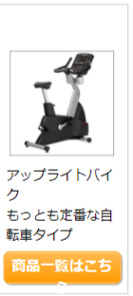
 |  |  |  |  |  | height:auto問題箇所(近藤) | 画像読み込まれていない（近藤） | ブランドギャップ広い＋ブランドクラスがついている（近藤） | 文字が枠外に（佐藤） | 一列表示になる（佐藤） | カートに入れる以降全て枠外（佐藤） | タイトル上margin:50px追加（近藤） | 値段のズレ（小森） | 見出しのスタイルが違う（佐藤） | 商品一覧が二段になる(近藤) | ブランド名称非表示（近藤） | 写真の横に文字が出てくる | 表がおかしい
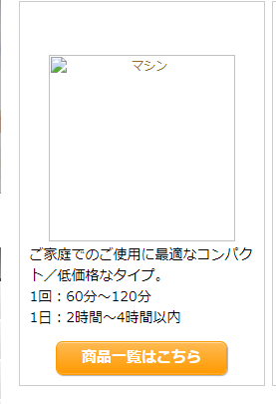
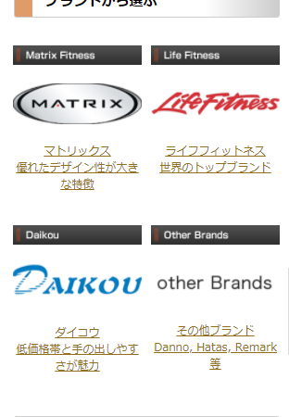
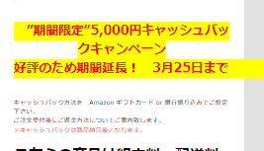
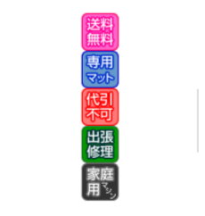
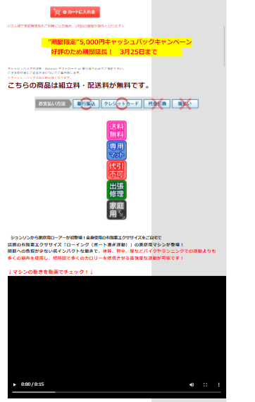
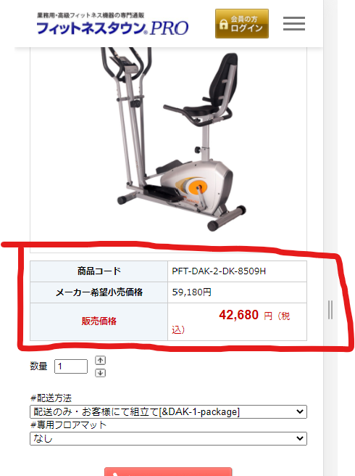
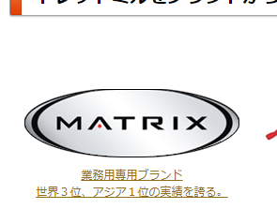
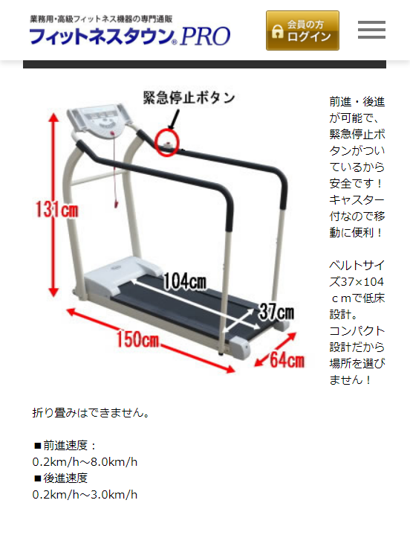
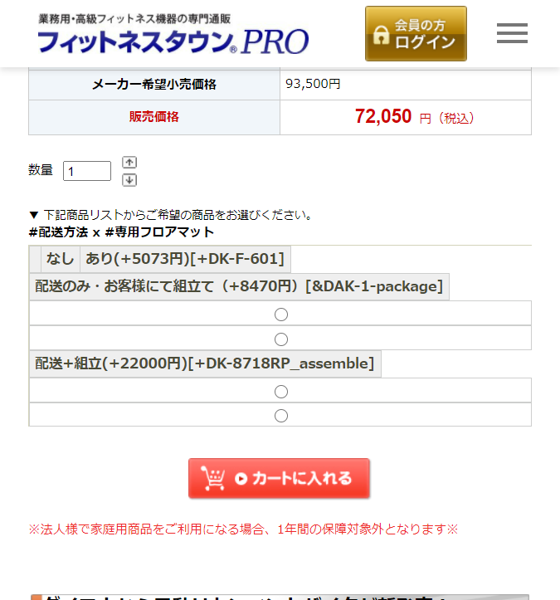
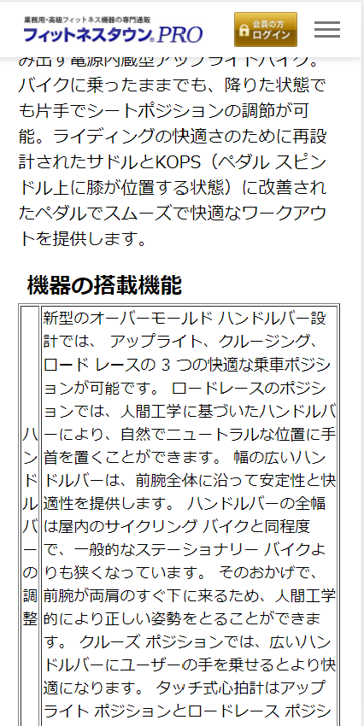
 |  |  |  |  |  | 価格別はmarginも変更 |  |  |  |  |  | 白・オレンジタイトルあり＋先頭タイトルはいれない
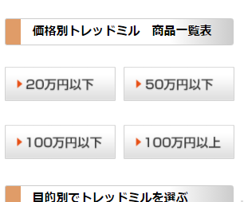
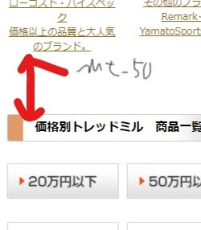
...
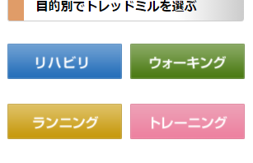
...
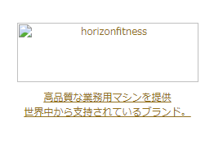
...
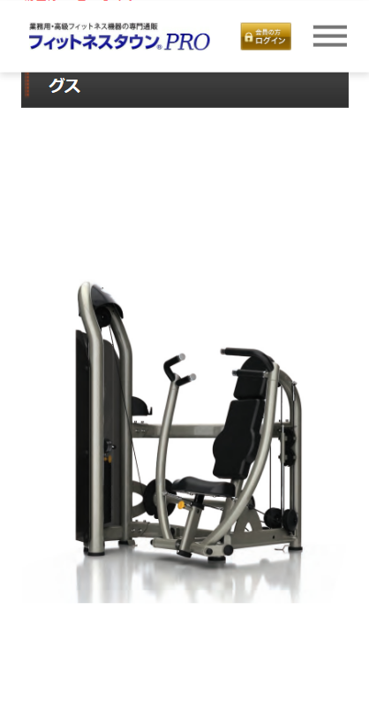
...
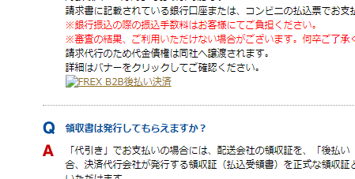
...
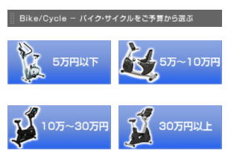
...

医療の王様
崩れ
近藤 | 土井 |  |  |  | imgが左寄せに | grid | table | cart | margin
小森 | 佐藤 |  |  |  | 崩れA | 崩れB | 崩れC | 崩れD | 崩れE | 崩れF | 崩れG | 崩れH | 崩れI | 崩れJ | 崩れK | 崩れL | 崩れM | 崩れN | 崩れO | 崩れP | 崩れQ | 崩れR
 |  |  |  |  | 崩れA |  |  | 崩れB |  |  | 崩れC |  |  | 崩れD |  |  | 崩れE
 |  |  |  |  | 画像が左寄せ |  |  | grid |  |  |  |  |  |  |  |  | marginがほしい
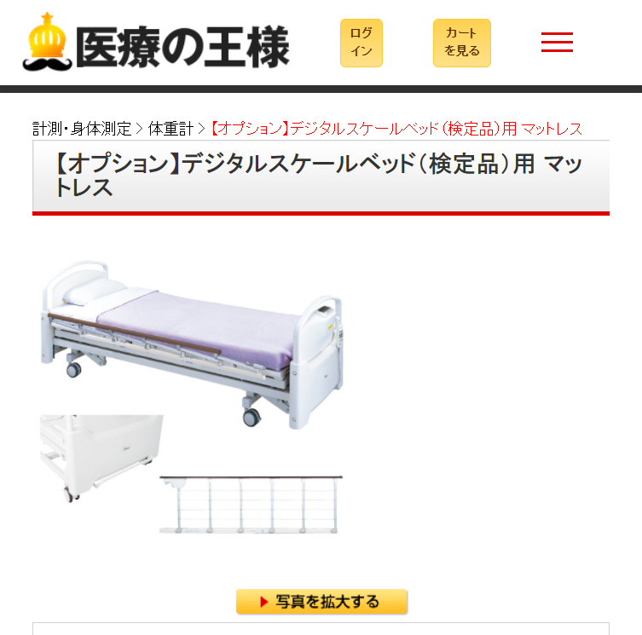
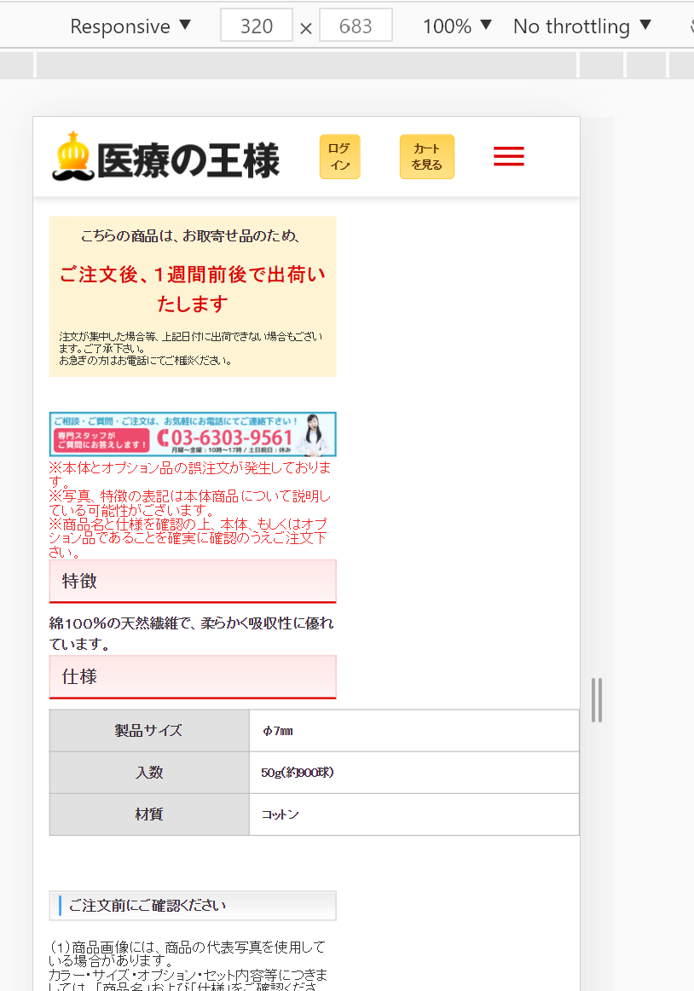
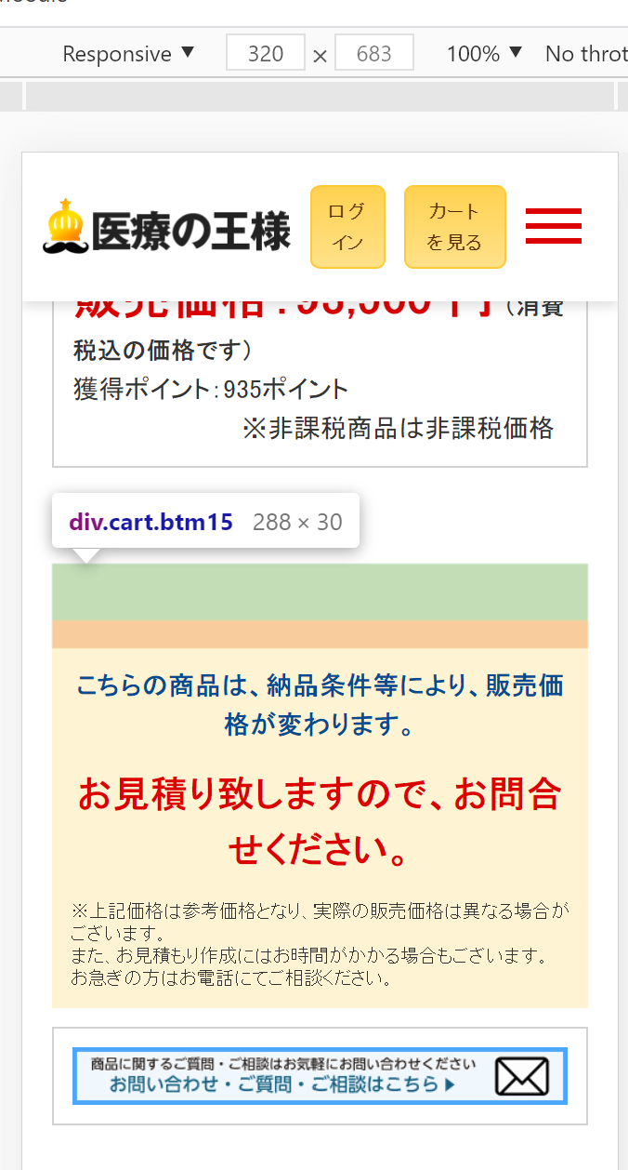

 |  | 医療の王様 | 進捗率

 | Address | Address | 着手完 | デプロイ済 | 崩れA | 崩れB | 崩れC | 崩れD | 崩れE | 崩れF | 崩れG | 崩れH | 崩れI | 崩れJ | 崩れK | 崩れL | 崩れM | 崩れN | 崩れO | 崩れP | 崩れQ | 崩れR
近藤 | https://iryoking.com/ | https://iryoking.com/ | × | ×
 | https://iryoking.com/html/page1.html | https://iryoking.com/html/page1.html | × | ×
 | https://iryoking.com/html/page2.html | https://iryoking.com/html/page2.html | × | ×
 | https://iryoking.com/html/page3.html | https://iryoking.com/html/page3.html | × | ×
 | https://iryoking.com/html/page4.html | https://iryoking.com/html/page4.html | × | ×
 | https://iryoking.com/html/page5.html | https://iryoking.com/html/page5.html | × | ×
...

