Blad1
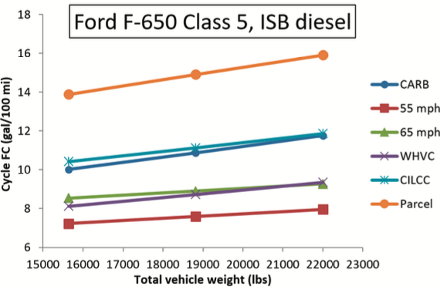
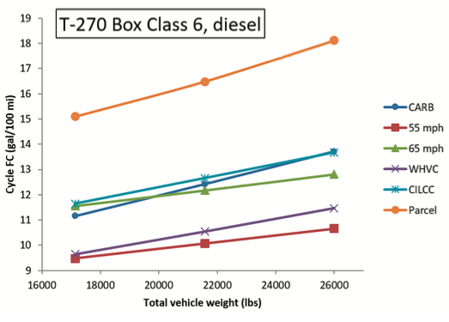
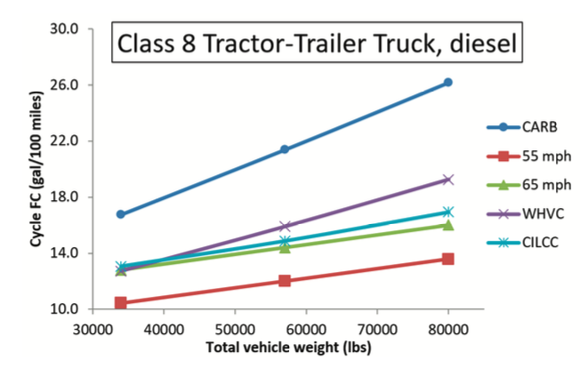
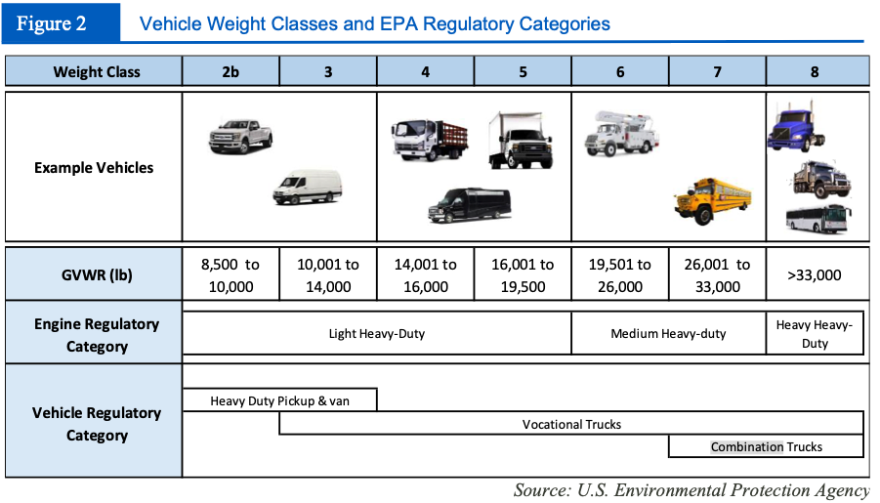
Truck Class | Gross Weight Range (lb) |  | Empty Weight Range (lb) |  | Payload Capacity Maximum (lb) | Payload Capacity Maximum (% of empty) | Mass efficiency range
 | min | max | min | max |  |  | min | max
Class 1c | 3200 | 6000 | 2400 | 5000 | 1000 | 20 | 25 | 16.666666667
Class 1t | 4000 | 6000 | 3200 | 4500 | 1500 | 33 | 20 | 25
Class 2a | 6001 | 8500 | 4500 | 6000 | 2500 | 40 | 25.012497917 | 29.411764706
Class 2b | 8501 | 10000 | 5000 | 6300 | 3700 | 60 | 41.183390189 | 37
Class 3 | 10001 | 14000 | 7650 | 8750 | 5250 | 60 | 23.507649235 | 37.5
Class 4 | 14001 | 16000 | 7650 | 8750 | 7250 | 80 | 45.36104564 | 45.3125
Class 5 | 16001 | 19500 | 9500 | 10800 | 8700 | 80 | 40.628710706 | 44.615384615
Class 6 | 19501 | 26000 | 11500 | 14500 | 11500 | 80 | 41.028665197 | 44.230769231
Class 7 | 26001 | 33000 | 11500 | 14500 | 18500 | 125 | 55.770931887 | 56.060606061
Class 8a | 33001 | 80000 | 20000 | 26000 | 54000 | 200 | 39.395775886 | 67.5
Class 8b | 33001 | 80000 | 20000 | 26000 | 54000 | 200 | 39.395775886 | 67.5

