Blad1
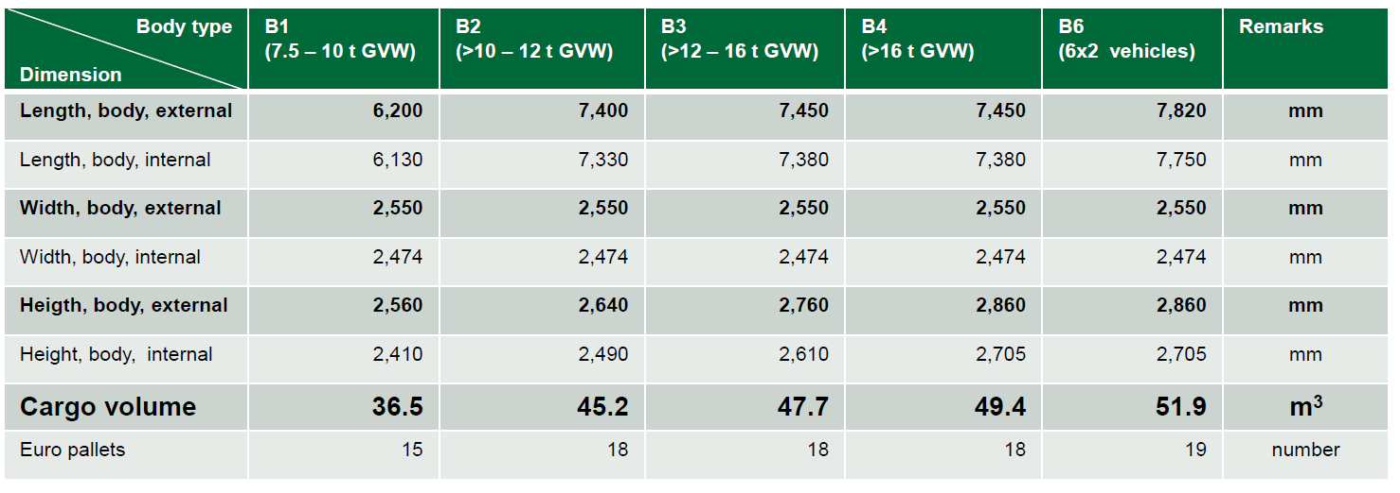
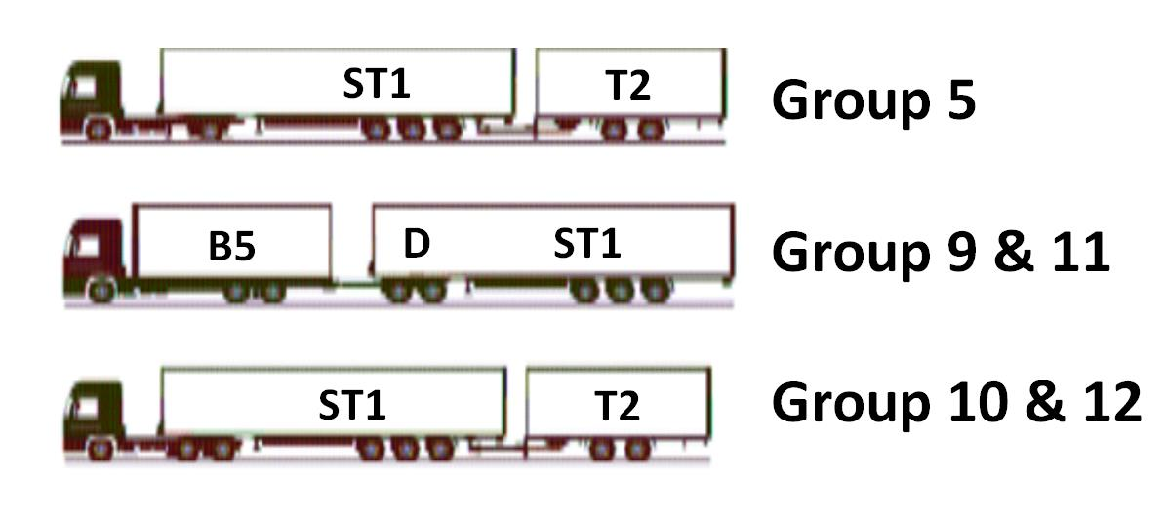
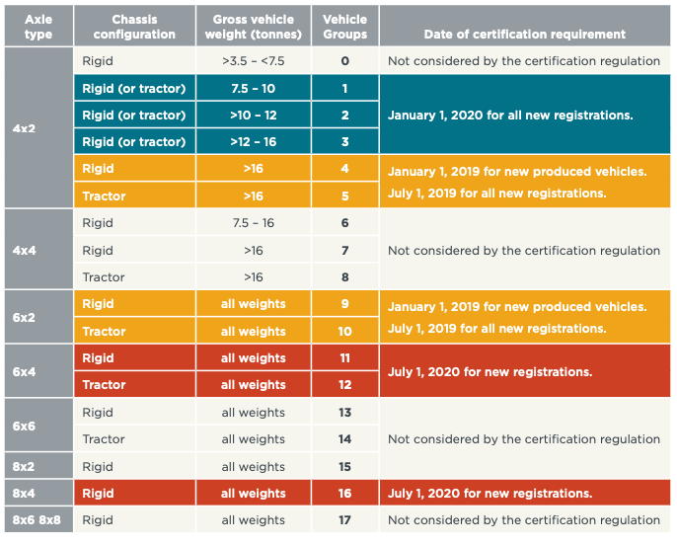
Mission Profile | Possible combinations |  |  |  |  | Gross Weight
 |  |  |  |  |  | min | max
Long Haul

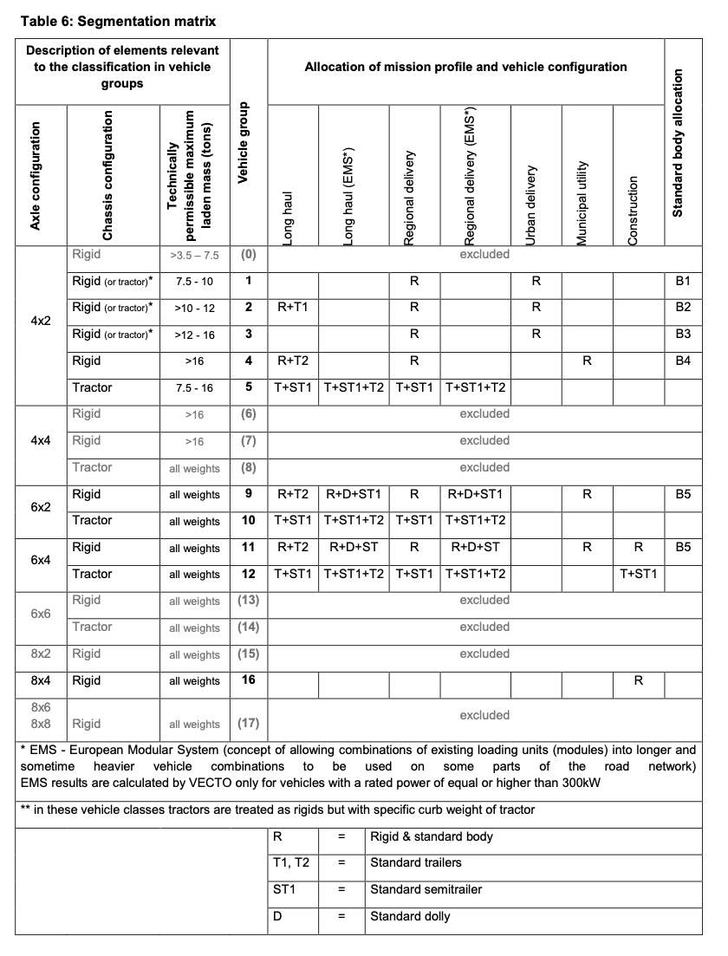
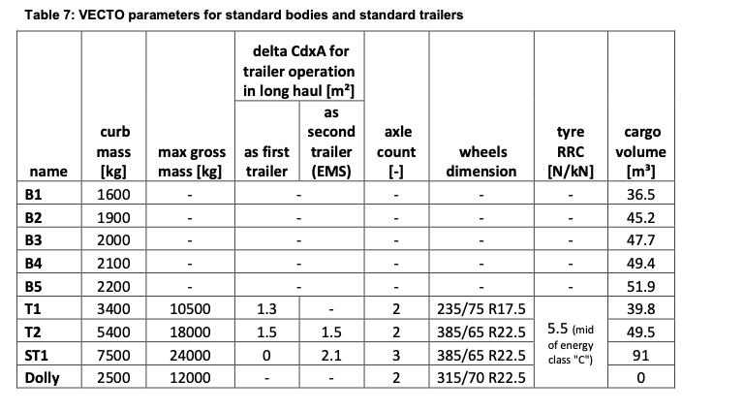
Long Haul EMS
Regional Deliveries
Regional Deliveries EMS
Urban deliveries
Municipal utility
Construction

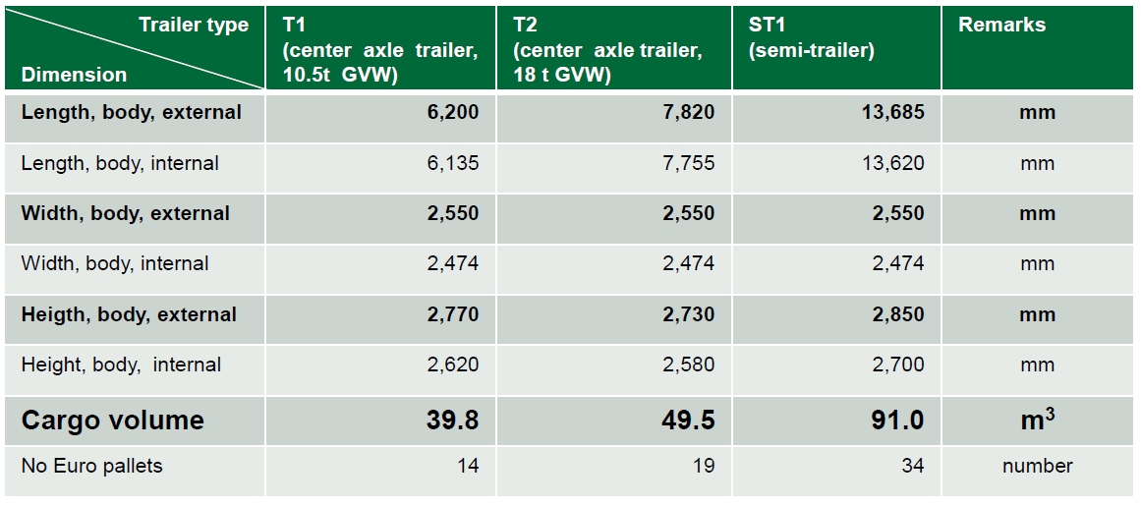

 |  | Bodies | CurbWeight [kg] | GrossWeight [kg]
 |  |  |  | min | max
 |  | B1 | 1600 | 7500 | 10000
 |  | B2 | 1900 | 10000 | 12000
 |  | B3 | 2000 | 12000 | 16000
 |  | B4 | 2100 | 16000 | 40000
 |  | B6 | 3400 | 16000 | 16000
 |  | T1 | 3400 | 3400 | 10500
 |  | T2 | 5400 | 5400 | 18000
 |  | ST1 | 7500 | 7500 | 24000
 |  | Dolly | 2500 | 2500 | 12000

