Sheet1
Cong | UCB, Duke |  | 托福送分： | NUS PHY | Purdue Phy | Rice app | Rice ece | Brown chem | Duke ece | UCB
Stable | Brown, Rice App, NTU, NUS
Bottom | Purdue, Rice ECE

Brown(Chem) | Chem剩sop，推荐信 | Rice(App,ece) | ECE剩sop，推荐信
gmail | 推荐信(三封) | gmail | APP剩推荐信
Xzq04100310! |  | Xzq04100310! | 推荐信(三封)
申请费waiver？

Purdue(Phy) | Academic Statement of Purpose
 | Personal History Statement
 | 推荐信(三封)
 | 问一下申请的项目和funding
 | 申请费能waiver吗

Duke(ece) | 1. For applicants with work experience post-undergraduate studies, please describe how your work experience prepares you for graduate studies in ways not reflected by your undergraduate academic record.
Video Introduction | 2. List programming languages you have used in the past and your proficiency level with each.
推荐信(三封) | 3. For applicants with backgrounds in fields other than Electrical or Computer Engineering, please describe your motivation in changing fields.
问一下waiver fee | 4. Name and briefly describe the content of the three Electrical or Computer Engineering courses you have taken, if any, that were the most advanced or had the greatest impact on your interest in our graduate program.
 | 5. Name and briefly describe the content of the three courses you have taken in related technical areas (Computer Science, Mathematics, Statistics, Physics, etc.) that were the most advanced or had the greatest impact on your interest in our graduate program.
Life Experiences Statement | Please provide a brief statement that highlights the unique life experiences that have shaped your personal and professional identity and prepared you for graduate work. Share how these experiences have influenced your perspectives and your vision for leveraging them to contribute to Duke’s academic community (required - 1 page or less).
 | you should also discuss why you are interested in Duke’s ECE PhD program. Description of specific faculty and/or research areas you are interested in is highly recommended. We are looking for applicants with the best fit for our program, so the better you can describe why this is you, the better your chances will be of standing out for admission.
 | Describe the actions you have taken to make the community more welcoming and accessible to current and prospective members.
 | Describe your leadership role in an organization or effort that sought to make a more welcoming, inclusive environment for all potential participants?
 | In their journey to graduate school, some applicants have experienced significant adversity, and worked hard to overcome it. If this applies to you, we welcome you to share about it.

UCB | SOP,Personal History Statement | gpa
https://grad.berkeley.edu/admissions/choosing-your-program/list/

NTU

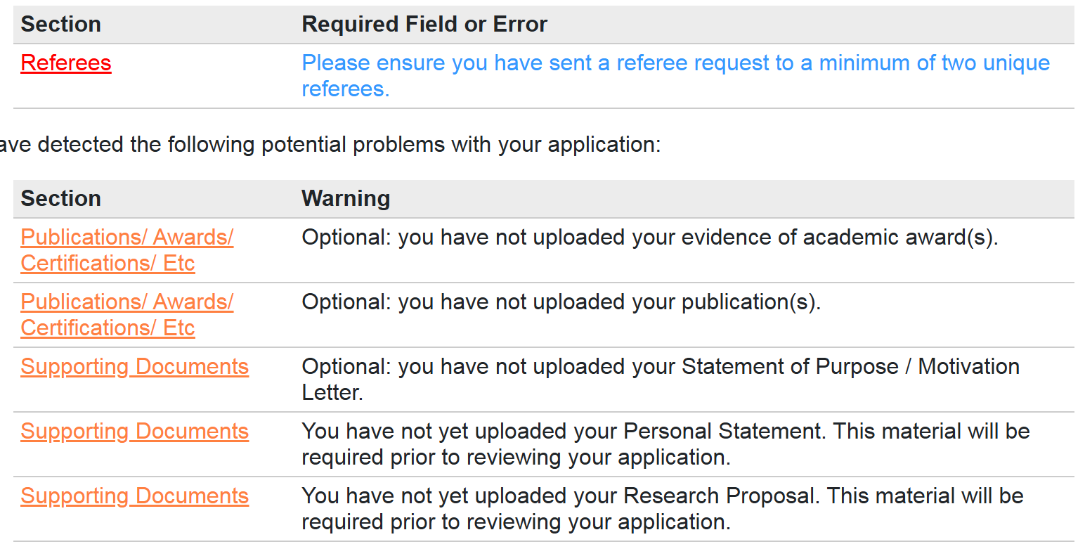
NUS | SOP
Awards 副本 | Personal Statement
Paper 副本 | Research Proposal
 | 3封推荐信

