Sheet1
交之前检查一下格式和标题 | UCB,Princeton,Northwestern |  | 托福送分： | CMU:2074 | Prin | Northwestern | Umich
 | CMU,Umich, Rice App, Duke ECE,NTU,NUS |  | 陶瓷回复： | 鼓励申请 | strong | meet | good meet
 | Purdue, Rice ECE, Brown Chem |  |  | Northwestern,Cornell,Princeton | CUHK, CMU,Umich,UCD | Duke,UCB | NUS,NTU,Brown,Purdue

Brown(Chem) |  | Rice(App,ece) | ECE剩推荐信
gmail | 推荐信(三封) | gmail | APP剩推荐信
Xzq04100310! |  | Xzq04100310! | 推荐信(三封)
申请费waiver？

Purdue(Phy) | 推荐信(三封) | NUS,CUHK,HKU | DONE

Duke(ece)
Video Introduction
推荐信(三封)
问一下waiver fee

UCB | SOP,Personal History Statement | gpa
https://grad.berkeley.edu/admissions/choosing-your-program/list/

NTU | 很多

Princeton | 推荐信，paper
ECE

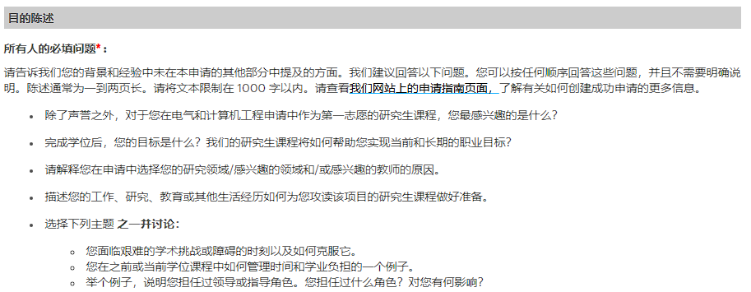
CMU | ECE: | Phy:

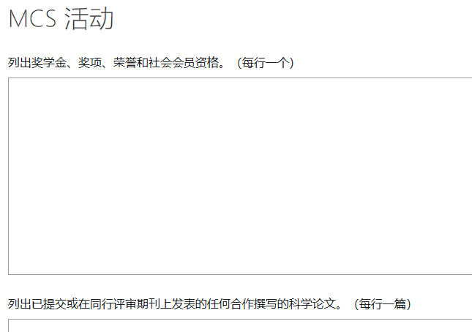
 |  | The Mellon College of Science at CMU values excellence, innovation, being genuine, diversity, respect for others, integrity, trusting, and being trustworthy. Within the context of your experiences, how would you contribute to these values within our community?
 |  | Describe (in one or two paragraphs) a science problem that you encountered during your research experience or course work, and discuss how you solved that particular problem.
 |  | Provide details for any research projects that you worked on in the past 5 years that includes a short project description, duration and advisor.

Northwestern | Umich类似，看一下要求说写陶瓷老师

Umich | 推荐信 professor
extra information

、

