Sheet1
Cong | UCB,Princeton,Northwestern |  | 托福送分： | CMU:2074 | Prin | Northwestern | Umich
Stable | CMU App/ECE ,Umich, Rice App, Duke ECE,NTU,NUS |  | 陶瓷回复： | 鼓励申请 | strong | meet | good meet
Bottom | Purdue, Rice ECE, Brown Chem |  |  | Northwestern,Cornell,Princeton | CUHK, CMU,Umich,UCD | Duke,UCB | NUS,NTU,Brown,Purdue

Brown(Chem) | Chem剩sop，推荐信 | Rice(App,ece) | ECE剩sop，推荐信
gmail | 推荐信(三封) | gmail | APP剩推荐信
Xzq04100310! |  | Xzq04100310! | 推荐信(三封)
申请费waiver？

Purdue(Phy) | Academic Statement of Purpose
 | Personal History Statement
 | 推荐信(三封)
 | 问一下申请的项目和funding
 | 申请费能waiver吗

Duke(ece) | In addition to providing more context regarding your personal, academic, research, and industry background, you should also discuss why you are interested in Duke’s ECE PhD program.
Video Introduction | Description of specific faculty and/or research areas you are interested in is highly recommended. We are looking for applicants with the best fit for our program, so the better you can describe why this is you, the better your chances will be of standing out for admission.
推荐信(三封) | Describe the actions you have taken to make the community more welcoming and accessible to current and prospective members.
问一下waiver fee | Describe your leadership role in an organization or effort that sought to make a more welcoming, inclusive environment for all potential participants?
 | In their journey to graduate school, some applicants have experienced significant adversity, and worked hard to overcome it. If this applies to you, we welcome you to share about it.
Life Experiences Statement

UCB | SOP,Personal History Statement | gpa
https://grad.berkeley.edu/admissions/choosing-your-program/list/

NTU

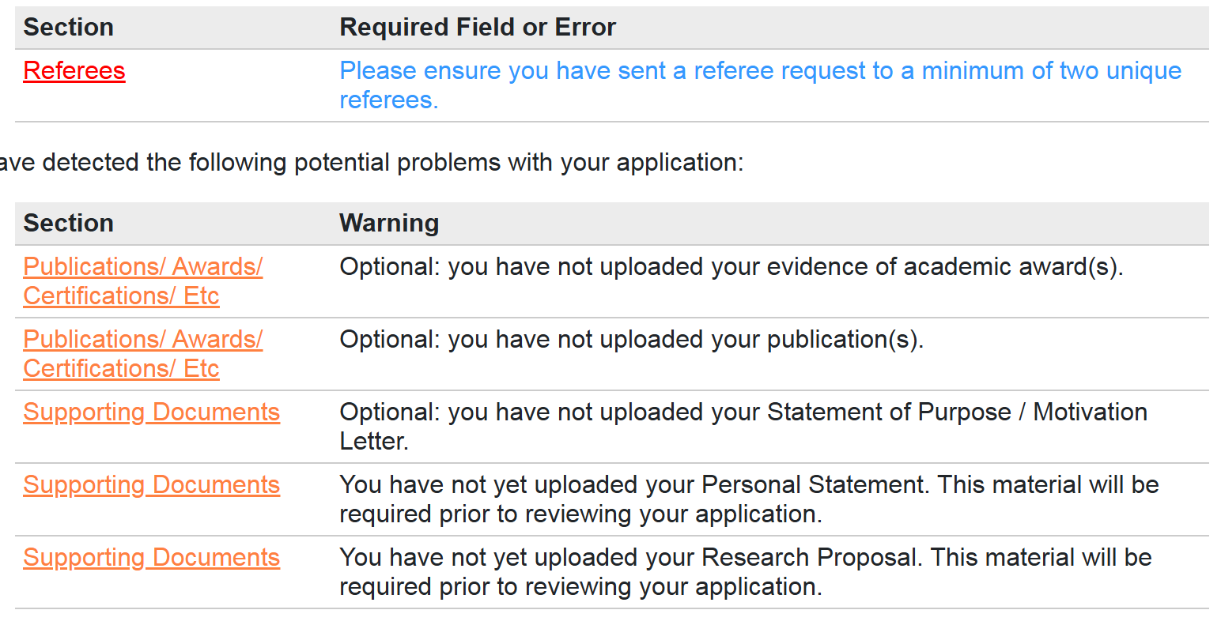
NUS | SOP
Awards 副本 | Personal Statement
Paper 副本 | Research Proposal
 | 3封推荐信


Princeton

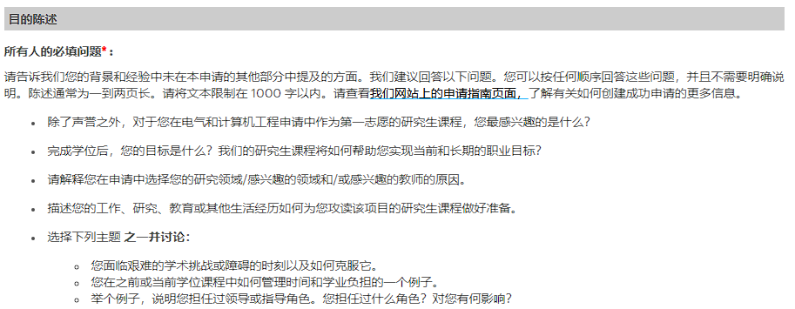
CMU | ECE: | Phy:

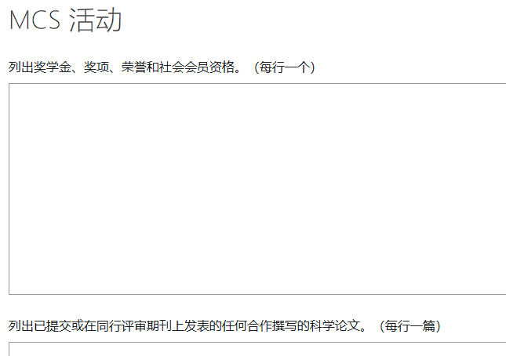
 |  | The Mellon College of Science at CMU values excellence, innovation, being genuine, diversity, respect for others, integrity, trusting, and being trustworthy. Within the context of your experiences, how would you contribute to these values within our community?
 |  | Describe (in one or two paragraphs) a science problem that you encountered during your research experience or course work, and discuss how you solved that particular problem.
 |  | Provide details for any research projects that you worked on in the past 5 years that includes a short project description, duration and advisor.

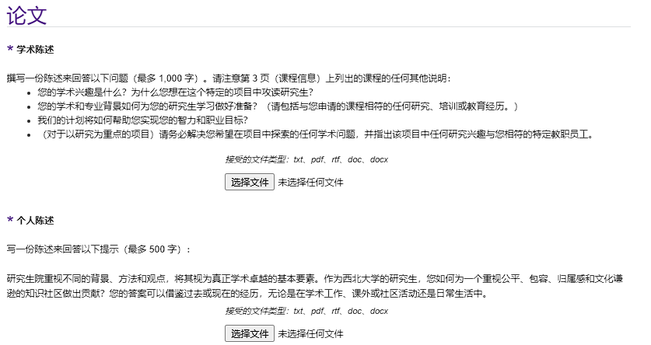

Northwestern

Umich | GPA 认证

