Figures S1 & S2
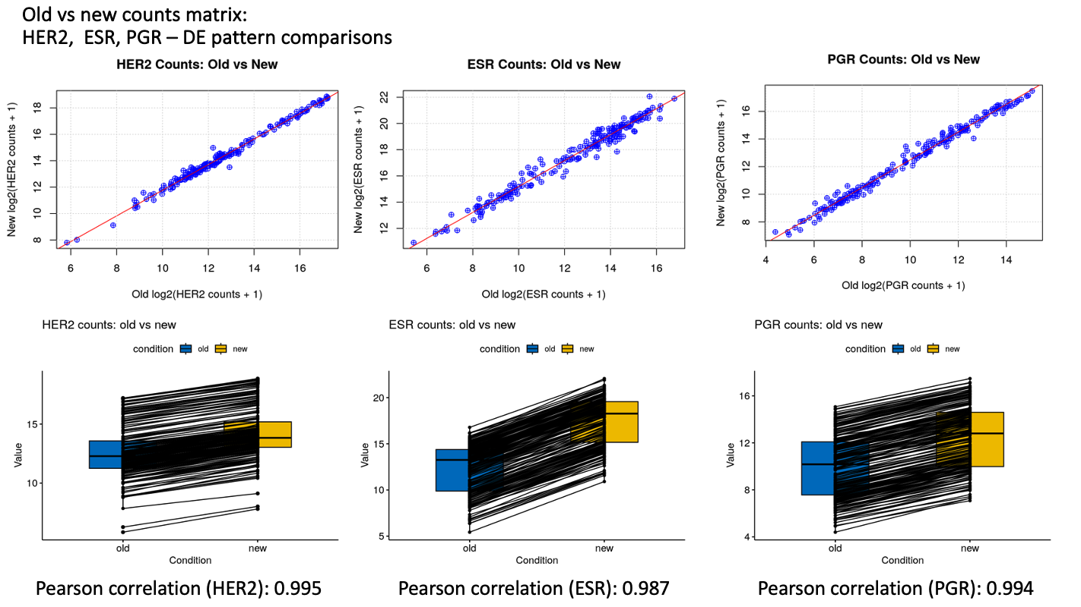
Figure S1: Boxplot comparisons of log-transformed gene-level counts between an old matrix (derived from same dataset) and my expression matrix (new)
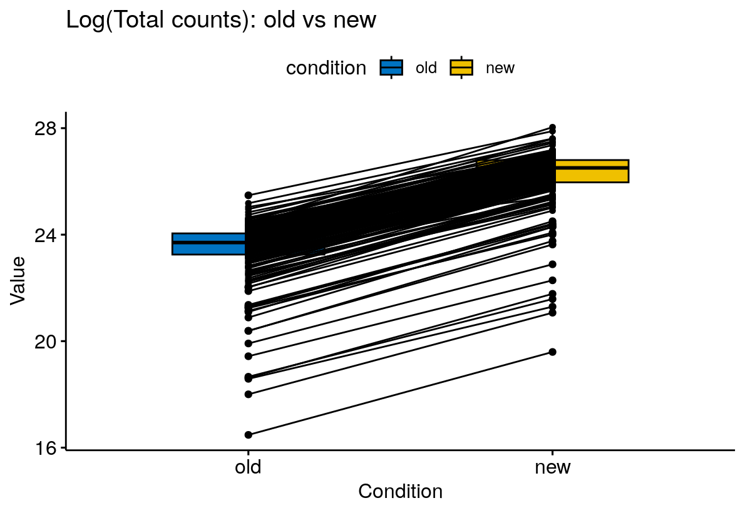

Figure S2: Boxplot comparisons of log-transformed counts between old vs new matrices for well-characterised genes in breast cancer (ERBB2, PGR, and ESR1)

Table S6
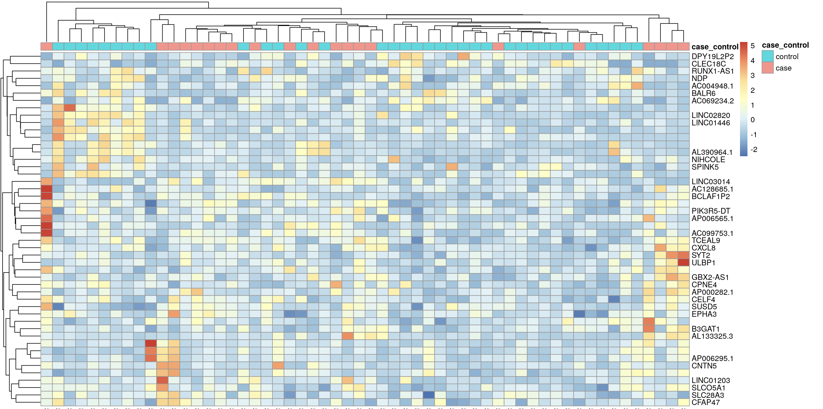
Supplementary Table 6: Differentially expressed genes (DEGs) identified in naïve DESeq2 model: 48 DEGs

Row.names | baseMean | log2FoldChange | lfcSE | stat | pvalue | padj | gene_symbol | gene_biotype | diffexpressed | delabel
ENSG00000149972 | 744.41564365 | 3.2931503161 | 0.47288303052 | 6.9639849678 | 3.307799193E-12 | 1.0403028462E-07 | CNTN5 | protein_coding | UP | NA
ENSG00000258815 | 2264.7813769 | -6.4267116351 | 0.97429011239 | -6.5963018134 | 4.2154035478E-11 | 6.6287220789E-07 | LINC02820 | lncRNA | DOWN | NA
ENSG00000109956 | 346.32057537 | 2.8998289882 | 0.51355320732 | 5.6465989246 | 1.6365301445E-08 | 0.00012867218261 | B3GAT1 | protein_coding | UP | NA
ENSG00000251026 | 16259.498921 | -4.4306541684 | 0.78280679597 | -5.6599587424 | 1.5140939098E-08 | 0.00012867218261 | NIHCOLE | lncRNA | DOWN | NA
ENSG00000133710 | 427.72381753 | -3.7158514271 | 0.67864807473 | -5.4753731212 | 4.3659069048E-08 | 0.00027461554431 | SPINK5 | protein_coding | DOWN | NA
ENSG00000306089 | 23.982209781 | -5.300163121 | 0.97894539695 | -5.414156027 | 6.1578454301E-08 | 0.00032277373129 |  | lncRNA | DOWN | NA
ENSG00000287460 | 1260.9236698 | -5.1768254316 | 0.96541035275 | -5.362305694 | 8.2166333099E-08 | 0.00036916159657 |  | lncRNA | DOWN | NA
ENSG00000124479 | 943.68757954 | -3.1221259899 | 0.58792198084 | -5.3104426976 | 1.0935926563E-07 | 0.00042991861302 | NDP | protein_coding | DOWN | NA
ENSG00000274840 | 2235.6961752 | -4.0953368836 | 0.80191086185 | -5.1069727054 | 3.2736101293E-07 | 0.001143944873 | BALR6 | lncRNA | DOWN | NA
ENSG00000143858 | 89.406042391 | 2.8700612028 | 0.58960428681 | 4.8677753318 | 1.1286153055E-06 | 0.0032268137597 | SYT2 | protein_coding | UP | NA
ENSG00000227757 | 223.3310771 | 3.1276589952 | 0.6417041949 | 4.8739887007 | 1.0936724789E-06 | 0.0032268137597 | AP000282.1 | lncRNA | UP | NA
ENSG00000301425 | 52.979942079 | 2.6196300156 | 0.55525399045 | 4.7178949826 | 2.3829744044E-06 | 0.0062453787516 |  | lncRNA | UP | NA
ENSG00000277047 | 526.89727876 | -4.6203817335 | 0.98507102793 | -4.6904046536 | 2.7266526614E-06 | 0.0065964020154 | AL390964.1 | lncRNA | DOWN | NA
ENSG00000291139 | 68.003708096 | -2.7720051349 | 0.5971819012 | -4.6418103585 | 3.4536977426E-06 | 0.007758485286 | DPY19L2P2 | lncRNA | DOWN | NA
ENSG00000111981 | 26.259502685 | 4.1013227599 | 0.89357429205 | 4.5897949353 | 4.4368167764E-06 | 0.0087211179761 | ULBP1 | protein_coding | UP | NA
ENSG00000278041 | 97.599243366 | 4.1742303927 | 0.90905967847 | 4.5918111776 | 4.3941584784E-06 | 0.0087211179761 | AL133325.3 | lncRNA | UP | NA
ENSG00000306384 | 585.33391549 | -4.2442230184 | 0.93316540197 | -4.5482001469 | 5.4106665893E-06 | 0.01000973319 |  | lncRNA | DOWN | NA
ENSG00000196353 | 2559.3916097 | 2.5346325434 | 0.56025515263 | 4.524068242 | 6.0662150758E-06 | 0.010599025785 | CPNE4 | protein_coding | UP | NA
ENSG00000272745 | 13.43304825 | -3.7715185741 | 0.83735760477 | -4.5040715611 | 6.6663741726E-06 | 0.011034603565 | AC004948.1 | lncRNA | DOWN | NA
ENSG00000233611 | 405.48694252 | 1.7412769481 | 0.39150678636 | 4.4476290291 | 8.6823306569E-06 | 0.01300282377 | GBX2-AS1 | lncRNA | UP | NA
ENSG00000302828 | 611.59526852 | 2.6630395633 | 0.59867554298 | 4.4482183957 | 8.6585469731E-06 | 0.01300282377 |  | lncRNA | UP | NA
ENSG00000256364 | 14.200685138 | -2.5970053452 | 0.59173570555 | -4.3887927006 | 1.1398165158E-05 | 0.016294195192 | AC069234.2 | lncRNA | DOWN | NA
ENSG00000185222 | 271.8543124 | 1.1752663338 | 0.2703330123 | 4.347476188 | 1.377130163E-05 | 0.018752205831 | TCEAL9 | protein_coding | UP | NA
ENSG00000302961 | 14.191028152 | 3.8428895138 | 0.88565263105 | 4.3390482669 | 1.4310109378E-05 | 0.018752205831 |  | lncRNA | UP | NA
ENSG00000173705 | 98.250513549 | 1.7656149942 | 0.4089553959 | 4.3173779144 | 1.5789368962E-05 | 0.018932634314 | SUSD5 | protein_coding | UP | NA
ENSG00000286153 | 5348.3665879 | -2.7214197068 | 0.63127736534 | -4.3109730465 | 1.6253771907E-05 | 0.018932634314 | RUNX1-AS1 | lncRNA | DOWN | NA
ENSG00000309673 | 381.57827356 | 2.5646705172 | 0.59465249665 | 4.3128895139 | 1.6113465336E-05 | 0.018932634314 |  | lncRNA | UP | NA
ENSG00000226985 | 81.732367833 | 3.5181671167 | 0.82180834092 | 4.2810068254 | 1.860496509E-05 | 0.020897362575 | LINC01203 | lncRNA | UP | NA
ENSG00000197506 | 1622.1132286 | 2.0956776121 | 0.49074789248 | 4.2703751646 | 1.9514442606E-05 | 0.02116307655 | SLC28A3 | protein_coding | UP | NA
ENSG00000205628 | 288.55857086 | -3.946462413 | 0.93181591987 | -4.2352382363 | 2.2830952254E-05 | 0.02393444828 | LINC01446 | lncRNA | DOWN | NA
ENSG00000165164 | 2527.0720786 | 2.2950022769 | 0.54465944379 | 4.2136463492 | 2.5128063698E-05 | 0.024523259071 | CFAP47 | protein_coding | UP | NA
ENSG00000254434 | 74.062213658 | 3.0218680579 | 0.7172966187 | 4.2128569675 | 2.5216075383E-05 | 0.024523259071 | AP006295.1 | lncRNA | UP | NA
ENSG00000282987 | 11.675179991 | 2.8880752076 | 0.6869960113 | 4.2039184509 | 2.6233348507E-05 | 0.024523259071 | AC099753.1 | lncRNA | UP | NA
ENSG00000302210 | 117.75685805 | 1.7387719907 | 0.41384250762 | 4.2015306758 | 2.6511631428E-05 | 0.024523259071 |  | lncRNA | UP | NA
ENSG00000137571 | 533.48829082 | 1.5246525457 | 0.36527414008 | 4.1739953049 | 2.9930392599E-05 | 0.026147523534 | SLCO5A1 | protein_coding | UP | NA
ENSG00000265737 | 24.359927941 | 2.0049765099 | 0.48020713693 | 4.1752326354 | 2.9768169E-05 | 0.026147523534 | AP006565.1 | lncRNA | UP | NA
ENSG00000044524 | 2152.9656744 | 1.4841641072 | 0.35759906727 | 4.1503578813 | 3.3195583123E-05 | 0.028216245654 | EPHA3 | protein_coding | UP | NA
ENSG00000169429 | 257.1063674 | 2.1533835718 | 0.52044962258 | 4.1375446891 | 3.5104209303E-05 | 0.029053352173 | CXCL8 | protein_coding | UP | NA
ENSG00000157335 | 20.885351346 | -2.3762263548 | 0.57821123521 | -4.1096163654 | 3.9631696815E-05 | 0.03195940679 | CLEC18C | protein_coding | DOWN | NA
ENSG00000282075 | 10.763661091 | 3.1192127532 | 0.76149187991 | 4.0961864932 | 4.2001162157E-05 | 0.032386116313 | LINC03014 | lncRNA | UP | NA
ENSG00000294283 | 32.126515983 | -3.6209800308 | 0.88424839718 | -4.0949805987 | 4.2220374207E-05 | 0.032386116313 |  | lncRNA | DOWN | NA
ENSG00000287912 | 64.528986363 | 2.7762155832 | 0.67908170264 | 4.0881908206 | 4.3475047994E-05 | 0.032554529986 |  | lncRNA | UP | NA
ENSG00000241168 | 15.656410063 | 2.2102060571 | 0.544739473 | 4.0573635043 | 4.9629805245E-05 | 0.035474031249 | AC128685.1 | lncRNA | UP | NA
ENSG00000310236 | 31.237679199 | -5.0019181111 | 1.2327956729 | -4.0573780561 | 4.9626714067E-05 | 0.035474031249 |  | lncRNA | DOWN | NA
ENSG00000279800 | 19.081767866 | 2.3501995745 | 0.5858357575 | 4.0117038682 | 6.0282087568E-05 | 0.0421304812 | BCLAF1P2 | processed_pseudogene | UP | NA
ENSG00000294676 | 516.98806352 | 1.0940737916 | 0.27419815085 | 3.9900844998 | 6.6049760124E-05 | 0.045157933824 |  | lncRNA | UP | NA
ENSG00000101489 | 462.35285925 | 2.0075966139 | 0.50523195465 | 3.9736136944 | 7.0790343303E-05 | 0.046527420253 | CELF4 | protein_coding | UP | NA
ENSG00000266389 | 48.195102116 | 1.8873110823 | 0.47504972912 | 3.9728705577 | 7.1011642993E-05 | 0.046527420253 | PIK3R5-DT | lncRNA | UP | NA

Heatmap clustering - naïve DESeq2 model

Table S10
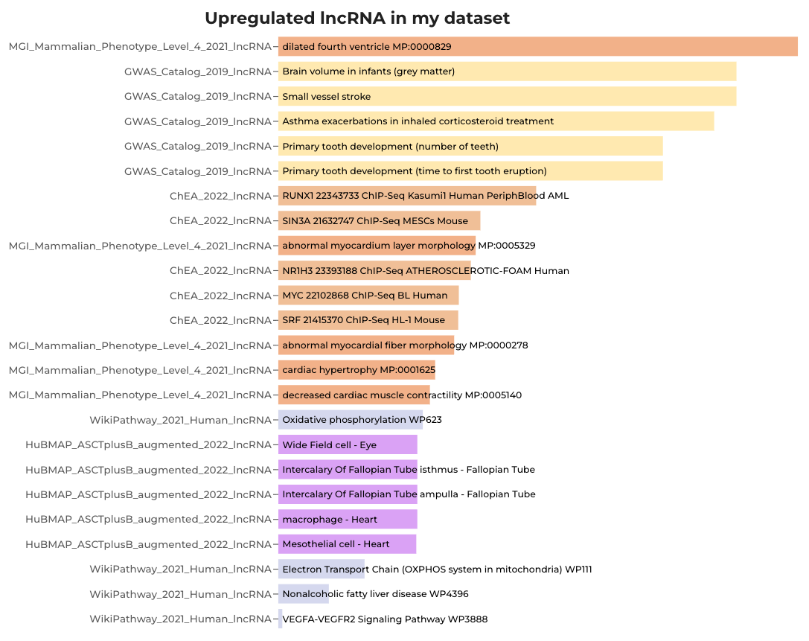
Supplementary Table 10: LncRNAlyzr enrichment analysis results for upregulated differentially expressed lncRNA from Sloane DCIS dataset

Term | Library | p-value | z-score
dilated fourth ventricle MP:0000829 | MGI_Mammalian_Phenotype_Level_4_2021_lncRNA | 0.03002 | 38.9
Brain volume in infants (grey matter) | GWAS_Catalog_2019_lncRNA | 0.04543 | 24.33
Small vessel stroke | GWAS_Catalog_2019_lncRNA | 0.04543 | 24.33
Asthma exacerbations in inhaled corticosteroid treatment | GWAS_Catalog_2019_lncRNA | 0.05281 | 20.58
Primary tooth development (number of teeth) | GWAS_Catalog_2019_lncRNA | 0.07461 | 14.07
Primary tooth development (time to first tooth eruption) | GWAS_Catalog_2019_lncRNA | 0.07461 | 14.07
RUNX1 22343733 ChIP-Seq Kasumi1 Human PeriphBlood AML | ChEA_2022_lncRNA | 0.1755 | 2.776
SIN3A 21632747 ChIP-Seq MESCs Mouse | ChEA_2022_lncRNA | 0.2557 | 1.801
abnormal myocardium layer morphology MP:0005329 | MGI_Mammalian_Phenotype_Level_4_2021_lncRNA | 0.2639 | 3.41
NR1H3 23393188 ChIP-Seq ATHEROSCLEROTIC-FOAM Human | ChEA_2022_lncRNA | 0.2728 | 2.039
MYC 22102868 ChIP-Seq BL Human | ChEA_2022_lncRNA | 0.2957 | 1.919
SRF 21415370 ChIP-Seq HL-1 Mouse | ChEA_2022_lncRNA | 0.297 | 1.65
abnormal myocardial fiber morphology MP:0000278 | MGI_Mammalian_Phenotype_Level_4_2021_lncRNA | 0.3053 | 2.86
cardiac hypertrophy MP:0001625 | MGI_Mammalian_Phenotype_Level_4_2021_lncRNA | 0.347 | 2.438
decreased cardiac muscle contractility MP:0005140 | MGI_Mammalian_Phenotype_Level_4_2021_lncRNA | 0.3595 | 2.33
Oxidative phosphorylation WP623 | WikiPathway_2021_Human_lncRNA | 0.3771 | 2.205
Wide Field cell - Eye | HuBMAP_ASCTplusB_augmented_2022_lncRNA | 0.3911 | 2.092
Intercalary Of Fallopian Tube isthmus - Fallopian Tube | HuBMAP_ASCTplusB_augmented_2022_lncRNA | 0.3911 | 2.092
Intercalary Of Fallopian Tube ampulla - Fallopian Tube | HuBMAP_ASCTplusB_augmented_2022_lncRNA | 0.3911 | 2.092
macrophage - Heart | HuBMAP_ASCTplusB_augmented_2022_lncRNA | 0.3911 | 2.092
Mesothelial cell - Heart | HuBMAP_ASCTplusB_augmented_2022_lncRNA | 0.3941 | 2.071
Electron Transport Chain (OXPHOS system in mitochondria) WP111 | WikiPathway_2021_Human_lncRNA | 0.5587 | 1.259
Nonalcoholic fatty liver disease WP4396 | WikiPathway_2021_Human_lncRNA | 0.7109 | 0.8203
VEGFA-VEGFR2 Signaling Pathway WP3888 | WikiPathway_2021_Human_lncRNA | 0.9732 | 0.2674

Table S11
Supplementary Table 11: LncRNAlyzr enrichment analysis results for downregulated differentially expressed lncRNA from Sloane DCIS dataset
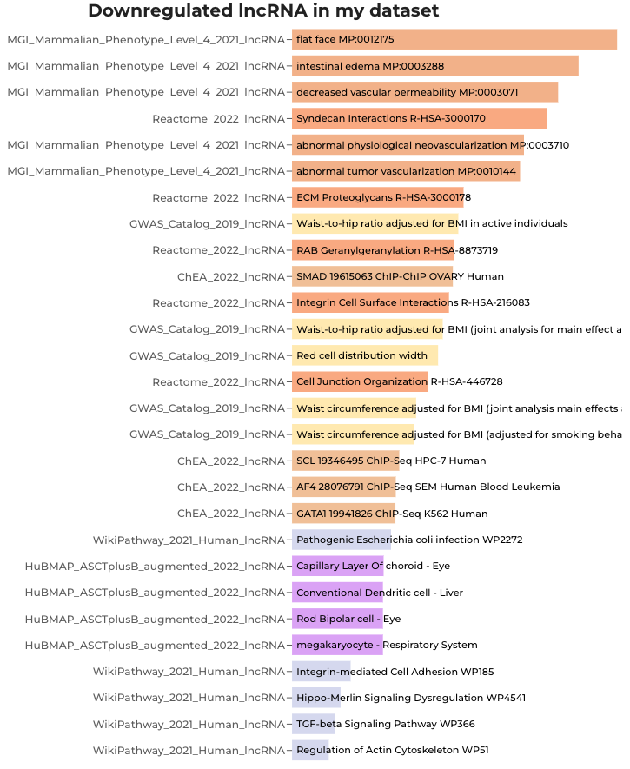

Term | Library | p-value | z-score
flat face MP:0012175 | MGI_Mammalian_Phenotype_Level_4_2021_lncRNA | 0.02331 | 51.6
intestinal edema MP:0003288 | MGI_Mammalian_Phenotype_Level_4_2021_lncRNA | 0.0364 | 30.94
decreased vascular permeability MP:0003071 | MGI_Mammalian_Phenotype_Level_4_2021_lncRNA | 0.0461 | 23.79
Syndecan Interactions R-HSA-3000170 | Reactome_2022_lncRNA | 0.05232 | 20.43
abnormal physiological neovascularization MP:0003710 | MGI_Mammalian_Phenotype_Level_4_2021_lncRNA | 0.06839 | 15.45
abnormal tumor vascularization MP:0010144 | MGI_Mammalian_Phenotype_Level_4_2021_lncRNA | 0.07153 | 14.71
ECM Proteoglycans R-HSA-3000178 | Reactome_2022_lncRNA | 0.1376 | 7.158
Waist-to-hip ratio adjusted for BMI in active individuals | GWAS_Catalog_2019_lncRNA | 0.1462 | 6.728
RAB Geranylgeranylation R-HSA-8873719 | Reactome_2022_lncRNA | 0.1538 | 6.332
SMAD 19615063 ChIP-ChIP OVARY Human | ChEA_2022_lncRNA | 0.1557 | 6.211
Integrin Cell Surface Interactions R-HSA-216083 | Reactome_2022_lncRNA | 0.1629 | 5.939
Waist-to-hip ratio adjusted for BMI (joint analysis for main effect and physical activity interaction) | GWAS_Catalog_2019_lncRNA | 0.1751 | 5.497
Red cell distribution width | GWAS_Catalog_2019_lncRNA | 0.1847 | 2.706
Cell Junction Organization R-HSA-446728 | Reactome_2022_lncRNA | 0.207 | 4.531
Waist circumference adjusted for BMI (joint analysis main effects and smoking interaction) | GWAS_Catalog_2019_lncRNA | 0.2382 | 3.862
Waist circumference adjusted for BMI (adjusted for smoking behaviour) | GWAS_Catalog_2019_lncRNA | 0.2435 | 3.765
SCL 19346495 ChIP-Seq HPC-7 Human | ChEA_2022_lncRNA | 0.2893 | 3.051
AF4 28076791 ChIP-Seq SEM Human Blood Leukemia | ChEA_2022_lncRNA | 0.3013 | 1.901
GATA1 19941826 ChIP-Seq K562 Human | ChEA_2022_lncRNA | 0.3026 | 1.895
Pathogenic Escherichia coli infection WP2272 | WikiPathway_2021_Human_lncRNA | 0.3185 | 2.745
Capillary Layer Of choroid - Eye | HuBMAP_ASCTplusB_augmented_2022_lncRNA | 0.3468 | 2.452
Conventional Dendritic cell - Liver | HuBMAP_ASCTplusB_augmented_2022_lncRNA | 0.3496 | 2.427
Rod Bipolar cell - Eye | HuBMAP_ASCTplusB_augmented_2022_lncRNA | 0.3496 | 2.427
megakaryocyte - Respiratory System | HuBMAP_ASCTplusB_augmented_2022_lncRNA | 0.3496 | 2.427
Integrin-mediated Cell Adhesion WP185 | WikiPathway_2021_Human_lncRNA | 0.5079 | 1.461
Hippo-Merlin Signaling Dysregulation WP4541 | WikiPathway_2021_Human_lncRNA | 0.5704 | 1.221
TGF-beta Signaling Pathway WP366 | WikiPathway_2021_Human_lncRNA | 0.6059 | 1.105
Regulation of Actin Cytoskeleton WP51 | WikiPathway_2021_Human_lncRNA | 0.6539 | 0.9658

Figure S3
Supplementary figure 3: Scatterplot comparison of log2 fold change values of naïve vs refined DESeq2 models





