Sheet1
Date | Particualars | Debit ($) | Credit | account type
07/01/2026 | Prepaid Insurance A/c | 60000 | Asset (Balance Sheet) | Annual premium paid in advance
08/01/2026 | Cash/Bank A/c | 60000 | Asset (Balance Sheet) | Payment for insurance
25/01/2026 | Insurance Expense A/c | 80000 | Asset (Balance Sheet) | 3 months premium expired
26/01/2026 | Prepaid Insurance A/c | 80000 | Asset (Balance Sheet) | Adjusting entry for expired portion
 | Insurance Expense A/c | 50000 | Expense(P& L) | Next quarter premium expired
30/01/2026 | Prepaid Insurance A/c | 50000 | Asset (Balance Sheet) | Adjusting entry for expired portion

Insurance Entries Formatting

Consistency Check (Y/N):

Policy ID Customer Name City Premium Status (Y/N)
Policy ID | Customer Name | city | Premium | Status
PAT001 | ANIL Kumar | Patna | 12500 | Y
PAT002 | RINA SHARMA | Patna | 9800 | Y
PAT003 | SURESH SINGH | Patna | 15200 | Y
PAT004 | PRIYA VERMA | Patna | 11000 | Y
PAT005 | RAJESH GUPTA | Patna | 13400 | Y
PAT006 | NEHA JHA | Patna | 10600 | y
PAT007 | MANOJ DAS | Patna | 14700 | y

Insurance Data Entry
Columns: Hospital Insurer Cashless (Y/N) TPA source_note last_verified_on
Rules:
Use consistent insurer naming (e.g., “HDFC ERGO” not “HDFC Ergo Insurance”).
source_note: specify website / call / map.
Example Rows :
Hospital Name | Insurers | Cashless(Y\N) | TPA | Source_note | Last_verified_on | contact number | website link. | Locations
PMCH | Bajaj allian | Y | Ayushman bharat | website \ call | 30\01\2026 | `06122300080 | pmchpatna.in | phulwari shrif patna,801507
AIIMS PATNA | ICICI LOMBARD | Y | Ayushman bharat | website \ call | 26\01\2026 | 6122451070 | aiimspatna.edu.in | Ashok Rajpath, Muradpur patna ,800004
Paras HMRI | DHFC | Y | Ayushman bharat \vidal health | website \ call | 20\08\2025 | 9091790917 | parashospitals.com | NH-30, Bailey Road,raja bazar, indrapuri,patna 800014
NMCH Patna | RSBY/NHIS: | Y | Ayushman bharat | website \ call | 28/12/2025 | 6122631159 | nmchpatna.ac.in | Kankarbagh main road,patna ,800026
Vedanta hospital | ruban | Y | Ayushman bharat | website \ call | 01\02\2026 | 7070094822 | vedantaeyehospital.in | New Shivpuri Road , Harnichak Anisabad ,patna 800002

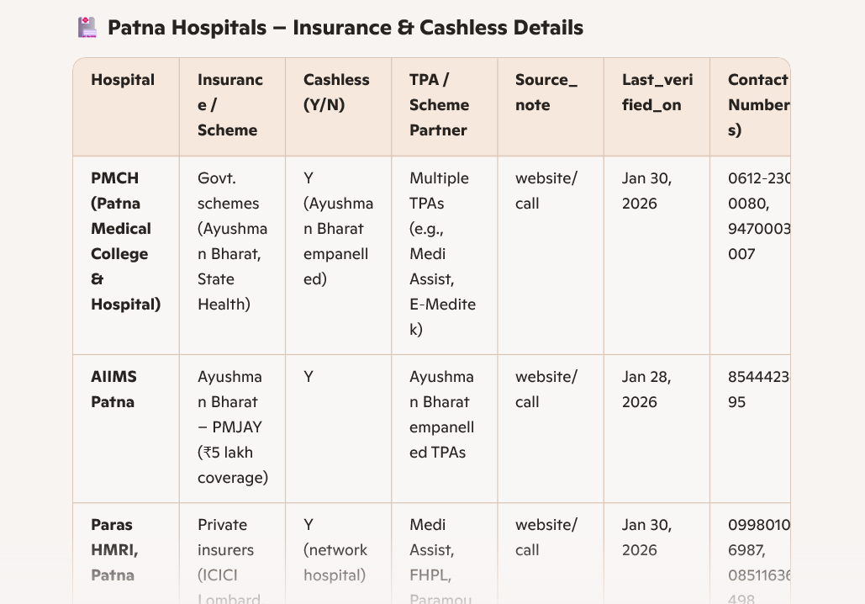



Patna Hospitals with Insurance/TPA Details
Hospital Name | contact number | website | Insurance Tie -up | Third Party Administrator(TPA) | location
AIIMS PATNA | 6122451070 | http://aiimspatna.edu.in/ | yes | ,Ayushman bharat ......etc | phulwari shrif patna,801507
PMCH | `06122300080 | http://pmchpatna,.in | yes | ,Ayushman bharat ......etc
NMCH | 06122918523/06122631159 |  | yes | ,Ayushman bharat ......etc
IGIMS | 18004254732 | https://igms.irda.gov.in/ | yes | No
Specialized Government Hospitals
IGIC | 0612-2379107 | www.igicpatna.in | YES | YES
LNJP | 612-2280973 | WWW.rmrism.org.in | yes | yes | Rajbansi Nagar, near Botanical Garden, Patna, Bihar
RMRIMS | 6122631121 | https://rmrims.org.in/ | no | no | Agamkuan, Patna – 800007, Bihar, India
New Gaediner Road Super Specialty | 612-2504915 | http://www.gardinerrodhospital.in/ | yes | yes / ,Ayushman bharat ......etc | Ner income Tax golambar, bailey road, Patna 800001
Rajendra Nagar Government Hospital | NOT | No | no | no | Road No.6,Rajendra Nagar,Patna ,800016
Government Ayurvedic College and hospital | 9289495501 | https://gachpatna.com/ | No | No | Kadam Kuan, Patna 800003
Guru govind singh sadar hospital | 8407068849 | no | yes | yes | Main Road Ashok rajpath ,Khamji Begum Colony Sadikpur patna 800006
Gardanibagh Government Hospital | 9470003584 | No | /,Ayushman bharat ......etc | No private TPA | Gardanibagh Patan 800001/2
Sub-Divisional Hospital Danapur | no | no | /,Ayushman bharat ......etc | /,Ayushman bharat ......etc | phulwari shrif patna,801508
Sub- divisional Hospital Masaurhi | 9835261379 | No | /,Ayushman bharat ......etc | /,Ayushman bharat ......etc
Sub- divisional Hospital Paliganj | 9470003602 | Not Available | /,Ayushman bharat ......etc | /,Ayushman bharat ......etc
Sub- divisional Hospital barh | 6132242019 | No | /,Ayushman bharat ......etc | /,Ayushman bharat ......etc
Big Apollo Spectrc Hospital | 6123540100 | https://bigapollospectra.com | /,Ayushman bharat ......etc | /,Ayushman bharat ......etc
IMRI SHAHEEN HOSPITAL PATNA | No | no | no | no
Jay Prabha Medanta Super Specialt | 6123505050 | https://www.medanta.org | yes | yes | Rajbansi Nagar, near Botanical Garden, Patna, Bihar
Ganga jal hospital | 9431255855/9661217160 | www.gangajalhospital.com | No | No | Agamkuan, Patna – 800007, Bihar, India
RAJESHWAR HOSPITAL | 8877700023/8877700024 | https://www.rajeshwarhospital.com/ | yes | yes | Ner income Tax golambar, bailey road, Patna 800002
Pulse Emergency hospital | 9386049762 | https://pulseemergencyhospital.com | yes | yes | Road No.6,Rajendra Nagar,Patna ,800017
panacea hospital | 9431274600 | No | yes | yes / ,Ayushman bharat ......etc | Kadam Kuan, Patna 800004
Vista hosptal | 9341509200/9341509209 | https://www.vistahospital.in | yes | yes | Main Road Ashok rajpath ,Khamji Begum Colony Sadikpur patna 800007
Ford hospital and Research centar | 9386392846 | https://fordhospital.org/ | yes | yes | Gardanibagh Patan 800001/3
patlipuitra hosptal and research centre | 9334246661 | https://patliputrahospital.in | yes | yes | phulwari shrif patna,801509
Khan Sir Hospital(Blood bank & Dialysis Centre | 6200288285 | https:khansirhospital.in/ | yes | yes
 |  |  | yes | yes

https://cciitpatna-my.sharepoint.com/:w:/g/personal/jitesh_ua2503cdh419_iitp_ac_in/IQA83iSoLF08Sbwu6T4Z1jzGAZdIuUe_FTTq4UfJ78qVqDE?e=4c8tvc

