phase_analysis
Квазицикл 1
Квазицикл 2
Фазовый портрет
Временной ряд | Приращение | Сдвиг
132.1 | 6.9 | -9
139 | -9 | 0.9
130 | 0.9 | 10.1
130.9 | 10.1 | 15.97
141 | 15.97 | 27.83
156.97 | 27.83 | -25.41
184.8 | -25.41 | 20.81
159.39 | 20.81 | 8.12
180.2 | 8.12 | -7.44
188.32 | -7.44 | 30.13
180.88 | 30.13 | -10.51
211.01 | -10.51 | -21.8
200.5 | -21.8 | -2.7
178.7 | -2.7 | -59.01
Квазицикл 3
Квазицикл 4
176 | -59.01 | -17.99
116.99 | -17.99 | -40.81
99 | -40.81 | -9.7
58.19 | -9.7 | 17
48.49 | 17 | 16.11
65.49 | 16.11 | -2.99
81.6 | -2.99 | 29.59
78.61 | 29.59 | 33.52
108.2 | 33.52 | -13.76
141.72 | -13.76 | -6.76
127.96 | -6.76 | -2.8
121.2 | -2.8 | 8.95
118.4 | 8.95 | 7.27
127.35 | 7.27 | 24.93
134.62 | 24.93 | 10.55
Квазицикл 5
Квазицикл 6
159.55 | 10.55 | 15.35
170.1 | 15.35 | -17.71
185.45 | -17.71 | 25.35
167.74 | 25.35 | 4.91
193.09 | 4.91 | 1.99
198 | 1.99 | 9.41
199.99 | 9.41 | 9.1
209.4 | 9.1 | -2.5
218.5 | -2.5 | 19
Память квазициклов
216 | 19 | 13.82
235 | 13.82 | 19.68
248.82 | 19.68 | 65.55
268.5 | 65.55 | -23.07
334.05 | -23.07 | 74.02
310.98 | 74.02 | -7.17
Квазицикл 7
Квазицикл 8
385 | -7.17 | -19.84
377.83 | -19.84 | 8.02
357.99 | 8.02 | -21.1
366.01 | -21.1 | 53.63
344.91 | 53.63 | -25.44
398.54 | -25.44 | -9.89
373.1 | -9.89 | 33.63
363.21 | 33.63 | 22.96
396.84 | 22.96 | -26.09
419.8 | -26.09 | -2
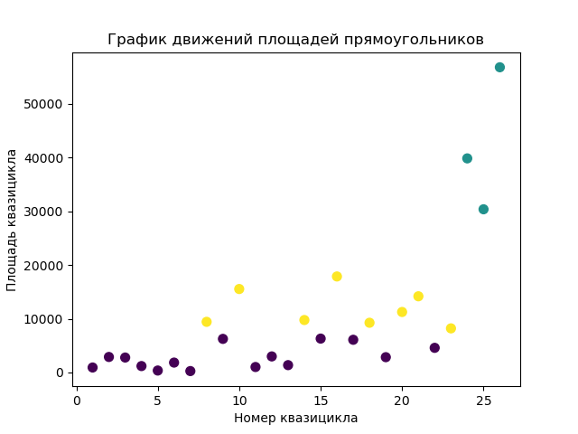
393.71 | -2 | 7.43
391.71 | 7.43 | -7.14
399.14 | -7.14 | -13.5
392 | -13.5 | -88.4
378.5 | -88.4 | 36.25
Квазицикл 9
Квазицикл 10
290.1 | 36.25 | 20.65
326.35 | 20.65 | 17.2
347 | 17.2 | -16.21
364.2 | -16.21 | -7.71
347.99 | -7.71 | -8.31
340.28 | -8.31 | 14.13
331.97 | 14.13 | -12.29
346.1 | -12.29 | -5.31
333.81 | -5.31 | -13.6
328.5 | -13.6 | -22.62
314.9 | -22.62 | 28.71
292.28 | 28.71 | 32.01
320.99 | 32.01 | 3
353 | 3 | 5.45
356 | 5.45 | 24.56
Квазицикл 11
Квазицикл 12
361.45 | 24.56 | 24.94
386.01 | 24.94 | -11.97
410.95 | -11.97 | 0.03
398.98 | 0.03 | -5.56
399.01 | -5.56 | 17.64
393.45 | 17.64 | -60.09
411.09 | -60.09 | -9.6
351 | -9.6 | 28.6
341.4 | 28.6 | 50
370 | 50 | -54.5
420 | -54.5 | 2.5
365.5 | 2.5 | 40.77
368 | 40.77 | 33.28
408.77 | 33.28 | 17.95
442.05 | 17.95 | -25.4
Квазицикл 13
Квазицикл 14
460 | -25.4 | 25.4
434.6 | 25.4 | 43.7
460 | 43.7 | -71.7
503.7 | -71.7 | 62
432 | 62 | 28.5
494 | 28.5 | 35.2
522.5 | 35.2 | 33.3
557.7 | 33.3 | 42
591 | 42 | -36
633 | -36 | -12.7
597 | -12.7 | 36.7
584.3 | 36.7 | -30
621 | -30 | 48.2
591 | 48.2 | 6.8
639.2 | 6.8 | -48
Квазицикл 15
Квазицикл 16
646 | -48 | 14.8
598 | 14.8 | 46.6
612.8 | 46.6 | -11.8
659.4 | -11.8 | 0.5
647.6 | 0.5 | 36.8
648.1 | 36.8 | -2.4
684.9 | -2.4 | -21.7
682.5 | -21.7 | 71.2
660.8 | 71.2 | 59.9
732 | 59.9 | -32.1
791.9 | -32.1 | -5.8
759.8 | -5.8 | -49.1
754 | -49.1 | -9.5
704.9 | -9.5 | -54.4
695.4 | -54.4 | 4.5
Квазицикл 17
Квазицикл 18
641 | 4.5 | -37.8
645.5 | -37.8 | -8.4
607.7 | -8.4 | 64.7
599.3 | 64.7 | -13
664 | -13 | -1
651 | -1 | 27.7
650 | 27.7 | 50
677.7 | 50 | -17.7
727.7 | -17.7 | 27.6
710 | 27.6 | 32.4
737.6 | 32.4 | 68.2
770 | 68.2 | 14.6
838.2 | 14.6 | 71.6
852.8 | 71.6 | 158.6
924.4 | 158.6 | 85.2
Квазицикл 19
Квазицикл 20
1083 | 85.2 | -118.4
1168.2 | -118.4 | 77.4
1049.8 | 77.4 | 3.9
1127.2 | 3.9 | 13.9
1131.1 | 13.9 | -64.6
1145 | -64.6 | -2.2
1080.4 | -2.2 | 127
1078.2 | 127 | 117.8
1205.2 | 117.8 | 14.4
1323 | 14.4 | -17.8
1337.4 | -17.8 | -31.6
1319.6 | -31.6 | 24.4
1288 | 24.4 | 47.6
1312.4 | 47.6 | -92.4
1360 | -92.4 | -5.6
Квазицикл 21
Квазицикл 22
1267.6 | -5.6 | -106.4
1262 | -106.4 | -190.8
1155.6 | -190.8 | -47.2
964.8 | -47.2 | 145
917.6 | 145
1062.6

Номер квазицикла | Память квазицикла
1 | 5
2 | 6
3 | 4
Квазицикл 23
Квазицикл 24
4 | 4
5 | 4
6 | 4
7 | 5
8 | 6
9 | 6
10 | 7
11 | 4
12 | 6
13 | 5
14 | 4
15 | 5
16 | 4
17 | 4
18 | 6
Квазицикл 25
Квазицикл 26
19 | 4
20 | 4
21 | 6
22 | 4
23 | 4
24 | 4
25 | 6
26 | 6

