PART 1
Input CSV | Number of Clusters | Overall Distance (km) | Overall Cost ($) | Overall Time (hrs)
gurobi_overalltime(6).csv | 8 | 106.43979174 | 612.87958348 | 10.091136907

Cluster ID | Method | Num Nodes | Distance (km) | Time (hrs) | Distance Cost | Hiring Cost | Total Cluster Cost
1 | kmeans_17 | 8 | 12.71 | 0.76 | 25.41 | 50 | 75.41
2 | kmeans_17 | 3 | 6.56 | 0.34 | 13.12 | 50 | 63.12
20 | kmeans_18 | 48 | 2.09 | 2.46 | 4.18 | 50 | 54.18
493 | kmeans_35 | 5 | 1.86 | 0.3 | 3.73 | 50 | 53.73
1 | nn | 23 | 15.43 | 1.59 | 30.87 | 50 | 80.87
Input Coordinates Plot (Part 1) | nn | 15 | 29.61 | 1.6 | 59.23 | 50 | Final Clusters Plot (Part 1)
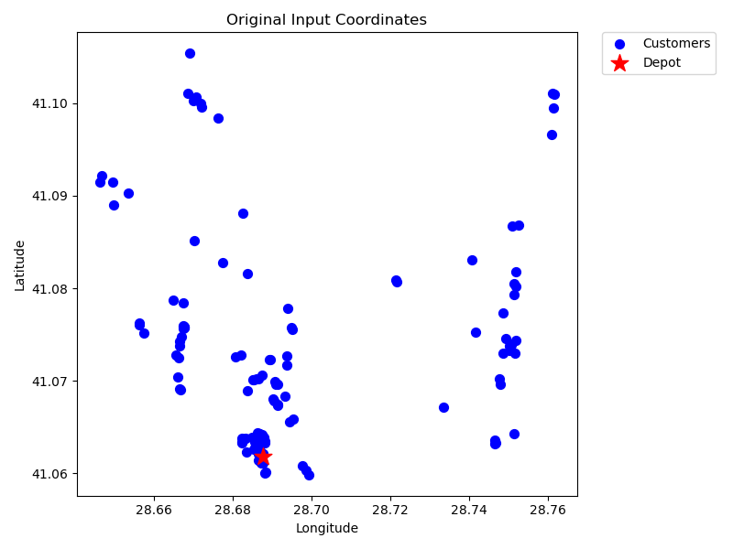
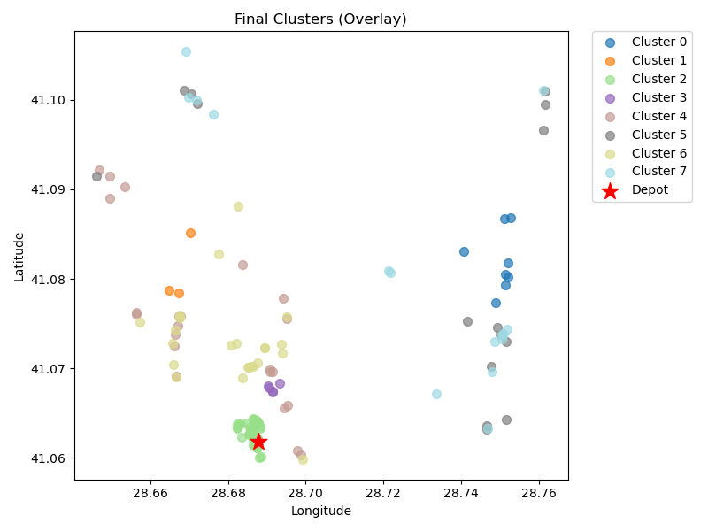
1 | rand_nn | 24 | 13.77 | 1.59 | 27.54 | 50 | 77.54
2 | rand_nn | 15 | 24.4 | 1.45 | 48.8 | 50 | 98.8

Final Clusters CSV File (Part 1)
kiyas_splitmerge.csv

