PART 1
Input CSV | Final Clusters | Overall Distance (km) | Overall Cost ($) | Overall Time (hrs)
kiyas_splitmerge.csv | 5 | 78.355532165 | 406.71106433 | 9.9387294904

Cluster ID | Num Points | Distance (km) | Time (hrs) | Cost ($)
Run105_Cluster_3 | 49 | 2.09 | 2.56 | 54.18
Run105_Cluster_5 | 28 | 13.59 | 1.84 | 77.18
Run105_Cluster_6 | 16 | 25.64 | 1.58 | 101.29
Run105_Cluster_7 | 31 | 12.38 | 1.95 | 74.75
Run105_Cluster_8 | 25 | 24.65 | 2 | 99.31
Nodes Only Plot (Part 1) |  |  |  |  | Final Routes Plot (Part 1)
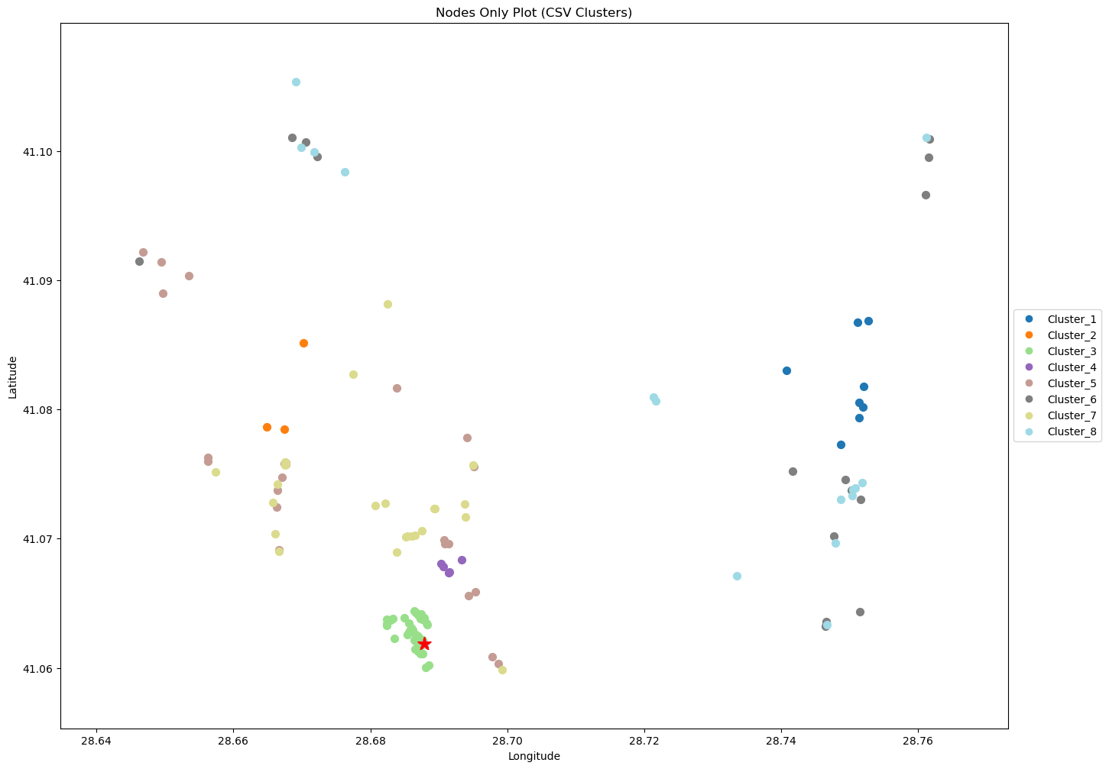
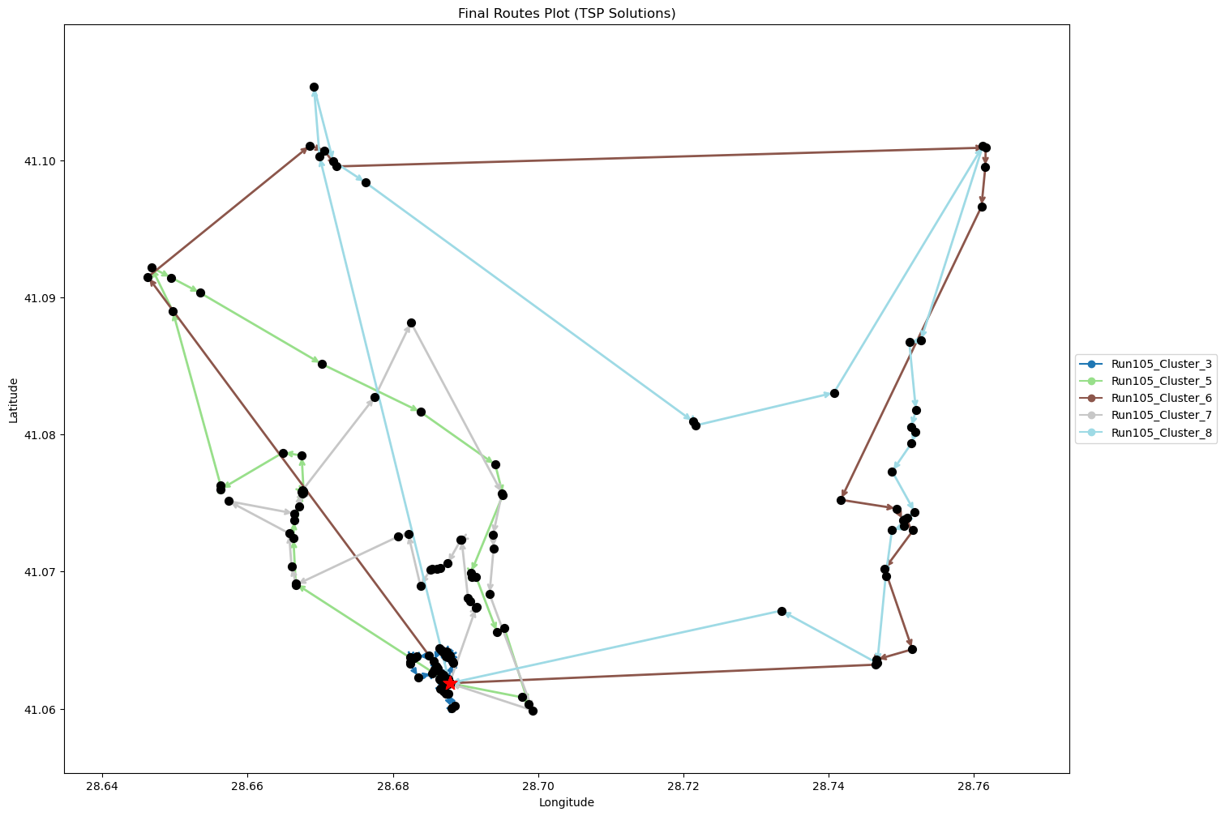

Final Clusters CSV File (Part 1)
split_merge_summary_part1.csv

