PART 1
Input CSV | Number of Clusters | Overall Cost | Methods (list)
set_covering_osm_data_part1.csv | 19 | 1717.486414 | kmeans_split_from_17, kmeans_split_from_17, kmeans_17, kmeans_17, kmeans_17, kmeans_17, kmeans_17, kmeans_split_from_18, kmeans_split_from_18, kmeans_18, kmeans_split_from_18, kmeans_18, kmeans_21, kmeans_21, kmeans_35, nn, nn, rand_nn, rand_nn

Cluster ID | Method | Num Nodes | Route Distance (km) | Distance Cost | Hiring Cost | Total Cluster Cost
1 | kmeans_split_from_17 | 5 | 25.08 | 50.17 | 50 | 100.17
3 | kmeans_split_from_17 | 24 | 7.58 | 15.16 | 50 | 65.16
13 | kmeans_17 | 35 | 25.44 | 50.87 | 50 | 100.87
14 | kmeans_17 | 15 | 25.93 | 51.85 | 50 | 101.85
16 | kmeans_17 | 44 | 24.28 | 48.57 | 50 | 98.57
Input Coordinates Plot (Part 1) | kmeans_17 | 17 | 21.03 | 42.05 | 50 | 92.05 | Final Clusters Plot (Part 1)
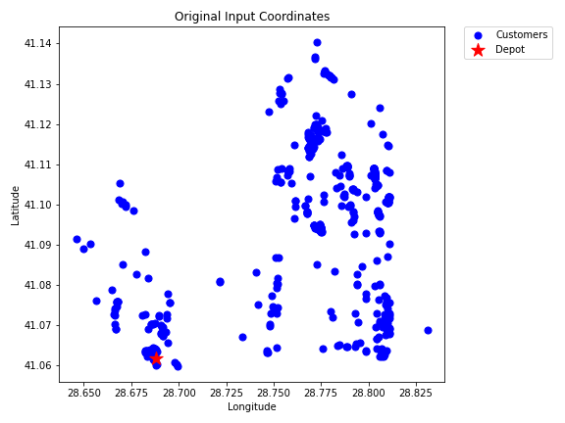
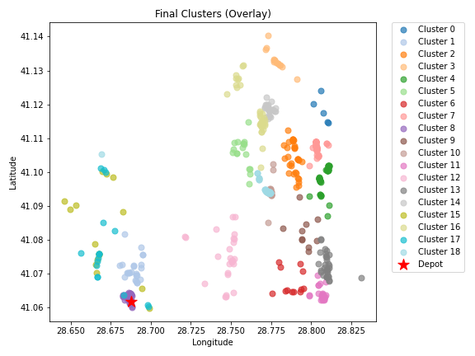
18 | kmeans_17 | 12 | 18.95 | 37.91 | 50 | 87.91
21 | kmeans_split_from_18 | 47 | 24.12 | 48.23 | 50 | 98.23
23 | kmeans_split_from_18 | 46 | 2.55 | 5.11 | 50 | 55.11
25 | kmeans_18 | 10 | 22.41 | 44.83 | 50 | 94.83
28 | kmeans_split_from_18 | 31 | 18.94 | 37.87 | 50 | 87.87
30 | kmeans_18 | 34 | 22 | 44 | 50 | 94
96 | kmeans_21 | 26 | 19.66 | 39.32 | 50 | 89.32
102 | kmeans_21 | 32 | 27.87 | 55.74 | 50 | 105.74
523 | kmeans_35 | 26 | 21.46 | 42.92 | 50 | 92.92
1 | nn | 16 | 14.85 | 29.7 | 50 | 79.7
3 | nn | 35 | 23.49 | 46.98 | 50 | 96.98
1 | rand_nn | 17 | 15.57 | 31.14 | 50 | 81.14
3 | rand_nn | 27 | 22.54 | 45.08 | 50 | 95.08

PART 2
Input CSV | Number of Clusters | Overall Cost | Methods (list)
set_covering_osm_data_part2.csv | 19 | 1702.1745518 | kmeans_split_from_17, kmeans_17, kmeans_17, kmeans_17, kmeans_17, kmeans_18, kmeans_18, kmeans_18, kmeans_18, kmeans_18, kmeans_split_from_19, kmeans_20, kmeans_20, kmeans_21, kmeans_24, kmeans_26, kmeans_35, nn, rand_nn

Cluster ID | Method | Num Nodes | Route Distance (km) | Distance Cost | Hiring Cost | Total Cluster Cost
0 | kmeans_split_from_17 | 34 | 22.32 | 44.63 | 50 | 94.63
15 | kmeans_17 | 22 | 18.94 | 37.88 | 50 | 87.88
16 | kmeans_17 | 43 | 20.57 | 41.14 | 50 | 91.14
17 | kmeans_17 | 7 | 15.75 | 31.5 | 50 | 81.5
20 | kmeans_17 | 37 | 19.41 | 38.81 | 50 | 88.81
Input Coordinates Plot (Part 2) | kmeans_18 | 38 | 15.87 | 31.73 | 50 | 81.73 | Final Clusters Plot (Part 2)
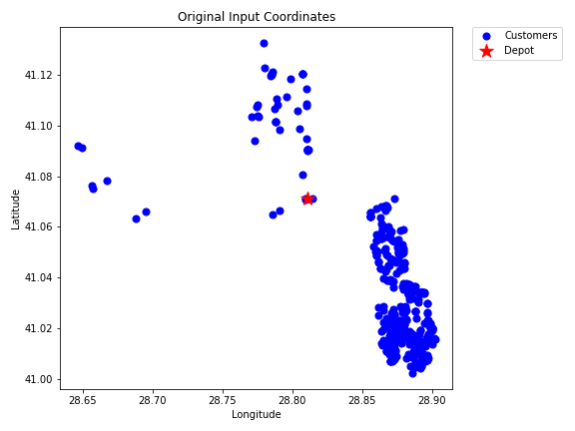
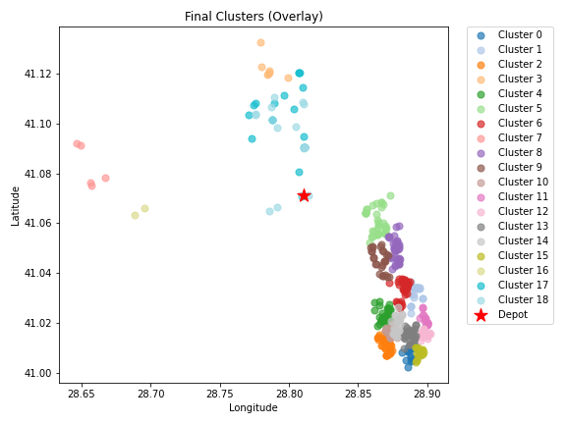
25 | kmeans_18 | 39 | 19.86 | 39.73 | 50 | 89.73
26 | kmeans_18 | 5 | 29.08 | 58.17 | 50 | 108.17
33 | kmeans_18 | 36 | 17.68 | 35.35 | 50 | 85.35
41 | kmeans_18 | 26 | 15.73 | 31.47 | 50 | 81.47
49 | kmeans_split_from_19 | 29 | 18.76 | 37.52 | 50 | 87.52
73 | kmeans_20 | 19 | 19.59 | 39.18 | 50 | 89.18
85 | kmeans_20 | 35 | 21.01 | 42.02 | 50 | 92.02
101 | kmeans_21 | 44 | 22.44 | 44.88 | 50 | 94.88
168 | kmeans_24 | 29 | 19.3 | 38.59 | 50 | 88.59
232 | kmeans_26 | 18 | 21.3 | 42.6 | 50 | 92.6
487 | kmeans_35 | 2 | 20.65 | 41.3 | 50 | 91.3
0 | nn | 19 | 19.64 | 39.29 | 50 | 89.29
0 | rand_nn | 17 | 18.19 | 36.38 | 50 | 86.38

PART 3
Input CSV | Number of Clusters | Overall Cost | Methods (list)
set_covering_osm_data_part3.csv | 17 | 1211.1298708 | kmeans_17, kmeans_17, kmeans_17, kmeans_17, kmeans_17, kmeans_17, kmeans_18, kmeans_18, kmeans_18, kmeans_18, kmeans_18, kmeans_20, kmeans_20, kmeans_20, kmeans_20, nn, rand_nn

Cluster ID | Method | Num Nodes | Route Distance (km) | Distance Cost | Hiring Cost | Total Cluster Cost
0 | kmeans_17 | 12 | 5.71 | 11.43 | 50 | 61.43
11 | kmeans_17 | 41 | 15.42 | 30.83 | 50 | 80.83
12 | kmeans_17 | 16 | 9.41 | 18.82 | 50 | 68.82
14 | kmeans_17 | 19 | 7.97 | 15.93 | 50 | 65.93
16 | kmeans_17 | 10 | 11.06 | 22.12 | 50 | 72.12
Input Coordinates Plot (Part 3) | kmeans_17 | 24 | 8.37 | 16.74 | 50 | 66.74 | Final Clusters Plot (Part 3)
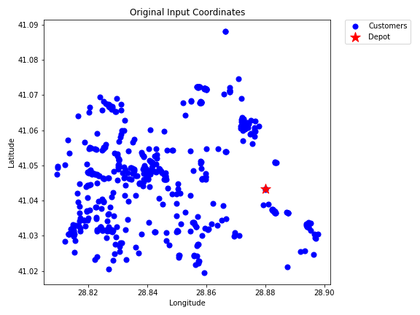
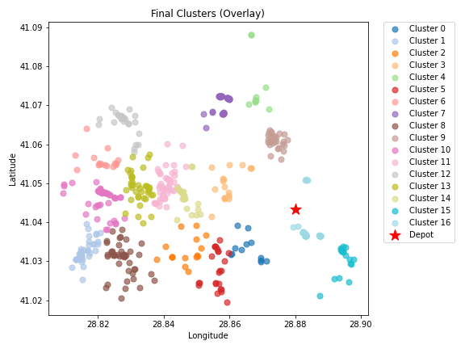
19 | kmeans_18 | 16 | 14.57 | 29.14 | 50 | 79.14
20 | kmeans_18 | 44 | 9.03 | 18.06 | 50 | 68.06
24 | kmeans_18 | 45 | 17.34 | 34.69 | 50 | 84.69
25 | kmeans_18 | 29 | 6.14 | 12.29 | 50 | 62.29
26 | kmeans_18 | 50 | 15.13 | 30.26 | 50 | 80.26
60 | kmeans_20 | 49 | 12.12 | 24.24 | 50 | 74.24
66 | kmeans_20 | 26 | 13.64 | 27.29 | 50 | 77.29
69 | kmeans_20 | 41 | 13.38 | 26.75 | 50 | 76.75
71 | kmeans_20 | 31 | 9.72 | 19.44 | 50 | 69.44
0 | nn | 23 | 7.31 | 14.61 | 50 | 64.61
0 | rand_nn | 23 | 4.24 | 8.48 | 50 | 58.48

PART 4
Input CSV | Number of Clusters | Overall Cost | Methods (list)
set_covering_osm_data_part4.csv | 18 | 1059.6240935 | kmeans_17, kmeans_17, kmeans_17, kmeans_18, kmeans_18, kmeans_21, kmeans_21, kmeans_21, kmeans_21, kmeans_21, kmeans_21, kmeans_35, nn, nn, nn, rand_nn, rand_nn, rand_nn

Cluster ID | Method | Num Nodes | Route Distance (km) | Distance Cost | Hiring Cost | Total Cluster Cost
5 | kmeans_17 | 11 | 5.4 | 10.79 | 50 | 60.79
6 | kmeans_17 | 27 | 6.73 | 13.45 | 50 | 63.45
8 | kmeans_17 | 6 | 7.09 | 14.17 | 50 | 64.17
19 | kmeans_18 | 18 | 5.54 | 11.09 | 50 | 61.09
27 | kmeans_18 | 18 | 5.52 | 11.04 | 50 | 61.04
Input Coordinates Plot (Part 4) | kmeans_21 | 37 | 1.31 | 2.61 | 50 | 52.61 | Final Clusters Plot (Part 4)
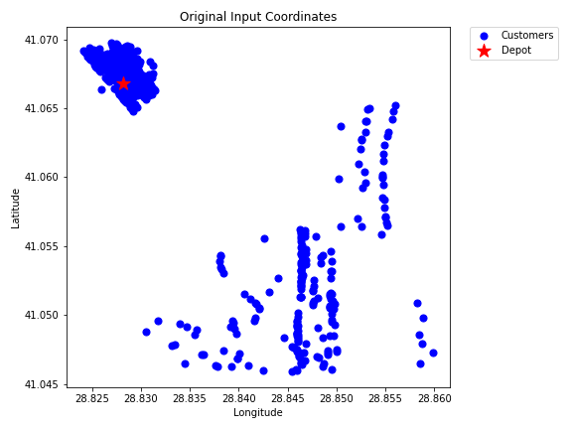
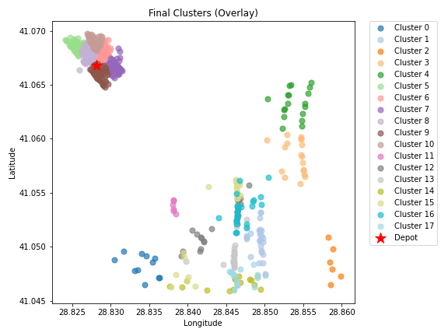
82 | kmeans_21 | 56 | 1.53 | 3.05 | 50 | 53.05
90 | kmeans_21 | 52 | 1.53 | 3.07 | 50 | 53.07
94 | kmeans_21 | 55 | 1.54 | 3.08 | 50 | 53.08
95 | kmeans_21 | 49 | 1.16 | 2.33 | 50 | 52.33
96 | kmeans_21 | 36 | 1.24 | 2.48 | 50 | 52.48
477 | kmeans_35 | 6 | 3.54 | 7.07 | 50 | 57.07
5 | nn | 26 | 5.82 | 11.63 | 50 | 61.63
6 | nn | 25 | 6.44 | 12.87 | 50 | 62.87
8 | nn | 16 | 6.59 | 13.18 | 50 | 63.18
5 | rand_nn | 23 | 6.61 | 13.22 | 50 | 63.22
6 | rand_nn | 23 | 6.18 | 12.36 | 50 | 62.36
8 | rand_nn | 15 | 6.06 | 12.12 | 50 | 62.12

PART 5
Input CSV | Number of Clusters | Overall Cost | Methods (list)
set_covering_osm_data_part5.csv | 19 | 1103.7586499 | kmeans_17, kmeans_17, kmeans_17, kmeans_17, kmeans_17, kmeans_17, kmeans_18, kmeans_18, kmeans_18, kmeans_18, kmeans_18, kmeans_18, kmeans_19, kmeans_19, kmeans_21, nn, nn, rand_nn, rand_nn

Cluster ID | Method | Num Nodes | Route Distance (km) | Distance Cost | Hiring Cost | Total Cluster Cost
0 | kmeans_17 | 40 | 4.25 | 8.51 | 50 | 58.51
8 | kmeans_17 | 20 | 2.58 | 5.17 | 50 | 55.17
14 | kmeans_17 | 24 | 2.33 | 4.65 | 50 | 54.65
15 | kmeans_17 | 20 | 4.85 | 9.7 | 50 | 59.7
17 | kmeans_17 | 19 | 2.45 | 4.9 | 50 | 54.9
Input Coordinates Plot (Part 5) | kmeans_17 | 38 | 2.62 | 5.24 | 50 | 55.24 | Final Clusters Plot (Part 5)
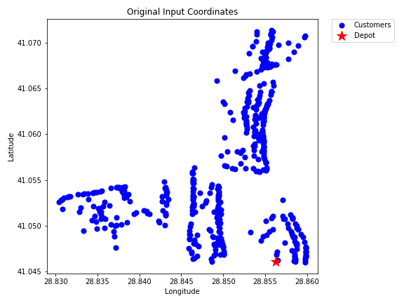
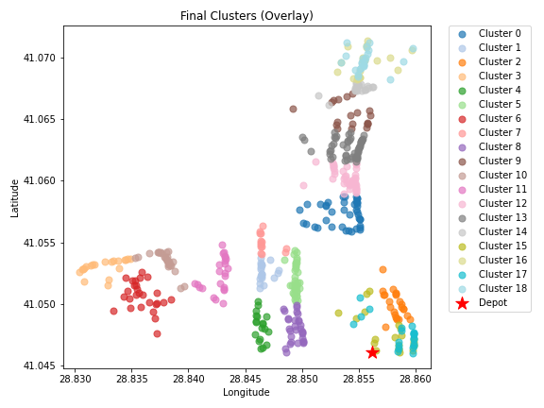
20 | kmeans_18 | 27 | 5.56 | 11.12 | 50 | 61.12
21 | kmeans_18 | 14 | 2.99 | 5.99 | 50 | 55.99
24 | kmeans_18 | 30 | 2.3 | 4.6 | 50 | 54.6
25 | kmeans_18 | 19 | 5.83 | 11.67 | 50 | 61.67
26 | kmeans_18 | 27 | 4.2 | 8.41 | 50 | 58.41
28 | kmeans_18 | 24 | 3.76 | 7.51 | 50 | 57.51
51 | kmeans_19 | 40 | 4.55 | 9.1 | 50 | 59.1
57 | kmeans_19 | 50 | 5.26 | 10.52 | 50 | 60.52
85 | kmeans_21 | 19 | 5.49 | 10.98 | 50 | 60.98
0 | nn | 21 | 2.36 | 4.72 | 50 | 54.72
8 | nn | 23 | 6.65 | 13.3 | 50 | 63.3
0 | rand_nn | 21 | 2.14 | 4.28 | 50 | 54.28
8 | rand_nn | 23 | 6.71 | 13.42 | 50 | 63.42

PART 6
Input CSV | Number of Clusters | Overall Cost | Methods (list)
set_covering_osm_data_part6.csv | 17 | 1085.1799282 | kmeans_17, kmeans_split_from_17, kmeans_split_from_17, kmeans_17, kmeans_17, kmeans_17, kmeans_18, kmeans_18, kmeans_split_from_18, kmeans_split_from_18, kmeans_split_from_19, nn, nn, nn, rand_nn, rand_nn, rand_nn

Cluster ID | Method | Num Nodes | Route Distance (km) | Distance Cost | Hiring Cost | Total Cluster Cost
0 | kmeans_17 | 25 | 5.78 | 11.56 | 50 | 61.56
7 | kmeans_split_from_17 | 43 | 6.56 | 13.12 | 50 | 63.12
8 | kmeans_split_from_17 | 19 | 5.42 | 10.83 | 50 | 60.83
15 | kmeans_17 | 24 | 6.29 | 12.57 | 50 | 62.57
18 | kmeans_17 | 18 | 6.91 | 13.82 | 50 | 63.82
Input Coordinates Plot (Part 6) | kmeans_17 | 47 | 6.98 | 13.96 | 50 | 63.96 | Final Clusters Plot (Part 6)
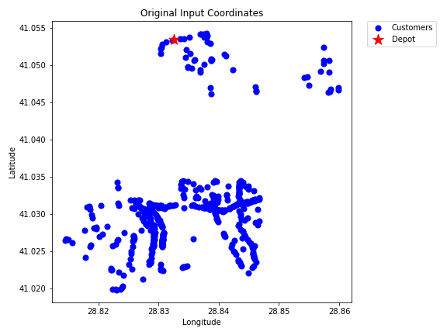
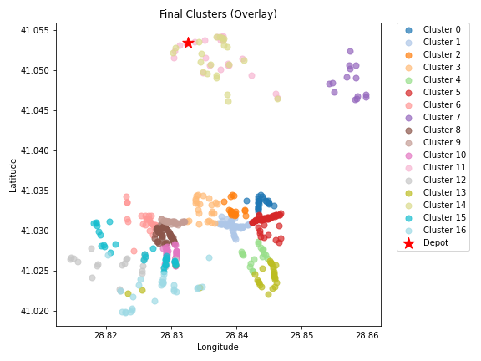
23 | kmeans_18 | 25 | 7.11 | 14.21 | 50 | 64.21
24 | kmeans_18 | 14 | 6.07 | 12.14 | 50 | 62.14
25 | kmeans_split_from_18 | 53 | 6.36 | 12.73 | 50 | 62.73
26 | kmeans_split_from_18 | 29 | 5.54 | 11.08 | 50 | 61.08
53 | kmeans_split_from_19 | 39 | 6.5 | 13.01 | 50 | 63.01
0 | nn | 23 | 4.36 | 8.72 | 50 | 58.72
7 | nn | 31 | 9.73 | 19.45 | 50 | 69.45
8 | nn | 29 | 10.59 | 21.18 | 50 | 71.18
0 | rand_nn | 22 | 5.58 | 11.17 | 50 | 61.17
7 | rand_nn | 31 | 7.94 | 15.87 | 50 | 65.87
8 | rand_nn | 27 | 9.88 | 19.76 | 50 | 69.76

PART 7
Input CSV | Number of Clusters | Overall Cost | Methods (list)
set_covering_osm_data_part7.csv | 19 | 1163.8429114 | kmeans_17, kmeans_17, kmeans_17, kmeans_split_from_17, kmeans_17, kmeans_17, kmeans_18, kmeans_18, kmeans_18, kmeans_18, kmeans_22, nn, nn, nn, nn, rand_nn, rand_nn, rand_nn, rand_nn

Cluster ID | Method | Num Nodes | Route Distance (km) | Distance Cost | Hiring Cost | Total Cluster Cost
0 | kmeans_17 | 39 | 6.29 | 12.58 | 50 | 62.58
1 | kmeans_17 | 21 | 4.3 | 8.59 | 50 | 58.59
2 | kmeans_17 | 23 | 4.84 | 9.68 | 50 | 59.68
3 | kmeans_split_from_17 | 22 | 5.53 | 11.06 | 50 | 61.06
12 | kmeans_17 | 26 | 5.03 | 10.06 | 50 | 60.06
Input Coordinates Plot (Part 7) | kmeans_17 | 20 | 5.22 | 10.45 | 50 | 60.45 | Final Clusters Plot (Part 7)
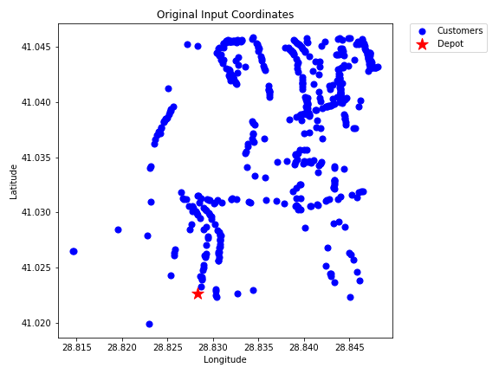
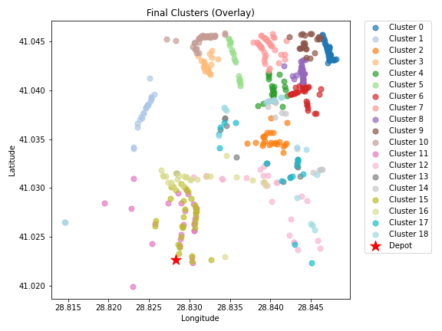
24 | kmeans_18 | 41 | 5.62 | 11.24 | 50 | 61.24
26 | kmeans_18 | 37 | 6.52 | 13.05 | 50 | 63.05
32 | kmeans_18 | 34 | 5.8 | 11.6 | 50 | 61.6
36 | kmeans_18 | 24 | 6.64 | 13.28 | 50 | 63.28
122 | kmeans_22 | 36 | 6.13 | 12.25 | 50 | 62.25
0 | nn | 30 | 6 | 12 | 50 | 62
1 | nn | 25 | 5.4 | 10.81 | 50 | 60.81
2 | nn | 15 | 5.23 | 10.45 | 50 | 60.45
3 | nn | 18 | 7.01 | 14.02 | 50 | 64.02
0 | rand_nn | 30 | 3.94 | 7.89 | 50 | 57.89
1 | rand_nn | 26 | 4.27 | 8.54 | 50 | 58.54
2 | rand_nn | 15 | 5.86 | 11.72 | 50 | 61.72
3 | rand_nn | 17 | 7.29 | 14.58 | 50 | 64.58

PART 8
Input CSV | Number of Clusters | Overall Cost | Methods (list)
set_covering_osm_data_part8.csv | 17 | 1047.566682 | kmeans_17, kmeans_17, kmeans_split_from_17, kmeans_17, kmeans_17, kmeans_17, kmeans_18, kmeans_18, kmeans_21, kmeans_22, kmeans_27, nn, nn, nn, rand_nn, rand_nn, rand_nn

Cluster ID | Method | Num Nodes | Route Distance (km) | Distance Cost | Hiring Cost | Total Cluster Cost
0 | kmeans_17 | 53 | 7.09 | 14.18 | 50 | 64.18
1 | kmeans_17 | 12 | 2.44 | 4.89 | 50 | 54.89
2 | kmeans_split_from_17 | 18 | 4.93 | 9.86 | 50 | 59.86
13 | kmeans_17 | 44 | 5.84 | 11.69 | 50 | 61.69
16 | kmeans_17 | 36 | 5.82 | 11.64 | 50 | 61.64
Input Coordinates Plot (Part 8) | kmeans_17 | 33 | 7.63 | 15.25 | 50 | 65.25 | Final Clusters Plot (Part 8)
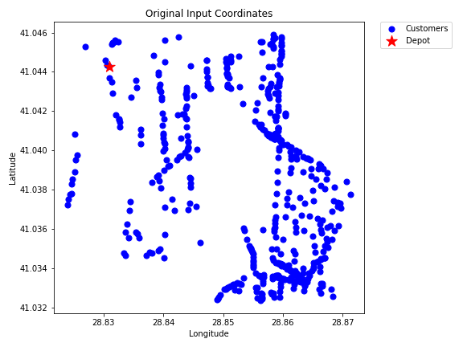
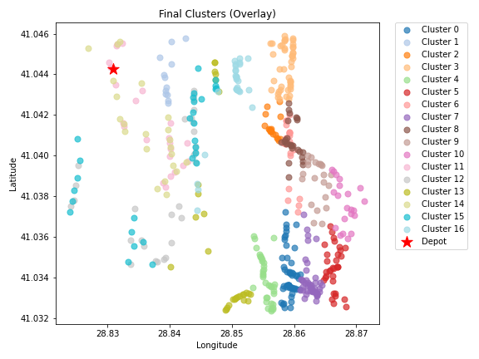
27 | kmeans_18 | 26 | 6.25 | 12.5 | 50 | 62.5
28 | kmeans_18 | 46 | 7.03 | 14.06 | 50 | 64.06
82 | kmeans_21 | 26 | 6.03 | 12.06 | 50 | 62.06
110 | kmeans_22 | 22 | 6.75 | 13.5 | 50 | 63.5
220 | kmeans_27 | 21 | 8.01 | 16.02 | 50 | 66.02
0 | nn | 24 | 3.83 | 7.66 | 50 | 57.66
1 | nn | 29 | 5.56 | 11.11 | 50 | 61.11
2 | nn | 29 | 6.42 | 12.85 | 50 | 62.85
0 | rand_nn | 22 | 4.01 | 8.02 | 50 | 58.02
1 | rand_nn | 29 | 6.09 | 12.18 | 50 | 62.18
2 | rand_nn | 29 | 5.05 | 10.09 | 50 | 60.09

PART 9
Input CSV | Number of Clusters | Overall Cost | Methods (list)
set_covering_osm_data_part9.csv | 18 | 1126.1989628 | kmeans_split_from_17, kmeans_17, kmeans_split_from_17, kmeans_17, kmeans_17, kmeans_17, kmeans_17, kmeans_18, kmeans_18, kmeans_18, kmeans_split_from_18, kmeans_18, nn, nn, nn, rand_nn, rand_nn, rand_nn

Cluster ID | Method | Num Nodes | Route Distance (km) | Distance Cost | Hiring Cost | Total Cluster Cost
5 | kmeans_split_from_17 | 25 | 5.17 | 10.34 | 50 | 60.34
6 | kmeans_17 | 53 | 4.45 | 8.9 | 50 | 58.9
8 | kmeans_split_from_17 | 32 | 4.76 | 9.51 | 50 | 59.51
10 | kmeans_17 | 17 | 2.3 | 4.6 | 50 | 54.6
15 | kmeans_17 | 45 | 4.26 | 8.52 | 50 | 58.52
Input Coordinates Plot (Part 9) | kmeans_17 | 24 | 3.12 | 6.24 | 50 | 56.24 | Final Clusters Plot (Part 9)
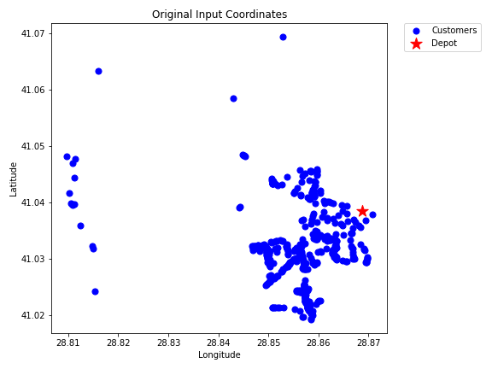
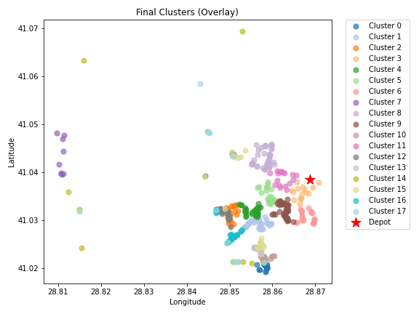
17 | kmeans_17 | 21 | 2.86 | 5.73 | 50 | 55.73
20 | kmeans_18 | 9 | 11.01 | 22.01 | 50 | 72.01
21 | kmeans_18 | 41 | 4.55 | 9.1 | 50 | 59.1
22 | kmeans_18 | 41 | 3.57 | 7.14 | 50 | 57.14
23 | kmeans_split_from_18 | 35 | 4.57 | 9.15 | 50 | 59.15
38 | kmeans_18 | 17 | 2.7 | 5.41 | 50 | 55.41
5 | nn | 29 | 6.26 | 12.53 | 50 | 62.53
6 | nn | 28 | 4.3 | 8.6 | 50 | 58.6
8 | nn | 11 | 20.81 | 41.61 | 50 | 91.61
5 | rand_nn | 27 | 6.69 | 13.39 | 50 | 63.39
6 | rand_nn | 32 | 5.07 | 10.14 | 50 | 60.14
8 | rand_nn | 12 | 16.64 | 33.28 | 50 | 83.28

PART 10
Input CSV | Number of Clusters | Overall Cost | Methods (list)
set_covering_osm_data_part10.csv | 18 | 1320.0803413 | kmeans_17, kmeans_17, kmeans_17, kmeans_17, kmeans_17, kmeans_split_from_18, kmeans_18, kmeans_18, kmeans_19, kmeans_19, kmeans_19, kmeans_21, nn, nn, nn, rand_nn, rand_nn, rand_nn

Cluster ID | Method | Num Nodes | Route Distance (km) | Distance Cost | Hiring Cost | Total Cluster Cost
4 | kmeans_17 | 25 | 11.14 | 22.28 | 50 | 72.28
5 | kmeans_17 | 31 | 6.2 | 12.4 | 50 | 62.4
7 | kmeans_17 | 31 | 13.86 | 27.72 | 50 | 77.72
11 | kmeans_17 | 11 | 14.16 | 28.32 | 50 | 78.32
18 | kmeans_17 | 29 | 4.92 | 9.85 | 50 | 59.85
Input Coordinates Plot (Part 10) | kmeans_split_from_18 | 65 | 6.8 | 13.6 | 50 | 63.6 | Final Clusters Plot (Part 10)
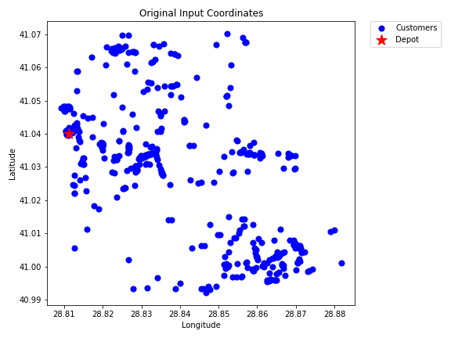
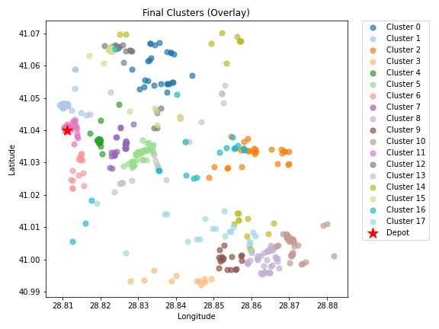
27 | kmeans_18 | 17 | 4.89 | 9.77 | 50 | 59.77
33 | kmeans_18 | 25 | 5.93 | 11.86 | 50 | 61.86
41 | kmeans_19 | 38 | 16.24 | 32.48 | 50 | 82.48
48 | kmeans_19 | 17 | 13.11 | 26.22 | 50 | 76.22
58 | kmeans_19 | 36 | 17.32 | 34.65 | 50 | 84.65
85 | kmeans_21 | 37 | 2.81 | 5.61 | 50 | 55.61
4 | nn | 28 | 9.25 | 18.5 | 50 | 68.5
5 | nn | 24 | 13.57 | 27.14 | 50 | 77.14
7 | nn | 21 | 21.09 | 42.18 | 50 | 92.18
4 | rand_nn | 24 | 11.68 | 23.35 | 50 | 73.35
5 | rand_nn | 20 | 20.94 | 41.88 | 50 | 91.88
7 | rand_nn | 20 | 16.14 | 32.28 | 50 | 82.28

PART 11
Input CSV | Number of Clusters | Overall Cost | Methods (list)
set_covering_osm_data_part11.csv | 19 | 1269.8256751 | kmeans_17, kmeans_17, kmeans_17, kmeans_17, kmeans_17, kmeans_split_from_17, kmeans_18, kmeans_18, kmeans_18, kmeans_18, kmeans_18, kmeans_18, kmeans_19, kmeans_split_from_20, kmeans_21, kmeans_split_from_22, kmeans_33, nn, rand_nn

Cluster ID | Method | Num Nodes | Route Distance (km) | Distance Cost | Hiring Cost | Total Cluster Cost
1 | kmeans_17 | 27 | 13.79 | 27.57 | 50 | 77.57
11 | kmeans_17 | 23 | 6.31 | 12.62 | 50 | 62.62
12 | kmeans_17 | 37 | 6.16 | 12.32 | 50 | 62.32
13 | kmeans_17 | 40 | 12.37 | 24.74 | 50 | 74.74
15 | kmeans_17 | 8 | 7.32 | 14.65 | 50 | 64.65
Input Coordinates Plot (Part 11) | kmeans_split_from_17 | 92 | 7.58 | 15.17 | 50 | 65.17 | Final Clusters Plot (Part 11)
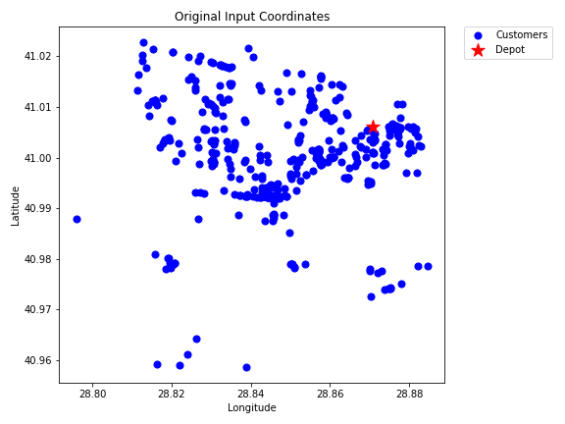
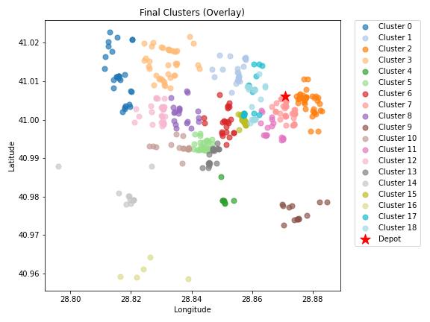
19 | kmeans_18 | 23 | 7.43 | 14.86 | 50 | 64.86
21 | kmeans_18 | 35 | 3.06 | 6.12 | 50 | 56.12
23 | kmeans_18 | 19 | 8.73 | 17.47 | 50 | 67.47
27 | kmeans_18 | 13 | 10.04 | 20.07 | 50 | 70.07
29 | kmeans_18 | 15 | 10.05 | 20.11 | 50 | 70.11
38 | kmeans_18 | 18 | 4.5 | 8.99 | 50 | 58.99
46 | kmeans_19 | 26 | 10.93 | 21.87 | 50 | 71.87
77 | kmeans_split_from_20 | 19 | 6.73 | 13.45 | 50 | 63.45
89 | kmeans_21 | 11 | 14.6 | 29.2 | 50 | 79.2
110 | kmeans_split_from_22 | 51 | 4.44 | 8.88 | 50 | 58.88
439 | kmeans_33 | 5 | 15.24 | 30.49 | 50 | 80.49
1 | nn | 18 | 5.46 | 10.91 | 50 | 60.91
1 | rand_nn | 19 | 5.17 | 10.34 | 50 | 60.34

PART 12
Input CSV | Number of Clusters | Overall Cost | Methods (list)
set_covering_osm_data_part12.csv | 17 | 1231.7258676 | kmeans_17, kmeans_17, kmeans_17, kmeans_18, kmeans_18, kmeans_18, kmeans_18, kmeans_18, kmeans_21, kmeans_21, kmeans_split_from_23, kmeans_split_from_23, kmeans_35, nn, nn, rand_nn, rand_nn

Cluster ID | Method | Num Nodes | Route Distance (km) | Distance Cost | Hiring Cost | Total Cluster Cost
0 | kmeans_17 | 29 | 5.57 | 11.14 | 50 | 61.14
1 | kmeans_17 | 37 | 14.79 | 29.59 | 50 | 79.59
13 | kmeans_17 | 41 | 14.01 | 28.01 | 50 | 78.01
20 | kmeans_18 | 31 | 19.26 | 38.51 | 50 | 88.51
21 | kmeans_18 | 37 | 17.26 | 34.52 | 50 | 84.52
Input Coordinates Plot (Part 12) | kmeans_18 | 27 | 19.25 | 38.49 | 50 | 88.49 | Final Clusters Plot (Part 12)
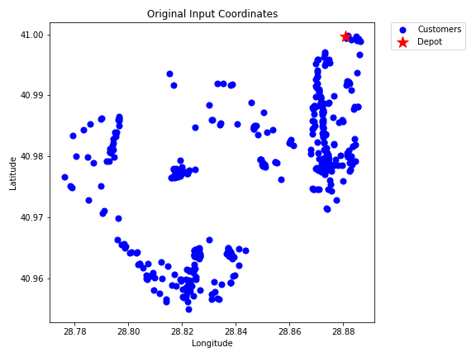
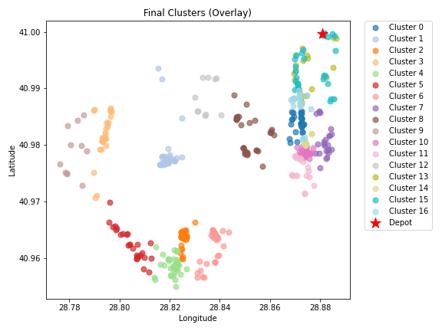
24 | kmeans_18 | 35 | 14.38 | 28.75 | 50 | 78.75
27 | kmeans_18 | 24 | 7.47 | 14.94 | 50 | 64.94
82 | kmeans_21 | 34 | 11.49 | 22.98 | 50 | 72.98
93 | kmeans_21 | 11 | 20.39 | 40.79 | 50 | 90.79
131 | kmeans_split_from_23 | 68 | 6.71 | 13.43 | 50 | 63.43
132 | kmeans_split_from_23 | 19 | 8.32 | 16.65 | 50 | 66.65
487 | kmeans_35 | 10 | 9.45 | 18.89 | 50 | 68.89
0 | nn | 26 | 4.9 | 9.8 | 50 | 59.8
1 | nn | 22 | 5.14 | 10.28 | 50 | 60.28
0 | rand_nn | 27 | 6.69 | 13.39 | 50 | 63.39
1 | rand_nn | 21 | 5.78 | 11.57 | 50 | 61.57

