PART 1
Input CSV | Number of Clusters | Overall Distance (km) | Overall Cost ($) | Overall Time (hrs)
set_covering_osm_data_part1.csv | 19 | 390.53832925 | 1731.0766585 | 36.108237979

Cluster ID | Method | Num Nodes | Distance (km) | Time (hrs) | Distance Cost | Hiring Cost | Total Cluster Cost
2 | kmeans_split_from_17 | 51 | 4.93 | 2.69 | 9.85 | 50 | 59.85
3 | kmeans_split_from_17 | 24 | 7.58 | 1.42 | 15.16 | 50 | 65.16
5 | kmeans_split_from_17 | 26 | 21.46 | 1.91 | 42.92 | 50 | 92.92
13 | kmeans_17 | 34 | 25.16 | 2.42 | 50.32 | 50 | 100.32
14 | kmeans_17 | 15 | 25.93 | 1.49 | 51.85 | 50 | 101.85
Input Coordinates Plot (Part 1) | kmeans_17 | 11 | 13.12 | 0.92 | 26.25 | 50 | Final Clusters Plot (Part 1)
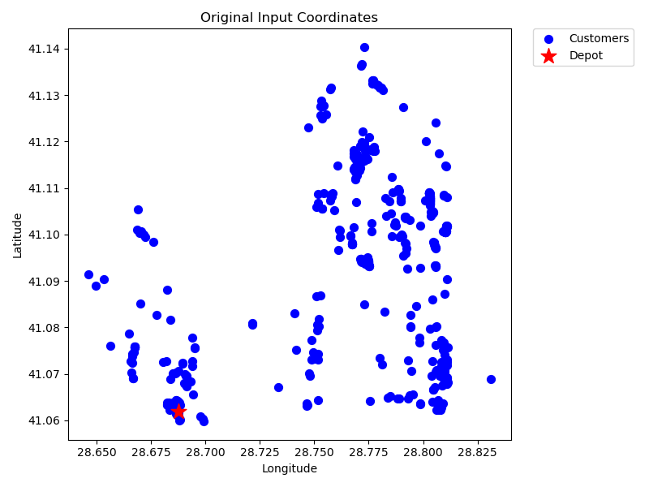
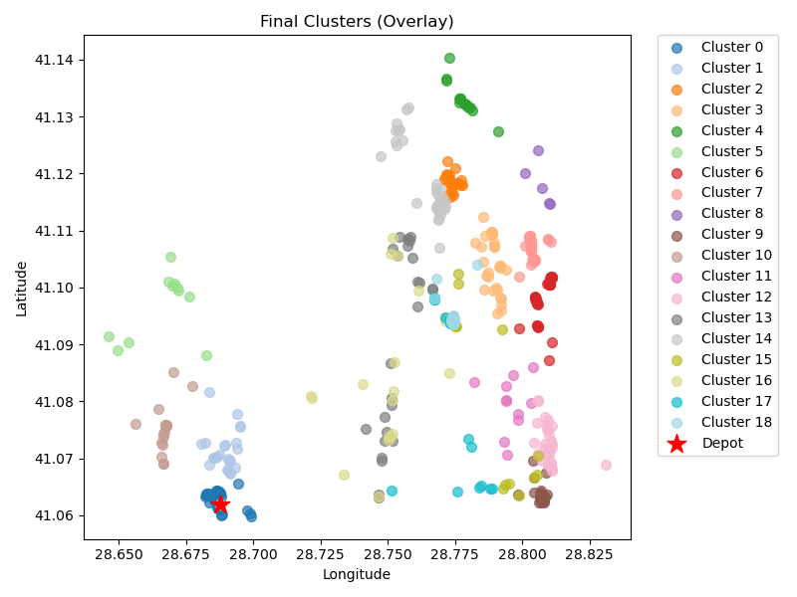
16 | kmeans_17 | 44 | 24.28 | 2.89 | 48.57 | 50 | 98.57
21 | kmeans_split_from_18 | 47 | 24.12 | 3.04 | 48.23 | 50 | 98.23
22 | kmeans_split_from_18 | 5 | 25.08 | 0.97 | 50.17 | 50 | 100.17
30 | kmeans_18 | 31 | 22.32 | 2.19 | 44.64 | 50 | 94.64
31 | kmeans_18 | 18 | 8.67 | 1.15 | 17.34 | 50 | 67.34
46 | kmeans_19 | 11 | 22.61 | 1.2 | 45.22 | 50 | 95.22
102 | kmeans_21 | 31 | 27.85 | 2.35 | 55.69 | 50 | 105.69
2 | nn | 27 | 22.02 | 1.98 | 44.03 | 50 | 94.03
3 | nn | 34 | 24.22 | 2.39 | 48.43 | 50 | 98.43
5 | nn | 18 | 24.15 | 1.59 | 48.3 | 50 | 98.3
2 | rand_nn | 23 | 26.29 | 1.9 | 52.57 | 50 | 102.57
3 | rand_nn | 20 | 20.67 | 1.59 | 41.34 | 50 | 91.34
5 | rand_nn | 29 | 20.1 | 2.02 | 40.19 | 50 | 90.19

Final Clusters CSV File (Part 1)
split_merge_osm_data_part1.csv

PART 2
Input CSV | Number of Clusters | Overall Distance (km) | Overall Cost ($) | Overall Time (hrs)
set_covering_osm_data_part2.csv | 19 | 374.71397232 | 1699.4279446 | 35.656113495

Cluster ID | Method | Num Nodes | Distance (km) | Time (hrs) | Distance Cost | Hiring Cost | Total Cluster Cost
0 | kmeans_split_from_17 | 34 | 22.32 | 2.34 | 44.63 | 50 | 94.63
15 | kmeans_17 | 22 | 18.94 | 1.64 | 37.88 | 50 | 87.88
17 | kmeans_17 | 7 | 15.75 | 0.8 | 31.5 | 50 | 81.5
20 | kmeans_17 | 37 | 19.41 | 2.4 | 38.81 | 50 | 88.81
24 | kmeans_18 | 38 | 15.87 | 2.35 | 31.73 | 50 | 81.73
Input Coordinates Plot (Part 2) | kmeans_18 | 40 | 19.92 | 2.57 | 39.83 | 50 | Final Clusters Plot (Part 2)
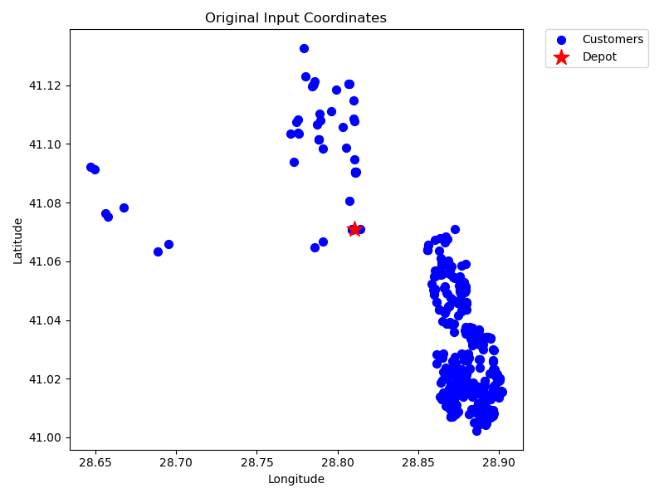
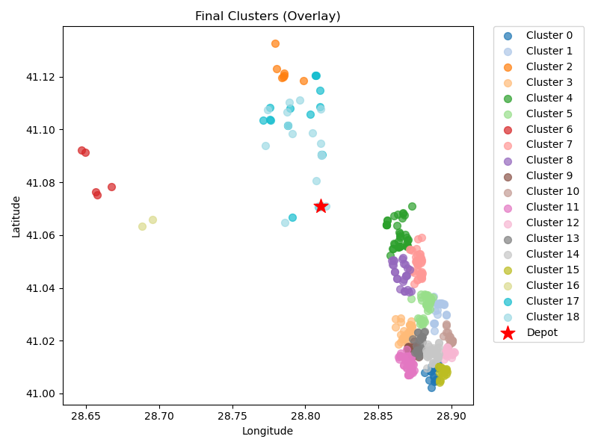
26 | kmeans_18 | 5 | 29.08 | 1.08 | 58.17 | 50 | 108.17
33 | kmeans_18 | 36 | 17.68 | 2.31 | 35.35 | 50 | 85.35
41 | kmeans_18 | 26 | 15.73 | 1.75 | 31.47 | 50 | 81.47
49 | kmeans_split_from_19 | 29 | 18.18 | 1.97 | 36.36 | 50 | 86.36
73 | kmeans_20 | 19 | 19.59 | 1.51 | 39.18 | 50 | 89.18
78 | kmeans_20 | 42 | 20.5 | 2.69 | 40.99 | 50 | 90.99
85 | kmeans_20 | 35 | 21.01 | 2.35 | 42.02 | 50 | 92.02
99 | kmeans_21 | 29 | 19.08 | 2 | 38.15 | 50 | 88.15
101 | kmeans_21 | 44 | 22.44 | 2.84 | 44.88 | 50 | 94.88
232 | kmeans_26 | 18 | 21.3 | 1.51 | 42.6 | 50 | 92.6
487 | kmeans_35 | 2 | 20.65 | 0.69 | 41.3 | 50 | 91.3
0 | nn | 18 | 18.71 | 1.43 | 37.42 | 50 | 87.42
0 | rand_nn | 18 | 18.58 | 1.43 | 37.16 | 50 | 87.16

Final Clusters CSV File (Part 2)
split_merge_osm_data_part2.csv

PART 3
Input CSV | Number of Clusters | Overall Distance (km) | Overall Cost ($) | Overall Time (hrs)
set_covering_osm_data_part3.csv | 18 | 196.79493444 | 1293.5898689 | 30.572712413

Cluster ID | Method | Num Nodes | Distance (km) | Time (hrs) | Distance Cost | Hiring Cost | Total Cluster Cost
0 | kmeans_17 | 12 | 5.71 | 0.76 | 11.43 | 50 | 61.43
2 | kmeans_17 | 39 | 8.99 | 2.21 | 17.98 | 50 | 67.98
11 | kmeans_17 | 41 | 15.42 | 2.49 | 30.83 | 50 | 80.83
12 | kmeans_17 | 16 | 9.41 | 1.07 | 18.82 | 50 | 68.82
14 | kmeans_17 | 19 | 7.97 | 1.18 | 15.93 | 50 | 65.93
Input Coordinates Plot (Part 3) | kmeans_17 | 10 | 11.06 | 0.82 | 22.12 | 50 | Final Clusters Plot (Part 3)
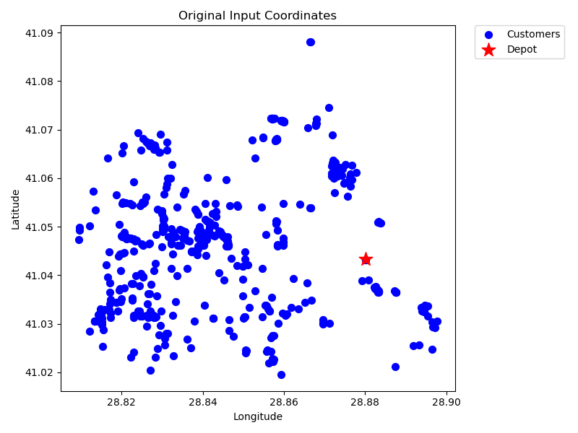
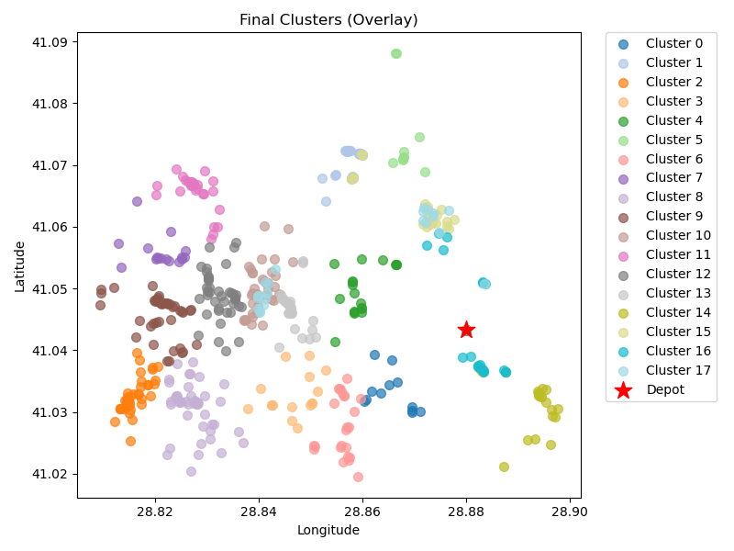
17 | kmeans_17 | 24 | 8.37 | 1.44 | 16.74 | 50 | 66.74
19 | kmeans_18 | 16 | 14.57 | 1.22 | 29.14 | 50 | 79.14
24 | kmeans_18 | 45 | 17.34 | 2.75 | 34.69 | 50 | 84.69
26 | kmeans_18 | 50 | 15.13 | 2.93 | 30.26 | 50 | 80.26
60 | kmeans_20 | 38 | 12.47 | 2.26 | 24.94 | 50 | 74.94
66 | kmeans_20 | 26 | 13.64 | 1.69 | 27.29 | 50 | 77.29
69 | kmeans_20 | 41 | 13.38 | 2.43 | 26.75 | 50 | 76.75
71 | kmeans_20 | 31 | 9.72 | 1.83 | 19.44 | 50 | 69.44
0 | nn | 26 | 7.33 | 1.51 | 14.66 | 50 | 64.66
2 | nn | 21 | 9.13 | 1.31 | 18.27 | 50 | 68.27
0 | rand_nn | 23 | 6.38 | 1.33 | 12.75 | 50 | 62.75
2 | rand_nn | 21 | 10.77 | 1.36 | 21.54 | 50 | 71.54

Final Clusters CSV File (Part 3)
split_merge_osm_data_part3.csv

PART 4
Input CSV | Number of Clusters | Overall Distance (km) | Overall Cost ($) | Overall Time (hrs)
set_covering_osm_data_part4.csv | 18 | 75.344878441 | 1050.6897569 | 27.102710813

Cluster ID | Method | Num Nodes | Distance (km) | Time (hrs) | Distance Cost | Hiring Cost | Total Cluster Cost
11 | kmeans_17 | 56 | 1.72 | 2.85 | 3.45 | 50 | 53.45
13 | kmeans_17 | 29 | 5.7 | 1.61 | 11.4 | 50 | 61.4
14 | kmeans_17 | 46 | 1.4 | 2.34 | 2.8 | 50 | 52.8
16 | kmeans_17 | 46 | 1.08 | 2.33 | 2.16 | 50 | 52.16
18 | kmeans_18 | 18 | 5.54 | 1.06 | 11.09 | 50 | 61.09
Input Coordinates Plot (Part 4) | kmeans_18 | 36 | 6.36 | 1.98 | 12.72 | 50 | Final Clusters Plot (Part 4)
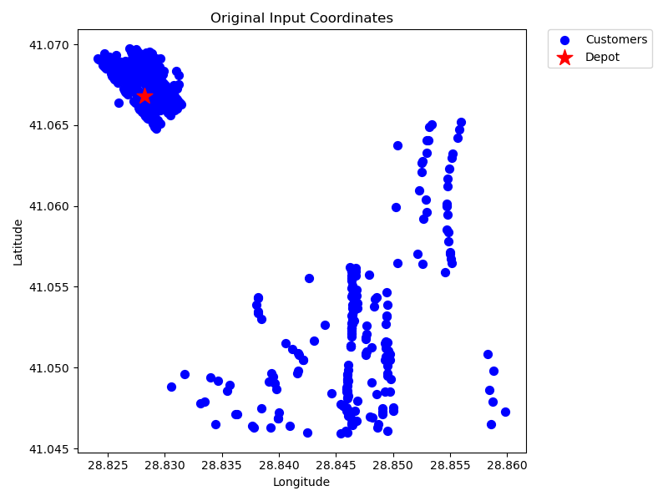
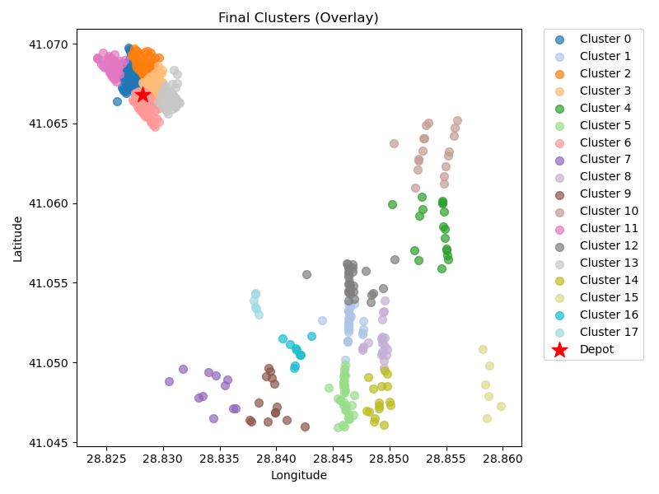
21 | kmeans_18 | 51 | 1.21 | 2.58 | 2.43 | 50 | 52.43
22 | kmeans_18 | 11 | 5.4 | 0.7 | 10.79 | 50 | 60.79
23 | kmeans_18 | 21 | 5.58 | 1.21 | 11.16 | 50 | 61.16
24 | kmeans_18 | 14 | 5.84 | 0.87 | 11.68 | 50 | 61.68
26 | kmeans_18 | 18 | 5.52 | 1.06 | 11.04 | 50 | 61.04
74 | kmeans_21 | 37 | 1.31 | 1.89 | 2.61 | 50 | 52.61
76 | kmeans_21 | 30 | 5.58 | 1.66 | 11.16 | 50 | 61.16
86 | kmeans_21 | 49 | 1.38 | 2.49 | 2.76 | 50 | 52.76
87 | kmeans_21 | 16 | 6.47 | 0.98 | 12.95 | 50 | 62.95
466 | kmeans_35 | 6 | 7.09 | 0.5 | 14.17 | 50 | 64.17
467 | kmeans_35 | 9 | 4.63 | 0.58 | 9.27 | 50 | 59.27
473 | kmeans_35 | 6 | 3.54 | 0.4 | 7.07 | 50 | 57.07

Final Clusters CSV File (Part 4)
split_merge_osm_data_part4.csv

PART 5
Input CSV | Number of Clusters | Overall Distance (km) | Overall Cost ($) | Overall Time (hrs)
set_covering_osm_data_part5.csv | 19 | 76.696018571 | 1103.3920371 | 27.141314816

Cluster ID | Method | Num Nodes | Distance (km) | Time (hrs) | Distance Cost | Hiring Cost | Total Cluster Cost
0 | kmeans_17 | 40 | 4.25 | 2.12 | 8.51 | 50 | 58.51
1 | kmeans_17 | 27 | 5.56 | 1.51 | 11.12 | 50 | 61.12
10 | kmeans_split_from_17 | 28 | 5.78 | 1.57 | 11.57 | 50 | 61.57
11 | kmeans_split_from_17 | 29 | 6.21 | 1.63 | 12.42 | 50 | 62.42
15 | kmeans_17 | 20 | 4.85 | 1.14 | 9.7 | 50 | 59.7
Input Coordinates Plot (Part 5) | kmeans_17 | 19 | 2.45 | 1.02 | 4.9 | 50 | Final Clusters Plot (Part 5)
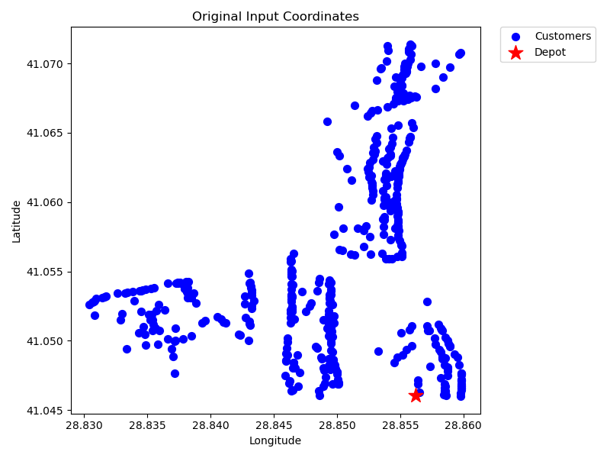
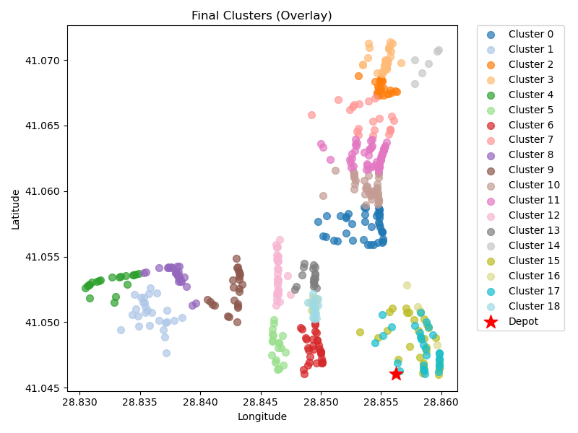
24 | kmeans_18 | 30 | 2.3 | 1.57 | 4.6 | 50 | 54.6
25 | kmeans_18 | 21 | 5.87 | 1.22 | 11.73 | 50 | 61.73
26 | kmeans_18 | 27 | 4.2 | 1.47 | 8.41 | 50 | 58.41
28 | kmeans_18 | 24 | 3.76 | 1.31 | 7.51 | 50 | 57.51
51 | kmeans_19 | 40 | 4.55 | 2.13 | 9.1 | 50 | 59.1
57 | kmeans_19 | 50 | 5.26 | 2.65 | 10.52 | 50 | 60.52
88 | kmeans_21 | 30 | 3.23 | 1.59 | 6.45 | 50 | 56.45
95 | kmeans_21 | 18 | 2.45 | 0.97 | 4.89 | 50 | 54.89
481 | kmeans_35 | 6 | 5.72 | 0.46 | 11.43 | 50 | 61.43
0 | nn | 32 | 2.88 | 1.68 | 5.77 | 50 | 55.77
1 | nn | 15 | 2.74 | 0.83 | 5.48 | 50 | 55.48
0 | rand_nn | 28 | 2.57 | 1.47 | 5.13 | 50 | 55.13
1 | rand_nn | 15 | 2.07 | 0.81 | 4.15 | 50 | 54.15

Final Clusters CSV File (Part 5)
split_merge_osm_data_part5.csv

PART 6
Input CSV | Number of Clusters | Overall Distance (km) | Overall Cost ($) | Overall Time (hrs)
set_covering_osm_data_part6.csv | 18 | 119.23781559 | 1138.4756312 | 28.356794731

Cluster ID | Method | Num Nodes | Distance (km) | Time (hrs) | Distance Cost | Hiring Cost | Total Cluster Cost
0 | kmeans_17 | 25 | 5.78 | 1.42 | 11.56 | 50 | 61.56
8 | kmeans_split_from_17 | 19 | 5.42 | 1.1 | 10.83 | 50 | 60.83
11 | kmeans_17 | 18 | 8.34 | 1.14 | 16.68 | 50 | 66.68
15 | kmeans_17 | 24 | 6.29 | 1.38 | 12.57 | 50 | 62.57
17 | kmeans_17 | 14 | 6.78 | 0.89 | 13.56 | 50 | 63.56
Input Coordinates Plot (Part 6) | kmeans_17 | 18 | 6.91 | 1.1 | 13.82 | 50 | Final Clusters Plot (Part 6)
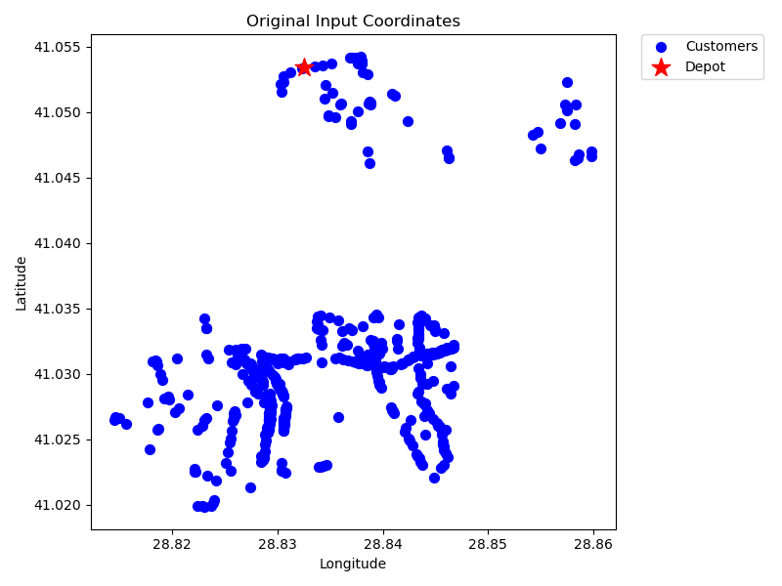
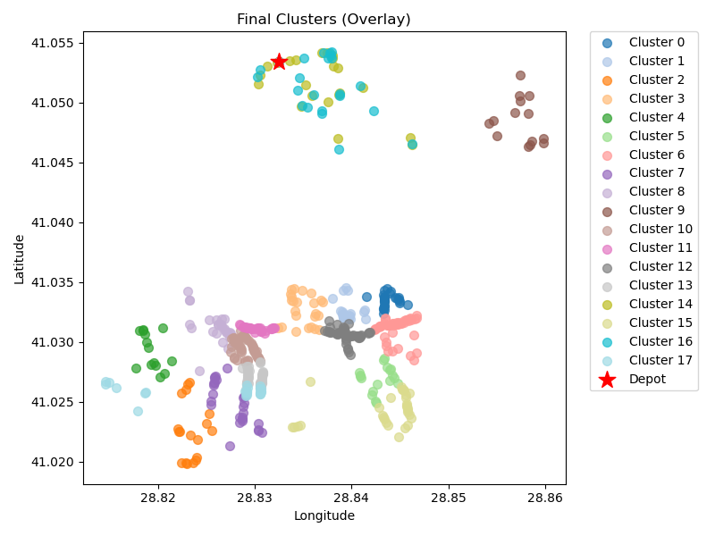
19 | kmeans_17 | 47 | 6.98 | 2.55 | 13.96 | 50 | 63.96
21 | kmeans_18 | 27 | 8.2 | 1.58 | 16.41 | 50 | 66.41
23 | kmeans_18 | 25 | 7.11 | 1.45 | 14.21 | 50 | 64.21
24 | kmeans_18 | 14 | 6.07 | 0.87 | 12.14 | 50 | 62.14
25 | kmeans_split_from_18 | 53 | 6.36 | 2.83 | 12.73 | 50 | 62.73
26 | kmeans_split_from_18 | 29 | 5.54 | 1.61 | 11.08 | 50 | 61.08
27 | kmeans_split_from_18 | 43 | 6.56 | 2.34 | 13.12 | 50 | 63.12
53 | kmeans_split_from_19 | 42 | 6.49 | 2.29 | 12.99 | 50 | 62.99
0 | nn | 23 | 5.06 | 1.29 | 10.12 | 50 | 60.12
8 | nn | 30 | 8.52 | 1.74 | 17.04 | 50 | 67.04
0 | rand_nn | 22 | 4.47 | 1.23 | 8.94 | 50 | 58.94
8 | rand_nn | 26 | 8.35 | 1.54 | 16.69 | 50 | 66.69

Final Clusters CSV File (Part 6)
split_merge_osm_data_part6.csv

PART 7
Input CSV | Number of Clusters | Overall Distance (km) | Overall Cost ($) | Overall Time (hrs)
set_covering_osm_data_part7.csv | 19 | 108.49697347 | 1166.9939469 | 28.049913528

Cluster ID | Method | Num Nodes | Distance (km) | Time (hrs) | Distance Cost | Hiring Cost | Total Cluster Cost
0 | kmeans_17 | 39 | 6.29 | 2.13 | 12.58 | 50 | 62.58
1 | kmeans_17 | 21 | 4.3 | 1.17 | 8.59 | 50 | 58.59
2 | kmeans_17 | 23 | 4.84 | 1.29 | 9.68 | 50 | 59.68
3 | kmeans_split_from_17 | 22 | 5.53 | 1.26 | 11.06 | 50 | 61.06
12 | kmeans_17 | 27 | 5.1 | 1.5 | 10.19 | 50 | 60.19
Input Coordinates Plot (Part 7) | kmeans_17 | 20 | 5.22 | 1.15 | 10.45 | 50 | Final Clusters Plot (Part 7)
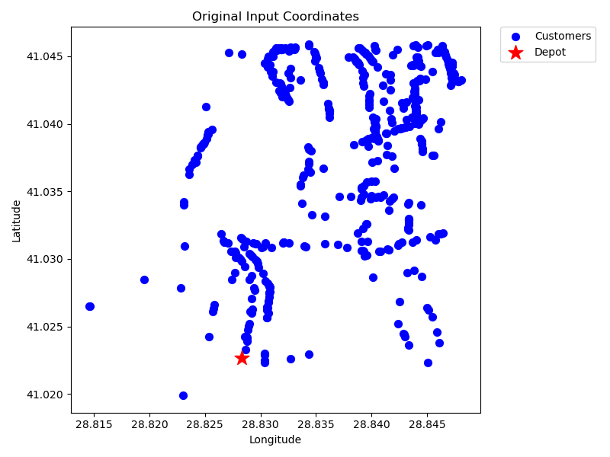
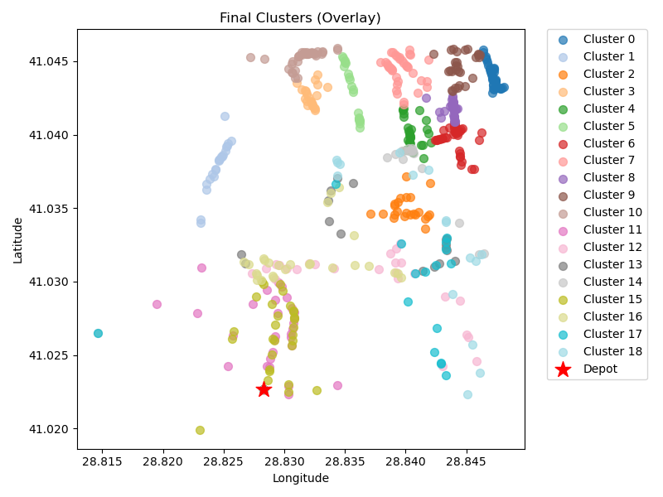
24 | kmeans_18 | 41 | 5.62 | 2.21 | 11.24 | 50 | 61.24
26 | kmeans_18 | 37 | 6.52 | 2.04 | 13.05 | 50 | 63.05
32 | kmeans_18 | 30 | 5.64 | 1.66 | 11.28 | 50 | 61.28
98 | kmeans_21 | 28 | 6.65 | 1.59 | 13.31 | 50 | 63.31
122 | kmeans_22 | 36 | 6.13 | 1.98 | 12.25 | 50 | 62.25
0 | nn | 29 | 5.75 | 1.61 | 11.49 | 50 | 61.49
1 | nn | 25 | 6.07 | 1.42 | 12.13 | 50 | 62.13
2 | nn | 17 | 4.98 | 0.99 | 9.96 | 50 | 59.96
3 | nn | 17 | 6.78 | 1.04 | 13.56 | 50 | 63.56
0 | rand_nn | 29 | 4.17 | 1.57 | 8.34 | 50 | 58.34
1 | rand_nn | 26 | 4.77 | 1.44 | 9.53 | 50 | 59.53
2 | rand_nn | 16 | 8.14 | 1.03 | 16.29 | 50 | 66.29
3 | rand_nn | 16 | 6 | 0.97 | 12.01 | 50 | 62.01

Final Clusters CSV File (Part 7)
split_merge_osm_data_part7.csv

PART 8
Input CSV | Number of Clusters | Overall Distance (km) | Overall Cost ($) | Overall Time (hrs)
set_covering_osm_data_part8.csv | 16 | 89.029208465 | 978.05841693 | 27.49369167

Cluster ID | Method | Num Nodes | Distance (km) | Time (hrs) | Distance Cost | Hiring Cost | Total Cluster Cost
1 | kmeans_17 | 12 | 2.44 | 0.67 | 4.89 | 50 | 54.89
2 | kmeans_split_from_17 | 18 | 4.93 | 1.04 | 9.86 | 50 | 59.86
13 | kmeans_17 | 44 | 5.84 | 2.37 | 11.69 | 50 | 61.69
14 | kmeans_17 | 22 | 2.74 | 1.18 | 5.49 | 50 | 55.49
16 | kmeans_17 | 36 | 5.82 | 1.97 | 11.64 | 50 | 61.64
Input Coordinates Plot (Part 8) | kmeans_18 | 20 | 2.05 | 1.06 | 4.09 | 50 | Final Clusters Plot (Part 8)
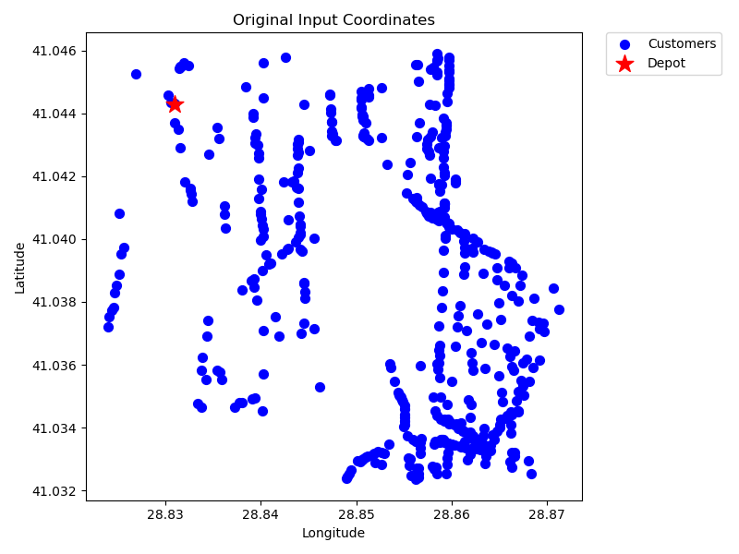
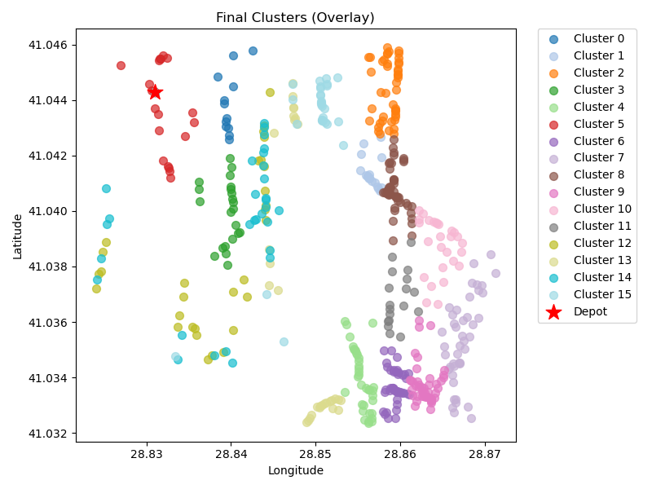
75 | kmeans_21 | 44 | 6.25 | 2.38 | 12.51 | 50 | 62.51
79 | kmeans_21 | 43 | 9.06 | 2.41 | 18.11 | 50 | 68.11
82 | kmeans_21 | 48 | 6.09 | 2.57 | 12.19 | 50 | 62.19
86 | kmeans_21 | 47 | 7.56 | 2.57 | 15.11 | 50 | 65.11
89 | kmeans_21 | 27 | 6.99 | 1.55 | 13.98 | 50 | 63.98
94 | kmeans_21 | 18 | 6.25 | 1.08 | 12.5 | 50 | 62.5
1 | nn | 30 | 5.12 | 1.65 | 10.24 | 50 | 60.24
2 | nn | 30 | 5.87 | 1.67 | 11.74 | 50 | 61.74
1 | rand_nn | 30 | 5.84 | 1.67 | 11.69 | 50 | 61.69
2 | rand_nn | 30 | 6.17 | 1.68 | 12.34 | 50 | 62.34

Final Clusters CSV File (Part 8)
split_merge_osm_data_part8.csv

PART 9
Input CSV | Number of Clusters | Overall Distance (km) | Overall Cost ($) | Overall Time (hrs)
set_covering_osm_data_part9.csv | 17 | 101.03682968 | 1052.0736594 | 27.836766562

Cluster ID | Method | Num Nodes | Distance (km) | Time (hrs) | Distance Cost | Hiring Cost | Total Cluster Cost
0 | kmeans_17 | 32 | 5.88 | 1.77 | 11.77 | 50 | 61.77
8 | kmeans_split_from_17 | 39 | 4.72 | 2.08 | 9.44 | 50 | 59.44
12 | kmeans_17 | 14 | 4.71 | 0.83 | 9.43 | 50 | 59.43
14 | kmeans_17 | 44 | 4.36 | 2.32 | 8.73 | 50 | 58.73
15 | kmeans_17 | 45 | 4.26 | 2.37 | 8.52 | 50 | 58.52
Input Coordinates Plot (Part 9) | kmeans_17 | 28 | 3.44 | 1.5 | 6.87 | 50 | Final Clusters Plot (Part 9)
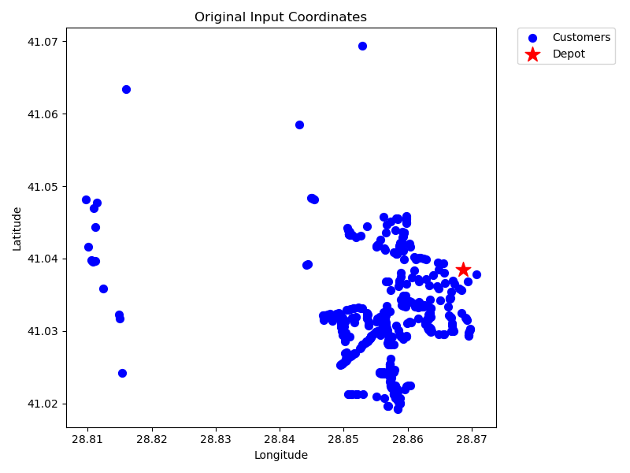
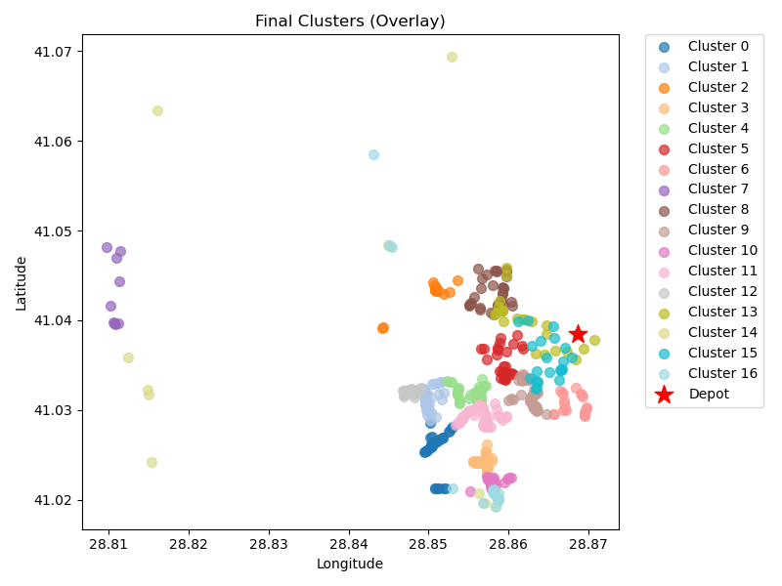
17 | kmeans_17 | 21 | 2.86 | 1.13 | 5.73 | 50 | 55.73
20 | kmeans_18 | 9 | 11.01 | 0.76 | 22.01 | 50 | 72.01
21 | kmeans_18 | 33 | 4.29 | 1.77 | 8.59 | 50 | 58.59
22 | kmeans_18 | 35 | 3.56 | 1.85 | 7.12 | 50 | 57.12
23 | kmeans_split_from_18 | 37 | 5.1 | 2 | 10.19 | 50 | 60.19
25 | kmeans_18 | 53 | 4.45 | 2.78 | 8.9 | 50 | 58.9
26 | kmeans_split_from_18 | 28 | 4.33 | 1.52 | 8.67 | 50 | 58.67
0 | nn | 22 | 3.71 | 1.21 | 7.41 | 50 | 57.41
8 | nn | 18 | 20.59 | 1.49 | 41.17 | 50 | 91.17
0 | rand_nn | 22 | 3.34 | 1.2 | 6.68 | 50 | 56.68
8 | rand_nn | 19 | 10.42 | 1.25 | 20.85 | 50 | 70.85

Final Clusters CSV File (Part 9)
split_merge_osm_data_part9.csv

PART 10
Input CSV | Number of Clusters | Overall Distance (km) | Overall Cost ($) | Overall Time (hrs)
set_covering_osm_data_part10.csv | 19 | 195.35622631 | 1340.7124526 | 30.531606466

Cluster ID | Method | Num Nodes | Distance (km) | Time (hrs) | Distance Cost | Hiring Cost | Total Cluster Cost
5 | kmeans_17 | 30 | 5.55 | 1.66 | 11.1 | 50 | 61.1
11 | kmeans_17 | 11 | 14.16 | 0.95 | 28.32 | 50 | 78.32
12 | kmeans_17 | 16 | 8.94 | 1.06 | 17.88 | 50 | 67.88
18 | kmeans_17 | 28 | 3.62 | 1.5 | 7.24 | 50 | 57.24
19 | kmeans_split_from_18 | 65 | 6.8 | 3.44 | 13.6 | 50 | 63.6
Input Coordinates Plot (Part 10) | kmeans_18 | 31 | 10.41 | 1.85 | 20.83 | 50 | Final Clusters Plot (Part 10)
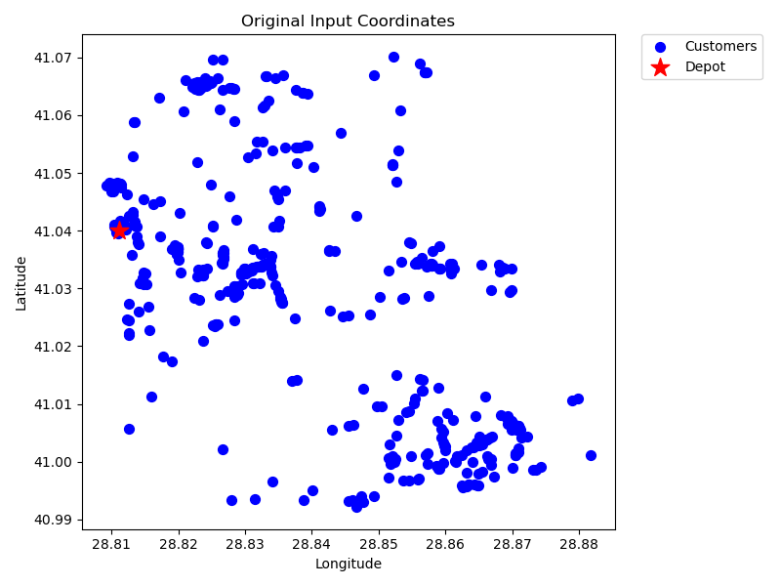
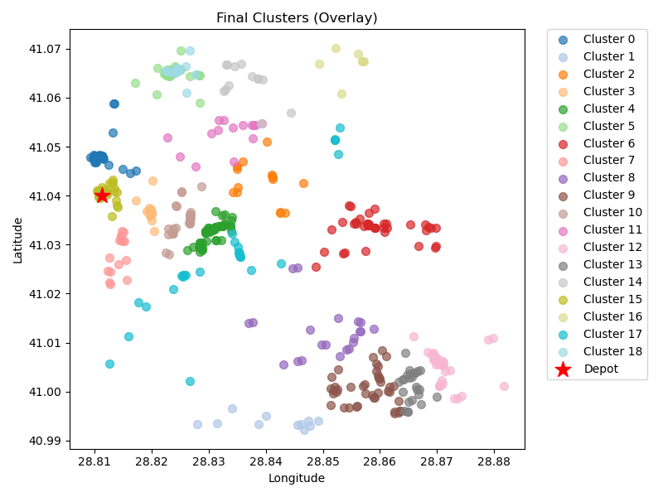
26 | kmeans_18 | 40 | 14.29 | 2.41 | 28.58 | 50 | 78.58
27 | kmeans_18 | 17 | 4.89 | 0.99 | 9.77 | 50 | 59.77
28 | kmeans_18 | 21 | 15.61 | 1.5 | 31.21 | 50 | 81.21
29 | kmeans_18 | 42 | 17.52 | 2.6 | 35.03 | 50 | 85.03
33 | kmeans_18 | 25 | 5.93 | 1.42 | 11.86 | 50 | 61.86
38 | kmeans_18 | 15 | 6.78 | 0.94 | 13.56 | 50 | 63.56
58 | kmeans_19 | 34 | 16.35 | 2.17 | 32.69 | 50 | 82.69
82 | kmeans_21 | 25 | 15.65 | 1.7 | 31.29 | 50 | 81.29
83 | kmeans_21 | 13 | 8.56 | 0.89 | 17.12 | 50 | 67.12
85 | kmeans_21 | 37 | 2.81 | 1.93 | 5.61 | 50 | 55.61
489 | kmeans_35 | 8 | 10.87 | 0.71 | 21.74 | 50 | 71.74
5 | nn | 28 | 18.79 | 1.94 | 37.57 | 50 | 87.57
5 | rand_nn | 13 | 7.85 | 0.87 | 15.7 | 50 | 65.7

Final Clusters CSV File (Part 10)
split_merge_osm_data_part10.csv

PART 11
Input CSV | Number of Clusters | Overall Distance (km) | Overall Cost ($) | Overall Time (hrs)
set_covering_osm_data_part11.csv | 19 | 179.14685484 | 1308.2937097 | 30.068481567

Cluster ID | Method | Num Nodes | Distance (km) | Time (hrs) | Distance Cost | Hiring Cost | Total Cluster Cost
8 | kmeans_17 | 13 | 10.04 | 0.94 | 20.07 | 50 | 70.07
9 | kmeans_17 | 20 | 4.08 | 1.12 | 8.16 | 50 | 58.16
11 | kmeans_17 | 23 | 6.31 | 1.33 | 12.62 | 50 | 62.62
12 | kmeans_17 | 37 | 6.16 | 2.03 | 12.32 | 50 | 62.32
13 | kmeans_17 | 28 | 10.38 | 1.7 | 20.76 | 50 | 70.76
Input Coordinates Plot (Part 11) | kmeans_split_from_17 | 98 | 7.61 | 5.12 | 15.23 | 50 | Final Clusters Plot (Part 11)
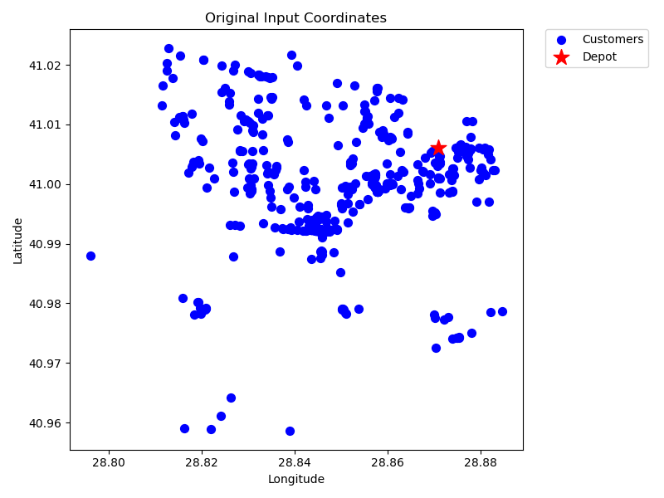
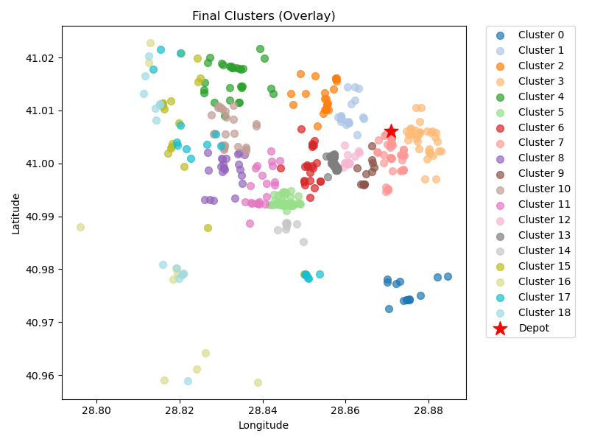
19 | kmeans_18 | 22 | 7.39 | 1.31 | 14.79 | 50 | 64.79
84 | kmeans_21 | 39 | 5.04 | 2.09 | 10.09 | 50 | 60.09
85 | kmeans_21 | 22 | 10.31 | 1.39 | 20.61 | 50 | 70.61
96 | kmeans_21 | 12 | 2.86 | 0.68 | 5.71 | 50 | 55.71
99 | kmeans_21 | 25 | 10.02 | 1.54 | 20.04 | 50 | 70.04
104 | kmeans_21 | 22 | 9.92 | 1.38 | 19.84 | 50 | 69.84
109 | kmeans_split_from_22 | 12 | 3.03 | 0.69 | 6.06 | 50 | 56.06
110 | kmeans_split_from_22 | 58 | 4.54 | 3.03 | 9.08 | 50 | 59.08
458 | kmeans_33 | 9 | 6.78 | 0.64 | 13.56 | 50 | 63.56
8 | nn | 18 | 14.94 | 1.33 | 29.88 | 50 | 79.88
9 | nn | 11 | 22.77 | 1.2 | 45.55 | 50 | 95.55
8 | rand_nn | 17 | 16.67 | 1.33 | 33.34 | 50 | 83.34
9 | rand_nn | 13 | 20.29 | 1.23 | 40.58 | 50 | 90.58

Final Clusters CSV File (Part 11)
split_merge_osm_data_part11.csv

PART 12
Input CSV | Number of Clusters | Overall Distance (km) | Overall Cost ($) | Overall Time (hrs)
set_covering_osm_data_part12.csv | 17 | 190.21573877 | 1230.4314775 | 30.384735394

Cluster ID | Method | Num Nodes | Distance (km) | Time (hrs) | Distance Cost | Hiring Cost | Total Cluster Cost
0 | kmeans_17 | 29 | 5.57 | 1.61 | 11.14 | 50 | 61.14
1 | kmeans_17 | 37 | 14.79 | 2.27 | 29.59 | 50 | 79.59
11 | kmeans_split_from_17 | 68 | 6.71 | 3.59 | 13.43 | 50 | 63.43
13 | kmeans_17 | 41 | 14.01 | 2.45 | 28.01 | 50 | 78.01
20 | kmeans_18 | 31 | 19.26 | 2.1 | 38.51 | 50 | 88.51
Input Coordinates Plot (Part 12) | kmeans_18 | 37 | 17.26 | 2.34 | 34.52 | 50 | Final Clusters Plot (Part 12)
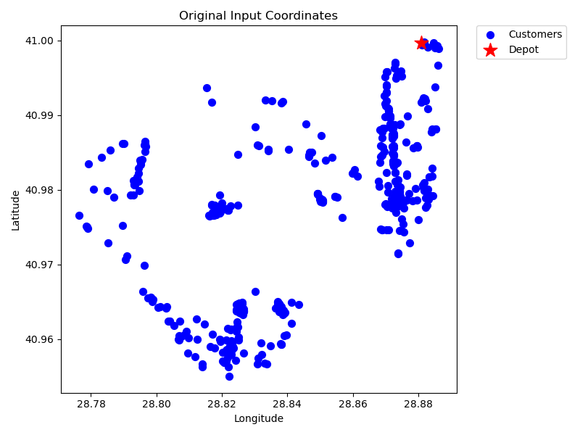
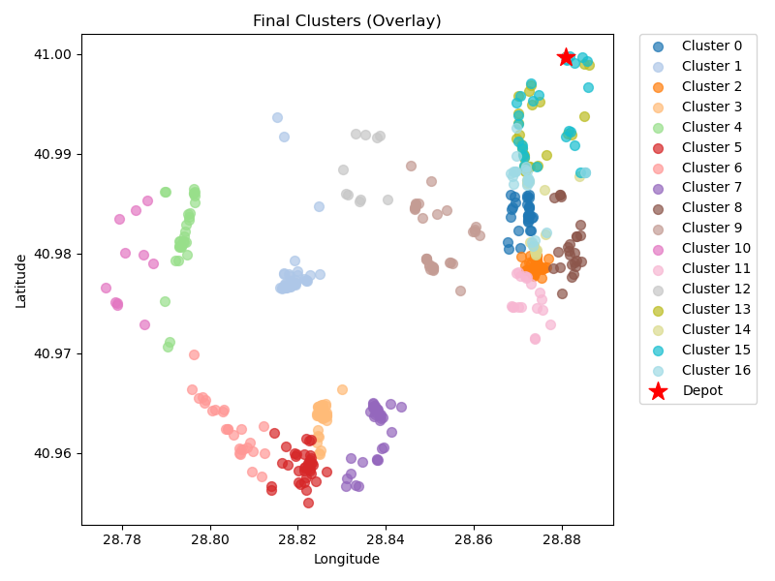
23 | kmeans_18 | 27 | 19.25 | 1.9 | 38.49 | 50 | 88.49
24 | kmeans_18 | 35 | 14.38 | 2.16 | 28.75 | 50 | 78.75
27 | kmeans_18 | 24 | 7.47 | 1.41 | 14.94 | 50 | 64.94
82 | kmeans_21 | 34 | 11.49 | 2.03 | 22.98 | 50 | 72.98
93 | kmeans_21 | 11 | 20.39 | 1.13 | 40.79 | 50 | 90.79
132 | kmeans_split_from_23 | 19 | 8.32 | 1.19 | 16.65 | 50 | 66.65
487 | kmeans_35 | 10 | 9.45 | 0.77 | 18.89 | 50 | 68.89
0 | nn | 26 | 4.63 | 1.43 | 9.25 | 50 | 59.25
1 | nn | 22 | 5.62 | 1.26 | 11.24 | 50 | 61.24
0 | rand_nn | 27 | 5.49 | 1.51 | 10.98 | 50 | 60.98
1 | rand_nn | 21 | 6.14 | 1.23 | 12.28 | 50 | 62.28

Final Clusters CSV File (Part 12)
split_merge_osm_data_part12.csv

