PART 1
Input CSV | Final Clusters | Overall Distance (km) | Overall Cost ($) | Overall Time (hrs)
split_merge_osm_data_part1.csv | 14 | 294.36331591 | 1288.7266318 | 32.610380455

Cluster ID | Num Points | Distance (km) | Time (hrs) | Cost ($)
Run100_Cluster_2 | 44 | 11.31 | 2.57 | 72.62
Run100_Cluster_5 | 33 | 28.4 | 2.51 | 106.79
Run100_Cluster_4 | 22 | 28.38 | 1.96 | 106.75
Run100_Cluster_19 | 24 | 18.28 | 1.77 | 86.56
Run100_Cluster_3 | 36 | 23.4 | 2.52 | 96.8
Nodes Only Plot (Part 1) | 22 | 19.24 | 1.7 | 88.49 | Final Routes Plot (Part 1)
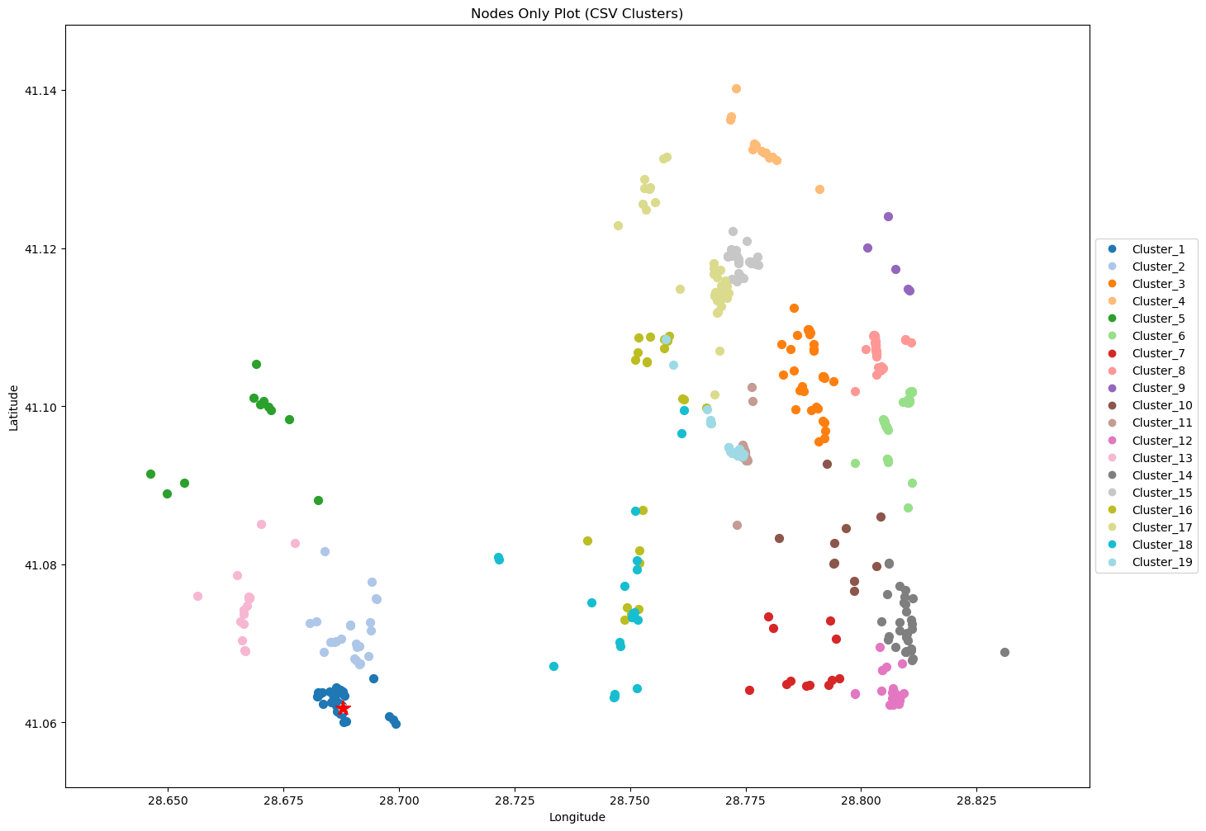
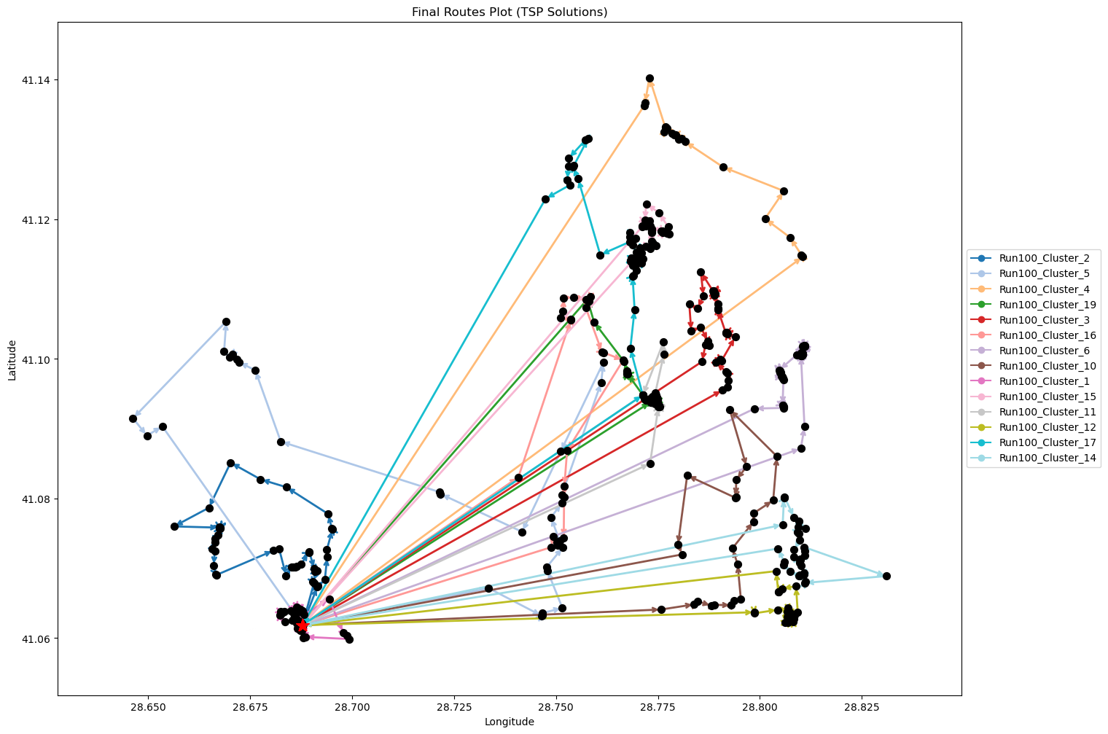
Run100_Cluster_6 | 45 | 24.19 | 2.99 | 98.39
Run100_Cluster_10 | 24 | 24.86 | 1.96 | 99.72
Run100_Cluster_1 | 52 | 4.04 | 2.77 | 58.07
Run100_Cluster_15 | 27 | 20.99 | 2 | 91.98
Run100_Cluster_11 | 36 | 18.87 | 2.39 | 87.73
Run100_Cluster_12 | 35 | 21.75 | 2.42 | 93.51
Run100_Cluster_17 | 37 | 24.08 | 2.59 | 98.15
Run100_Cluster_14 | 33 | 26.58 | 2.46 | 103.16

Final Clusters CSV File (Part 1)
split_merge_summary_part1.csv

PART 2
Input CSV | Final Clusters | Overall Distance (km) | Overall Cost ($) | Overall Time (hrs)
split_merge_osm_data_part2.csv | 16 | 314.51238225 | 1429.0247645 | 35.686068064

Cluster ID | Num Points | Distance (km) | Time (hrs) | Cost ($)
Run100_Cluster_17 | 17 | 36.12 | 1.93 | 122.25
Run100_Cluster_5 | 37 | 17.46 | 2.4 | 84.91
Run100_Cluster_7 | 41 | 18.27 | 2.62 | 86.54
Run100_Cluster_14 | 33 | 17.85 | 2.21 | 85.71
Run100_Cluster_12 | 39 | 18.62 | 2.53 | 87.23
Nodes Only Plot (Part 2) | 38 | 19.52 | 2.51 | 89.03 | Final Routes Plot (Part 2)
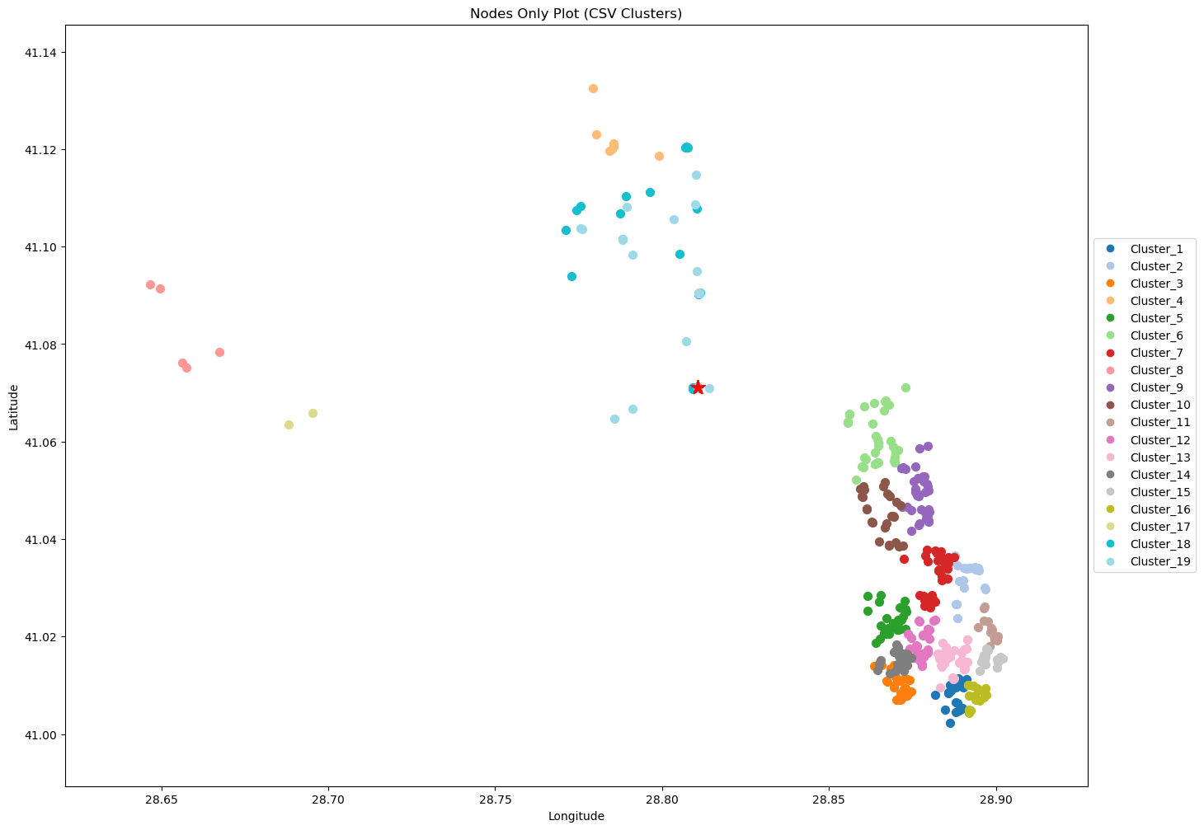
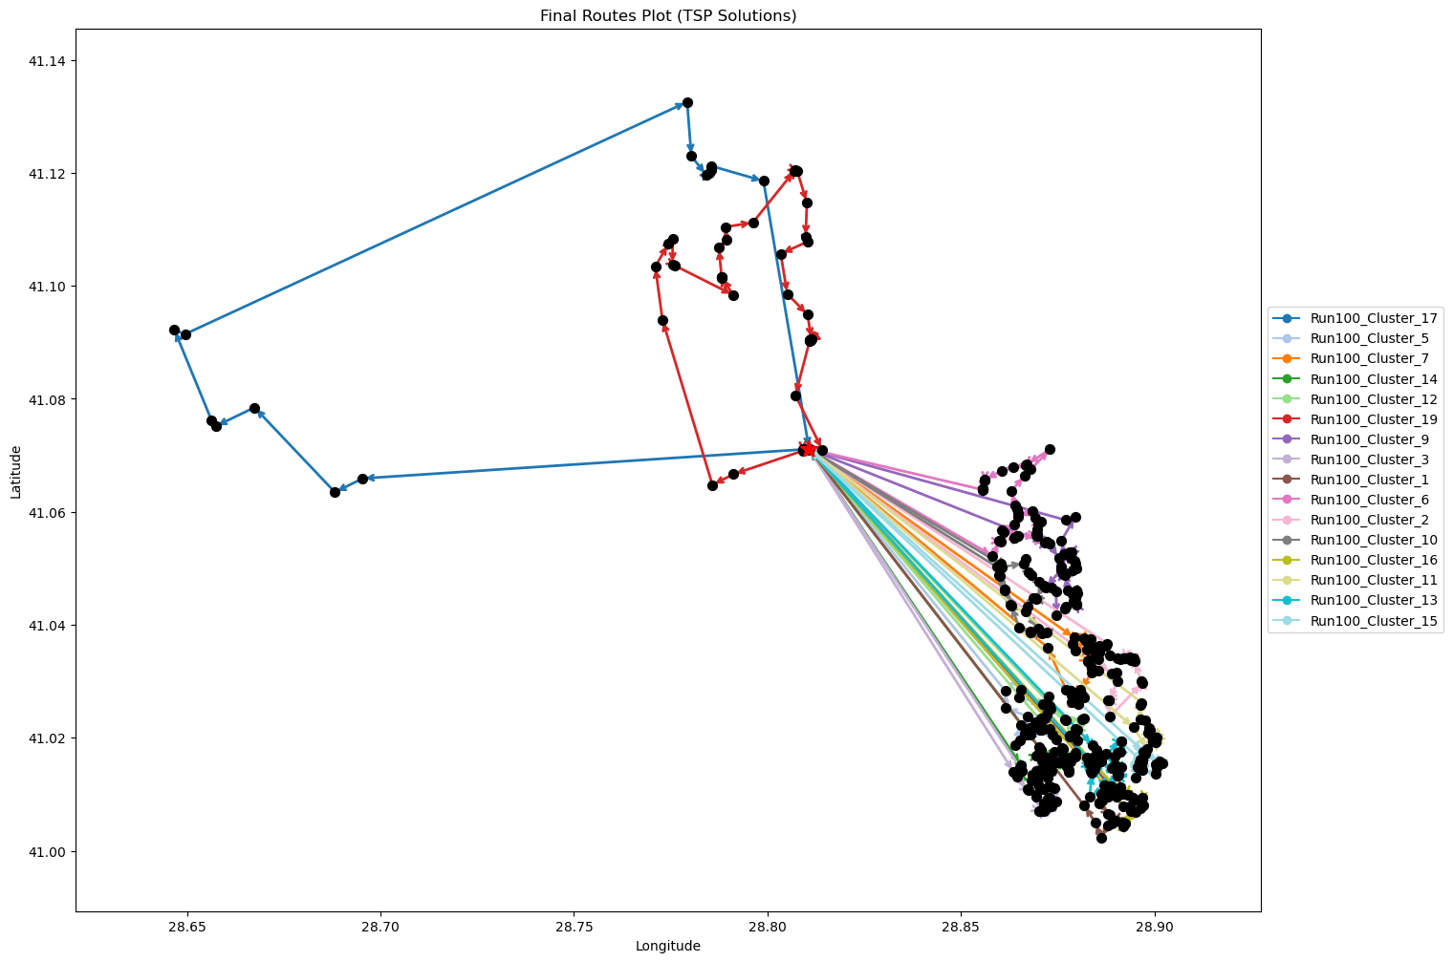
Run100_Cluster_9 | 37 | 16.34 | 2.37 | 82.67
Run100_Cluster_3 | 32 | 19.12 | 2.2 | 88.25
Run100_Cluster_1 | 35 | 21.36 | 2.41 | 92.72
Run100_Cluster_6 | 39 | 14.46 | 2.41 | 78.93
Run100_Cluster_2 | 23 | 18.76 | 1.74 | 87.53
Run100_Cluster_10 | 27 | 13.97 | 1.8 | 77.95
Run100_Cluster_16 | 19 | 21.23 | 1.61 | 92.45
Run100_Cluster_11 | 20 | 19.54 | 1.61 | 89.08
Run100_Cluster_13 | 45 | 21.2 | 2.91 | 92.39
Run100_Cluster_15 | 36 | 20.69 | 2.44 | 91.38

Final Clusters CSV File (Part 2)
split_merge_summary_part2.csv

PART 3
Input CSV | Final Clusters | Overall Distance (km) | Overall Cost ($) | Overall Time (hrs)
split_merge_osm_data_part3.csv | 12 | 139.00619044 | 878.01238088 | 27.821605441

Cluster ID | Num Points | Distance (km) | Time (hrs) | Cost ($)
Run103_Cluster_3 | 42 | 12.1 | 2.5 | 74.2
Run103_Cluster_7 | 17 | 13.29 | 1.28 | 76.59
Run103_Cluster_11 | 50 | 11.61 | 2.88 | 73.22
Run103_Cluster_14 | 32 | 8.3 | 1.89 | 66.61
Run103_Cluster_8 | 46 | 15.27 | 2.79 | 80.53
Nodes Only Plot (Part 3) | 48 | 8.49 | 2.69 | 66.98 | Final Routes Plot (Part 3)
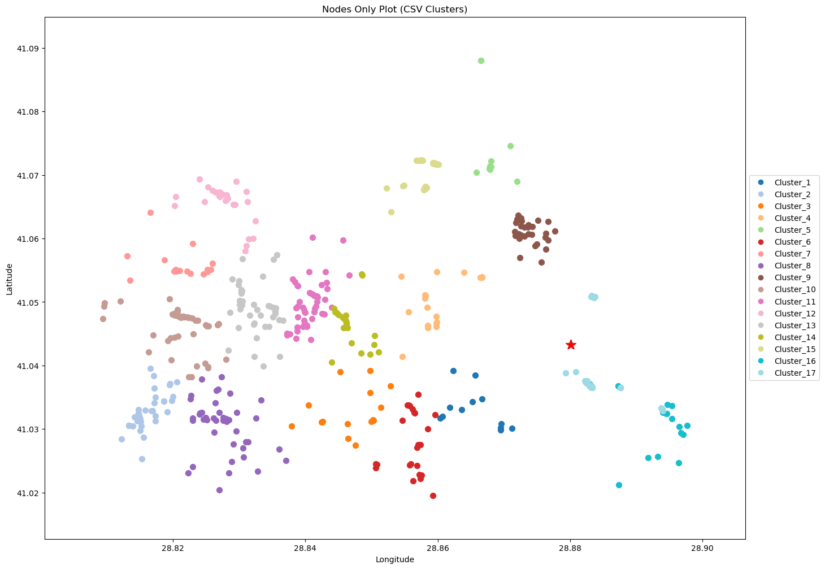
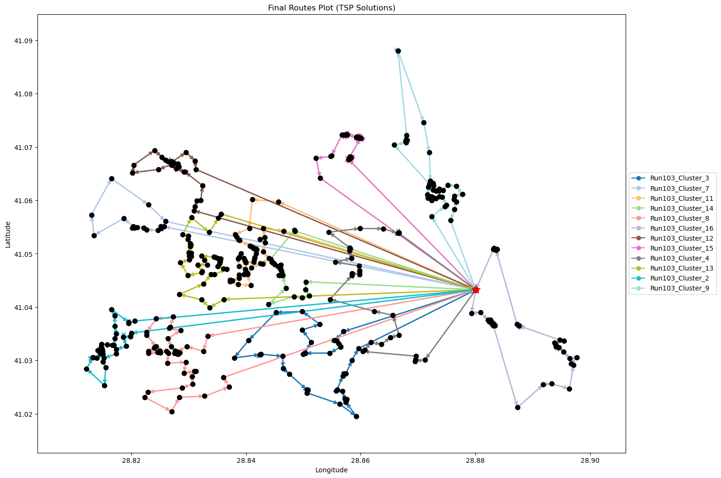
Run103_Cluster_12 | 27 | 12.82 | 1.77 | 75.64
Run103_Cluster_15 | 45 | 8.56 | 2.54 | 67.13
Run103_Cluster_4 | 33 | 9.66 | 1.98 | 69.33
Run103_Cluster_13 | 42 | 13.07 | 2.52 | 76.13
Run103_Cluster_2 | 42 | 14.22 | 2.56 | 78.44
Run103_Cluster_9 | 41 | 11.62 | 2.43 | 73.24

Final Clusters CSV File (Part 3)
split_merge_summary_part3.csv

PART 4
Input CSV | Final Clusters | Overall Distance (km) | Overall Cost ($) | Overall Time (hrs)
split_merge_osm_data_part4.csv | 12 | 50.422425755 | 700.84485151 | 27.840640736

Cluster ID | Num Points | Distance (km) | Time (hrs) | Cost ($)
Run101_Cluster_10 | 31 | 5.25 | 1.75 | 60.5
Run101_Cluster_16 | 33 | 8.05 | 1.93 | 66.11
Run101_Cluster_4 | 30 | 5.23 | 1.7 | 60.46
Run101_Cluster_3 | 57 | 1.34 | 2.94 | 52.68
Run101_Cluster_9 | 38 | 1.24 | 1.99 | 52.49
Nodes Only Plot (Part 4) | 44 | 9.34 | 2.52 | 68.68 | Final Routes Plot (Part 4)
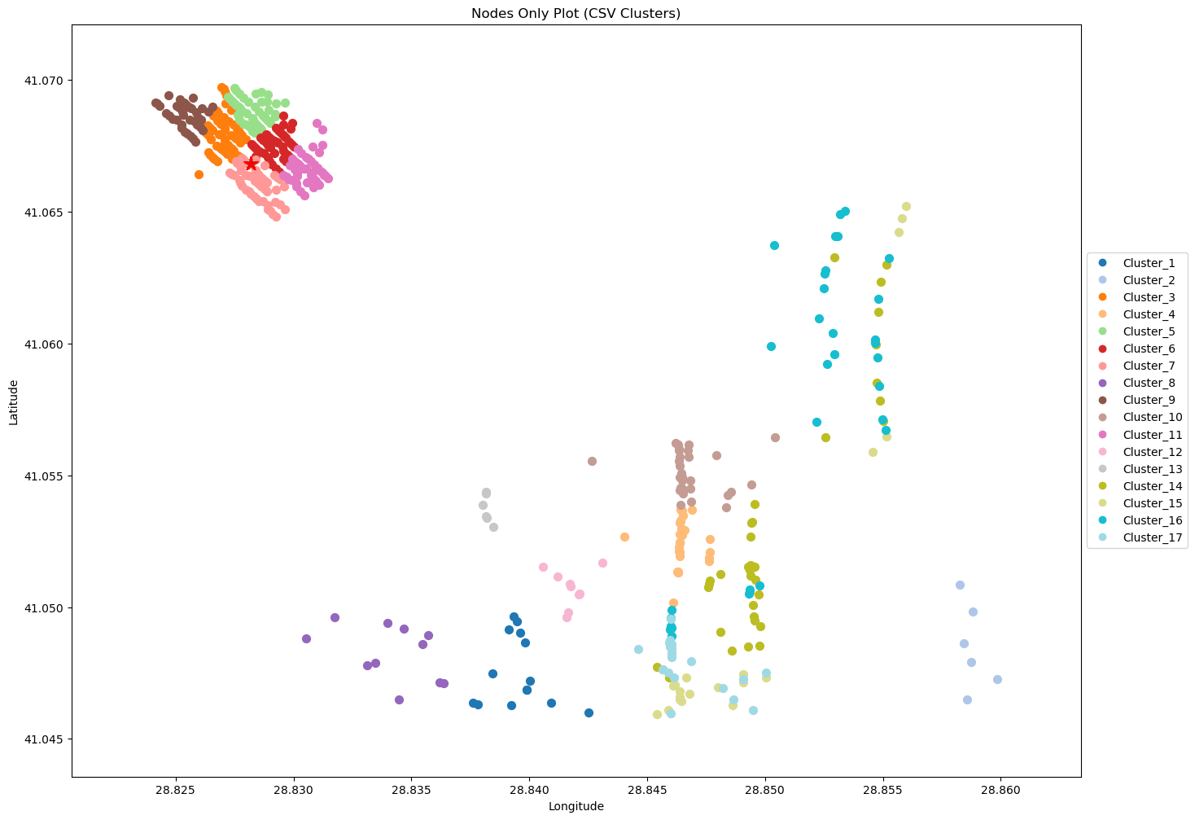
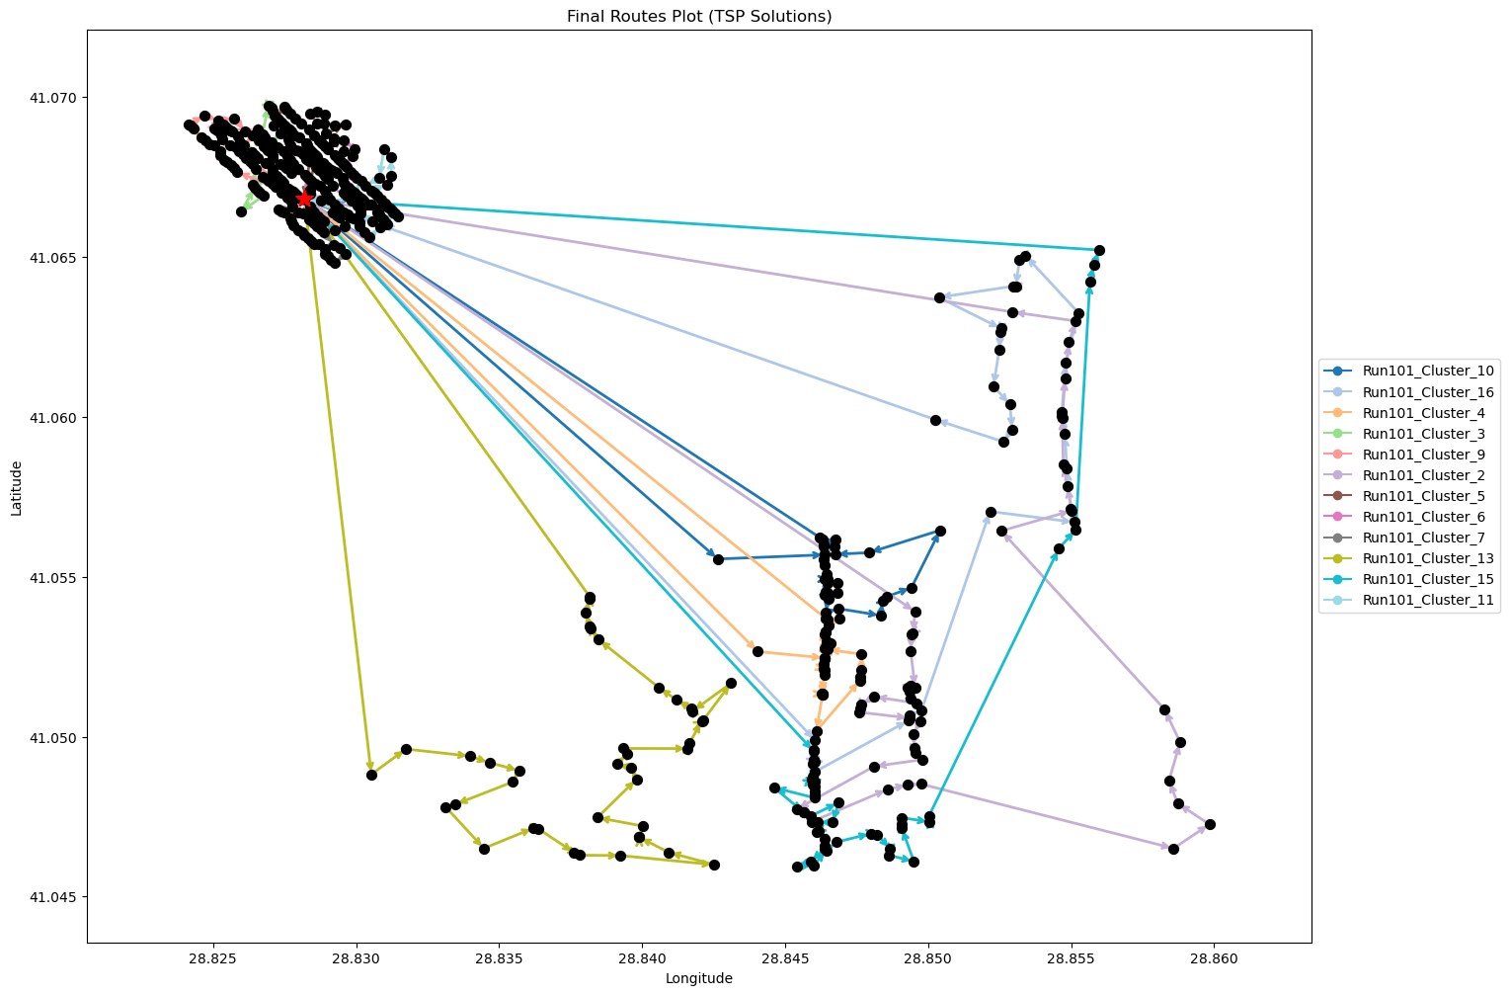
Run101_Cluster_5 | 47 | 1.17 | 2.43 | 52.33
Run101_Cluster_6 | 47 | 0.96 | 2.43 | 51.92
Run101_Cluster_7 | 52 | 1.02 | 2.68 | 52.04
Run101_Cluster_13 | 44 | 7.15 | 2.45 | 64.3
Run101_Cluster_15 | 43 | 8.39 | 2.44 | 66.79
Run101_Cluster_11 | 50 | 1.27 | 2.59 | 52.55

Final Clusters CSV File (Part 4)
split_merge_summary_part4.csv

PART 5
Input CSV | Final Clusters | Overall Distance (km) | Overall Cost ($) | Overall Time (hrs)
split_merge_osm_data_part5.csv | 12 | 49.082456721 | 698.16491344 | 25.002355906

Cluster ID | Num Points | Distance (km) | Time (hrs) | Cost ($)
Run110_Cluster_16 | 43 | 5.93 | 2.37 | 61.85
Run110_Cluster_7 | 35 | 2.51 | 1.87 | 55.01
Run110_Cluster_10 | 48 | 4.56 | 2.58 | 59.13
Run110_Cluster_17 | 38 | 3.65 | 2.05 | 57.31
Run110_Cluster_2 | 36 | 5.81 | 2.02 | 61.63
Nodes Only Plot (Part 5) | 34 | 1.19 | 1.78 | 52.38 | Final Routes Plot (Part 5)
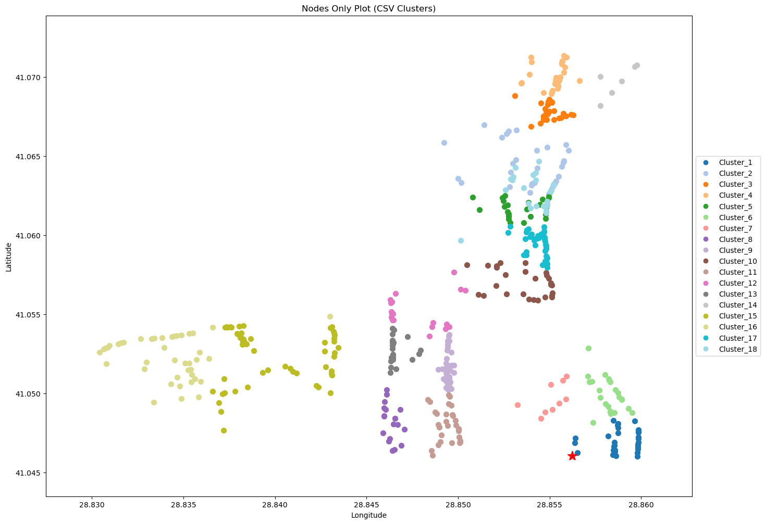
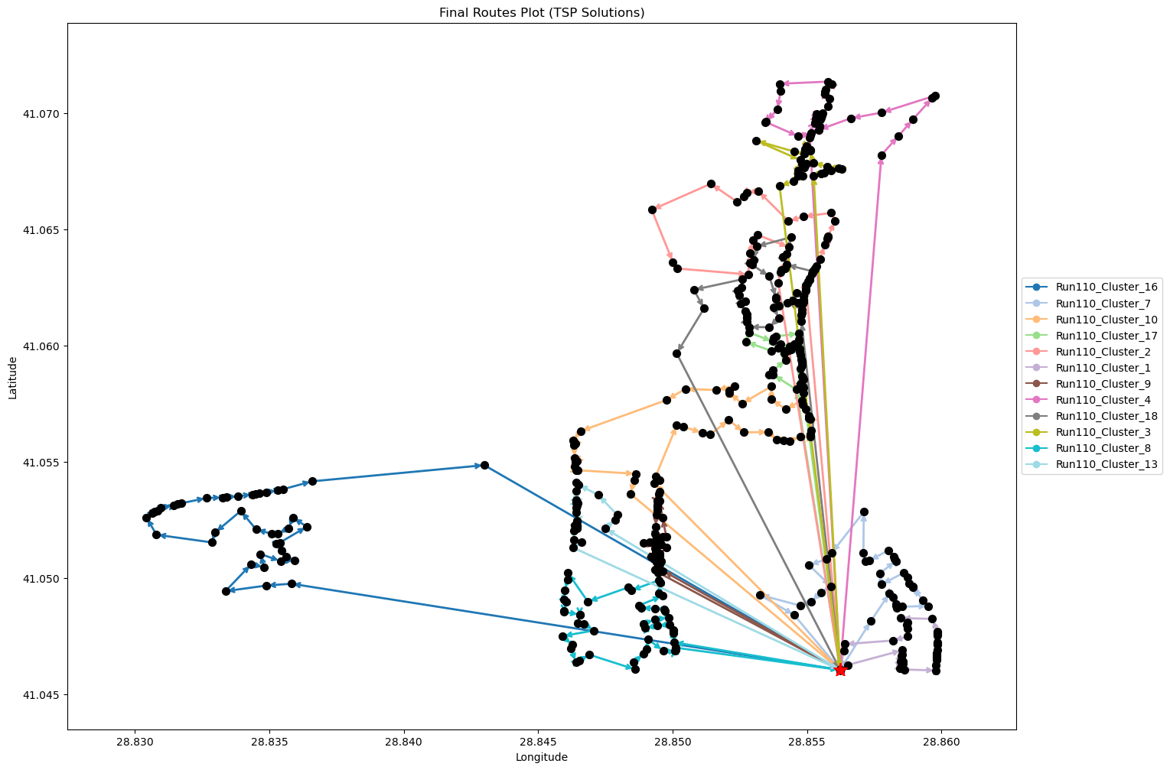
Run110_Cluster_9 | 35 | 2.34 | 1.87 | 54.67
Run110_Cluster_4 | 37 | 6.59 | 2.09 | 63.18
Run110_Cluster_18 | 49 | 5.2 | 2.65 | 60.41
Run110_Cluster_3 | 31 | 5.54 | 1.76 | 61.07
Run110_Cluster_8 | 51 | 3.12 | 2.69 | 56.24
Run110_Cluster_13 | 23 | 2.65 | 1.28 | 55.29

Final Clusters CSV File (Part 5)
split_merge_summary_part5.csv

PART 6
Input CSV | Final Clusters | Overall Distance (km) | Overall Cost ($) | Overall Time (hrs)
split_merge_osm_data_part6.csv | 13 | 93.328168815 | 836.65633763 | 29.216519109

Cluster ID | Num Points | Distance (km) | Time (hrs) | Cost ($)
Run101_Cluster_11 | 30 | 6.43 | 1.73 | 62.85
Run101_Cluster_17 | 36 | 7.06 | 2.05 | 64.13
Run101_Cluster_5 | 43 | 6.2 | 2.38 | 62.4
Run101_Cluster_3 | 43 | 6.19 | 2.38 | 62.38
Run101_Cluster_10 | 37 | 6.11 | 2.07 | 62.22
Nodes Only Plot (Part 6) | 32 | 7.44 | 1.86 | 64.88 | Final Routes Plot (Part 6)
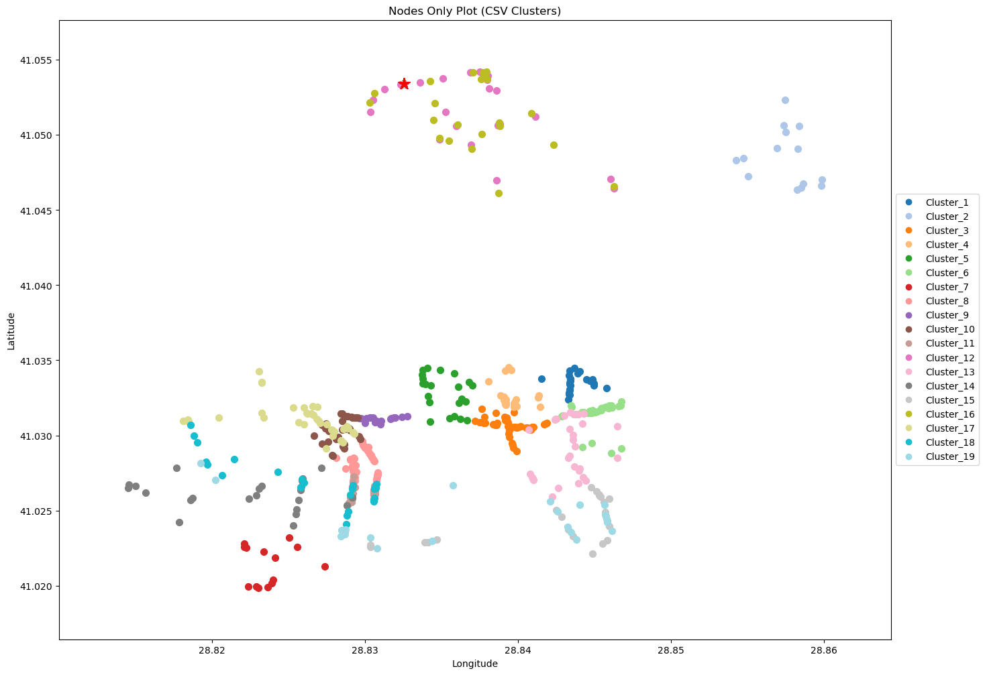
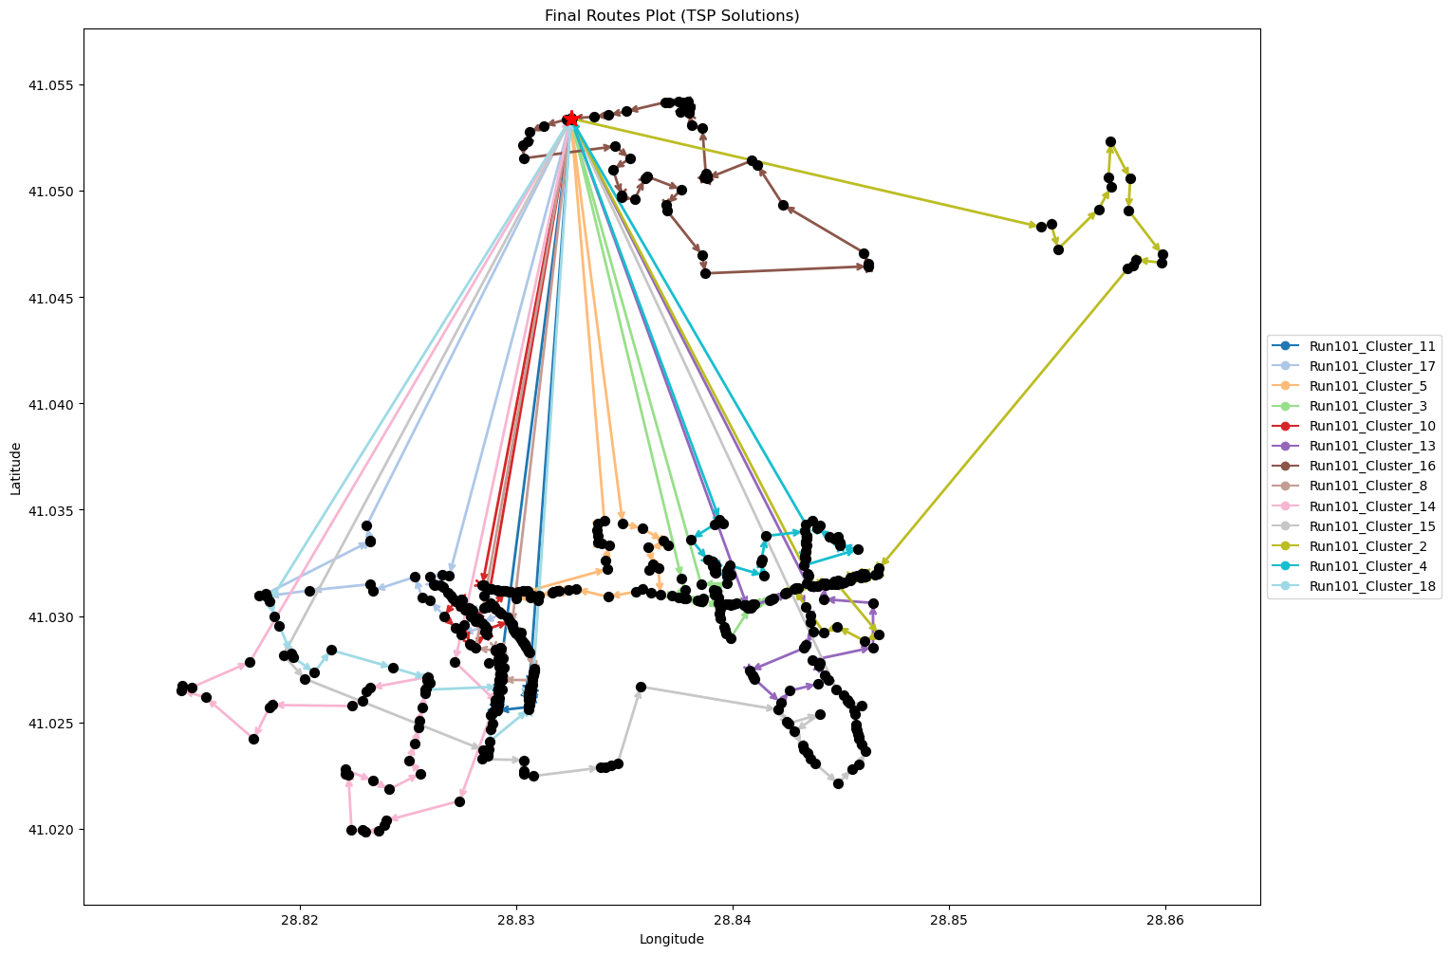
Run101_Cluster_16 | 47 | 4.37 | 2.52 | 58.74
Run101_Cluster_8 | 44 | 6.28 | 2.43 | 62.56
Run101_Cluster_14 | 40 | 10.02 | 2.34 | 70.03
Run101_Cluster_15 | 47 | 10.03 | 2.69 | 70.06
Run101_Cluster_2 | 47 | 9.28 | 2.67 | 68.55
Run101_Cluster_4 | 46 | 6.22 | 2.53 | 62.43
Run101_Cluster_18 | 26 | 7.71 | 1.57 | 65.42

Final Clusters CSV File (Part 6)
split_merge_summary_part6.csv

PART 7
Input CSV | Final Clusters | Overall Distance (km) | Overall Cost ($) | Overall Time (hrs)
split_merge_osm_data_part7.csv | 13 | 82.171128151 | 814.3422563 | 28.897746519

Cluster ID | Num Points | Distance (km) | Time (hrs) | Cost ($)
Run108_Cluster_1 | 40 | 6.27 | 2.23 | 62.53
Run108_Cluster_10 | 29 | 6.42 | 1.68 | 62.84
Run108_Cluster_6 | 44 | 5.77 | 2.41 | 61.55
Run108_Cluster_2 | 46 | 6.22 | 2.53 | 62.44
Run108_Cluster_3 | 39 | 7.7 | 2.22 | 65.41
Nodes Only Plot (Part 7) | 38 | 6.19 | 2.13 | 62.37 | Final Routes Plot (Part 7)
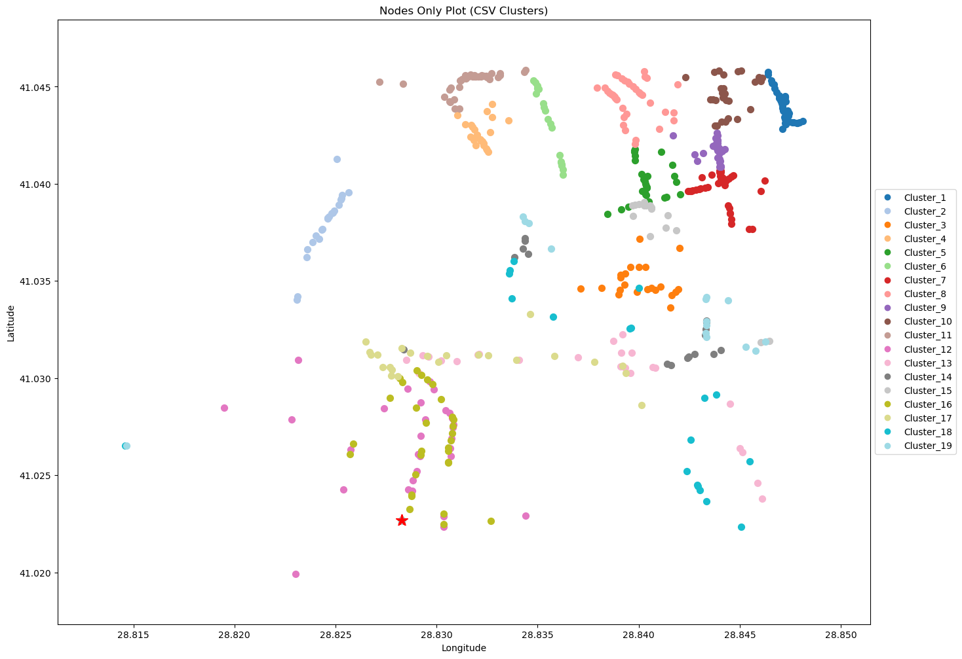
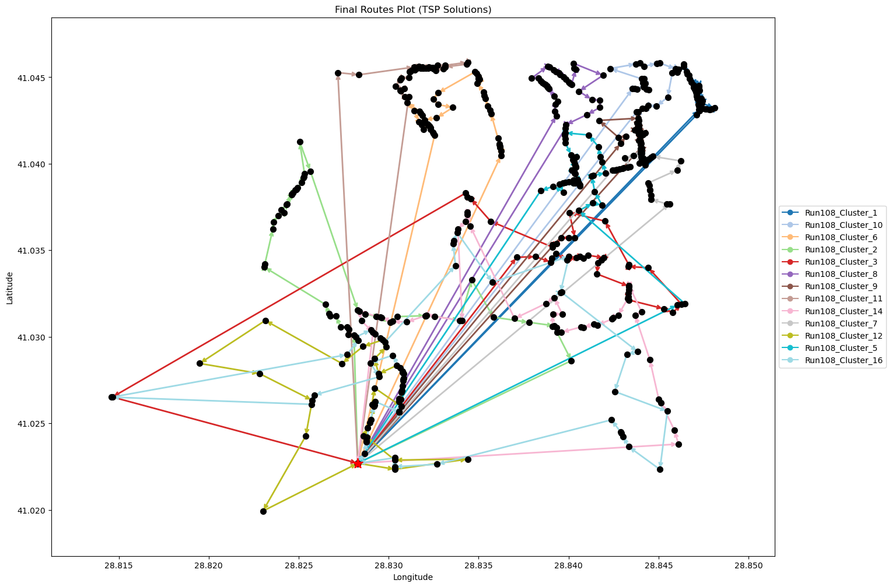
Run108_Cluster_9 | 31 | 5.51 | 1.76 | 61.03
Run108_Cluster_11 | 37 | 6.06 | 2.07 | 62.13
Run108_Cluster_14 | 43 | 6.53 | 2.39 | 63.06
Run108_Cluster_7 | 42 | 5.44 | 2.31 | 60.89
Run108_Cluster_12 | 31 | 5.17 | 1.75 | 60.34
Run108_Cluster_5 | 47 | 6.02 | 2.57 | 62.03
Run108_Cluster_16 | 51 | 8.86 | 2.85 | 67.73

Final Clusters CSV File (Part 7)
split_merge_summary_part7.csv

PART 8
Input CSV | Final Clusters | Overall Distance (km) | Overall Cost ($) | Overall Time (hrs)
split_merge_osm_data_part8.csv | 11 | 69.239013096 | 688.47802619 | 28.328257517

Cluster ID | Num Points | Distance (km) | Time (hrs) | Cost ($)
Run101_Cluster_4 | 53 | 6.25 | 2.88 | 62.5
Run101_Cluster_5 | 46 | 4.16 | 2.47 | 58.31
Run101_Cluster_8 | 45 | 6.19 | 2.48 | 62.38
Run101_Cluster_3 | 45 | 5.67 | 2.46 | 61.33
Run101_Cluster_7 | 54 | 6.08 | 2.92 | 62.17
Nodes Only Plot (Part 8) | 49 | 6.21 | 2.68 | 62.43 | Final Routes Plot (Part 8)
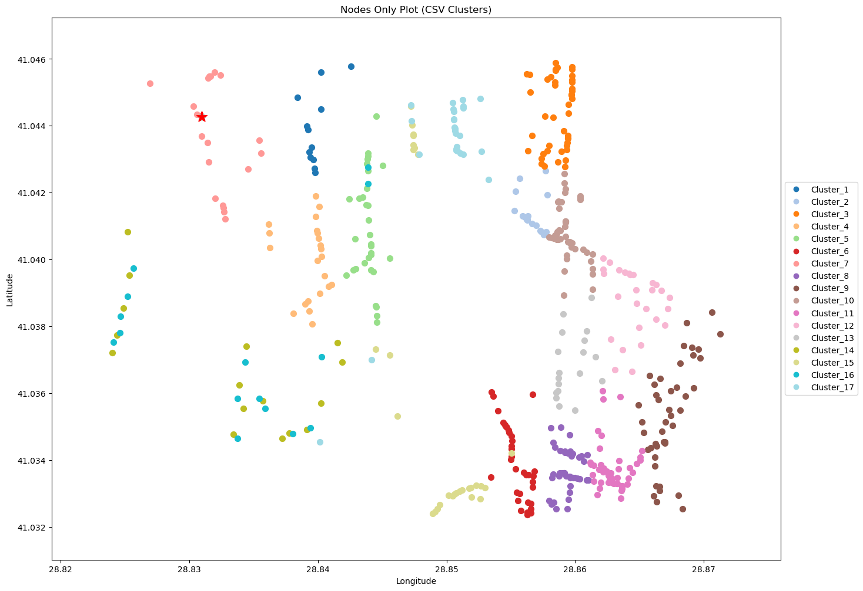
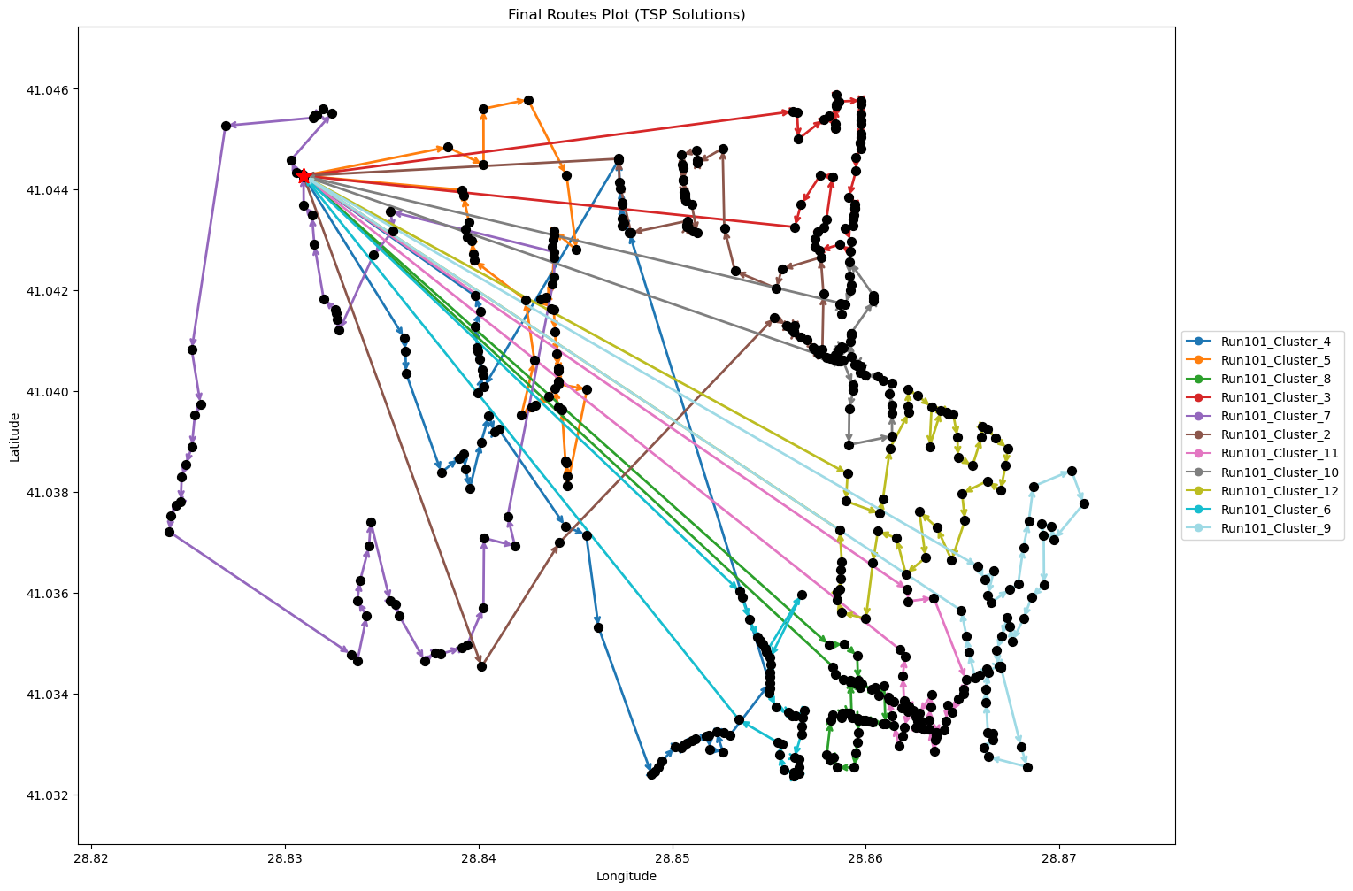
Run101_Cluster_11 | 48 | 6.95 | 2.65 | 63.89
Run101_Cluster_10 | 49 | 5.98 | 2.67 | 61.96
Run101_Cluster_12 | 47 | 7.64 | 2.62 | 65.27
Run101_Cluster_6 | 36 | 5.66 | 2.01 | 61.32
Run101_Cluster_9 | 44 | 8.45 | 2.49 | 66.91

Final Clusters CSV File (Part 8)
split_merge_summary_part8.csv

PART 9
Input CSV | Final Clusters | Overall Distance (km) | Overall Cost ($) | Overall Time (hrs)
split_merge_osm_data_part9.csv | 13 | 75.620087394 | 801.24017479 | 28.610573926

Cluster ID | Num Points | Distance (km) | Time (hrs) | Cost ($)
Run102_Cluster_9 | 34 | 4.51 | 1.88 | 59.01
Run102_Cluster_15 | 43 | 6.39 | 2.38 | 62.79
Run102_Cluster_2 | 26 | 4.95 | 1.49 | 59.9
Run102_Cluster_4 | 32 | 4.34 | 1.77 | 58.67
Run102_Cluster_12 | 37 | 4.28 | 2.02 | 58.57
Nodes Only Plot (Part 9) | 51 | 4.34 | 2.72 | 58.69 | Final Routes Plot (Part 9)
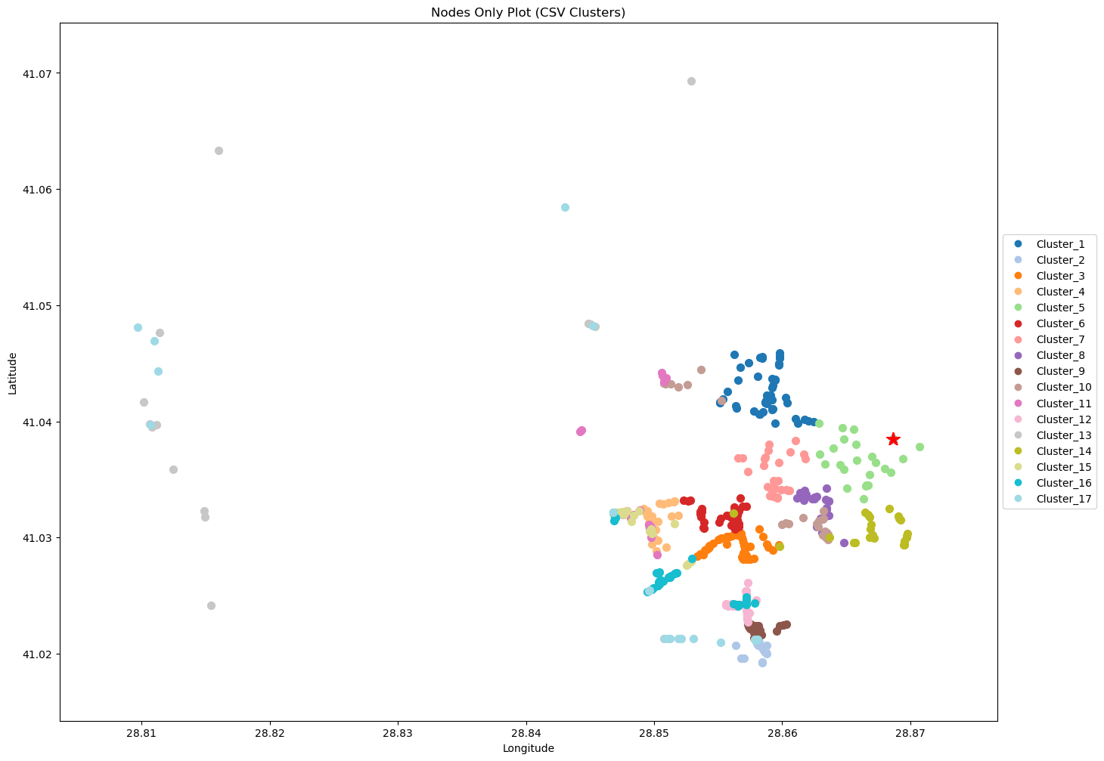
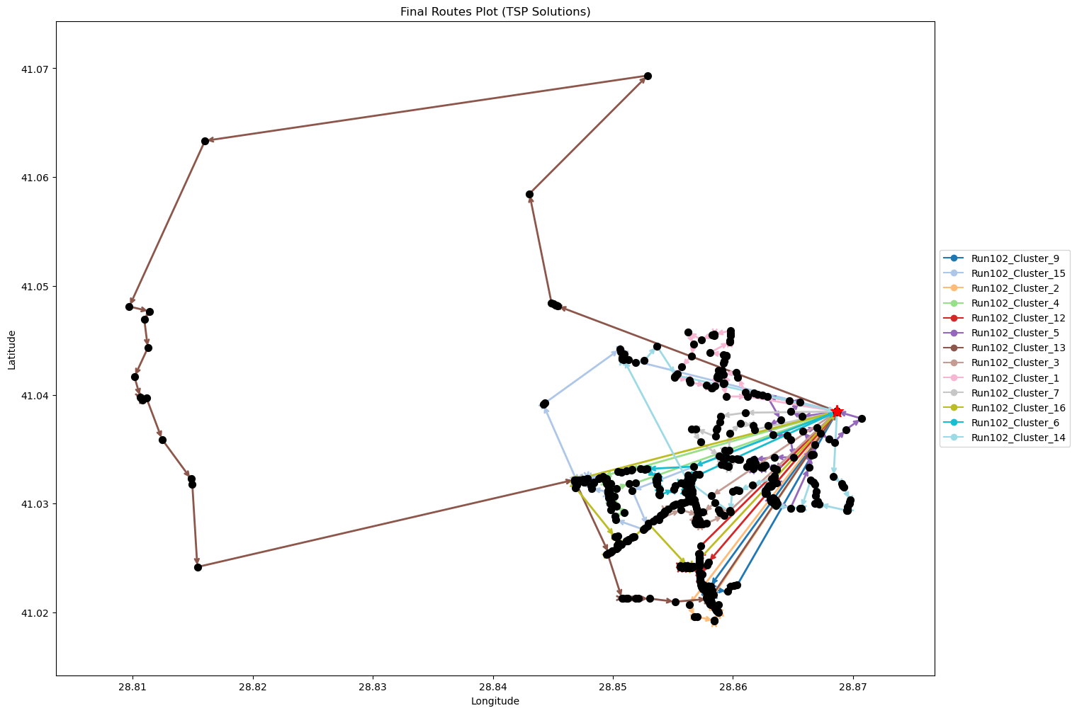
Run102_Cluster_13 | 36 | 19.5 | 2.41 | 89.01
Run102_Cluster_3 | 53 | 4.18 | 2.82 | 58.36
Run102_Cluster_1 | 47 | 3.89 | 2.51 | 57.77
Run102_Cluster_7 | 29 | 3.06 | 1.59 | 56.13
Run102_Cluster_16 | 33 | 5.84 | 1.87 | 61.69
Run102_Cluster_6 | 45 | 3.79 | 2.41 | 57.58
Run102_Cluster_14 | 50 | 6.54 | 2.74 | 63.07

Final Clusters CSV File (Part 9)
split_merge_summary_part9.csv

PART 10
Input CSV | Final Clusters | Overall Distance (km) | Overall Cost ($) | Overall Time (hrs)
split_merge_osm_data_part10.csv | 15 | 165.19990507 | 1080.3998101 | 31.369997288

Cluster ID | Num Points | Distance (km) | Time (hrs) | Cost ($)
Run100_Cluster_14 | 31 | 9.98 | 1.89 | 69.97
Run100_Cluster_13 | 40 | 4.19 | 2.17 | 58.39
Run100_Cluster_10 | 35 | 5.15 | 1.95 | 60.3
Run100_Cluster_9 | 32 | 11.53 | 1.98 | 73.06
Run100_Cluster_1 | 35 | 16.25 | 2.26 | 82.51
Nodes Only Plot (Part 10) | 40 | 23.33 | 2.72 | 96.65 | Final Routes Plot (Part 10)
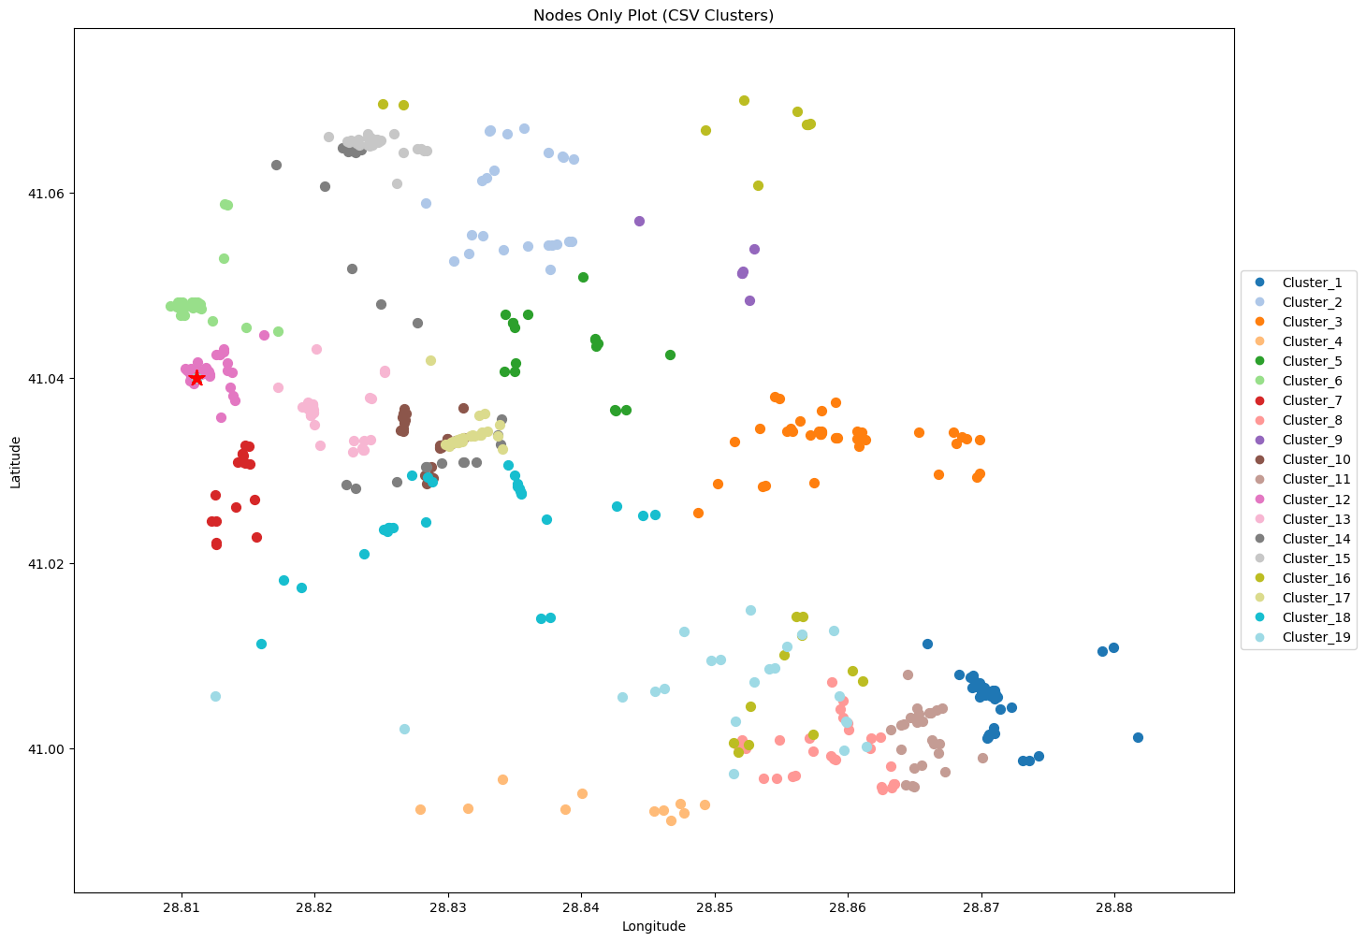
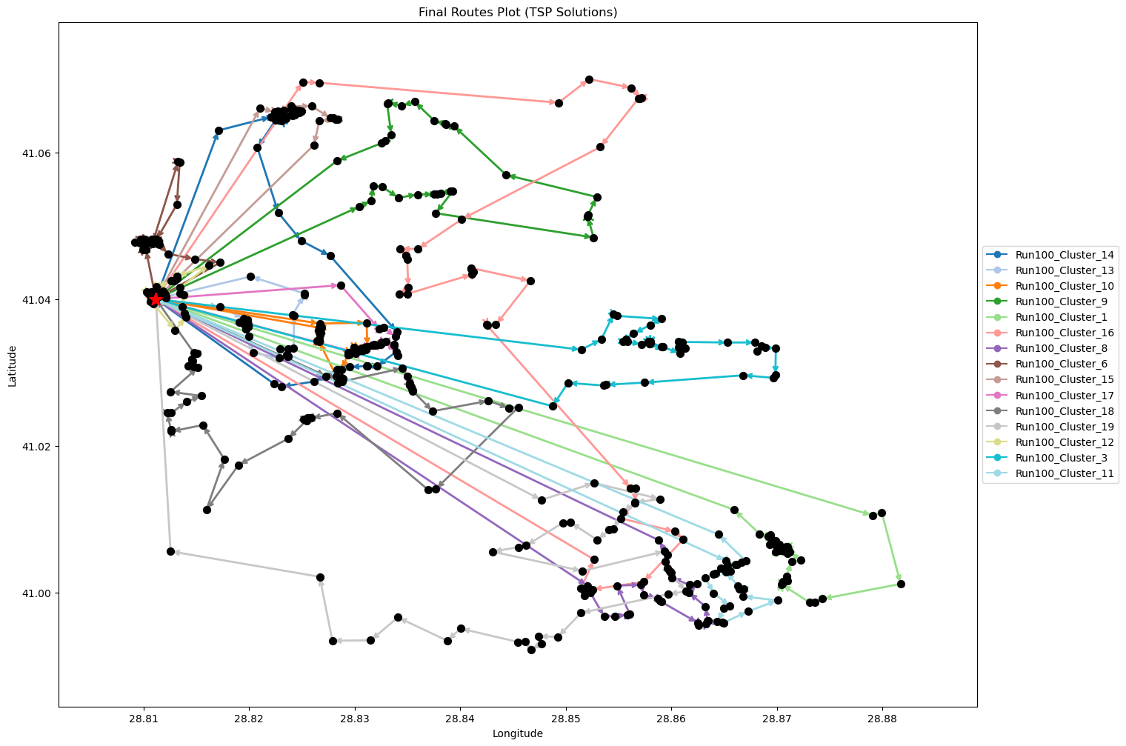
Run100_Cluster_8 | 29 | 14.68 | 1.92 | 79.36
Run100_Cluster_6 | 30 | 5.08 | 1.7 | 60.16
Run100_Cluster_15 | 27 | 7.26 | 1.61 | 64.53
Run100_Cluster_17 | 32 | 5.16 | 1.8 | 60.31
Run100_Cluster_18 | 46 | 12.82 | 2.72 | 75.63
Run100_Cluster_19 | 35 | 19.41 | 2.35 | 88.83
Run100_Cluster_12 | 39 | 2.83 | 2.08 | 55.65
Run100_Cluster_3 | 41 | 12.7 | 2.46 | 75.39
Run100_Cluster_11 | 26 | 14.83 | 1.77 | 79.67

Final Clusters CSV File (Part 10)
split_merge_summary_part10.csv

PART 11
Input CSV | Final Clusters | Overall Distance (km) | Overall Cost ($) | Overall Time (hrs)
split_merge_osm_data_part11.csv | 11 | 108.79454045 | 767.5890809 | 24.608415441

Cluster ID | Num Points | Distance (km) | Time (hrs) | Cost ($)
Run102_Cluster_10 | 40 | 3.72 | 2.16 | 57.43
Run102_Cluster_2 | 45 | 7.04 | 2.5 | 64.08
Run102_Cluster_14 | 45 | 11.66 | 2.63 | 73.32
Run102_Cluster_9 | 49 | 4.41 | 2.63 | 58.83
Run102_Cluster_1 | 47 | 14.29 | 2.81 | 78.58
Nodes Only Plot (Part 11) | 27 | 9.93 | 1.68 | 69.85 | Final Routes Plot (Part 11)
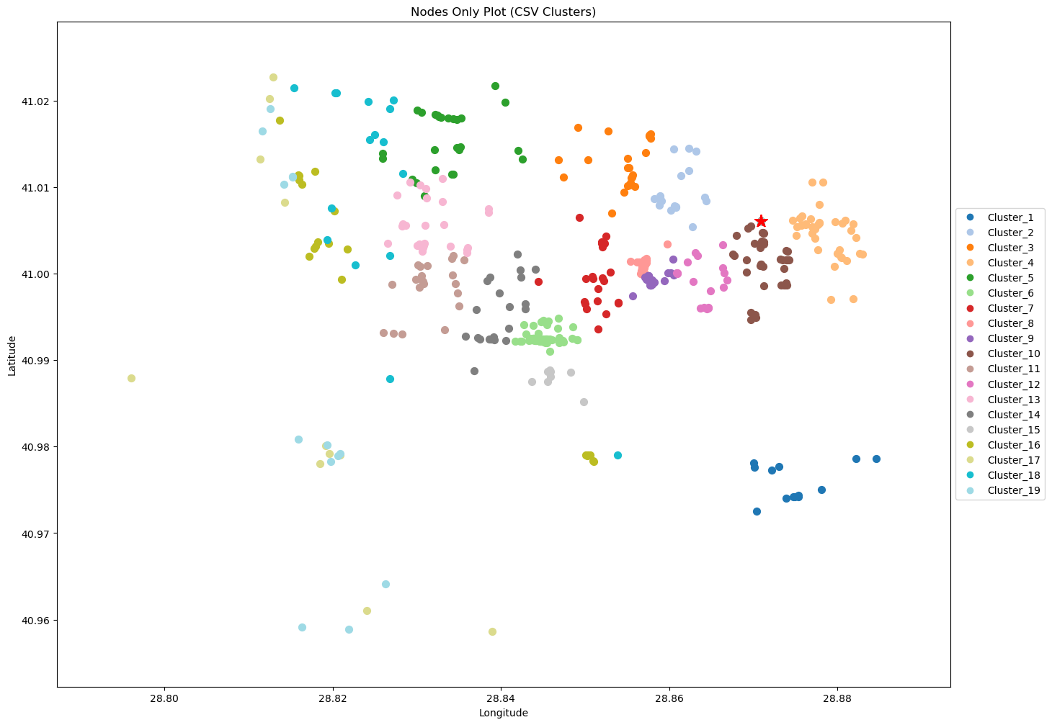
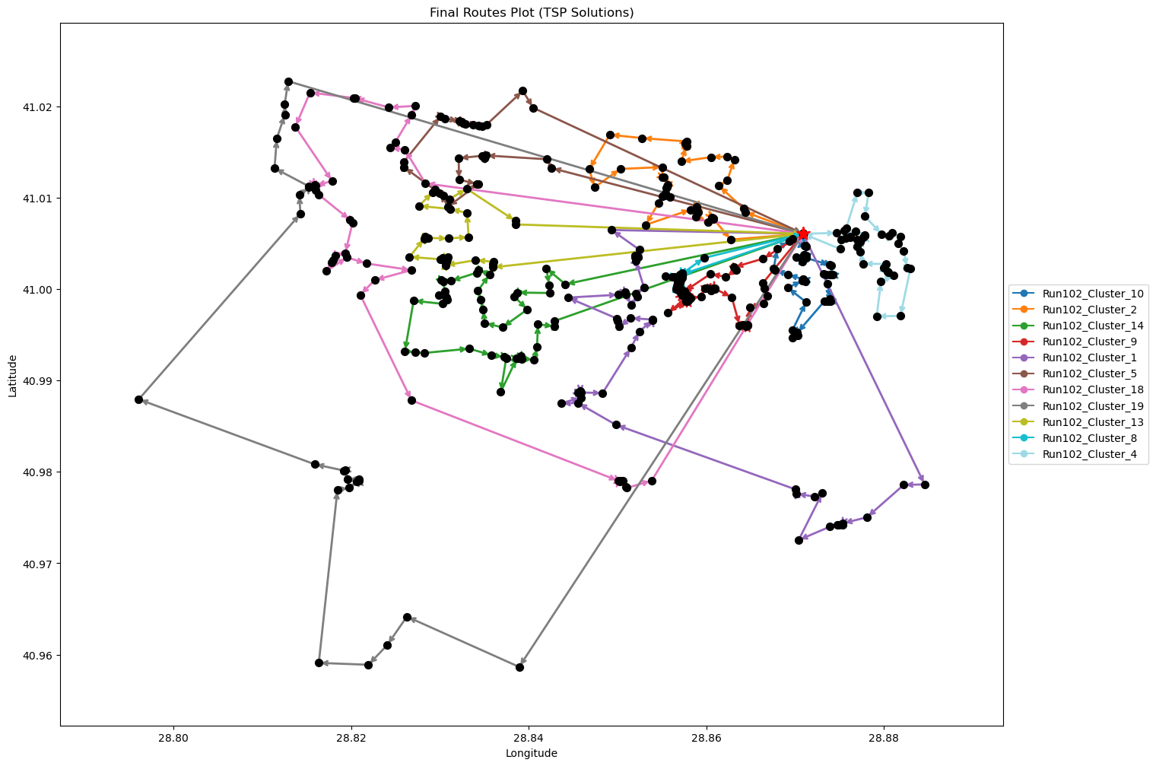
Run102_Cluster_18 | 39 | 17.2 | 2.49 | 84.41
Run102_Cluster_19 | 26 | 22.8 | 2 | 95.61
Run102_Cluster_13 | 27 | 9.38 | 1.67 | 68.76
Run102_Cluster_8 | 36 | 3.19 | 1.94 | 56.38
Run102_Cluster_4 | 38 | 5.17 | 2.1 | 60.35

Final Clusters CSV File (Part 11)
split_merge_summary_part11.csv

PART 12
Input CSV | Final Clusters | Overall Distance (km) | Overall Cost ($) | Overall Time (hrs)
split_merge_osm_data_part12.csv | 12 | 157.66110468 | 915.32220937 | 27.504602991

Cluster ID | Num Points | Distance (km) | Time (hrs) | Cost ($)
Run100_Cluster_7 | 28 | 18.28 | 1.97 | 86.56
Run100_Cluster_15 | 21 | 22.35 | 1.74 | 94.69
Run100_Cluster_9 | 46 | 12.32 | 2.7 | 74.63
Run100_Cluster_16 | 32 | 4.52 | 1.78 | 59.04
Run100_Cluster_2 | 38 | 14.44 | 2.36 | 78.89
Nodes Only Plot (Part 12) | 36 | 13.53 | 2.24 | 77.05 | Final Routes Plot (Part 12)
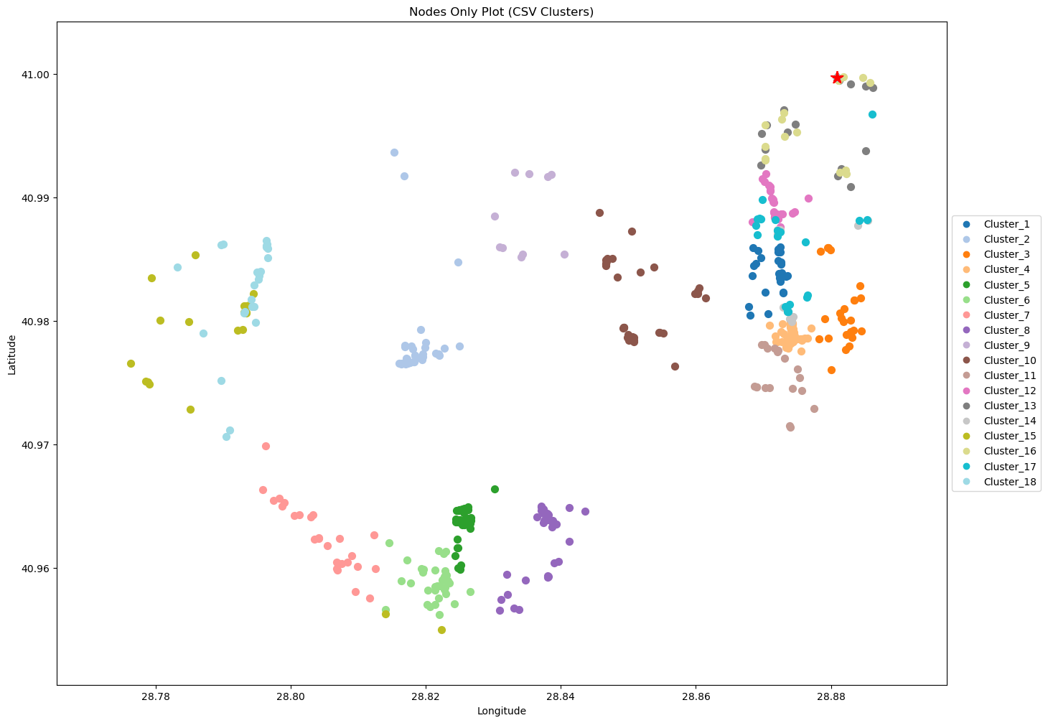
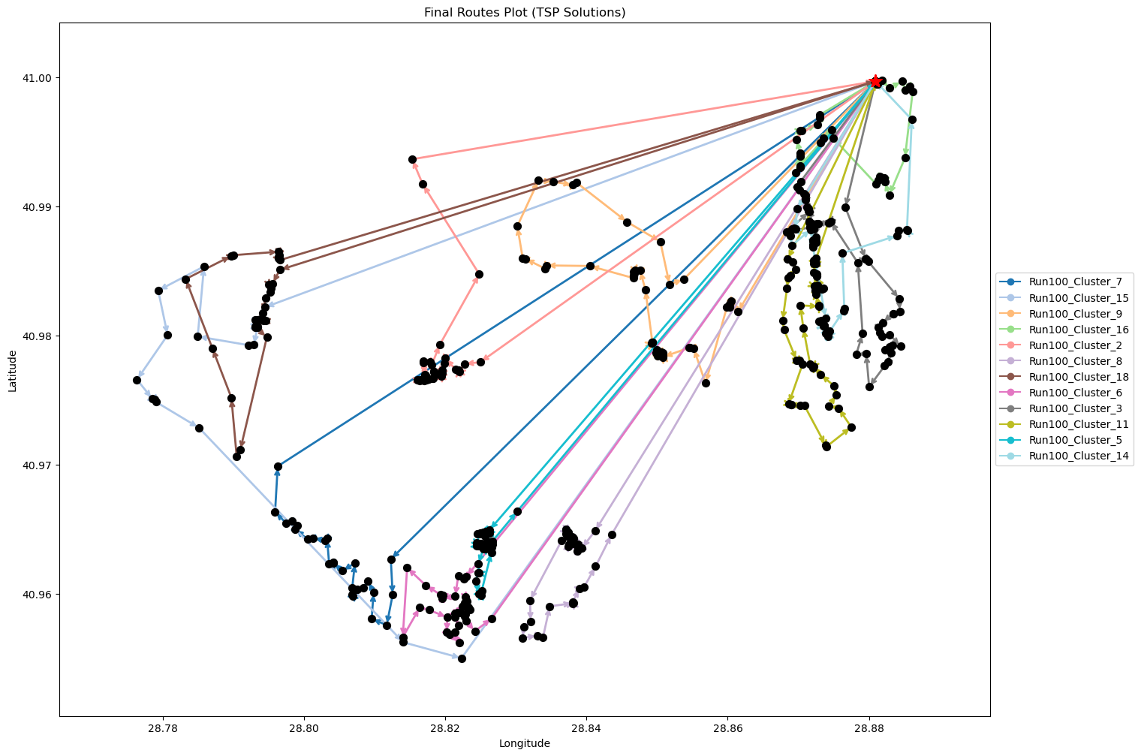
Run100_Cluster_18 | 25 | 19.35 | 1.85 | 88.7
Run100_Cluster_6 | 36 | 16.65 | 2.33 | 83.3
Run100_Cluster_3 | 51 | 7.99 | 2.83 | 65.97
Run100_Cluster_11 | 50 | 8.29 | 2.79 | 66.57
Run100_Cluster_5 | 42 | 13.64 | 2.54 | 77.27
Run100_Cluster_14 | 43 | 6.32 | 2.38 | 62.64

Final Clusters CSV File (Part 12)
split_merge_summary_part12.csv

