PART 1
Input CSV | Number of Clusters | Overall Distance (km) | Overall Cost ($) | Overall Time (hrs)
set_covering_osm_data_part1.csv | 19 | 378.80210516 | 1707.6042103 | 35.77291729

Cluster ID | Method | Num Nodes | Distance (km) | Time (hrs) | Distance Cost | Hiring Cost | Total Cluster Cost
1 | kmeans_split_from_17 | 5 | 25.08 | 0.97 | 50.17 | 50 | 100.17
3 | kmeans_split_from_17 | 24 | 7.58 | 1.42 | 15.16 | 50 | 65.16
13 | kmeans_17 | 35 | 25.44 | 2.48 | 50.87 | 50 | 100.87
14 | kmeans_17 | 15 | 25.93 | 1.49 | 51.85 | 50 | 101.85
16 | kmeans_17 | 44 | 24.28 | 2.89 | 48.57 | 50 | 98.57
Input Coordinates Plot (Part 1) | kmeans_17 | 17 | 21.03 | 1.45 | 42.05 | 50 | Final Clusters Plot (Part 1)
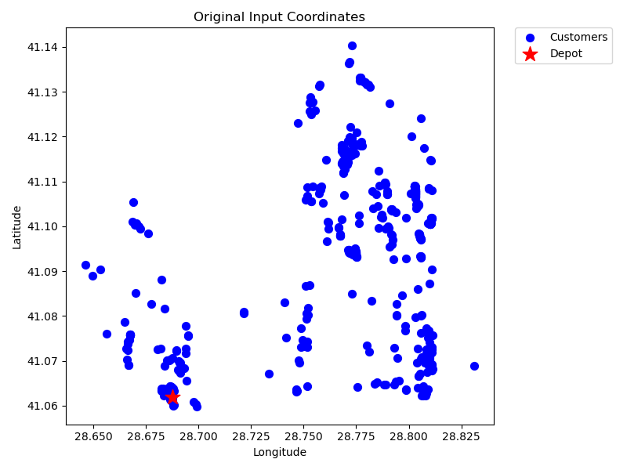
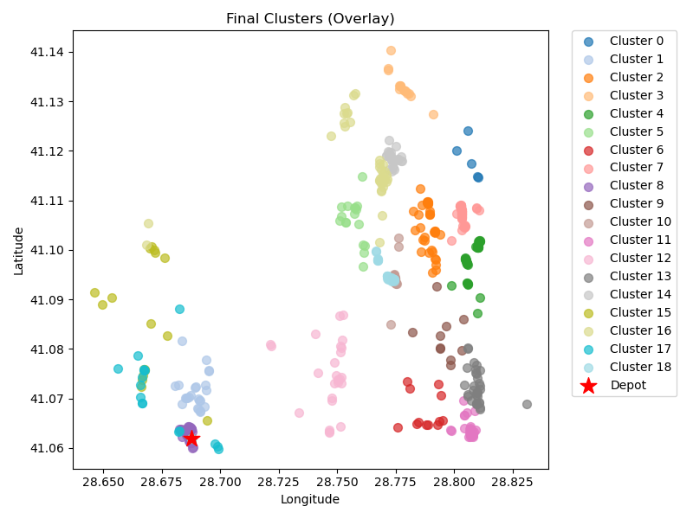
18 | kmeans_17 | 12 | 18.95 | 1.14 | 37.91 | 50 | 87.91
21 | kmeans_split_from_18 | 47 | 24.12 | 3.04 | 48.23 | 50 | 98.23
23 | kmeans_split_from_18 | 45 | 2.54 | 2.32 | 5.09 | 50 | 55.09
25 | kmeans_18 | 10 | 22.41 | 1.14 | 44.83 | 50 | 94.83
28 | kmeans_split_from_18 | 29 | 18.61 | 1.98 | 37.21 | 50 | 87.21
30 | kmeans_18 | 34 | 22 | 2.33 | 44 | 50 | 94
96 | kmeans_21 | 26 | 19.66 | 1.86 | 39.32 | 50 | 89.32
102 | kmeans_21 | 32 | 27.87 | 2.4 | 55.74 | 50 | 105.74
523 | kmeans_35 | 26 | 21.46 | 1.91 | 42.92 | 50 | 92.92
1 | nn | 17 | 15.22 | 1.28 | 30.44 | 50 | 80.44
3 | nn | 36 | 27.01 | 2.57 | 54.01 | 50 | 104.01
1 | rand_nn | 16 | 12.42 | 1.15 | 24.84 | 50 | 74.84
3 | rand_nn | 29 | 17.2 | 1.94 | 34.39 | 50 | 84.39

Final Clusters CSV File (Part 1)
set_covering_osm_data_part1.csv

PART 2
Input CSV | Number of Clusters | Overall Distance (km) | Overall Cost ($) | Overall Time (hrs)
set_covering_osm_data_part2.csv | 19 | 372.81825489 | 1695.6365098 | 35.60195014

Cluster ID | Method | Num Nodes | Distance (km) | Time (hrs) | Distance Cost | Hiring Cost | Total Cluster Cost
0 | kmeans_split_from_17 | 34 | 22.32 | 2.34 | 44.63 | 50 | 94.63
15 | kmeans_17 | 22 | 18.94 | 1.64 | 37.88 | 50 | 87.88
17 | kmeans_17 | 7 | 15.75 | 0.8 | 31.5 | 50 | 81.5
20 | kmeans_17 | 37 | 19.41 | 2.4 | 38.81 | 50 | 88.81
24 | kmeans_18 | 38 | 15.87 | 2.35 | 31.73 | 50 | 81.73
Input Coordinates Plot (Part 2) | kmeans_18 | 40 | 19.92 | 2.57 | 39.83 | 50 | Final Clusters Plot (Part 2)
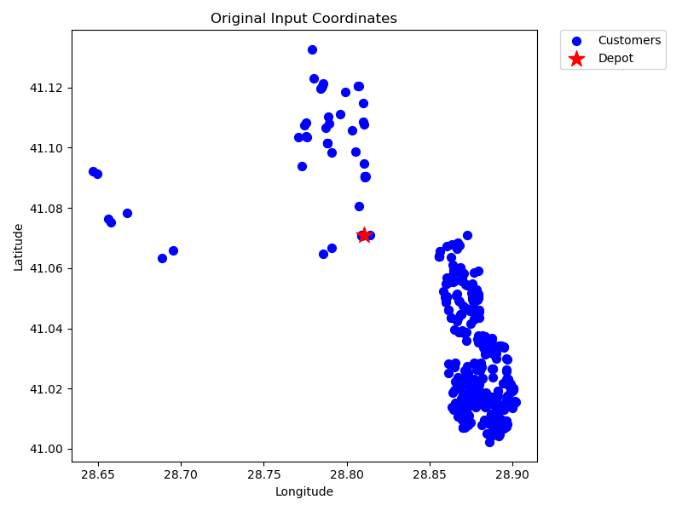
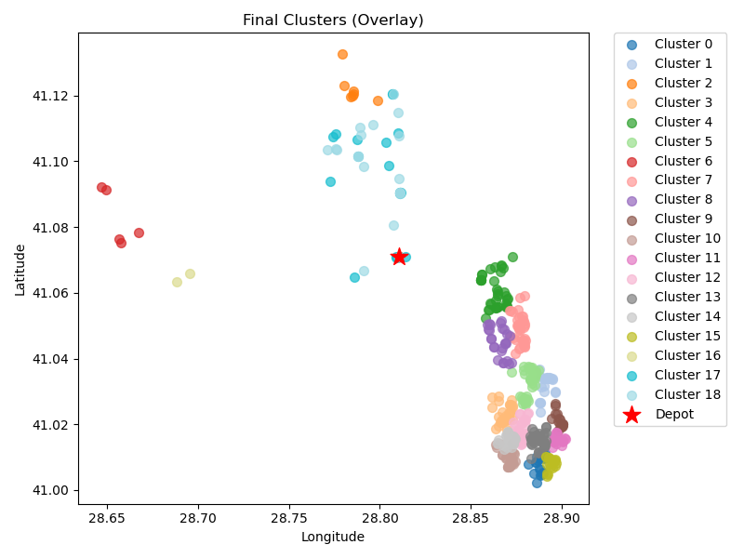
26 | kmeans_18 | 5 | 29.08 | 1.08 | 58.17 | 50 | 108.17
33 | kmeans_18 | 36 | 17.68 | 2.31 | 35.35 | 50 | 85.35
41 | kmeans_18 | 26 | 15.73 | 1.75 | 31.47 | 50 | 81.47
73 | kmeans_20 | 19 | 19.59 | 1.51 | 39.18 | 50 | 89.18
78 | kmeans_20 | 31 | 19.45 | 2.11 | 38.89 | 50 | 88.89
85 | kmeans_20 | 35 | 21.01 | 2.35 | 42.02 | 50 | 92.02
99 | kmeans_21 | 38 | 20.07 | 2.47 | 40.13 | 50 | 90.13
101 | kmeans_21 | 44 | 22.44 | 2.84 | 44.88 | 50 | 94.88
161 | kmeans_24 | 31 | 18.59 | 2.08 | 37.17 | 50 | 87.17
232 | kmeans_26 | 18 | 21.3 | 1.51 | 42.6 | 50 | 92.6
487 | kmeans_35 | 2 | 20.65 | 0.69 | 41.3 | 50 | 91.3
0 | nn | 18 | 18.03 | 1.42 | 36.06 | 50 | 86.06
0 | rand_nn | 18 | 17.01 | 1.39 | 34.02 | 50 | 84.02

Final Clusters CSV File (Part 2)
set_covering_osm_data_part2.csv

PART 3
Input CSV | Number of Clusters | Overall Distance (km) | Overall Cost ($) | Overall Time (hrs)
set_covering_osm_data_part3.csv | 17 | 182.84384011 | 1215.6876802 | 30.174109717

Cluster ID | Method | Num Nodes | Distance (km) | Time (hrs) | Distance Cost | Hiring Cost | Total Cluster Cost
0 | kmeans_17 | 12 | 5.71 | 0.76 | 11.43 | 50 | 61.43
11 | kmeans_17 | 41 | 15.42 | 2.49 | 30.83 | 50 | 80.83
12 | kmeans_17 | 16 | 9.41 | 1.07 | 18.82 | 50 | 68.82
14 | kmeans_17 | 19 | 7.97 | 1.18 | 15.93 | 50 | 65.93
15 | kmeans_17 | 40 | 11.51 | 2.33 | 23.01 | 50 | 73.01
Input Coordinates Plot (Part 3) | kmeans_17 | 10 | 11.06 | 0.82 | 22.12 | 50 | Final Clusters Plot (Part 3)
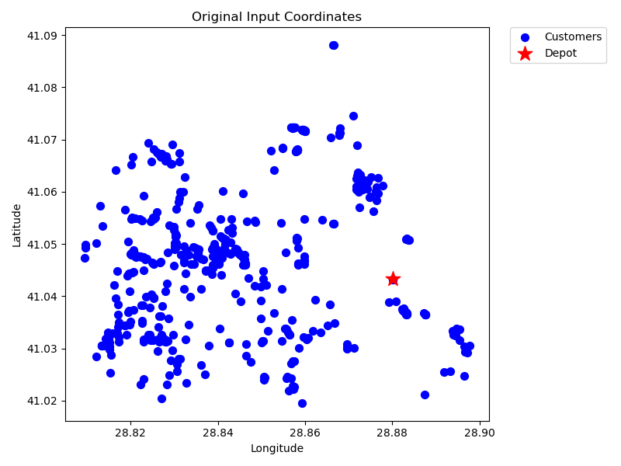
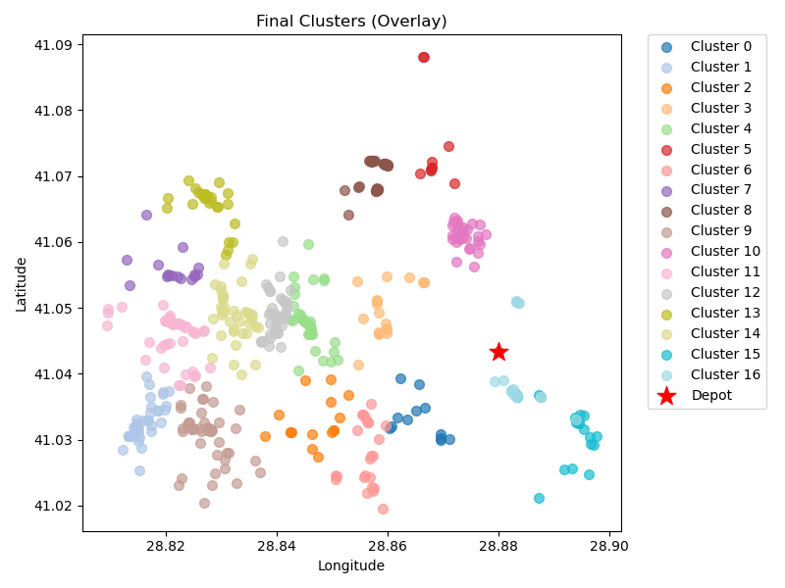
17 | kmeans_17 | 24 | 8.37 | 1.44 | 16.74 | 50 | 66.74
19 | kmeans_18 | 16 | 14.57 | 1.22 | 29.14 | 50 | 79.14
20 | kmeans_18 | 44 | 9.03 | 2.46 | 18.06 | 50 | 68.06
24 | kmeans_18 | 45 | 17.34 | 2.75 | 34.69 | 50 | 84.69
25 | kmeans_18 | 29 | 6.14 | 1.63 | 12.29 | 50 | 62.29
26 | kmeans_18 | 50 | 15.13 | 2.93 | 30.26 | 50 | 80.26
60 | kmeans_20 | 40 | 11.56 | 2.33 | 23.13 | 50 | 73.13
66 | kmeans_20 | 26 | 13.64 | 1.69 | 27.29 | 50 | 77.29
69 | kmeans_20 | 41 | 13.38 | 2.43 | 26.75 | 50 | 76.75
0 | nn | 23 | 7.29 | 1.36 | 14.57 | 50 | 64.57
0 | rand_nn | 23 | 5.31 | 1.3 | 10.63 | 50 | 60.63

Final Clusters CSV File (Part 3)
set_covering_osm_data_part3.csv

PART 4
Input CSV | Number of Clusters | Overall Distance (km) | Overall Cost ($) | Overall Time (hrs)
set_covering_osm_data_part4.csv | 18 | 82.03061633 | 1064.0612327 | 27.293731895

Cluster ID | Method | Num Nodes | Distance (km) | Time (hrs) | Distance Cost | Hiring Cost | Total Cluster Cost
5 | kmeans_17 | 11 | 5.4 | 0.7 | 10.79 | 50 | 60.79
6 | kmeans_17 | 27 | 6.73 | 1.54 | 13.45 | 50 | 63.45
8 | kmeans_17 | 6 | 7.09 | 0.5 | 14.17 | 50 | 64.17
18 | kmeans_18 | 11 | 5.34 | 0.7 | 10.68 | 50 | 60.68
74 | kmeans_21 | 37 | 1.31 | 1.89 | 2.61 | 50 | 52.61
Input Coordinates Plot (Part 4) | kmeans_21 | 56 | 1.53 | 2.84 | 3.05 | 50 | Final Clusters Plot (Part 4)
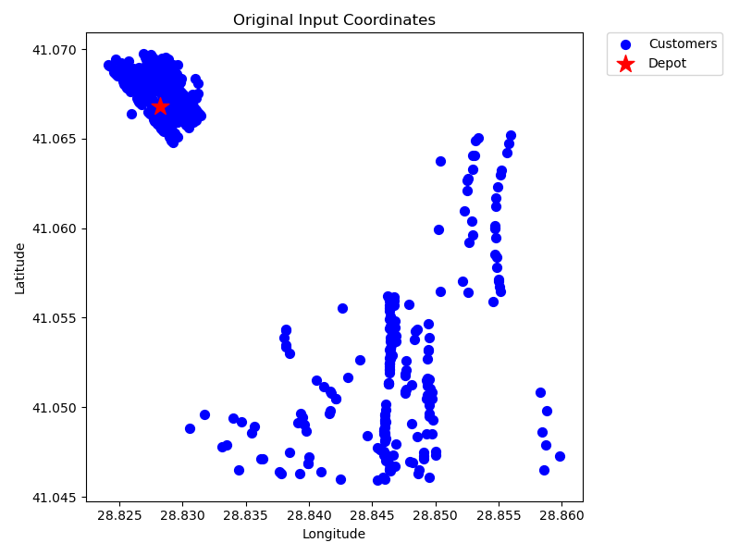
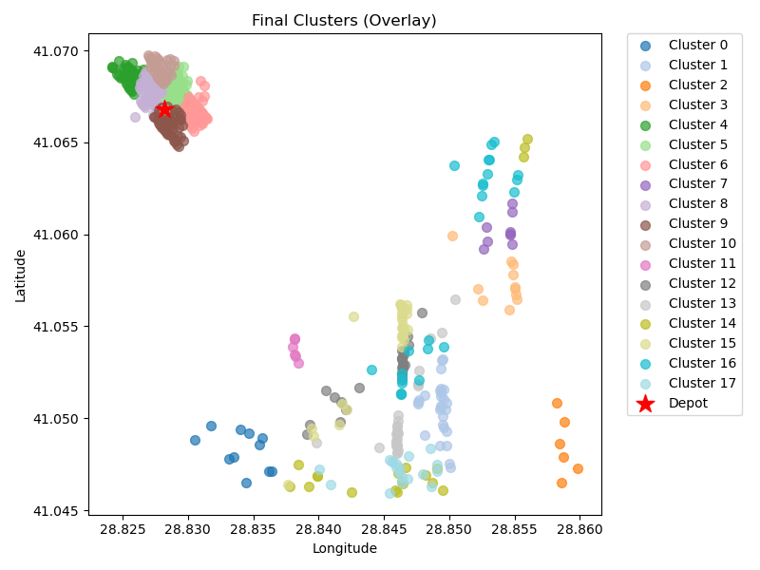
86 | kmeans_21 | 52 | 1.53 | 2.64 | 3.07 | 50 | 53.07
89 | kmeans_21 | 9 | 5.06 | 0.59 | 10.12 | 50 | 60.12
90 | kmeans_21 | 55 | 1.54 | 2.79 | 3.08 | 50 | 53.08
91 | kmeans_21 | 49 | 1.16 | 2.48 | 2.33 | 50 | 52.33
92 | kmeans_21 | 36 | 1.24 | 1.84 | 2.48 | 50 | 52.48
473 | kmeans_35 | 6 | 3.54 | 0.4 | 7.07 | 50 | 57.07
5 | nn | 27 | 5.8 | 1.52 | 11.61 | 50 | 61.61
6 | nn | 28 | 6.07 | 1.57 | 12.13 | 50 | 62.13
8 | nn | 19 | 8.38 | 1.19 | 16.76 | 50 | 66.76
5 | rand_nn | 27 | 6.53 | 1.54 | 13.06 | 50 | 63.06
6 | rand_nn | 24 | 7.24 | 1.41 | 14.48 | 50 | 64.48
8 | rand_nn | 19 | 6.56 | 1.14 | 13.11 | 50 | 63.11

Final Clusters CSV File (Part 4)
set_covering_osm_data_part4.csv

PART 5
Input CSV | Number of Clusters | Overall Distance (km) | Overall Cost ($) | Overall Time (hrs)
set_covering_osm_data_part5.csv | 18 | 72.767935265 | 1045.5358705 | 27.029083865

Cluster ID | Method | Num Nodes | Distance (km) | Time (hrs) | Distance Cost | Hiring Cost | Total Cluster Cost
4 | kmeans_17 | 33 | 1.2 | 1.68 | 2.4 | 50 | 52.4
6 | kmeans_17 | 39 | 5.88 | 2.12 | 11.77 | 50 | 61.77
10 | kmeans_split_from_17 | 30 | 5.87 | 1.67 | 11.74 | 50 | 61.74
11 | kmeans_split_from_17 | 29 | 6.21 | 1.63 | 12.42 | 50 | 62.42
14 | kmeans_17 | 24 | 2.33 | 1.27 | 4.65 | 50 | 54.65
Input Coordinates Plot (Part 5) | kmeans_17 | 9 | 1.44 | 0.49 | 2.88 | 50 | Final Clusters Plot (Part 5)
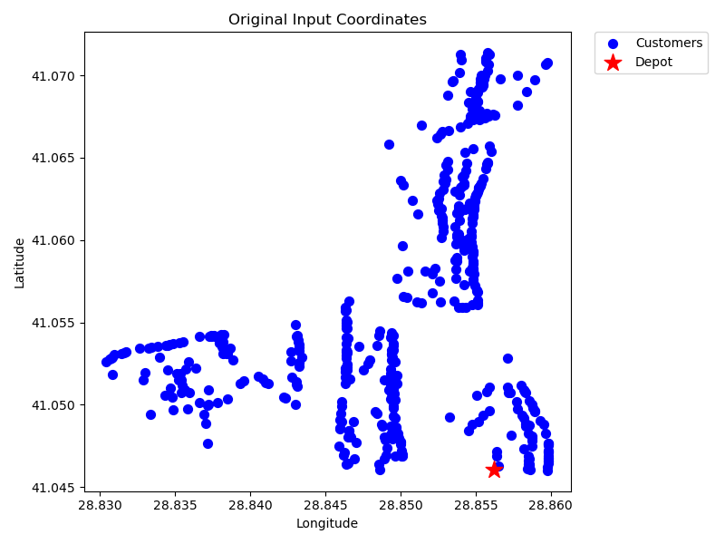
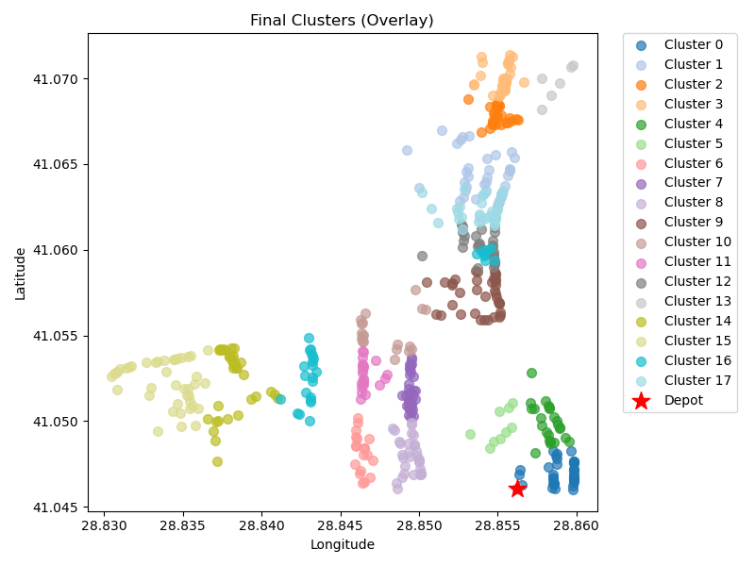
17 | kmeans_17 | 19 | 2.45 | 1.02 | 4.9 | 50 | 54.9
18 | kmeans_17 | 34 | 2.44 | 1.77 | 4.88 | 50 | 54.88
24 | kmeans_18 | 30 | 2.3 | 1.57 | 4.6 | 50 | 54.6
39 | kmeans_19 | 37 | 4.18 | 1.97 | 8.36 | 50 | 58.36
41 | kmeans_19 | 19 | 3.53 | 1.05 | 7.07 | 50 | 57.07
47 | kmeans_19 | 22 | 2.67 | 1.18 | 5.34 | 50 | 55.34
51 | kmeans_19 | 29 | 4.45 | 1.58 | 8.9 | 50 | 58.9
481 | kmeans_35 | 6 | 5.72 | 0.46 | 11.43 | 50 | 61.43
4 | nn | 36 | 4.94 | 1.94 | 9.87 | 50 | 59.87
6 | nn | 41 | 6.29 | 2.23 | 12.58 | 50 | 62.58
4 | rand_nn | 29 | 5.48 | 1.61 | 10.96 | 50 | 60.96
6 | rand_nn | 33 | 5.39 | 1.8 | 10.78 | 50 | 60.78

Final Clusters CSV File (Part 5)
set_covering_osm_data_part5.csv

PART 6
Input CSV | Number of Clusters | Overall Distance (km) | Overall Cost ($) | Overall Time (hrs)
set_covering_osm_data_part6.csv | 19 | 131.38944699 | 1212.778894 | 28.7039842

Cluster ID | Method | Num Nodes | Distance (km) | Time (hrs) | Distance Cost | Hiring Cost | Total Cluster Cost
0 | kmeans_17 | 25 | 5.78 | 1.42 | 11.56 | 50 | 61.56
3 | kmeans_17 | 25 | 7.11 | 1.45 | 14.21 | 50 | 64.21
7 | kmeans_split_from_17 | 37 | 6.42 | 2.03 | 12.83 | 50 | 62.83
8 | kmeans_split_from_17 | 19 | 5.42 | 1.1 | 10.83 | 50 | 60.83
11 | kmeans_17 | 18 | 8.34 | 1.14 | 16.68 | 50 | 66.68
Input Coordinates Plot (Part 6) | kmeans_17 | 24 | 6.29 | 1.38 | 12.57 | 50 | Final Clusters Plot (Part 6)
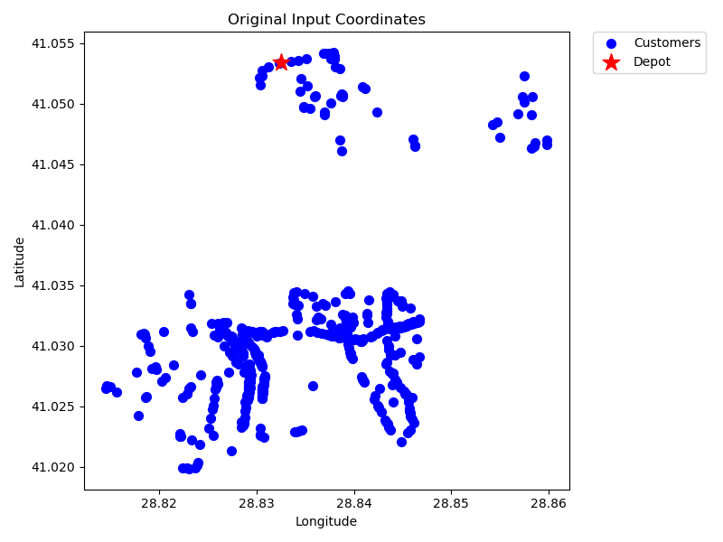
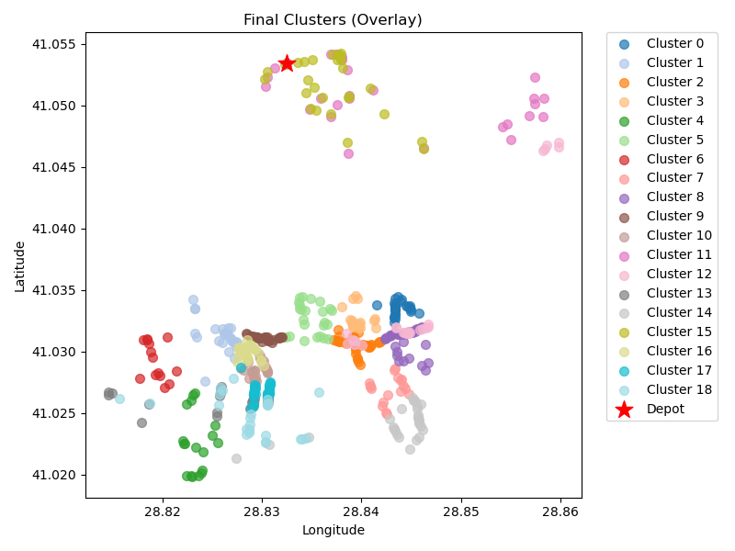
17 | kmeans_17 | 14 | 6.78 | 0.89 | 13.56 | 50 | 63.56
18 | kmeans_17 | 18 | 6.91 | 1.1 | 13.82 | 50 | 63.82
19 | kmeans_17 | 33 | 6.58 | 1.84 | 13.17 | 50 | 63.17
26 | kmeans_split_from_18 | 29 | 5.54 | 1.61 | 11.08 | 50 | 61.08
111 | kmeans_22 | 30 | 6.18 | 1.68 | 12.36 | 50 | 62.36
0 | nn | 27 | 7.27 | 1.56 | 14.54 | 50 | 64.54
3 | nn | 25 | 7.9 | 1.48 | 15.81 | 50 | 65.81
7 | nn | 30 | 8.85 | 1.75 | 17.69 | 50 | 67.69
8 | nn | 28 | 9.33 | 1.67 | 18.66 | 50 | 68.66
0 | rand_nn | 27 | 4.29 | 1.47 | 8.57 | 50 | 58.57
3 | rand_nn | 30 | 6.15 | 1.68 | 12.3 | 50 | 62.3
7 | rand_nn | 33 | 6.46 | 1.83 | 12.92 | 50 | 62.92
8 | rand_nn | 27 | 9.81 | 1.63 | 19.61 | 50 | 69.61

Final Clusters CSV File (Part 6)
set_covering_osm_data_part6.csv

PART 7
Input CSV | Number of Clusters | Overall Distance (km) | Overall Cost ($) | Overall Time (hrs)
set_covering_osm_data_part7.csv | 19 | 102.3767665 | 1154.753533 | 27.875050471

Cluster ID | Method | Num Nodes | Distance (km) | Time (hrs) | Distance Cost | Hiring Cost | Total Cluster Cost
0 | kmeans_17 | 39 | 6.29 | 2.13 | 12.58 | 50 | 62.58
1 | kmeans_17 | 21 | 4.3 | 1.17 | 8.59 | 50 | 58.59
2 | kmeans_17 | 23 | 4.84 | 1.29 | 9.68 | 50 | 59.68
10 | kmeans_17 | 3 | 2.66 | 0.23 | 5.33 | 50 | 55.33
12 | kmeans_17 | 43 | 5.68 | 2.31 | 11.36 | 50 | 61.36
Input Coordinates Plot (Part 7) | kmeans_17 | 13 | 5.2 | 0.8 | 10.39 | 50 | Final Clusters Plot (Part 7)
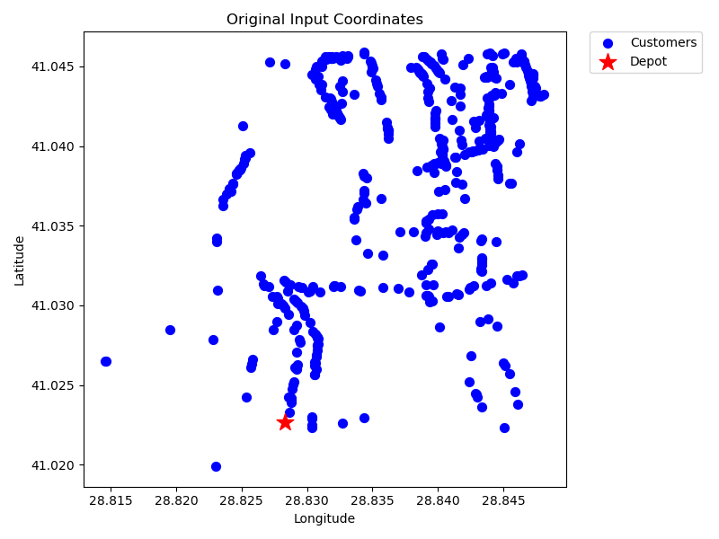
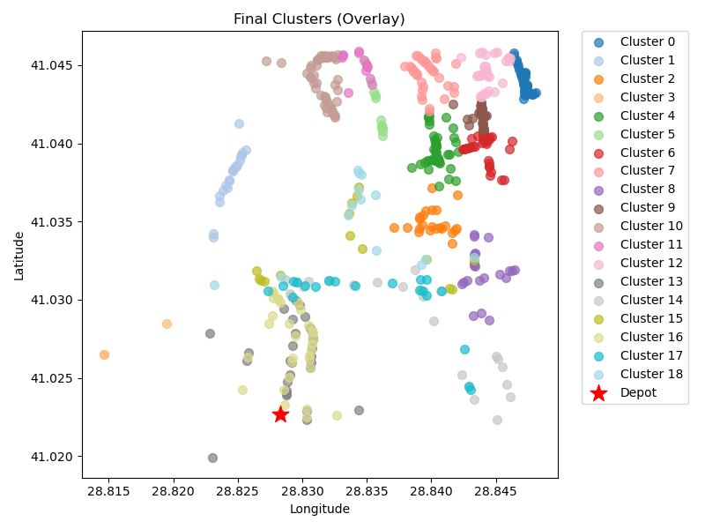
24 | kmeans_18 | 41 | 5.62 | 2.21 | 11.24 | 50 | 61.24
26 | kmeans_18 | 37 | 6.52 | 2.04 | 13.05 | 50 | 63.05
27 | kmeans_18 | 22 | 4.59 | 1.23 | 9.19 | 50 | 59.19
32 | kmeans_18 | 30 | 5.64 | 1.66 | 11.28 | 50 | 61.28
60 | kmeans_20 | 52 | 6.59 | 2.79 | 13.18 | 50 | 63.18
76 | kmeans_20 | 13 | 5.45 | 0.81 | 10.9 | 50 | 60.9
98 | kmeans_21 | 28 | 6.65 | 1.59 | 13.31 | 50 | 63.31
0 | nn | 29 | 5.43 | 1.61 | 10.86 | 50 | 60.86
1 | nn | 25 | 6.7 | 1.44 | 13.4 | 50 | 63.4
2 | nn | 15 | 5.2 | 0.9 | 10.4 | 50 | 60.4
0 | rand_nn | 31 | 3.98 | 1.66 | 7.95 | 50 | 57.95
1 | rand_nn | 20 | 5.27 | 1.15 | 10.55 | 50 | 60.55
2 | rand_nn | 14 | 5.76 | 0.86 | 11.51 | 50 | 61.51

Final Clusters CSV File (Part 7)
set_covering_osm_data_part7.csv

PART 8
Input CSV | Number of Clusters | Overall Distance (km) | Overall Cost ($) | Overall Time (hrs)
set_covering_osm_data_part8.csv | 16 | 89.354660635 | 978.70932127 | 27.502990304

Cluster ID | Method | Num Nodes | Distance (km) | Time (hrs) | Distance Cost | Hiring Cost | Total Cluster Cost
1 | kmeans_17 | 12 | 2.44 | 0.67 | 4.89 | 50 | 54.89
2 | kmeans_split_from_17 | 18 | 4.93 | 1.04 | 9.86 | 50 | 59.86
13 | kmeans_17 | 44 | 5.84 | 2.37 | 11.69 | 50 | 61.69
14 | kmeans_17 | 22 | 2.74 | 1.18 | 5.49 | 50 | 55.49
16 | kmeans_17 | 36 | 5.82 | 1.97 | 11.64 | 50 | 61.64
Input Coordinates Plot (Part 8) | kmeans_18 | 20 | 2.05 | 1.06 | 4.09 | 50 | Final Clusters Plot (Part 8)
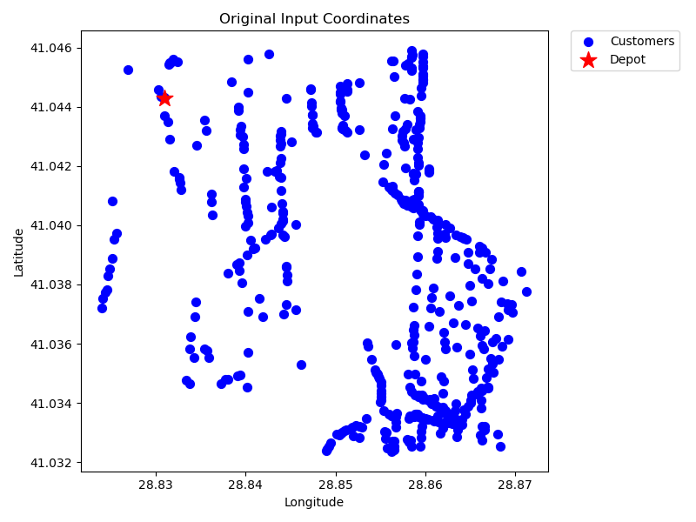
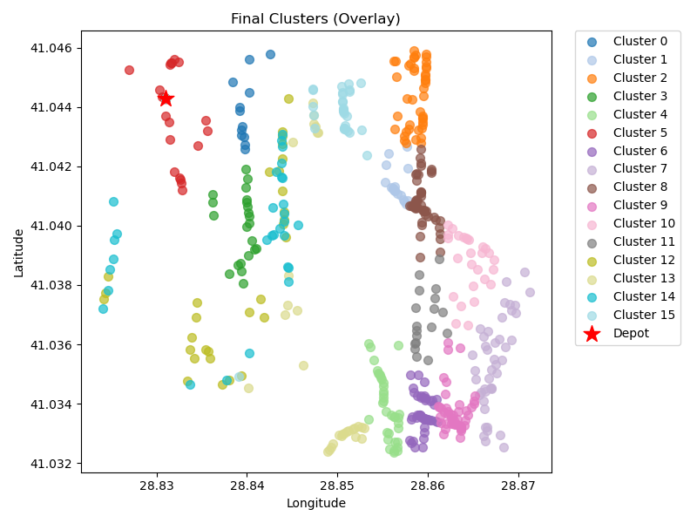
75 | kmeans_21 | 44 | 6.25 | 2.38 | 12.51 | 50 | 62.51
79 | kmeans_21 | 43 | 9.06 | 2.41 | 18.11 | 50 | 68.11
82 | kmeans_21 | 48 | 6.09 | 2.57 | 12.19 | 50 | 62.19
86 | kmeans_21 | 47 | 7.56 | 2.57 | 15.11 | 50 | 65.11
89 | kmeans_21 | 27 | 6.99 | 1.55 | 13.98 | 50 | 63.98
94 | kmeans_21 | 18 | 6.25 | 1.08 | 12.5 | 50 | 62.5
1 | nn | 30 | 6.14 | 1.68 | 12.27 | 50 | 62.27
2 | nn | 30 | 5.99 | 1.67 | 11.99 | 50 | 61.99
1 | rand_nn | 30 | 5.79 | 1.67 | 11.58 | 50 | 61.58
2 | rand_nn | 30 | 5.41 | 1.65 | 10.83 | 50 | 60.83

Final Clusters CSV File (Part 8)
set_covering_osm_data_part8.csv

PART 9
Input CSV | Number of Clusters | Overall Distance (km) | Overall Cost ($) | Overall Time (hrs)
set_covering_osm_data_part9.csv | 18 | 104.43566255 | 1108.8713251 | 27.933876073

Cluster ID | Method | Num Nodes | Distance (km) | Time (hrs) | Distance Cost | Hiring Cost | Total Cluster Cost
5 | kmeans_split_from_17 | 25 | 5.17 | 1.4 | 10.34 | 50 | 60.34
8 | kmeans_split_from_17 | 33 | 4.85 | 1.79 | 9.71 | 50 | 59.71
10 | kmeans_17 | 17 | 2.3 | 0.92 | 4.6 | 50 | 54.6
14 | kmeans_17 | 42 | 4.36 | 2.22 | 8.73 | 50 | 58.73
15 | kmeans_17 | 45 | 4.26 | 2.37 | 8.52 | 50 | 58.52
Input Coordinates Plot (Part 9) | kmeans_17 | 24 | 3.12 | 1.29 | 6.24 | 50 | Final Clusters Plot (Part 9)
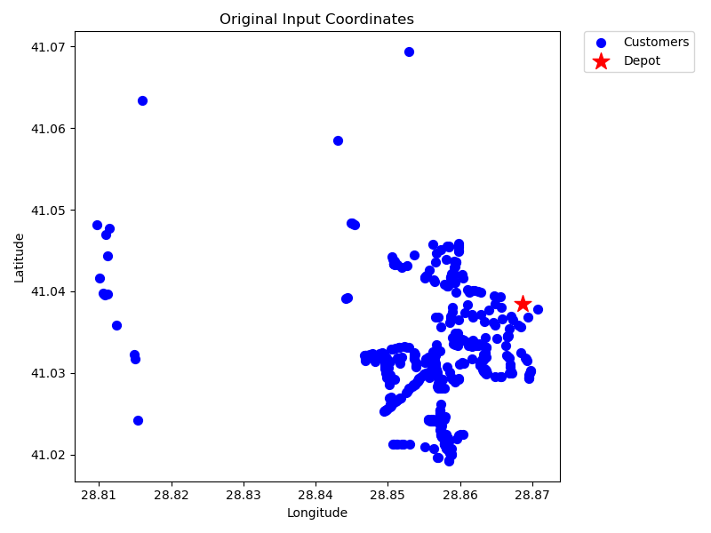
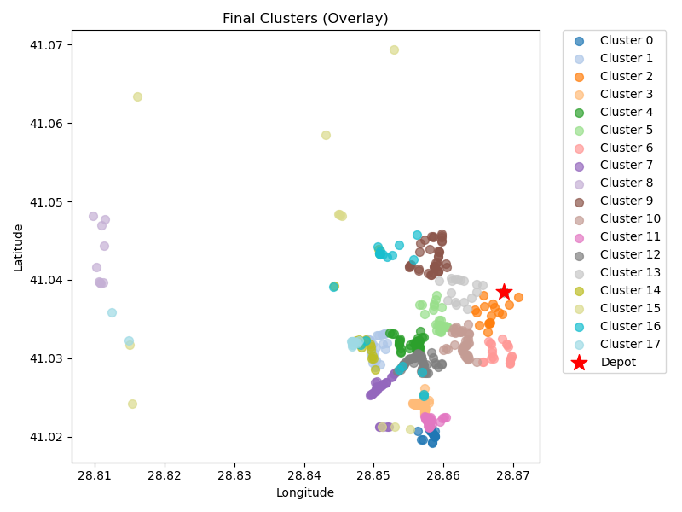
17 | kmeans_17 | 21 | 2.86 | 1.13 | 5.73 | 50 | 55.73
19 | kmeans_18 | 30 | 5.54 | 1.66 | 11.08 | 50 | 61.08
20 | kmeans_18 | 9 | 11.01 | 0.76 | 22.01 | 50 | 72.01
21 | kmeans_18 | 39 | 4.04 | 2.07 | 8.09 | 50 | 58.09
22 | kmeans_18 | 41 | 3.57 | 2.15 | 7.14 | 50 | 57.14
23 | kmeans_split_from_18 | 36 | 4.59 | 1.93 | 9.18 | 50 | 59.18
25 | kmeans_18 | 50 | 4.45 | 2.63 | 8.89 | 50 | 58.89
38 | kmeans_18 | 17 | 2.7 | 0.93 | 5.41 | 50 | 55.41
5 | nn | 21 | 6.2 | 1.23 | 12.39 | 50 | 62.39
8 | nn | 12 | 18 | 1.11 | 36 | 50 | 86
5 | rand_nn | 20 | 7.42 | 1.21 | 14.85 | 50 | 64.85
8 | rand_nn | 17 | 9.99 | 1.14 | 19.98 | 50 | 69.98

Final Clusters CSV File (Part 9)
set_covering_osm_data_part9.csv

PART 10
Input CSV | Number of Clusters | Overall Distance (km) | Overall Cost ($) | Overall Time (hrs)
set_covering_osm_data_part10.csv | 19 | 226.52401585 | 1403.0480317 | 31.422114739

Cluster ID | Method | Num Nodes | Distance (km) | Time (hrs) | Distance Cost | Hiring Cost | Total Cluster Cost
3 | kmeans_split_from_17 | 34 | 16.35 | 2.17 | 32.69 | 50 | 82.69
4 | kmeans_17 | 25 | 11.14 | 1.57 | 22.28 | 50 | 72.28
5 | kmeans_17 | 31 | 6.2 | 1.73 | 12.4 | 50 | 62.4
7 | kmeans_17 | 29 | 14.18 | 1.86 | 28.36 | 50 | 78.36
11 | kmeans_17 | 11 | 14.16 | 0.95 | 28.32 | 50 | 78.32
Input Coordinates Plot (Part 10) | kmeans_split_from_18 | 18 | 14.57 | 1.32 | 29.14 | 50 | Final Clusters Plot (Part 10)
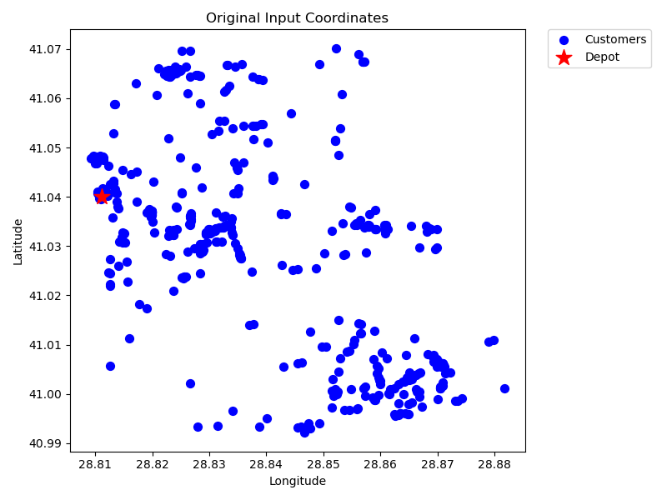
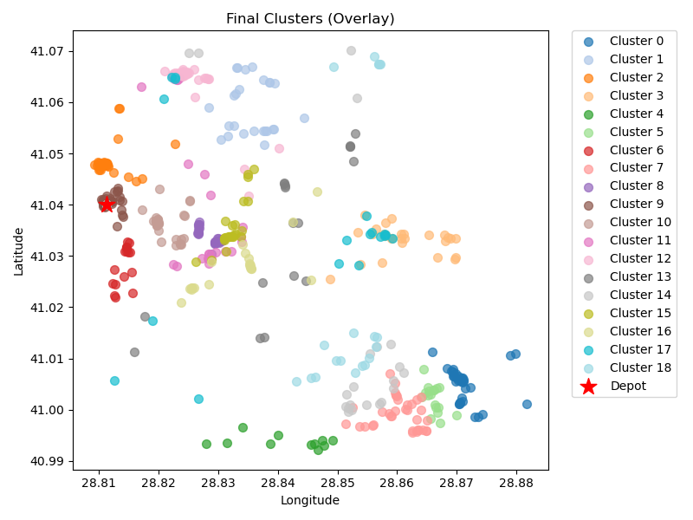
27 | kmeans_18 | 17 | 4.89 | 0.99 | 9.77 | 50 | 59.77
29 | kmeans_18 | 35 | 16.69 | 2.23 | 33.38 | 50 | 83.38
81 | kmeans_split_from_21 | 40 | 4.4 | 2.13 | 8.81 | 50 | 58.81
85 | kmeans_21 | 37 | 2.81 | 1.93 | 5.61 | 50 | 55.61
91 | kmeans_21 | 39 | 4.4 | 2.08 | 8.81 | 50 | 58.81
3 | nn | 29 | 12.31 | 1.8 | 24.62 | 50 | 74.62
4 | nn | 30 | 9.61 | 1.77 | 19.22 | 50 | 69.22
5 | nn | 18 | 14.73 | 1.32 | 29.47 | 50 | 79.47
7 | nn | 21 | 20.48 | 1.64 | 40.97 | 50 | 90.97
3 | rand_nn | 27 | 8.03 | 1.58 | 16.07 | 50 | 66.07
4 | rand_nn | 20 | 11.66 | 1.33 | 23.32 | 50 | 73.32
5 | rand_nn | 18 | 19.5 | 1.46 | 39.01 | 50 | 89.01
7 | rand_nn | 20 | 20.4 | 1.58 | 40.81 | 50 | 90.81

Final Clusters CSV File (Part 10)
set_covering_osm_data_part10.csv

PART 11
Input CSV | Number of Clusters | Overall Distance (km) | Overall Cost ($) | Overall Time (hrs)
set_covering_osm_data_part11.csv | 19 | 170.24696669 | 1290.4939334 | 29.814199048

Cluster ID | Method | Num Nodes | Distance (km) | Time (hrs) | Distance Cost | Hiring Cost | Total Cluster Cost
9 | kmeans_17 | 20 | 4.08 | 1.12 | 8.16 | 50 | 58.16
11 | kmeans_17 | 23 | 6.31 | 1.33 | 12.62 | 50 | 62.62
12 | kmeans_17 | 37 | 6.16 | 2.03 | 12.32 | 50 | 62.32
13 | kmeans_17 | 40 | 12.37 | 2.35 | 24.74 | 50 | 74.74
15 | kmeans_17 | 8 | 7.32 | 0.61 | 14.65 | 50 | 64.65
Input Coordinates Plot (Part 11) | kmeans_split_from_17 | 103 | 8.53 | 5.39 | 17.05 | 50 | Final Clusters Plot (Part 11)
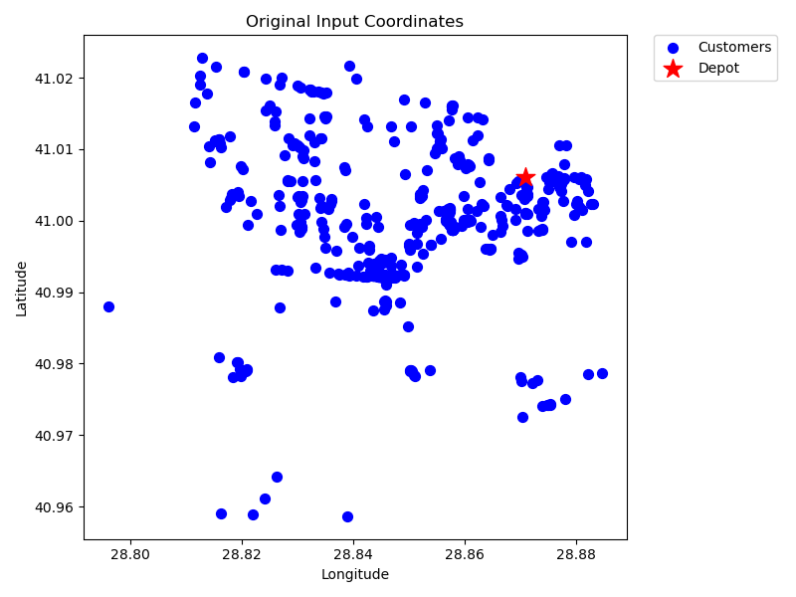
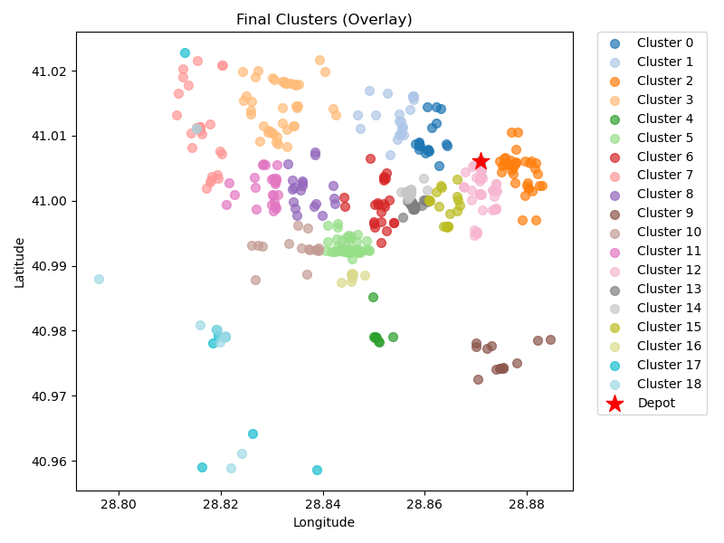
19 | kmeans_18 | 23 | 7.43 | 1.36 | 14.86 | 50 | 64.86
20 | kmeans_18 | 25 | 13.3 | 1.63 | 26.6 | 50 | 76.6
23 | kmeans_18 | 19 | 8.73 | 1.2 | 17.47 | 50 | 67.47
27 | kmeans_18 | 13 | 10.04 | 0.94 | 20.07 | 50 | 70.07
29 | kmeans_18 | 16 | 10.71 | 1.11 | 21.42 | 50 | 71.42
46 | kmeans_19 | 26 | 10.93 | 1.61 | 21.87 | 50 | 71.87
84 | kmeans_21 | 39 | 5.04 | 2.09 | 10.09 | 50 | 60.09
86 | kmeans_split_from_21 | 36 | 3.69 | 1.91 | 7.37 | 50 | 57.37
87 | kmeans_split_from_21 | 28 | 3.46 | 1.5 | 6.92 | 50 | 56.92
96 | kmeans_21 | 18 | 3.82 | 1.01 | 7.65 | 50 | 57.65
458 | kmeans_33 | 8 | 6.36 | 0.58 | 12.72 | 50 | 62.72
9 | nn | 8 | 22.86 | 1.05 | 45.72 | 50 | 95.72
9 | rand_nn | 9 | 19.1 | 1 | 38.19 | 50 | 88.19

Final Clusters CSV File (Part 11)
set_covering_osm_data_part11.csv

PART 12
Input CSV | Number of Clusters | Overall Distance (km) | Overall Cost ($) | Overall Time (hrs)
set_covering_osm_data_part12.csv | 18 | 195.74140765 | 1291.4828153 | 30.542611647

Cluster ID | Method | Num Nodes | Distance (km) | Time (hrs) | Distance Cost | Hiring Cost | Total Cluster Cost
0 | kmeans_17 | 29 | 5.57 | 1.61 | 11.14 | 50 | 61.14
11 | kmeans_split_from_17 | 89 | 7.08 | 4.65 | 14.15 | 50 | 64.15
13 | kmeans_17 | 41 | 14.01 | 2.45 | 28.01 | 50 | 78.01
16 | kmeans_17 | 11 | 3.27 | 0.64 | 6.53 | 50 | 56.53
17 | kmeans_17 | 30 | 4.87 | 1.64 | 9.74 | 50 | 59.74
Input Coordinates Plot (Part 12) | kmeans_18 | 35 | 13.25 | 2.13 | 26.51 | 50 | Final Clusters Plot (Part 12)
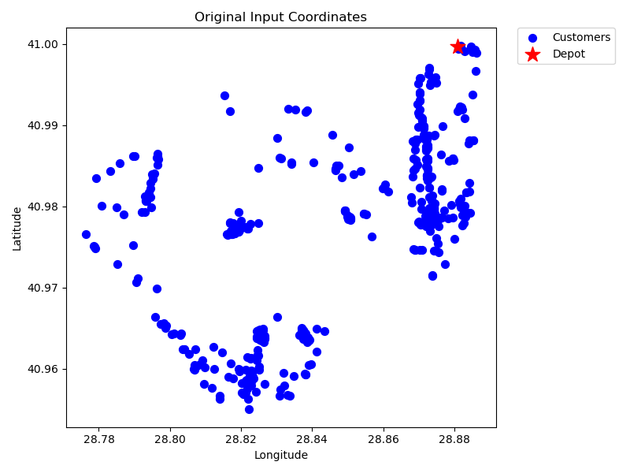
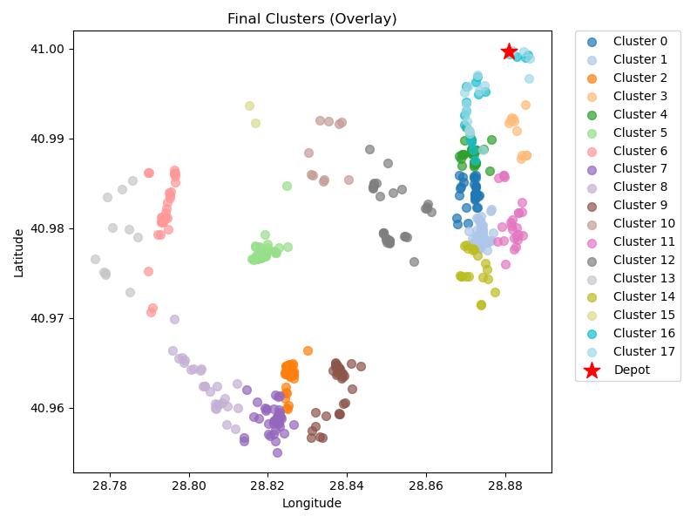
20 | kmeans_18 | 31 | 19.26 | 2.1 | 38.51 | 50 | 88.51
21 | kmeans_18 | 37 | 17.26 | 2.34 | 34.52 | 50 | 84.52
23 | kmeans_18 | 27 | 19.25 | 1.9 | 38.49 | 50 | 88.49
24 | kmeans_18 | 35 | 14.38 | 2.16 | 28.75 | 50 | 78.75
25 | kmeans_18 | 10 | 9.45 | 0.77 | 18.89 | 50 | 68.89
27 | kmeans_18 | 24 | 7.47 | 1.41 | 14.94 | 50 | 64.94
82 | kmeans_21 | 34 | 11.49 | 2.03 | 22.98 | 50 | 72.98
93 | kmeans_21 | 11 | 20.39 | 1.13 | 40.79 | 50 | 90.79
132 | kmeans_split_from_23 | 19 | 8.32 | 1.19 | 16.65 | 50 | 66.65
494 | kmeans_35 | 2 | 11.25 | 0.42 | 22.5 | 50 | 72.5
0 | nn | 17 | 4.61 | 0.98 | 9.22 | 50 | 59.22
0 | rand_nn | 17 | 4.58 | 0.98 | 9.15 | 50 | 59.15

Final Clusters CSV File (Part 12)
set_covering_osm_data_part12.csv

