PART 1
Input CSV | Number of Clusters | Overall Distance (km) | Overall Cost ($) | Overall Time (hrs)
set_covering_osm_data_part1.csv | 19 | 379.47130697 | 1708.9426139 | 35.792037342

Cluster ID | Method | Num Nodes | Distance (km) | Time (hrs) | Distance Cost | Hiring Cost | Total Cluster Cost
1 | kmeans_split_from_17 | 5 | 25.08 | 0.97 | 50.17 | 50 | 100.17
2 | kmeans_split_from_17 | 50 | 3.92 | 2.61 | 7.83 | 50 | 57.83
3 | kmeans_split_from_17 | 24 | 6.46 | 1.38 | 12.92 | 50 | 62.92
13 | kmeans_17 | 35 | 23.4 | 2.42 | 46.8 | 50 | 96.8
14 | kmeans_17 | 15 | 24.96 | 1.46 | 49.91 | 50 | 99.91
Input Coordinates Plot (Part 1) | kmeans_17 | 44 | 24.19 | 2.89 | 48.39 | 50 | Final Clusters Plot (Part 1)
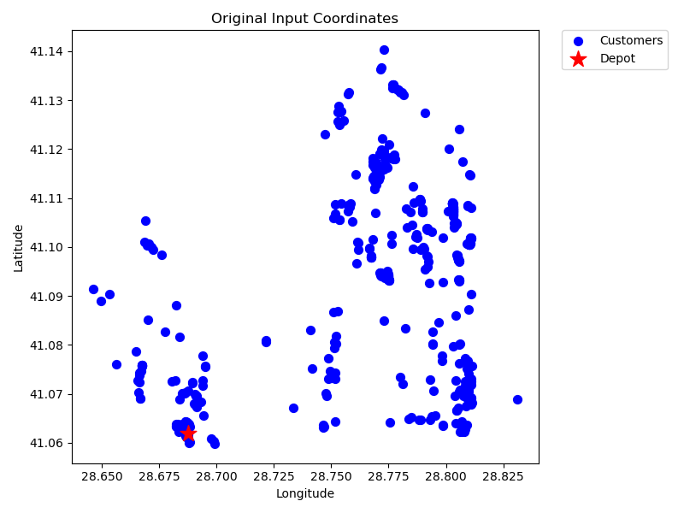
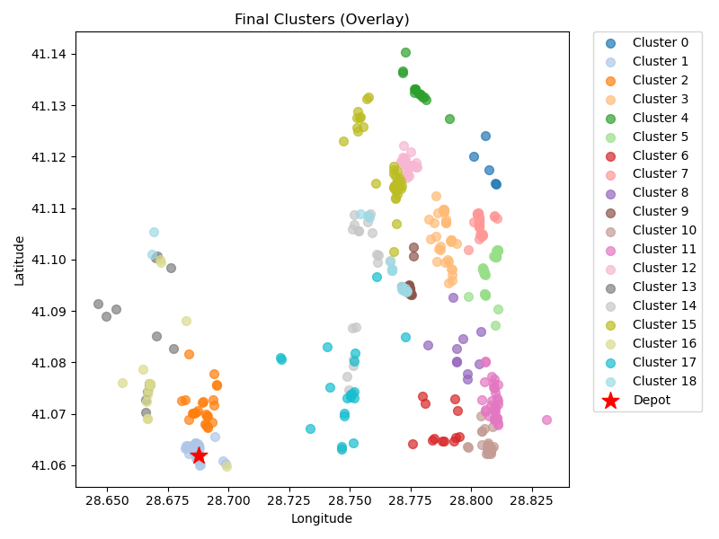
18 | kmeans_17 | 12 | 18.95 | 1.14 | 37.91 | 50 | 87.91
21 | kmeans_split_from_18 | 47 | 23.67 | 3.03 | 47.34 | 50 | 97.34
25 | kmeans_18 | 10 | 22.41 | 1.14 | 44.83 | 50 | 94.83
28 | kmeans_split_from_18 | 42 | 18.33 | 2.62 | 36.66 | 50 | 86.66
30 | kmeans_18 | 34 | 21.75 | 2.32 | 43.51 | 50 | 93.51
102 | kmeans_21 | 32 | 26.58 | 2.36 | 53.16 | 50 | 103.16
523 | kmeans_35 | 26 | 20.99 | 1.9 | 41.98 | 50 | 91.98
1 | nn | 14 | 14.11 | 1.1 | 28.22 | 50 | 78.22
2 | nn | 21 | 20.11 | 1.62 | 40.22 | 50 | 90.22
3 | nn | 35 | 24.27 | 2.44 | 48.53 | 50 | 98.53
1 | rand_nn | 14 | 14.47 | 1.11 | 28.94 | 50 | 78.94
2 | rand_nn | 20 | 22.98 | 1.66 | 45.97 | 50 | 95.97
3 | rand_nn | 19 | 22.84 | 1.6 | 45.68 | 50 | 95.68

Final Clusters CSV File (Part 1)
split_merge_osm_data_part1.csv

PART 2
Input CSV | Number of Clusters | Overall Distance (km) | Overall Cost ($) | Overall Time (hrs)
set_covering_osm_data_part2.csv | 19 | 369.20109993 | 1688.4021999 | 35.498602855

Cluster ID | Method | Num Nodes | Distance (km) | Time (hrs) | Distance Cost | Hiring Cost | Total Cluster Cost
0 | kmeans_split_from_17 | 34 | 21.36 | 2.31 | 42.72 | 50 | 92.72
15 | kmeans_17 | 22 | 18.76 | 1.64 | 37.53 | 50 | 87.53
17 | kmeans_17 | 7 | 15.25 | 0.79 | 30.5 | 50 | 80.5
20 | kmeans_17 | 37 | 17.91 | 2.36 | 35.83 | 50 | 85.83
24 | kmeans_18 | 38 | 14.46 | 2.31 | 28.93 | 50 | 78.93
Input Coordinates Plot (Part 2) | kmeans_18 | 40 | 18.27 | 2.52 | 36.54 | 50 | Final Clusters Plot (Part 2)
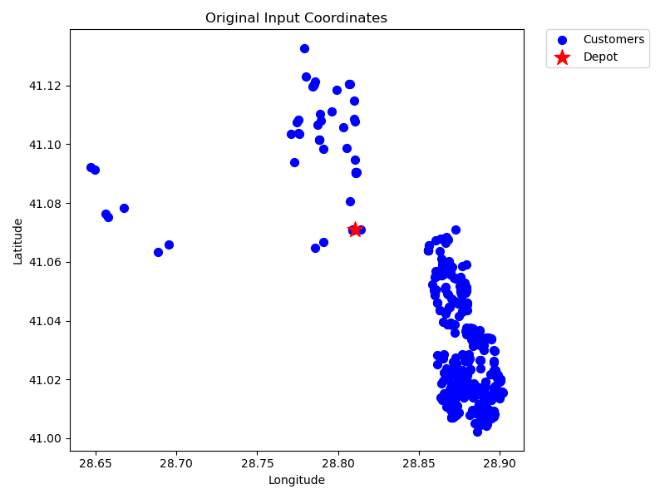
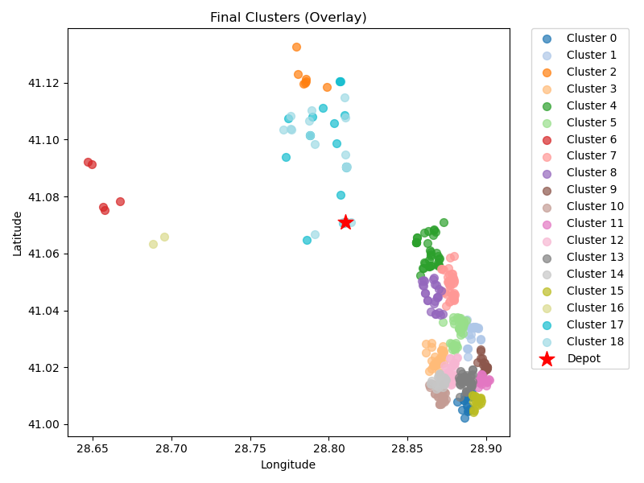
26 | kmeans_18 | 5 | 29 | 1.08 | 58.01 | 50 | 108.01
33 | kmeans_18 | 36 | 16.34 | 2.27 | 32.67 | 50 | 82.67
41 | kmeans_18 | 26 | 13.97 | 1.7 | 27.95 | 50 | 77.95
73 | kmeans_20 | 19 | 19.54 | 1.51 | 39.08 | 50 | 89.08
78 | kmeans_20 | 31 | 19.11 | 2.1 | 38.21 | 50 | 88.21
85 | kmeans_20 | 35 | 20.69 | 2.34 | 41.38 | 50 | 91.38
99 | kmeans_21 | 38 | 18.61 | 2.43 | 37.23 | 50 | 87.23
101 | kmeans_21 | 44 | 21.2 | 2.81 | 42.39 | 50 | 92.39
161 | kmeans_24 | 31 | 17.91 | 2.06 | 35.82 | 50 | 85.82
232 | kmeans_26 | 18 | 21.23 | 1.51 | 42.45 | 50 | 92.45
487 | kmeans_35 | 2 | 20.65 | 0.69 | 41.3 | 50 | 91.3
0 | nn | 18 | 25.7 | 1.63 | 51.4 | 50 | 101.4
0 | rand_nn | 18 | 19.23 | 1.45 | 38.47 | 50 | 88.47

Final Clusters CSV File (Part 2)
split_merge_osm_data_part2.csv

PART 3
Input CSV | Number of Clusters | Overall Distance (km) | Overall Cost ($) | Overall Time (hrs)
set_covering_osm_data_part3.csv | 18 | 172.64126515 | 1245.2825303 | 29.882607576

Cluster ID | Method | Num Nodes | Distance (km) | Time (hrs) | Distance Cost | Hiring Cost | Total Cluster Cost
0 | kmeans_17 | 12 | 5.52 | 0.76 | 11.04 | 50 | 61.04
11 | kmeans_17 | 41 | 14.22 | 2.46 | 28.44 | 50 | 78.44
12 | kmeans_17 | 16 | 8.93 | 1.06 | 17.85 | 50 | 67.85
14 | kmeans_17 | 19 | 7.03 | 1.15 | 14.05 | 50 | 64.05
15 | kmeans_17 | 40 | 9.91 | 2.28 | 19.82 | 50 | 69.82
Input Coordinates Plot (Part 3) | kmeans_17 | 10 | 10.47 | 0.8 | 20.94 | 50 | Final Clusters Plot (Part 3)
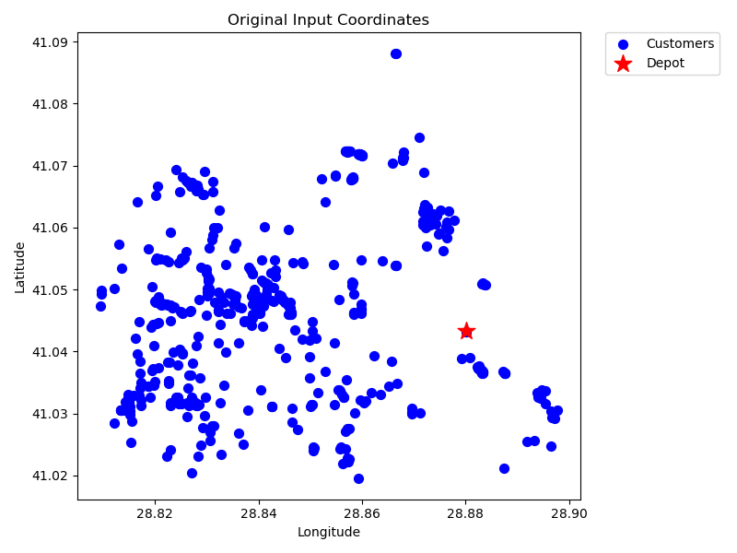
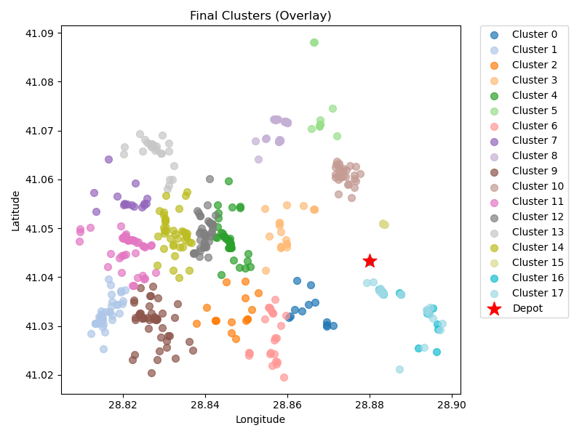
17 | kmeans_17 | 24 | 8.26 | 1.44 | 16.52 | 50 | 66.52
19 | kmeans_18 | 16 | 13.29 | 1.18 | 26.59 | 50 | 76.59
20 | kmeans_18 | 44 | 8.56 | 2.44 | 17.13 | 50 | 67.13
24 | kmeans_18 | 45 | 15.27 | 2.69 | 30.53 | 50 | 80.53
25 | kmeans_18 | 29 | 5.84 | 1.62 | 11.68 | 50 | 61.68
26 | kmeans_18 | 50 | 14.21 | 2.91 | 28.42 | 50 | 78.42
60 | kmeans_20 | 40 | 10.57 | 2.3 | 21.13 | 50 | 71.13
66 | kmeans_20 | 26 | 12.82 | 1.67 | 25.64 | 50 | 75.64
69 | kmeans_20 | 41 | 13.07 | 2.42 | 26.13 | 50 | 76.13
482 | kmeans_35 | 4 | 1.85 | 0.25 | 3.7 | 50 | 53.7
0 | nn | 21 | 5.7 | 1.21 | 11.41 | 50 | 61.41
0 | rand_nn | 21 | 7.14 | 1.25 | 14.27 | 50 | 64.27

Final Clusters CSV File (Part 3)
split_merge_osm_data_part3.csv

PART 4
Input CSV | Number of Clusters | Overall Distance (km) | Overall Cost ($) | Overall Time (hrs)
set_covering_osm_data_part4.csv | 17 | 76.581977341 | 1003.1639547 | 27.138056495

Cluster ID | Method | Num Nodes | Distance (km) | Time (hrs) | Distance Cost | Hiring Cost | Total Cluster Cost
5 | kmeans_17 | 11 | 5.07 | 0.69 | 10.14 | 50 | 60.14
6 | kmeans_17 | 27 | 6.04 | 1.52 | 12.07 | 50 | 62.07
8 | kmeans_17 | 6 | 7.09 | 0.5 | 14.17 | 50 | 64.17
18 | kmeans_18 | 18 | 5.54 | 1.06 | 11.09 | 50 | 61.09
74 | kmeans_21 | 37 | 1.24 | 1.89 | 2.49 | 50 | 52.49
Input Coordinates Plot (Part 4) | kmeans_21 | 56 | 1.16 | 2.83 | 2.31 | 50 | Final Clusters Plot (Part 4)
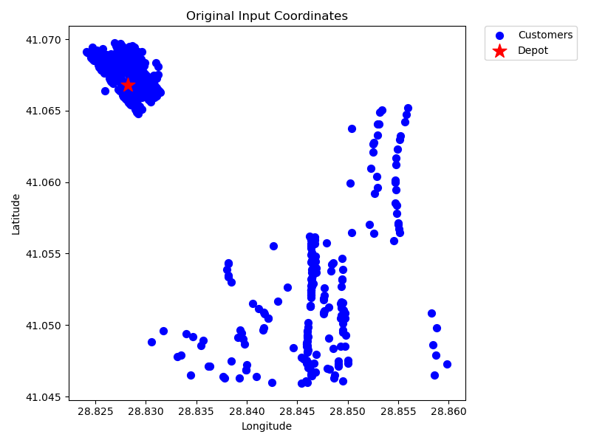
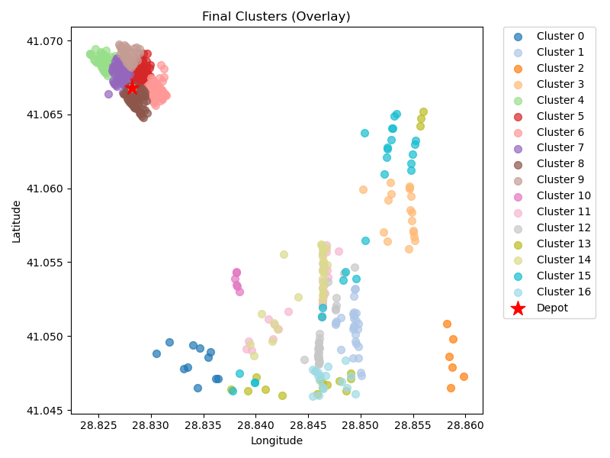
86 | kmeans_21 | 52 | 1.31 | 2.64 | 2.63 | 50 | 52.63
90 | kmeans_21 | 55 | 1.18 | 2.78 | 2.35 | 50 | 52.35
91 | kmeans_21 | 49 | 1 | 2.48 | 2.01 | 50 | 52.01
92 | kmeans_21 | 36 | 1.05 | 1.83 | 2.11 | 50 | 52.11
473 | kmeans_35 | 6 | 3.53 | 0.4 | 7.06 | 50 | 57.06
5 | nn | 29 | 6.62 | 1.64 | 13.25 | 50 | 63.25
6 | nn | 29 | 6.06 | 1.62 | 12.12 | 50 | 62.12
8 | nn | 17 | 8.27 | 1.09 | 16.54 | 50 | 66.54
5 | rand_nn | 28 | 6.43 | 1.58 | 12.85 | 50 | 62.85
6 | rand_nn | 25 | 8.44 | 1.49 | 16.88 | 50 | 66.88
8 | rand_nn | 18 | 6.55 | 1.09 | 13.09 | 50 | 63.09

Final Clusters CSV File (Part 4)
split_merge_osm_data_part4.csv

PART 5
Input CSV | Number of Clusters | Overall Distance (km) | Overall Cost ($) | Overall Time (hrs)
set_covering_osm_data_part5.csv | 19 | 78.30956232 | 1106.6191246 | 27.187416066

Cluster ID | Method | Num Nodes | Distance (km) | Time (hrs) | Distance Cost | Hiring Cost | Total Cluster Cost
0 | kmeans_17 | 40 | 3.9 | 2.11 | 7.81 | 50 | 57.81
1 | kmeans_17 | 27 | 4.92 | 1.49 | 9.84 | 50 | 59.84
2 | kmeans_17 | 14 | 2.89 | 0.78 | 5.78 | 50 | 55.78
10 | kmeans_split_from_17 | 28 | 5.49 | 1.56 | 10.98 | 50 | 60.98
11 | kmeans_split_from_17 | 29 | 6.07 | 1.62 | 12.15 | 50 | 62.15
Input Coordinates Plot (Part 5) | kmeans_17 | 20 | 4.85 | 1.14 | 9.7 | 50 | Final Clusters Plot (Part 5)
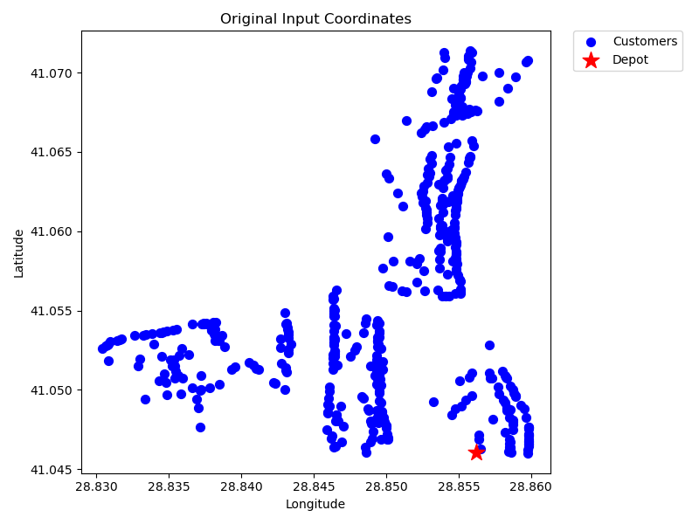
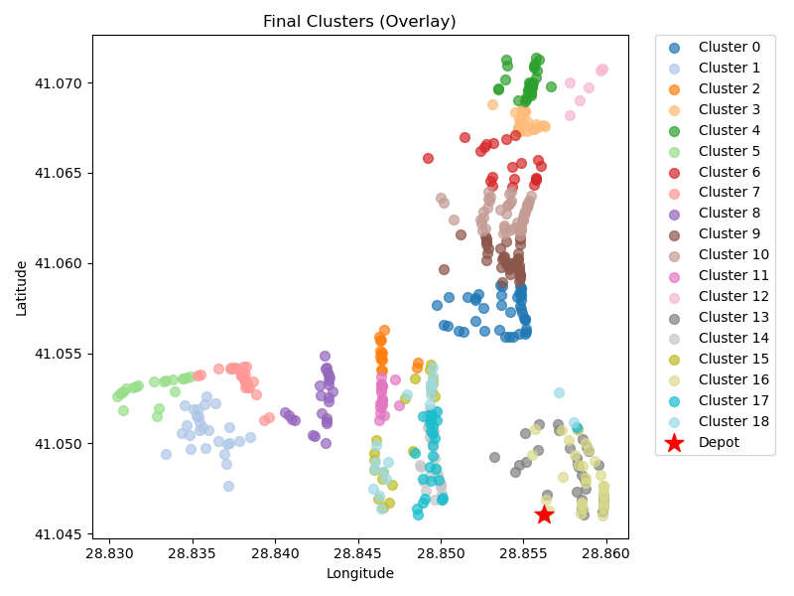
25 | kmeans_18 | 21 | 5.68 | 1.21 | 11.36 | 50 | 61.36
26 | kmeans_18 | 27 | 4.16 | 1.47 | 8.33 | 50 | 58.33
28 | kmeans_18 | 24 | 3.61 | 1.3 | 7.22 | 50 | 57.22
51 | kmeans_19 | 40 | 4.42 | 2.13 | 8.83 | 50 | 58.83
57 | kmeans_19 | 50 | 5.14 | 2.65 | 10.29 | 50 | 60.29
88 | kmeans_21 | 18 | 2.56 | 0.97 | 5.11 | 50 | 55.11
481 | kmeans_35 | 6 | 5.64 | 0.46 | 11.28 | 50 | 61.28
0 | nn | 32 | 3.04 | 1.69 | 6.07 | 50 | 56.07
1 | nn | 27 | 2.54 | 1.42 | 5.08 | 50 | 55.08
2 | nn | 20 | 3.77 | 1.11 | 7.53 | 50 | 57.53
0 | rand_nn | 31 | 2.24 | 1.61 | 4.48 | 50 | 54.48
1 | rand_nn | 26 | 3.28 | 1.39 | 6.57 | 50 | 56.57
2 | rand_nn | 19 | 4.1 | 1.07 | 8.2 | 50 | 58.2

Final Clusters CSV File (Part 5)
split_merge_osm_data_part5.csv

PART 6
Input CSV | Number of Clusters | Overall Distance (km) | Overall Cost ($) | Overall Time (hrs)
set_covering_osm_data_part6.csv | 18 | 119.83900365 | 1139.6780073 | 28.373971533

Cluster ID | Method | Num Nodes | Distance (km) | Time (hrs) | Distance Cost | Hiring Cost | Total Cluster Cost
0 | kmeans_17 | 25 | 5.49 | 1.41 | 10.98 | 50 | 60.98
7 | kmeans_split_from_17 | 43 | 6.19 | 2.33 | 12.39 | 50 | 62.39
8 | kmeans_split_from_17 | 19 | 5.29 | 1.1 | 10.58 | 50 | 60.58
11 | kmeans_17 | 18 | 7.92 | 1.13 | 15.84 | 50 | 65.84
15 | kmeans_17 | 24 | 5.7 | 1.36 | 11.4 | 50 | 61.4
Input Coordinates Plot (Part 6) | kmeans_17 | 14 | 6.69 | 0.89 | 13.37 | 50 | Final Clusters Plot (Part 6)
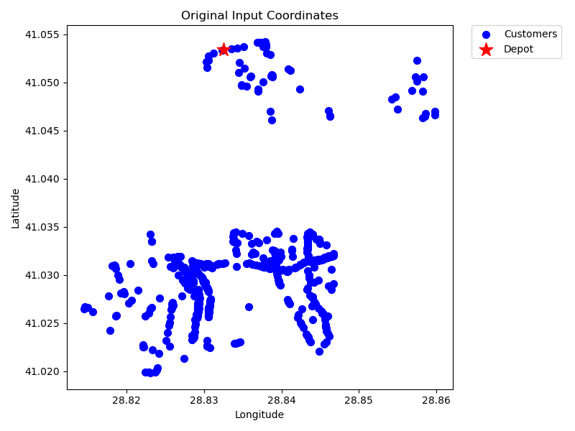
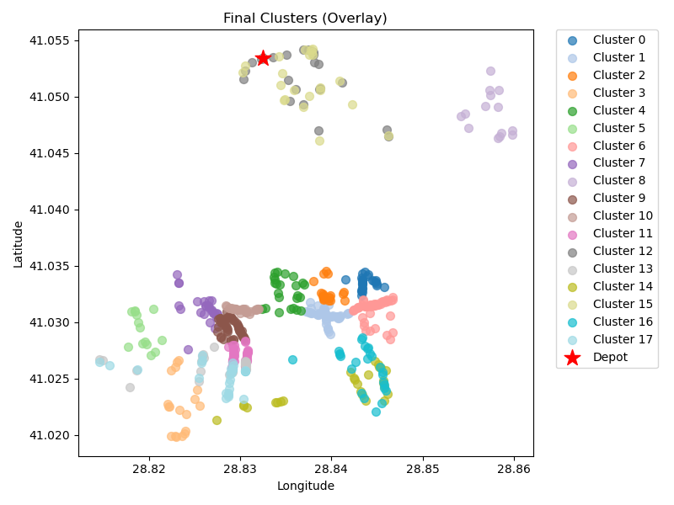
19 | kmeans_17 | 47 | 6.72 | 2.54 | 13.44 | 50 | 63.44
23 | kmeans_18 | 25 | 6.5 | 1.44 | 13 | 50 | 63
24 | kmeans_18 | 14 | 5.52 | 0.86 | 11.05 | 50 | 61.05
25 | kmeans_split_from_18 | 53 | 6.19 | 2.83 | 12.37 | 50 | 62.37
26 | kmeans_split_from_18 | 29 | 5.35 | 1.6 | 10.7 | 50 | 60.7
53 | kmeans_split_from_19 | 37 | 6.39 | 2.03 | 12.77 | 50 | 62.77
0 | nn | 23 | 5.13 | 1.3 | 10.25 | 50 | 60.25
7 | nn | 27 | 8.76 | 1.6 | 17.52 | 50 | 67.52
8 | nn | 26 | 9.37 | 1.57 | 18.73 | 50 | 68.73
0 | rand_nn | 22 | 4.6 | 1.23 | 9.2 | 50 | 59.2
7 | rand_nn | 27 | 8.91 | 1.6 | 17.81 | 50 | 67.81
8 | rand_nn | 26 | 9.14 | 1.56 | 18.27 | 50 | 68.27

Final Clusters CSV File (Part 6)
split_merge_osm_data_part6.csv

PART 7
Input CSV | Number of Clusters | Overall Distance (km) | Overall Cost ($) | Overall Time (hrs)
set_covering_osm_data_part7.csv | 18 | 93.214883383 | 1086.4297668 | 27.613282382

Cluster ID | Method | Num Nodes | Distance (km) | Time (hrs) | Distance Cost | Hiring Cost | Total Cluster Cost
0 | kmeans_17 | 47 | 6.49 | 2.54 | 12.99 | 50 | 62.99
2 | kmeans_17 | 23 | 4.5 | 1.28 | 8.99 | 50 | 58.99
3 | kmeans_split_from_17 | 22 | 5.08 | 1.25 | 10.17 | 50 | 60.17
11 | kmeans_17 | 32 | 3.29 | 1.69 | 6.59 | 50 | 56.59
12 | kmeans_17 | 36 | 5.2 | 1.95 | 10.41 | 50 | 60.41
Input Coordinates Plot (Part 7) | kmeans_17 | 25 | 6.17 | 1.43 | 12.33 | 50 | Final Clusters Plot (Part 7)
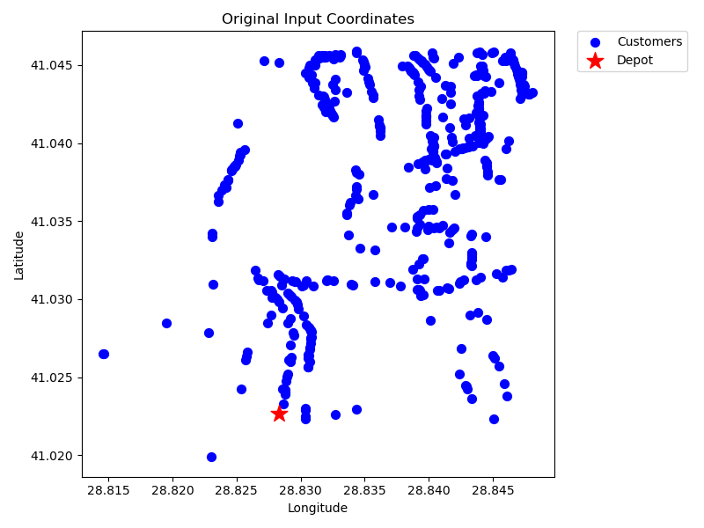
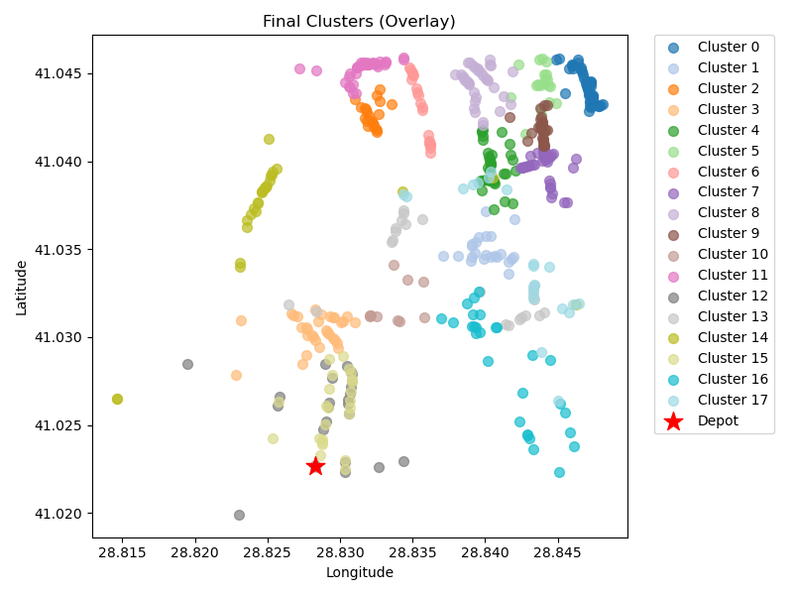
15 | kmeans_17 | 20 | 5.22 | 1.15 | 10.44 | 50 | 60.44
24 | kmeans_18 | 41 | 5.44 | 2.21 | 10.89 | 50 | 60.89
26 | kmeans_18 | 36 | 6.17 | 1.98 | 12.34 | 50 | 62.34
32 | kmeans_18 | 26 | 5.6 | 1.46 | 11.19 | 50 | 61.19
56 | kmeans_19 | 10 | 3.02 | 0.59 | 6.04 | 50 | 56.04
122 | kmeans_22 | 36 | 6.06 | 1.97 | 12.13 | 50 | 62.13
0 | nn | 23 | 4.43 | 1.28 | 8.85 | 50 | 58.85
2 | nn | 23 | 5.19 | 1.3 | 10.37 | 50 | 60.37
3 | nn | 26 | 7.33 | 1.51 | 14.66 | 50 | 64.66
0 | rand_nn | 24 | 2.67 | 1.28 | 5.34 | 50 | 55.34
2 | rand_nn | 28 | 5.49 | 1.56 | 10.98 | 50 | 60.98
3 | rand_nn | 21 | 5.87 | 1.22 | 11.74 | 50 | 61.74

Final Clusters CSV File (Part 7)
split_merge_osm_data_part7.csv

PART 8
Input CSV | Number of Clusters | Overall Distance (km) | Overall Cost ($) | Overall Time (hrs)
set_covering_osm_data_part8.csv | 16 | 87.309584981 | 974.61916996 | 27.444559571

Cluster ID | Method | Num Nodes | Distance (km) | Time (hrs) | Distance Cost | Hiring Cost | Total Cluster Cost
1 | kmeans_17 | 12 | 2.29 | 0.67 | 4.58 | 50 | 54.58
2 | kmeans_split_from_17 | 18 | 4.8 | 1.04 | 9.6 | 50 | 59.6
13 | kmeans_17 | 44 | 5.67 | 2.36 | 11.33 | 50 | 61.33
14 | kmeans_17 | 22 | 2.45 | 1.17 | 4.91 | 50 | 54.91
16 | kmeans_17 | 36 | 5.66 | 1.96 | 11.32 | 50 | 61.32
Input Coordinates Plot (Part 8) | kmeans_18 | 20 | 1.93 | 1.06 | 3.87 | 50 | Final Clusters Plot (Part 8)
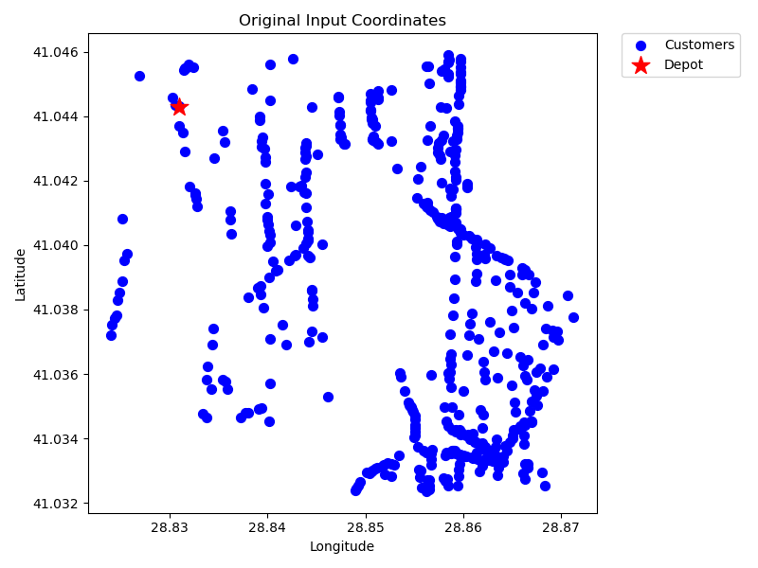
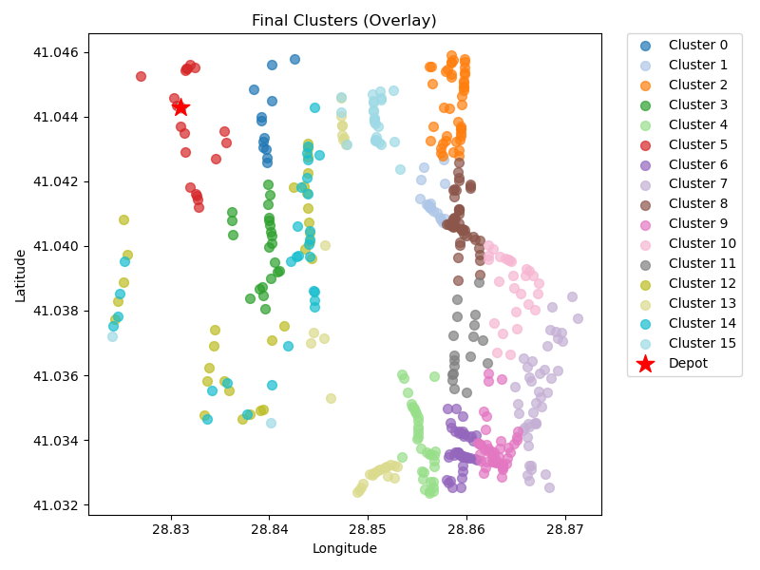
75 | kmeans_21 | 44 | 6.19 | 2.38 | 12.38 | 50 | 62.38
79 | kmeans_21 | 43 | 8.45 | 2.39 | 16.91 | 50 | 66.91
82 | kmeans_21 | 48 | 5.98 | 2.57 | 11.96 | 50 | 61.96
86 | kmeans_21 | 47 | 6.95 | 2.55 | 13.89 | 50 | 63.89
89 | kmeans_21 | 27 | 6.91 | 1.55 | 13.82 | 50 | 63.82
94 | kmeans_21 | 18 | 6.1 | 1.07 | 12.2 | 50 | 62.2
1 | nn | 31 | 6.29 | 1.73 | 12.57 | 50 | 62.57
2 | nn | 30 | 5.63 | 1.66 | 11.25 | 50 | 61.25
1 | rand_nn | 30 | 5.46 | 1.66 | 10.92 | 50 | 60.92
2 | rand_nn | 29 | 6.55 | 1.64 | 13.09 | 50 | 63.09

Final Clusters CSV File (Part 8)
split_merge_osm_data_part8.csv

PART 9
Input CSV | Number of Clusters | Overall Distance (km) | Overall Cost ($) | Overall Time (hrs)
set_covering_osm_data_part9.csv | 17 | 105.67972873 | 1061.3594575 | 27.969420821

Cluster ID | Method | Num Nodes | Distance (km) | Time (hrs) | Distance Cost | Hiring Cost | Total Cluster Cost
1 | kmeans_17 | 9 | 10.93 | 0.76 | 21.87 | 50 | 71.87
4 | kmeans_split_from_17 | 37 | 4.95 | 1.99 | 9.91 | 50 | 59.91
6 | kmeans_17 | 39 | 4.07 | 2.07 | 8.13 | 50 | 58.13
8 | kmeans_split_from_17 | 35 | 4.37 | 1.87 | 8.74 | 50 | 58.74
10 | kmeans_17 | 17 | 1.99 | 0.91 | 3.98 | 50 | 53.98
Input Coordinates Plot (Part 9) | kmeans_17 | 30 | 2.97 | 1.58 | 5.95 | 50 | Final Clusters Plot (Part 9)
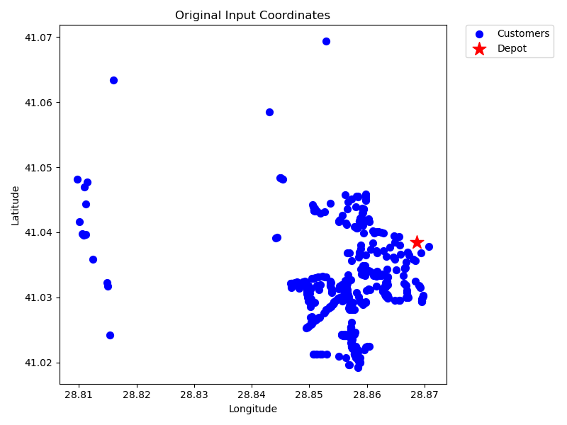
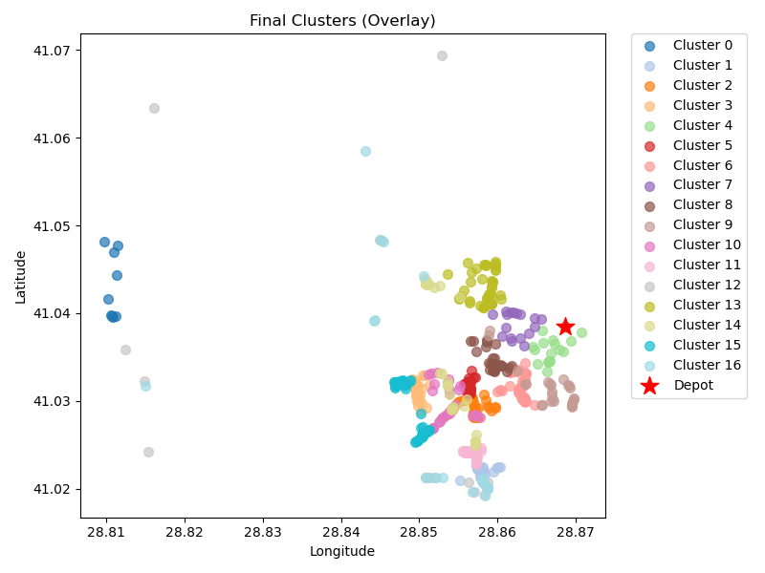
22 | kmeans_18 | 35 | 2.99 | 1.84 | 5.98 | 50 | 55.98
38 | kmeans_18 | 17 | 2.1 | 0.91 | 4.2 | 50 | 54.2
324 | kmeans_30 | 25 | 2.85 | 1.33 | 5.7 | 50 | 55.7
1 | nn | 26 | 4.42 | 1.43 | 8.84 | 50 | 58.84
4 | nn | 28 | 4.94 | 1.54 | 9.87 | 50 | 59.87
6 | nn | 39 | 4.36 | 2.07 | 8.71 | 50 | 58.71
8 | nn | 22 | 21.36 | 1.71 | 42.72 | 50 | 92.72
1 | rand_nn | 41 | 4.92 | 2.19 | 9.83 | 50 | 59.83
4 | rand_nn | 28 | 6.02 | 1.57 | 12.03 | 50 | 62.03
6 | rand_nn | 47 | 5.38 | 2.5 | 10.76 | 50 | 60.76
8 | rand_nn | 24 | 17.06 | 1.69 | 34.13 | 50 | 84.13

Final Clusters CSV File (Part 9)
split_merge_osm_data_part9.csv

PART 10
Input CSV | Number of Clusters | Overall Distance (km) | Overall Cost ($) | Overall Time (hrs)
set_covering_osm_data_part10.csv | 17 | 187.24573562 | 1224.4914712 | 30.29987816

Cluster ID | Method | Num Nodes | Distance (km) | Time (hrs) | Distance Cost | Hiring Cost | Total Cluster Cost
5 | kmeans_17 | 30 | 5.09 | 1.65 | 10.17 | 50 | 60.17
7 | kmeans_17 | 40 | 12.7 | 2.36 | 25.39 | 50 | 75.39
11 | kmeans_17 | 11 | 13.82 | 0.94 | 27.64 | 50 | 77.64
19 | kmeans_split_from_18 | 65 | 6.07 | 3.42 | 12.14 | 50 | 62.14
27 | kmeans_18 | 17 | 4.45 | 0.98 | 8.9 | 50 | 58.9
Input Coordinates Plot (Part 10) | kmeans_18 | 32 | 15.31 | 2.04 | 30.62 | 50 | Final Clusters Plot (Part 10)
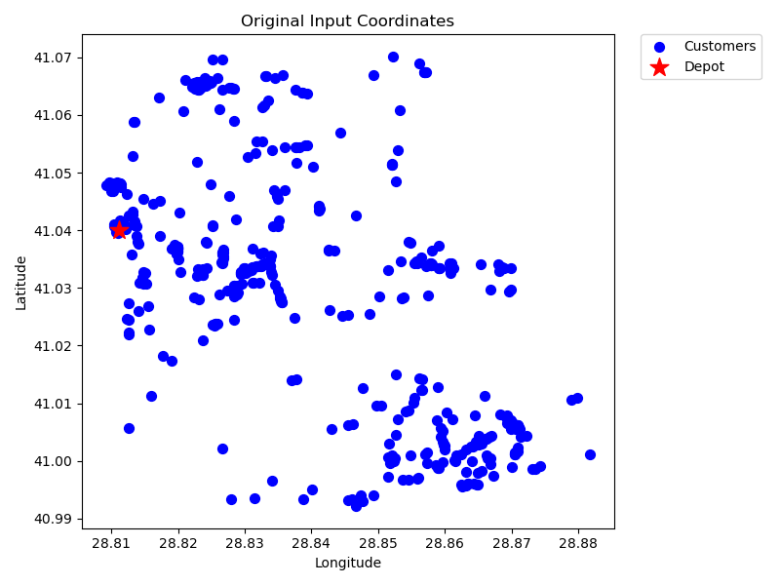
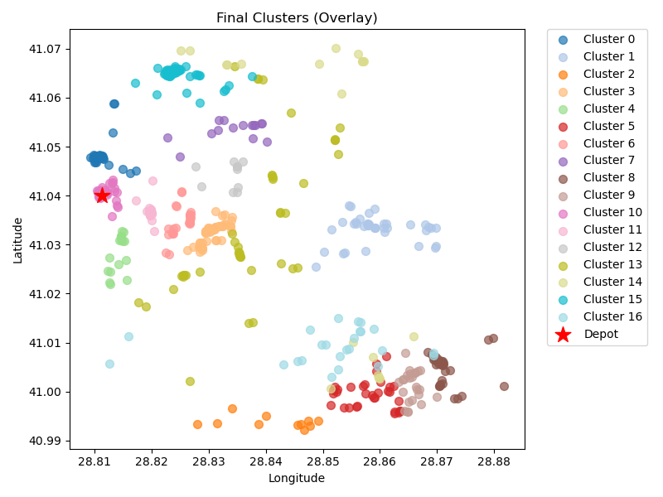
33 | kmeans_18 | 24 | 4.73 | 1.34 | 9.47 | 50 | 59.47
38 | kmeans_18 | 15 | 6.63 | 0.94 | 13.25 | 50 | 63.25
58 | kmeans_19 | 31 | 16.17 | 2.01 | 32.35 | 50 | 82.35
82 | kmeans_21 | 25 | 14.83 | 1.67 | 29.67 | 50 | 79.67
85 | kmeans_21 | 37 | 2.29 | 1.92 | 4.58 | 50 | 54.58
91 | kmeans_21 | 28 | 3.32 | 1.49 | 6.64 | 50 | 56.64
226 | kmeans_26 | 10 | 4.99 | 0.64 | 9.98 | 50 | 59.98
5 | nn | 43 | 24.11 | 2.84 | 48.22 | 50 | 98.22
7 | nn | 21 | 22.2 | 1.68 | 44.4 | 50 | 94.4
5 | rand_nn | 46 | 10.95 | 2.61 | 21.89 | 50 | 71.89
7 | rand_nn | 24 | 19.59 | 1.76 | 39.17 | 50 | 89.17

Final Clusters CSV File (Part 10)
split_merge_osm_data_part10.csv

PART 11
Input CSV | Number of Clusters | Overall Distance (km) | Overall Cost ($) | Overall Time (hrs)
set_covering_osm_data_part11.csv | 19 | 163.99727129 | 1277.9945426 | 29.635636323

Cluster ID | Method | Num Nodes | Distance (km) | Time (hrs) | Distance Cost | Hiring Cost | Total Cluster Cost
8 | kmeans_17 | 13 | 8.73 | 0.9 | 17.47 | 50 | 67.47
9 | kmeans_17 | 20 | 3.65 | 1.1 | 7.29 | 50 | 57.29
11 | kmeans_17 | 23 | 6.21 | 1.33 | 12.42 | 50 | 62.42
12 | kmeans_17 | 37 | 5.17 | 2 | 10.35 | 50 | 60.35
13 | kmeans_17 | 37 | 10.89 | 2.16 | 21.79 | 50 | 71.79
Input Coordinates Plot (Part 11) | kmeans_split_from_17 | 103 | 7.85 | 5.37 | 15.7 | 50 | Final Clusters Plot (Part 11)
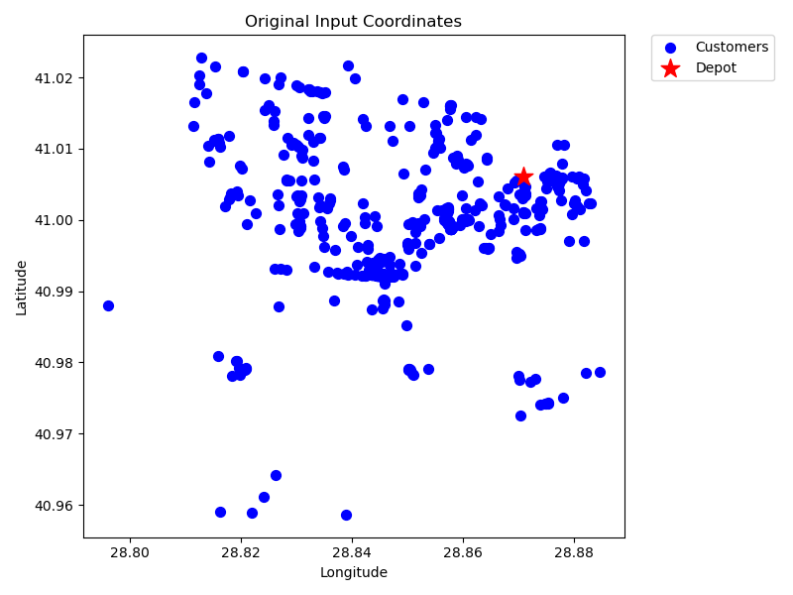
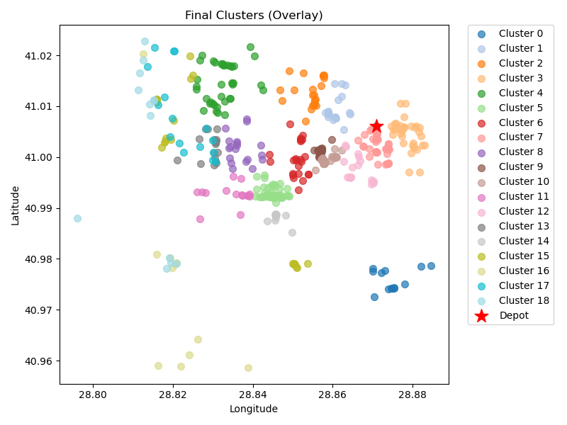
19 | kmeans_18 | 23 | 6.93 | 1.35 | 13.86 | 50 | 63.86
21 | kmeans_18 | 35 | 2.97 | 1.83 | 5.94 | 50 | 55.94
23 | kmeans_18 | 19 | 8.15 | 1.18 | 16.3 | 50 | 66.3
24 | kmeans_split_from_18 | 35 | 3.19 | 1.84 | 6.38 | 50 | 56.38
25 | kmeans_split_from_18 | 33 | 3.45 | 1.75 | 6.89 | 50 | 56.89
29 | kmeans_18 | 16 | 9.49 | 1.07 | 18.98 | 50 | 68.98
38 | kmeans_18 | 18 | 3.69 | 1.01 | 7.38 | 50 | 57.38
46 | kmeans_19 | 18 | 9.39 | 1.17 | 18.77 | 50 | 68.77
458 | kmeans_33 | 9 | 6.76 | 0.64 | 13.52 | 50 | 63.52
8 | nn | 20 | 14.58 | 1.42 | 29.16 | 50 | 79.16
9 | nn | 11 | 20.77 | 1.14 | 41.55 | 50 | 91.55
8 | rand_nn | 16 | 13.28 | 1.18 | 26.56 | 50 | 76.56
9 | rand_nn | 13 | 18.84 | 1.19 | 37.68 | 50 | 87.68

Final Clusters CSV File (Part 11)
split_merge_osm_data_part11.csv

PART 12
Input CSV | Number of Clusters | Overall Distance (km) | Overall Cost ($) | Overall Time (hrs)
set_covering_osm_data_part12.csv | 18 | 189.91934971 | 1279.8386994 | 30.376267134

Cluster ID | Method | Num Nodes | Distance (km) | Time (hrs) | Distance Cost | Hiring Cost | Total Cluster Cost
0 | kmeans_17 | 29 | 5.55 | 1.61 | 11.09 | 50 | 61.09
1 | kmeans_17 | 37 | 14.44 | 2.26 | 28.89 | 50 | 78.89
4 | kmeans_17 | 19 | 7.89 | 1.18 | 15.78 | 50 | 65.78
13 | kmeans_17 | 41 | 13.64 | 2.44 | 27.27 | 50 | 77.27
20 | kmeans_18 | 31 | 18.8 | 2.09 | 37.6 | 50 | 87.6
Input Coordinates Plot (Part 12) | kmeans_18 | 37 | 16.97 | 2.33 | 33.94 | 50 | Final Clusters Plot (Part 12)
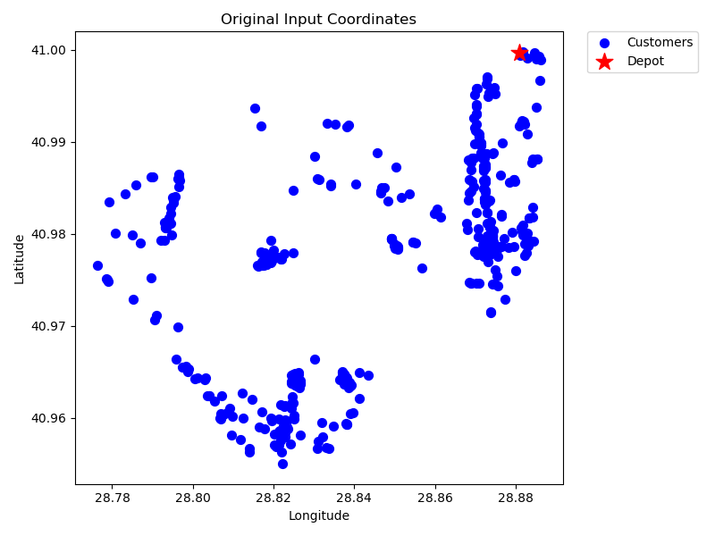
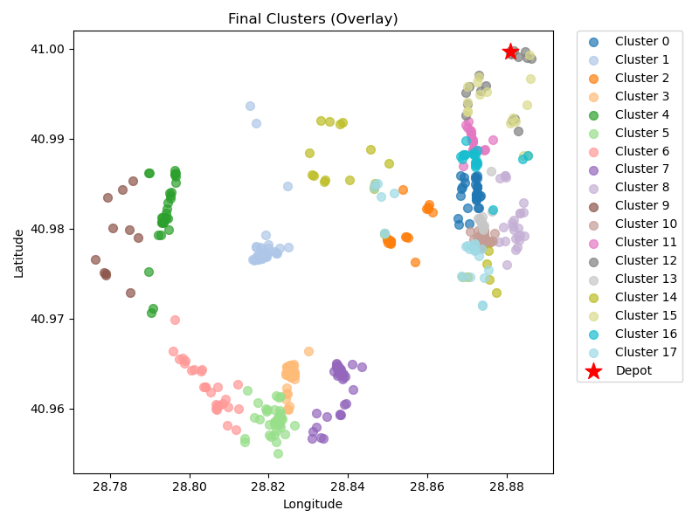
23 | kmeans_18 | 27 | 18.28 | 1.87 | 36.56 | 50 | 86.56
24 | kmeans_18 | 35 | 13.53 | 2.14 | 27.05 | 50 | 77.05
27 | kmeans_18 | 24 | 6.22 | 1.38 | 12.45 | 50 | 62.45
93 | kmeans_21 | 11 | 19.71 | 1.11 | 39.42 | 50 | 89.42
131 | kmeans_split_from_23 | 64 | 6.06 | 3.37 | 12.12 | 50 | 62.12
141 | kmeans_23 | 22 | 4 | 1.21 | 8 | 50 | 58
0 | nn | 17 | 4.7 | 0.98 | 9.4 | 50 | 59.4
1 | nn | 21 | 4.83 | 1.19 | 9.66 | 50 | 59.66
4 | nn | 24 | 13.34 | 1.58 | 26.68 | 50 | 76.68
0 | rand_nn | 16 | 5.39 | 0.95 | 10.78 | 50 | 60.78
1 | rand_nn | 20 | 5.48 | 1.16 | 10.96 | 50 | 60.96
4 | rand_nn | 24 | 11.08 | 1.52 | 22.17 | 50 | 72.17

Final Clusters CSV File (Part 12)
split_merge_osm_data_part12.csv

