1. General Info
How Foodora Works
 | Order made on website or app
 | Restaurant receives notification and prepares the order
 | Order delivered by bikes
 | Delivery zones are small
 | Foodora don’t have bikes

Operating in
 | Norway
 | Sweden
 | Finland
 | Canada

Foodora is delivering food from highend-restaurants right to your door, in other words it’s an on-demand food boutique for the most beloved restaurants in your town that traditionally don’t deliver. Whether it’s an indulgent family-sized pizza, the best sushi in town or the ultimate burger experience – our foodora bikers pick it up and deliver on time.
FOODORA
PAY According to couriers: $4.50 per delivery, plus $1 per kilometre travelled, plus tips. Couriers say by working at busier times and hustling they can make about $20 an hour.
TIPS Encouraged by the company. Prompts for tipping between 10 and 25 per cent, as well as an "other" option, are offered at checkout.
PROS Couriers praise the simplicity of the job - "You pick up food and drop it off, no bullshit" - as well as the flexibility of the hours and ability to self-schedule. Foodora is rare in that it appears to have an actual corporate culture, with a mentorship program in place for junior employees.
"Our dispatch team is based in Toronto, and that's made a huge difference for me," one courier says. "They've always been very understanding if any issues have popped up."
CONS According to the couriers we canvassed: surprisingly few! "It's about as good as a courier position can be. If we could do away with the winter, I'd not be opposed."

 | https://digital.hbs.edu/platform-rctom/submission/foodora-a-digital-revolution-of-the-food-delivery-industry/
 | https://www.foodora.com/about/
 | https://futureworktechnologies.com/how-foodora-works-business-revenue-model
 | https://www.deliveryhero.com/brands/foodora/
 | https://nowtoronto.com/food-and-drink/toronto-food-delivery-services-who-pays-wage/

2. Online Food Delivery - World
https://www.statista.com/outlook/374/100/online-food-delivery/worldwide
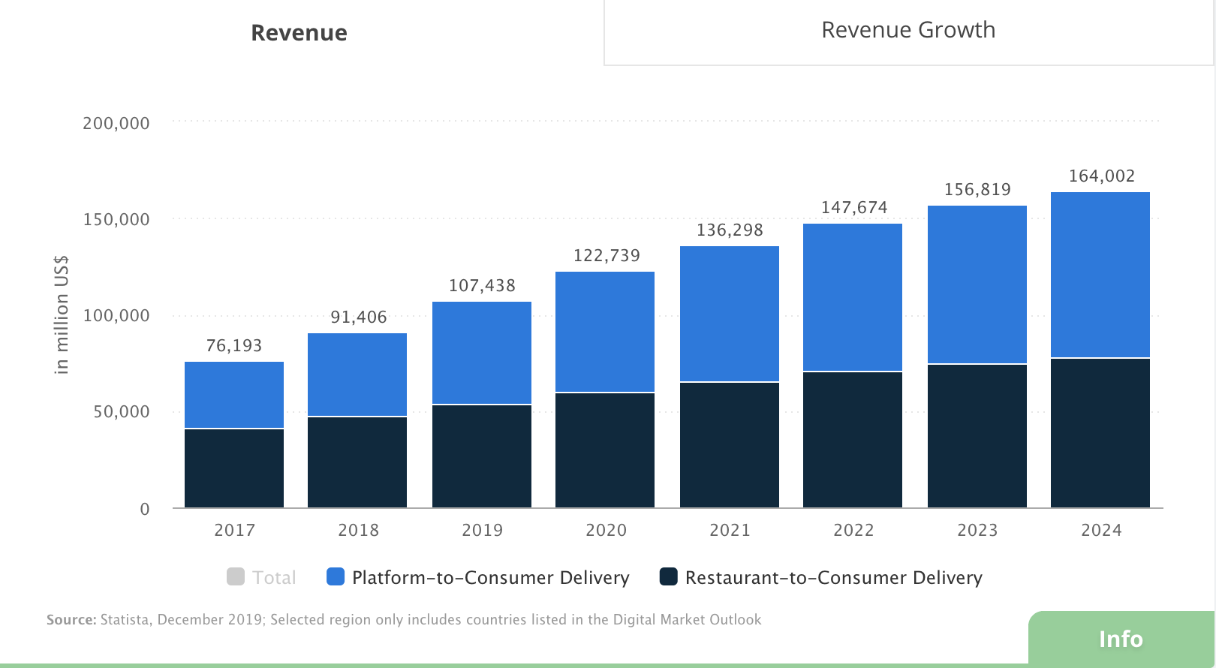
Revenue

 |  | Revenue
 |  |  | P2C | R2C | Total
 |  | 2017 | 35299 | 40892 | 76191
 |  | 2018 | 44282 | 47123 | 91405 | 19.97%
 |  | 2019 | 53785 | 53652 | 107437 | 17.54%
 |  | 2020 | 62797 | 59940 | 122737 | 14.24%
 |  | 2021 | 70673 | 65624 | 136297 | 11.05%
 |  | 2022 | 77135 | 70538 | 147673 | 8.35%
 |  | 2023 | 82176 | 74642 | 156818 | 6.19%
 |  | 2024 | 86006 | 77996 | 164002 | 4.58%

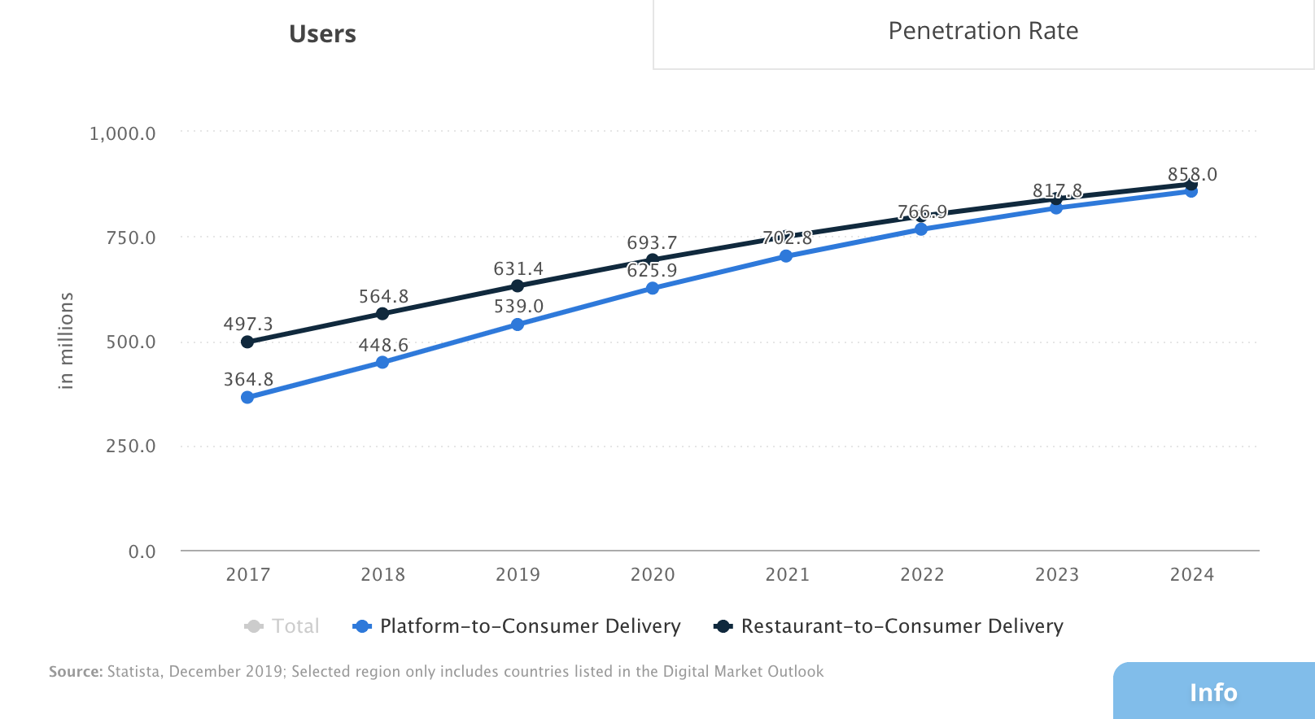
User Increment Rate
 | Inc Rate P2C | Inc Rate R2C
2017
2018 | 22.97% | 13.57%
2019 | 20.15% | 11.79%
2020 | 16.12% | 9.87%
2021 | 12.29% | 8.08%
2022 | 9.12% | 6.51%
2023 | 6.64% | 5.19%
2024 | 4.92% | 4.15%

 | Users
 |  | P2C | R2C | Total | Inc Rate P2C | Inc Rate R2C
 | 2017 | 364.80 | 497.30 | 862.10
 | 2018 | 448.60 | 564.80 | 1013.40 | 22.97% | 13.57%
 | 2019 | 539.00 | 631.40 | 1170.40 | 20.15% | 11.79%
 | 2020 | 625.90 | 693.70 | 1319.60 | 16.12% | 9.87%
 | 2021 | 702.80 | 749.75 | 1452.55 | 12.29% | 8.08%
 | 2022 | 766.90 | 798.59 | 1565.49 | 9.12% | 6.51%
 | 2023 | 817.80 | 840.00 | 1657.80 | 6.64% | 5.19%
 | 2024 | 858.00 | 874.90 | 1732.90 | 4.92% | 4.15%
 | 2025 |  |  | 1809.96
 | 2026 |  |  | 1886.99
 | 2027 |  |  | 1964.02
 | 2028 |  |  | 2041.04
 | 2029 |  |  | 2118.07
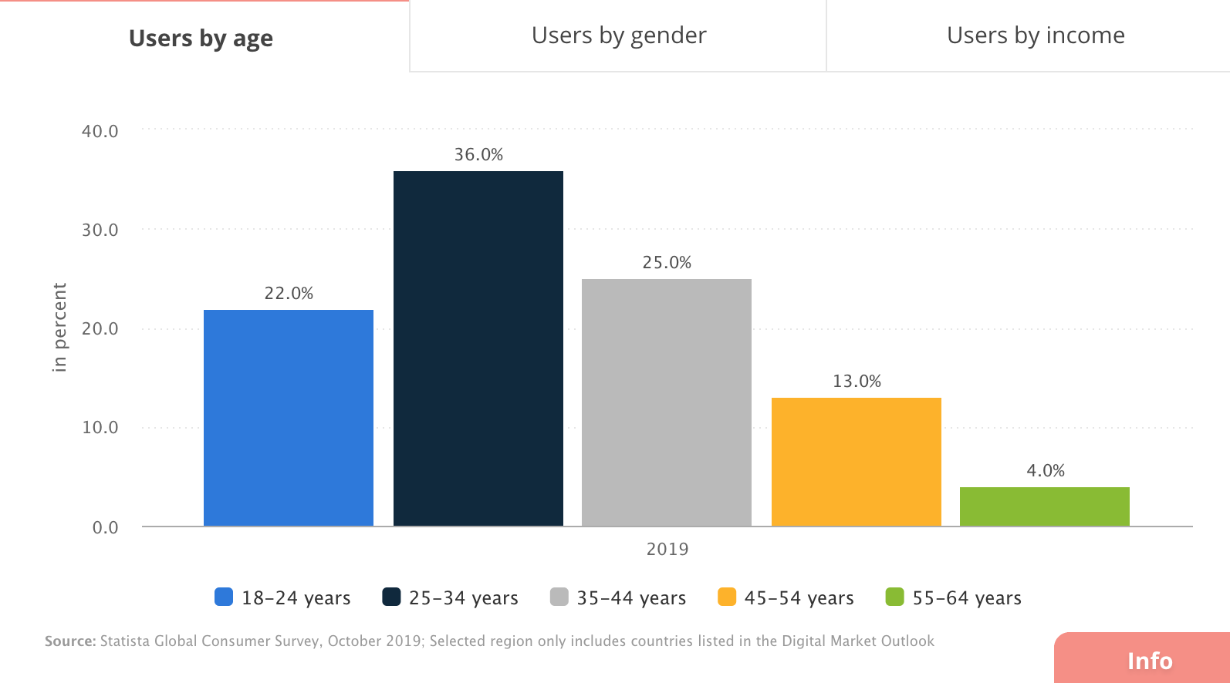
Users by Ager

 |  | Users by Age
 |  |  | 2019
 |  | 18-24 | 22%
 |  | 25-34 | 36%
 |  | 35-44 | 25%
 |  | 45-54 | 23%
 |  | 55-64 | 4%

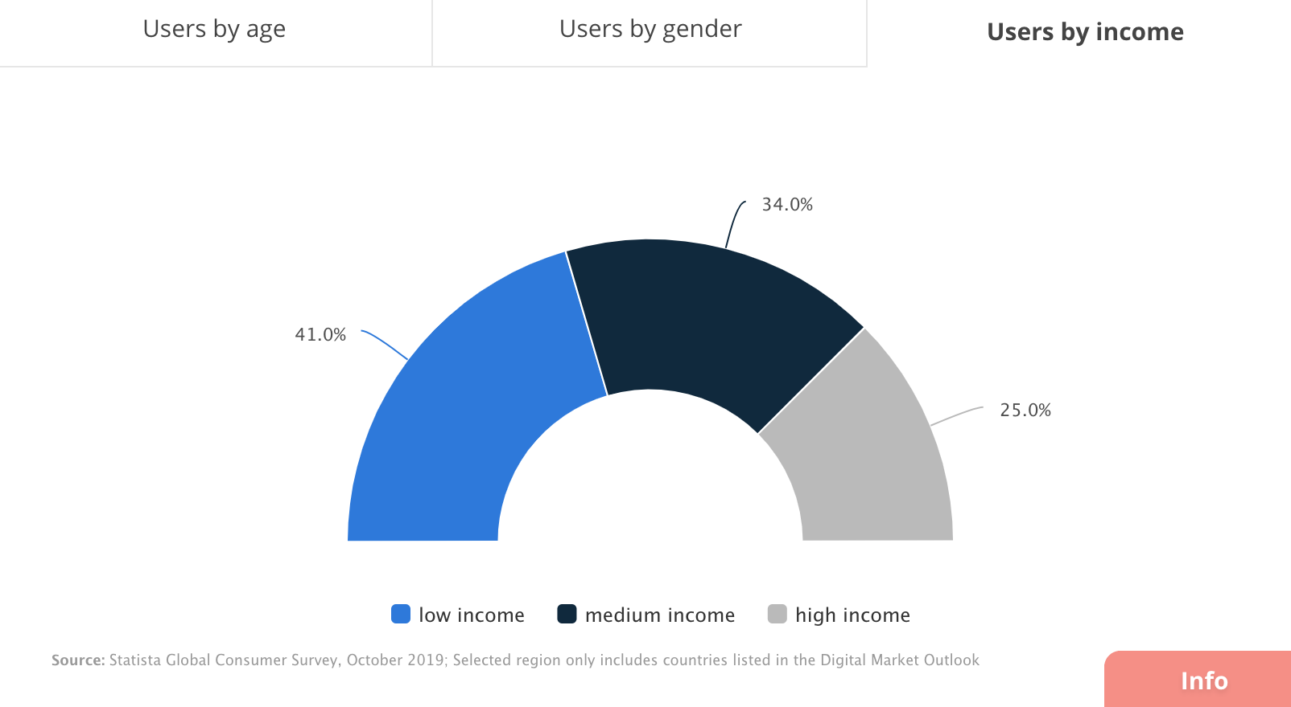
Users by Income

 |  | Users by Income
 |  |  | 2019
 |  | Low Income | 41%
 |  | Med Income | 34%
 |  | High Income | 25%

Top 5 User Penetration Countries

 |  | Top 5 User Penetration Countries
 |  | Singapore | 36.40%
 |  | Netherlands | 34.80%
 |  | UK | 33.10%
 |  | Hong Kong | 32.80%
 |  | Canada | 31.70%

3. Restaurant Consumer Data
https://www.gloriafood.com/restaurant-ideas/advantages-of-online-food-ordering

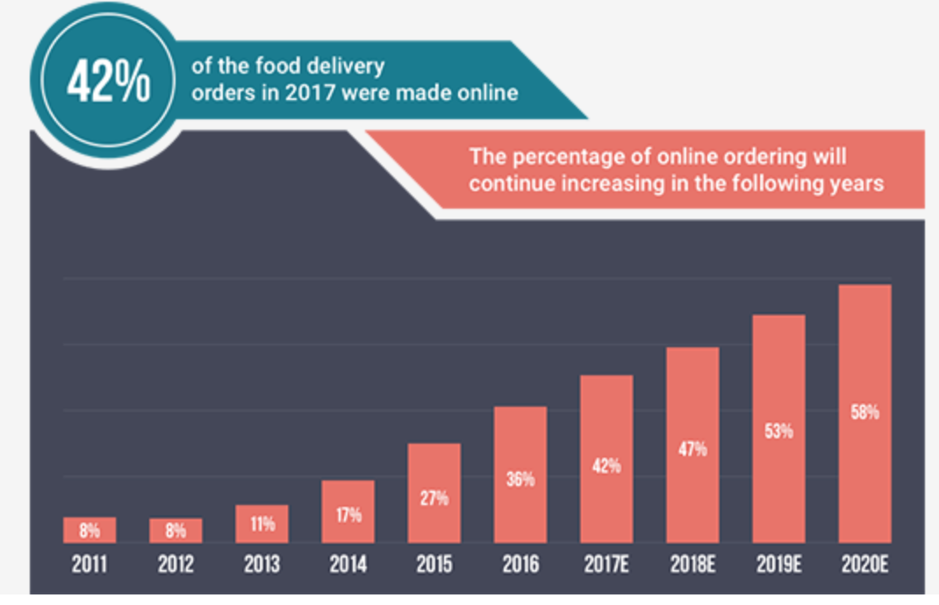
 | Restaurant dining accounts for 43% of the average family's annual food budget
 | Over 97% of millenials actually use their phone for anything
 | When people are hungry they spend 64% more on food
 | Online menu is easier to manage
 | 20% of families sat down for dinner once or twice a week | 1) One Click Away
 |  | 2) Fast, easy, confortable

 | 60% of U.S. consumers order delivery or takeout once a week.
 | 31% say they use these third-party delivery services at least twice a week.
 | 34% of consumers spend at least $50 per order when ordering food online.
 | 20% of consumers say they spend more on off-premise orders compared to a regular dine-in experience.
 | Digital ordering and delivery have grown 300% faster than dine-in traffic since 2014.
 | 70% of consumers say they’d rather order directly from a restaurant, preferring that their money goes straight to the restaurant and not a third party.
 | 57% of millennials say that they have restaurant food delivered so they can watch movies and TV shows at home.
 | 59% of restaurant orders from millennials are takeout or delivery.
 | 33% of consumers say they would be willing to pay a higher fee for faster delivery service.
 | 87% of Americans who use third-party food delivery services agree that it makes their lives easier.

 | 45% of consumers say that offering mobile ordering or loyalty programs would encourage them to use online ordering services more often.
 | 63% of consumers agree that it is more convenient to get delivery than dining out with a family.
 | Americans who have not used a third-party restaurant delivery service say fast delivery (31%), restaurant selection (28%), low order minimums (27%) and first-use coupons (26%) would motivate them to try it.
 | 60% of restaurant operators say that offering delivery has generated incremental sales.
 | Orders placed via smartphone and mobile apps will become a $38 billion industry by 2020.
 | Pizza chains reported an 18% increase in customer spend from online/mobile orders vs. phone orders.
 | Working with a third party delivery service has been found to raise restaurant sales volume by 10 to 20%.
 | Delivery sales could rise an annual average of more than 20% to $365 billion worldwide by 2030, from $35 billion.
 | 43% of restaurant professionals said they believe third-party apps—many of which withhold data—interfere with the direct relationship between a restaurant/bar/pub and its customers.
 | Customers who place an online order with a restaurant will visit that restaurant 67% more frequently than those who don’t.
 | It’s estimated that mobile orders will make up close to 11% of all QSR sales by 2020.
 | Visits to U.S. restaurants where guests paid by mobile app increased by 50% from 2017-18.

 | https://upserve.com/restaurant-insider/online-ordering-statistics/

4. Main Reason to Order Online
https://www.statista.com/statistics/959112/reasons-for-ordering-takeout-food-us/

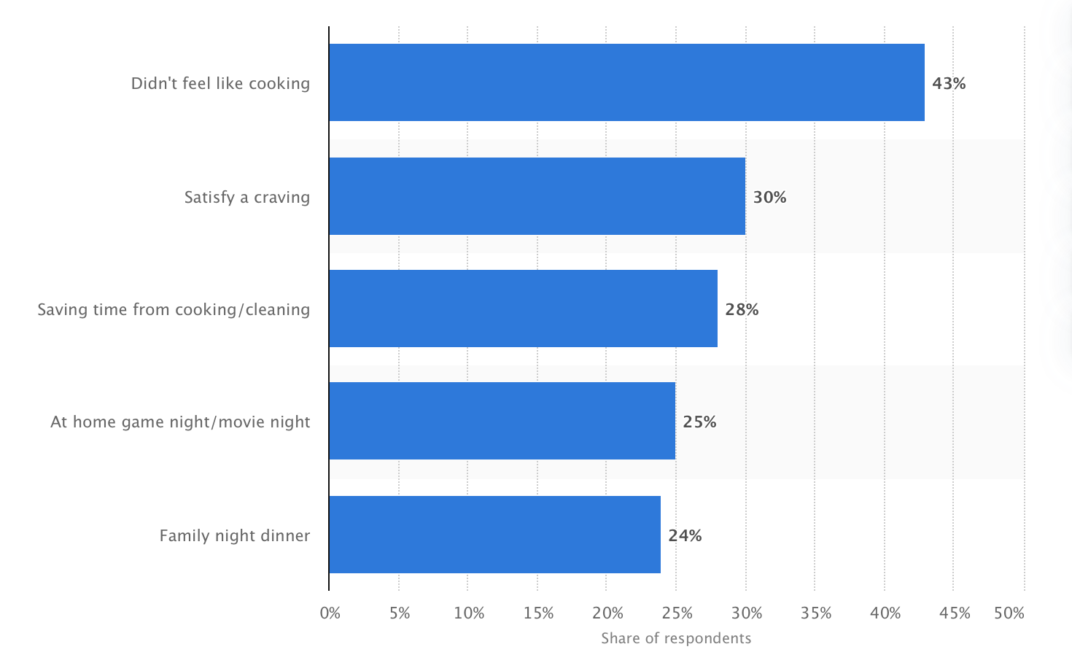
 | Reasons for Ordering Takeout
 |  | 2018
 | Didn’t feel like Cooking | 43%
 | Satisfy a crawing | 30%
 | Saving time for cooking/ cleaning | 28%
 | At home game night / movie night | 25%
 | Family night dinner | 24%

5. Number of Smartphone Users
https://www.statista.com/statistics/330695/number-of-smartphone-users-worldwide/

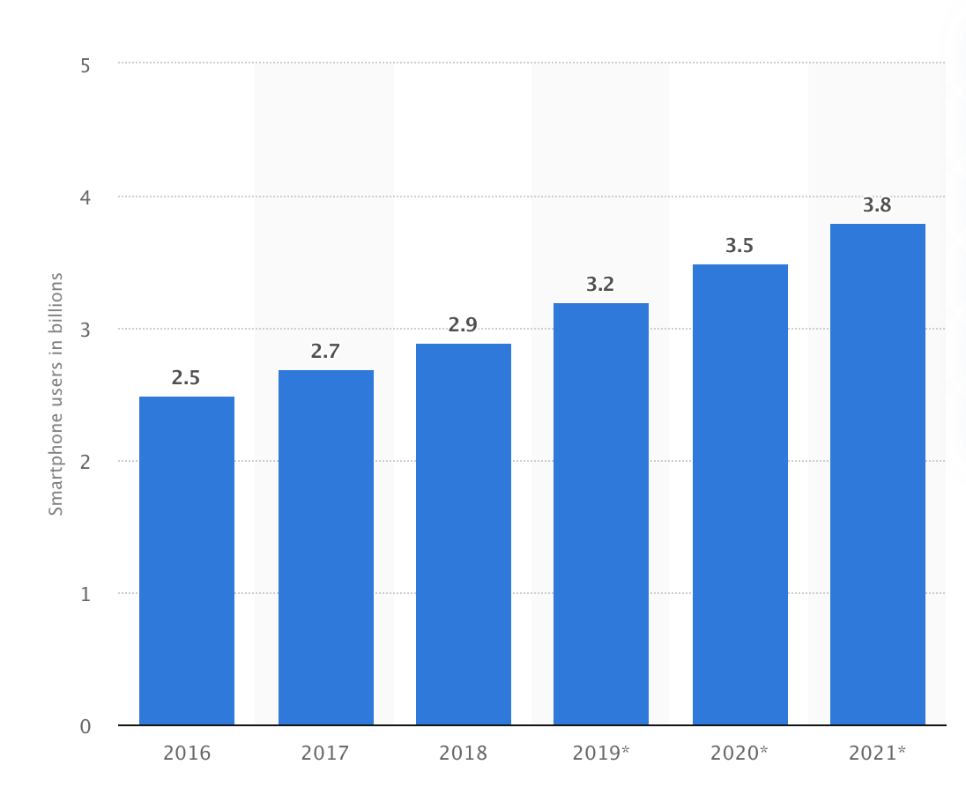
 |  | Billions
 | 2016 | 2.50
 | 2017 | 2.70
 | 2018 | 2.90
 | 2019 | 3.20
 | 2020 | 3.50
 | 2021 | 3.80
 | 2022 | 4.07
 | 2023 | 4.33
 | 2024 | 4.60
 | 2025 | 4.87
 | 2026 | 5.14
 | 2027 | 5.41

6. Employment Rate
https://www.statista.com/statistics/192396/employment-rate-of-women-in-the-us-since-1990/

Employment Rate of Women
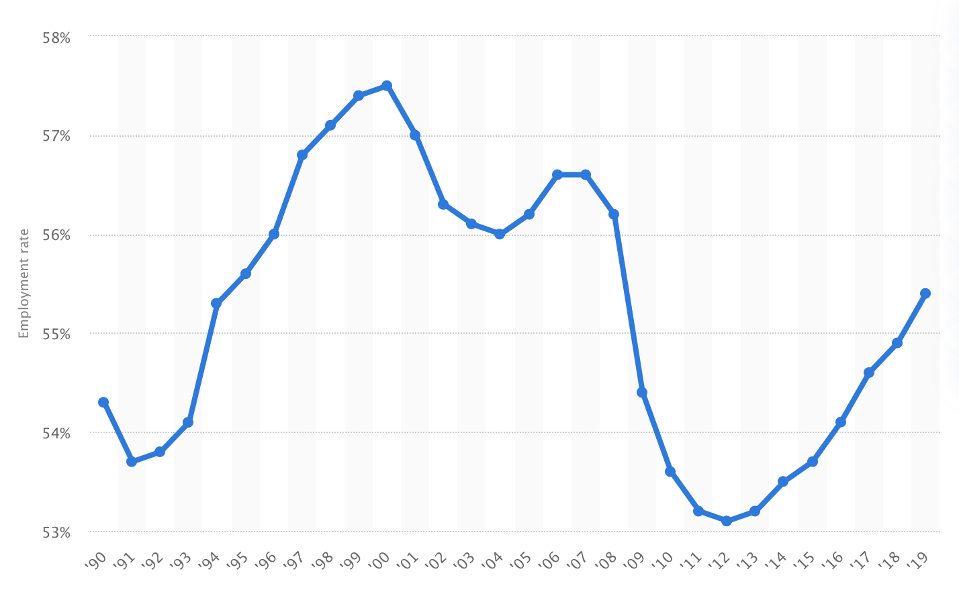
 |  | Women
 | 2012 | 53.10%
 | 2013 | 53.20%
 | 2014 | 53.50%
 | 2015 | 53.70%
 | 2016 | 54.10%
 | 2017 | 54.60%
 | 2018 | 54.90%
 | 2019 | 55.40%
 | 2020 | 55.58%

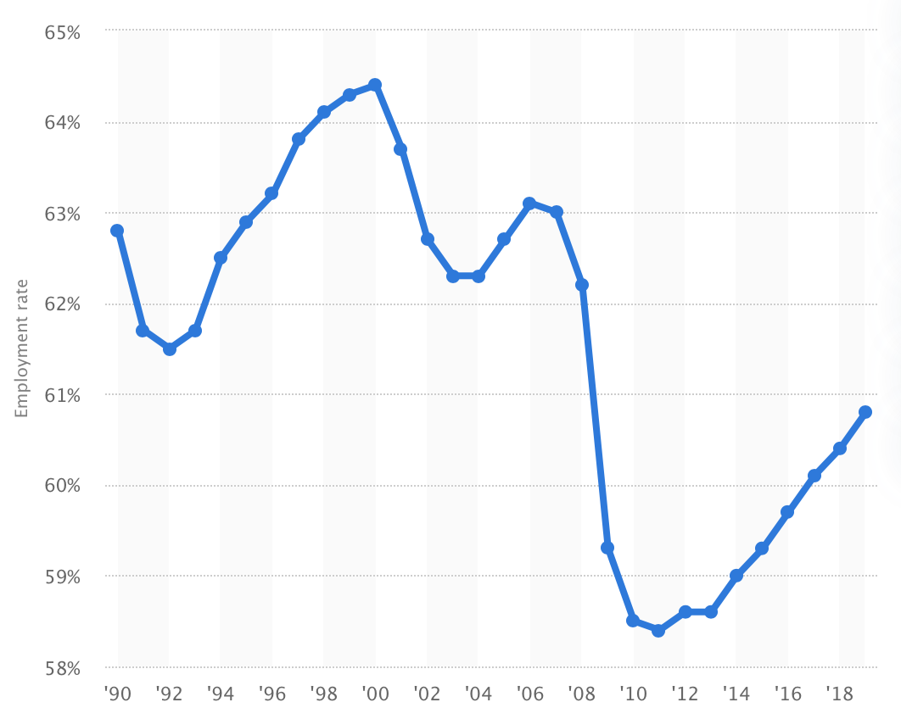

Employment Rate
 |  | Employment
 | 2011 | 58.40%
 | 2012 | 58.60%
 | 2013 | 58.60%
 | 2014 | 59.00%
 | 2015 | 59.30%
 | 2016 | 59.70%
 | 2017 | 60.10%
 | 2018 | 60.40%
 | 2019 | 60.80%

7. Education Rate
https://www.statista.com/statistics/184266/educational-attainment-of-high-school-diploma-or-higher-by-gender/

Education Rate US

 | Education Rate US
 |  | Male | Female
 | 2010 | 86.60% | 87.60%
 | 2011 | 87.10% | 88.00%
 | 2012 | 87.30% | 88.00%
 | 2013 | 87.60% | 88.60%
 | 2014 | 87.70% | 88.90%
 | 2015 | 88.00% | 88.80%
 | 2016 | 88.50% | 89.60%
 | 2017 | 89.10% | 90.00%
 | 2018 | 89.40% | 90.20%
 | 2019 | 89.59% | 90.51%
 | 2020 | 89.92% | 90.84%

9. D. Hero Key Metrics
 | Key Metrics (Fiscal Year)
 | Downloaded On: 05-Mar-2020 | Summary Stats
 | Company: Delivery Hero (ETR: DHER) | Median | Mean | Min | Max | 25th pctile | 75th pctile | Std. Dev | Coefficient of Variation | FY 2018 | FY 2017 | FY 2016 | FY 2015 | FY 2014 | FY 2013 | FY 2012
 | Amounts in Thousands, USD (except Ratios, Multiples & per share items)

 |  |  |  |  |  |  |  |  |  | Filed: 23-Apr-2019 | Filed: 23-Apr-2019 | Filed: 19-Jun-2017 | Filed: 19-Jun-2017 | Filed: 19-Jun-2017 | Filed: 19-Jun-2017 | Filing not available

1 | Income Statement |  |  |  |  |  |  |  |  |  |  |  |  |  |  |  | Total Operating Profit/Loss
1 | Total Revenue | 252,497 | 328,929 | 55,311 | 784,862 | 133,635 | 463,918 | 276,456 | 0.84 | 784,862 | 511,667 | 320,672 | 184,322 | 116,740 | 55,311 |  | 2013 | (36,543)
1 | Gross Profit | 193,532 | 208,411 | 43,517 | 409,719 | 108,655 | 295,734 | 138,723 | 0.67 | 409,719 | 315,887 | 235,277 | 151,788 | 94,278 | 43,517 |  | 2014 | (109,820)
1 | Total Operating Profit/(Loss) | (123,925) | (122,116) | (193,524) | (36,543) | (163,371) | (89,676) | 58,017 | (0.48) | (171,818) | (193,524) | (82,961) | (138,031) | (109,820) | (36,543) |  | 2015 | (138,031)
1 | Earnings Before Interest, Tax, Depreciation, & Amortization (EBITDA) | (170,139) | (167,445) | (284,535) | (39,850) | (233,304) | (106,772) | 93,210 | (0.56) | (240,380) | (284,535) | (128,202) | (212,076) | (99,629) | (39,850) |  | 2016 | (82,961)
1 | Earnings Before Interest and Tax (EBIT) | (224,178) | (210,152) | (346,224) | (43,043) | (296,828) | (132,729) | 116,979 | (0.56) | (308,705) | (346,224) | (187,160) | (261,196) | (114,586) | (43,043) |  | 2017 | (193,524)
1 | Net Income from Continuing Operations | (241,414) | (225,102) | (374,869) | (47,992) | (313,053) | (141,349) | 124,880 | (0.55) | (326,996) | (374,869) | (211,606) | (271,222) | (117,930) | (47,992) |  | 2018 | (171,818)
1 | Net Income Available to Common Stockholders | (160,713) | (178,940) | (389,192) | (45,079) | (255,347) | (63,467) | 136,521 | (0.76) | (45,079) | (389,192) | (207,292) | (271,365) | (114,133) | (46,578)
1 | Normalized Income | (128,383) | (141,784) | (235,910) | (40,360) | (213,186) | (89,255) | 80,526 | (0.57) | (231,635) | (235,910) | (86,031) | (157,839) | (98,927) | (40,360)
1 | Diluted EPS from Continuing Operations | (1.35) | (1.29) | (2.36) | (0.27) | (1.68) | (0.79) | 0.75 | (0.58) | (1.73) | (2.36) | (1.18) | (1.52) | (0.66) | (0.27)
1 | Normalized Diluted EPS | (0.71) | (0.80) | (1.48) | (0.23) | (1.13) | (0.48) | 0.48 | (0.60) | (1.22) | (1.48) | (0.45) | (0.86) | (0.55) | (0.23)
1 | Diluted Weighted Average Shares Outstanding | 171,998,900 | 171,983,100 | 157,734,000 | 186,169,000 | 171,998,900 | 171,998,900 | 8,991,970 | 0.05 | 186,169,000 | 157,734,000 | 171,998,900 | 171,998,900 | 171,998,900 | 171,998,900
1 | Balance Sheet
1 | Total Current Assets | 211,412 | 366,579 | 21,037 | 1,001,830 | 45,173 | 620,713 | 420,129 | 1.15 | 1,001,830 | 917,293 | 324,134 | 211,412 | 58,193 | 32,152 | 21,037
1 | Net Property, Plant and Equipment | 8,403 | 14,796 | 1,065 | 44,383 | 2,733 | 22,127 | 16,204 | 1.10 | 44,383 | 27,953 | 16,301 | 8,403 | 4,181 | 1,286 | 1,065
1 | Total Non-Current Assets | 1,291,695 | 906,281 | 118,375 | 1,539,938 | 346,970 | 1,350,010 | 618,422 | 0.68 | 1,291,695 | 1,539,938 | 1,392,348 | 1,307,672 | 571,446 | 122,493 | 118,375 | Total Revenue
1 | Total Assets | 1,519,084 | 1,272,860 | 139,412 | 2,457,231 | 392,142 | 2,005,004 | 970,460 | 0.76 | 2,293,526 | 2,457,231 | 1,716,482 | 1,519,084 | 629,638 | 154,645 | 139,412 | 2013 | 55,311
1 | Total Current Liabilities | 197,575 | 187,624 | 58,483 | 374,514 | 83,327 | 258,071 | 118,031 | 0.63 | 374,514 | 266,574 | 249,569 | 197,575 | 77,942 | 58,483 | 88,711 | 2014 | 116,740
1 | Total Non-Current Liabilities | 126,209 | 212,205 | 7,542 | 528,585 | 56,865 | 354,685 | 213,081 | 1.00 | 71,494 | 126,209 | 528,585 | 484,594 | 224,777 | 42,235 | 7,542 | 2015 | 184,322
1 | Total Liabilities | 392,783 | 399,829 | 96,253 | 778,154 | 201,719 | 564,089 | 263,339 | 0.66 | 446,008 | 392,783 | 778,154 | 682,169 | 302,719 | 100,718 | 96,253 | 2016 | 320,672
1 | Total Equity | 836,914 | 873,030 | 43,159 | 2,064,448 | 190,423 | 1,392,923 | 819,809 | 0.94 | 1,847,518 | 2,064,448 | 938,328 | 836,914 | 326,919 | 53,927 | 43,159 | 2017 | 511,667
1 | Equity Attributable to Parent Stockholders | 843,987 | 876,007 | 44,777 | 2,062,648 | 191,031 | 1,399,287 | 819,547 | 0.94 | 1,850,149 | 2,062,648 | 948,425 | 843,987 | 327,556 | 54,506 | 44,777 | 2018 | 784,862
1 | Total Debt | 1,012 | 18,255 | 0 | 123,575 | 75 | 1,523 | 46,447 | 2.54 | 1,487 | 1,560 | 123,575 | 0 | 1,012 | 52 | 98
1 | Total Shares Outstanding (TSO) | 184,165,432 | 184,165,432 | 182,478,600 | 185,852,264 | 183,322,016 | 185,008,848 | 2,385,541 | 0.01 | 185,852,264 | 182,478,600
1 | Working Capital | 13,837 | 178,955 | (67,674) | 650,719 | (23,040) | 350,941 | 317,333 | 1.77 | 627,316 | 650,719 | 74,566 | 13,837 | (19,749) | (26,330) | (67,674)
1 | Cash Flow
1 | Cash Flow from Operating Activities, Indirect | (134,556) | (133,741) | (237,507) | (29,273) | (186,410) | (80,784) | 78,390 | (0.59) | (194,239) | (237,507) | (106,190) | (162,922) | (72,316) | (29,273)
1 | Cash Flow from Investing Activities | (88,146) | (123,969) | (401,435) | 123,667 | (247,337) | (14,050) | 192,511 | (1.55) | (43,780) | (132,512) | 123,667 | (285,612) | (401,435) | (4,139)
1 | Cash Flow from Financing Activities | 284,765 | 341,925 | 12,509 | 844,470 | 41,225 | 569,939 | 352,720 | 1.03 | 12,509 | 844,470 | 64,599 | 591,609 | 504,930 | 33,434
1 | Change in Cash | 56,628 | 84,215 | (225,511) | 474,450 | 7,811 | 127,825 | 228,729 | 2.72 | (225,511) | 474,450 | 82,076 | 143,075 | 31,180 | 21
1 | Capital Expenditure (Calc) | 15,331 | 21,027 | 1,340 | 58,177 | 10,000 | 24,654 | 20,167 | 0.96 | 58,177 | 26,051 | 20,464 | 9,934 | 10,198 | 1,340
1 | Issuance of/(Payments for) Common Stock, Net | 214,648 | 370,821 | 442 | 1,272,569 | 17,324 | 481,963 | 493,118 | 1.33 | 14,161 | 1,272,569 | 442 | 508,455 | 402,484 | 26,812
1 | Cash and Cash Equivalents, Beginning of Period | 102,187 | 206,478 | 11,292 | 733,127 | 18,769 | 249,879 | 278,706 | 1.35 | 733,127 | 277,011 | 168,483 | 35,892 | 11,292 | 13,062
1 | Cash and Cash Equivalents, End of Period | 208,965 | 290,442 | 12,823 | 768,889 | 73,714 | 438,026 | 293,099 | 1.01 | 503,089 | 768,889 | 242,838 | 175,092 | 39,921 | 12,823
1 | Ratios
1 | EBITDA Margin | -63.83% | -66.44% | -115.06% | -30.63% | -82.02% | -43.89% | 31.15% | (0.47) | -30.63% | -55.61% | -39.98% | -115.06% | -85.34% | -72.05%
1 | Revenue % Growth | 74.47% | 75.52% | 46.59% | 111.24% | 56.50% | 88.80% | 25.75% | 0.34 | 46.59% | 56.50% | 74.47% | 88.80% | 111.24%
1 | Current Ratio | 1.07 | 1.43 | 0.24 | 3.44 | 0.65 | 1.99 | 1.18 | 0.83 | 2.68 | 3.44 | 1.30 | 1.07 | 0.75 | 0.55 | 0.24
1 | Quick Ratio | 1.02 | 1.18 | 0.22 | 3.23 | 0.63 | 1.28 | 0.98 | 0.83 | 1.38 | 3.23 | 1.18 | 1.02 | 0.73 | 0.52 | 0.22
1 | Debt to Equity | 0.00 | 0.05 | 0.00 | 0.13 | 0.00 | 0.10 | 0.06 | 1.27 | 0.00 | 0.00 | 0.13 | 0.00 | 0.00 | 0.10 | 0.10
1 | Total Debt to Equity | 0.10 | 0.09 | 0.00 | 0.13 | 0.10 | 0.10 | 0.04 | 0.46 | 0.10 | 0.10 | 0.13 | 0.00 | 0.10 | 0.10 | 0.10
1 | Total Asset Turnover | 0.27 | 0.27 | 0.17 | 0.38 | 0.21 | 0.32 | 0.08 | 0.29 | 0.33 | 0.24 | 0.20 | 0.17 | 0.30 | 0.38
1 | Normalized Return on Equity | -21.97% | -33.02% | -81.30% | -9.60% | -45.58% | -12.88% | 28.24% | (0.86) | -11.51% | -16.99% | -9.60% | -26.95% | -51.79% | -81.30%
1 | Normalized Return on Assets | -12.99% | -15.60% | -27.45% | -5.32% | -22.59% | -10.02% | 8.88% | (0.57) | -9.60% | -11.28% | -5.32% | -14.69% | -25.23% | -27.45%
1 | Normalized Return on Invested Capital | -19.98% | -29.24% | -71.94% | -5.41% | -41.14% | -12.46% | 25.39% | (0.87) | -11.62% | -14.97% | -5.41% | -24.99% | -46.53% | -71.94%
1 | Multiples*
1 | Stock Price | 38.27 | 38.27 | 37.15 | 39.40 | 37.71 | 38.83 | 1.59 | 0.04 | 37.15 | 39.40
1 | Market Cap | 7,050,192 | 7,050,192 | 6,911,555 | 7,188,828 | 6,980,873 | 7,119,510 | 196,062 | 0.03 | 6,911,555 | 7,188,828
1 | Enterprise Value | 6,555,350 | 6,555,350 | 6,140,937 | 6,969,763 | 6,348,143 | 6,762,557 | 586,069 | 0.09 | 6,140,937 | 6,969,763
1 | Enterprise Value to Revenue | 11.87 | 11.87 | 8.08 | 15.66 | 9.97 | 13.76 | 5.36 | 0.45 | 8.08 | 15.66
1 | Price to Book (PB) | 3.62 | 3.62 | 3.23 | 4.00 | 3.42 | 3.81 | 0.55 | 0.15 | 3.23 | 4.00
1 | Price to Tangible Book Value | 22.27 | 22.27 | 8.87 | 35.68 | 15.57 | 28.98 | 18.96 | 0.85 | 8.87 | 35.68
1 | Data Origination
1 | Preliminary |  |  |  |  |  |  |  |  | No | No | No | No | No | No | No
1 | Original |  |  |  |  |  |  |  |  | No | No | No | No | No | No | No
1 | Restated |  |  |  |  |  |  |  |  | No | No | No | No | No | No | No
1 | Calculated |  |  |  |  |  |  |  |  | No | No | No | No | No | No | No

 | © PitchBook Data, Inc. 2020
 | Public Fundamental Data provided by Morningstar, Inc.

10. Cost and Revenue
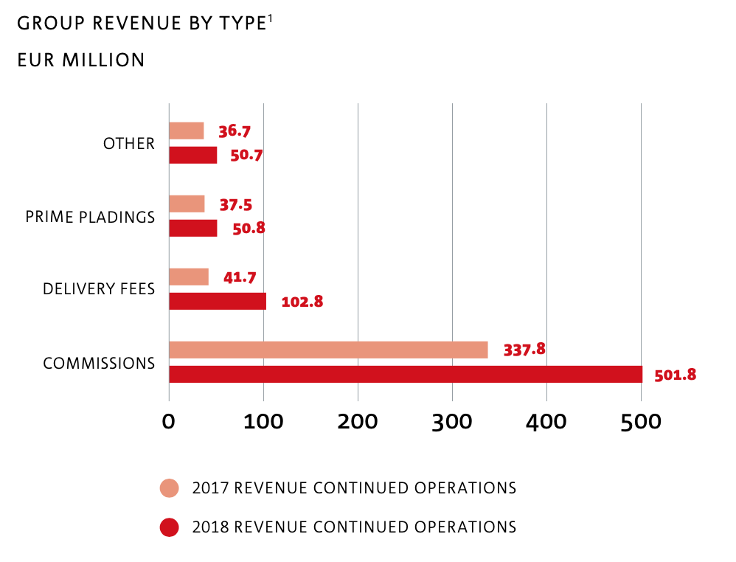
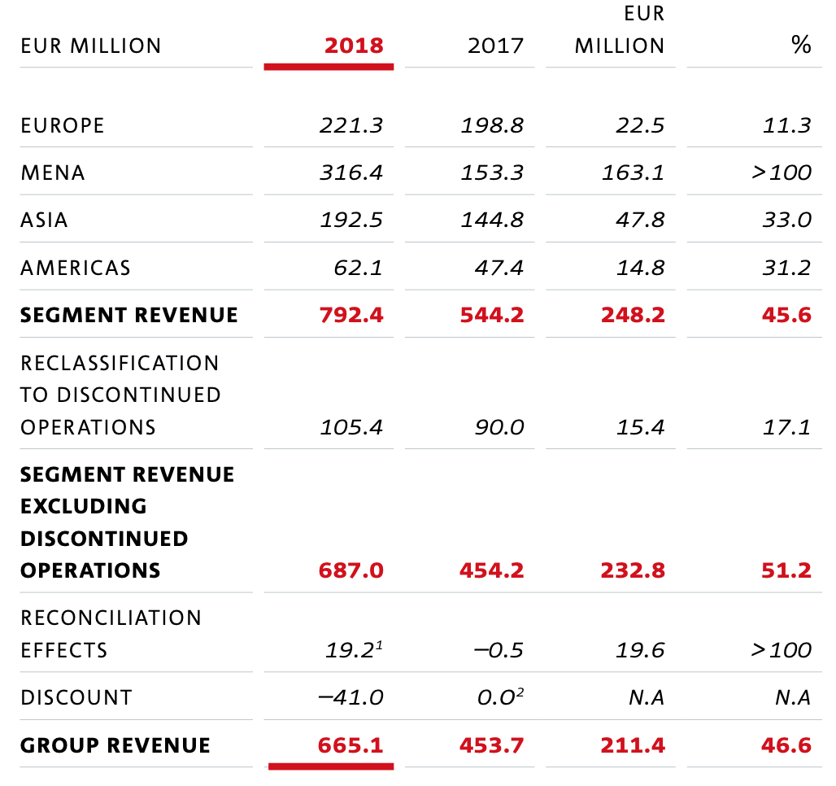
https://ir.deliveryhero.com/download/companies/delivery/Annual%20Reports/Final_secured_en.pdf
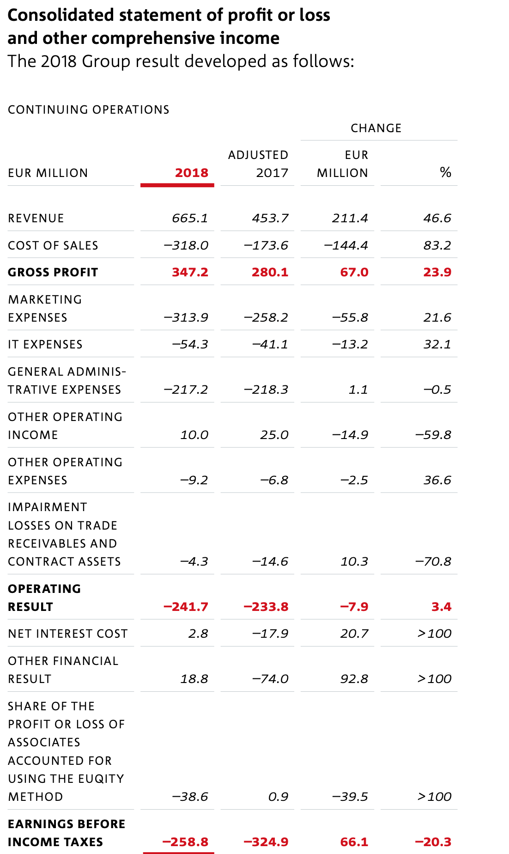
 | Foodora Operates in both Europe and Americas and there is no financial records for just Foodora
 | So, I will use Delivery Hero data and show percentages

 | Delivery Hero Expenses | Millions | Percentage
 | Cost of Sales | € (318.00) | 34.68%
 | Marketing Expenses | € (313.90) | 34.23%
 | IT Expenses | € (54.30) | 5.92%
 | General Administrative Expenses | € (217.20) | 23.69%
 | Other Operating Expenses | € (9.20) | 1.00%
 | Impairment Loses | € (4.30) | 0.47%
 | Total | € (916.90) | 100%

 | Delivery Hero Revenues | Millions | Percentage
 | Commissions | € 501.80 | 71.07%
 | Delivery Fees | € 102.80 | 14.56%
 | Prime Pladings | € 50.80 | 7.19%
 | Other | € 50.70 | 7.18%
 | Total | € 706.10 | 100%

11. Regression
Online Orders Employment Rate |  |  |  |  |  |  |  |  |  |  | Online Orders vs Education Rate |  |  |  |  |  |  |  |  |  |  |  |  |  |  | Online Orders vs Employment and Education |  |  |  |  |  |  |  |  | Online Orders vs Smartphone Users |  |  |  |  |  |  |  |  | Online Orders vs Employment, Education and Smartphones

Online Orders Revenue |  |  |  |  | Women Employment Rate |  |  | Employment Rate |  |  | Online Orders Revenue |  |  |  |  | Education Rate (Male and Female) |  |  |  |  |  |  |  |  |  |  | Online Orders Revenue | Employment Rate | Education Rate |  |  |  |  |  | Online Orders Revenue |  |  |  |  | # of Smartphone Users |  |  |  |  | Online Orders Revenue | Employment Rate | Education Rate | # of Smartphone Users
 | P2C | R2C | Total |  | 2012 | 53.10% |  | 2012 | 58.60% |  |  | P2C | R2C | Total |  |  | Male | Female |  |  |  |  |  |  |  | 2017 | 76191 | 60.10% | 90.00% |  |  |  |  |  |  | P2C | R2C | Total |  | 2016 | 2.50 |  |  | 2017 | 76,191 | 60% | 90% | 2.70
2017 | 35299 | 40892 | 76191 |  | 2013 | 53.20% |  | 2013 | 58.60% |  | 2017 | 35299 | 40892 | 76191 |  | 2010 | 86.60% | 87.60% |  |  |  |  |  |  |  | 2018 | 91405 | 60.40% | 90.20% |  |  |  |  |  | 2017 | 35299 | 40892 | 76191 |  | 2017 | 2.70 |  |  | 2018 | 91,405 | 60% | 90% | 2.90
2018 | 44282 | 47123 | 91405 |  | 2014 | 53.50% |  | 2014 | 59.00% |  | 2018 | 44282 | 47123 | 91405 |  | 2011 | 87.10% | 88.00% |  |  |  |  |  |  |  | 2019 | 107437 | 60.80% | 90.70% |  |  |  |  |  | 2018 | 44282 | 47123 | 91405 |  | 2018 | 2.90 |  |  | 2019 | 107,437 | 61% | 91% | 3.20
2019 | 53785 | 53652 | 107437 |  | 2015 | 53.70% |  | 2015 | 59.30% |  | 2019 | 53785 | 53652 | 107437 |  | 2012 | 87.30% | 88.00% |  |  |  |  |  |  |  | 2020 | 122737 | 61.12% | 91.05% |  |  |  |  |  | 2019 | 53785 | 53652 | 107437 |  | 2019 | 3.20 |  |  | 2020 | 122,737 | 61% | 91% | 3.50
2020 | 62797 | 59940 | 122737 |  | 2016 | 54.10% |  | 2016 | 59.70% |  | 2020 | 62797 | 59940 | 122737 |  | 2013 | 87.60% | 88.60% |  |  |  |  |  |  |  | 2021 | 136297 | 61.45% | 91.14% |  |  |  |  |  | 2020 | 62797 | 59940 | 122737 |  | 2020 | 3.50 |  |  | 2021 | 136,297 | 61% | 91% | 3.80
2021 | 70673 | 65624 | 136297 |  | 2017 | 54.60% |  | 2017 | 60.10% |  | 2021 | 70673 | 65624 | 136297 |  | 2014 | 87.70% | 88.90% |  |  |  |  |  |  |  | 2022 | 147673 | 61.79% | 91.74% |  |  |  |  |  | 2021 | 70673 | 65624 | 136297 |  | 2021 | 3.80 |  |  | 2022 | 147,673 | 62% | 92% | 4.07
2022 | 77135 | 70538 | 147673 |  | 2018 | 54.90% |  | 2018 | 60.40% |  | 2022 | 77135 | 70538 | 147673 |  | 2015 | 88.00% | 88.80% |  |  |  |  |  |  |  | 2023 | 156818 | 62.12% | 92.10% |  |  |  |  |  | 2022 | 77135 | 70538 | 147673 |  | 2022 | 4.07 |  |  | 2023 | 156,818 | 62% | 92% | 4.33
2023 | 82176 | 74642 | 156818 |  | 2019 | 55.40% |  | 2019 | 60.80% |  | 2023 | 82176 | 74642 | 156818 |  | 2016 | 88.50% | 89.60% |  |  |  |  |  |  |  | 2024 | 164002 | 62.46% | 92.19% |  |  |  |  |  | 2023 | 82176 | 74642 | 156818 |  | 2023 | 4.33 |  |  | 2024 | 164,002 | 62% | 92% | 4.60
2024 | 86006 | 77996 | 164002 |  | 2020 | 55.72% |  | 2020 | 61.12% |  | 2024 | 86006 | 77996 | 164002 |  | 2017 | 89.10% | 90.00% |  |  |  |  |  |  |  | 2025 | 171409 | 62.79% | 92.79% |  |  |  |  |  | 2024 | 86006 | 77996 | 164002 |  | 2024 | 4.60 |  |  | 2025 | 171,409 | 63% | 93% | 4.87
2025 | 89974 | 81435 | 171409 |  | 2021 | 56.06% |  | 2021 | 61.45% |  | 2025 | 89974 | 81435 | 171409 |  | 2018 | 89.40% | 90.20% |  |  |  |  |  |  |  | 2026 | 178811 | 63.12% | 93.14% |  |  |  |  |  | 2025 | 89974 | 81435 | 171409 |  | 2025 | 4.87 |  |  | 2026 | 178,811 | 63% | 93% | 5.14
2026 | 93939 | 84872 | 178811 |  | 2022 | 56.39% |  | 2022 | 61.79% |  | 2026 | 93939 | 84872 | 178811 |  | 2019 | 89.73% | 90.70% |  |  |  |  |  |  |  | 2027 | 186213 | 63.46% | 93.23% |  |  |  |  |  | 2026 | 93939 | 84872 | 178811 |  | 2026 | 5.14 |  |  | 2027 | 186,213 | 63% | 93% | 5.41
2027 | 97904 | 88309 | 186213 |  | 2023 | 56.73% |  | 2023 | 62.12% |  | 2027 | 97904 | 88309 | 186213 |  | 2020 | 90.07% | 91.05% |  |  |  |  |  |  |  |  |  |  |  |  |  |  |  |  | 2027 | 97904 | 88309 | 186213 |  | 2027 | 5.41
 |  |  |  |  | 2024 | 57.07% |  | 2024 | 62.46% |  |  |  |  |  |  | 2021 | 90.40% | 91.14%
 |  |  |  |  | 2025 | 57.40% |  | 2025 | 62.79% |  |  |  |  |  |  | 2022 | 90.73% | 91.74%
 | : Prediction |  |  |  | 2026 | 57.74% |  | 2026 | 63.12% |  |  | : Prediction |  |  |  | 2023 | 91.07% | 92.10% |  |  |  |  |  |  |  | SUMMARY OUTPUT |  |  |  |  |  |  |  |  | SUMMARY OUTPUT |  |  |  |  |  |  |  |  | SUMMARY OUTPUT
 |  |  |  |  | 2027 | 58.08% |  | 2027 | 63.46% |  |  |  |  |  |  | 2024 | 91.40% | 92.19%
 |  |  |  |  |  |  |  |  |  |  |  |  |  |  |  | 2025 | 91.73% | 92.79% |  |  |  |  |  |  |  | Regression Statistics |  |  |  |  |  |  |  |  | Regression Statistics |  |  |  |  |  |  |  |  | Regression Statistics
 |  |  |  |  |  |  |  |  |  |  |  |  |  |  |  | 2026 | 92.07% | 93.14% |  |  |  |  |  |  |  | Multiple R | 0.98673408907 |  |  |  |  |  |  |  | Multiple R | 0.98716203935 |  |  |  |  |  |  |  | Multiple R | 0.98720565073
 |  |  |  |  |  |  |  |  |  |  |  |  |  |  |  | 2027 | 92.40% | 93.23% |  |  |  |  |  |  |  | R Square | 0.97364416253 |  |  |  |  |  |  |  | R Square | 0.97448889193 |  |  |  |  |  |  |  | R Square | 0.97457499683
SUMMARY OUTPUT (Women) |  |  |  |  |  |  |  |  |  |  | SUMMARY OUTPUT |  |  |  |  |  |  |  |  |  |  |  |  |  |  | Adjusted R Square | 0.96705520316 |  |  |  |  |  |  |  | Adjusted R Square | 0.97165432436 |  |  |  |  |  |  |  | Adjusted R Square | 0.9636785669
 |  |  |  |  |  |  |  |  |  |  |  |  |  |  |  |  |  |  |  |  |  |  |  |  |  | Standard Error | 6632.1773437 |  |  |  |  |  |  |  | Standard Error | 6151.855423 |  |  |  |  |  |  |  | Standard Error | 6963.7665194
Regression Statistics |  |  |  |  |  |  |  |  |  |  | Regression Statistics |  |  |  |  |  |  |  |  |  |  |  |  |  |  | Observations | 11 |  |  |  |  |  |  |  | Observations | 11 |  |  |  |  |  |  |  | Observations | 11
Multiple R | 0.98940092595 |  |  |  |  |  |  |  |  |  | Multiple R | 0.98516255094
R Square | 0.97891419227 |  |  |  |  |  |  |  |  |  | R Square | 0.97054525178 |  |  |  |  |  |  |  |  |  |  |  |  |  | ANOVA |  |  |  |  |  |  |  |  | ANOVA |  |  |  |  |  |  |  |  | ANOVA
Adjusted R Square | 0.97657132474 |  |  |  |  |  |  |  |  |  | Adjusted R Square | 0.96318156472 |  |  |  |  |  |  |  |  |  |  |  |  |  |  | df | SS | MS | F | Significance F |  |  |  |  | df | SS | MS | F | Significance F |  |  |  |  | df | SS | MS | F | Significance F
Standard Error | 5592.8938947 |  |  |  |  |  |  |  |  |  | Standard Error | 7011.2487846 |  |  |  |  |  |  |  |  |  |  |  |  |  | Regression | 2 | 12999471376 | 6499735688.1 | 147.76903427 | 4.8251107126E-07 |  |  |  | Regression | 1 | 13010749661 | 13010749661 | 343.78749847 | 1.7686603385E-08 |  |  |  | Regression | 3 | 13011899278 | 4337299759.3 | 89.439844346 | 6.0408401655E-06
Observations | 11 |  |  |  |  |  |  |  |  |  | Observations | 11 |  |  |  |  |  |  |  |  |  |  |  |  |  | Residual | 8 | 351886210.55 | 43985776.319 |  |  |  |  |  | Residual | 9 | 340607926.31 | 37845325.146 |  |  |  |  |  | Residual | 7 | 339458308.95 | 48494044.136
 |  |  |  |  |  |  |  |  |  |  |  |  |  |  |  |  |  |  |  |  |  |  |  |  |  | Total | 10 | 13351357587 |  |  |  |  |  |  | Total | 10 | 13351357587 |  |  |  |  |  |  | Total | 10 | 13351357587
ANOVA |  |  |  |  |  |  |  |  |  |  | ANOVA
 | df | SS | MS | F | Significance F |  |  |  |  |  |  | df | SS | MS | F | Significance F |  |  |  |  |  |  |  |  |  |  | Coefficients | Standard Error | t Stat | P-value | Lower 95% | Upper 95% | Lower 95.0% | Upper 95.0% |  | Coefficients | Standard Error | t Stat | P-value | Lower 95% | Upper 95% | Lower 95.0% | Upper 95.0% |  | Coefficients | Standard Error | t Stat | P-value | Lower 95% | Upper 95% | Lower 95.0% | Upper 95.0%
Regression | 1 | 13069833428 | 13069833428 | 417.82737668 | 7.4905940348E-09 |  |  |  |  |  | Regression | 2 | 12958096711 | 6479048355.3 | 131.80153426 | 7.5269886142E-07 |  |  |  |  |  |  |  |  |  | Intercept | -1825971.3243 | 558537.5237 | -3.2692008089 | 0.011369787204 | -3113961.1636 | -537981.48497 | -3113961.1636 | -537981.48497 | Intercept | -20006.421272 | 8821.8992137 | -2.2678134024 | 0.049539841576 | -39962.943767 | -49.898776078 | -39962.943767 | -49.898776078 | Intercept | 774356.47581 | 5169943.193 | 0.1497804612 | 0.88516206634 | -11450616.578 | 12999329.529 | -11450616.578 | 12999329.529
Residual | 9 | 281524159.05 | 31280462.117 |  |  |  |  |  |  |  | Residual | 8 | 393260876.16 | 49157609.52 |  |  |  |  |  |  |  |  |  |  |  | Employment Rate | 3336047.7626 | 1907934.3496 | 1.7485128686 | 0.1185005644 | -1063656.7372 | 7735752.2625 | -1063656.7372 | 7735752.2625 | X Variable 1 | 39505.75494 | 2130.6657535 | 18.541507449 | 1.7686603385E-08 | 34685.854144 | 44325.655736 | 34685.854144 | 44325.655736 | Employment Rate | -1350093.5816 | 9471091.8456 | -0.14254888492 | 0.89066278188 | -23745667.049 | 21045479.886 | -23745667.049 | 21045479.886
X Variable 1 Residual Plot
Total | 10 | 13351357587 |  |  |  |  |  |  |  |  | Total | 10 | 13351357587 |  |  |  |  |  |  |  |  |  |  |  |  | Education Rate | -103886.47166 | 1875770.4466 | -0.055383360929 | 0.95719123594 | -4429420.8781 | 4221647.9348 | -4429420.8781 | 4221647.9348 |  |  |  |  |  |  |  |  |  | Education Rate | -31175.431036 | 1974783.5876 | -0.015786758221 | 0.9878450431 | -4700796.594 | 4638445.7319 | -4700796.594 | 4638445.7319
 |  |  |  |  |  |  |  |  |  |  |  |  |  |  |  |  |  |  |  |  |  |  |  |  |  |  |  |  |  |  |  |  |  |  |  |  |  |  |  |  |  |  |  | # of Smartphone Users | 56388.420698 | 111387.18539 | 0.50623795279 | 0.62824023372 | -207000.41919 | 319777.26058 | -207000.41919 | 319777.26058
Education Rate Line Fit Plot
Education Rate Residual Plot
 | Coefficients | Standard Error | t Stat | P-value | Lower 95% | Upper 95% | Lower 95.0% | Upper 95.0% |  |  |  | Coefficients | Standard Error | t Stat | P-value | Lower 95% | Upper 95% | Lower 95.0% | Upper 95.0%
# of Smartphone Users Line Fit Plot
# of Smartphone Users Residual Plot
Intercept | -1631041.4807 | 86654.295541 | -18.822396172 | 1.549598781E-08 | -1827067.1161 | -1435015.8454 | -1827067.1161 | -1435015.8454 |  |  | Intercept | -2818829.9364 | 184680.87931 | -15.263247321 | 3.3669768466E-07 | -3244704.8077 | -2392955.065 | -3244704.8077 | -2392955.065 |  |  |  |  |  |  |  |  |  |  |  |  |  |  |  | RESIDUAL OUTPUT
X Variable 1 | 3141518.6237 | 153688.43654 | 20.440826223 | 7.4905940348E-09 | 2793851.2262 | 3489186.0213 | 2793851.2262 | 3489186.0213 |  | M | X Variable 1 | 2744999.5549 | 1994600.7947 | 1.3762150112 | 0.20604518132 | -1854558.1257 | 7344557.2354 | -1854558.1257 | 7344557.2354 |  |  |  |  |  |  | RESIDUAL OUTPUT
 |  |  |  |  |  |  |  |  |  | F | X Variable 2 | 510566.87917 | 1935022.712 | 0.26385575529 | 0.7985605492 | -3951603.4964 | 4972737.2547 | -3951603.4964 | 4972737.2547 |  |  |  |  |  |  |  |  |  |  |  |  |  |  |  | Observation | Predicted Y | Residuals |  |  |  |  |  |  | RESIDUAL OUTPUT
X Variable 2 Residual Plot
 |  |  |  |  |  |  |  |  |  |  |  |  |  |  |  |  |  |  |  |  |  |  |  |  |  | Observation | Predicted Online Orders Revenue | Residuals |  |  |  |  |  |  | 1 | 86659.117066 | -10468.117066
X Variable 1 Line Fit Plot
X Variable 1 Residual Plot
 |  |  |  |  |  |  |  |  |  |  |  |  |  |  |  |  |  |  |  |  |  |  |  |  |  | 1 | 85495.556564 | -9304.5565645 |  |  |  |  |  |  | 2 | 94560.268054 | -3155.2680538 |  |  |  |  |  |  | Observation | Predicted Online Orders Revenue | Residuals
RESIDUAL OUTPUT |  |  |  |  |  |  |  |  |  |  |  |  |  |  |  |  |  |  |  |  |  |  |  |  |  | 2 | 95295.926909 | -3890.926909 |  |  |  |  |  |  | 3 | 106411.99454 | 1025.0054643 |  |  |  |  |  |  | 1 | 87141.081242 | -10950.081242
 |  |  |  |  |  |  |  |  |  |  | RESIDUAL OUTPUT |  |  |  |  |  |  |  |  |  |  |  |  |  |  | 3 | 108125.21439 | -688.21439081 |  |  |  |  |  |  | 4 | 118263.72102 | 4473.2789823 |  |  |  |  |  |  | 2 | 94306.133774 | -2901.1337744
Observation | Predicted Y | Residuals |  |  |  |  |  |  |  |  |  |  |  |  |  |  |  |  |  |  |  |  |  |  |  | 4 | 118388.83414 | 4348.165862 |  |  |  |  |  |  | 5 | 130115.4475 | 6181.5525004 |  |  |  |  |  |  | 3 | 105667.76755 | 1769.2324472
X Variable 1 Line Fit Plot
1 | 84227.687851 | -8036.6878509 |  |  |  |  |  |  |  |  | Observation | Predicted Y | Residuals |  |  |  |  |  |  |  |  |  |  |  |  | 5 | 129448.19911 | 6848.8008858 |  |  |  |  |  |  | 6 | 140603.45644 | 7069.5435623 |  |  |  |  |  |  | 4 | 118169.25391 | 4567.7460875
Employment Rate Line Fit Plot
Employment Rate Residual Plot
2 | 93652.243722 | -2247.2437221 |  |  |  |  |  |  |  |  | 1 | 86474.85829 | -10283.85829 |  |  |  |  |  |  |  |  |  |  |  |  | 6 | 139979.17217 | 7693.8278273 |  |  |  |  |  |  | 7 | 151227.59477 | 5590.4052334 |  |  |  |  |  |  | 5 | 130544.10145 | 5752.8985546
Education Rate Line Fit Plot
Education Rate Residual Plot
3 | 109359.83684 | -1922.8368408 |  |  |  |  |  |  |  |  | 2 | 95730.990712 | -4325.9907125 |  |  |  |  |  |  |  |  |  |  |  |  | 7 | 150761.2941 | 6056.7058955 |  |  |  |  |  |  | 8 | 161851.7331 | 2150.2669046 |  |  |  |  |  |  | 6 | 140813.885 | 6859.1150048
4 | 119434.33313 | 3302.6668747 |  |  |  |  |  |  |  |  | 3 | 107429.91831 | 7.0816925458 |  |  |  |  |  |  |  |  |  |  |  |  | 8 | 161820.65908 | 2181.3409193 |  |  |  |  |  |  | 9 | 172475.87142 | -1067.1003215 |  |  |  |  |  |  | 7 | 151353.34003 | 5464.6599746
X Variable 1 Line Fit Plot
X Variable 2 Line Fit Plot
5 | 130015.72342 | 6281.2765777 |  |  |  |  |  |  |  |  | 4 | 118406.58808 | 4330.4119242 |  |  |  |  |  |  |  |  |  |  |  |  | 9 | 172351.63214 | -942.86103647 |  |  |  |  |  |  | 10 | 183100.00975 | -4288.8891759 |  |  |  |  |  |  | 8 | 161975.99329 | 2026.0067063
6 | 140597.11372 | 7075.8862807 |  |  |  |  |  |  |  |  | 5 | 128020.70203 | 8276.2979702 |  |  |  |  |  |  |  |  |  |  |  |  | 10 | 183133.75407 | -4322.6334937 |  |  |  |  |  |  | 11 | 193724.14808 | -7510.6780303 |  |  |  |  |  |  | 9 | 172440.08072 | -1031.3096179
X Variable 1 Residual Plot
7 | 151178.50402 | 5639.4959837 |  |  |  |  |  |  |  |  | 6 | 140231.68358 | 7441.3164158 |  |  |  |  |  |  |  |  |  |  |  |  | 11 | 194193.11905 | -7979.6489954 |  |  |  |  |  |  |  |  |  |  |  |  |  |  |  | 10 | 182979.53575 | -4168.4151736
8 | 161759.89431 | 2242.1056868 |  |  |  |  |  |  |  |  | 7 | 151208.35335 | 5609.6466475 |  |  |  |  |  |  |  |  |  |  |  |  |  |  |  |  |  |  |  |  |  |  |  |  |  |  |  |  |  |  | 11 | 193602.18902 | -7388.7189675
9 | 172341.28461 | -932.51350746 |  |  |  |  |  |  |  |  | 8 | 160822.46731 | 3179.5326935
10 | 182922.67491 | -4111.5543299 |  |  |  |  |  |  |  |  | 9 | 173033.44886 | -1624.6777581
11 | 193504.0652 | -7290.5951524 |  |  |  |  |  |  |  |  | 10 | 184010.11863 | -5198.998052
 |  |  |  |  |  |  |  |  |  |  | 11 | 193624.23258 | -7410.7625315
Employment Rate Line Fit Plot
Employment Rate Residual Plot

 |  |  |  |  |  |  |  |  |  |  | SUMMARY OUTPUT (Male Only) |  |  |  |  |  |  |  |  | SUMMARY OUTPUT (Female Only)

 |  |  |  |  |  |  |  |  |  |  | Regression Statistics |  |  |  |  |  |  |  |  | Regression Statistics
 |  |  |  |  |  |  |  |  |  |  | Multiple R | 0.98503244736 |  |  |  |  |  |  |  | Multiple R | 0.98161701231
SUMMARY OUTPUT |  |  |  |  |  |  |  |  |  |  | R Square | 0.97028892235 |  |  |  |  |  |  |  | R Square | 0.96357195885
 |  |  |  |  |  |  |  |  |  |  | Adjusted R Square | 0.9669876915 |  |  |  |  |  |  |  | Adjusted R Square | 0.95952439872
Regression Statistics |  |  |  |  |  |  |  |  |  |  | Standard Error | 6638.9693145 |  |  |  |  |  |  |  | Standard Error | 7351.2191249
Multiple R | 0.98672896852 |  |  |  |  |  |  |  |  |  | Observations | 11 |  |  |  |  |  |  |  | Observations | 11
R Square | 0.97363405732
Adjusted R Square | 0.97070450813 |  |  |  |  |  |  |  |  |  | ANOVA |  |  |  |  |  |  |  |  | ANOVA
Standard Error | 6254.0753722 |  |  |  |  |  |  |  |  |  |  | df | SS | MS | F | Significance F |  |  |  |  | df | SS | MS | F | Significance F
Observations | 11 |  |  |  |  |  |  |  |  |  | Regression | 1 | 12954674365 | 12954674365 | 293.91731943 | 3.5177070154E-08 |  |  |  | Regression | 1 | 12864993783 | 12864993783 | 238.06241993 | 8.8270661202E-08
 |  |  |  |  |  |  |  |  |  |  | Residual | 9 | 396683222.03 | 44075913.559 |  |  |  |  |  | Residual | 9 | 486363803.6 | 54040422.622
ANOVA |  |  |  |  |  |  |  |  |  |  | Total | 10 | 13351357587 |  |  |  |  |  |  | Total | 10 | 13351357587
 | df | SS | MS | F | Significance F
Regression | 1 | 12999336458 | 12999336458 | 332.34944875 | 2.0521669785E-08 |  |  |  |  |  |  | Coefficients | Standard Error | t Stat | P-value | Lower 95% |  |  |  |  | Coefficients | Standard Error | t Stat | P-value | Lower 95%
Residual | 9 | 352021128.85 | 39113458.762 |  |  |  |  |  |  |  | Intercept | -2825932.4368 | 173007.26303 | -16.334183822 | 5.3707848423E-08 | -3217302.0561 |  |  |  | Intercept | -2756593.326 | 187740.79451 | -14.682974647 | 1.3578803313E-07 | -3181292.5091
Total | 10 | 13351357587 |  |  |  |  |  |  |  |  | X Variable 1 | 3268598.1491 | 190655.32577 | 17.144017016 | 3.5177070154E-08 | 2837305.8383 |  |  |  | X Variable 1 | 3159971.382 | 204803.66659 | 15.429271529 | 8.8270661202E-08 | 2696673.3007

 | Coefficients | Standard Error | t Stat | P-value | Lower 95% | Upper 95% | Lower 95.0% | Upper 95.0%
Intercept | -1856228.9741 | 109510.90213 | -16.950175171 | 3.8858936487E-08 | -2103959.8458 | -1608498.1025 | -2103959.8458 | -1608498.1025
X Variable 1 | 3230893.8472 | 177225.09094 | 18.230453882 | 2.0521669785E-08 | 2829982.8383 | 3631804.8561 | 2829982.8383 | 3631804.8561

X Variable 1 Residual Plot

RESIDUAL OUTPUT

Observation | Predicted Y | Residuals
1 | 85538.228013 | -9347.2280133
2 | 95230.909555 | -3825.9095549
3 | 108154.48494 | -717.48494363
4 | 118453.74648 | 4283.2535245
5 | 129255.16674 | 7041.8332597
X Variable 1 Line Fit Plot
6 | 140056.58701 | 7616.4129948
7 | 150858.00727 | 5959.9927299
8 | 161659.42753 | 2342.5724651
9 | 172460.8478 | -1052.076697
10 | 183262.26806 | -4451.1474874
11 | 194063.68833 | -7850.2182778

