Sheet1
Test ID | Test Scenario | Test Case | Pre-condition | Test Steps | Test Data | Expected Result | Actual Result | Pass/Fail | Screentshot
1 | Check login Functionality | Response on entering valid name and password |  | 1. Launch the website. 2. Enter your email. 3. Enter password 4. Click Sign in button. | Email: staging.productivity.suite@gmail.com Password: test@123 | Login Successful | As expected | Pass
1 | Check login Functionality | Response on entering invalid name and password |  | 1. Launch the website. 2. Enter your email. 3. Enter password 4. Click Sign in button. | Email: staging.productivity.suite@gmail.com Password: test@123 | User should not login. | As expected | Pass
1 | Check login Functionality | Response on keeping name and password empty |  | 1. Launch the website. 2. Click Sign in button. | Email: staging.productivity.suite@gmail.com Password: test@123 | User should not login. | As expected | Pass
2 | Forget password functionality | Response of forgot password link is working correctly and landing on the correct page. |  | 1. Launch the website. 2. Click on forget password | Email: staging.productivity.suite@gmail.com Password: test@123 | User should redirect to password retrival page. | Page not found error was occurred. | Fail
3 | Home page button fucntionality | Response of home page button | User should be signed in the web applicaton. | 1. Launch the website. 2. Enter your email. 3. Enter password 4. Click Sign in button. 5. Click on home page. | Email: staging.productivity.suite@gmail.com Password: test@123 | Home page should be displayed | As expected | Pass
4 | Calendar page button facility | Current month’s calendar should be displayed. | User should be signed in the web applicaton. | 1. Launch the website. 2. Enter your email. 3. Enter password 4. Click Sign in button. 5. Click on calendar page. | Email: staging.productivity.suite@gmail.com Password: test@123 | Current month should be displayed | As expected | Pass
4 | Calendar page button facility | Response for user that he can move to previous and next month’s calendar by choosing the left and right icon over the calendar. | User should be signed in the web applicaton. | 1. Launch the website. 2. Enter your email. 3. Enter password 4. Click Sign in button. 5. Click on calendar page. | Email: staging.productivity.suite@gmail.com Password: test@123 | Able to move in previous and next month. | As expected | Pass
4 | Calendar page button facility | Response for list button to display dates in list format. | User should be signed in the web applicaton. | 1. Launch the website. 2. Enter your email. 3. Enter password 4. Click Sign in button. 5. Click on calendar page. | Email: staging.productivity.suite@gmail.com Password: test@123 | Ablle to display date in list structure | As expected | Pass
5 | Overview page button facility | Response of overview page button | User should be signed in the web applicaton. | 1. Launch the website. 2. Enter your email. 3. Enter password 4. Click Sign in button. 5. Click on overview page. | Email: staging.productivity.suite@gmail.com Password: test@123 | Overview page should be displayed | As expected | Pass
6 | Check Apply leave function for full day | Fill in all the required data correctly, then click the Submit button. | User should be signed in the web applicaton. | 1. Launch the website. 2. Enter your email. 3. Enter password 4. Click Sign in button. 5. Click on overview page. 6. Select leave type full. 7. Enter from date. 8. Enter to date. 9. Select the leave category. 10. Mention the reason 11. Check I agree with tearms and condition. 12. Click on submit button. | Email: staging.productivity.suite@gmail.com Password: test@123 | Submission of leave is successful | As expected | Pass
6 | Check Apply leave function for full day | Empty all leave forms, and immediately click the submit button | User should be signed in the web applicaton. | 1. Launch the website. 2. Enter your email. 3. Enter password 4. Click Sign in button. 5. Click on overview page. 6. Click on submit button. | Email: staging.productivity.suite@gmail.com Password: test@123 | User should not be able to click on the submit button. | As expected | Pass
6 | Check Apply leave function for full day | Choose leave to date without selecting leave from date. | User should be signed in the web applicaton. | 1. Launch the website. 2. Enter your email. 3. Enter password 4. Click Sign in button. 5. Click on overview page. 6. Select leave type full. 7. Enter to date. 8. Select the leave category. 9. Mention the reason 10. Check I agree with tearms and condition. 11. Click on submit button. | Email: staging.productivity.suite@gmail.com Password: test@123 | User should not be able to click on the submit button and error message should be popped. | As expected | Pass
6 | Check Apply leave function | Choose from date without selecting to date. | User should be signed in the web applicaton. | 1. Launch the website. 2. Enter your email. 3. Enter password 4. Click Sign in button. 5. Click on overview page. 6. Select leave type full. 7. Enter from date. 8. Select the leave category. 9. Mention the reason 10. Check I agree with tearms and condition. 11. Click on submit button. | Email: staging.productivity.suite@gmail.com Password: test@123 | User should not be able to click on the submit button and error message should be popped. | As expected | Pass
6 | Check Apply leave function for full day | Choose leave end date less than the leave start date that has been chosen. | User should be signed in the web applicaton. | 1. Launch the website. 2. Enter your email. 3. Enter password 4. Click Sign in button. 5. Click on overview page. 6. Select leave type full. 7. Enter from date. 8. Enter to date. 9. Select the leave category. 10. Mention the reason 11. Check I agree with tearms and condition. 12. Click on submit button. | Email: staging.productivity.suite@gmail.com Password: test@123 | Dates that are less than from date become disabled and cannot be selected. | Previous dates arent dsiabled and we can even choose the dates before the current date. | Fail | 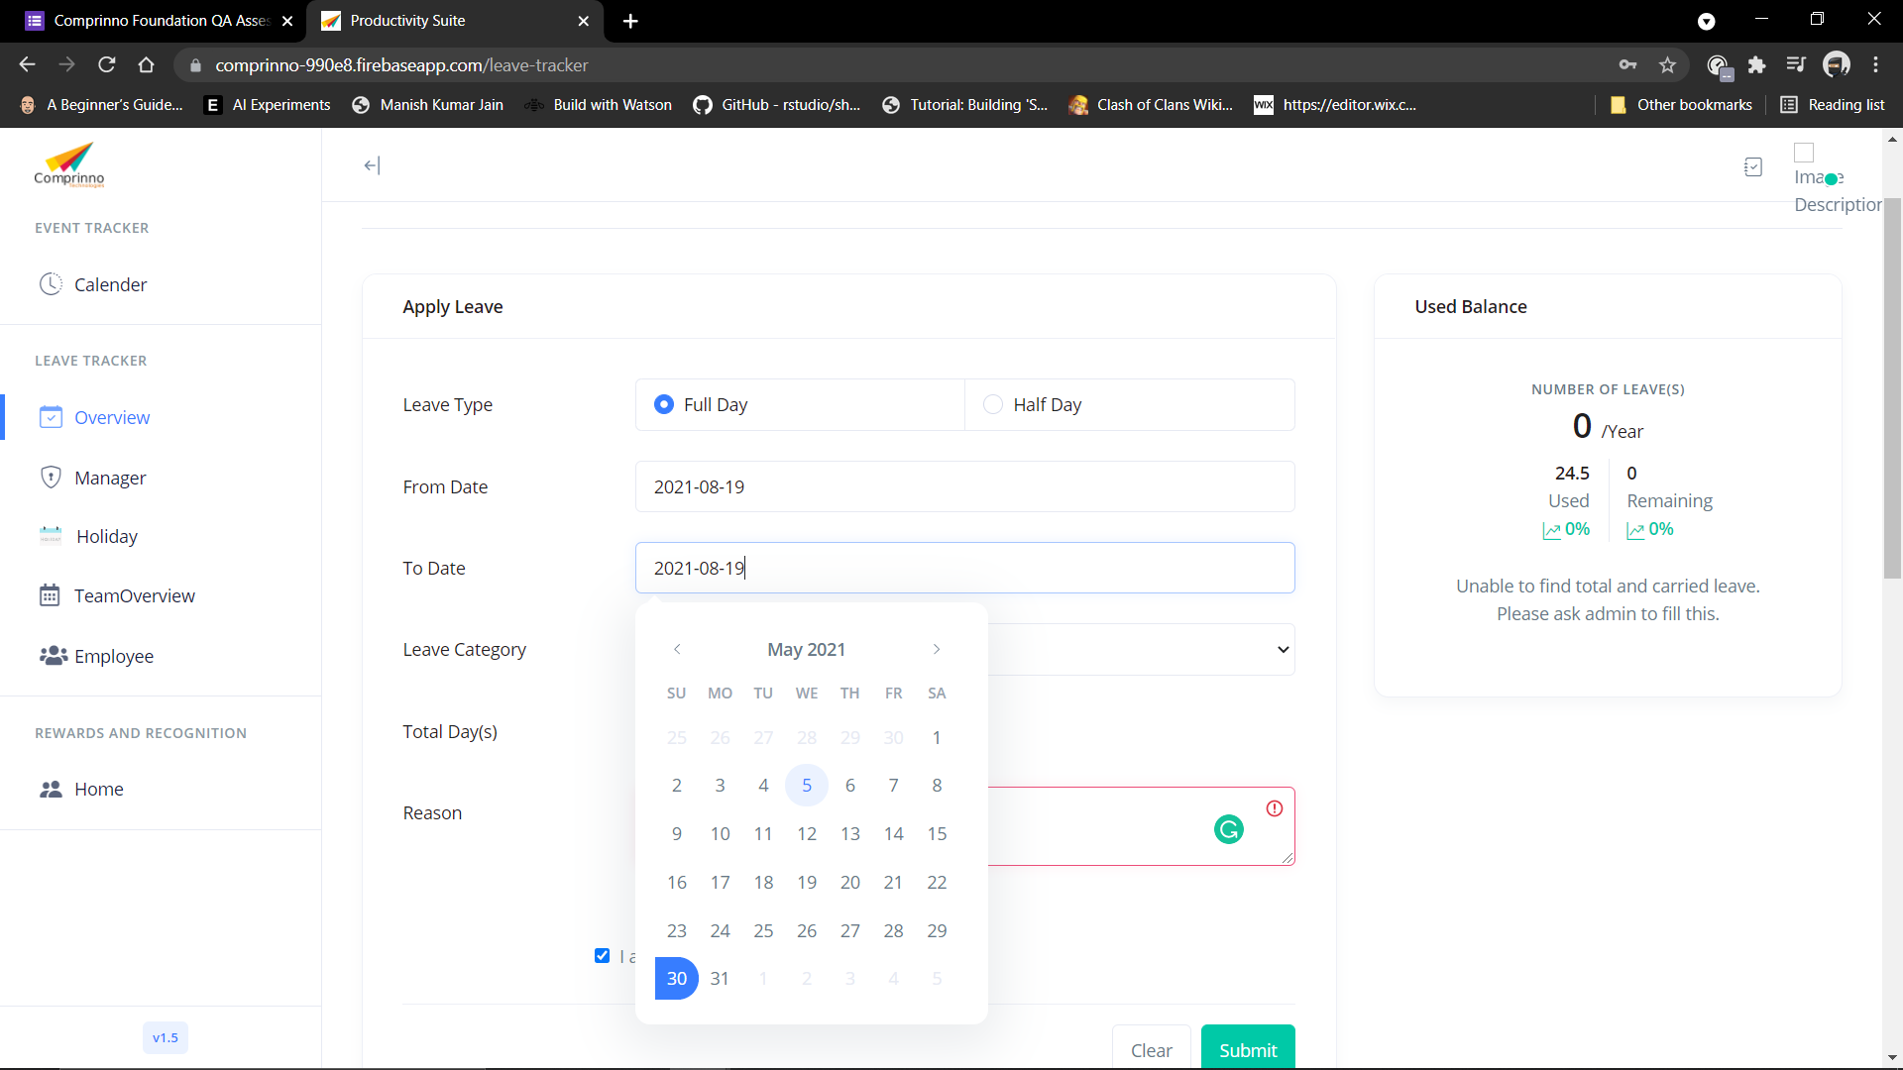
6 | Check Apply leave function for full day | Choose leaves on weekends and check are the days on weekends included | User should be signed in the web applicaton. | 1. Launch the website. 2. Enter your email. 3. Enter password 4. Click Sign in button. 5. Click on overview page. 6. Select leave type full. 7. Enter from date. 8. Enter to date. 9. Select the leave category. 10. Mention the reason 11. Check I agree with tearms and condition. 12. Click on submit button. | Email: staging.productivity.suite@gmail.com Password: test@123 | Weekend dats should not be mentioed in total number of days | As expected | Pass
6 | Check Apply leave function for full day | Enter the data and click on the clear button | User should be signed in the web applicaton. | 1. Launch the website. 2. Enter your email. 3. Enter password 4. Click Sign in button. 5. Click on overview page. 6. Select leave type full. 7. Enter from date. 8. Enter to date. 9. Select the leave category. 10. Mention the reason 11. Check I agree with tearms and condition. 12. Click on clear button. | Email: staging.productivity.suite@gmail.com Password: test@123 | Alll the entered data should be cleared | As expected | Pass
7 | Check Apply leave function for half day | Fill in all the required data correctly, then click the Submit button. | User should be signed in the web applicaton. | 1. Launch the website. 2. Enter your email. 3. Enter password 4. Click Sign in button. 5. Click on overview page. 6. Select leave type Half. 7. Enter from date. 8. Enter to date. 9. Select the leave category. 10. Mention the reason 11. Check I agree with tearms and condition. 12. Click on submit button. | Email: staging.productivity.suite@gmail.com Password: test@123 | User should not be able to click on the submit button. | As expected | Pass
7 | Check Apply leave function for half day | Empty all leave forms, and immediately click the submit button | User should be signed in the web applicaton. | 1. Launch the website. 2. Enter your email. 3. Enter password 4. Click Sign in button. 5. Click on overview page. 6. Select leave type Half. 7. Click on submit button. | Email: staging.productivity.suite@gmail.com Password: test@123 | User should not be able to click on the submit button and error message should be popped. | As expected | Pass
7 | Check Apply leave function for half day | Choose leave date less than the current date. | User should be signed in the web applicaton. | 1. Launch the website. 2. Enter your email. 3. Enter password 4. Click Sign in button. 5. Click on overview page. 6. Select leave type half. 7. Enter from date. 8. Enter to date. 9. Select the leave category. 10. Mention the reason 11. Check I agree with tearms and condition. 12. Click on submit button. | Email: staging.productivity.suite@gmail.com Password: test@123 | Dates that are less than current date become disabled and cannot be selected. | Less than current dates can be selected. | Fail | 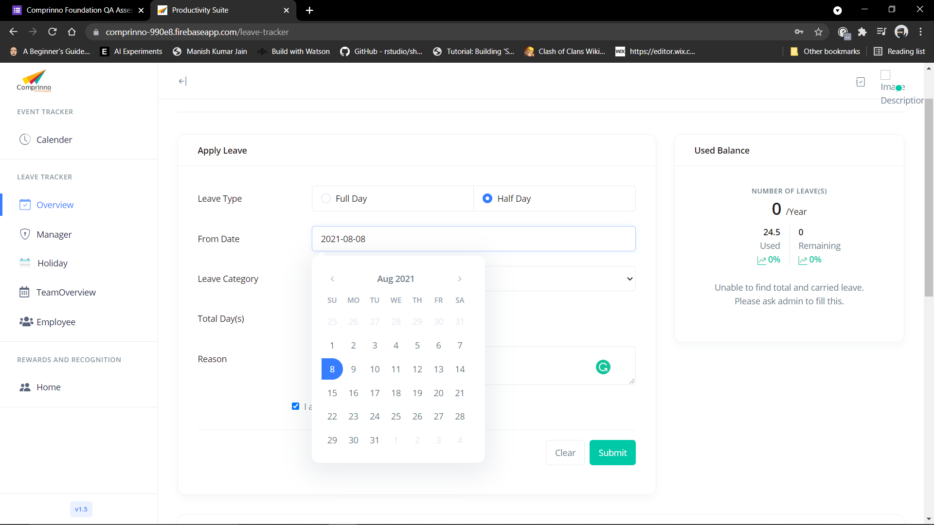
7 | Check Apply leave function for half day | Enter the data and click on the clear button | User should be signed in the web applicaton. | 1. Launch the website. 2. Enter your email. 3. Enter password 4. Click Sign in button. 5. Click on overview page. 6. Select leave type full. 7. Enter from date. 8. Enter to date. 9. Select the leave category. 10. Mention the reason 11. Check I agree with tearms and condition. 12. Click on clear button | Email: staging.productivity.suite@gmail.com Password: test@123 | Alll the entered data should be cleared | As expected | Pass
8 | Check search button functionality | Response on entering something in the search bar. | User should be signed in the web applicaton. | 1. Launch the website. 2. Enter your email. 3. Enter password 4. Click Sign in button. 5. Click on overview page. 6. Scroll down. 7. Click on the search bar. 8. Enter data to be searched | Email: staging.productivity.suite@gmail.com Password: test@123 | When user start typing word in text box it should suggest words that matches typed keyword | Nothing is searched as the search function is not working. | Fail | 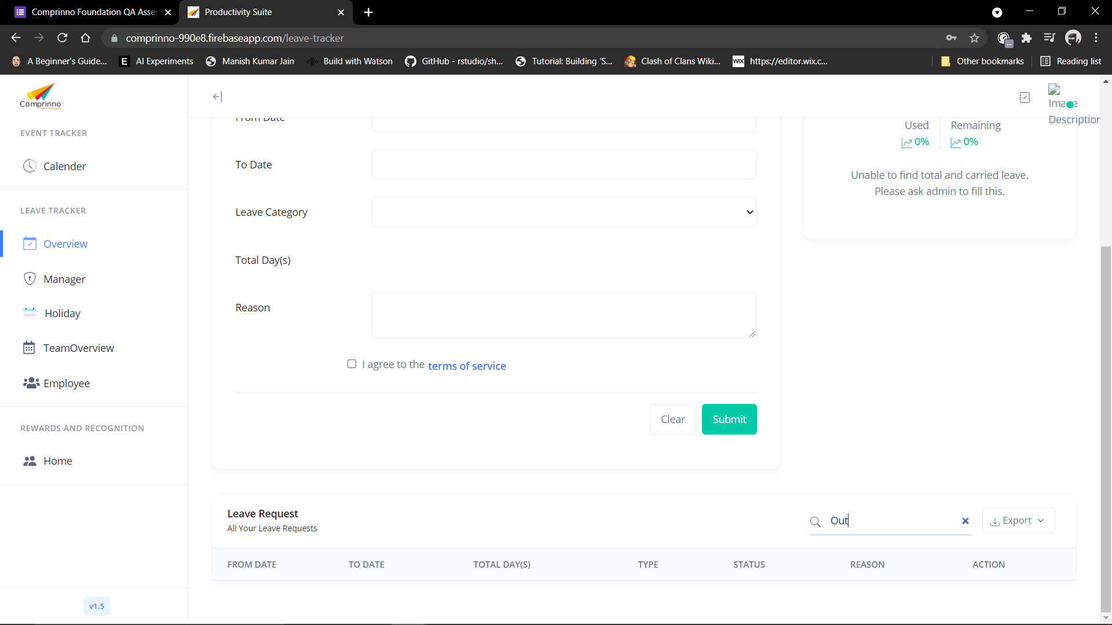
8 | Check search button functionality | Check the cross or cancel option to clear the search keyword | User should be signed in the web applicaton. | 1. Launch the website. 2. Enter your email. 3. Enter password 4. Click Sign in button. 5. Click on overview page. 6. Scroll down. 7. Click on the search bar. 8. Enter data to be searched 9. Click on cross or cancel | Email: staging.productivity.suite@gmail.com Password: test@123 | After clicking on cross or cancel the data entered in search bar should be cleared | As expected | Pass
9 | Check export button functionality | Response after clicking on the export button and choose excel | User should be signed in the web applicaton. | 1. Launch the website. 2. Enter your email. 3. Enter password 4. Click Sign in button. 5. Click on overview page. 6. Scroll down. 7. Click on export button 8. Select excel. | Email: staging.productivity.suite@gmail.com Password: test@123 | Excel file should start to download as soon as user clicks on the excel file. | As expected | Pass
9 | Check export button functionality | Response after clicking on the export button and choose CSV | User should be signed in the web applicaton. | 1. Launch the website. 2. Enter your email. 3. Enter password 4. Click Sign in button. 5. Click on overview page. 6. Scroll down. 7. Click on export button 8. Select CSV | Email: staging.productivity.suite@gmail.com Password: test@123 | CSV file should start to download as soon as user clicks on the CSV file. | As expected | Pass
9 | Check export button functionality | Response after clicking on the export button and choose PDF | User should be signed in the web applicaton. | 1. Launch the website. 2. Enter your email. 3. Enter password 4. Click Sign in button. 5. Click on overview page. 6. Scroll down. 7. Click on export button 8. Select PDF | Email: staging.productivity.suite@gmail.com Password: test@123 | PDF file should start to download as soon as user clicks on the CSV file. | As expected | Pass
10 | Check Accordian widget functionality | Response after clicking on expand button | User should be signed in the web applicaton. | 1. Launch the website. 2. Enter your email. 3. Enter password 4. Click Sign in button. 5. Click on Expand button | Email: staging.productivity.suite@gmail.com Password: test@123 | Opens the content of the section clicked | No action performed after clicking on the expand button | Fail
10 | Check Accordian widget functionality | Response after clicking on collapse button | User should be signed in the web applicaton. | 1. Launch the website. 2. Enter your email. 3. Enter password 4. Click Sign in button. 5. Click on collapse button | Email: staging.productivity.suite@gmail.com Password: test@123 | Hides the content of the section clicked | No action performed after clicking on the collapse button | Fail
11 | Check of drop down button functionality | Response after clicking on Year selection button | User should be signed in the web applicaton. | 1. Launch the website. 2. Enter your email. 3. Enter password 4. Click Sign in button. 5. Click on drop down button 6. Select the year. | Email: staging.productivity.suite@gmail.com Password: test@123 | All the items are getting listed in its expected order. | As expected | Pass
11 | Check of drop down button functionality | Response after clicking on Year selection button | User should be signed in the web applicaton. | 1. Launch the website. 2. Enter your email. 3. Enter password 4. Click Sign in button. 5. Click on drop down button 6. Select the year. | Email: staging.productivity.suite@gmail.com Password: test@123 | Default item is getting displayed on drop down when the user first visits the page | As expected | Pass
11 | Check of drop down button functionality | Response after clicking on Year selection button | User should be signed in the web applicaton. | 1. Launch the website. 2. Enter your email. 3. Enter password 4. Click Sign in button. 5. Click on drop down button 6. Select the year. | Email: staging.productivity.suite@gmail.com Password: test@123 | Drop-down can be scrolled down on clicking the down arrow. | As expected | Pass
12 | Check of delete functionality | Response after clicking on Delete button in All the leave section | User should be signed in the web applicaton. | 1. Launch the website. 2. Enter your email. 3. Enter password 4. Click Sign in button. 5. Scroll down 6. Check the All the leave section 7. Select the leave which is to be delted. 8. Click on the bin option 9. Press confirm | Email: staging.productivity.suite@gmail.com Password: test@123 | User is able to click on the delete icon | As expected | Pass
12 | Check of delete functionality | Response after clicking on Delete button in All the leave section | User should be signed in the web applicaton. | 1. Launch the website. 2. Enter your email. 3. Enter password 4. Click Sign in button. 5. Scroll down 6. Check the All the leave section 7. Select the leave which is to be delted. 8. Click on the bin option 9. Press confirm | Email: staging.productivity.suite@gmail.com Password: test@123 | Pre-Confirmation message showing when user click on delete icon . | As expected | Pass
12 | Check of delete functionality | Response after clicking on Delete button in All the leave section | User should be signed in the web applicaton. | 1. Launch the website. 2. Enter your email. 3. Enter password 4. Click Sign in button. 5. Scroll down 6. Check the All the leave section 7. Select the leave which is to be delted. 8. Click on the bin option 9. Press confirm | Email: staging.productivity.suite@gmail.com Password: test@123 | Records get delted | As expected | Pass
13 | Check of Manager tab functionality | Response after clicking on Manager tab | User should be signed in the web applicaton. | 1. Launch the website. 2. Enter your email. 3. Enter password 4. Click Sign in button. 5. Click on Manager tab | Email: staging.productivity.suite@gmail.com Password: test@123 | Manager tab should be displayed | As expected | Pass
14 | Check of pending leave aproval table | Response after clicking Approval | User should be signed in the web applicaton. | 1. Launch the website. 2. Enter your email. 3. Enter password 4. Click Sign in button. 5. Click on Manager tab 6. Click on approval | Email: staging.productivity.suite@gmail.com Password: test@123 | Leave is approved and confirmation message is displayed | As expected | Pass
14 | Check for the pending leave aproval | Response after clicking Approval | User should be signed in the web applicaton. | 1. Launch the website. 2. Enter your email. 3. Enter password 4. Click Sign in button. 5. Click on Manager tab 6. Click on Reject | Email: staging.productivity.suite@gmail.com Password: test@123 | Leave should be rejected and confirmation message is displayed. | As expected | Pass
15 | Check for the Roll over leave field | Response after clicking on Add in Roll over leave field | User should be signed in the web applicaton. | 1. Launch the website. 2. Enter your email. 3. Enter password 4. Click Sign in button. 5. Click on Manager tab 6. Click on Add in Roll over leave filed. | Email: staging.productivity.suite@gmail.com Password: test@123 | After filling all the data and clicking on the add leave button record should get added | As expected | Pass
16 | Check for the drop down functionality in Add Carried Leave | Response after clicking on drop down list under employee id | User should be signed in the web applicaton. | 1. Launch the website. 2. Enter your email. 3. Enter password 4. Click Sign in button. 5. Click on Manager tab 6. Click on Add in Roll over leave filed. 7. Click on drop down list under employee id | Email: staging.productivity.suite@gmail.com Password: test@123 | Selected category on drop down list is getting highlighted on selecting the item. | As expected | Pass
16 | Check for the drop down functionality in Add Carried Leave | Response after clicking on drop down list under employee id | User should be signed in the web applicaton. | 1. Launch the website. 2. Enter your email. 3. Enter password 4. Click Sign in button. 5. Click on Manager tab 6. Click on Add in Roll over leave filed. 7. Click on drop down list under employee id | Email: staging.productivity.suite@gmail.com Password: test@123 | On selecting the item the correct employee name should be displayed after selecting the item in drop down list. | As expected | Pass
16 | Check for the drop down functionality in Add Carried Leave | Response on filling on the required data in the field | User should be signed in the web applicaton. | 1. Launch the website. 2. Enter your email. 3. Enter password 4. Click Sign in button. 5. Click on Manager tab 6. Click on Add in Roll over leave filed. 7. Click on drop down list under employee id 8. Select the employee id | Email: staging.productivity.suite@gmail.com Password: test@123 | User should be able to add the carried leave | As expected | Pass
16 | Check for the drop down functionality in Add Carried Leave | Response on keeping Year and Carried leave empty | User should be signed in the web applicaton. | 1. Launch the website. 2. Enter your email. 3. Enter password 4. Click Sign in button. 5. Click on Manager tab 6. Click on Add in Roll over leave filed. 7. Click on drop down list under employee id 8. Select the employee id | Email: staging.productivity.suite@gmail.com Password: test@123 | User should not be able to add the carried leave | As expected | Pass
17 | Check for the edit functionality in Roll over leave | Response after clicking on edit button in Roll over leave in action tab | User should be signed in the web applicaton. | 1. Launch the website. 2. Enter your email. 3. Enter password 4. Click Sign in button. 5. Click on Manager tab 6. Click on edit button under Roll over leave in action tab. | Email: staging.productivity.suite@gmail.com Password: test@123 | User should be able to edit the details and details should be saved. | As expected | Pass
17 | Check for the delete functionality in Roll over leave | Response after clicking on delete button in Roll over leave in action tab | User should be signed in the web applicaton. | 1. Launch the website. 2. Enter your email. 3. Enter password 4. Click Sign in button. 5. Click on Manager tab 6. Click on delete button under Roll over leave in action tab. | Email: staging.productivity.suite@gmail.com Password: test@123 | Pre-Confirmation message showing when user click on delete icon . | As expected | Pass
17 | Check for the delete functionality in Roll over leave | Response after clicking on delete button in Roll over leave in action tab | User should be signed in the web applicaton. | 1. Launch the website. 2. Enter your email. 3. Enter password 4. Click Sign in button. 5. Click on Manager tab 6. Click on delete button under Roll over leave in action tab. | Email: staging.productivity.suite@gmail.com Password: test@123 | Records get delted | As expected | Pass
18 | Check search button functionality | Response on entering something in the search bar under All employees leave request. | User should be signed in the web applicaton. | 1. Launch the website. 2. Enter your email. 3. Enter password 4. Click Sign in button. 5. Click on manager page. 6. Scroll down. 7. Click on the search bar. 8. Enter data to be searched | Email: staging.productivity.suite@gmail.com Password: test@123 | Pointer turns out to be a vertical bar in the textbox. | As expected | Pass
18 | Check search button functionality | Response on entering something in the search bar under All employees leave request. | User should be signed in the web applicaton. | 1. Launch the website. 2. Enter your email. 3. Enter password 4. Click Sign in button. 5. Click on manager page. 6. Scroll down. 7. Click on the search bar. 8. Enter data to be searched | Email: staging.productivity.suite@gmail.com Password: test@123 | When user start typing word in text box it should suggest words that matches typed keyword | Nothing is searched as the search function is not working. | Fail | 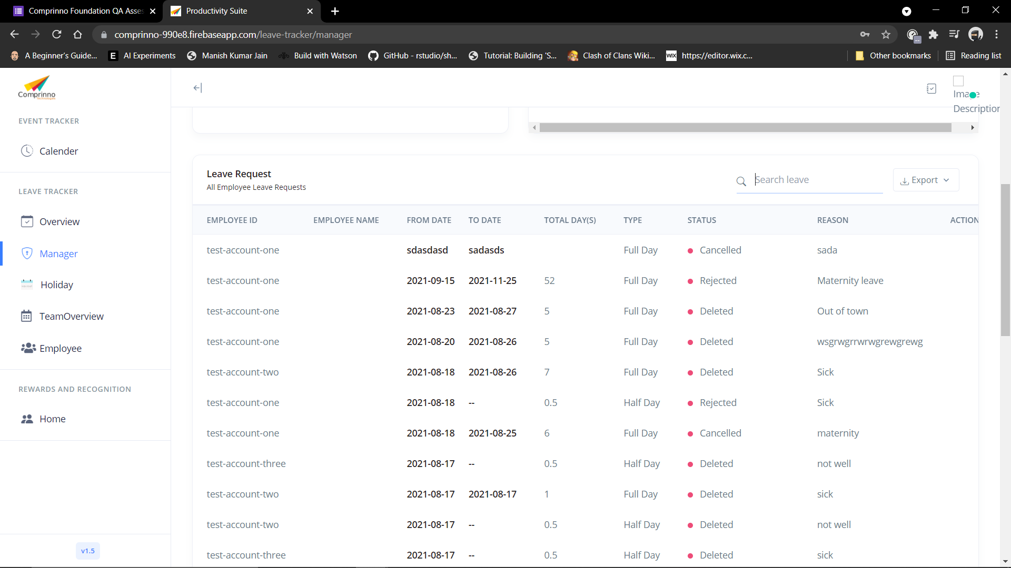 | 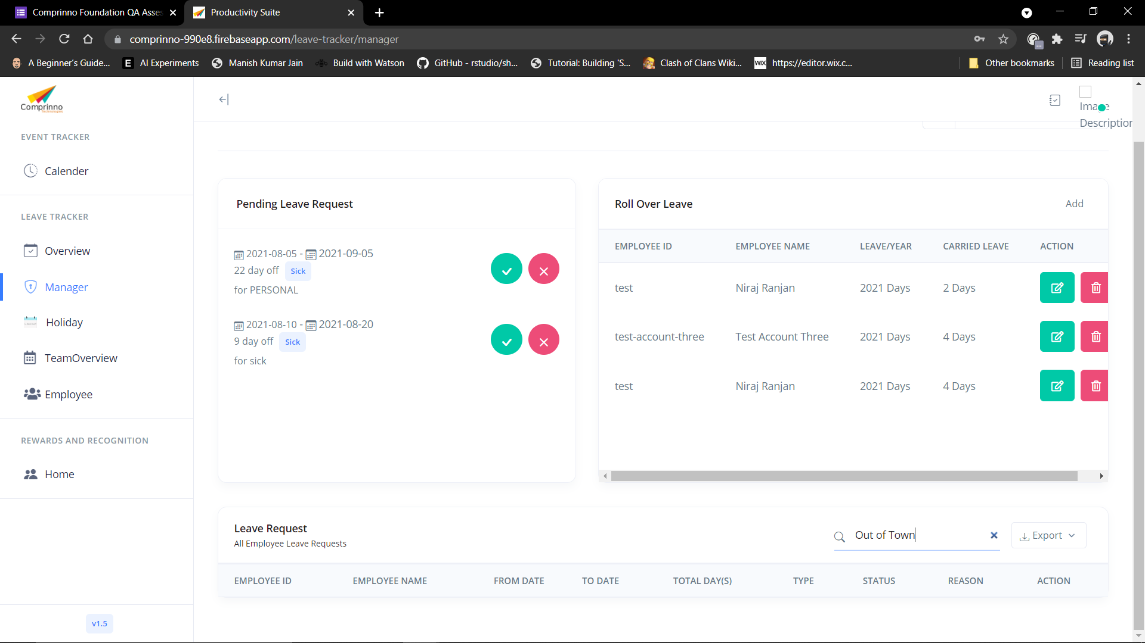
18 | Check search button functionality | Check the cross or cancel option to clear the search keyword | User should be signed in the web applicaton. | 1. Launch the website. 2. Enter your email. 3. Enter password 4. Click Sign in button. 5. Click on manager page. 6. Scroll down. 7. Click on the search bar. 8. Enter data to be searched 9. Click on the cross | Email: staging.productivity.suite@gmail.com Password: test@123 | After clicking on cross or cancel the data entered in search bar should be cleared | As expected | Pass
18 | Check export button functionality | Response after clicking on the export button and choose excel | User should be signed in the web applicaton. | 1. Launch the website. 2. Enter your email. 3. Enter password 4. Click Sign in button. 5. Click on Manager page. 6. Scroll down. 7. Click on export button 8. Select excel. | Email: staging.productivity.suite@gmail.com Password: test@123 | Excel file should start to download as soon as user clicks on the excel file. | As expected | Pass
18 | Check export button functionality | Response after clicking on the export button and choose CSV | User should be signed in the web applicaton. | 1. Launch the website. 2. Enter your email. 3. Enter password 4. Click Sign in button. 5. Click on Manager page. 6. Scroll down. 7. Click on export button 8. Select CSV | Email: staging.productivity.suite@gmail.com Password: test@123 | CSV file should start to download as soon as user clicks on the CSV file. | As expected | Pass
18 | Check export button functionality | Response after clicking on the export button and choose PDF | User should be signed in the web applicaton. | 1. Launch the website. 2. Enter your email. 3. Enter password 4. Click Sign in button. 5. Click on Manager page. 6. Scroll down. 7. Click on export button 8. Select PDF | Email: staging.productivity.suite@gmail.com Password: test@123 | PDF file should start to download as soon as user clicks on the PDF file. | As expected | Pass
19 | Check Delete button functionality | Response after clicking on the delete button in action center under All employees leave requests | User should be signed in the web applicaton. | 1. Launch the website. 2. Enter your email. 3. Enter password 4. Click Sign in button. 5. Click on Manager page. 6. Scroll down. 7. Click on delete button in action tab of all employee leaves requests | Email: staging.productivity.suite@gmail.com Password: test@123 | Pre-Confirmation message showing when user click on delete icon . | As expected | Pass
19 | Check Delete button functionality | Response after clicking on the delete button in action center under All employees leave requests | User should be signed in the web applicaton. | 1. Launch the website. 2. Enter your email. 3. Enter password 4. Click Sign in button. 5. Click on Manager page. 6. Scroll down. 7. Click on delete button in action tab of all employee leaves requests | Email: staging.productivity.suite@gmail.com Password: test@123 | Records get deleted. | As expected | Pass
20 | Check of drop down button functionality | Response after clicking on Year selection button | User should be signed in the web applicaton. | 1. Launch the website. 2. Enter your email. 3. Enter password 4. Click Sign in button. 5. Click on Manager tab 6. Click on drop down button 7. Select the year. | Email: staging.productivity.suite@gmail.com Password: test@123 | All the items are getting listed in its expected order. | As expected | Pass
20 | Check of drop down button functionality | Response after clicking on Year selection button | User should be signed in the web applicaton. | 1. Launch the website. 2. Enter your email. 3. Enter password 4. Click Sign in button. 5. Click on Manager tab 6. Click on drop down button 7. Select the year. | Email: staging.productivity.suite@gmail.com Password: test@123 | Default item is getting displayed on drop down when the user first visits the page | As expected | Pass
20 | Check of drop down button functionality | Response after clicking on Year selection button | User should be signed in the web applicaton. | 1. Launch the website. 2. Enter your email. 3. Enter password 4. Click Sign in button. 5. Click on Manager tab 6. Click on drop down button 7. Select the year. | Email: staging.productivity.suite@gmail.com Password: test@123 | Drop-down can be scrolled down on clicking the down arrow. | As expected | Pass
21 | Check of holiday tab functionality | Response after clicking on Holiday tab | User should be signed in the web applicaton. | 1. Launch the website. 2. Enter your email. 3. Enter password 4. Click Sign in button. 5. Click on Holiday tab | Email: staging.productivity.suite@gmail.com Password: test@123 | Holiday tab should be displayed | As expected | Pass
22 | Check for the Scrollbar funtionality | Response after scrolling on Holidays section | User should be signed in the web applicaton. | 1. Launch the website. 2. Enter your email. 3. Enter password 4. Click Sign in button. 5. Click on Holiday tab | Email: staging.productivity.suite@gmail.com Password: test@123 | Scroll-bar should operate for up, down | As expected | Pass
23 | Check Delete button functionality | Response after clicking on the delete button under All Holidays of Year. | User should be signed in the web applicaton. | 1. Launch the website. 2. Enter your email. 3. Enter password 4. Click Sign in button. 5. Click on Holiday page. 6. Click on delete button in All Holidays of year. | Email: staging.productivity.suite@gmail.com Password: test@123 | Pre-Confirmation message showing when user click on delete icon . | As expected | Pass
23 | Check Delete button functionality | Response after clicking on the delete button under All Holidays of Year. | User should be signed in the web applicaton. | 1. Launch the website. 2. Enter your email. 3. Enter password 4. Click Sign in button. 5. Click on Holiday page. 6. Click on delete button in All Holidays of year. | Email: staging.productivity.suite@gmail.com Password: test@123 | Records get deleted. | As expected | Pass
24 | Check Add button functionality | Response after clicking on the add holiday button under Add holiday section. | User should be signed in the web applicaton. | 1. Launch the website. 2. Enter your email. 3. Enter password 4. Click Sign in button. 5. Click on Holiday page. 6. Enter name for holiday 7. Enter date 8. Mention the type of Holiday 9. Click on Add holiday button | Email: staging.productivity.suite@gmail.com Password: test@123 | Holiday should be added in All holidays of Year. | As expected | Pass
24 | Check Add button functionality | Current month’s calendar should be displayed. | User should be signed in the web applicaton. | 1. Launch the website. 2. Enter your email. 3. Enter password 4. Click Sign in button. 5. Click on Holiday page. 6. Enter name for holiday 7. Enter date 8. Mention the type of Holiday 9. Click on Add holiday button | Email: staging.productivity.suite@gmail.com Password: test@123 | Current month should be displayed | As expected | Pass
24 | Check Add button functionality | Response on keeping Name of the holiday empty | User should be signed in the web applicaton. | 1. Launch the website. 2. Enter your email. 3. Enter password 4. Click Sign in button. 5. Click on Holiday page. 6. Enter name for holiday 7. Enter date 8. Mention the type of Holiday 9. Click on Add holiday button | Email: staging.productivity.suite@gmail.com Password: test@123 | User should not be able to add the Holiday in All holidays section | As expected | Pass
24 | Check Add button functionality | Enter the data and click on the clear button | User should be signed in the web applicaton. | 1. Launch the website. 2. Enter your email. 3. Enter password 4. Click Sign in button. 5. Click on Holiday page. 6. Enter name for holiday 7. Enter date 8. Mention the type of Holiday 9. Click on Add holiday button | Email: staging.productivity.suite@gmail.com Password: test@123 | Alll the entered data should be cleared | As expected | Pass
25 | Check of drop down button functionality | Response after clicking on Year selection button | User should be signed in the web applicaton. | 1. Launch the website. 2. Enter your email. 3. Enter password 4. Click Sign in button. 5. Click on Holiday tab 6. Click on drop down button 7. Select the year. | Email: staging.productivity.suite@gmail.com Password: test@123 | All the items are getting listed in its expected order. | As expected | Pass
25 | Check of drop down button functionality | Response after clicking on Year selection button | User should be signed in the web applicaton. | 1. Launch the website. 2. Enter your email. 3. Enter password 4. Click Sign in button. 5. Click on Holiday tab 6. Click on drop down button 7. Select the year. | Email: staging.productivity.suite@gmail.com Password: test@123 | Default item is getting displayed on drop down when the user first visits the page | As expected | Pass
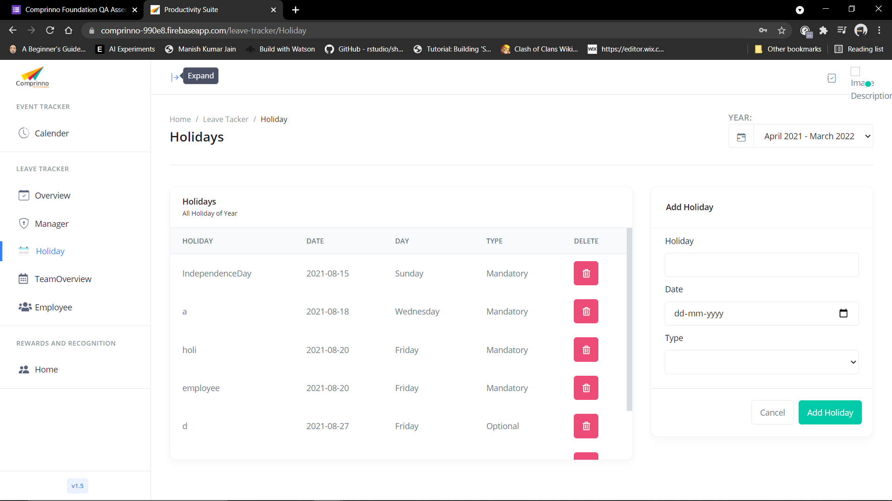
25 | Check of drop down button functionality | Response after clicking on Year selection button | User should be signed in the web applicaton. | 1. Launch the website. 2. Enter your email. 3. Enter password 4. Click Sign in button. 5. Click on Holiday tab 6. Click on drop down button 7. Select the year. | Email: staging.productivity.suite@gmail.com Password: test@123 | Drop-down can be scrolled down on clicking the down arrow. | As expected | Pass
26 | Check Accordian widget functionality | Response after clicking on expand button | User should be signed in the web applicaton. | 1. Launch the website. 2. Enter your email. 3. Enter password 4. Click Sign in button. 5. Click on Holiday tab 6. Click on Expand button | Email: staging.productivity.suite@gmail.com Password: test@123 | Opens the content of the section clicked | No action performed after clicking on the expand button | Fail | 
26 | Check Accordian widget functionality | Response after clicking on collapse button | User should be signed in the web applicaton. | 1. Launch the website. 2. Enter your email. 3. Enter password 4. Click Sign in button. 5. Click on Holiday 6. Click on collapse button | Email: staging.productivity.suite@gmail.com Password: test@123 | Hides the content of the section clicked | No action performed after clicking on the collapse button | Fail
27 | Check of TeamOverview tab functionality | Response after clicking on TeamOverview tab | User should be signed in the web applicaton. | 1. Launch the website. 2. Enter your email. 3. Enter password 4. Click Sign in button. 5. Click on TeamOverview tab | Email: staging.productivity.suite@gmail.com Password: test@123 | Team Overview tab should be displayed | As expected | Pass
28 | Check of drop down button functionality | Response after clicking on Year selection button | User should be signed in the web applicaton. | 1. Launch the website. 2. Enter your email. 3. Enter password 4. Click Sign in button. 5. Click on TeamOverview tab 6. Click on drop down button 7. Select the year. | Email: staging.productivity.suite@gmail.com Password: test@123 | All the items are getting listed in its expected order. | As expected | Pass
28 | Check of drop down button functionality | Response after clicking on Year selection button | User should be signed in the web applicaton. | 1. Launch the website. 2. Enter your email. 3. Enter password 4. Click Sign in button. 5. Click on TeamOverview tab 6. Click on drop down button 7. Select the year. | Email: staging.productivity.suite@gmail.com Password: test@123 | Default item is getting displayed on drop down when the user first visits the page | As expected | Pass
28 | Check of drop down button functionality | Response after clicking on Year selection button | User should be signed in the web applicaton. | 1. Launch the website. 2. Enter your email. 3. Enter password 4. Click Sign in button. 5. Click on TeamOverview tab 6. Click on drop down button 7. Select the year. | Email: staging.productivity.suite@gmail.com Password: test@123 | Drop-down can be scrolled down on clicking the down arrow. | As expected | Pass
29 | Calendar page button facility | Response for user can move to previous and next month’s calendar by choosing the left and right icon over the calendar. | User should be signed in the web applicaton. | 1. Launch the website. 2. Enter your email. 3. Enter password 4. Click Sign in button. 5. Click on the TeamOverview tab | Email: staging.productivity.suite@gmail.com Password: test@123 | Able to move in previous and next month. | As expected | Pass
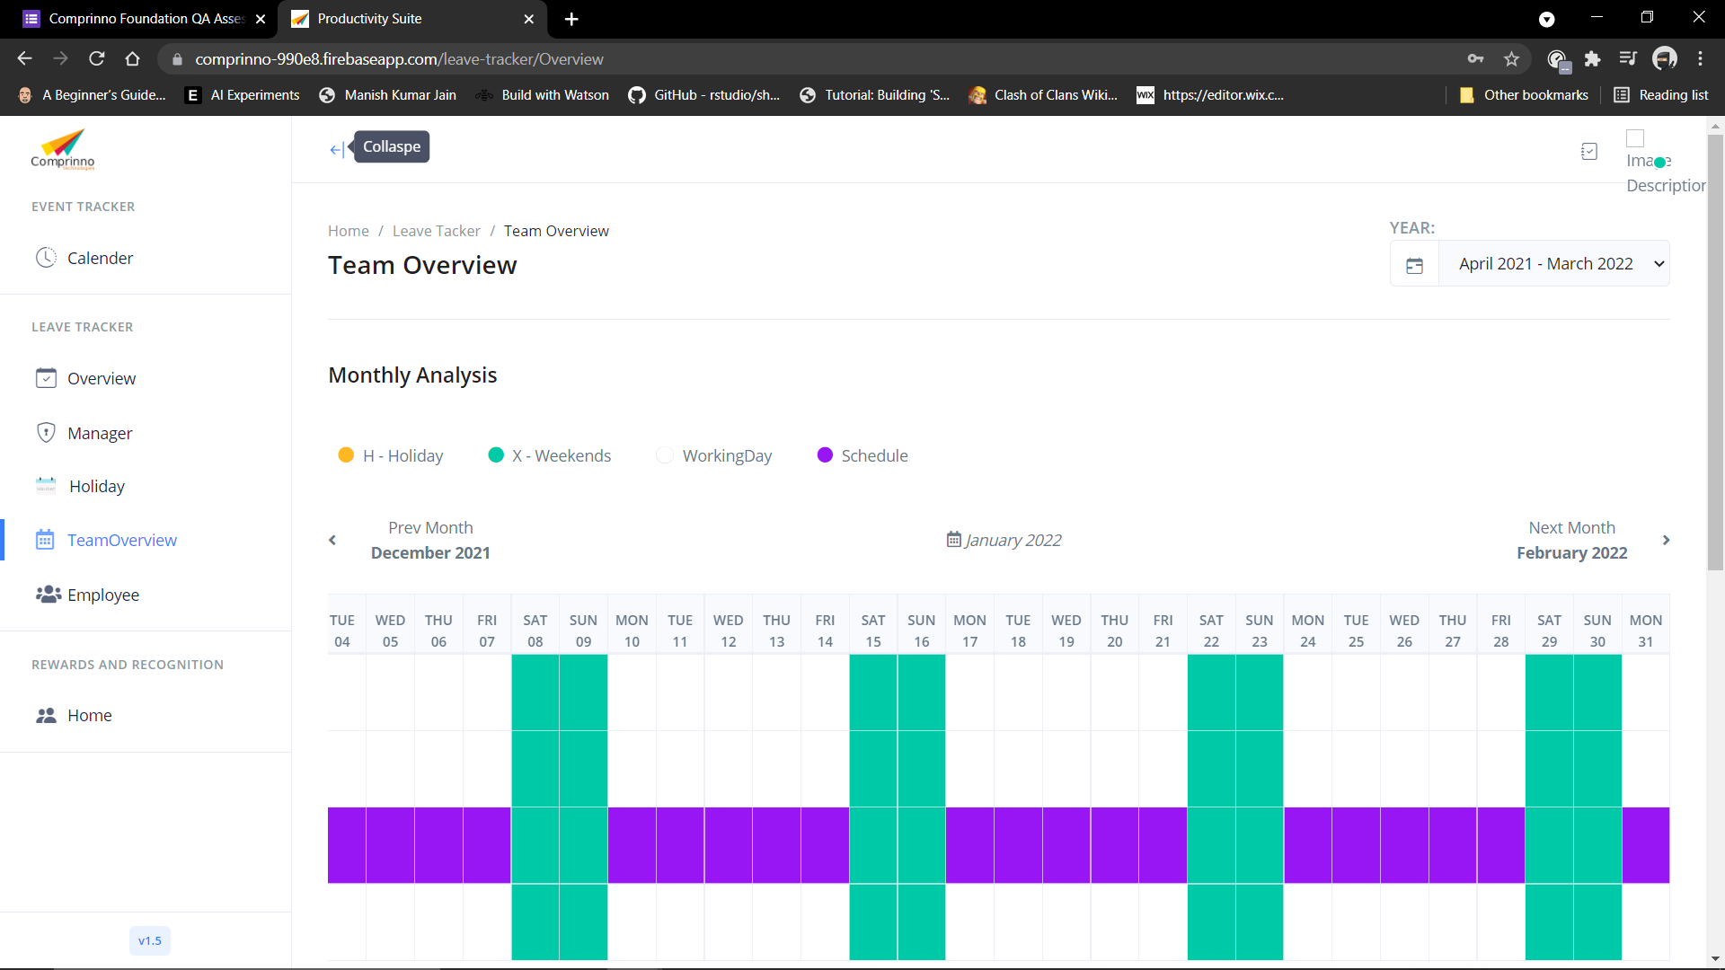
29 | Calendar page button facility | Response after scrolling on Calendar section | User should be signed in the web applicaton. | 1. Launch the website. 2. Enter your email. 3. Enter password 4. Click Sign in button. 5. Click on the TeamOverview tab | Email: staging.productivity.suite@gmail.com Password: test@123 | Scroll-bar should operate for right and left. | As expected | Pass
30 | Check Accordian widget functionality | Response after clicking on expand button | User should be signed in the web applicaton. | 1. Launch the website. 2. Enter your email. 3. Enter password 4. Click Sign in button. 5. Click on the TeamOverview tab 6. Click on Expand button | Email: staging.productivity.suite@gmail.com Password: test@123 | Opens the content of the section clicked | No action performed after clicking on the expand button | Fail |  | 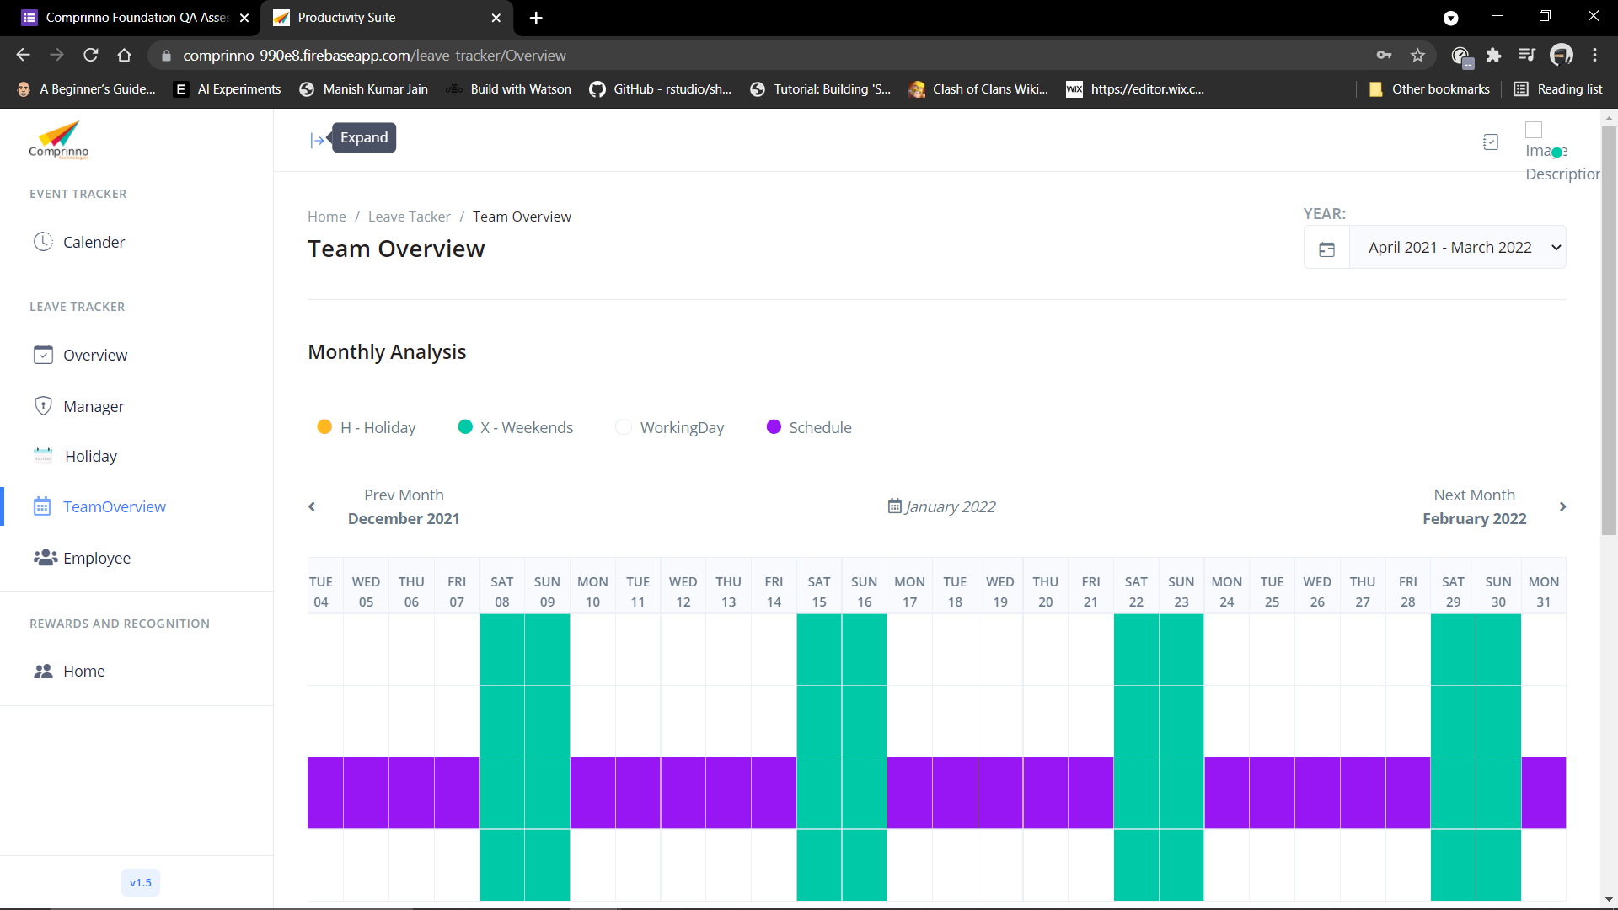
30 | Check Accordian widget functionality | Response after clicking on collapse button | User should be signed in the web applicaton. | 1. Launch the website. 2. Enter your email. 3. Enter password 4. Click Sign in button. 5. Click on the TeamOverview tab 6. Click on collapse button | Email: staging.productivity.suite@gmail.com Password: test@123 | Hides the content of the section clicked | No action performed after clicking on the collapse button | Fail
31 | Check search button functionality | Response on entering something in the search bar under All employee leave count | User should be signed in the web applicaton. | 1. Launch the website. 2. Enter your email. 3. Enter password 4. Click Sign in button. 5. Click on the TeamOverview tab 6. Click on search bar. 7. Enter record to be searched | Email: staging.productivity.suite@gmail.com Password: test@123 | Pointer turns out to be a vertical bar in the textbox. | As expected | Pass
31 | Check search button functionality | Response on entering something in the search bar under All employee leave count | User should be signed in the web applicaton. | 1. Launch the website. 2. Enter your email. 3. Enter password 4. Click Sign in button. 5. Click on the TeamOverview tab 6. Click on search bar. 7. Enter record to be searched | Email: staging.productivity.suite@gmail.com Password: test@123 | When user start typing word in text box it should suggest words that matches typed keyword | As expected | Pass
31 | Check search button functionality | Response on entering something in the search bar under All employee leave count | User should be signed in the web applicaton. | 1. Launch the website. 2. Enter your email. 3. Enter password 4. Click Sign in button. 5. Click on the TeamOverview tab 6. Click on search bar. 7. Enter record to be searched | Email: staging.productivity.suite@gmail.com Password: test@123 | User should be able to search when he enters the keyword and hits ‘Enter’ button on keyboard | As expected | Pass
31 | Check Add button functionality | Enter the data in search bar and click on the clear button | User should be signed in the web applicaton. | 1. Launch the website. 2. Enter your email. 3. Enter password 4. Click Sign in button. 5. Click on the TeamOverview tab 6. Click on search bar. 7. Enter record to be searched | Email: staging.productivity.suite@gmail.com Password: test@123 | Alll the entered data should be cleared | As expected | Pass
32 | Check of Employee tab functionality | Response after clicking on Employee tab | User should be signed in the web applicaton. | 1. Launch the website. 2. Enter your email. 3. Enter password 4. Click Sign in button. 5. Click on Employee tab | Email: staging.productivity.suite@gmail.com Password: test@123 | Employee tab should be displayed | As expected | Pass
33 | Check Accordian widget functionality | Response after clicking on expand button | User should be signed in the web applicaton. | 1. Launch the website. 2. Enter your email. 3. Enter password 4. Click Sign in button. 5. Click on Employee tab | Email: staging.productivity.suite@gmail.com Password: test@123 | Opens the content of the section clicked | No action performed after clicking on the expand button | Fail | 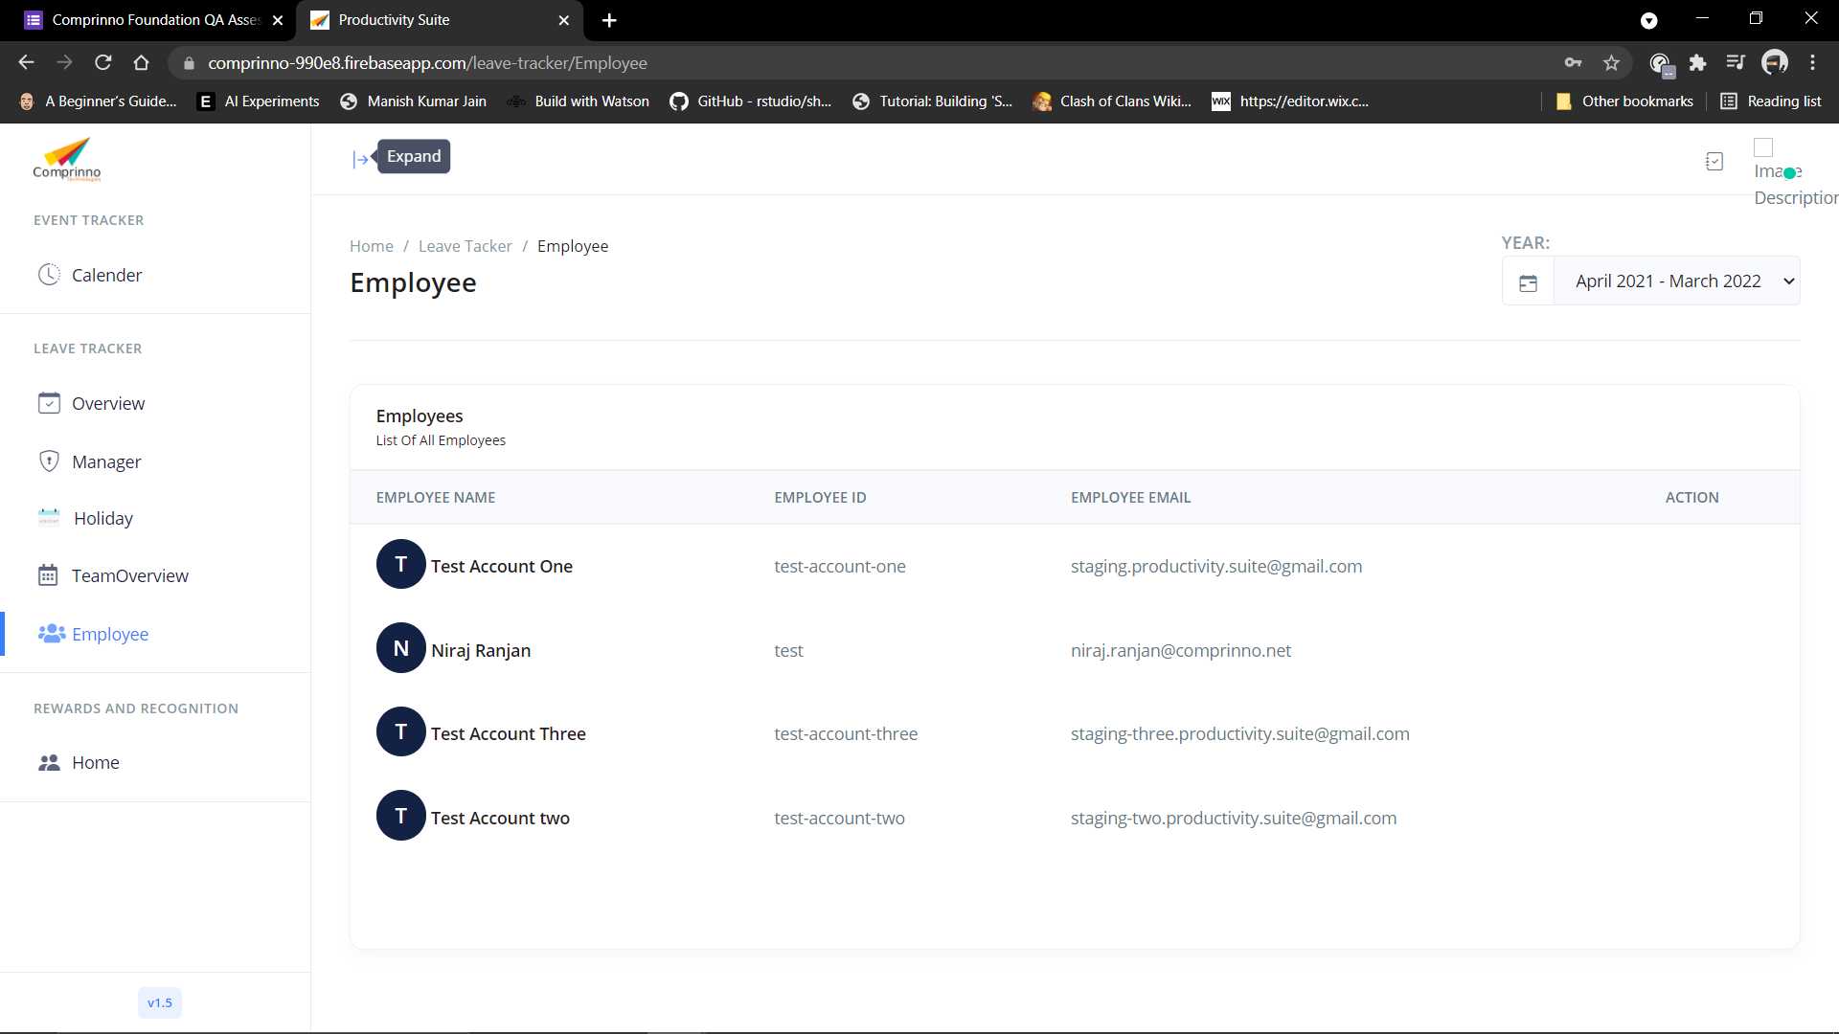 | 
33 | Check Accordian widget functionality | Response after clicking on collapse button | User should be signed in the web applicaton. | 1. Launch the website. 2. Enter your email. 3. Enter password 4. Click Sign in button. 5. Click on Employee tab | Email: staging.productivity.suite@gmail.com Password: test@123 | Hides the content of the section clicked | No action performed after clicking on the collapse button | Fail
34 | Check of drop down button functionality | Response after clicking on Year selection button | User should be signed in the web applicaton. | 1. Launch the website. 2. Enter your email. 3. Enter password 4. Click Sign in button. 5. Click on Employee tab | Email: staging.productivity.suite@gmail.com Password: test@123 | All the items are getting listed in its expected order. | No previous years record are displayed | Fail
35 | Check for choosing employee name | Response after clicking on Employee name | User should be signed in the web applicaton. | 1. Launch the website. 2. Enter your email. 3. Enter password 4. Click Sign in button. 5. Click on Employee tab 6. Click on the name of the Employee | Email: staging.productivity.suite@gmail.com Password: test@123 | Employee profile should be displayed | As expected | Pass
36 | Check for Employee profile functions | Response after clicking on Request in Employee Profile | User should be signed in the web applicaton. | 1. Launch the website. 2. Enter your email. 3. Enter password 4. Click Sign in button. 5. Click on Employee tab 6. Click on the name of the Employee | Email: staging.productivity.suite@gmail.com Password: test@123 | All the pending requests and history should be displayed | As expected | Pass
36 | Check for Employee profile functions | Response after clicking on balance in Employee profile | User should be signed in the web applicaton. | 1. Launch the website. 2. Enter your email. 3. Enter password 4. Click Sign in button. 5. Click on Employee tab 6. Click on the name of the Employee | Email: staging.productivity.suite@gmail.com Password: test@123 | Total leaves employee have, all the leaves employee have taken, remaining leaves employee have and optional holidays employee have taken should be displayed | As expected | Pass
36 | Check for Employee profile functions | Response after clicking on balance in Employee profile | User should be signed in the web applicaton. | 1. Launch the website. 2. Enter your email. 3. Enter password 4. Click Sign in button. 5. Click on Employee tab 6. Click on the name of the Employee | Email: staging.productivity.suite@gmail.com Password: test@123 | After clicking on taken leaves then list of holidays taken should be displayed | As soon as you click on the taken leaves it will log out the application | Fail
36 | Check for Employee profile functions | Response after clicking on balance in Employee profile | User should be signed in the web applicaton. | 1. Launch the website. 2. Enter your email. 3. Enter password 4. Click Sign in button. 5. Click on Employee tab 6. Click on the name of the Employee | Email: staging.productivity.suite@gmail.com Password: test@123 | After clicking on remaining leaves then list of remaining leaves should be displayed | As soon as you click on the taken leaves it will log out the application | Fail
36 | Check for Employee profile functions | Response after clicking on balance in Employee profile | User should be signed in the web applicaton. | 1. Launch the website. 2. Enter your email. 3. Enter password 4. Click Sign in button. 5. Click on Employee tab 6. Click on the name of the Employee | Email: staging.productivity.suite@gmail.com Password: test@123 | After clicking on optional holiday taken then list of optional holiday taken should be displayed | As soon as you click on the taken leaves it will log out the application | Fail
36 | Check for Employee profile functions | Response after clicking on Optional Holiday in Employee profile | User should be signed in the web applicaton. | 1. Launch the website. 2. Enter your email. 3. Enter password 4. Click Sign in button. 5. Click on Employee tab 6. Click on the name of the Employee | Email: staging.productivity.suite@gmail.com Password: test@123 | All the optional holiday employee has should be displayed | As expected | Pass
37 | Check of Home tab functionality | Response after clicking on Home tab | User should be signed in the web applicaton. | 1. Launch the website. 2. Enter your email. 3. Enter password 4. Click Sign in button. 5. Click on Home tab | Email: staging.productivity.suite@gmail.com Password: test@123 | Home tab should be displayed | As expected | Pass
38 | Check Accordian widget functionality | Response after clicking on expand button | User should be signed in the web applicaton. | 1. Launch the website. 2. Enter your email. 3. Enter password 4. Click Sign in button. 5. Click on Home tab | Email: staging.productivity.suite@gmail.com Password: test@123 | Opens the content of the section clicked | No action performed after clicking on the expand button | Fail | 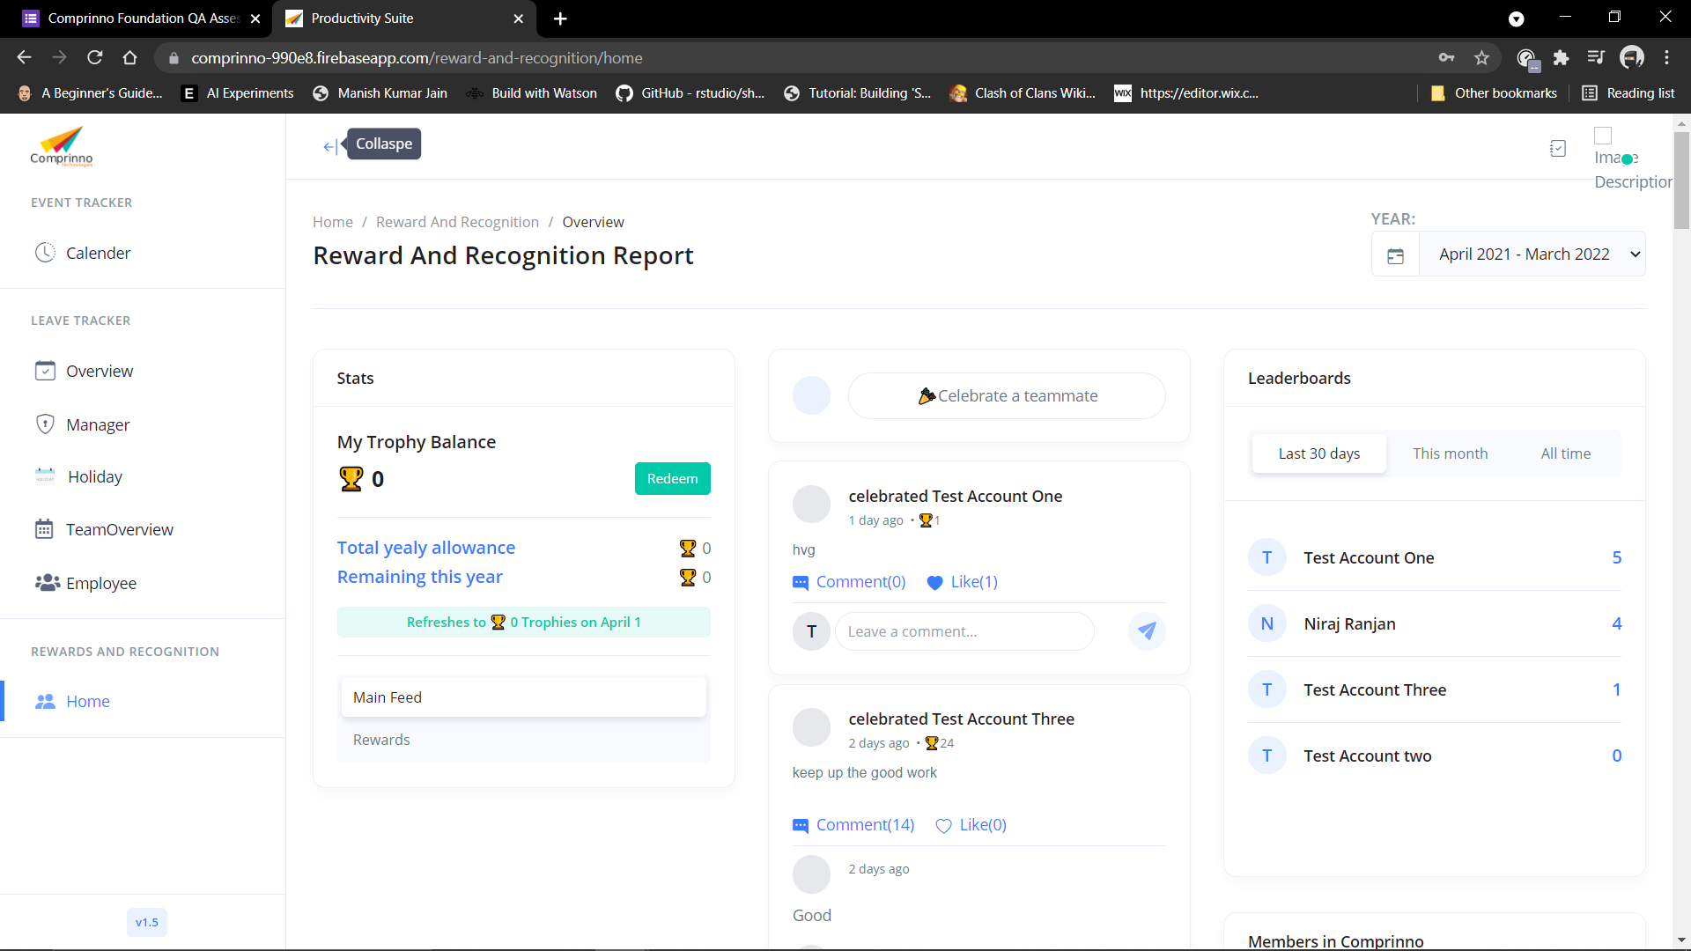 | 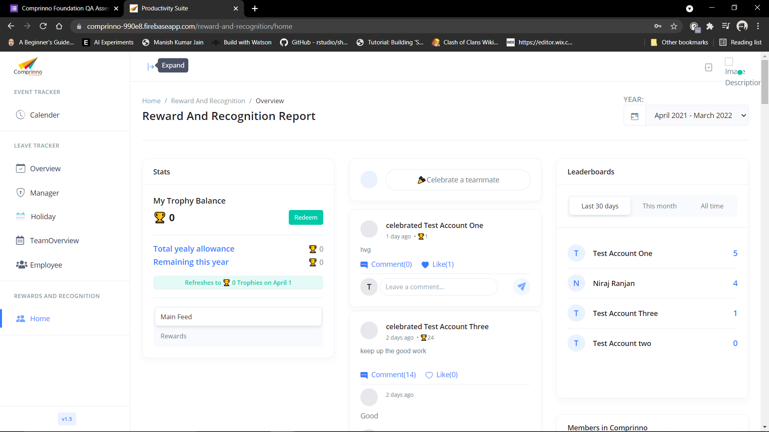
38 | Check Accordian widget functionality | Response after clicking on collapse button | User should be signed in the web applicaton. | 1. Launch the website. 2. Enter your email. 3. Enter password 4. Click Sign in button. 5. Click on Home tab | Email: staging.productivity.suite@gmail.com Password: test@123 | Hides the content of the section clicked | No action performed after clicking on the collapse button | Fail
39 | Check of drop down button functionality | Response after clicking on Year selection button | User should be signed in the web applicaton. | 1. Launch the website. 2. Enter your email. 3. Enter password 4. Click Sign in button. 5. Click on Home tab | Email: staging.productivity.suite@gmail.com Password: test@123 | All the items are getting listed in its expected order. | No previous years record are displayed | Fail
40 | Check for Stats tab functionality | Response after clicking on Redeem button | User should be signed in the web applicaton. | 1. Launch the website. 2. Enter your email. 3. Enter password 4. Click Sign in button. 5. Click on Home tab | Email: staging.productivity.suite@gmail.com Password: test@123 | Trophies balance should be redeemed from my troophy balance. | No Action was performed | Fail
40 | Check for Stats tab functionality | Response after clicking on main feed | User should be signed in the web applicaton. | 1. Launch the website. 2. Enter your email. 3. Enter password 4. Click Sign in button. 5. Click on Home tab | Email: staging.productivity.suite@gmail.com Password: test@123 | Celebration of teammate option should be enabled and leaderboard should be displayed | As expected | Pass
40 | Check for Stats tab functionality | Response after clicking on Rewards feed | User should be signed in the web applicaton. | 1. Launch the website. 2. Enter your email. 3. Enter password 4. Click Sign in button. 5. Click on Home tab | Email: staging.productivity.suite@gmail.com Password: test@123 | Redeemption history of trophies should be displayed. | As expected | Pass
41 | Check for celebrate a teammate button | Response after clicking on Celebrate a teammate button. | User should be signed in the web applicaton. | 1. Launch the website. 2. Enter your email. 3. Enter password 4. Click Sign in button. 5. Click on Home tab 6. Click on Celebrate a teammate | Email: staging.productivity.suite@gmail.com Password: test@123 | It should ask for choosing the person to whom we want to celebrate, then it should ask what that person has done, then lastly it should ask to celebrate with trophies ranging between 230 to 1000. Then it should ask to create the post. | As expected | Pass
41 | Check for celebrate a teammate button | Response after clicking on Celebrate a teammate button. | User should be signed in the web applicaton. | 1. Launch the website. 2. Enter your email. 3. Enter password 4. Click Sign in button. 5. Click on Home tab 6. Click on Celebrate a teammate | Email: staging.productivity.suite@gmail.com Password: test@123 | Posted message should be displayed on the screen | As expected | Pass
41 | Check for celebrate a teammate button | Response after clicking on Celebrate a teammate button. | User should be signed in the web applicaton. | 1. Launch the website. 2. Enter your email. 3. Enter password 4. Click Sign in button. 5. Click on Home tab 6. Click on Celebrate a teammate | Email: staging.productivity.suite@gmail.com Password: test@123 | Celebration of teammate will be displayed in feed | As expected | Pass
42 | Check for Leaderboard section | Response after clicking on Leaderboard button | User should be signed in the web applicaton. | 1. Launch the website. 2. Enter your email. 3. Enter password 4. Click Sign in button. 5. Click on Home tab 6. Click on leaderboard a teammate | Email: staging.productivity.suite@gmail.com Password: test@123 | It should display employees in a sequence where a person with higher trophies will be on top. | As expected | Pass
42 | Check for Leaderboard section | Response after clicking on Leaderboard button | User should be signed in the web applicaton. | 1. Launch the website. 2. Enter your email. 3. Enter password 4. Click Sign in button. 5. Click on Home tab 6. Click on leaderboard a teammate | Email: staging.productivity.suite@gmail.com Password: test@123 | Ranks should be sorted on the bases of last 30 days, this month and All time | As expected | Pass
42 | Check for Leaderboard section | Response after clicking on Leaderboard button | User should be signed in the web applicaton. | 1. Launch the website. 2. Enter your email. 3. Enter password 4. Click Sign in button. 5. Click on Home tab 6. Click on leaderboard a teammate | Email: staging.productivity.suite@gmail.com Password: test@123 | If the name of the employee is clicked then we can see number of time the employee is celebrated | No Action was performed | 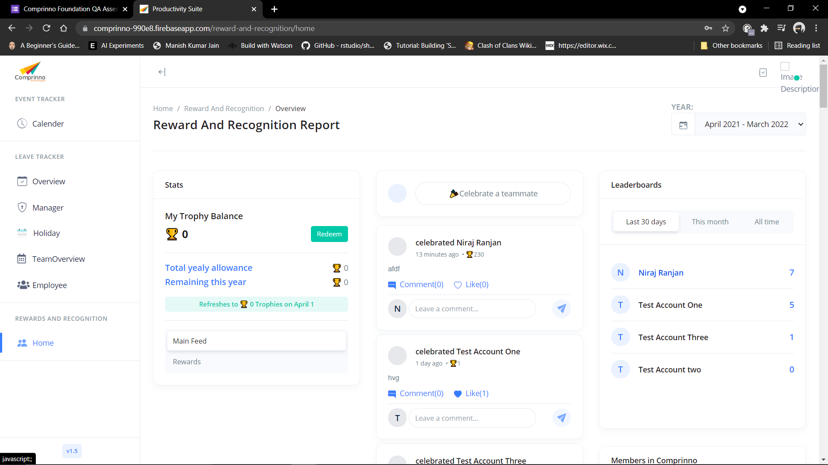 Fail
43 | Check for members in Comprinno Section | Response on entering name of the employee in the search bar | User should be signed in the web applicaton. | 1. Launch the website. 2. Enter your email. 3. Enter password 4. Click Sign in button. 5. Click on Home tab 6. Scroll down 7. Click on Search bar under members of Comprinno section | Email: staging.productivity.suite@gmail.com Password: test@123 | User should be able to search when he enters the keyword and hits ‘Enter’ button on keyboard | As expected | Pass
43 | Check for members in Comprinno Section | Response on entering name of the employee in the search bar and then clicking on the cancel | User should be signed in the web applicaton. | 1. Launch the website. 2. Enter your email. 3. Enter password 4. Click Sign in button. 5. Click on Home tab 6. Scroll down 7. Click on Search bar under members of Comprinno section | Email: staging.productivity.suite@gmail.com Password: test@123 | All the entered data should be cleared | As expected | Pass
44 | Check for clicking on the employee name | Response on clicking on the name of the employee under members of comprinno section. | User should be signed in the web applicaton. | 1. Launch the website. 2. Enter your email. 3. Enter password 4. Click Sign in button. 5. Click on Home tab 6. Scroll down 7. Click on Search bar under members of Comprinno section 8. Click on the employee name | Email: staging.productivity.suite@gmail.com Password: test@123 | Details of the employee should be displayed like celebration statastics and details like email, birthday and work anniversary | As expected | Pass
45 | Check for clicking on the company logo | Response on clicking on the logo of the company on the top of the page | User should be signed in the web applicaton. | 1. Launch the website. 2. Enter your email. 3. Enter password 4. Click Sign in button. 5. Click on the compnay logo | Email: staging.productivity.suite@gmail.com Password: test@123 | It should redirect to the home page of the company | It logs out the user who is signed in. | Fail
46 | Check for clicking on the activity stream button | Response on clicking on the activity stream button | User should be signed in the web applicaton. | 1. Launch the website. 2. Enter your email. 3. Enter password 4. Click Sign in button. 5. Click on Activity stream | Email: staging.productivity.suite@gmail.com Password: test@123 | It should display all the activities done by the logged in user | As expected | Pass
46 | Check for clicking on the activity stream button | Response after scrolling on Activity stream. | User should be signed in the web applicaton. | 1. Launch the website. 2. Enter your email. 3. Enter password 4. Click Sign in button. 5. Click on Activity stream | Email: staging.productivity.suite@gmail.com Password: test@123 | Scroll-bar should operate for up and down | As expected | Pass
47 | Check for user logged in information | Photo of user logged in | User should be signed in the web applicaton. | 1. Launch the website. 2. Enter your email. 3. Enter password 4. Click Sign in button. | Email: staging.productivity.suite@gmail.com Password: test@123 | It should display the picture of the person logged in. | Image is crashed | Fail
47 | Check for user logged in information | Email id of the logged in person | User should be signed in the web applicaton. | 1. Launch the website. 2. Enter your email. 3. Enter password 4. Click Sign in button. | Email: staging.productivity.suite@gmail.com Password: test@123 | It should display the email id of the user logged in | As expected | Pass
47 | Check for user logged in information | Description of the user logged in | User should be signed in the web applicaton. | 1. Launch the website. 2. Enter your email. 3. Enter password 4. Click Sign in button. | Email: staging.productivity.suite@gmail.com Password: test@123 | It should display the description of the person logged in. | No action is performed | Fail
47 | Check for user logged in information | Sign out for the logged in person | User should be signed in the web applicaton. | 1. Launch the website. 2. Enter your email. 3. Enter password 4. Click Sign in button. | Email: staging.productivity.suite@gmail.com Password: test@123 | After clicking on log out button it should log out the user and sign page should be displayed | As expected | Pass

