Charts
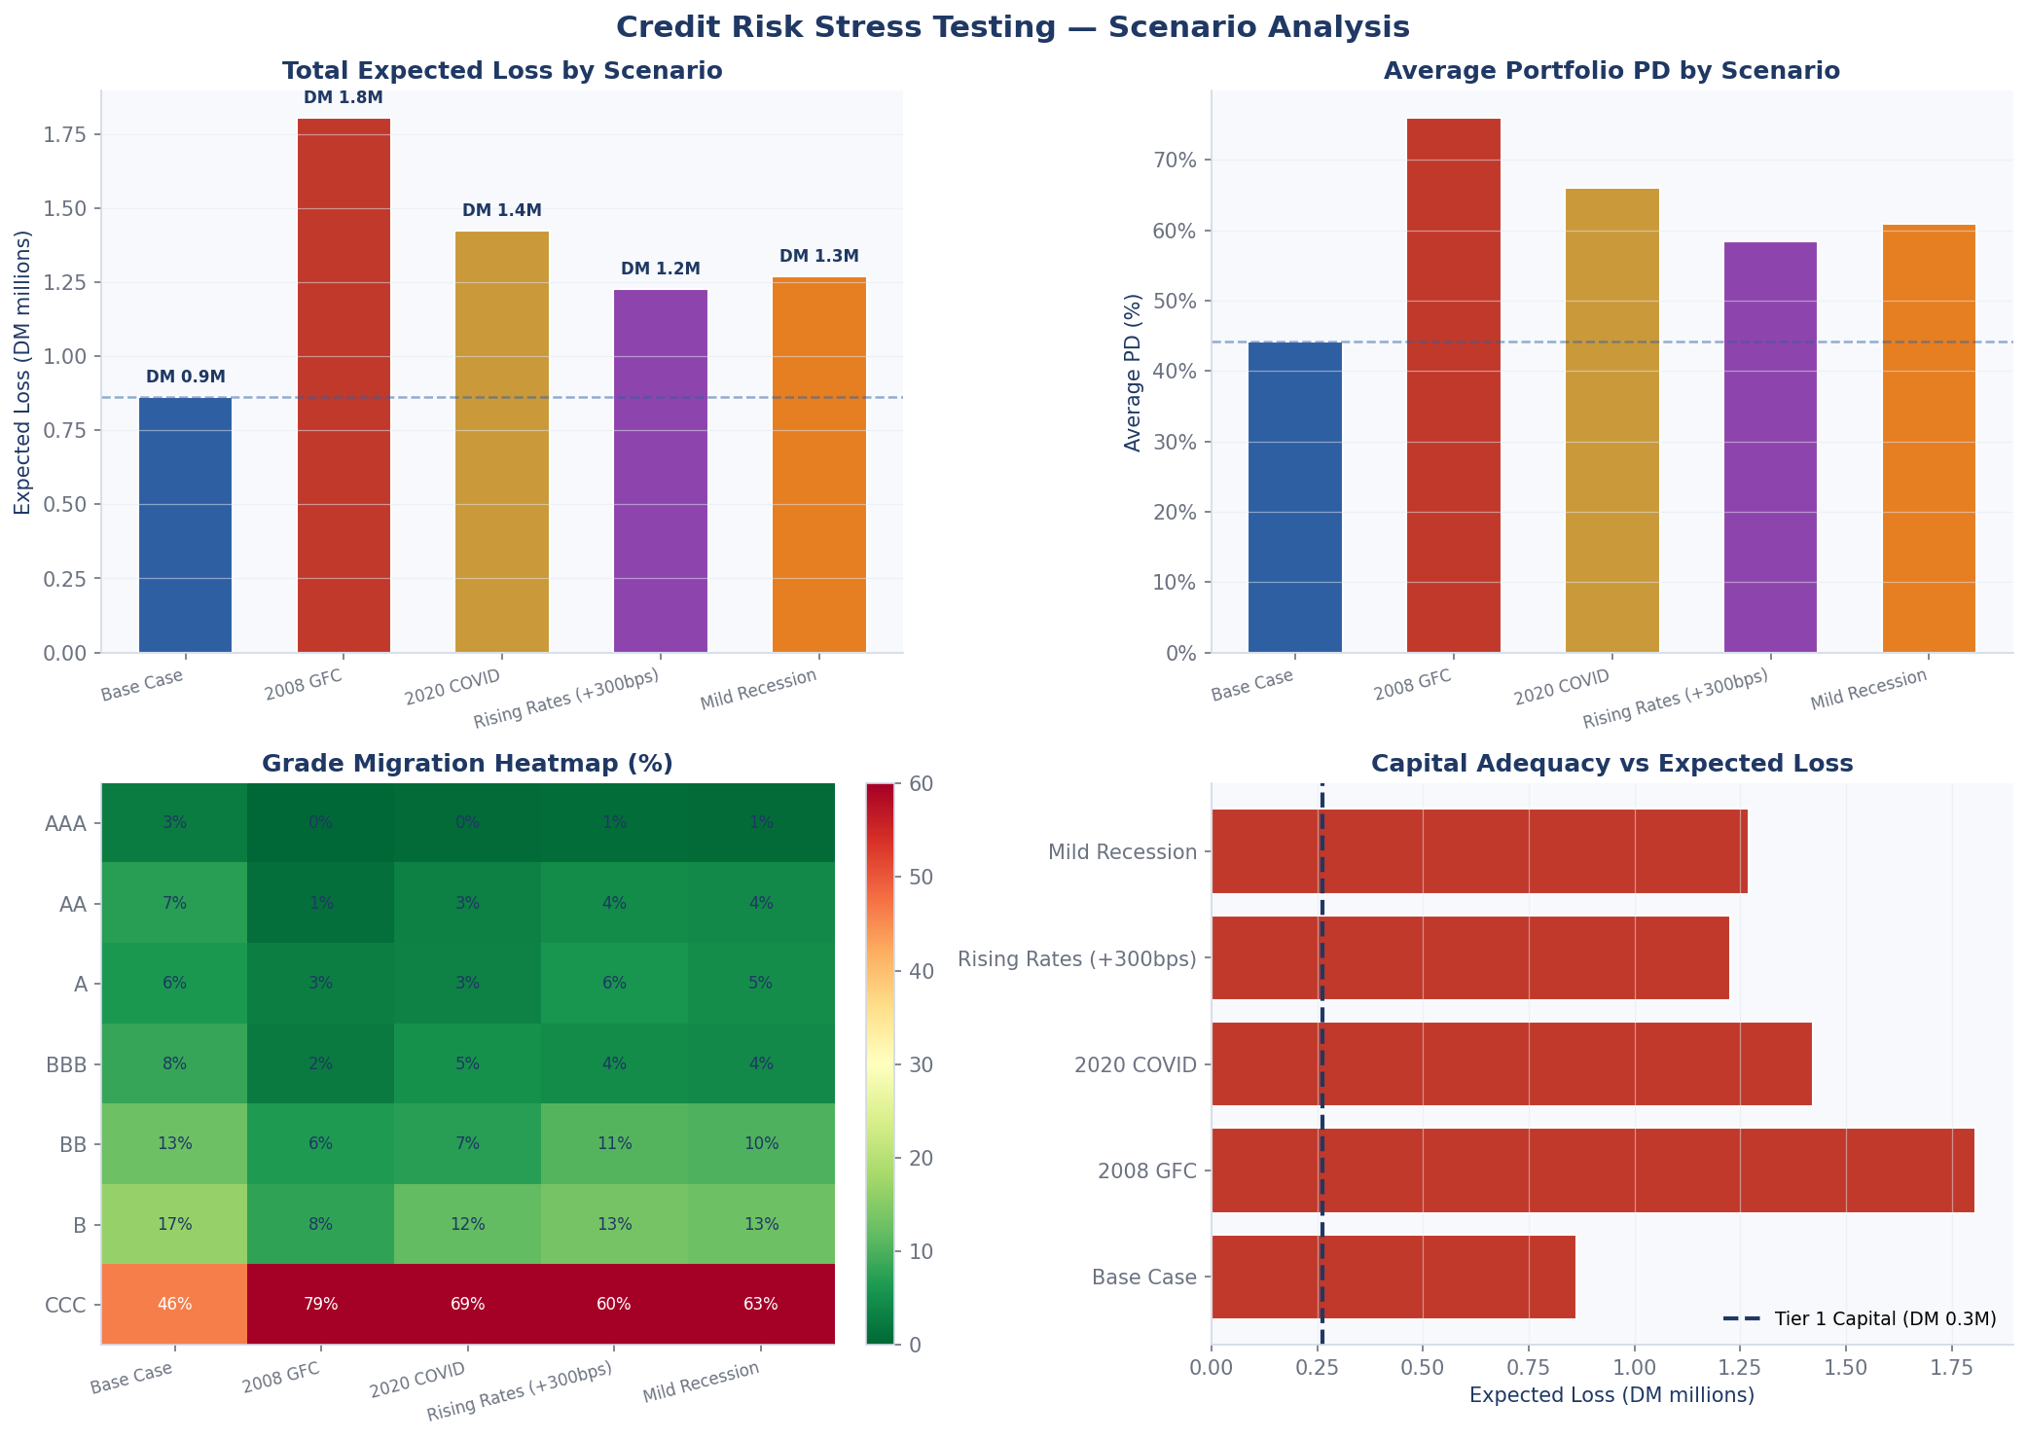
VISUALISATIONS — EDA · PD Model · Stress Test
Figure 1 — Exploratory Data Analysis
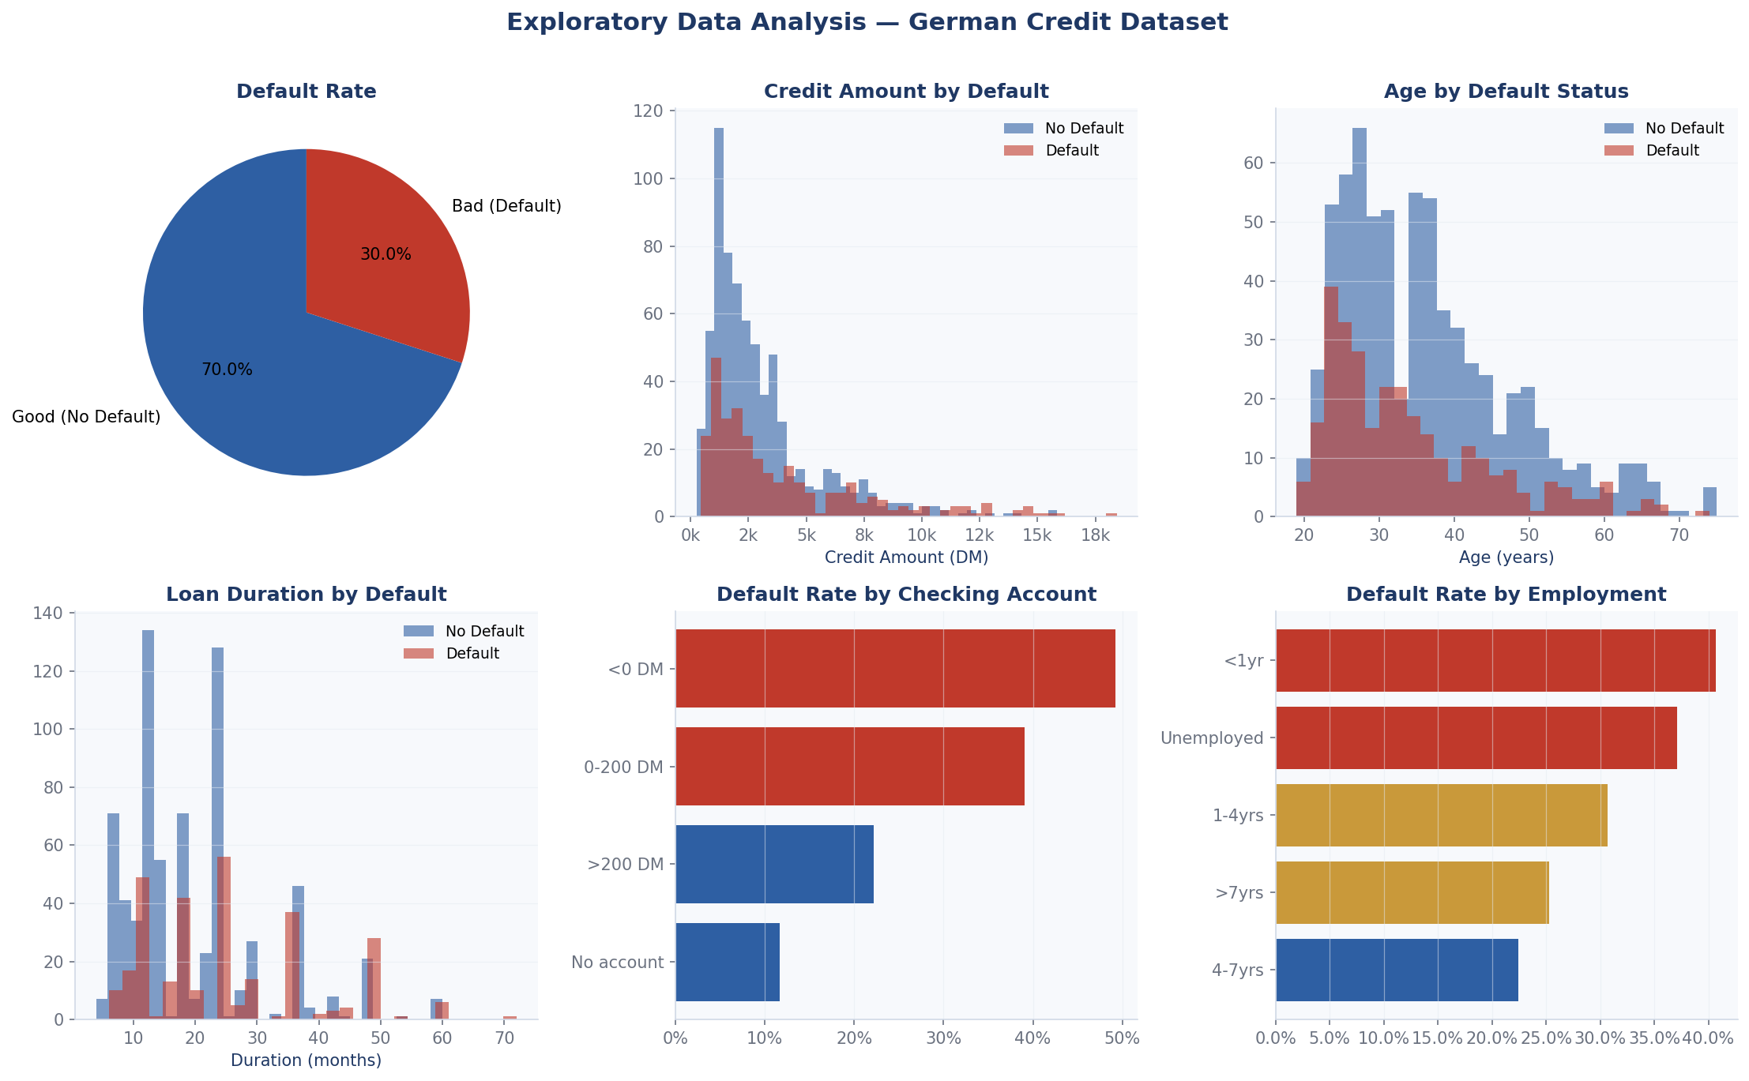

Figure 2 — PD Model Performance & Risk Grades

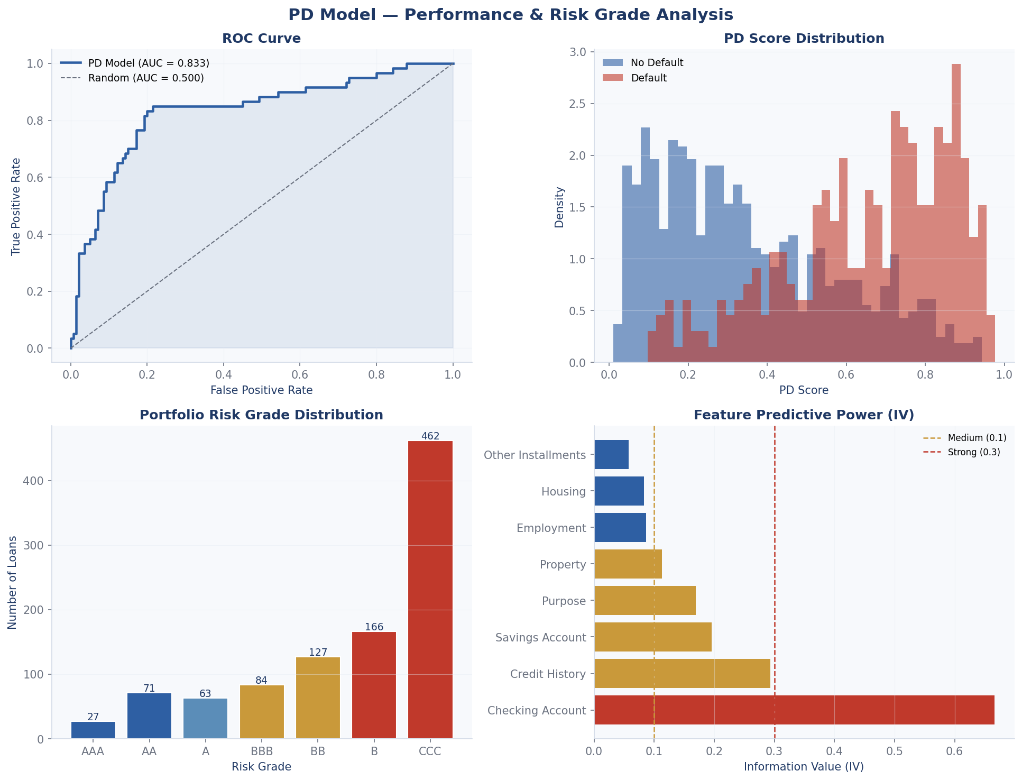

Figure 3 — Stress Test & Scenario Analysis

