Navigation bar
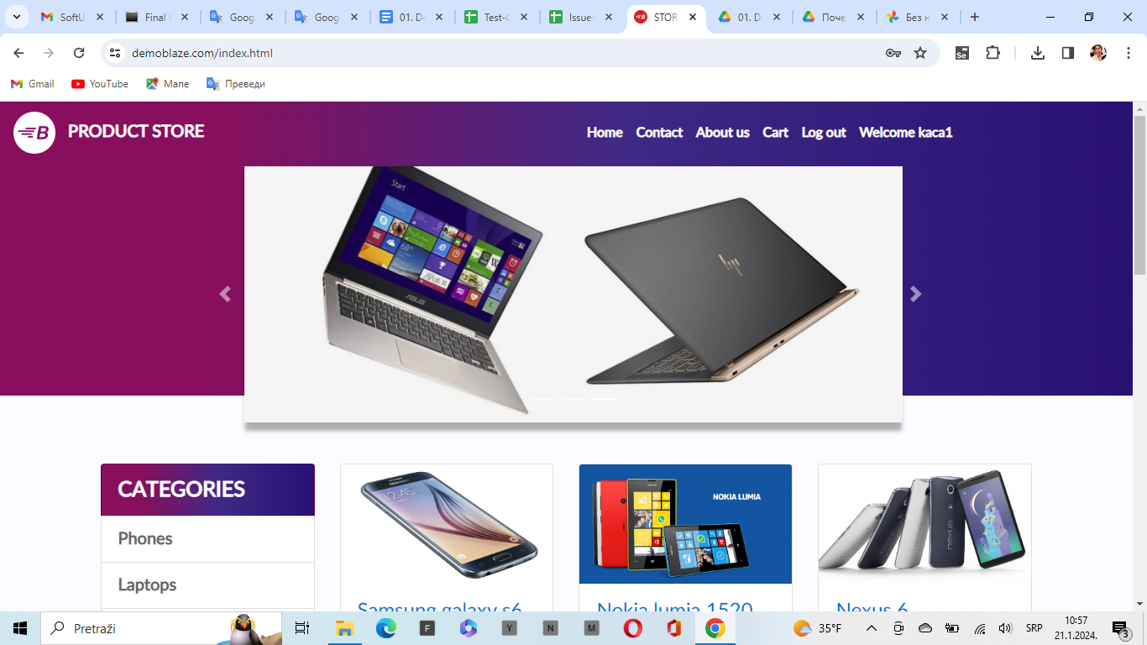
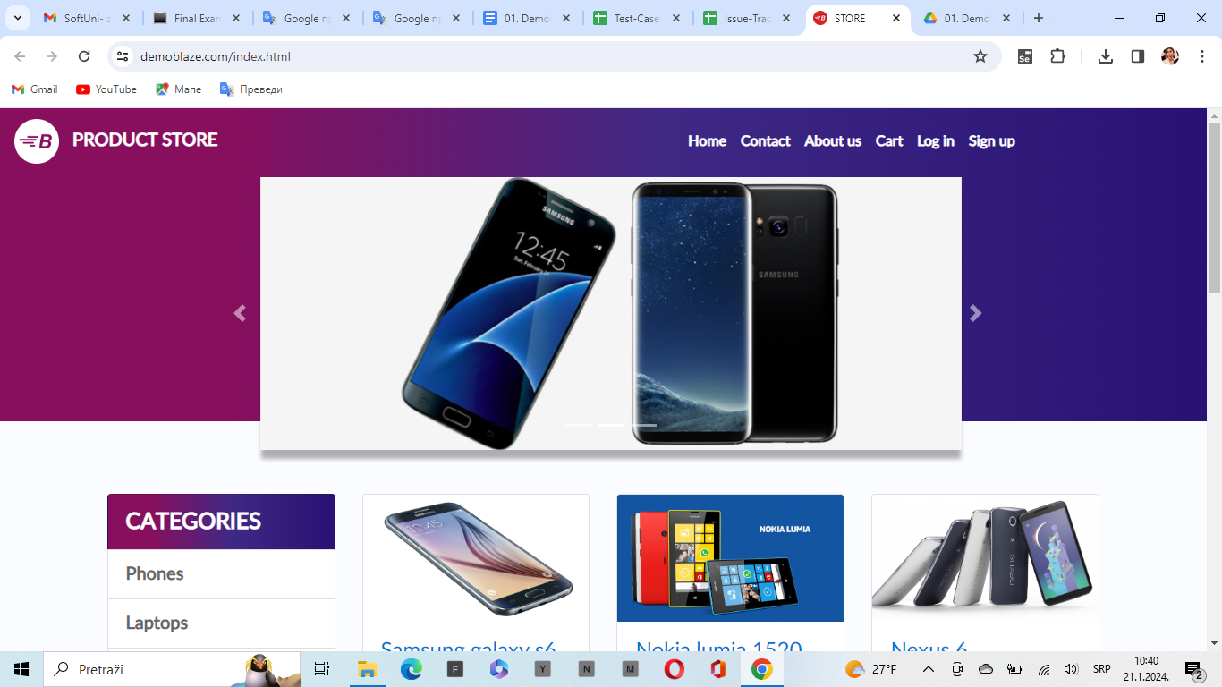
Suite name: Smoke test (build verification)

ID: | Priority | Title | Steps to reproduce | Expected result | Status
2.3.2US2 | 2 | Options in the navigation bar. | Open URL: https://www.demoblaze.com/index.html | Page opened | passed | According to the documentation, there is no appropriate logo on the website. BG1
 |  |  | Check if there is a logo with the name: "Demoblaze" in the left corner of the navigation bar. | In the navigation bar on the left side there is a logo with the letter 'B' and the text 'PRODUCT STORE' | failed
 |  |  | Check the following elements in the navigation menu as a registered user, Home, Contact, About us, Cart, Log out, Welcome, {username}!, Checkout. | The navigation menu contains the following elements: Home, Contact, About us, Cart, Log out, Welcome kaća1 | failed | One 'Checkout' element is missing from the navigation menu. BG2
 |  |  | Check if there are certain elements in the navigation bar as a guest on the site. Home, Contact, About us, Cart, Log in, Sing up, Checkout. | The navigation bar contains only the following elements: Home, Contact, About us, Cart, Log in, Sing up. | failed | One 'Checkout' element is missing from the navigation menu. BG3

Home page
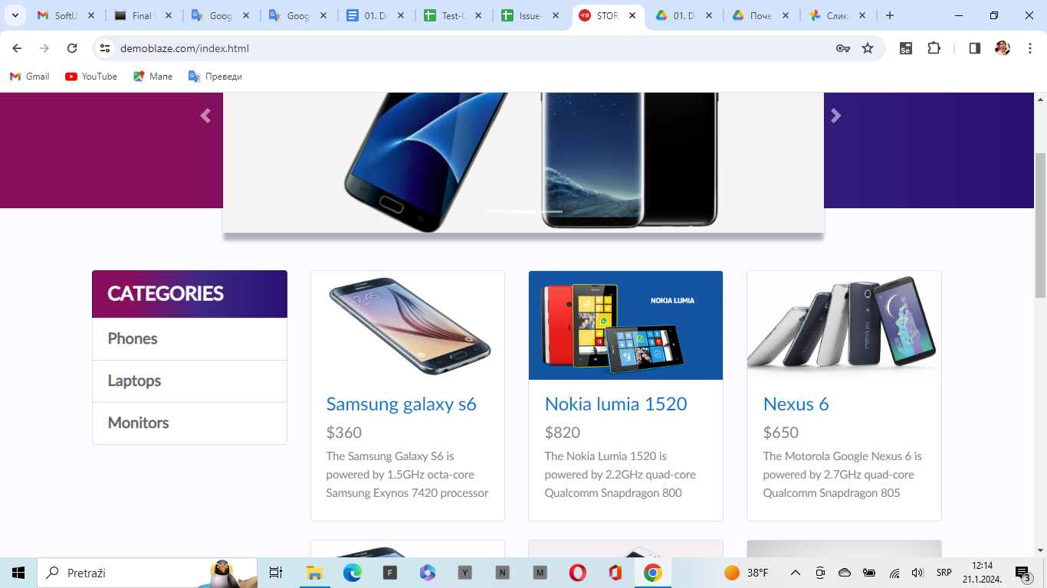
Suite name: Smoke test (build verification)

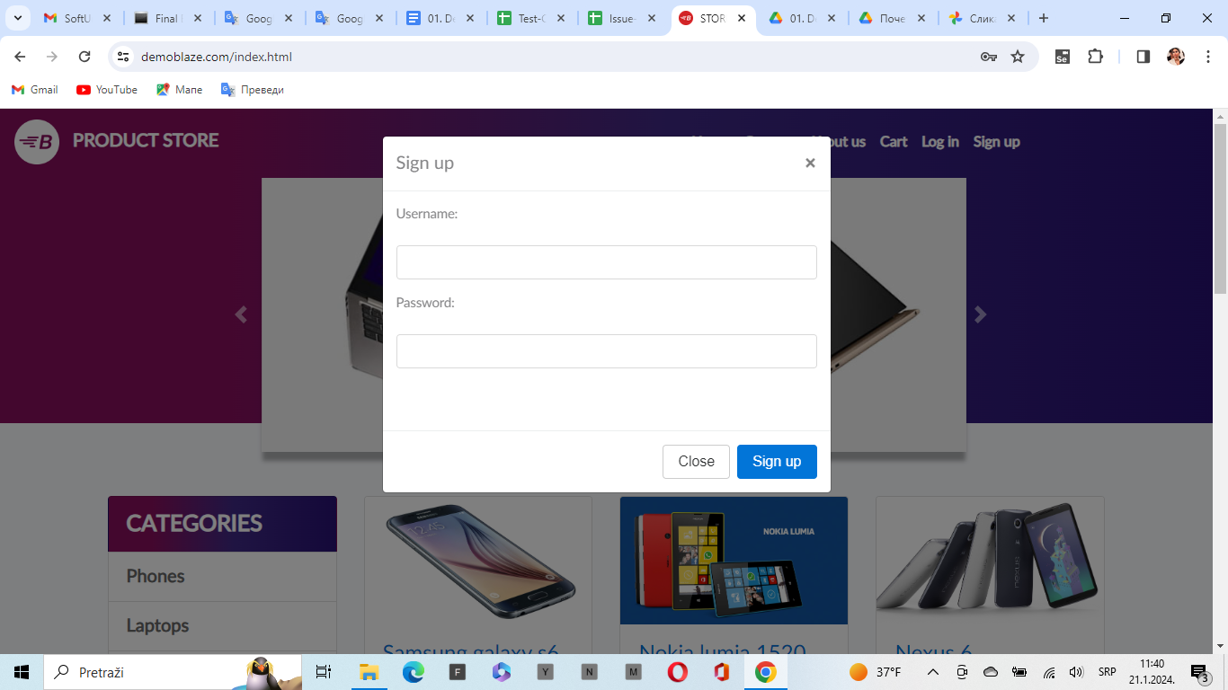
ID: | Priority | Title | Steps to reproduce | Expected result | Status
2.3.3US3 | 3 | PRODUCTS ON HOME AS REGISTERED | Open URL: https://www.demoblaze.com/index.html | Page opened | passed
 |  |  | As a registered user, check if there is a slider with products on the home page under the navigation menu. | below the navigation screen there is a slider with products. | passed
 |  |  | check if there is a category menu under the slider on the left and products of different categories on the right. | below the slider there is a menu with categories on the left and different products on the right. | passed

2.3.3US3.1 | 3 | PRODUCTS AT HOME AS NOT REGISTERED | Open URL: https://www.demoblaze.com/index.html | Page opened | passed
 |  |  | As a non-registered user, please check for a products slider on the home page under the navigation menu. | below the navigation screen there is a slider with products. | passed
 |  |  | check if there is a category menu under the slider on the left and products of different categories on the right. | below the slider there is a menu with categories on the left and different products on the right. | passed

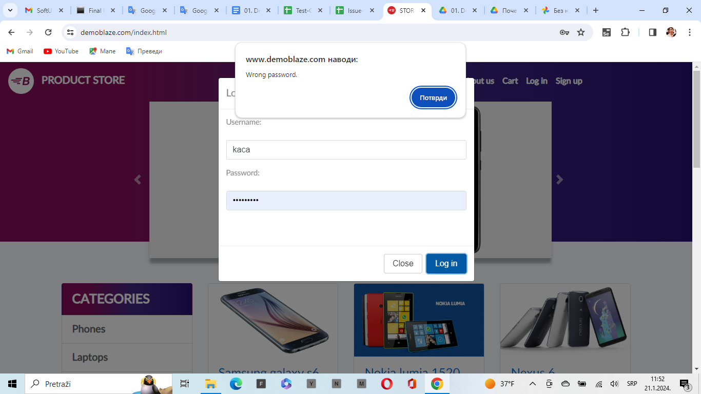
2.3.3US3.2 | 1 | Registration fields | Open URL: https://www.demoblaze.com/index.html | Page opened | passed
 |  |  | click on the 'Sing up' icon in the upper right corner ​ | in the middle of the screen a drop-down menu will appear with the title 'sing up' and below that there are two fields: Username and password and below that two options close and sing up. | failed | According to the documentation, there are no missing fields for entering data, namely: Username, password, email, confirm pasword and county. BG4

2.3.3.3US3.3 | 1 | Log in | Open URL: https://www.demoblaze.com/index.html | Page opened | passed
 |  |  | Click on the 'Log in' icon in the upper right corner | a drop-down menu appears in the middle of the screen with two fields Username and Password. and below that there are two fields Close and Log in | passed
 |  |  | Click on the 'Log in' icon in the upper right corner, click on the log in field | the home page opens. | passed

2.3.3.3US3.4 | 1 | INCORRECT DATA FOR LOG IN | Open URL: https://www.demoblaze.com/index.html | Page opened | passed
 |  |  | Click on the 'Log in' icon in the upper right corner | a drop-down menu appears in the middle of the screen with two fields Username and Password. and below that there are two fields Close and Log in | passed
 |  |  | Enter the wrong Ussrename or password in the fields and click on log in | a small window appears with the message "wrong password" and we are asked to enter the correct data. | passed

2.3.3.3US3.5 | 4 | Log out | Open URL: https://www.demoblaze.com/index.html | Page opened | passed
 |  |  | Precondition: Ussername the need to be log in
 |  |  | In the upper right corner, click on the log out icon. | the home web page will open. | failed | When the user logs out, he should be shown the message: "logout succeeded", in this case no message is displayed. BG4

2.3.3.3US3.4 |  | Categories | Open URL: https://www.demoblaze.com/index.html | Page opened | passed
 |  |  | У левом углу проверите испод менијада навигације да ли се налази падајуци мени са категоријама: телефони, лаптопи, монитори, таблети, рачунари | In the drop-down menu with categories there is only: phones, laptops, monitors. | failed | Certain elements in the category are missing. BG5

PRODUCT PAGE
Suite name: Smoke test (build verification)

ID: | Priority | Title | Steps to reproduce | Expected result | Status
2.3.4US4 | 2 | PRODUCT VIEW | Open URL: https://www.demoblaze.com/index.html | Page opened | passed
 |  |  | Click on any product from the home page. | a new page with the selected product opens. | passed
 |  |  | click on the product image. | clicking on the image does not change anything. | failed | clicking on the image should open a gallery with images of that product according to the documentation. BG6
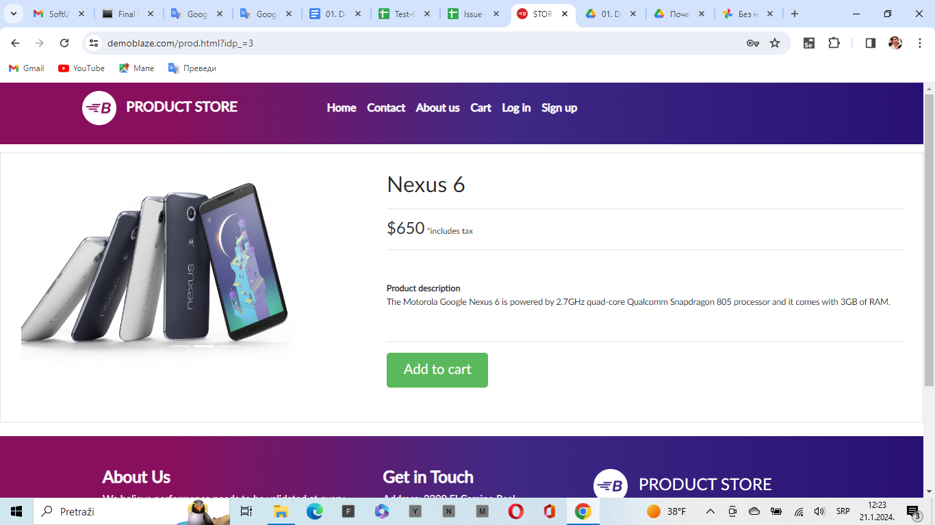
 |  |  | On the right side of the product, the price of the product in dollars and euros should be displayed, and below that, a description of the product. | the price of the product is visible only in dollars, the price is not expressed in euros, and there is a description of the product below it. | failed | the price should be expressed in dollars and euros according to the documentation BG7
 |  |  | Check if the "Add to cart" button is visible. | the "Add to cart" button is on the screen. | passed
 |  |  | click to add to cart | the message "Product added" appears | passed

CART
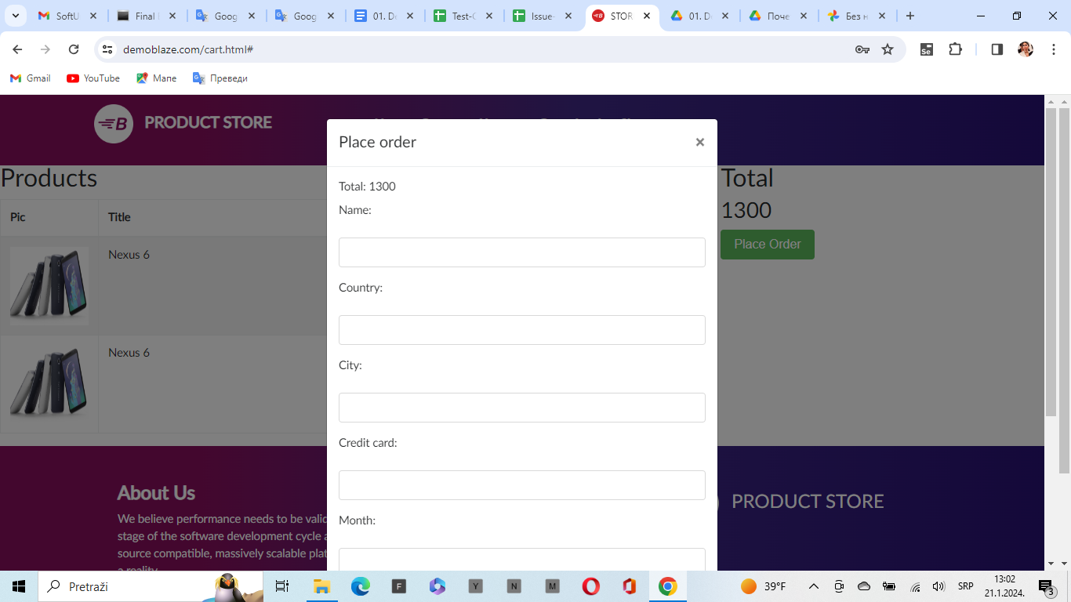
Suite name: Smoke test (build verification)

ID: | Priority | Title | Steps to reproduce | Expected result | Status
2.3.5US5.1 | 1 | Summery cart | Open URL: https://www.demoblaze.com/index.html | Page opened | passed
 |  |  | Precondition: Select any products in the basket.
 |  |  | Click on the "chart" icon in the upper right corner. | the basket with the selected products opens. | passed
 |  |  | Check if the product information is visible and if the product can be removed from the list. | all data is on the screen and the product can be removed from the list. | passed
 |  |  | there is a field on the right with the total amount and a continue ordering button under the name "Place Order" | The total price and the "Place Order" button are visible. | passed

2.3.5.1 US5.2 | 1 | Filling out the order form | Open URL: https://www.demoblaze.com/index.html | Page opened | passed
 |  |  | Precondition:we are in the basket with the selected products
 |  |  | click on the button to '' Place Order'' | A drop-down menu appears in the middle of the screen with the fields:Name, Country, City , Credit cart, Month, Year | failed | According to the documentation, the fields that should be visible are: Name, City, Credit card, Month BG8

