Overview
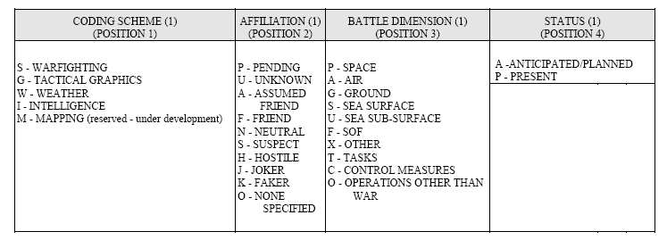
Key | Bedeutung | MSS-ID | MSS-Attribute | ID
 |  |  |  | 1 | 2 | 3 | 4 | 5…10 | 11..12 | 13..14 | 15
 |  |  |  | S | F | G | P | XXXXXX | XX | -- | G
LANGUAGE | Armee / AXXI

GZ | Grundzeichen | ID - 5-10 |  |  |  |  |  |  |  |  |  | siehe AXXI
ZZ0 | Größenordnung | ID - 11+12 |  |  |  |  |  |  |  |  |  | siehe AXXI
ZZ1 | Truppengattung | ID - 5-10 |  |  |  |  |  |  |  |  |  | siehe AXXI
ZZ3 | Ergänzungszeichen System/Einrichtung | ID - 5-10 |  |  |  |  |  |  |  |  |  | siehe AXXI
TEXT0 | Truppengattung |  | XE/XB |  |  |  |  |  |  |  |  | siehe AXXI
TEXT2 | Datum/Zeit |  | W
TEXT5 | Nr. der Formation |  | T
TEXT6 | Verst./Vermindert |  | F
TEXT8 | Freitext |  | H/XF/XE/XB |  |  |  |  |  |  |  |  | siehe AXXI
TEXT9 | Nr. vorges. Kommando |  | M
FT0

SYM_SIZE |  |  |  |  |  |  |  |  |  |  |  | can be ignored
STATUS |  | ID - 4 |  |  |  |  |  |  |  |  |  | REAL=P, PLAN=A
LINE_PATTERN |  | ID - 4 |  |  |  |  |  |  |  |  |  | SOLID=P, DASH=A, DOT=A, DASHDOT=A
FILL_PATTERN |  |  |  |  |  |  |  |  |  |  |  | can be ignored

COLOR |  |  |  |  |  |  |  |  |  |  |  | blau (0,0, 255) = F schwarz (0,0,0) = F rot (255, 0, 0) = H grün (0, 0, 0) = N gelb (255, 255, 0) = U rest = U?

